E2
 | Approx aperture position [mrad] | Collimator size | dE/E from mean after foil [%] | FP1 slits [mm] | VD1515 X_mean [mm] | VD1542 X_mean [mm] | VD1638 X_mean [mm] | VD1688 X_mean [mm] | VD1783 X_mean [mm]
Group 2 | 0 | 1 MM | 0 | +-7 |  |  | -0.24 | -2.12 | -1.02 |  |  |  |  |  | 4 | 5
Group 3 | 0 | 1 MM | 0 | -21 to -7 |  |  | -1.23 | -21.01 | -3.02 |  | Needs to double check |  |  |  | 5 | 5
Group 4 | 0 | 1 MM | 0 | 7 to 21 |  | 12.1 | 0.47 | 11.02 | 4.16 |  |  |  |  |  | 5 | 7
Group 5 | 0 | 20 mrad | 0 | +-7 | 2.62 | -1.36 | -0.57 | -5.46 | -0.62 |  |  |  |  |  | 6 | 7
Group 6 | 0 | 20 mrad | 0 | -50 |  |  | -0.33 | very wide | 0.49 |  |  |  |  |  | 7 |  | 103
Group 7 - 20 mrad (0 mrad Position) -2% dE/E - FP1 Slits: +-7 mm | 0 | 20 mrad | -2 | +-7 | -4.44 | -1.72 | 1.83 | -10.04 | 7.00 |  |  |  |  |  | 5
Group 8 - 20 mrad (0 mrad Position) -2% dE/E - FP1 Slits: -21 to -7 mm | 0 | 20 mrad | -2 | -21 to -7 | -2.17 | -11.97 | 0.70 | -20.51 | 0.74 |  |  |  |  |  | 7
Group 9 - 20 mrad (0 mrad Position) -2% dE/E - FP1 Slits: 7 to 21 mm | 0 | 20 mrad | -2 | 7 to 21 |  | 12.04 | 2.05 | 6.30 | 8.74 |  | mean looks diff. than peak X ~7.5 |  |  |  | 7
Group 10 - 1 MM (0 mrad Position) -2% dE/E - FP1 Slits: +-7 | 0 | 1 MM | -2 | +-7 | 8.87 | -2.56 | 0.25 |  | 3.38 |  | This looks wrong but it could be mean =! Peak X ~-15 |  |  |  | 6
Group 13 - 1 MM (+7.5 mrad Position) -2% dE/E - FP1 Slits: +-7 mm | 7.5 | 1 MM | -2 | +-7 |  |  | -0.49 |  |  |  |  |  |  |  | 5
Group 14 - 1 MM (-15 mrad Position) -2% dE/E - FP1 Slits: +-7 mm | -15 | 1 MM | -2 | +-7 | -17.92 | 1.23 | 6.02 | 0.40 | 7.32 |  | Looks very wrong. X~-78 |  |  |  | 1
Group 15 - 1 MM (-7.2 mrad Position) -2% dE/E - FP1 Slits: +-7 mm | -7.5 | 1 MM | -2 | +-7 | -32.47 | -0.87 | 3.81 | -5.13 | 8.08 |  | Looks wrong X~-55 |  |  |  | 7
Group 16 - 1 MM (+20 mrad Position) -2% dE/E - FP1 Slits: +-7 mm | 20 | 1 MM | -2 | +-7 | 71.31 |  | -3.42 |  |  |  | Looks wrong X~-62 |  |  |  | 2
 |  |  |  |  |  |  |  |  |  |  |  |  |  |  | 5
 |  |  |  |  |  |  |  |  |  |  |  |  |  |  | 7
Focal plane 2: 1638
X [mm] vs dE [%]
 | 20 mrad |  | 1 MM |  | Nominal ECAT |  | Nominal Q6 - 2.7%
0.16 | -0.57 | 1.91 | -1.23 | 0.16 | -1.60 | 0.16 | -1.77
0.16 | 1.83 | -1.87 | 0.47 | 0.16 | -1.60 | 0.16 | -1.77
2.04 | 0.70 | 0.02 | 0.25 | 2.04 | -0.98 | 2.04 | -2.64
-1.75 | 2.05 |  |  | -1.75 | -1.89 | -1.75 | -1.21
 |  |  |  | 1.91 | -1.30 | 1.91 | -2.38
 |  |  |  | -1.87 | -1.00 | -1.87 | -1.19
 |  |  |  | 0.02 | -1.72 | 0.02 | -1.74
X [mm] vs dE [%]
 | 20 mrad |  | 1 MM |  | Optimized |  | Nominal Q6 - 2.7%
0.16 | -0.57 | 1.91 | -1.23 | 0.16 | 1.76 | 0.16 | -1.77
0.16 | 1.83 | -1.87 | 0.47 | 0.16 | 1.76 | 0.16 | -1.77
2.04 | 0.70 | 0.02 | 0.25 | 2.04 | 0.92 | 2.04 | -2.64
-1.75 | 2.05 |  |  | -1.75 | 2.38 | -1.75 | -1.21
 |  |  |  |  | 1.37
 |  |  |  | 1.91 | 1.16 | 1.91 | -2.38
 |  |  |  | -1.87 | 2.60 | -1.87 | -1.19
 |  |  |  | 0.02 | 1.92 | 0.02 | -1.74
dX/dE |  |  |  |  |  |  |  |  |  |  |  |  |  |  |  |  |  | Nominal |  |  | Nominal Q6 - 2.7% |  |  |  |  |  |  |  |  |  |  |  |  |  |  |  |  |  |  |  |  |  |  |  |  |  |  |  |  |  |  |  |  |  |  |  |  |  |  |  |  |  | Nominal Q6 - 2.7% | Nom. BEST, WF1 + 0.25% |  |  |  |  | Nom. Best TA_Y, WF1 + 0.25% (To study effect of changing Q6 in the Y-spread at FP2)
 |  |  |  |  | dE |  | X_mean [mm] |  | Y_mean [mm] | Y_sigma [mm] |  |  |  |  |  |  |  | X_mean [mm] |  |  | X_mean [mm] |  |  |  |  |  |  |  |  |  |  |  |  |  |  |  |  |  |  |  |  |  |  |  |  |  |  |  |  |  |  |  |  |  |  |  |  |  |  |  |  |  | X_mean [mm] | X_mean [mm] |  | Y_mean [mm] | Y_sigma [mm] |  | X_mean [mm] | Y_mean [mm] | Y_sigma [mm]
Group 5 | 0 | 20 mrad | 0 | +-7 | 0.16 |  | -0.57 | Not consistent |  |  |  |  |  |  |  |  |  | -1.60 |  |  | -1.77 |  |  |  |  |  |  |  |  |  |  |  |  |  |  |  |  |  |  |  |  |  |  |  |  |  |  |  |  |  |  |  |  |  |  |  |  |  |  |  |  |  | -1.77 | 1.76 |  | -0.91 | 5.02 |  | -5.09 | -1.11 | 4.9
Group 7 | 0 | 20 mrad | -2 | +-7 | 0.16 |  | 1.83 |  | -1.27 | 5.50 |  |  |  |  |  |  |  | -1.60 |  |  | -1.77 |  |  |  |  |  |  |  |  |  |  |  |  |  |  |  |  |  |  |  |  |  |  |  |  |  |  |  |  |  |  |  |  |  |  |  |  |  |  |  |  |  | -1.77 | 1.76 |  | -0.91 | 5.02 |  | -5.09 | -1.11 | 4.9
Group 8 | 0 | 20 mrad | -2 | -21 to -7 | 2.04 |  | 0.70 |  | -2.74 | 6.39 |  |  |  |  |  |  |  | -0.98 |  |  | -2.64 |  |  |  |  |  |  |  |  |  |  |  |  |  |  |  |  |  |  |  |  |  |  |  |  |  |  |  |  |  |  |  |  |  |  |  |  |  |  |  |  |  | -2.64 | 0.92 |  | -1.53 | 4.94 |  | -4.50 | -1.73 | 4.91
Group 9 | 0 | 20 mrad | -2 | 7 to 21 | -1.75 |  | 2.05 |  | -2.00 | 4.70 |  |  |  |  |  |  |  | -1.89 |  |  | -1.21 |  |  |  |  |  |  |  |  |  |  |  |  |  |  |  |  |  |  |  |  |  |  |  |  |  |  |  |  |  |  |  |  |  |  |  |  |  |  |  |  |  | -1.21 | 2.38 |  | -0.10 | 6.09 |  | -5.49 | -0.29 | 5.85
 |  |  |  |  |  |  |  |  |  |  |  |  |  |  |  |  |  |  |  |  |  |  |  |  |  |  |  |  |  |  |  |  |  |  |  |  |  |  |  |  |  |  |  |  |  |  |  |  |  |  |  |  |  |  |  |  |  |  |  |  |  |  |  |  |  |  |  |  |  |  | Not much change in Y-spread due to Q6
Group 6 | 0 | 20 mrad | 0 | -50 |  |  |  | look at spread |  |  |  |  |  |  |  |  |  |  |  |  |  |  |  |  |  |  |  |  |  |  |  |  |  |  |  |  |  |  |  |  |  |  |  |  |  |  |  |  |  |  |  |  |  |  |  |  |  |  |  |  |  |  |  | 1.37

Group 3 | 0 | 1 MM | 0 | -21 to -7 | 1.91 |  | -1.23 |  |  |  |  |  |  |  |  |  |  | -1.30 |  |  | -2.38 |  |  |  |  |  |  |  |  |  |  |  |  |  |  |  |  |  |  |  |  |  |  |  |  |  |  |  |  |  |  |  |  |  |  |  |  |  |  |  |  |  | -2.38 | 1.16
Group 4 | 0 | 1 MM | 0 | 7 to 21 | -1.87 |  | 0.47 |  |  |  |  |  |  |  |  |  |  | -1.00 |  |  | -1.19 |  |  |  |  |  |  |  |  |  |  |  |  |  |  |  |  |  |  |  |  |  |  |  |  |  |  |  |  |  |  |  |  |  |  |  |  |  |  |  |  |  | -1.19 | 2.60
Group 10 | 0 | 1 MM | -2 | +-7 | 0.02 |  | 0.25 |  |  |  |  |  |  |  |  |  |  | -1.72 |  |  | -1.74 |  |  |  |  |  |  |  |  |  |  |  |  |  |  |  |  |  |  |  |  |  |  |  |  |  |  |  |  |  |  |  |  |  |  |  |  |  |  |  |  |  | -1.74 | 1.92

X [mm] vs dalphaX [mrad]
dX [mm] vs dalphaX [mrad]
dX [mm] vs dalphaX [mrad]
dX [mm] vs dalphaX [mrad]
 | 1 MM | Nominal ECAT | Nominal WF1 + 1% | Nominal WF1 - 1%
0.33 | 0.25 | -1.30 | -1.30
8.74 | -0.49 | 0.25 | 0.23
-16.38 | 6.02 | -5.25 | -5.22
-8.10 | 3.81 | -3.33 | -3.31
21.66 | -3.42 | 2.63 | 2.60
X [mm] vs dalphaX [mrad]
 |  |  |  |  |  |  |  |  |  |  |  |  |  |  |  |  |  |  |  |  |  |  |  |  |  |  |  |  |  |  |  |  |  |  |  |  |  |  |  |  |  | changing E/B |  |  |  |  |  |  |  |  |  |  | Keeping E/B
dX/dalphaX |  |  |  |  |  |  |  |  |  |  |  |  |  |  |  |  |  | Nominal | Nominal Q6 + 1% | Nominal Q6 - 1% | Nominal Q6 - 2.7% |  |  |  |  |  |  |  |  |  | Nominal Q7 + 1% | Nominal Q7 - 1% |  |  |  |  |  |  |  |  |  | Nominal WF1(v) + 0.1% | Nominal WF1(v) - 0.1% |  |  |  |  |  |  |  |  |  | Nominal WF1 (E and B) + 1% | Nominal WF1 (E and B) - 1%
 |  |  |  |  | dalphaX |  | X_mean [mm] |  |  |  |  |  |  |  |  |  |  | X_mean [mm] | X_mean [mm] | X_mean [mm] | X_mean [mm] |  |  |  |  |  |  |  |  |  | X_mean [mm] | X_mean [mm] |  |  |  |  |  |  |  |  |  | X_mean [mm] | X_mean [mm] |  |  |  |  |  |  |  |  |  | X_mean [mm] | X_mean [mm]
Group 10 | 0 | 1 MM | -2 | +-7 | 0.33 |  | 0.25 |  |  |  |  |  |  |  |  |  |  | -1.30 | -1.14 | -1.46 | -1.74 |  |  |  |  |  |  |  |  |  | -1.33 | -1.27 |  |  |  |  |  |  |  |  |  | 0.17 | -2.76 |  |  |  |  |  |  |  |  |  | -1.30
Group 13 | 7.5 | 1 MM | -2 | +-7 | 8.74 |  | -0.49 |  |  |  |  |  |  |  |  |  |  | 0.25 | 1.88 | -1.38 | -4.16 |  |  |  |  |  |  |  |  |  | -0.01 | 0.51 |  |  |  |  |  |  |  |  |  | 1.75 | -1.25 |  |  |  |  |  |  |  |  |  | 0.23
Group 14 | -15 | 1 MM | -2 | +-7 | -16.38 |  | 6.02 |  |  |  |  |  |  |  |  |  |  | -5.25 | -7.89 | -2.64 | 1.75 |  |  |  |  |  |  |  |  |  | -4.83 | -5.67 |  |  |  |  |  |  |  |  |  | -3.94 | -6.57 |  |  |  |  |  |  |  |  |  | -5.22
Group 15 | -7.5 | 1 MM | -2 | +-7 | -8.10 |  | 3.81 |  |  |  |  |  |  |  |  |  |  | -3.33 | -4.62 | -2.04 | 0.16 |  |  |  |  |  |  |  |  |  | -3.12 | -3.53 |  |  |  |  |  |  |  |  |  | -1.92 | -4.73 |  |  |  |  |  |  |  |  |  | -3.31
Group 16 | 20 | 1 MM | -2 | +-7 | 21.66 |  | -3.42 |  |  |  |  |  |  |  |  |  |  | 2.63 | 6.40 | -1.11 | -7.38 |  |  |  |  |  |  |  |  |  | 2.03 | 3.22 |  |  |  |  |  |  |  |  |  | 4.12 | 1.15 |  |  |  |  |  |  |  |  |  | 2.60
 |  |  |  |  |  |  |  |  |  |  |  |  |  |  |  |  |  |  |  |  |  |  |  |  |  |  |  |  |  |  |  |  |  |  |  |  |  |  |  |  |  |  |  |  |  |  |  |  |  |  |  |  | Very small change so that makes sense
Group 5 | 0 | 20 mrad | 0 | +-7 |  |  | -0.57 | look at spread |  |  |  |  |  |  |  |  |  |  |  |  | solution!
Group 7 | 0 | 20 mrad | -2 | +-7 |  |  | 1.83 | look at spread

 |  |  |  |  |  |  |  |  |  |  |  | Nominal angle_Y = 4.34 mrad |  |  |  | Nominal Q6 - 2.7% |  |  |  | Nominal angle_Y = 2.7 mrad |  |  |  | Nominal angle_Y = -2.7 mrad |  |  |  | Nom. PP_angle_Y = 4.34 mrad, Y = surv + 0.1mm |  |  |  | Nom. angle_Y = 4.34 mrad, PP_Y = surv - 0.3mm |  |  |  | Nom. angle_Y = 4.34 mrad, PP_Y = surv + 0.3mm |  |  |  | Nom. angle_Y = 4.34 mrad, TA_Y = surv + 0.3mm |  |  |  | Nom. angle_Y = 4.34 mrad, TA_Y = surv + 0.1mm |  |  |  | Nom. Best TA_Y, Q6 - 2.7% |  |  |  | Nom. BEST, Q7 + 3% |  |  |  | Nom. BEST, Q7 - 3% |  |  |  | Nom. BEST, WF1 + 0.1% |  |  |  | Nom. BEST, WF1 + 0.25%
 | Approx aperture position [mrad] | Collimator size | dE/E from mean after foil [%] | FP1 slits [mm] |  |  | VD1638 X_mean [mm] | VD1638 X_sigma [mm] | VD1638 Y_mean [mm] | VD1638 Y_sigma [mm] |  | VD1638 X_mean [mm] | VD1638 X_sigma [mm] | VD1638 Y_mean [mm] | VD1638 Y_sigma [mm] | VD1638 X_mean [mm] | VD1638 X_sigma [mm] | VD1638 Y_mean [mm] | VD1638 Y_sigma [mm] | VD1638 X_mean [mm] | VD1638 X_sigma [mm] | VD1638 Y_mean [mm] | VD1638 Y_sigma [mm] | VD1638 X_mean [mm] | VD1638 X_sigma [mm] | VD1638 Y_mean [mm] | VD1638 Y_sigma [mm] | VD1638 X_mean [mm] | VD1638 X_sigma [mm] | VD1638 Y_mean [mm] | VD1638 Y_sigma [mm] | VD1638 X_mean [mm] | VD1638 X_sigma [mm] | VD1638 Y_mean [mm] | VD1638 Y_sigma [mm] | VD1638 X_mean [mm] | VD1638 X_sigma [mm] | VD1638 Y_mean [mm] | VD1638 Y_sigma [mm] | VD1638 X_mean [mm] | VD1638 X_sigma [mm] | VD1638 Y_mean [mm] | VD1638 Y_sigma [mm] | VD1638 X_mean [mm] | VD1638 X_sigma [mm] | VD1638 Y_mean [mm] | VD1638 Y_sigma [mm] | VD1638 X_mean [mm] | VD1638 X_sigma [mm] | VD1638 Y_mean [mm] | VD1638 Y_sigma [mm] | VD1638 X_mean [mm] | VD1638 X_sigma [mm] | VD1638 Y_mean [mm] | VD1638 Y_sigma [mm] | VD1638 X_mean [mm] | VD1638 X_sigma [mm] | VD1638 Y_mean [mm] | VD1638 Y_sigma [mm] | VD1638 X_mean [mm] | VD1638 X_sigma [mm] | VD1638 Y_mean [mm] | VD1638 Y_sigma [mm] | VD1638 X_mean [mm] | VD1638 X_sigma [mm] | VD1638 Y_mean [mm] | VD1638 Y_sigma [mm]
Group 3 | 0 | 1 MM | 0 | -21 to -7 |  |  | -1.23
Group 4 | 0 | 1 MM | 0 | 7 to 21 |  |  | 0.47
Group 5 | 0 | 20 mrad | 0 | +-7 |  |  | -0.57
Group 6 | 0 | 20 mrad | 0 | -50 |  |  | -0.33
Group 7 - 20 mrad (0 mrad Position) -2% dE/E - FP1 Slits: +-7 mm | 0 | 20 mrad | -2 | +-7 |  |  | 1.83
Group 8 - 20 mrad (0 mrad Position) -2% dE/E - FP1 Slits: -21 to -7 mm | 0 | 20 mrad | -2 | -21 to -7 |  |  | 0.70
Group 9 - 20 mrad (0 mrad Position) -2% dE/E - FP1 Slits: 7 to 21 mm | 0 | 20 mrad | -2 | 7 to 21 |  |  | 2.05
Group 10 - 1 MM (0 mrad Position) -2% dE/E - FP1 Slits: +-7 | 0 | 1 MM | -2 | +-7 |  |  | 0.25 | Nan | -1.23 | 2.11 |  | -1.30 | 0.40 | -2.48 | 4.64 | -1.74 | 0.64 | -2.41 | 4.67 | -1.31 | 0.40 | -2.55 | 4.81 | -1.31 | 0.41 | -2.18 | 4.63 | -1.32 | 0.40 | -2.54 | 4.75 | -1.32 | 0.42 | -2.69 | 4.51 | -1.33 | 0.42 | -2.56 | 4.60 | -1.32 | 0.42 | 0.94 | 4.51 | -1.31 | 0.41 | -1.36 | 4.51 | -1.75 | 0.68 | -1.28 | 4.53 | -1.83 | 0.74 | -1.26 | 4.53 | -1.67 | 0.61 | -1.30 | 4.54 | -0.29 | 0.68 | -1.28 | 4.54 | 1.92 | 0.68 | -1.28 | 4.54
Group 13 - 1 MM (+7.5 mrad Position) -2% dE/E - FP1 Slits: +-7 mm | 7.5 | 1 MM | -2 | +-7 |  |  | -0.49 | 0.94 | -1.76 | 2.62 |  | 0.25 | 0.46 | -2.52 | 4.88 | -4.16 | 0.72 | -2.44 | 4.91 | 0.26 | 0.46 | -2.36 | 4.89 | 0.28 | 0.46 | -2.46 | 4.78 | 0.27 | 0.46 | -2.37 | 4.85 | 0.30 | 0.46 | -2.13 | 4.78 | 0.26 | 0.46 | -2.44 | 4.79 | 0.31 | 0.46 | 1.73 | 4.79 | 0.24 | 0.45 | -0.75 | 4.85 | -4.17 | 0.73 | -0.66 | 4.87 | -4.96 | 0.80 | -0.64 | 4.87 | -3.38 | 0.67 | -0.68 | 4.87 | -2.68 | 0.74 | -0.66 | 4.87 | -0.42 | 0.75 | -0.66 | 4.86
Group 14 - 1 MM (-15 mrad Position) -2% dE/E - FP1 Slits: +-7 mm | -15 | 1 MM | -2 | +-7 |  |  | 6.02 | Nan | -1.72 | 1.98 |  | -5.25 | 0.38 | -3.00 | 4.80 | 1.75 | 0.53 | -3.05 | 4.94 | -5.27 | 0.37 | -2.92 | 4.76 | -5.28 | 0.38 | -2.45 | 4.77 | -5.25 | 0.39 | -2.59 | 4.67 | -5.29 | 0.38 | -2.84 | 4.85 | -5.27 | 0.37 | -2.50 | 4.87 | -5.30 | 0.38 | 1.05 | 4.85 | -5.29 | 0.36 | -1.58 | 4.81 | 1.71 | 0.50 | -1.59 | 4.95 | 2.95 | 0.55 | -1.59 | 4.97 | 0.47 | 0.46 | -1.60 | 4.93 | 3.01 | 0.49 | -1.60 | 4.96 | 4.95 | 0.48 | -1.61 | 4.99
Group 15 - 1 MM (-7.2 mrad Position) -2% dE/E - FP1 Slits: +-7 mm | -7.5 | 1 MM | -2 | +-7 |  |  | 3.81 | 0.85 | -0.4 | 2.45 |  | -3.33 | 0.38 | -1.97 | 4.41 | 0.16 | 0.61 | -1.99 | 4.47 | -3.31 | 0.37 | -2.42 | 4.57 | -3.30 | 0.37 | -2.16 | 4.52 | -3.33 | 0.36 | -2.36 | 4.67 | -3.32 | 0.37 | -2.37 | 4.57 | -3.32 | 0.37 | -2.46 | 4.54 | -3.32 | 0.36 | 1.26 | 4.57 | -3.33 | 0.37 | -1.21 | 4.69 | 0.19 | 0.61 | -1.22 | 4.75 | 0.81 | 0.67 | -1.22 | 4.76 | -0.44 | 0.55 | -1.22 | 4.75 | 1.58 | 0.60 | -1.22 | 4.76 | 3.69 | 0.60 | -1.23 | 4.78
Group 16 - 1 MM (+20 mrad Position) -2% dE/E - FP1 Slits: +-7 mm | 20 | 1 MM | -2 | +-7 |  |  | -3.42 |  |  |  |  | 2.63 | 0.44 | -2.88 | 5.62 | -7.38 | 0.64 | -2.93 | 5.75 | 2.62 | 0.43 | -2.19 | 5.44 | 2.61 | 0.44 | -2.28 | 5.66 | 2.59 | 0.45 | -2.51 | 5.52 | 2.62 | 0.45 | -2.97 | 5.60 | 2.60 | 0.46 | -2.56 | 5.63 | 2.63 | 0.45 | 1.67 | 5.59 | 2.64 | 0.42 | -0.92 | 5.63 | -7.38 | 0.63 | -0.93 | 5.77 | -9.13 | 0.68 | -0.93 | 5.79 | -5.62 | 0.59 | -0.93 | 5.75 | -5.93 | 0.65 | -0.93 | 5.76 | -3.72 | 0.66 | -0.92 | 5.73
 |  |  |  |  |  |  | 1.23 |  | -1.28 | 2.29 |  |  |  | -2.57 |  |  |  |  |  |  |  | -2.49 |  |  |  | -2.31 |  |  |  | -2.47 |  |  |  | -2.60 |  |  |  | -2.50 |  |  |  | 1.33 |  |  |  | -1.16 |  | -2.28 | 0.63 | -1.14 | 4.97 |  | 0.69 | -1.13 | 4.98 |  | 0.58 | -1.15 | 4.97 | -0.86 | 0.63 | -1.14 | 4.98 | 1.28 | 0.63 | -1.14 | 4.98
 |  |  |  |  |  |  |  |  |  |  |  |  |  |  |  |  | Best dX/dAlphaX |  |  | Angle_Y does not seem to have a large effect |  |  |  |  |  |  |  | PP_Y does not seem to have a large effect |  |  |  |  |  |  |  |  |  |  |  | TA_Y solves the issue with the mean Y |  |  |  |  |  |  |  |  |  |  |  | Q7 does not seem to change Y_sigma
 |  |  |  |  |  |  |  |  |  |  |  |  |  |  |  |  |  |  |  |  |  |  |  |  |  |  |  |  |  |  |  |  |  |  |  |  |  |  |  |  |  |  |  |  |  | Best TA_Y |  |  |  | BEST |  |  |  |  |  |  |  |  |  |  |  |  |  | Best overall: TA_Y = surv + 0.1mm, Q6 - 2.7%, WF1 + 0.25% |  |  |  | However X-mean is not perfect for some of the groups. May need to adjust by group!
 |  |  |  |  |  |  |  |  |  |  |  |  |  |  |  |  |  |  |  |  |  |  |  |  |  |  |  |  |  |  |  |  |  |  |  |  |  |  |  |  |  |  |  |  |  |  |  |  |  |  |  |  |  |  |  |  |  |  |  |  |  |  |  |  |  |  |  | BUT looking at the histograms they seem to agree well. See OpticsComparison-MatrixElements.key

X [mm] vs dE [%]
 | 20 mrad |  | 1 MM |  | Nominal + FP2 opt. |  | Nominal + FP2 opt.+Q10+1%
0.14 | -0.72 | 1.91 | -3.86 | 0.14 | 2.38 | 0.14 | 2.33
0.14 | 7.00 | -1.87 | 4.4 | 0.14 | 2.38 | 0.14 | 2.33
2.02 | 0.74 | 0.02 | 3.38 | 2.02 | -1.05 | 2.02 | -1.22
-1.74 | 8.74 |  |  | -1.74 | 4.58 | -1.74 | 4.65
 |  |  |  | 0.70 | 0.41 | 0.70 | 0.33
 |  |  |  | 1.91 | -0.25 | 1.91 | -0.41
 |  |  |  | -1.87 | 5.18 | -1.87 | 5.26
 |  |  |  | 0.02 | 2.78 | 0.02 | 2.73
X [mm] vs dE [%]
 | 20 mrad |  | 1 MM |  | Nominal + FP2 opt. |  | Nominal + FP2 opt.+Q11+1% |  | Nominal + FP2 opt.+Q11+7% |  | Nominal + FP2 opt.+Q11-1% |  | Nominal + FP2 opt.+Q9+9%+Q11-1%
0.14 | -0.72 | 1.91 | -3.86 | 0.14 | 2.38 | 0.14 | 2.98 | 0.14 | 6.52 | 0.14 | 1.79 | 0.14 | 4.33
0.14 | 7.00 | -1.87 | 4.4 | 0.14 | 2.38 | 0.14 | 2.98 | 0.14 | 6.52 | 0.14 | 1.79 | 0.14 | 4.33
2.02 | 0.74 | 0.02 | 3.38 | 2.02 | -1.05 | 2.02 | 0.88 | 2.02 | 12.41 | 2.02 | -2.98 | 2.02 | -0.38
-1.74 | 8.74 |  |  | -1.74 | 4.58 | -1.74 | 3.78 | -1.74 | -1.05 | -1.74 | 5.39 | -1.74 | 8.26
 |  |  |  | 0.70 | 0.41 | 0.70 | 1.23 | 0.70 | 6.23 | 0.70 | -0.41 | 0.70 | 2.13
 |  |  |  | 1.91 | -0.25 | 1.91 | 1.63 | 1.91 | 12.84 | 1.91 | -2.12 | 1.91 | 0.45
 |  |  |  | -1.87 | 5.18 | -1.87 | 4.32 | -1.87 | -0.82 | -1.87 | 6.04 | -1.87 | 9.07
 |  |  |  | 0.02 | 2.78 | 0.02 | 3.35 | 0.02 | 6.8 | 0.02 | 2.2 | 0.02 | 5.06
X [mm] vs dE [%]
 | 20 mrad |  | 1 MM |  | Nominal + FP2 opt. |  | Nominal + FP2 opt.+Q8+1%
0.14 | -0.72 | 1.91 | -3.86 | 0.14 | 2.38 | 0.14 | 2.33
0.14 | 7.00 | -1.87 | 4.4 | 0.14 | 2.38 | 0.14 | 2.33
2.02 | 0.74 | 0.02 | 3.38 | 2.02 | -1.05 | 2.02 | -1.1
-1.74 | 8.74 |  |  | -1.74 | 4.58 | -1.74 | 4.52
 |  |  |  | 0.70 | 0.41 | 0.70 | 0.35
 |  |  |  | 1.91 | -0.25 | 1.91 | -0.3
 |  |  |  | -1.87 | 5.18 | -1.87 | 5.11
 |  |  |  | 0.02 | 2.78 | 0.02 | 2.71
X [mm] vs dE [%]
 | 20 mrad |  | 1 MM |  | Nominal + FP2 opt. |  | Nominal + FP2 opt.+Q9+1% |  | Nominal + FP2 opt.+Q9+5% |  | Nominal + FP2 opt.+Q9+7% |  | Nominal + FP2 opt.+Q9+9%
0.14 | -0.72 | 1.91 | -3.86 | 0.14 | 2.38 | 0.14 | 2.67 | 0.14 | 3.82 | 0.14 | 4.40 | 0.14 | 4.97
0.14 | 7.00 | -1.87 | 4.4 | 0.14 | 2.38 | 0.14 | 2.67 | 0.14 | 3.82 | 0.14 | 4.40 | 0.14 | 4.97
2.02 | 0.74 | 0.02 | 3.38 | 2.02 | -1.05 | 2.02 | -0.75 | 2.02 | 0.42 | 2.02 | 1.00 | 2.02 | 1.58
-1.74 | 8.74 |  |  | -1.74 | 4.58 | -1.74 | 4.91 | -1.74 | 6.21 | -1.74 | 6.86 | -1.74 | 7.51
 |  |  |  | 0.70 | 0.41 | 0.70 | 0.69 | 0.70 | 1.85 | 0.70 | 2.42 | 0.70 | 3.00
 |  |  |  | 1.91 | -0.25 | 1.91 | 0.04 | 1.91 | 1.21 | 1.91 | 1.79 | 1.91 | 2.36
 |  |  |  | -1.87 | 5.18 | -1.87 | 5.53 | -1.87 | 6.9 | -1.87 | 7.58 | -1.87 | 8.26
 |  |  |  | 0.02 | 2.78 | 0.02 | 3.1 | 0.02 | 4.39 | 0.02 | 5.04 | 0.02 | 5.68
X [mm] vs dE [%]
 | 20 mrad |  | 1 MM |  | Nominal + FP2 opt. |  | Nominal + FP2 opt.+Q9+9%+Q11-1% |  | Nominal + FP2 opt.+Q9+9.5%+Q11-1.5% |  | Nominal + FP2 opt.+Q9+9%+Q11-1.5% |  | Nominal + FP2 opt.+Q9+9%+Q11-0.5% |  | Nominal + FP2 opt.+Q9+9.49%+Q11-0.67%
0.14 | -0.72 | 1.91 | -3.86 | 0.14 | 2.38 | 0.14 | 4.33 | 0.14 | 4.15 | 0.14 | 4.02 | 0.14 | 4.65 | 0.14 | 4.68
0.14 | 7.00 | -1.87 | 4.4 | 0.14 | 2.38 | 0.14 | 4.33 | 0.14 | 4.15 | 0.14 | 4.02 | 0.14 | 4.65 | 0.14 | 4.68
2.02 | 0.74 | 0.02 | 3.38 | 2.02 | -1.05 | 2.02 | -0.38 | 2.02 | -1.23 | 2.02 | -1.37 | 2.02 | 0.60 | 2.02 | 0.41
-1.74 | 8.74 |  |  | -1.74 | 4.58 | -1.74 | 8.26 | -1.74 | 8.79 | -1.74 | 8.63 | -1.74 | 7.88 | -1.74 | 8.17
 |  |  |  | 0.70 | 0.41 | 0.70 | 2.13 | 0.70 | 1.83 | 0.70 | 1.70 | 0.70 | 2.57 | 0.70 | 2.55
 |  |  |  | 1.91 | -0.25 | 1.91 | 0.45 | 1.91 | -0.36 | 1.91 | -0.50 | 1.91 | 1.41 | 1.91 | 1.22
 |  |  |  | -1.87 | 5.18 | -1.87 | 9.07 | -1.87 | 9.64 | -1.87 | 9.47 | -1.87 | 8.67 | -1.87 | 8.97
 |  |  |  | 0.02 | 2.78 | 0.02 | 5.06 | 0.02 | 4.91 | 0.02 | 4.75 | 0.02 | 5.37 | 0.02 | 5.42
X [mm] vs dE [%]
 | 20 mrad |  | 1 MM |  | Nominal + FP2 opt. |  | Nominal + FP2 opt.+Q9+9.49%+Q11-0.67%
0.14 | -0.72 | 1.91 | -3.86 | 0.14 | 2.38 | 0.14 | 4.68
0.14 | 7.00 | -1.87 | 4.4 | 0.14 | 2.38 | 0.14 | 4.68
2.02 | 0.74 | 0.02 | 3.38 | 2.02 | -1.05 | 2.02 | 0.41
-1.74 | 8.74 |  |  | -1.74 | 4.58 | -1.74 | 8.17
 |  |  |  | 0.70 | 0.41 | 0.70 | 2.55
 |  |  |  | 1.91 | -0.25 | 1.91 | 1.22
 |  |  |  | -1.87 | 5.18 | -1.87 | 8.97
 |  |  |  | 0.02 | 2.78 | 0.02 | 5.42
X [mm] vs dE [%]
 | 20 mrad |  | 1 MM |  | Nominal + FP2 opt. |  | Nominal + FP2 opt.+Q9+9.49%+Q11-0.67%+WF2-0.077 |  | Nominal + FP2 opt.+FP3 opt. + Q8+7%
0.14 | -0.72 | 1.91 | -3.86 | 0.14 | 2.38 | 0.14 | 3.23 | 0.14 | 2.92
0.14 | 7.00 | -1.87 | 4.4 | 0.14 | 2.38 | 0.14 | 3.23 | 0.14 | 2.92
2.02 | 0.74 | 0.02 | 3.38 | 2.02 | -1.05 | 2.02 | -1.02 | 2.02 | -1.30
-1.74 | 8.74 |  |  | -1.74 | 4.58 | -1.74 | 6.68 | -1.74 | 6.32
 |  |  |  | 0.70 | 0.41 | 0.70 | 1.11 | 0.70 | 0.82
 |  |  |  | 1.91 | -0.25 | 1.91 | -0.20 | 1.91 | -0.50
 |  |  |  | -1.87 | 5.18 | -1.87 | 7.48 | -1.87 | 7.07
 |  |  |  | 0.02 | 2.78 | 0.02 | 3.96 | 0.02 | 3.60
X [mm] vs dE [%]
 | 20 mrad |  | 1 MM |  | Nominal + FP2 opt. |  | Nominal + FP2 opt.+Q9X+0.834mm |  | Nominal + FP2 opt.+Q9X-0.834mm
0.14 | -0.72 | 1.91 | -3.86 | 0.14 | 2.38 | 0.14 | 6.67 | 0.14 | -1.9
0.14 | 7.00 | -1.87 | 4.4 | 0.14 | 2.38 | 0.14 | 6.67 | 0.14 | -1.9
2.02 | 0.74 | 0.02 | 3.38 | 2.02 | -1.05 | 2.02 | 3.31 | 2.02 | -5.42
-1.74 | 8.74 |  |  | -1.74 | 4.58 | -1.74 | 8.76 | -1.74 | 0.41
 |  |  |  | 0.70 | 0.41 | 0.70 | 4.65 | 0.70 | -3.86
 |  |  |  | 1.91 | -0.25 | 1.91 | 4.1 | 1.91 | -4.61
 |  |  |  | -1.87 | 5.18 | -1.87 | 9.36 | -1.87 | 1.01
 |  |  |  | 0.02 | 2.78 | 0.02 | 7.07 | 0.02 | -1.52
Focal plane 3: 1783
dX/dE |  |  |  |  |  |  |  |  |  |  |  |  |  |  |  |  |  |  |  |  |  |  |  |  |  |  | Nominal + FP2 opt. | Nominal + FP2 opt. + Q10 +1% | Nominal + FP2 opt. + Q11 +1% | Nominal + FP2 opt. + Q11 +7% | Nominal + FP2 opt. + Q11 -1% | Nominal + FP2 opt. + Q8 +1% | Nominal + FP2 opt. + Q9 +1% | Nominal + FP2 opt. + Q9 +5% | Nominal + FP2 opt. + Q9 +7% | Nominal + FP2 opt. + Q9 +9% | Nominal + FP2 opt. + Q11-1% + Q9+9% | Nominal + FP2 opt. + Q11-1.5% + Q9+9.5% | Nominal + FP2 opt. + Q11-1.5% + Q9+9% | Nominal + FP2 opt. + Q11-0.5% + Q9+9% | Nominal + FP2 opt. + Q11-0.75% + Q9+9% | Nominal + FP2 opt. + Q11-0.67% + Q9+9.49% |  |  |  |  |  |  |  |  |  |  |  |  |  |  |  |  |  |  |  |  |  |  |  |  |  |  |  |  | Nominal + FP2 opt. + Q11-0.67% + Q9+9.49% + WF2-0.25% | Nominal + FP2 opt. + Q11-0.67% + Q9+9.49% + WF2-0.077% | Nominal + FP2 opt. + Q11-0.67% + Q9+9.49% + WF2-0.077%+ Q8+7% | Nominal + FP2 opt. | Nominal + FP2 opt. + Q9X+0.834mm | Nominal + FP2 opt. + Q9X-0.834mm
 |  |  |  |  | dE |  |  |  | X_mean [mm] |  |  |  |  |  |  |  |  |  |  |  |  |  |  |  |  |  | X_mean [mm] | X_mean [mm] | X_mean [mm] | X_mean [mm] | X_mean [mm] | X_mean [mm] | X_mean [mm] | X_mean [mm] | X_mean [mm] | X_mean [mm] | X_mean [mm] | X_mean [mm] | X_mean [mm] | X_mean [mm] | X_mean [mm] | X_mean [mm] |  |  |  |  |  |  |  |  |  |  |  |  |  |  |  |  |  |  |  |  |  |  |  |  |  |  |  |  | X_mean [mm] | X_mean [mm] | X_mean [mm] | X_mean [mm] | X_mean [mm] | X_mean [mm]
Group 5 | 0 | 20 mrad | 0 | +-7 | 0.14 |  | These two not consistent |  | -0.72 |  |  |  |  |  |  |  |  |  |  |  |  |  |  |  |  |  | 2.38 | 2.33 | 2.98 | 6.52 | 1.79 | 2.33 | 2.67 | 3.82 | 4.40 | 4.97 | 4.33 | 4.15 | 4.02 | 4.65 | 4.49 | 4.68 |  |  |  |  |  |  |  |  |  |  |  |  |  |  |  |  |  |  |  |  |  |  |  |  |  |  |  |  | -0.03 | 3.23 | 2.92 | 2.38 | 6.67 | -1.9
Group 7 | 0 | 20 mrad | -2 | +-7 | 0.14 |  |  |  | 7.00 |  |  |  |  |  |  |  |  |  |  |  |  |  |  |  |  |  | 2.38 | 2.33 | 2.98 | 6.52 | 1.79 | 2.33 | 2.67 | 3.82 | 4.40 | 4.97 | 4.33 | 4.15 | 4.02 | 4.65 | 4.49 | 4.68 |  |  |  |  |  |  |  |  |  |  |  |  |  |  |  |  |  |  |  |  |  |  |  |  |  |  |  |  | -0.03 | 3.23 | 2.92 | 2.38 | 6.67 | -1.9
Group 8 | 0 | 20 mrad | -2 | -21 to -7 | 2.02 |  |  |  | 0.74 |  |  |  |  |  |  |  |  |  |  |  |  |  |  |  |  |  | -1.05 | -1.22 | 0.88 | 12.41 | -2.98 | -1.1 | -0.75 | 0.42 | 1.00 | 1.58 | -0.38 | -1.23 | -1.37 | 0.60 | 0.11 | 0.41 |  |  |  |  |  |  |  |  |  |  |  |  |  |  |  |  |  |  |  |  |  |  |  |  |  |  |  |  | -4.20 | -1.02 | -1.30 | -1.05 | 3.31 | -5.42
Group 9 | 0 | 20 mrad | -2 | 7 to 21 | -1.74 |  |  |  | 8.74 |  |  |  |  |  |  |  |  |  |  |  |  |  |  |  |  |  | 4.58 | 4.65 | 3.78 | -1.05 | 5.39 | 4.52 | 4.91 | 6.21 | 6.86 | 7.51 | 8.26 | 8.79 | 8.63 | 7.88 | 8.07 | 8.17 |  |  |  |  |  |  |  |  |  |  |  |  |  |  |  |  |  |  |  |  |  |  |  |  |  |  |  |  | 3.35 | 6.68 | 6.32 | 4.58 | 8.76 | 0.41

Group 6 | 0 | 20 mrad | 0 | -50 | 0.7 |  |  | look at spread | 2.04 |  |  |  |  |  |  |  |  |  |  |  |  |  |  |  |  |  | 0.41 | 0.33 | 1.23 | 6.23 | -0.41 | 0.35 | 0.69 | 1.85 | 2.42 | 3.00 | 2.13 | 1.83 | 1.70 | 2.57 | 2.35 | 2.55 |  |  |  |  |  |  |  |  |  |  |  |  |  |  |  |  |  |  |  |  |  |  |  |  |  |  |  |  | -2.12 | 1.11 | 0.82 | 0.41 | 4.65 | -3.86

Group 3 | 0 | 1 MM | 0 | -21 to -7 | 1.91 |  |  |  | -3.86 |  |  |  |  |  |  |  |  |  |  |  |  |  |  |  |  |  | -0.25 | -0.41 | 1.63 | 12.84 | -2.12 | -0.3 | 0.04 | 1.21 | 1.79 | 2.36 | 0.45 | -0.36 | -0.50 | 1.41 | 0.93 | 1.22 |  |  |  |  |  |  |  |  |  |  |  |  |  |  |  |  |  |  |  |  |  |  |  |  |  |  |  |  | -3.38 | -0.20 | -0.50 | -0.25 | 4.1 | -4.61
Group 4 | 0 | 1 MM | 0 | 7 to 21 | -1.87 |  |  |  | 4.4 |  |  |  |  |  |  |  |  |  |  |  |  |  |  |  |  |  | 5.18 | 5.26 | 4.32 | -0.82 | 6.04 | 5.11 | 5.53 | 6.9 | 7.58 | 8.26 | 9.07 | 9.64 | 9.47 | 8.67 | 8.87 | 8.97 |  |  |  |  |  |  |  |  |  |  |  |  |  |  |  |  |  |  |  |  |  |  |  |  |  |  |  |  | 4.14 | 7.48 | 7.07 | 5.18 | 9.36 | 1.01
Group 10 | 0 | 1 MM | -2 | +-7 | 0.02 |  |  |  | 3.38 |  |  |  |  |  |  |  |  |  |  |  |  |  |  |  |  |  | 2.78 | 2.73 | 3.35 | 6.80 | 2.20 | 2.71 | 3.10 | 4.39 | 5.04 | 5.68 | 5.06 | 4.91 | 4.75 | 5.37 | 5.22 | 5.42 |  |  |  |  |  |  |  |  |  |  |  |  |  |  |  |  |  |  |  |  |  |  |  |  |  |  |  |  | 0.70 | 3.96 | 3.60 | 2.78 | 7.07 | -1.52
 |  |  |  |  |  |  |  | Slope | -2.10 |  |  |  |  |  |  |  |  |  |  |  |  |  |  |  |  | Slope | -1.51 |  |  | 3.51 |  |  |  |  | -1.59 | Slope | -2.33 | -2.69 | -2.68 | -1.97 | -2.15 | -2.10
 |  |  |  |  |  |  |  |  |  |  |  |  |  |  |  |  |  |  |  |  |  |  |  |  |  |  |  |  |  |  |  |  |  |  |  |  | -2.33 | -2.69 | -2.69 | -1.97 | -2.15 | -2.10
dX/dalphaX |  |  |  |  |  |  |  |  |  |  |  |  |  |  |  |  |  |  |  |  |  |  |  |  |  |  | Nominal + FP2 opt. | Nominal + FP2 opt. + Q10 +1% | Nominal + FP2 opt. + Q11 +1% | Nominal + FP2 opt. + Q11 +7% | Nominal + FP2 opt. + Q11 -1% | Nominal + FP2 opt. + Q8 +1% | Nominal + FP2 opt. + Q9 +1% | Nominal + FP2 opt. + Q9 +5% | Nominal + FP2 opt. + Q9 +7% | Nominal + FP2 opt. + Q9 +9% | Nominal + FP2 opt. + Q11-1% + Q9+9% | Nominal + FP2 opt. + Q11-1.5% + Q9+9.5% | Nominal + FP2 opt. + Q11-1.5% + Q9+9% | Nominal + FP2 opt. + Q11-0.5% + Q9+9% | Nominal + FP2 opt. + Q11-0.75% + Q9+9% | Nominal + FP2 opt. + Q11-0.67% + Q9+9.49% |  |  |  |  |  |  |  |  |  |  |  |  |  |  |  |  |  |  |  |  |  |  |  |  |  |  |  |  | Nominal + FP2 opt. + Q11-0.67% + Q9+9.49% + WF2-0.25% | Nominal + FP2 opt. + Q11-0.67% + Q9+9.49% + WF2-0.077% | Nominal + FP2 opt. + Q11-0.67% + Q9+9.49% + WF2-0.077% + Q8+7% | Nominal + FP2 opt. | Nominal + FP2 opt. + Q9X+0.834mm | Nominal + FP2 opt. + Q9X-0.834mm
X [mm] vs dalphaX [mrad]
 | 1 MM | Nominal + FP2 opt. | Nominal + FP2 opt.+Q10+1%
0.33 | 3.38 | 2.78 | 2.73
-16.36 | 7.32 | 14.79 | 14.8
-8.18 | 8.08 | 9.25 | 9.23
 |  |  | 2.33
 |  |  | 2.33
X [mm] vs dalphaX [mrad]
X [mm] vs dalphaX [mrad]
 | 1 MM | Nominal + FP2 opt. | Nominal + FP2 opt.+Q8+1%
0.33 | 3.38 | 2.78 | 2.71
-16.36 | 7.32 | 14.79 | 14.86
-8.18 | 8.08 | 9.25 | 9.25
 |  |  | 2.33
 |  |  | 2.33
X [mm] vs dalphaX [mrad]
X [mm] vs dalphaX [mrad]
X [mm] vs dalphaX [mrad]
X [mm] vs dalphaX [mrad]
X [mm] vs dalphaX [mrad]
 |  |  |  |  | dalphaX |  |  |  | X_mean [mm] |  |  |  |  |  |  |  |  |  |  |  |  |  |  |  |  |  | X_mean [mm] | X_mean [mm] | X_mean [mm] | X_mean [mm] | X_mean [mm] | X_mean [mm] | X_mean [mm] | X_mean [mm] | X_mean [mm] | X_mean [mm] | X_mean [mm] | X_mean [mm] | X_mean [mm] | X_mean [mm] | X_mean [mm] | X_mean [mm] |  |  |  |  |  |  |  |  |  |  |  |  |  |  |  |  |  |  |  |  |  |  |  |  |  |  |  |  | X_mean [mm] | X_mean [mm] | X_mean [mm] | X_mean [mm] | X_mean [mm] | X_mean [mm]
Group 10 | 0 | 1 MM | -2 | +-7 | 0.33 |  |  |  | 3.38 |  |  |  |  |  |  |  |  |  |  |  |  |  |  |  |  |  | 2.78 | 2.73 | 3.35 | 6.80 | 2.20 | 2.71 | 3.10 | 4.39 | 5.04 | 5.68 | 5.06 | 4.91 | 4.75 | 5.37 | 5.22 | 5.42 |  |  |  |  |  |  |  |  |  |  |  |  |  |  |  |  |  |  |  |  |  |  |  |  |  |  |  |  | 0.70 | 3.96 | 3.60 | 2.78 | 7.07 | -1.52
Group 14 | -15 | 1 MM | -2 | +-7 | -16.36 |  |  |  | 7.32 |  |  |  |  |  |  |  |  |  |  |  |  |  |  |  |  |  | 14.79 | 14.8 | 14.48 | 12.61 | 15.10 | 14.86 | 14.20 | 11.86 | 10.69 | 9.53 | 9.89 | 9.79 | 10.08 | 9.71 | 9.80 | 9.49 |  |  |  |  |  |  |  |  |  |  |  |  |  |  |  |  |  |  |  |  |  |  |  |  |  |  |  |  | 4.87 | 8.06 | 8.46 | 14.79 | 18.84 | 10.75
Group 15 | -7.5 | 1 MM | -2 | +-7 | -8.18 |  |  |  | 8.08 |  |  |  |  |  |  |  |  |  |  |  |  |  |  |  |  |  | 9.25 | 9.23 | 9.4 | 10.24 | 9.11 | 9.25 | 9.15 | 8.73 | 8.52 | 8.31 | 8.18 | 8.06 | 8.11 | 8.25 | 8.21 | 8.17 |  |  |  |  |  |  |  |  |  |  |  |  |  |  |  |  |  |  |  |  |  |  |  |  |  |  |  |  | 3.50 | 6.73 | 6.70 | 9.25 | 13.42 | 5.08

Group 5 | 0 | 20 mrad | 0 | +-7 | 0.18 | 8.7 | These two not consistent. Look at spread |  | -0.72 |  |  |  |  |  |  |  |  |  |  |  |  |  |  |  |  |  | 2.38 | 2.33 | 2.98 | 6.52 | 1.79 | 2.33 | 2.67 | 3.82 | 4.40 | 4.97 | 4.33 | 4.15 | 4.02 | 4.65 | 4.49 | 4.68 |  |  |  |  |  |  |  |  |  |  |  |  |  |  |  |  |  |  |  |  |  |  |  |  |  |  |  |  | -0.03 | 3.23 | 2.92 | 2.38 | 6.67 | -1.9
Group 7 | 0 | 20 mrad | -2 | +-7 | 0.18 | 8.7 |  |  | 7.00 |  |  |  |  |  |  |  |  |  |  |  |  |  |  |  |  |  | 2.38 | 2.33 | 2.98 | 6.52 | 1.79 | 2.33 | 2.67 | 3.82 | 4.40 | 4.97 | 4.33 | 4.15 | 4.02 | 4.65 | 4.49 | 4.68 |  |  |  |  |  |  |  |  |  |  |  |  |  |  |  |  |  |  |  |  |  |  |  |  |  |  |  |  | -0.03 | 3.23 | 2.92 | 2.38 | 6.67 | -1.9
 |  |  |  |  |  |  |  | Slope | -0.24 |  |  |  |  |  |  |  |  |  |  |  |  |  |  |  |  | Slope | -0.72 | Very small dif. | Small diff for angle and slopes go in opposite directions | -0.35 |  | Very small dif. | Small diff but slopes go in the right directions |  | -0.34 | Slope | -0.29 | -0.29 | -0.32 | -0.26 | -0.27 | -0.24
 |  |  |  |  |  |  |  |  |  |  |  |  |  |  |  |  |  |  |  |  |  |  |  |  |  |  |  |  |  |  |  |  |  |  |  |  | -0.28 | -0.28 | -0.31 | -0.26 | -0.27 | -0.24
 |  |  |  |  |  |  |  |  |  |  |  |  |  |  |  |  |  |  |  |  |  |  |  |  |  |  |  |  |  |  |  |  |  |  |  |  |  |  |  |  |  | BEST
 |  |  |  |  |  |  |  |  | 6.26 |  |  |  |  |  |  |  |  |  |  |  |  |  |  |  |  |  |  |  |  |  |  |  |  |  |  |  |  |  |  |  |  | 7.69 |  |  |  |  |  |  |  |  |  |  |  |  |  |  |  |  |  |  |  |  |  |  |  |  |  |  |  |  | 3.02 | 6.25

VD1688 X[mm] vs VD1783 X[mm]
 |  |  |  |  |  |  |  |  |  |  |  |  |  |  |  |  |  |  |  |  |  |  |  |  |  |  |  |  |  |  |  |  |  |  |  |  |  |  |  |  |  |  |  |  |  |  |  |  |  |  |  |  |  |  |  |  |  |  |  |  |  |  |  |  |  |  |  |  |  |  |  | Best overall: + FP2 opt. + Q11-0.67% + Q9+9.49% + WF2-0.077%
 |  |  |  |  |  |  |  |  |  |  |  |  |  |  |  |  |  |  |  |  |  |  |  |  |  |  |  |  |  |  |  |  |  |  |  |  |  |  |  |  |  | 0.076730906495
dX/dE |  |  |  |  |  |  |  |  |  |  |  | Nominal + FP2 opt. + Q11-0.67% + Q9+9.49% |  |  |  |  |  |  |  |  |  | Nominal + FP2 opt. + Q11-0.67% + Q9+9.49% + WF2-0.077%
 |  |  |  |  |  |  |  |  | VD1783 | VD1688 |  | VD1783 | VD1688 |  |  |  |  |  |  |  |  | VD1783 | VD1688
 |  |  |  |  | dE |  |  |  | X_mean [mm] | X_mean [mm] |  | X_mean [mm] | X_mean [mm] |  |  |  |  |  |  |  |  | X_mean [mm] | X_mean [mm]
Group 5 | 0 | 20 mrad | 0 | +-7 | 0.14 |  | These two not consistent |  | -0.72 | -5.46 |  | 4.68 |  |  |  |  |  |  |  |  |  | 3.23
Group 7 | 0 | 20 mrad | -2 | +-7 | 0.14 |  |  |  | 7.00 | -10.52 |  | 4.68 |  |  |  |  |  |  |  |  |  | 3.23
Group 8 | 0 | 20 mrad | -2 | -21 to -7 | 2.02 |  |  |  | 0.74 | -21.19 | Unclear if peak mean is on viewer | 0.41 | -26.02 |  |  |  |  |  |  |  |  | -1.02 | -26.02
Group 9 | 0 | 20 mrad | -2 | 7 to 21 | -1.74 |  |  |  | 8.74 | 6.74 | Visually does not seem correct | 8.17 | 8.64 |  |  |  |  |  |  |  |  | 6.68 | 8.64

Group 6 | 0 | 20 mrad | 0 | -50 | 0.7 |  |  | look at spread | 2.04 |  | Large spread | 2.55 |  |  |  |  |  |  |  |  |  | 1.11

Group 3 | 0 | 1 MM | 0 | -21 to -7 | 1.91 |  |  |  | -3.86 | -21.01 |  | 1.22 | -25.33 |  |  |  |  |  |  |  |  | -0.20 | -25.33
Group 4 | 0 | 1 MM | 0 | 7 to 21 | -1.87 |  |  |  | 4.4 | 11.02 |  | 8.97 | 9.31 |  |  |  |  |  |  |  |  | 7.48 | 9.31
Group 10 | 0 | 1 MM | -2 | +-7 | 0.02 |  |  |  | 3.38 |  |  | 5.42 |  |  |  |  |  |  |  |  |  | 3.96
ECAT VD1688 X[mm] vs VD1783 X[mm]
ECAT VD1688 X[mm] vs VD1783 X[mm]

dX/dalphaX
 |  |  |  |  | dalphaX |  |  |  | X_mean [mm]
Group 10 | 0 | 1 MM | -2 | +-7 | 0.33 |  |  |  | 3.38 |  |  | 5.42 |  |  |  |  |  |  |  |  |  | 3.96
Group 14 | -15 | 1 MM | -2 | +-7 | -16.36 |  |  |  | 7.32 | 0.40 | Location dominated by energy, not angle. CHECK | 9.49 | 0.47 |  |  |  |  |  |  |  |  | 8.06 | 0.47
Group 15 | -7.5 | 1 MM | -2 | +-7 | -8.18 |  |  |  | 8.08 | -5.04 |  | 8.17 | -4.12 |  |  |  |  |  |  |  |  | 6.73 | -4.12

Group 5 | 0 | 20 mrad | 0 | +-7 | 0.18 | 8.7 | These two not consistent. Look at spread |  | -0.72 | -5.46 |  | 4.68 |  |  |  |  |  |  |  |  |  | 3.23
Group 7 | 0 | 20 mrad | -2 | +-7 | 0.18 | 8.7 |  |  | 7.00 | -10.52 |  | 4.68 |  |  |  |  |  |  |  |  |  | 3.23

Investigating Y- behavior |  |  |  | Viewer |  | ECAT |  | ECAT
 |  |  |  | X_mean [mm] | Y_mean [mm] | X_mean [mm] | Y_mean [mm] | X_mean [mm] | Y_mean [mm] |  |  |  |  |  |  |  |  |  |  |  |  | Best overall: + FP2 opt. + Q11-0.67% + Q9+9.49% + WF2-0.077%
Group 18 +Y hole | Best overall: + FP2 opt. + Q11-0.67% + Q9+9.49% + WF2-0.077% |  |  | 5 | -20 | 4.34 | 52.15 | 3.90 | -27.11 |  |  |  |  |  |  |  |  |  |  |  |  | Close but not perfect. Maybe within the uncertainty of the pictures
 | Best overall + Q8+5% |  |  |  |  | 4.13 | 48.74 | 3.65 | -23.56
 | Best overall + Q10+5% |  |  |  |  | 4.07 | 51.44 | 3.61 | -26.64
 | Best overall + Q7+5% |  |  |  |  | 4.35 | 52.37 | 3.47 | -27.02
 | Best overall + Q8+15% |  |  |  |  | 3.66 | 41.97
 | Best overall + Q10+7% |  |  |  |  | Wrong aperture |  | 3.49 | -26.46
 | Best overall + Q8+7% |  |  |  |  |  |  | 3.54 | -22.15 | Best?

Focal plane 4: 1836 and 1879 |  |  |  |  |  |  |  |  |  |  |  |  |  |  |  |  |  |  |  |  |  |  |  |  |  |  |  |  |  |  |  |  |  | ECAT Beast overall + Q12-5% | ECAT Beast overall + Q12+5% | ECAT Beast overall + Q13-5% | ECAT Beast overall + Q13+5%

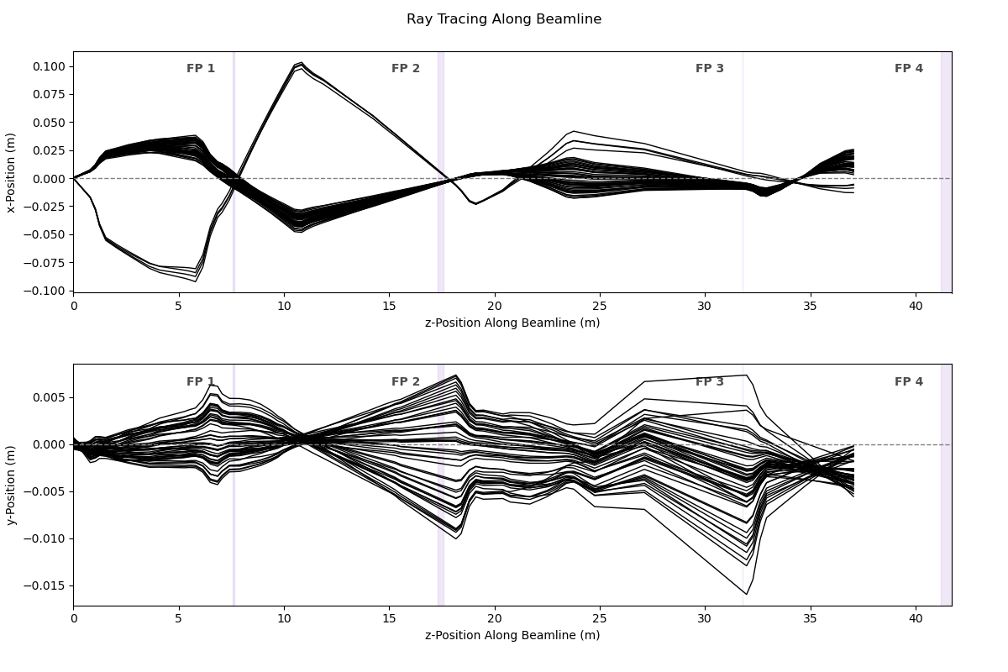
VD1836 X [mm] vs dE [%]
 | 20 mrad |  | 1 MM |  | ECAT 20 mrad Best overall |  | ECAT 1MM Best overall
0.16 | -10.23 | 0.02 | 1.33 | 0.16 | -10.53 | 0.02 | -10.77
2.04 | -24.90 | 1.91 | -17.5 | 2.04 | -26.44 | 1.91 | -26.83
-1.75 | 10.44 | -1.87 | 19.1 | -1.75 | 7.53 | -1.87 | 7.59
 |  | 0.02
VD1879 X [mm] vs dE [%]
VD1836 X [mm] vs dE [%]
 | 20 mrad |  | 1 MM |  | ECAT 20 mrad Best overall |  | ECAT 1MM Best overall
0.16 | -10.23 | 0.02 | 1.33 | 0.16 | -10.53 | 0.02 | -10.77
2.04 | -24.90 | 1.91 | -17.5 | 2.04 | -26.44 | 1.91 | -26.83
-1.75 | 10.44 | -1.87 | 19.1 | -1.75 | 7.53 | -1.87 | 7.59
 |  | 0.02
VD1879 X [mm] vs dE [%]
 |  |  |  |  |  |  | Viewer |  |  |  |  |  |  |  |  |  |  |  |  |  |  |  |  |  |  |  |  |  | ECAT Best overall |  |  |  |  |  |  |  |  |  |  |  |  |  |  |  |  |  |  | Group 15 and 16 using ECAT Beast overall: |  |  |  |  |  |  |  |  |  |  | ECAT Best overall | ECAT Best overall + Q14 + 2%
dX/dE |  |  |  |  |  |  | VD1836 | VD1879 |  |  |  |  |  |  |  |  |  |  |  |  |  |  |  |  |  |  |  |  | VD1836 | VD1879 |  |  |  | VD1836 |  |  |  |  |  |  |  |  |  |  |  |  |  |  |  |  |  |  |  |  |  |  |  |  | VD1879 | VD1879
 | Approx aperture position [mrad] | Collimator size | dE/E from mean after foil [%] | FP1 slits [mm] | dE |  | X_mean [mm] | X_mean [mm] |  |  |  |  |  |  |  |  |  |  |  |  |  |  |  |  |  |  |  |  | X_mean [mm] | X_mean [mm] |  |  |  | X_mean [mm] | X_mean [mm] | X_mean [mm] | X_mean [mm] |  |  |  |  |  |  |  |  |  |  |  |  |  |  |  |  |  |  |  |  |  | X_mean [mm] | X_mean [mm]
Group 5 | 0 | 20 mrad | 0 | +-7 | 0.16 |  | 1.59 | -1.35 | Diff. q14 and q15 than phen. Nominal
Group 7 | 0 | 20 mrad | -2 | +-7 | 0.16 |  | -10.23 | 4.17 |  |  |  |  |  |  |  |  |  |  |  |  |  |  |  |  |  |  |  |  | -10.53 | 26.49 | 1879 outside viewer |  |  | -10.66 | -10.51 | -10.20 | -10.85
Group 8 | 0 | 20 mrad | -2 | -21 to -7 | 2.04 |  | -24.90 | -7.92 |  |  |  |  |  |  |  |  |  |  |  |  |  |  |  |  |  |  |  |  | -26.44 | 36.54 | 1879 outside viewer |  |  | -26.79 | -26.41 | -26.21 | -26.64
Group 9 | 0 | 20 mrad | -2 | 7 to 21 | -1.75 |  | 10.44 | 11.52 | VD1879 seems cut |  |  |  |  |  |  |  |  |  |  |  |  |  |  |  |  |  |  |  | 7.53 | 8.40 |  |  |  | 7.75 | 7.42 | 7.89 | 7.17

Group 6 | 0 | 20 mrad | 0 | -50 |  |  | very wide, seems cut | very wide, seems cut

Group 2 | 0 | 1 MM | 0 | +-7 | 0.02 |  | 1.33 | -3.21 | Diff. q14 and q15 than phen. Nominal |  |  |  |  |  |  |  |  |  |  |  |  |  |  |  |  |  |  |  | -10.77 | 29.19 |  |  |  | -10.43 | -10.87 | -10.41 | -11.13 |  |  |  |  |  |  |  |  |  |  |  |  |  |  |  |  |  |  |  |  |  | 28.88 | 10.50
Group 3 | 0 | 1 MM | 0 | -21 to -7 | 1.91 |  | -17.5 | -12.2 | Diff. q14 and q15 than phen. Nominal |  |  |  |  |  |  |  |  |  |  |  |  |  |  |  |  |  |  |  | -26.83 | 39.72 |  |  |  | -26.35 | -26.86 | -26.58 | -27.08 |  |  |  |  |  |  |  |  |  |  |  |  |  |  |  |  |  |  |  |  |  | 39.75 | -11.35
Group 4 | 0 | 1 MM | 0 | 7 to 21 | -1.87 |  | 19.1 | 5.1 | Diff. q14 and q15 than phen. Nominal |  |  |  |  |  |  |  |  |  |  |  |  |  |  |  |  |  |  |  | 7.59 | 10.67 |  |  |  | 7.67 | 7.43 | 7.98 | 7.20 |  |  |  |  |  |  |  |  |  |  |  |  |  |  |  |  |  |  |  |  |  | 10.80 | 29.60
Group 10 | 0 | 1 MM | -2 | +-7 | 0.02 |  |  | -1.4 | Used grp 11 |  |  |  |  |  |  |  |  |  |  |  |  |  |  |  |  |  |  |  |  | 28.63

VD1836 X [mm] vs dalphaX [mrad]
VD1879 X [mm] vs dalphaX [mrad]
 | 1 MM | ECAT 1MM Best overall
0.33 | -1.40 | 28.63
8.74 | -2.60 | 2.80
-16.38
-8.10 | 12.11 | 47.38
VD1836 X [mm] vs dalphaX [mrad]
VD1879 X [mm] vs dalphaX [mrad]
 | 1 MM | ECAT FP2 + FP3 adapted | ECAT FP2 + FP3 adapted + Q14+2%
0.33 | -1.40 | 28.76 | 10.37
8.74 | -2.60 | 3.94 | -6.32
-16.38
-8.10 | 12.11 | 47.29 | 20.94
 |  |  |  |  |  |  | Viewer
dX/dalphaX |  |  |  |  |  |  | VD1836 | VD1879
 |  |  |  |  | dalphaX |  | X_mean [mm] | X_mean [mm]
Group 2 | 0 | 1 MM | 0 | +-7 | 0.02 |  | 1.33 | -3.21 | Diff. q14 and q15 than phen. Nominal
Group 10 | 0 | 1 MM | -2 | +-7 | 0.33 |  |  | -1.4 | Used grp 11 |  |  |  |  |  |  |  |  |  |  |  |  |  |  |  |  |  |  |  |  | 28.63 |  |  |  |  |  |  |  |  |  |  |  |  |  |  |  |  |  |  |  |  |  |  |  |  |  |  |  |  | 28.76 | 10.37
Group 13 | 7.5 | 1 MM | -2 | +-7 | 8.74 |  |  | -2.60 |  |  |  |  |  |  |  |  |  |  |  |  |  |  |  |  |  |  |  |  |  | 2.80 |  |  |  |  |  |  |  |  |  |  |  |  |  |  |  |  |  |  |  |  |  |  |  |  |  |  |  |  | 3.94 | -6.32
Group 14 | -15 | 1 MM | -2 | +-7 | -16.38
Group 15 | -7.5 | 1 MM | -2 | +-7 | -8.10 |  | -11.71 | 12.11 |  |  |  |  |  |  |  |  |  |  |  |  |  |  |  |  |  |  |  |  | -16.00 | 47.38 | 1879 outside viewer |  |  | -15.84 | -16.14 | -15.55 | -16.44 |  |  |  |  |  |  |  |  |  |  |  |  |  |  |  |  |  |  |  |  |  | 47.29 | 20.94
Group 16 | 20 | 1 MM | -2 | +-7 | 21.66 |  | -21.01 |  |  |  |  |  |  |  |  |  |  |  |  |  |  |  |  |  |  |  |  |  | -1.18 |  |  |  |  | -1.29 | -1.06 | -1.36 | -0.99 |  |  |  |  |  |  |  |  |  |  | Group 15 and 16 using ECAT nominal:
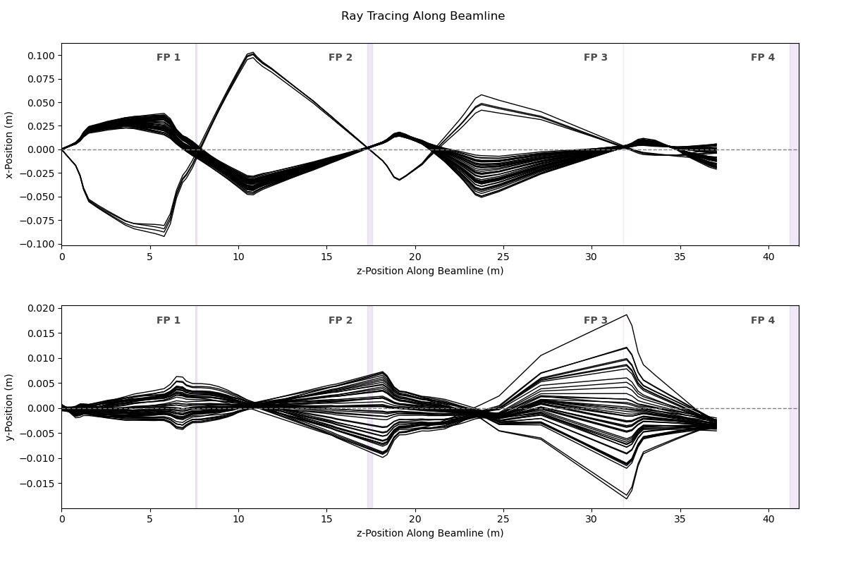
 |  |  |  |  |  |  |  |  |  |  |  |  |  |  |  |  |  |  |  |  |  |  |  |  |  |  |  |  |  |  |  |  |  | Q12 does not have a signiicant effect |  | Q13 does not have a signiicant effect
Group 5 | 0 | 20 mrad | 0 | +-7 |  |  | 1.59 | -1.35 | Diff. q14 and q15 than phen. Nominal
Group 7 | 0 | 20 mrad | -2 | +-7 |  |  | -10.23 | 4.17

 |  |  |  |  |  |  |  |  |  |  |  |  |  |  |  |  |  |  |  |  |  |  |  |  |  |  |  |  |  |  |  |  |  |  |  |  |  |  | Finish Q14
 |  |  |  |  |  |  |  |  |  |  |  |  |  |  |  |  |  |  |  |  |  |  |  |  |  |  |  |  |  |  |  |  |  |  |  |  |  |  | Check transmission

Optics
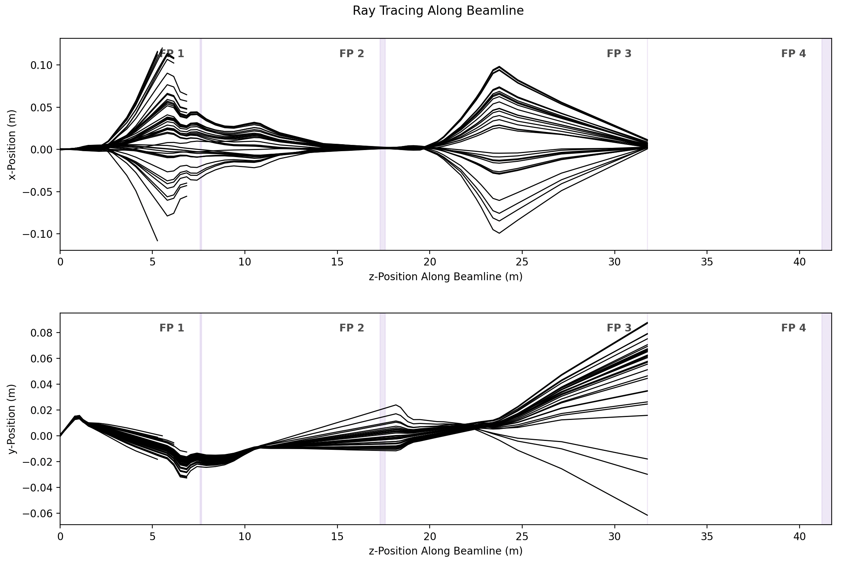
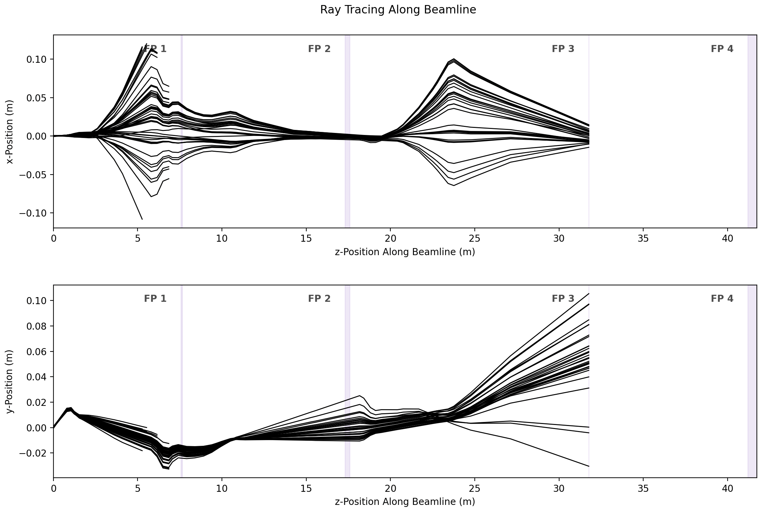
Nominal | Best overall: + FP2 opt. + Q11-0.67% + Q9+9.49% + WF2-0.077%

E3
 | FP2 slits |  | VD1638
Q6 [%] | mean [mm] | std [mm] | mean [mm] | std [mm]
-5.00% | -2.18 | 4.24 | -2.11 | 3.43
-4.80% | -2.16 | 4.08 | -2.08 | 3.27
-4.59% | -2.14 | 3.91 | -2.06 | 3.11
-4.39% | -2.12 | 3.75 | -2.04 | 2.94
-4.18% | -2.1 | 3.59 | -2.01 | 2.78
-3.98% | -2.07 | 3.43 | -1.99 | 2.62
-3.78% | -2.05 | 3.27 | -1.97 | 2.46
-3.57% | -2.03 | 3.11 | -1.95 | 2.3
-3.37% | -2.01 | 2.95 | -1.92 | 2.15
-3.16% | -1.99 | 2.79 | -1.9 | 2
-2.96% | -1.97 | 2.63 | -1.88 | 1.84
-2.76% | -1.94 | 2.48 | -1.86 | 1.7
-2.55% | -1.92 | 2.32 | -1.83 | 1.56
-2.35% | -1.9 | 2.16 | -1.81 | 1.42
-2.14% | -1.88 | 2.01 | -1.79 | 1.29
-1.94% | -1.86 | 1.85 | -1.77 | 1.18
-1.74% | -1.84 | 1.7 | -1.74 | 1.07
-1.53% | -1.82 | 1.55 | -1.72 | 0.99
-1.33% | -1.79 | 1.41 | -1.7 | 0.93
-1.12% | -1.77 | 1.27 | -1.68 | 0.9
-0.92% | -1.75 | 1.13 | -1.66 | 0.9
-0.71% | -1.73 | 1.01 | -1.63 | 0.94
-0.51% | -1.71 | 0.9 | -1.61 | 1 | Diff. | 1.22%
-0.31% | -1.69 | 0.8 | -1.59 | 1.08 | Used online 1.4%
-0.10% | -1.67 | 0.73 | -1.57 | 1.19
0.10% | -1.64 | 0.69 | -1.54 | 1.31
0.31% | -1.62 | 0.69 | -1.52 | 1.44
0.51% | -1.6 | 0.73 | -1.5 | 1.57 | Using main_new_MC2.py and MC2output_analysis.py:
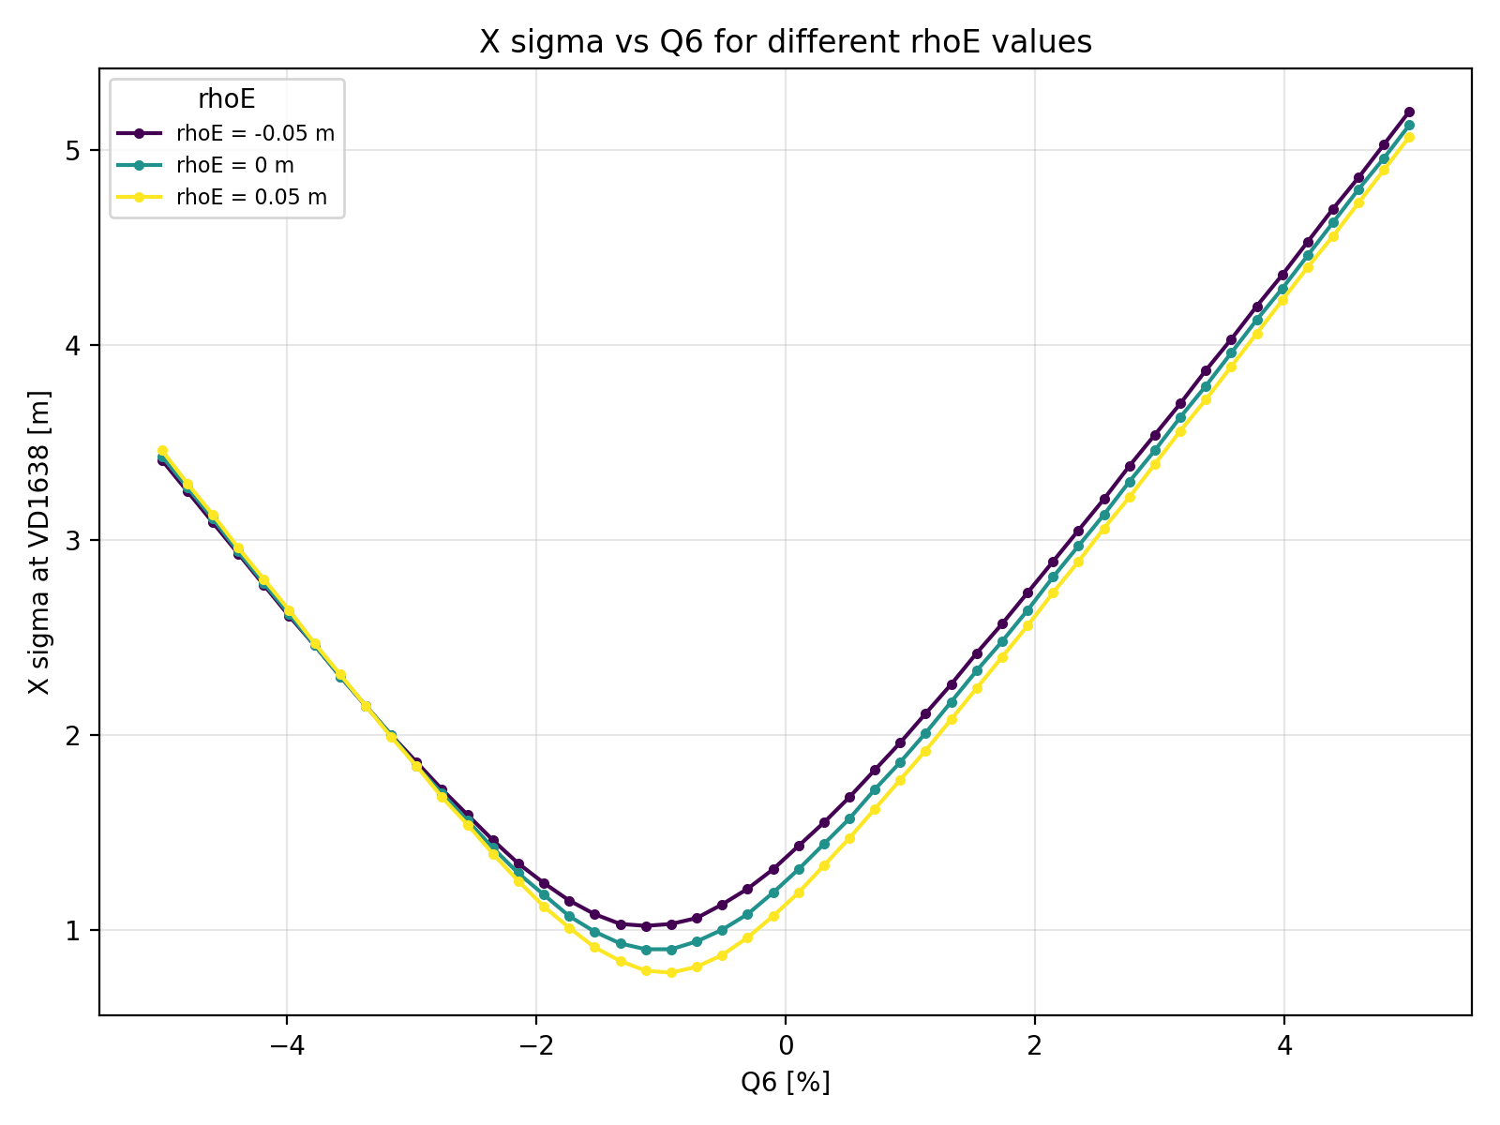
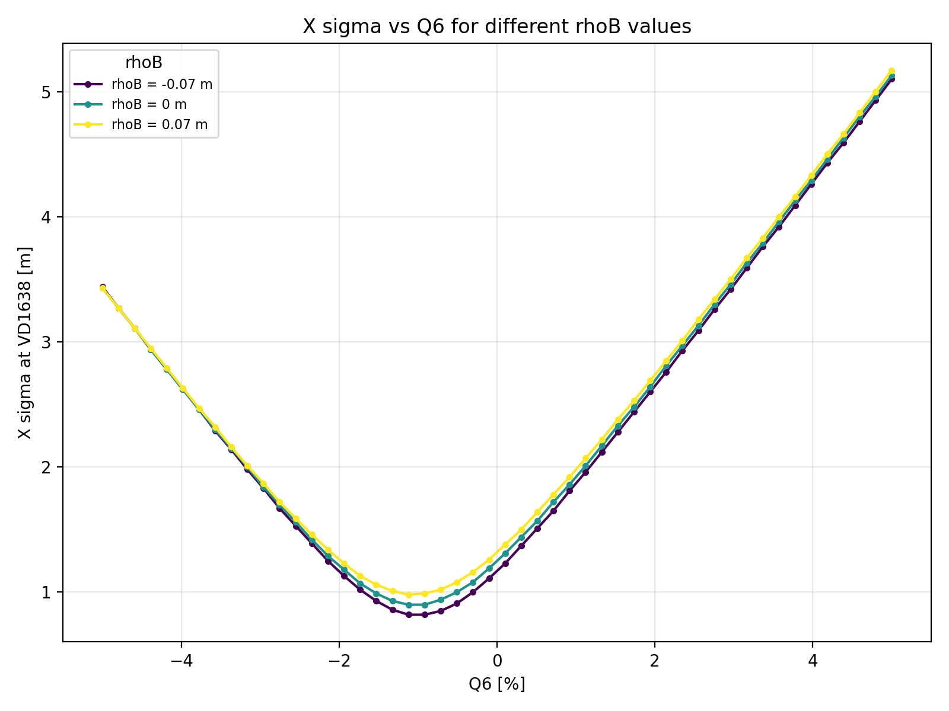
0.71% | -1.58 | 0.8 | -1.48 | 1.72
0.92% | -1.56 | 0.9 | -1.45 | 1.86
1.12% | -1.54 | 1.01 | -1.43 | 2.01
1.33% | -1.52 | 1.14 | -1.41 | 2.17
1.53% | -1.5 | 1.27 | -1.39 | 2.33
1.74% | -1.47 | 1.42 | -1.37 | 2.48
1.94% | -1.45 | 1.56 | -1.34 | 2.64
2.14% | -1.43 | 1.71 | -1.32 | 2.81
2.35% | -1.41 | 1.86 | -1.3 | 2.97
2.55% | -1.39 | 2.01 | -1.28 | 3.13
2.76% | -1.37 | 2.17 | -1.26 | 3.3
2.96% | -1.35 | 2.33 | -1.23 | 3.46
3.16% | -1.33 | 2.48 | -1.21 | 3.63
3.37% | -1.31 | 2.64 | -1.19 | 3.79
3.57% | -1.28 | 2.8 | -1.17 | 3.96
3.78% | -1.26 | 2.96 | -1.15 | 4.13
3.98% | -1.24 | 3.12 | -1.12 | 4.29
4.18% | -1.22 | 3.28 | -1.1 | 4.46
4.39% | -1.2 | 3.44 | -1.08 | 4.63
4.59% | -1.18 | 3.6 | -1.06 | 4.8
4.80% | -1.16 | 3.77 | -1.04 | 4.96
5.00% | -1.14 | 3.93 | -1.01 | 5.13

 |  |  |  |  |  |  | max change | 0.2% in optimum Q6 field for a ~1% change in rhoE |  | no change in optimum Q6 field for a ~+-1% change in rhoB
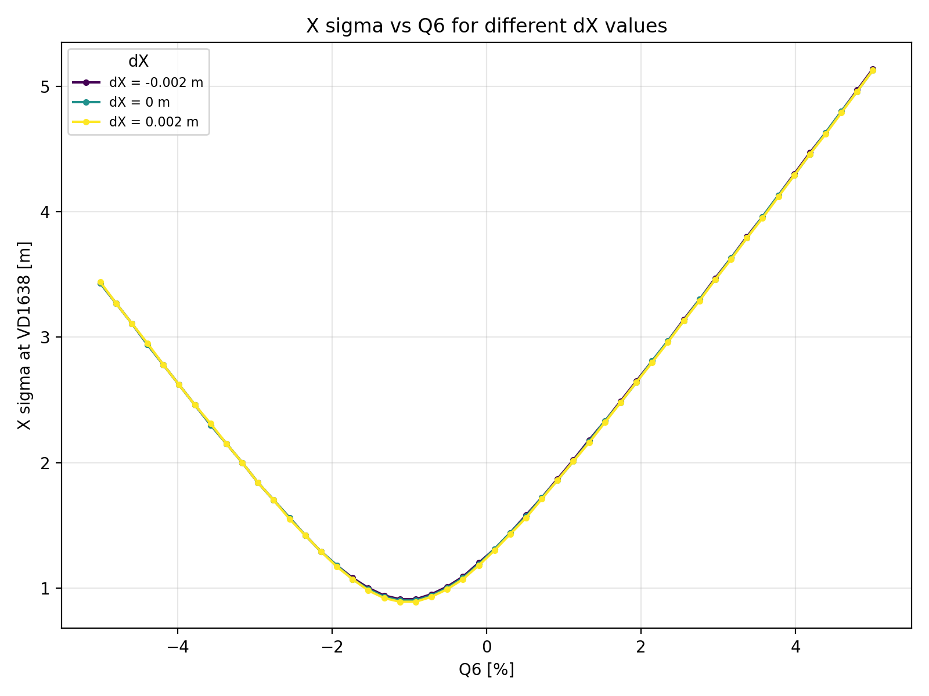
 |  |  |  |  |  |  |  |  |  | no change in optimum Q6 field for a ~+-3mrad change in roll angle
 |  |  |  |  |  |  |  |  |  | no change in optimum Q6 field for a ~+-3% change in rhoE and rhoB (in the same direction)

 |  |  |  |  |  |  |  |  | FP3 change?
 |  |  |  |  |  |  |  |  | Q9-Q11 changes, Q6 nominal. Does it matter?

 |  |  |  |  |  |  | no change in optimum Q6 field for a ~+-2mm change in dX

AgentResults
 | Approx aperture position [mrad] | Collimator size | dE/E from mean after foil [%] | FP1 slits [mm] | VD1515 X_mean [mm] | VD1542 X_mean [mm] | VD1638 X_mean [mm] | VD1688 X_mean [mm] | VD1783 X_mean [mm]
Group 2 | 0 | 1 MM | 0 | +-7 |  |  | -0.24 | -2.12 | -1.02
Group 3 | 0 | 1 MM | 0 | -21 to -7 |  |  | -1.23 | -21.01 | -3.02
Group 4 | 0 | 1 MM | 0 | 7 to 21 |  | 12.1 | 0.47 | 11.02 | 4.16
Group 5 | 0 | 20 mrad | 0 | +-7 | 2.62 | -1.36 | -0.57 | -5.46 | -0.62
Group 6 | 0 | 20 mrad | 0 | -50 |  |  | -0.33 | very wide | 0.49
Group 7 - 20 mrad (0 mrad Position) -2% dE/E - FP1 Slits: +-7 mm | 0 | 20 mrad | -2 | +-7 | -4.44 | -1.72 | 1.83 | -10.04 | 7.00
Group 8 - 20 mrad (0 mrad Position) -2% dE/E - FP1 Slits: -21 to -7 mm | 0 | 20 mrad | -2 | -21 to -7 | -2.17 | -11.97 | 0.70 | -20.51 | 0.74
Group 9 - 20 mrad (0 mrad Position) -2% dE/E - FP1 Slits: 7 to 21 mm | 0 | 20 mrad | -2 | 7 to 21 |  | 12.04 | 2.05 | 6.30 | 8.74
Group 10 - 1 MM (0 mrad Position) -2% dE/E - FP1 Slits: +-7 | 0 | 1 MM | -2 | +-7 | 8.87 | -2.56 | 0.25 |  | 3.38
Group 13 - 1 MM (+7.5 mrad Position) -2% dE/E - FP1 Slits: +-7 mm | 7.5 | 1 MM | -2 | +-7 |  |  | -0.49 |  |  |  |  | Simulations original |  |  | Simulations Agent
Group 14 - 1 MM (-15 mrad Position) -2% dE/E - FP1 Slits: +-7 mm | -15 | 1 MM | -2 | +-7 | -17.92 | 1.23 | 6.02 | 0.40 | 7.32
Group 15 - 1 MM (-7.2 mrad Position) -2% dE/E - FP1 Slits: +-7 mm | -7.5 | 1 MM | -2 | +-7 | -32.47 | -0.87 | 3.81 | -5.13 | 8.08
Group 16 - 1 MM (+20 mrad Position) -2% dE/E - FP1 Slits: +-7 mm | 20 | 1 MM | -2 | +-7 | 71.31 |  | -3.42 |  |  |  |  |  | TA_Y = surv + 0.1mm, Q6 - 2.7%, WF1 + 0.25% |  |  | TA_Y = surv + 0.1mm, Q6 - 2.7%, WF1 + 0.25%

X [mm] vs dE [%]
 | 20 mrad |  | 1 MM |  | Optimized |  | Nominal
0.16 | -0.57 | 1.91 | -1.23 | 0.16 | 1.76 | 0.16 | -1.60
0.16 | 1.83 | -1.87 | 0.47 | 0.16 | 1.76 | 0.16 | -1.60
2.04 | 0.70 | 0.02 | 0.25 | 2.04 | 0.92 | 2.04 | -0.98
-1.75 | 2.05 |  |  | -1.75 | 2.38 | -1.75 | -1.89
 |  |  |  | 1.91 | 1.16 | 1.91 | -1.30
 |  |  |  | -1.87 | 2.60 | -1.87 | -1.00
 |  |  |  | 0.02 | 1.92 | 0.02 | -1.72
Focal plane 2: 1638
dX/dE |  |  |  |  |  |  |  |  |  |  |  | Nominal |  |  | Nominal
 |  |  |  |  | dE |  | X_mean [mm] |  | Y_mean [mm] | Y_sigma [mm] |  | X_mean [mm] | X_mean [mm] |  | X_mean [mm] | X_mean [mm]
Group 5 | 0 | 20 mrad | 0 | +-7 | 0.16 |  | -0.57 | Not consistent |  |  |  | -1.60 | 1.76 |  | -1.54 | 1.952
Group 7 | 0 | 20 mrad | -2 | +-7 | 0.16 |  | 1.83 |  | -1.27 | 5.50 |  | -1.60 | 1.76 |  | -1.54 | 1.95
Group 8 | 0 | 20 mrad | -2 | -21 to -7 | 2.04 |  | 0.70 |  | -2.74 | 6.39 |  | -0.98 | 0.92 |  | -1.10 | 0.86
Group 9 | 0 | 20 mrad | -2 | 7 to 21 | -1.75 |  | 2.05 |  | -2.00 | 4.70 |  | -1.89 | 2.38 |  | -1.91 | 2.36

Group 6 | 0 | 20 mrad | 0 | -50 |  |  |  | look at spread

Group 3 | 0 | 1 MM | 0 | -21 to -7 | 1.91 |  | -1.23 |  |  |  |  | -1.30 | 1.16 |  | -1.00 | 1.18
Group 4 | 0 | 1 MM | 0 | 7 to 21 | -1.87 |  | 0.47 |  |  |  |  | -1.00 | 2.60 |  | -1.71 | 2.62
Group 10 | 0 | 1 MM | -2 | +-7 | 0.02 |  | 0.25 |  |  |  |  | -1.72 | 1.92 |  | -1.31 | 1.89
 |  |  |  |  |  | dX/dE | -0.384 |  |  |  | dX/dE | 0.078 | -0.385 | dX/dE | 0.198 | -0.389

X [mm] vs dalphaX [mrad]
dX/dalphaX
 |  |  |  |  | dalphaX |  | X_mean [mm] |  |  |  |  | X_mean [mm] | X_mean [mm] |  | X_mean [mm] | X_mean [mm]
Group 10 | 0 | 1 MM | -2 | +-7 | 0.33 |  | 0.25 |  |  |  |  | -1.30 | 1.92 |  | -1.31 | 1.89
Group 13 | 7.5 | 1 MM | -2 | +-7 | 8.74 |  | -0.49 |  |  |  |  | 0.25 | -0.42 |  | 0.27 | -0.44
Group 14 | -15 | 1 MM | -2 | +-7 | -16.38 |  | 6.02 |  |  |  |  | -5.25 | 4.95 |  | -5.27 | 4.97
Group 15 | -7.5 | 1 MM | -2 | +-7 | -8.10 |  | 3.81 |  |  |  |  | -3.33 | 3.69 |  | -3.34 | 3.65
Group 16 | 20 | 1 MM | -2 | +-7 | 21.66 |  | -3.42 |  |  |  |  | 2.63 | -3.72 |  | 2.62 | -3.74

Group 5 | 0 | 20 mrad | 0 | +-7 |  |  | -0.57 | look at spread
Group 7 | 0 | 20 mrad | -2 | +-7 |  |  | 1.83 | look at spread
 |  |  |  |  |  | dX/dalphaX | -0.247 |  |  |  | dX/dalphaX | 0.207 | -0.232 | dX/dalphaX | 0.207 | -0.233

 | Approx aperture position [mrad] | Collimator size | dE/E from mean after foil [%] | FP1 slits [mm] |  |  | VD1638 X_mean [mm] | VD1638 X_sigma [mm] | VD1638 Y_mean [mm] | VD1638 Y_sigma [mm]
Group 3 | 0 | 1 MM | 0 | -21 to -7 |  |  | -1.23
Group 4 | 0 | 1 MM | 0 | 7 to 21 |  |  | 0.47
Group 5 | 0 | 20 mrad | 0 | +-7 |  |  | -0.57
Group 6 | 0 | 20 mrad | 0 | -50 |  |  | -0.33
Group 7 - 20 mrad (0 mrad Position) -2% dE/E - FP1 Slits: +-7 mm | 0 | 20 mrad | -2 | +-7 |  |  | 1.83
Group 8 - 20 mrad (0 mrad Position) -2% dE/E - FP1 Slits: -21 to -7 mm | 0 | 20 mrad | -2 | -21 to -7 |  |  | 0.70
Group 9 - 20 mrad (0 mrad Position) -2% dE/E - FP1 Slits: 7 to 21 mm | 0 | 20 mrad | -2 | 7 to 21 |  |  | 2.05
Group 10 - 1 MM (0 mrad Position) -2% dE/E - FP1 Slits: +-7 | 0 | 1 MM | -2 | +-7 |  |  | 0.25 | Nan | -1.23 | 2.11
Group 13 - 1 MM (+7.5 mrad Position) -2% dE/E - FP1 Slits: +-7 mm | 7.5 | 1 MM | -2 | +-7 |  |  | -0.49 | 0.94 | -1.76 | 2.62
Group 14 - 1 MM (-15 mrad Position) -2% dE/E - FP1 Slits: +-7 mm | -15 | 1 MM | -2 | +-7 |  |  | 6.02 | Nan | -1.72 | 1.98
Group 15 - 1 MM (-7.2 mrad Position) -2% dE/E - FP1 Slits: +-7 mm | -7.5 | 1 MM | -2 | +-7 |  |  | 3.81 | 0.85 | -0.4 | 2.45
Group 16 - 1 MM (+20 mrad Position) -2% dE/E - FP1 Slits: +-7 mm | 20 | 1 MM | -2 | +-7 |  |  | -3.42
 |  |  |  |  |  |  | 1.23 |  | -1.28 | 2.29

Focal plane 3: 1783
dX/dE
 |  |  |  |  | dE |  |  |  | X_mean [mm]
Group 5 | 0 | 20 mrad | 0 | +-7 | 0.14 |  | These two not consistent |  | -0.72
Group 7 | 0 | 20 mrad | -2 | +-7 | 0.14 |  |  |  | 7.00
Group 8 | 0 | 20 mrad | -2 | -21 to -7 | 2.02 |  |  |  | 0.74
Group 9 | 0 | 20 mrad | -2 | 7 to 21 | -1.74 |  |  |  | 8.74

Group 6 | 0 | 20 mrad | 0 | -50 | 0.7 |  |  | look at spread | 2.04

Group 3 | 0 | 1 MM | 0 | -21 to -7 | 1.91 |  |  |  | -3.86
Group 4 | 0 | 1 MM | 0 | 7 to 21 | -1.87 |  |  |  | 4.4
Group 10 | 0 | 1 MM | -2 | +-7 | 0.02 |  |  |  | 3.38
 |  |  |  |  |  |  |  | Slope | -2.10

dX/dalphaX
 |  |  |  |  | dalphaX |  |  |  | X_mean [mm]
Group 10 | 0 | 1 MM | -2 | +-7 | 0.33 |  |  |  | 3.38
Group 14 | -15 | 1 MM | -2 | +-7 | -16.36 |  |  |  | 7.32
Group 15 | -7.5 | 1 MM | -2 | +-7 | -8.18 |  |  |  | 8.08

Group 5 | 0 | 20 mrad | 0 | +-7 | 0.18 | 8.7 | These two not consistent. Look at spread |  | -0.72
Group 7 | 0 | 20 mrad | -2 | +-7 | 0.18 | 8.7 |  |  | 7.00
 |  |  |  |  |  |  |  | Slope | -0.24

 |  |  |  |  |  |  |  |  | 6.26

dX/dE
 |  |  |  |  |  |  |  |  | VD1783 | VD1688
 |  |  |  |  | dE |  |  |  | X_mean [mm] | X_mean [mm]
Group 5 | 0 | 20 mrad | 0 | +-7 | 0.14 |  | These two not consistent |  | -0.72 | -5.46
Group 7 | 0 | 20 mrad | -2 | +-7 | 0.14 |  |  |  | 7.00 | -10.52
Group 8 | 0 | 20 mrad | -2 | -21 to -7 | 2.02 |  |  |  | 0.74 | -21.19
Group 9 | 0 | 20 mrad | -2 | 7 to 21 | -1.74 |  |  |  | 8.74 | 6.74

Group 6 | 0 | 20 mrad | 0 | -50 | 0.7 |  |  | look at spread | 2.04

Group 3 | 0 | 1 MM | 0 | -21 to -7 | 1.91 |  |  |  | -3.86 | -21.01
Group 4 | 0 | 1 MM | 0 | 7 to 21 | -1.87 |  |  |  | 4.4 | 11.02
Group 10 | 0 | 1 MM | -2 | +-7 | 0.02 |  |  |  | 3.38

dX/dalphaX
 |  |  |  |  | dalphaX |  |  |  | X_mean [mm]
Group 10 | 0 | 1 MM | -2 | +-7 | 0.33 |  |  |  | 3.38
Group 14 | -15 | 1 MM | -2 | +-7 | -16.36 |  |  |  | 7.32 | 0.40
Group 15 | -7.5 | 1 MM | -2 | +-7 | -8.18 |  |  |  | 8.08 | -5.04

Group 5 | 0 | 20 mrad | 0 | +-7 | 0.18 | 8.7 | These two not consistent. Look at spread |  | -0.72 | -5.46
Group 7 | 0 | 20 mrad | -2 | +-7 | 0.18 | 8.7 |  |  | 7.00 | -10.52

Investigating Y- behavior |  |  |  | Viewer |  | ECAT |  | ECAT
 |  |  |  | X_mean [mm] | Y_mean [mm] | X_mean [mm] | Y_mean [mm] | X_mean [mm] | Y_mean [mm]
Group 18 +Y hole | Best overall: + FP2 opt. + Q11-0.67% + Q9+9.49% + WF2-0.077% |  |  | 5 | -20 | 4.34 | 52.15 | 3.90 | -27.11
 | Best overall + Q8+5% |  |  |  |  | 4.13 | 48.74 | 3.65 | -23.56
 | Best overall + Q10+5% |  |  |  |  | 4.07 | 51.44 | 3.61 | -26.64
 | Best overall + Q7+5% |  |  |  |  | 4.35 | 52.37 | 3.47 | -27.02
 | Best overall + Q8+15% |  |  |  |  | 3.66 | 41.97
 | Best overall + Q10+7% |  |  |  |  | Wrong aperture |  | 3.49 | -26.46
 | Best overall + Q8+7% |  |  |  |  |  |  | 3.54 | -22.15 | Best?

Focal plane 4: 1836 and 1879

 |  |  |  |  |  |  | Viewer
dX/dE |  |  |  |  |  |  | VD1836 | VD1879
 | Approx aperture position [mrad] | Collimator size | dE/E from mean after foil [%] | FP1 slits [mm] | dE |  | X_mean [mm] | X_mean [mm]
Group 5 | 0 | 20 mrad | 0 | +-7 | 0.16 |  | 1.59 | -1.35 | Diff. q14 and q15 than phen. Nominal
Group 7 | 0 | 20 mrad | -2 | +-7 | 0.16 |  | -10.23 | 4.17
Group 8 | 0 | 20 mrad | -2 | -21 to -7 | 2.04 |  | -24.90 | -7.92
Group 9 | 0 | 20 mrad | -2 | 7 to 21 | -1.75 |  | 10.44 | 11.52 | VD1879 seems cut

Group 6 | 0 | 20 mrad | 0 | -50 |  |  | very wide, seems cut | very wide, seems cut

Group 2 | 0 | 1 MM | 0 | +-7 | 0.02 |  | 1.33 | -3.21 | Diff. q14 and q15 than phen. Nominal
Group 3 | 0 | 1 MM | 0 | -21 to -7 | 1.91 |  | -17.5 | -12.2 | Diff. q14 and q15 than phen. Nominal
Group 4 | 0 | 1 MM | 0 | 7 to 21 | -1.87 |  | 19.1 | 5.1 | Diff. q14 and q15 than phen. Nominal
Group 10 | 0 | 1 MM | -2 | +-7 | 0.02 |  |  | -1.4 | Used grp 11

 |  |  |  |  |  |  | Viewer
dX/dalphaX |  |  |  |  |  |  | VD1836 | VD1879
 |  |  |  |  | dalphaX |  | X_mean [mm] | X_mean [mm]
Group 2 | 0 | 1 MM | 0 | +-7 | 0.02 |  | 1.33 | -3.21 | Diff. q14 and q15 than phen. Nominal
Group 10 | 0 | 1 MM | -2 | +-7 | 0.33 |  |  | -1.4 | Used grp 11
Group 13 | 7.5 | 1 MM | -2 | +-7 | 8.74 |  |  | -2.60
Group 14 | -15 | 1 MM | -2 | +-7 | -16.38
Group 15 | -7.5 | 1 MM | -2 | +-7 | -8.10 |  | -11.71 | 12.11
Group 16 | 20 | 1 MM | -2 | +-7 | 21.66 |  | -21.01

Group 5 | 0 | 20 mrad | 0 | +-7 |  |  | 1.59 | -1.35 | Diff. q14 and q15 than phen. Nominal
Group 7 | 0 | 20 mrad | -2 | +-7 |  |  | -10.23 | 4.17

