Java
 |  |  |  | not assessed
 |  | Mandatory sections marked with this colour must be assessed. If a candidate has no experience, select "Insufficient" against any question. All other sections should be assessed if candidate claims he has experience. Feel free to use Custom Question to ask your onw questions - and specify what question was asked. | 1 | insufficient | Candidate is ignorant about the subject, knows little but its name , can't recall any details or has some misbeliefs about it
 |  |  | 2 | junior | Candidate has basic idea about the subject, able to use it in some simple scenario, lacks details about some obvious (regular) scenario
 |  |  | 3 | regular | Candidate has knowledge sufficient to use the subject in most everyday scenario, may lack details about some advanced usage scenario, but no misbeliefs
 |  |  | 4 | senior | Candidate has knowledge sufficient to use the subject in all advanced scenario discussed
 |  |  | 5 | expert | Candidate has comprehensive knowledge on the subject, can teach the subject or act as an expert on it
 |  |  |  | not assessed
 |  | 1. Coding task (just discuss possible solutions) | Seniority | Comments (if answered partially)
M | All | Coding task (if over phone, discuss only possible solution) | not assessed
M |  | Complexity of solved coding task | not assessed
M |  | Coding task optimization | not assessed
 |  | Custom question | not assessed
 |  |  | not assessed
 |  | 2. CS basics, Algorithms & Data structures
 | Junior | Data structures e.g. Stack vs queue | not assessed |  |  |  | Stacks A stack is a linear data structure that follows the Last In, First Out (LIFO) principle. This means that the last element added to the stack is the first one to be removed. It can be visualized as a pile of plates where you can only add or remove the top plate. A queue is a linear data structure that follows the First In, First Out (FIFO) principle. This means that the first element added to the queue is the first one to be removed. It can be visualized as a line of people waiting for a service, where the first person in line is the first to be served.
 |  | Boolean operations, short circuits in Boolean operations | not assessed |  | 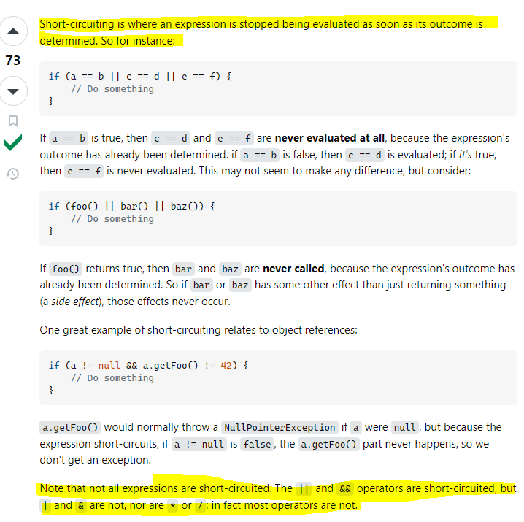 |  |  |  |  |  | 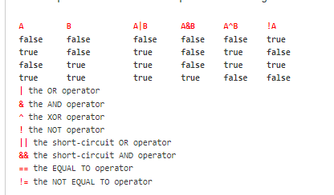
M |  | Complexity of algorithms, big O notation (can be discussed during coding task) | not assessed
At least one is mandatory |  | Trees, graphs and ways to traverse graph | not assessed |  |  | 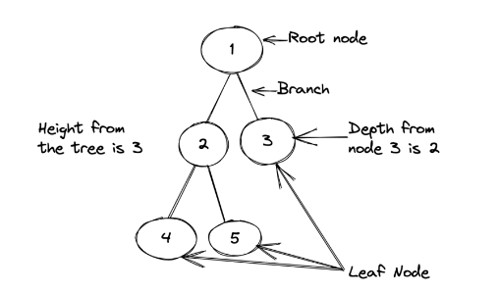 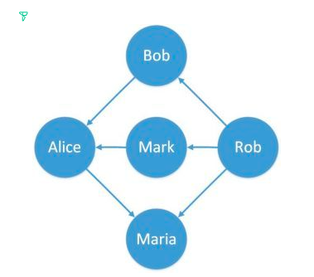 The tree data structure is a type of graph. A tree has a root node (top node) that will have a relationship with its child nodes. The path that connects the root node to the child nodes is called a branch. The leaf node is the node that doesn’t have any children and is not the root node. In algorithms, you will see a lot of the nomenclature height. Height in trees is the number of nodes from the highest branch to the root node. Another keyword is the depth of a tree which means the count of nodes from a specific node to the root node. A graph is a data structure for storing connected data such as a network of people on a social media platform. There are two possible ways to traverse a graph: depth-first traversal and breadth-first traversal. A depth-first traversal starts at an arbitrary root vertex and explores vertices as deep as possible along each branch before exploring vertices at the same level. breadth-first traversal starts at an arbitrary root vertex and explores all neighboring vertices at the same level before going deeper in the graph.
 |  | Sorting algorithms | not assessed |  |  | 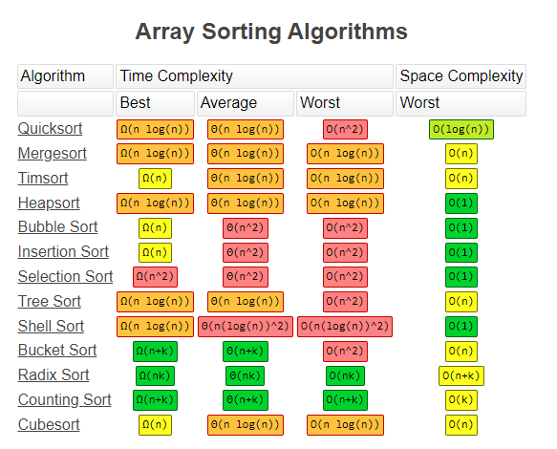 Bubble Sort is the simplest sorting algorithm that works by repeatedly swapping the adjacent elements if they are in the wrong order. This algorithm is not suitable for large data sets as its average and worst-case time complexity are quite high. The Merge Sort algorithm is a divide-and-conquer algorithm that sorts an array by first breaking it down into smaller arrays, and then building the array back together the correct way so that it is sorted. QuickSort is a sorting algorithm based on the Divide and Conquer that picks an element as a pivot and partitions the given array around the picked pivot by placing the pivot in its correct position in the sorted array.
 | Regular | Recursion, tail recursion, mutual recursion | not assessed |  |  | Recursion is the process where a function self-calls itself to find the result. The base condition acts as the breakpoint to the self-calling process. Tail Recursion A recursive function is a tail recursive when a recursive call is the last thing executed by the function. Mutual Recursion This happens where one method, say method A, calls another method B, which then calls method A. This involves two or more methods that eventually create a circular call sequence. Direct and indirect recursion A function fun is called direct recursive if it calls the same function fun. A function fun is called indirect recursive if it calls another function say fun_new and fun_new calls fun directly or indirectly.
 |  | Binary tree / Self balanced trees (Red-black tree, AVL, Splay) | not assessed |  |  | Binary Tree A tree in which each node (parent) has at most two-child nodes (left and right) is called binary tree. The top most node is called the root node. In a binary tree a node contains the data and the pointer (address) of the left and right child node. mainly used for sorting and searching because they store data in hierarchical form. A red-black tree is a self-balancing binary search tree, that is, a binary search tree that automatically maintains some balance. Each node is assigned a color (red or black). A set of rules specifies how these colors must be arranged (e.g., a red node may not have red children) AVL tree is another self-balancing BST(Binary Search Tree) in Java. In the AVL tree, the difference between heights of the right and left subtree doesn't exceed one for all nodes. It takes O(h) time to perform the search, max, min, insert, and delete BST operations. A splay tree is a self-balancing tree, but AVL and Red-Black trees are also self-balancing trees then. What makes the splay tree unique two trees. It has one extra property that makes it unique is splaying. A splay tree contains the same operations as a Binary search tree, i.e., Insertion, deletion and searching, but it also contains one more operation, i.e., splaying. So. all the operations in the splay tree are followed by splaying.All normal operations on a binary search tree are combined with one basic operation, called splaying. Splaying the tree for a certain element rearranges the tree so that the element is placed at the root of the tree.
 |  | Search in binary tree | not assessed |  |  | 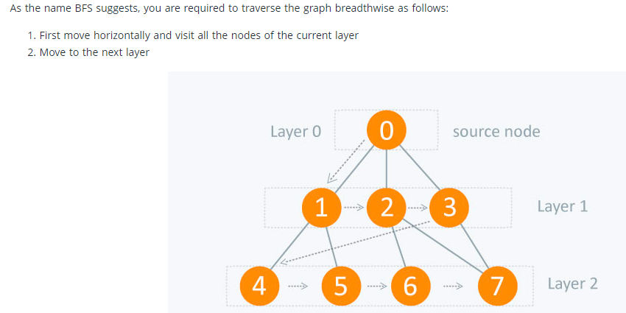 Depth-first search is a type of traversal that goes deep as much as possible in every child before exploring the next sibling. There are several ways to perform a depth-first search: in-order, pre-order and post-order. The in-order traversal consists of first visiting the left sub-tree, then the root node, and finally the right sub-tree. Pre-order traversal visits first the root node, then the left sub-tree, and finally the right sub-tree. Post-order traversal visits the left sub-tree, the right subt-ree, and the root node at the end Breadth-First Search This kind of traversal is also called level-order, and visits all the levels of the tree starting from the root, and from left to right.
 |  | Linear-time sorting. (count sort) | not assessed |  | 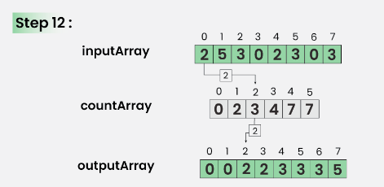 | Linear time sorting is a subset of sorting algorithms with a significant advantage: they can sort a given set of elements in linear time, the runtime increases linearly with the input size. The best-known linear time sorting algorithm is descending sort. Computational sorting is particularly efficient when the range of input elements is known and relatively small. This eliminates the need to compare elements, the main time-consuming operation in many other sorting algorithms. |  |  |  | 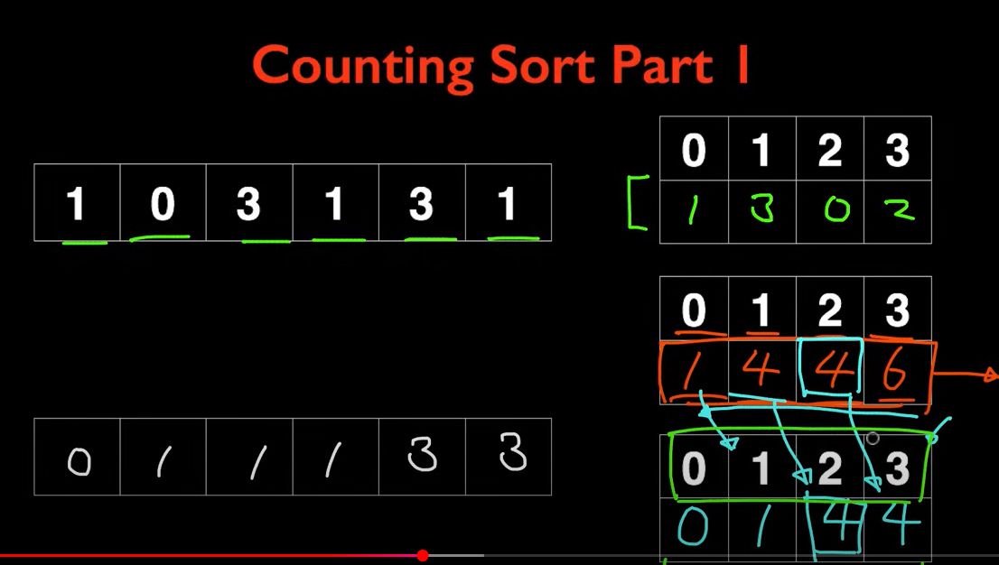 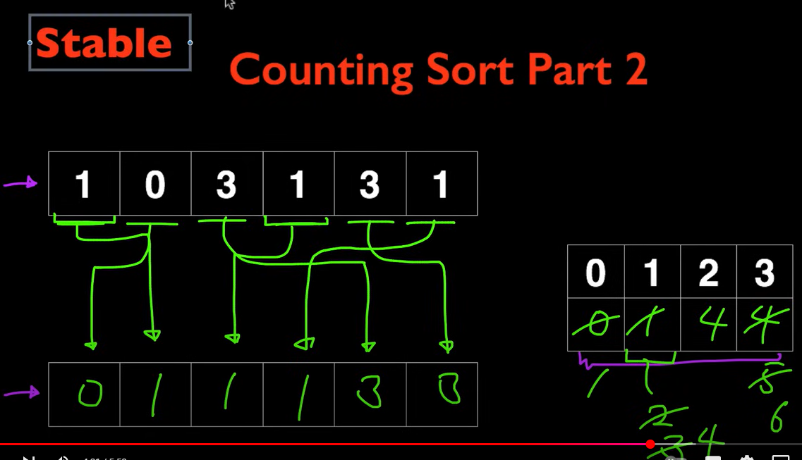 |  |  |  | 1 find max num 2 create array with max size 3 fill occurrences of each num in origina array 4 sum occurrences: index 0 equal 1 then 1. index 1 equal 3 plus index 0 equal 1 sum is equal 4, index 2 equal 0 plus index 1 sum equal 4, index 3 equal 2 plus index2 sum equal 6 5 for each element in the original array look in count array for its next position: 1 starts in position 1, then it is added in the output array in index 1, count array index 1 plus1 so it is now 2 0, starts in index 0 according with count array, so added in index 0 of output array, count array index 0 value is now 1. 3 starts in index4 according to count array, add 3 at index 4 in output array, index 3of count array is now equal 5 1 starts now in index 2, so a 1 is added at index 2 in output array, index 1 is now equal to 3 in count array 3 starts now at index 5, in output array index 5 we add a 3, index 3 is now equal to 6 in count array 1 is now equal to 3 in count array, we go to index 3 in output array and add a 1, 1 is now equal to 4 in count array
 |  | Sorting of linked list. | not assessed |  |  |  | For linked lists, Merge Sort is often the best choice because: Merge Sort guarantees a time complexity of O(nlogn) in the average, best, and worst cases. Merge Sort is Stable Merge Sort naturally fits well with Linked List because it traverses items in sequential manner (no random access) When we compare linked list implementation with the array implementation we can notice that the linked list implementation does not require extra space to merge because linked list allows insertion and deletion in the middle in O(1) time.
 | Senior | Prefix and suffix trees | not assessed |  |  |  | 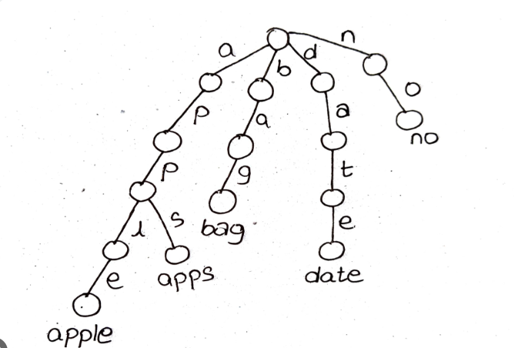 prefix tree or trie. is an ordered tree structure, which takes advantage of the keys that it stores – usually strings. In a trie, every node (except the root node) stores one character or a digit. By traversing the trie down from the root node to a particular node n, a common prefix of characters or digits can be formed which is shared by other branches of the trie as well. |  |  |  |  |  |  |  |  | 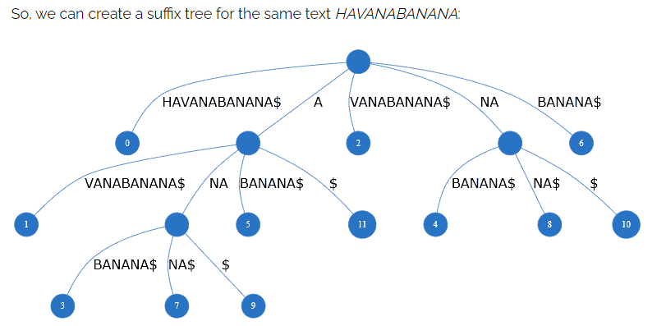 A suffix tree is simply a compressed suffix trie. What this means is that, by joining the edges, we can store a group of characters and thereby reduce the storage space significantly. A suffix tree also stores the position of the suffix in the leaf node. For example, BANANA$ is a suffix starting from the seventh position. Hence, its value will be six using zero-based numbering. Likewise, A->BANANA$ is another suffix starting at position five,
 |  | Describe heap | not assessed |  |  | Heap space is used for the dynamic memory allocation of Java objects and JRE classes at runtime. New objects are always created in heap space, and the references to these objects are stored in stack memory. These objects have global access and we can access them from anywhere in the application. Unlike stack, a heap isn’t threadsafe and needs to be guarded by properly synchronizing the code. If heap space is full, Java throws java.lang.OutOfMemoryError. Heap memory is used by all the parts of the application whereas stack memory is used only by one thread of execution. Whenever an object is created, it’s always stored in the Heap space and stack memory contains the reference to it. Stack memory only contains local primitive variables and reference variables to objects in heap space. Stack memory is short-lived whereas heap memory lives from the start till the end of application execution. When stack memory is full, Java runtime throws java.lang.StackOverFlowError whereas if heap memory is full, it throws java.lang.OutOfMemoryError: Java Heap Space error.
 |  | Greedy Algorithm | not assessed |  |  |  | Greedy algorithms are a class of algorithms that make locally optimal choices at each step with the hope of finding a global optimum solution. In these algorithms, decisions are made based on the information available at the current moment without considering the consequences of these decisions in the future. The key idea is to select the best possible choice at each step, leading to a solution that may not always be the most optimal but is often good enough for many problems.It operates on the principle of “taking the best option now” without considering the long-term consequences.
 |  | NP-complete algorithms | not assessed |  |  |  | NP stands for Non-deterministic Polynomial time. This means that the problem can be solved in Polynomial time using a Non-deterministic Turing machine (like a regular Turing machine but also including a non-deterministic "choice" function). Basically, a solution has to be testable in poly time. If that's the case, and a known NP problem can be solved using the given problem with modified input (an NP problem can be reduced to the given problem) then the problem is NP complete.
 |  | Map/reduce and divide and conquer approach in solving tasks | not assessed |  |  |  | MapReduce is a programming model used for efficient processing in parallel over large data-sets in a distributed manner. The data is first split and then combined to produce the final result. |  |  |  | A divide-and-conquer algorithm recursively breaks down a problem into two or more sub-problems of the same or related type, until these become simple enough to be solved directly. The solutions to the sub-problems are then combined to give a solution to the original problem.
 |  | Dynamic programming | not assessed |  |  |  | Dynamic Programming is a method used in mathematics and computer science to solve complex problems by breaking them down into simpler subproblems. By solving each subproblem only once and storing the results, it avoids redundant computations, leading to more efficient solutions for a wide range of problems. How Does Dynamic Programming (DP) Work? Identify Subproblems: Divide the main problem into smaller, independent subproblems. Store Solutions: Solve each subproblem and store the solution in a table or array. Build Up Solutions: Use the stored solutions to build up the solution to the main problem. Avoid Redundancy: By storing solutions, DP ensures that each subproblem is solved only once, reducing computation time. ivide and conquer is a strategy for separating a problem into smaller sections and addressing each one separately. In contrast, dynamic programming is a strategy for solving larger issues by breaking them down into smaller pieces.
 |  | How would you fix a cyclic dependency | not assessed |  |  |  | Cyclic dependencies occur when two or more components depend on each other directly or indirectly. Cyclic dependencies introduce several main drawbacks: Tight Coupling: Components become tightly coupled, making it difficult to change or reuse them independently. Unintended Side Effects: Changes in one component can have unexpected and difficult-to-debug side effects on other components within the cycle. By applying the Dependency Inversion Principle (DIP), you can break circular dependencies. For example, we can fix the circular dependency in our example above by introducing a new module that serves as a stable interface both the app module and module2 can depend on.
 |  | What is the difference between static and dynamic typing? Duck typing? | not assessed |  |  | 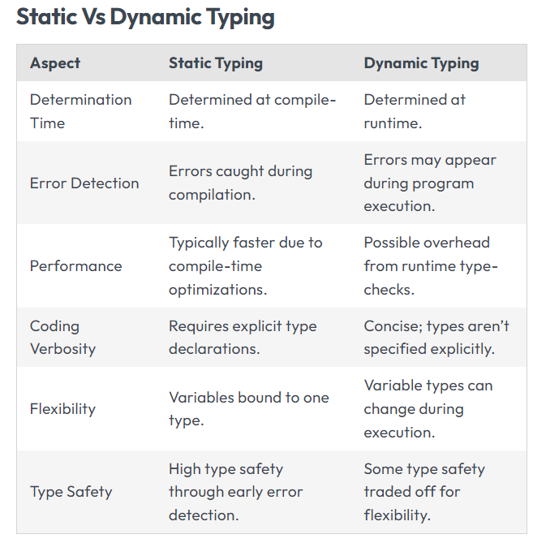 | Static Typing Static typing is a typing system where variables are bound to a data type during compilation. Once a variable is assigned a data type it remains unchanged throughout the programs execution. This binding promotes type safety and detects errors at an early stage. One of the advantages of typing is ensuring type safety which reduces the chances of runtime errors caused by mismatches in data types. ex, java, c++ Dynamic Typing In contrast, dynamic typing allows variables to be bound to data types at runtime instead of during compilation. This flexibility enables concise code and ease of use. It compromises on type safety as a trade-off. ex: js Duck typing In computer programming, duck typing is an application of the duck test—"If it walks like a duck and it quacks like a duck, then it must be a duck"—to determine whether an object can be used for a particular purpose. With duck typing, an object is of a given type if it has all methods and properties required by that type
 | All | Custom question | not assessed
 |  |  | not assessed
 |  | 3. Collections
At least one is mandatory | Regular | General collection interfaces (Collection, Set, Map, List, Queue, SortedSet, SortedMap) | not assessed |  |  | 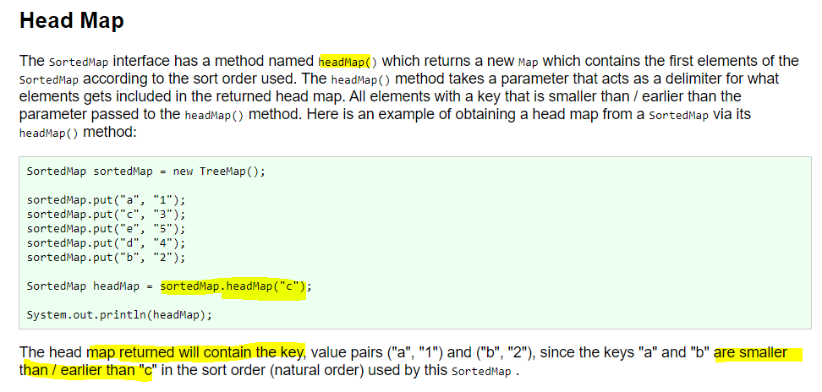 Queue: The queue is an abstract data type or linear data structure from which elements can be inserted at the rear(back) of the queue and elements can be deleted from the front(head) of the queue. Deque: The double-ended queue is an abstract data type that generalizes a queue from which elements can be inserted or deleted either from both front(head) or rear(tail) ends. SortedSet: A Set that further provides a total ordering on its elements. The elements are ordered using their natural ordering, or by a Comparator typically provided at sorted set creation time. The set's iterator will traverse the set in ascending element order. Several additional operations are provided to take advantage of the ordering. This means that when you iterate the elements of a SortedSet the elements are iterated in the sorted order. SortedMap: The Java SortedMap interface, java.util.SortedMap, is a subtype of the java.util.Map interface, with the addition that the elements stored in a Java SortedMap map are sorted internally. This means you can iterate the elements stored in a SortedMap in the sort order. SortedMap sortedMap = new TreeMap(); Comparator comparator = new MyComparatorImpl(); SortedMap sortedMap = new TreeMap(comparator); the keys of a SortedMap are sorted iterate the keys in descending order rather than ascending order, use the sortedMap.descendingKeySet().iterator() |  |  |  |  |  | 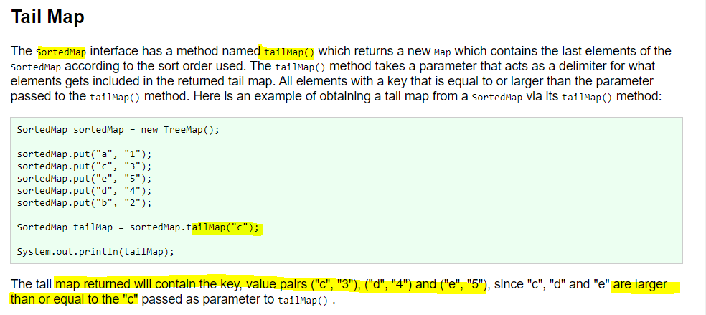 |  |  |  |  | 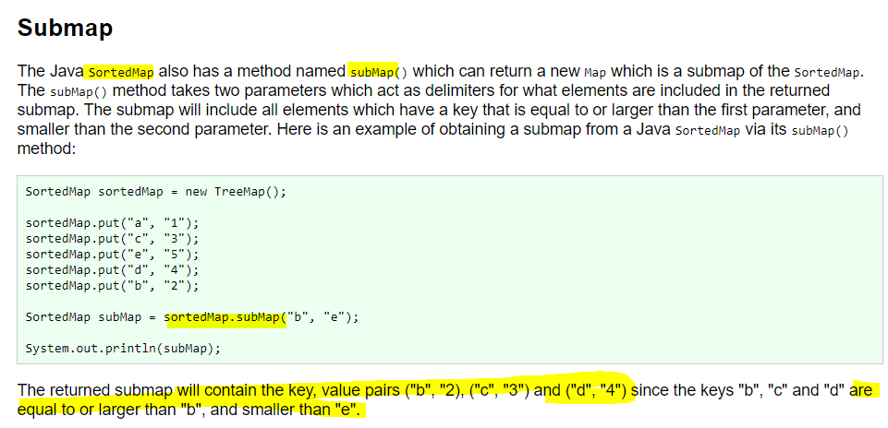
 |  | Interfaces extending Collection. Is Map part of Collection interface | not assessed |  |  |  | 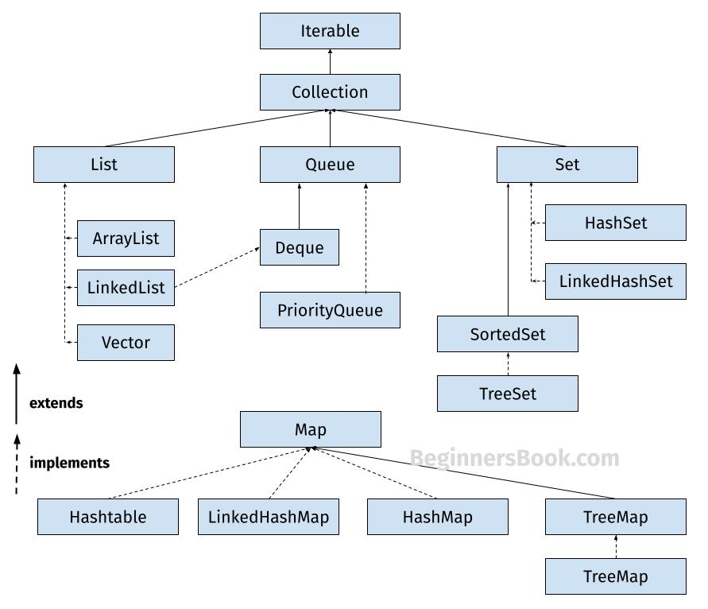
 |  | Difference between ArrayList and LinkedList | not assessed |  |  |  | ArrayList nternally, ArrayList is using an array to implement the List interface. As arrays are fixed size in Java, ArrayList creates an array with some initial capacity. Along the way, if we need to store more items than that default capacity, it will replace that array with a new and more spacious one. Accessing items by their indices is where the ArrayList really shines. To retrieve an item at index i, we just have to return the item residing at the ith index from the backing array. Consequently, the time complexity for access by index operation is always O(1). , it’s actually a sensible choice when the number of reads is far more than the number of writes. LinkedList uses a collection of linked nodes to store and retrieve elements. the time complexity for the add operation is always O(1). LinkedList, as opposed to ArrayList, does not support fast random access. So, in order to find an element by index, we should traverse some portion of the list manually. LinkedLists are more suitable when the addition rate is much higher than the read rate. Also, it can be used in read-heavy scenarios when most of the time we want the first or last element. It’s worth mentioning that LinkedList also implements the Deque interface – supporting efficient access to both ends of the collection.
 |  | Difference between Stack and Queue | not assessed |  |  |  | Stacks A stack is a linear data structure that follows the Last In, First Out (LIFO) principle. This means that the last element added to the stack is the first one to be removed. It can be visualized as a pile of plates where you can only add or remove the top plate. A queue is a linear data structure that follows the First In, First Out (FIFO) principle. This means that the first element added to the queue is the first one to be removed. It can be visualized as a line of people waiting for a service, where the first person in line is the first to be served.
 |  | TreeSet vs TreeMap | not assessed
 | Senior | Internal structure of HashMap/Hashtable | not assessed |  |  | A hash table uses a hash function to compute an index, also called a hash code, into an array of buckets or slots, from which the desired value can be found. During lookup, the supplied key is hashed, and the resulting hash indicates where the corresponding value is stored in the Hash table hashCode() method is used to get the hash code of an object. hashCode() method of the object class returns the memory reference of an object in integer form. HashMap uses equals() to compare the key to whether they are equal or not. If the equals() method return true, they are equal otherwise not equal. Buckets: A bucket is an element of the HashMap array. It is used to store nodes. Hash Collision This is the case when the calculated index value is the same for two or more Keys. The better the hashing algorithm that we use to compute hash codes, the better the performance of hash tables.
 |  | Requirements for implementation of hashCode to achieve best performance | not assessed |  |  | Equal objects should have the same hash code. Whenever it is invoked on the same object more than once during an execution of a Java application, the hashCode method must consistently return the same integer It is not required that if two objects are unequal according to the equals(Object) method, then calling the hashCode method on each of the two objects must produce distinct integer results. However, the programmer should be aware that producing distinct integer results for unequal objects may improve the performance of hash tables.
 |  | Definition and ways of resolving collisions in hash tables | not assessed |  |  | a hash code collision in a HashMap, is a situation where two or more key objects produce the same final hash value and hence point to the same bucket location. This scenario can occur because according to the equals and hashCode contract, two unequal objects in Java can have the same hash code. It can also happen because of the finite size of the underlying array, that is, before resizing. The smaller this array, the higher the chances of collision. Keep in mind that it’s the hash value of the key that determines the bucket the object will be stored in. And so, if the hash codes of any two keys collide, their entries will still be stored in the same bucket. And by default, the implementation uses a linked list as the bucket implementation. resolution techniques: 1) Separate Chaining Separate chaining is a technique that uses linked lists to store elements with the same hash value. In case of a collision, the new element is simply added to the end of the linked list at the corresponding index. 2) Open Addressing Open addressing is another collision resolution technique where all elements are stored in the same table. In case of a collision, a new index is calculated using a probing sequence until an empty slot is found. Some common techniques for open addressing include linear probing, quadratic probing, and double hashing. Linear Probing: In linear probing, after a collision, search adjacent buckets until an empty spot or the desired element is found. If the next bucket is occupied, move to the next one and repeat. Linear probing can lead to clustering. Quadratic Probing: Quadratic Probing is similar to linear probing but uses quadratic increments (1, 3, 6, 10, 15, …) away from the collision point. Quadratic probing helps reduce clustering. Double Hashing: In double hashing, we use a second hash function to determine the step size for probing. Calculate the next bucket as hash(key) + i * hash2(key). Double hashing provides better distribution than linear
 |  | Differences between Hashtable and ConcurrentHashMap | not assessed |  |  |  | ConcurrentHashMap uses multiple buckets to store data. This avoids read locks and greatly improves performance over a HashTable. Both are thread safe, but there are obvious performance wins with ConcurrentHashMap. When you read from a ConcurrentHashMap using get(), there are no locks, contrary to the HashTable for which all operations are simply synchronized. HashTable was released in old versions of Java whereas ConcurrentHashMap is a java 5+ thing. While both Hashtable and ConcurrentHashMap guarantee thread safety, they differ in performance due to their underlying synchronization mechanisms. Hashtable locks the entire table during a write operation, thereby preventing other reads or writes. This could be a bottleneck in a high-concurrency environment. ConcurrentHashMap, however, allows concurrent reads and limited concurrent writes, making it more scalable and often faster in practice.
 |  | Special versions of collections. EnumSet, EnumMap, WeakHaskMap, IdentityHashMap. | not assessed |  |  | The EnumSet is one of the specialized implementations of the Set interface for use with the enumeration type. EnumSet is faster than HashSet because we no need to compute any hashCode to find the right bucket. EnumMap is a specialized implementation of the Map interface for enumeration types. EnumMap is an ordered collection and they are maintained in the natural order of their keys(the natural order of keys means the order on which enum constants are declared inside enum type ). It’s a high-performance map implementation, much faster than HashMap. WeakHashMap. It’s a high-performance map implementation, much faster than HashMap. WeakHashMap is a hashtable-based implementation of the Map interface, with keys that are of a WeakReference type. An entry in a WeakHashMap will automatically be removed when its key is no longer in ordinary use, meaning that there is no single Reference that point to that key. When the garbage collection (GC) process discards a key, its entry is effectively removed from the map, so this class behaves somewhat differently from other Map implementations. The IdentityHashMap implements Map interface using Hashtable, using reference-equality in place of object-equality when comparing keys (and values). This class is not a general-purpose Map implementation. While this class implements the Map interface, it intentionally violates Map’s general contract, which mandates the use of the equals() method when comparing objects. This class is used when the user requires the objects to be compared via reference.
 |  | Iterator and modification of a List. ConcurentModificationException. Collections with safe iterators (CopyOnWriteArrayList/CopyOnWriteArraySet) | not assessed |  |  | A ConcurrentModificationException is a RuntimeException that is thrown when a collection is modified while it is being iterated over. This often happens when you try to add or remove elements from a collection, like a list, during iteration Luckily, we can use several methods to safely make changes to our collection while iterating over it, which won’t throw an exception. 1. Use the Iterator’s add() and/or remove() methods One method is to make use of Java’s Iterator interface and its add() and remove() methods to safely modify a collection during iteration. Use a Concurrent Collection If you need to handle collections in a multi-threaded environment, consider using a concurrent collection, such as ConcurrentHashMap, CopyOnWriteArrayList, or CopyOnWriteArraySet. These collections are designed to be safely modified by multiple threads without causing a ConcurrentModificationException. Keep in mind that concurrent collections may have slightly lower performance compared to their non-concurrent counterparts due to the overhead of synchronisation.
 | All | Custom question | not assessed
 |  |  | not assessed
 |  | 4. Java basics
At least one is mandatory | Junior | Length in bytes/max value for primitive types | not assessed |  |  | 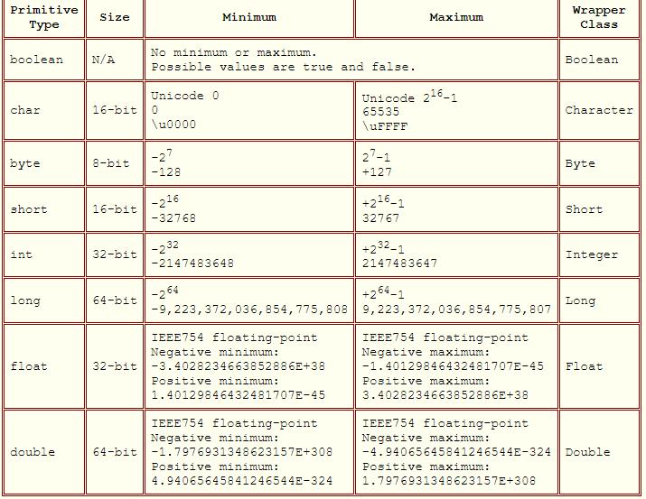
 |  | this' and 'super' keywords | not assessed
 |  | Contract between equals() and hashCode() | not assessed |  |  | If two objects are equal, they must have the same hash code. If two objects have the same hash code, it does not necessarily mean they are equal. Overriding the equals() method alone would fail with hashing data structures like Map, Set, etc. Overriding the hashCode() method alone would not help in comparing objects.
 |  | Access modifiers in Java | not assessed
 |  | What different between StringBuffer and StringBuilder | not assessed
 | Regular | What does it mean that an object or a class is mutable or immutable | not assessed
 |  | How to make class immutable | not assessed |  |  | The class must be declared as final so that child classes can’t be created. Data members in the class must be declared private so that direct access is not allowed. Data members in the class must be declared as final so that we can’t change the value of it after object creation. A parameterized constructor should initialize all the fields performing a deep copy so that data members can’t be modified with an object reference. Deep Copy of objects should be performed in the getter methods to return a copy rather than returning the actual object reference)
 |  | Besides “string” do you know any other immutable classes | not assessed |  |  | Immutable class in java means that once an object is created, we cannot change its content. In Java, all the wrapper classes (like Integer, Boolean, Byte, Short) and String class is immutable.
 |  | Rules to create equals method | not assessed |  |  | Since every Java class inherits from the Object class, and Object implements the equals() method – every Java class by default implements equals(). The implicit implementation compares objects by their reference, and this is often not the right solution. It has to be reflexive, so for any non-null value, x.equals(x) should return true. It has to be symmetric, so for any non-null value when x.equals(y) returns true, then y.equals(x) has to return true as well. It has to be transitive, so for any non-null value if x.equals(y) returns true and y.equals(z) returns true, then x.equals(z) has to return true. It has to be consistent, so multiple invocations of x.equals(y) have to return the same value for each call. It has to return false for any non-null value calling x.equals(null).
 |  | Difference between overriding and overloading | not assessed
 |  | How can we replace multi-inheritance pattern in Java | not assessed |  |  |  | by using interfaces
 |  | Can interface inherit from different interface | not assessed |  |  |  | yes using the extends keyword
 |  | Regular vs. static initialization blocks | not assessed |  |  |  | a static block executes code before the object initialization. |  |  |  |  |  |  | 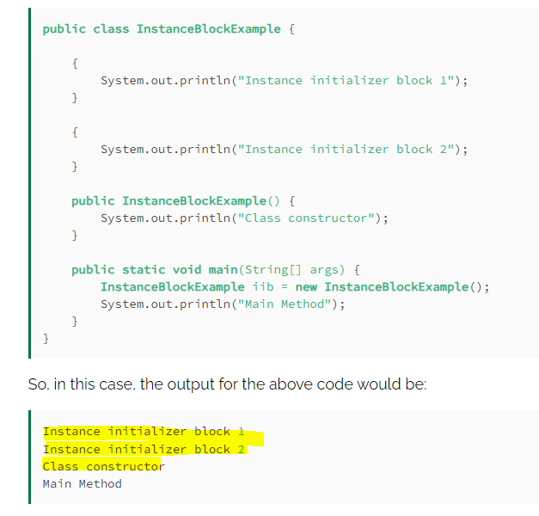 the purpose of the instance initializer block is to initialize the instance data members. Static initializer blocks always execute before the instance initialization blocks because static blocks run at the time of class loading. However, the instance block runs at the time of instance creation. The Java compiler copies initializer blocks into every constructor.
 | All | Custom question | not assessed
 |  |  | not assessed
 |  | 5. Exceptions
At least one is mandatory | Regular | Checked vs. unchecked exceptions. Why would one use former or later? | not assessed |  |  | Checked Exceptions in Java These are the exceptions that are checked at compile time. If some code within a method throws a checked exception, then the method must either handle the exception or it must specify the exception using the throws keyword. Checked exceptions can be fully checked or partially checked. Fully Checked Exception: A checked exception where all its child classes are also checked (e.g., IOException, InterruptedException). Partially Checked Exception: A checked exception where some of its child classes are unchecked (e.g., Exception). Unchecked Exceptions in Java These are the exceptions that are not checked at compile time. In Java, exceptions under Error and RuntimeException classes are unchecked exceptions, everything else under throwable is checked. In short unchecked exceptions are runtime exceptions that are not required to be caught or declared in a throws clause. These exceptions are usually caused by programming errors, such as attempting to access an index out of bounds in an array or attempting to divide by zero.
 |  | Difference in Error and UncheckedException | not assessed |  |  | An Error is a subclass of Throwable that indicates serious problems that a reasonable application should not try to catch. Most such errors are abnormal conditions. even though an unchecked exception is not required to be caught, you may want to. An error, you don't want to catch.
 |  | Could we have only try and finally without catch | not assessed |  |  | yes
 |  | Cases when the finally block isn't executed | not assessed |  |  | If you call System.exit(0) in the try. Or make something that makes the JVM quit or hang (like a deadlock). Otherwise
 | Senior | What is exception handling mechanism | not assessed |  |  | Exception Handling is a mechanism to handle runtime errors such as ClassNotFoundException, IOException, SQLException, RemoteException, etc. The core advantage of exception handling is to maintain the normal flow of the application. An exception normally disrupts the normal flow of the application; that is why we need to handle exceptions.
 |  | Java Exceptions API | not assessed |  |  | 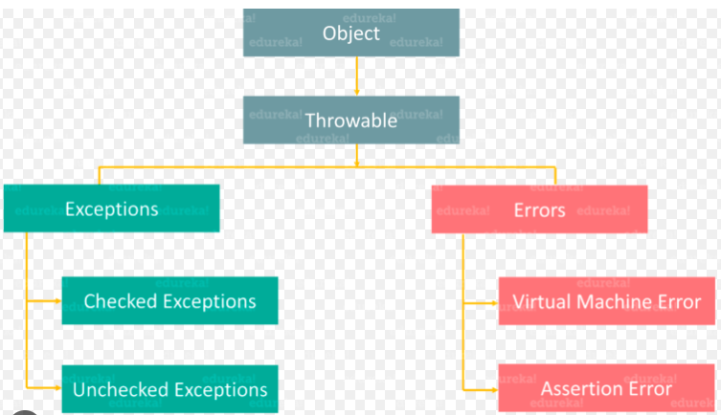
 |  | How to avoid catch block | not assessed |  |  |  |  | return statement |  | dont declare it just add the finally block
 |  | What is Multi-Catch catch (ClassCastException | IOException e) | not assessed
 |  | What is try-with-resources | not assessed |  |  |  | java 7 introduced |  | allows us to declare resources to be used in a try block with the assurance that the resources will be closed after the execution of that block. The resources declared need to implement the AutoCloseable interface.
 | Expert | What are Suppressed exceptions | not assessed |  |  |  | a suppressed exception is an exception that is thrown but somehow ignored. A common scenario for this in Java is when the finally block throws an exception. Any exception originally thrown in the try block is then suppressed. Starting with Java 7, we can now use two methods on the Throwable class to handle our suppressed exceptions: addSuppressed and getSuppressed. ex: file not found exception thrown then in the finally we are closing the file, the first file not found is suppressed and only the null pointer is received we can take advantage of the Throwable.addSuppressed method to provide the original exception: assertThat(e.getSuppressed()[0], instanceOf(FileNotFoundException.class));
 |  | NoClassDefFoundError vs ClassNotFoundException | not assessed |  |  |  | ClassNotFoundException is a checked exception which occurs when an application tries to load a class through its fully-qualified name and can not find its definition on the classpath. This occurs mainly when trying to load classes using Class.forName(), ClassLoader.loadClass() or ClassLoader.findSystemClass(). Therefore, we need to be extra careful of java.lang.ClassNotFoundException while working with reflection. NoClassDefFoundError is a fatal error. It occurs when JVM can not find the definition of the class while trying to: Instantiate a class by using the new keyword Load a class with a method call The error occurs when a compiler could successfully compile the class, but Java runtime could not locate the class file. It usually happens when there is an exception while executing a static block or initializing static fields of the class, so class initialization fails.
 | All | Custom question | not assessed
 |  |  | not assessed
 |  | 6. Memory & GC
At least one is mandatory | Regular | How is virtual heap space divided in Java? (The answer may be version specific) | not assessed |  |  | 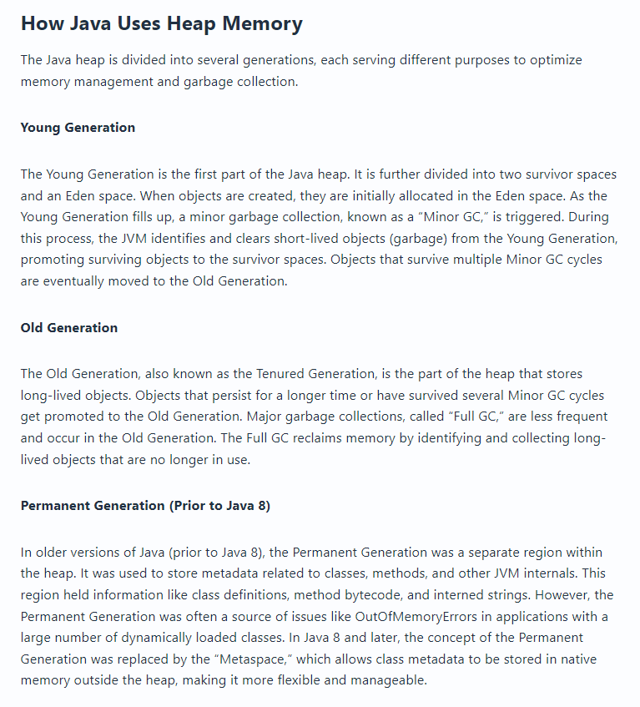 Stack in java is a section of memory which contains methods, local variables, and reference variables. Stack memory is always referenced in Last-In-First-Out order. The Stack Memory allocation in java is used for static memory and thread execution. Heap is a section of memory which contains Objects and may also contain reference variables. Instance variables are created in the heap. Mainly used by java runtime, Java Heap Space comes into play every time an object is created and allocated in it. An object created in the Heap Space can have free access across the application.
 |  | What difference between float and BigDecimal? How they store the data? | not assessed |  |  |  | BigDecimal class represents an immutable, arbitrary-precision, signed decimal number. It can handle numbers of any size without loss of precision. The BigDecimal class offers better precision than Double, as it can perform calculations with arbitrary-precision decimals, avoiding the rounding errors arising from Double’s binary representation. That’s because BigDecimal uses integer arithmetic internally, which is more accurate than floating-point arithmetic. In terms of speed and range, the utilization of hardware-level floating-point arithmetic in Java’s Double makes it faster than BigDecimal. The Double class covers a broad spectrum, accommodating both large and small numbers. However, its confinement within a 64-bit structure introduces precision limitations, especially for extremely large or small numbers. In contrast, BigDecimal presents a more extensive range of values and better precision across a wide array of values. There are also differences in memory usage. Java’s Double is more compact, which results in more efficient memory usage. On the other hand, BigDecimal’s strength in arbitrary-precision arithmetic entails higher memory consumption.
 |  | Java object references | not assessed |  |  |  | A Reference consists of an ordered list of addresses and class information about the object being referenced.
 |  | What is deep copy of a Java object | not assessed |  |  |  | Shallow Copy A shallow copy of an object copies all the member fields, but it does not copy objects that the fields refer to. Instead, the references to these objects are copied, meaning both the original and the copied object refer to the same objects. In Java, the clone() method creates a shallow copy by default. Deep Copy A deep copy, on the other hand, duplicates everything directly or indirectly referenced by the fields in the original object. This means the cloned object does not share references with the original object; it creates a completely independent copy.
 |  | Disadvantages of setting heap size too high | not assessed |  |  | Slower Startup: A larger heap size requires more memory allocation during startup, leading to slightly longer startup times for the Java application. the maximum heap size should always be smaller than the amount of memory installed on the machine to avoid excessive page faults and thrashing.
 |  | What are utilities for JVM monitoring? | not assessed |  | 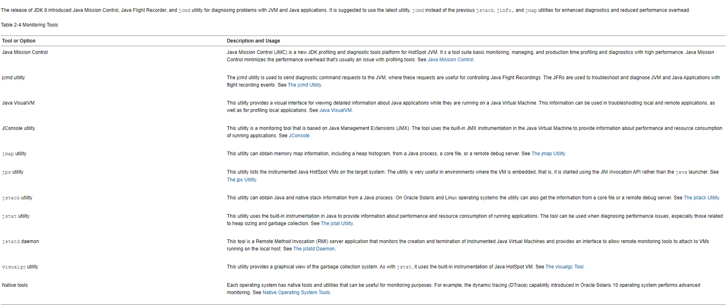
 |  | How to force GC be executed | not assessed |  |  |  | Using System.gc() method: System class contain static method gc() for requesting JVM to run Garbage Collector. Using Runtime.getRuntime().gc() method: Runtime class allows the application to interface with the JVM in which the application is running. Hence by using its gc() method, we can request JVM to run Garbage Collector. There is no guarantee that any of the above two methods will run Garbage Collector. The call System.gc() is effectively equivalent to the call : Runtime.getRuntime().gc()
 | Senior | Garbage collection principles | not assessed |  |  |  | Automatic garbage collection is the process of looking at heap memory, identifying which objects are in use and which are not, and deleting the unused objects. An in use object, or a referenced object, means that some part of your program still maintains a pointer to that object. An unused object, or unreferenced object, is no longer referenced by any part of your program. So the memory used by an unreferenced object can be reclaimed. Step 1 Marking. This is where the garbage collector identifies which pieces of memory are in use and which are not. Step 2 Normal Deletion Normal deletion removes unreferenced objects leaving referenced objects and pointers to free space. Step 2a Deletion with Compacting To further improve performance, in addition to deleting unreferenced objects, you can also compact the remaining referenced objects. By moving referenced object together, this makes new memory allocation much easier and faster. Why Generational Garbage Collection? As stated earlier, having to mark and compact all the objects in a JVM is inefficient. As more and more objects are allocated, the list of objects grows and grows leading to longer and longer garbage collection time. However, empirical analysis of applications has shown that most objects are short lived. Moved to Young and Old Generation
 |  | What are memory leaks | not assessed |  |  |  | A Memory Leak is a situation where there are objects present in the heap that are no longer used, but the garbage collector is unable to remove them from memory, and therefore, they’re unnecessarily maintained. A memory leak is bad because it blocks memory resources and degrades system performance over time. If not dealt with, the application will eventually exhaust its resources, finally terminating with a fatal java.lang.OutOfMemoryError. There are two different types of objects that reside in Heap memory, referenced and unreferenced. Referenced objects are those that still have active references within the application, whereas unreferenced objects don’t have any active references. The garbage collector removes unreferenced objects periodically, but it never collects the objects that are still being referenced. The first scenario that can cause a potential memory leak is heavy use of static variables. In Java, static fields have a life that usually matches the entire lifetime of the running application (unless ClassLoader becomes eligible for garbage collection). Through Unclosed Resources Whenever we make a new connection or open a stream, the JVM allocates memory for these resources. A few examples of this include database connections, input streams, and session objects. Forgetting to close these resources can block the memory, thus keeping them out of the reach of the GC Improper equals() and hashCode() Implementations
 |  | What is variable shadowing | not assessed |  |  |  | Shadowing in Java is the practice of using variables in overlapping scopes with the same name where the variable in low-level scope overrides the variable of high-level scope. Here the variable at high-level scope is shadowed by the low-level scope variable.
 |  | How would you monitor JVM | not assessed |  |  |  | 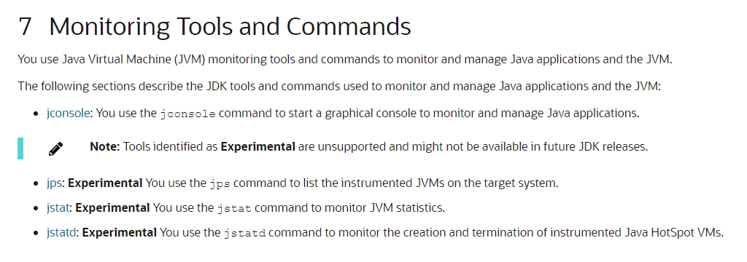
 |  | How would you monitor how GC behaves during program execution | not assessed |  |  |  | There are different ways to monitor GC, but the only difference is how the GC operation information is shown. GC is done by JVM, and since the GC monitoring tools disclose the GC information provided by JVM, you will get the same results no matter how you monitor GC. jstat is a monitoring tool in HotSpot JVM. Other monitoring tools for HotSpot JVM are jps and jstatd. Sometimes, you need all three tools to monitor a Java application. jstat does not provide only the GC operation information display. It also provides class loader operation information or Just-in-Time compiler operation information. Among all the information jstat can provide, in this article we will only cover its functionality to monitor GC operating information. jstat is located in $JDK_HOME/bin, so if java or javac can run without setting a separate directory from the command line, so can jstat.
 |  | Name few GC implementations (Serial, Parallel, ParallelOld, ConcarentMarkAndSweep) describe major differences | not assessed |  |  |  | Serial Collector The serial collector uses a single thread to perform all garbage collection work, which makes it relatively efficient because there is no communication overhead between threads. It's best-suited to single processor machines because it can't take advantage of multiprocessor hardware, although it can be useful on multiprocessors for applications with small data sets (up to approximately 100 MB). |  | Parallel Collector The parallel collector is also known as throughput collector, it's a generational collector similar to the serial collector. The primary difference between the serial and parallel collectors is that the parallel collector has multiple threads that are used to speed up garbage collection. The parallel collector is intended for applications with medium-sized to large-sized data sets that are run on multiprocessor or multithreaded hardware. |  | 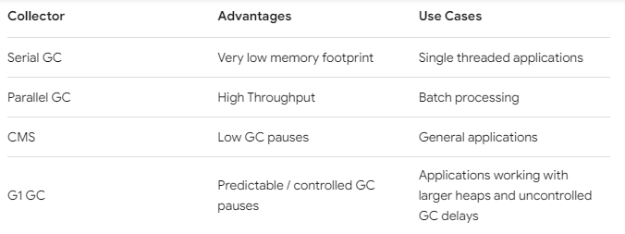 The Concurrent Mark Sweep (CMS) collector is designed for applications that prefer shorter garbage collection pauses and that can afford to share processor resources with the garbage collector while the application is running. Typically applications that have a relatively large set of long-lived data (a large tenured generation) and run on machines with two or more processors tend to benefit from the use of this collector. However, this collector should be considered for any application with a low pause time requirement.
 | Expert | Memory model in JVM (happens before, atomicity of memory reads and writes) | not assessed
 |  | Perm Space vs Metadata space in Java 8 | not assessed |  |  | PermGen (Permanent Generation) is a special heap space separated from the main memory heap. The JVM keeps track of loaded class metadata in the PermGen. Additionally, the JVM stores all the static content in this memory section. This includes all the static methods, primitive variables, and references to the static objects. Metaspace is a new memory space – starting from the Java 8 version; it has replaced the older PermGen memory space. The most significant difference is how it handles memory allocation. Specifically, this native memory region grows automatically by default. The main difference from a user perspective - which I think the previous answer does not stress enough - is that Metaspace by default auto increases its size (up to what the underlying OS provides), while PermGen always has a fixed maximum size. You can set a fixed maximum for Metaspace with JVM parameters, but you cannot make PermGen auto-increase.
 |  | What are G1 of C4 garbage collectors | not assessed |  |  | Garbage-first (G1) collector is a server-style garbage collector, targeted for multiprocessors with large memories, that meets a soft real-time goal with high probability, while achieving high-throughput.[2] G1 preferentially collects regions with the least amount of live data, or "garbage first"
 | All | Custom question | not assessed
 |  |  | not assessed
 |  | 7. Modern Java Versions Specifics
At least one is mandatory | Regular | What is a parameterized or generic type | not assessed |  |  | jDK 5.0 introduced Java Generics with the aim of reducing bugs and adding an extra layer of abstraction over types List<Integer> list = new LinkedList<>(); Copy By adding the diamond operator <> containing the type, we narrow the specialization of this list to only Integer type. In other words, we specify the type held inside the list. The compiler can enforce the type at compile time. As mentioned, the method can deal with more than one generic type. Where this is the case, we must add all generic types to the method signature. Here is how we would modify the above method to deal with type T and type G: public static <T, G> List<G> fromArrayToList(T[] a, Function<T, G> mapperFunction) { return Arrays.stream(a) .map(mapperFunction) .collect(Collectors.toList()); } @Test public void givenArrayOfIntegers_thanListOfStringReturnedOK() { Integer[] intArray = {1, 2, 3, 4, 5}; List<String> stringList = Generics.fromArrayToList(intArray, Object::toString); assertThat(stringList, hasItems("1", "2", "3", "4", "5")); } Multiple Bounds A type can also have multiple upper bounds: <T extends Number & Comparable> One restriction of generics in Java is that the type parameter cannot be a primitive type. type parameters must be convertible to Object. Since primitive types don’t extend Object, we can’t use them as type parameters. |  |  |  |  |  |  |  |  | Using Wildcards With Generics Wildcards are represented by the question mark ? in Java, and we use them to refer to an unknown type. Wildcards are particularly useful with generics and can be used as a parameter type. We know that Object is the supertype of all Java classes. However, a collection of Object is not the supertype of any collection. For example, a List<Object> is not the supertype of List<String>, and assigning a variable of type List<Object> to a variable of type List<String> will cause a compiler error. public static void paintAllBuildings(List<Building> buildings) { buildings.forEach(Building::paint); } Copy If we imagine a subtype of Building, such as a House, we can’t use this method with a list of House, even though House is a subtype of Building. If we need to use this method with type Building and all its subtypes, the bounded wildcard can do the magic: public static void paintAllBuildings(List<? extends Building> buildings) { ... } Now this method will work with type Building and all its subtypes. We can also specify wildcards with a lower bound, where the unknown type has to be a supertype of the specified type. Lower bounds can be specified using the super keyword followed by the specific type. For example, <? super T> means unknown type that is a superclass of T (= T and all its parents). Type Erasure Generics were added to Java to ensure type safety. And to ensure that generics won’t cause overhead at runtime, the compiler applies a process called type erasure on generics at compile time. Type erasure removes all type parameters and replaces them with their bounds or with Object if the type parameter is unbounded. This way, the bytecode after compilation contains only normal classes, interfaces and methods, ensuring that no new types are produced. Proper casting is applied as well to the Object type at compile time. |  |  | 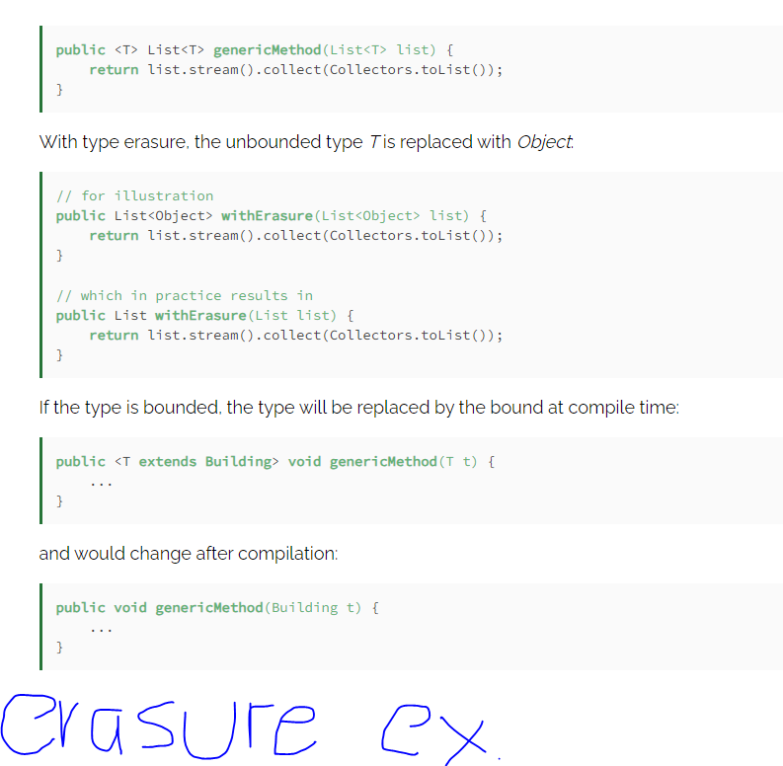
 |  | What is Autoboxing and what are its advantages/pitfalls | not assessed |  |  | Collections can only hold object references, so you have to box primitive values into the appropriate wrapper class (which is Integer in the case of int). When you take the object out of the collection, you get the Integer that you put in; if you need an int, you must unbox the Integer using the intValue method. All of this boxing and unboxing is a pain, and clutters up your code. The autoboxing and unboxing feature automates the process, eliminating the pain and the clutter. The following example illustrates autoboxing and unboxing, along with generics and the for-each loop. In a mere ten lines of code, it computes and prints an alphabetized frequency table of the words appearing on the command line. import java.util.*; // Prints a frequency table of the words on the command line public class Frequency { public static void main(String[] args) { Map<String, Integer> m = new TreeMap<String, Integer>(); for (String word : args) { Integer freq = m.get(word); m.put(word, (freq == null ? 1 : freq + 1)); } System.out.println(m); } } The program first declares a map from String to Integer, associating the number of times a word occurs on the command line with the word. Then it iterates over each word on the command line. For each word, it looks up the word in the map. Then it puts a revised entry for the word into the map. The line that does this (highlighted in green) contains both autoboxing and unboxing. To compute the new value to associate with the word, first it looks at the current value (freq). If it is null, this is the first occurrence of the word, so it puts 1 into the map. Otherwise, it adds 1 to the number of prior occurrences and puts that value into the map. But of course you cannot put an int into a map, nor can you add one to an Integer. What is really happening is this: In order to add 1 to freq, it is automatically unboxed, resulting in an expression of type int. Since both of the al
 |  | Can we use parameterized types in exception handling | not assessed |  |  | Generic exceptions are not supported since there is no way to distinguish between generic exceptions with different type parameters in the catch clause because type parameters for generics are erased at runtime. Generic classes are not allowed to subclass Throwable public class MyException<T> extends RuntimeException { // won't compile } This code won't compile because subclasses of Throwable cannot have a generic type parameter. RuntimeException subclasses Exception which again is a subclass of Throwable. So the compiler rejects this code. Generic type parameters can be thrown While exception are not allowed to contain generic type parameters it is perfectly fine to throw generic types (if they extend Throwable). The following code compiles fine: public <T extends Exception> void throwIt(T t) throws T { throw t; } public void catchIt() { try { throwIt(new Exception()); } catch (Exception e) { .. } } However, it is not possible to use generic type parameters in catch blocks. So the next snippet won't compile: public <T extends Exception> void throwIt(T t) throws T { throw t; } public <T extends Exception> void catchIt(T t) { try { throwIt(t); // fine } catch (T e) { // compile error .. } }
 |  | What are Annotations and which predefined by the language specification does one know (@Deprecated, @Override, @SuppressWarnings) | not assessed |  |  | 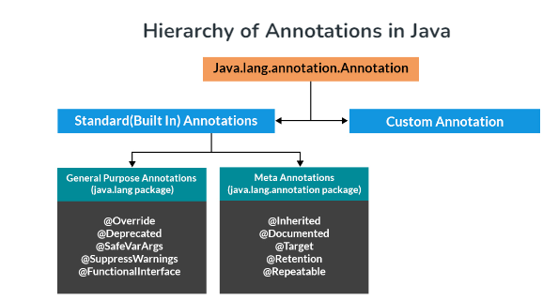 Annotations are used to provide supplemental information about a program. Annotations start with ‘@’. Annotations do not change the action of a compiled program. Annotations help to associate metadata (information) to the program elements i.e. instance variables, constructors, methods, classes, etc. Annotations are not pure comments as they can change the way a program is treated by the compiler. Ex: adding @override but not overriding the method will give compile error There are broadly 5 categories of annotations as listed: Marker Annotations @Override is an example of Marker Annotation Single value Annotations These annotations contain only one member and allow a shorthand form of specifying the value of the member. @TestAnnotation(“testing”); Full Annotations These annotations consist of multiple data members, names, values, pairs. @TestAnnotation(owner=”Rahul”, value=”Class Geeks”) Type Annotations These annotations can be applied to any place where a type is being used These annotations can be applied to any place where a type is being used Repeating Annotations @Repeatable
 | Senior | What is a wildcard parameterized type | not assessed |  |  | Using Wildcards With Generics Wildcards are represented by the question mark ? in Java, and we use them to refer to an unknown type. Wildcards are particularly useful with generics and can be used as a parameter type. We know that Object is the supertype of all Java classes. However, a collection of Object is not the supertype of any collection. For example, a List<Object> is not the supertype of List<String>, and assigning a variable of type List<Object> to a variable of type List<String> will cause a compiler error. public static void paintAllBuildings(List<Building> buildings) { buildings.forEach(Building::paint); } Copy If we imagine a subtype of Building, such as a House, we can’t use this method with a list of House, even though House is a subtype of Building. If we need to use this method with type Building and all its subtypes, the bounded wildcard can do the magic: public static void paintAllBuildings(List<? extends Building> buildings) { ... } Now this method will work with type Building and all its subtypes. We can also specify wildcards with a lower bound, where the unknown type has to be a supertype of the specified type. Lower bounds can be specified using the super keyword followed by the specific type. For example, <? super T> means unknown type that is a superclass of T (= T and all its parents). Type Erasure Generics were added to Java to ensure type safety. And to ensure that generics won’t cause overhead at runtime, the compiler applies a process called type erasure on generics at compile time. Type erasure removes all type parameters and replaces them with their bounds or with Object if the type parameter is unbounded. This way, the bytecode after compilation contains only normal classes, interfaces and methods, ensuring that no new types are produced. Proper casting is applied as well to the Object type at compile time.
 |  | Problems Enum type solves (comparing to "public static int" enum pattern) | not assessed |  |  | Java 5 first introduced the enum keyword. It denotes a special type of class that always extends the java.lang.Enum class. Constants defined this way make the code more readable, allow for compile-time checking, document the list of accepted values upfront, and avoid unexpected behavior due to invalid values being passed in. public enum PizzaStatus { ORDERED, READY, DELIVERED; } Additionally, enums come with many useful methods that we would otherwise need to write if we were using traditional public static final constants such as Enum.valueOf.. We can define constructors, methods, and fields inside enum types, which makes them very powerful. |  |  |  |  |  |  |  |  | 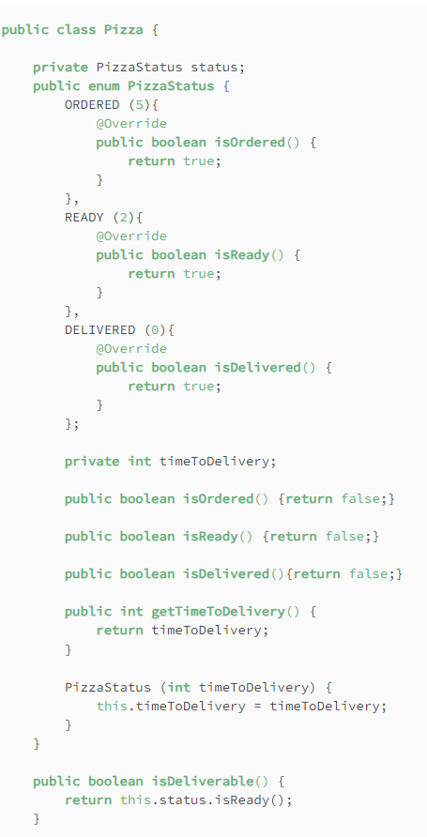
 |  | Can we add something to List<?> | not assessed |  | 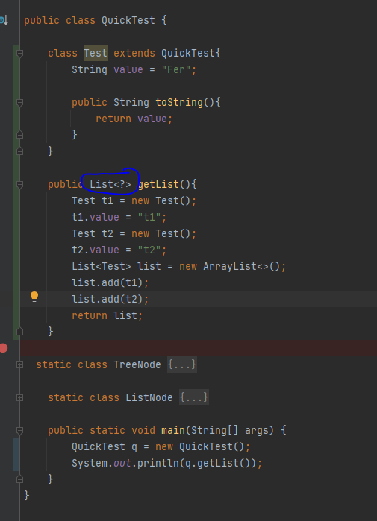 | 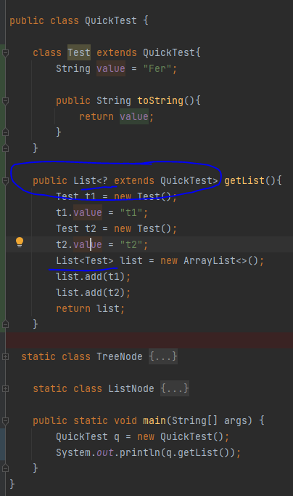 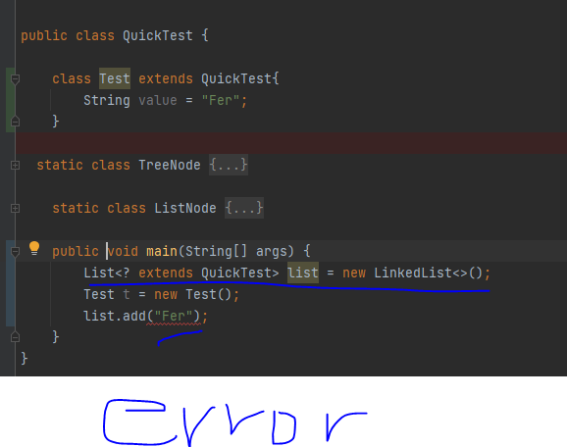 it is possible as return type, no to declare a new list of that type
 |  | What is method reference (Java 8) | not assessed |  | 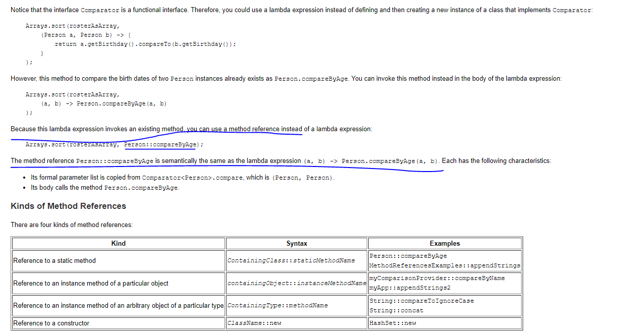 | Method References You use lambda expressions to create anonymous methods. Sometimes, however, a lambda expression does nothing but call an existing method. In those cases, it's often clearer to refer to the existing method by name. Method references enable you to do this; they are compact, easy-to-read lambda expressions for methods that already have a name.
 |  | What is default metod (Java 8) | not assessed |  |  | Before Java 8, interfaces could have only abstract methods. The implementation of these methods has to be provided in a separate class. So, if a new method is to be added in an interface, then its implementation code has to be provided in the class implementing the same interface. To overcome this issue, Java 8 has introduced the concept of default methods which allow the interfaces to have methods with implementation without affecting the classes that implement the interface. The default methods were introduced to provide backward compatibility so that existing interfaces can use the lambda expressions without implementing the methods in the implementation class interface TestInterface { // abstract method public void square(int a); // default method default void show() { System.out.println("Default Method Executed"); } } Default Methods and Multiple Inheritance In case both the implemented interfaces contain default methods with same method signature, the implementing class should explicitly specify which default method is to be used or it should override the default method. // use super keyword to call the show // method of TestInterface1 interface TestInterface1.super.show(); // use super keyword to call the show // method of TestInterface2 interface TestInterface2.super.show();
 |  | What is stream API (java 8) | not assessed |  |  | 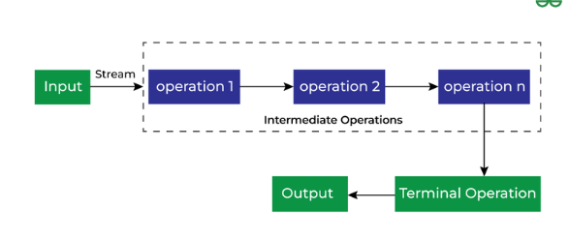 Stream API is used to process collections of objects. A stream in Java is a sequence of objects that supports various methods that can be pipelined to produce the desired result. Enable us to perform operations like filtering, mapping, reducing, and sorting. A stream is not a data structure instead it takes input from the Collections, Arrays or I/O channels. Streams don’t change the original data structure, they only provide the result as per the pipelined methods. Each intermediate operation is lazily executed and returns a stream as a result, hence various intermediate operations can be pipelined. Terminal operations mark the end of the stream and return the result. There are two types of Operations in Streams: Intermediate Operations Terminate Operations Benefit of Java Stream There are some benefits because of which we use Stream in Java as mentioned below: No Storage Pipeline of Functions Laziness Can be infinite Can be parallelized Can be created from collections, arrays, Files Lines, Methods in Stream, IntStream etc.
 |  | What is Lambda expression (Java 8) | not assessed |  |  | It provides a clear and concise way to represent one method interface using an expression. It is very useful in the collection library. It helps to iterate, filter and extract data from the collection. Lambda expressions in Java help to implement functional interfaces more concisely and expressively, thereby eliminating lengthy boilerplate code and strengthening readability.
 |  | How would you create your own annotation with a specific retention policy (e.g. Runtime) behavior | not assessed |  |  | "@Retention(RetentionPolicy.RUNTIME) @Target(ElementType.TYPE) public @interface JsonSerializable { }"
 | Expert | What happens with lambda after compile time? | not assessed |  |  | The current draft of the Java 8 Language Specification states (chapter 15.27.4) The value of a lambda expression is a reference to an instance of a class with the following properties: The class implements the targeted functional interface and, if the target type is an intersection type, every other interface element of the intersection. The class declares a method that overrides the functional interface supertype's abstract methods (and, potentially, some other methods of its superinterfaces). The method's parameter types, return type, and thrown types are given by the interface's function type. The method's body has the effect of evaluating the lambda body, if it is an expression, or of executing the lambda body, if it is a block; if a result is expected, it is returned from the method. The class overrides no other methods of the interface or interfaces mentioned above, except that it may override methods of the Object class.
 |  | How to create custom annotation? What is retention type? | not assessed |  |  | "@Retention is also a meta-annotation that comes with some retention policies. These retention policies determine at which point an annotation is discarded. There are three types of retention policies: SOURCE, CLASS, and RUNTIME. RetentionPolicy.SOURCE: The annotations annotated using the SOURCE retention policy are discarded at runtime. RetentionPolicy.CLASS: The annotations annotated using the CLASS retention policy are recorded in the .class file but are discarded during runtime. CLASS is the default retention policy in Java. RetentionPolicy.RUNTIME: The annotations annotated using the RUNTIME retention policy are retained during runtime and can be accessed in our program during runtime.G112"
 |  | What are the new features of Java 9? | not assessed |  |  | Modules. Try with resources outside vars. Diamond operations in anonymous classes. Interface private method
 | All | Custom question | not assessed
 |  |  | not assessed
 |  | 8. Multithreading
At least one is mandatory | Regular | Thread vs Runnable, run() vs start() | not assessed
 |  | Synchronization of java blocks and methods | not assessed |  |  | Java Synchronized Blocks Java provides a way of creating threads and synchronizing their tasks using synchronized blocks. A synchronized block in Java is synchronized on some object. All synchronized blocks synchronize on the same object and can only have one thread executed inside them at a time. All other threads attempting to enter the synchronized block are blocked until the thread inside the synchronized block exits the block. Synchronized Methods In Java, you can declare entire methods as synchronized which prevent multiple threads from accessing the method simultaneously. With this, synchronization becomes a simpler process because the mechanism is applied to all invocations of the synchronized method automatically.
 |  | Explain usage of the couple wait()/notify() | not assessed |  |  | Object.wait() to suspend a thread Object.notify() to wake a thread up Simply put, calling wait() forces the current thread to wait until some other thread invokes notify() or notifyAll() on the same object. Note that only one active thread can own an object’s monitor at a time. notify() method for waking up threads that are waiting for access to this object’s monitor. the method notify() notifies any one of them to wake up arbitrarily. The choice of exactly which thread to wake is nondeterministic and depends upon the implementation. his method simply wakes all threads that are waiting on this object’s monitor. The awakened threads will compete in the usual manner, like any other thread that is trying to synchronize on this object.
 |  | Difference between sleep and wait | not assessed |  |  | The wait() method is a part of the Object class and is used for inter-thread communication and synchronization. It is primarily used to make a thread wait until some other thread invokes the notify() or notifyAll() methods on the same object. The sleep() method is a static method of the Thread class and is used to pause the execution of the current thread for a specified period, without releasing any locks. 3. Lock Release wait() releases the lock on the object it is called on, allowing other threads to access the synchronized block or method. sleep() does not release any locks, so other threads cannot access the same resources during the sleep period.
 |  | Atomic operations | not assessed |  |  | 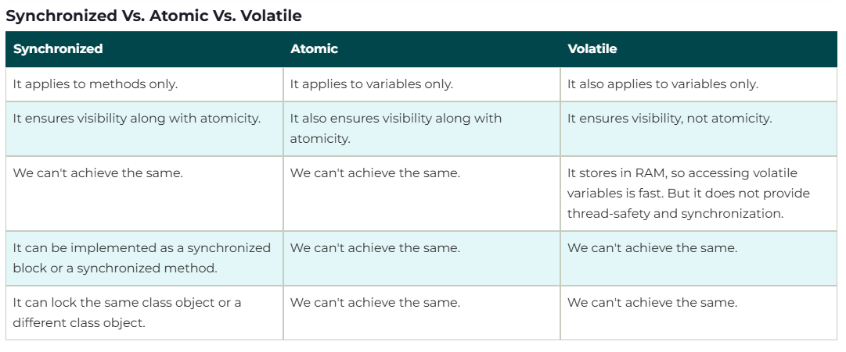 atomicity refers to the property of an operation to be executed as a single, indivisible unit. Java Atomic Classes Java provides a java.util.concurrent.atomic package in which atomic classes are defined. The atomic classes provide a lock-free and thread-safe environment or programming on a single variable. It also supports atomic operations. All the atomic classes have the get() and set() methods that work on the volatile variable. The method works the same as read and writes on volatile variables. Atomic Operations Those operations that always execute together is known as the atomic operations or atomic action. All the atomic operations either execute effectively happens all at once or it does not happen at all. Atomic Variable The atomic variable allows us to perform an atomic operation on a variable. AtomicInteger, AtomicLong, AtomicBoolean, AtomicIntegerArray, AtomicLongArray get() – gets the value from the memory, so that changes made by other threads are visible; equivalent to reading a volatile variable incrementAndGet() – Atomically increments by one the current value set() – writes the value to memory, so that the change is visible to other threads; equivalent to writing a volatile variable The effect of the volatile keyword is approximately that each individual read or write operation on that variable is made atomically visible to all threads. Notably, however, an operation that requires more than one read/write -- such as i++, which is equivalent to i = i + 1, which does one read and one write -- is not atomic, since another thread may write to i between the read and the write. The Atomic classes, like AtomicInteger and AtomicReference, provide a wider variety of operations atomically, specifically including increment for AtomicInteger.
 |  | Deadlock/Livelock definition plus example | not assessed |  |  | Livelock occurs when two or more processes continually repeat the same interaction in response to changes in the other processes without doing any useful work. These processes are not in the waiting state, and they are running concurrently. This is different from a deadlock because in a deadlock all processes are in the waiting state. Deadlock is a situation when two or more threads are waiting for each other and the waiting never ends. Here both threads can’t complete their tasks. Starvation describes a situation where a thread is unable to gain regular access to shared resources and is unable to make progress. This happens when shared resources are made unavailable for long periods by "greedy" threads.
 |  | Executors framework | not assessed |  |  | With the increase in the number of cores available in the processors nowadays, coupled with the ever-increasing need to achieve more throughput, multi-threading APIs are getting quite popular. Java provides its own multi-threading framework called the Java Executor Framework. released with the JDK 5 is used to run the Runnable objects without creating new threads every time and mostly re-using the already created threads. The java.util.concurrent.Executors provide factory methods that are being used to create ThreadPools of worker threads. Thread pools overcome this issue by keeping the threads alive and reusing the threads.
 |  | What does it mean Volatile keyword | not assessed |  |  | volatile is quite a useful keyword because it can help ensure the visibility aspect of the data change without providing mutual exclusion. Thus, it’s useful where we’re ok with multiple threads executing a block of code in parallel, but we need to ensure the visibility property. Technically, any write to a volatile field happens-before every subsequent read of the same field. This is the volatile variable rule of the Java Memory Model (JMM)
 |  | java.util.concurrent.*, what utils do you know | not assessed |  |  | The java.util.concurrent package provides tools for creating concurrent applications. Executor Executor is an interface that represents an object that executes provided tasks. ExecutorService ExecutorService is a complete solution for asynchronous processing. ScheduledExecutorService ScheduledExecutorService is a similar interface to ExecutorService, but it can perform tasks periodically. Future Future is used to represent the result of an asynchronous operation. It comes with methods for checking if the asynchronous operation is completed or not
 | Senior | Thread local, what for are they needed | not assessed |  |  | The TheadLocal construct allows us to store data that will be accessible only by a specific thread. ThreadLocal<Integer> threadLocalValue = new ThreadLocal<>(); Next, when we want to use this value from a thread, we only need to call a get() or set() method threadLocalValue.set(1); Integer result = threadLocalValue.get();
 |  | Does child thread see the value of parent thread local | not assessed |  |  | the parent thread's local thread value is not available to the child thread by default.
 |  | Starvation/Race condition definition plus example | not assessed |  |  | Starvation describes a situation where a thread is unable to gain regular access to shared resources and is unable to make progress. This happens when shared resources are made unavailable for long periods by "greedy" threads. race condition can be defined as, a condition in which two or more threads compete together to get certain shared resources. For example, if thread A is reading data from the linked list and another thread B is trying to delete the same data. This process leads to a race condition that may result in runtime error. Read-modify-write Check-then-act The read-modify-write patterns signify that more than one thread first read the variable, then alter the given value and write it back to that variable. Why it occurs? It occurs when two or more threads operate on the same object without proper synchronization and their operation incorporates each other Check-then-act. This race condition happens when two processes check a value on which they will take each take an external action. The processes both check the value, but only one process can take the value with it. The later-occurring process will read the value as null. This results in a potentially out-of-date or unavailable observation being used to determine what the program will do next
 |  | Execution order | not assessed |  |  | Thread with the highest priority will get an execution chance prior to other threads. Suppose there are 3 threads t1, t2, and t3 with priorities 4, 6, and 1. So, thread t2 will execute first based on maximum priority 6 after that t1 will execute and then t3. The default priority for the main thread is always 5, it can be changed later. The default priority for all other threads depends on the priority of the parent thread.
 |  | Lock-free operations, how to create lock-free implementation of field reassignment | not assessed
 |  | ExecutorService submit vs execute | not assessed |  |  | submit: It allows us to submit tasks for execution and returns a Future object that represents the result of the computation. We can call get() in the Future to retrieve the result or exceptions. execute: It’s used to submit tasks for execution but doesn’t return a Future. Future class represents a future result of an asynchronous computation. This result will eventually appear in the Future after the processing is complete.
 |  | How to publish object | not assessed
 |  | RecursiveTask vs RecursiveAction | not assessed |  |  | [RecursiveTask is] A recursive result-bearing ForkJoinTask. [RecursiveAction is] A recursive resultless ForkJoinTask. Although technically, RecursiveAction does return a value, it's just always null, because it's a ForkJoinTask<Void>, and that's the only possible value of Void.
 | Expert | Atomicity of long and double assignment operations | not assessed
 |  | What is Fork-Join | not assessed |  |  | The fork/join framework is an implementation of the ExecutorService interface that helps you take advantage of multiple processors. It is designed for work that can be broken into smaller pieces recursively. The goal is to use all the available processing power to enhance the performance of your application. As with any ExecutorService implementation, the fork/join framework distributes tasks to worker threads in a thread pool. The fork/join framework is distinct because it uses a work-stealing algorithm. Worker threads that run out of things to do can steal tasks from other threads that are still busy.
 |  | What is Phaser (Java 7) | not assessed |  |  | The Phaser allows us to build logic in which threads need to wait on the barrier before going to the next step of execution. We can coordinate multiple phases of execution, reusing a Phaser instance for each program phase. Each phase can have a different number of threads waiting to advance to another phase. We’ll have a look at an example of using phases later on.
 | All | Custom question | not assessed
 |  |  | not assessed
 |  | 9. OOP
 | Regular | Inheritance vs Composition | not assessed |  |  | 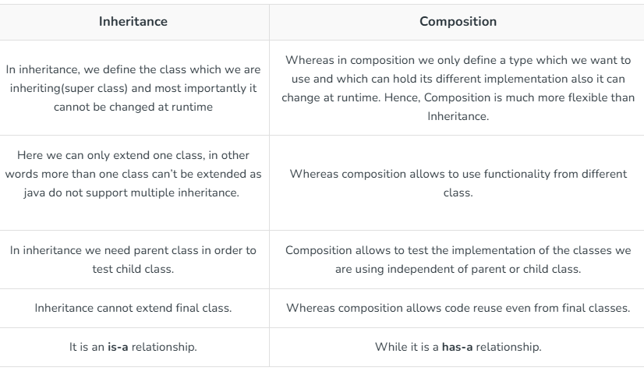 The composition also provides code reusability but the difference here is we do not extend the class for this.
M |  | Name OOD principles that you know | not assessed |  |  | Encapsulation: Bundling data with methods that operate on the data, restricting direct access to some components and protecting object integrity. Abstraction: Simplifying complex systems by modeling classes appropriate to the problem domain, highlighting essential features while hiding unnecessary details. Inheritance: Establishing a hierarchy between classes, allowing derived classes to inherit properties and behaviors from base classes, promoting code reuse and extension. Polymorphism: Enabling objects to be treated as instances of their parent class, allowing one interface to be used for a general class of actions, improving flexibility and integration. Composition: Building complex objects by combining simpler ones, promoting reuse and flexible designs.
M |  | Do you know SOLID principles (describe one of them) | not assessed |  |  | Single Responsibility Principle: It states that there can only be one change in the software that could potentially change the specification of the class. This is because a class should only perform one kind of task. This is important to keep in mind because SRP reduces merge conflicts, and incompatibility issues when multiple people are working on the same project and hence makes version control easier. Open-Closed Principle: The open-closed principle simply states that classes should be open to extension while remaining closed to modification. In simpler words, we should be able to add new functionalities to our class without having to change pre-written code inside of our class. Liskov Substitution Principle: This is a rather hard intuition. In words, this states that all extended classes should be able to work using inputs of the type of super class and not produce any bugs while doing it. Although this is the expected behavior, it is often violated. Interface Segregation Principle: This principle states that we should create multiple interfaces to deal with clients instead of one so that for extended classes which might not need some of the functionalities, the user should not have to deal with them at all. Instead, he/she should have the independence to choose from the possible interfaces. Dependency Inversion Principle: Closely knit with the Open Closed Principle, Dependency Independence principle states that classes should rely on abstract classes and interfaces and not on rigid concrete functions and classes.
 | Senior | Coupling & Cohesion | not assessed |  |  | Cohesion is the degree to which the elements inside a module belong together. A module could be a class or a package or even a microservice. A module is said to have low cohesion if it contains unrelated elements. For example, a User class containing a method on how to validate the email address. With High cohesion, easier to read and mantain. Coupling is the degree of interdependence between software modules. A module could be a class or a package or even a microservice. Effectively, the coupling is about how changing one thing required change in another. Two modules have high coupling (or tight coupling) if they are closely connected. For example, two concrete classes storing references to each other and calling each other’s methods. Advantages of Low Coupling Loosely coupled modules are easier to develop and maintain. Since they are independent of each other,
 | All | Custom question | not assessed
 |  |  | not assessed
 |  | 10. Design patterns
At least one is mandatory | Regular | Give an insight into such patterns as Façade/Proxy/Decorator/Strategy/Observer (selectively) | not assessed
 |  | Which patterns do you use in a daily basis. Explain their principles. | not assessed
 | Senior | What major patterns do the Java APIs utilize? Where exactly? | not assessed
 |  | Can you please explain “bridge”, "adapter" design pattern? | not assessed
 |  | Can you please explain "FlyWeight" design pattern? | not assessed
 |  | Describe difference between abstract factory and builder | not assessed
 |  | Describe difference between adapter and decorator | not assessed
 |  | Can you please explain "Builder" design pattern? | not assessed
 | Expert | Enterprise Integration Patterns | not assessed
 |  | Architectural Patterns | not assessed
 | All | Custom question | not assessed
 |  |  | not assessed
 |  | 11. Clean Code
M | Regular | How do you identify good code? (Based on book "Clean code" by R. C. Martin) | not assessed |  |  |  | Code is clean if it can be understood easily – by everyone on the team. Clean code can be read and enhanced by a developer other than its original author. With understandability comes readability, changeability, extensibility and maintainability. |  |  | Simpler is always better. Reduce complexity as much as possible. | Prefer polymorphism to if/else or switch/case. | Do one thing. | Prefer fewer arguments. | no side efects
 |  | Average lines per method & class | not assessed
 |  | Is it a problem to have comments in code | not assessed |  |  |  | Always try to explain yourself in code. |  | Don't add obvious noise. |  | Use as explanation of intent.
 | Senior | how package structure can be packed into java project? (package per feature, package per layer?) | not assessed
 | All | Custom question | not assessed
 |  |  | not assessed
 |  | 12. Testing
 | Regular | Do you have experience in TDD. What are TDD steps (test, code, REFACTOR) | not assessed |  |  |  | 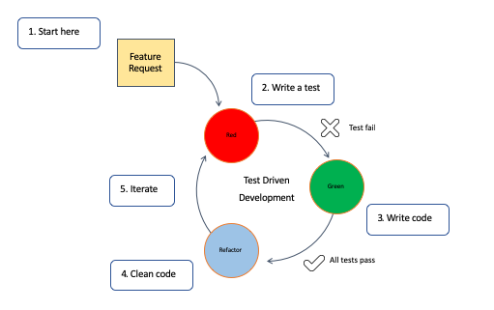
M |  | Your experience with different unit testing libraries (Junit, TestNG, Spock, etc.) | not assessed
M |  | What is mocking? Have you used any mocking frameworks? | not assessed |  |  |  | Mocking is the practice of creating simulated versions of the objects in the code, and then using these mock objects to mimic the behavior of the real objects or services so that we can test parts of the code in isolation. Mockito is popular because it is open-source and easy to use. It has a simple and clean API so that you can get started with mocking quite fast. It also comes with extensive documentation
 | Senior | Describe sime advanced Junit featrues (@DataPoint, @Theory, @Rule, @RunWith, @Category, @Parameters) | not assessed
 |  | What libraries that help to write unit tests have you used (Hamcrest, AssertJ, JUnitParams, XmlUnit, etc.) | not assessed
 |  | Describe different types of automated testing and your experience with them | not assessed
 |  | Do you know BDD, how it differs from TDD | not assessed |  |  |  | 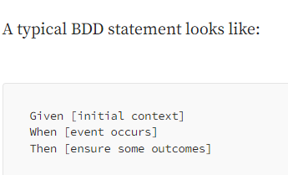 Behavior Driven Development stems from TDD but emphasizes collaboration between developers, QA, and non-technical stakeholders. It focuses on the behavior of an application from the user’s perspective. |  | Test Driven Development is an iterative development process where tests for new functionality are written before the actual code. |  | While TDD is more about the technical aspects and ensuring code works as expected, BDD emphasizes the behavior and end results from a user perspective. | BDD promotes collaboration between technical and non-technical team members. TDD, being a developer-centric approach, does not inherently offer this
 | All | Custom question | not assessed
 |  |  | not assessed
 |  | 13. Spring
At least one is mandatory | Junior | Basic idea of IoC pattern. Benefits. | not assessed |  |  |  | Inversion of Control is a principle in software engineering which transfers the control of objects or portions of a program to a container or framework. We most often use it in the context of object-oriented programming. In contrast with traditional programming, in which our custom code makes calls to a library, IoC enables a framework to take control of the flow of a program and make calls to our custom code. The advantages of this architecture are: decoupling the execution of a task from its implementation making it easier to switch between different implementations greater modularity of a program greater ease in testing a program by isolating a component or mocking its dependencies, and allowing components to communicate through contracts
 |  | What is Spring configuration file? How does it look like? | not assessed
 |  | Out of the box bean scopes (singleton, prototype, request, session, global session) | not assessed |  | 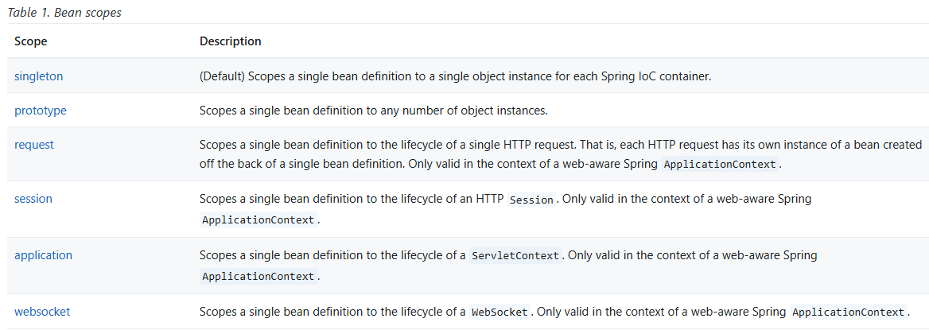
 |  | What are the main bean scopes in web container | not assessed
 | Regular | What are the types of Dependency Injection Spring supports | not assessed |  |  | Setter Dependency Injection. Constructor Dependency Injection. Field Dependency Injection.
 |  | Autowiring. Types of autowiring. | not assessed |  |  | 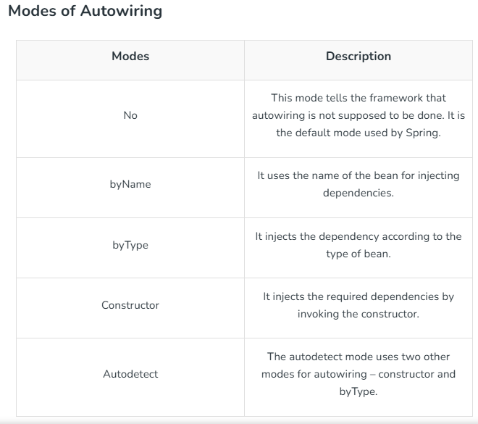
 |  | What are inner beans. | not assessed |  |  | inner beans are beans that are defined within the scope of another bean. <bean id = "outerBean" class = "..."> <property name = "target"> <bean id = "innerBean" class = "..."/> </property> </bean>
 | Senior | What modules does Spring Framework have | not assessed |  |  | 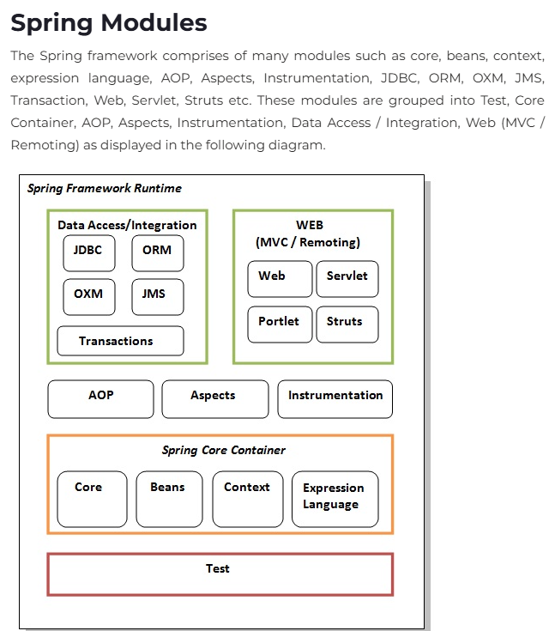
 |  | Describe Test support in Spring (AbstractTransactionalSpringTests) | not assessed
 |  | Describe AOP integration in Spring | not assessed |  |  | Aspect-oriented Programming (AOP) complements Object-oriented Programming (OOP) by providing another way of thinking about program structure. The key unit of modularity in OOP is the class, whereas in AOP the unit of modularity is the aspect. Aspects enable the modularization of concerns (such as transaction management) that cut across multiple types and objects. (Such concerns are often termed "crosscutting" concerns in AOP literature.) One of the key components of Spring is the AOP framework. While the Spring IoC container does not depend on AOP (meaning you do not need to use AOP if you don’t want to), AOP complements Spring IoC to provide a very capable middleware solution.
 |  | How to integrate Spring and Hibernate using HibernateDaoSupport | not assessed
 |  | Beans lifecycle | not assessed
 | All | Custom question | not assessed
 |  |  | not assessed
 |  | 14. Spring Boot
M |  | Do you have experience with Spring Boot? | not assessed
| | All | Spring Boot: What is the difference between @SpringBootApplication and @EnableAutoConfiguration annotation? | not assessed |  |  | Even though both @SpringBootApplication and @EnableAutoConfiguration can be used to enable the auto-configuration feature of Spring Boot, there is a subtle difference between them. The @SpringBootApplication does much more than what @EnableAutoConfiguration does. It's actually a combination of three annotations: @Configuration, which is used in Java-based configuration on Spring framework, @ComponentScan to enable component scanning of components you write like @Controller classes, and @EnableAutoConfgiuration itself, which is used to allow for auto-configuration in Spring Boot application. Spring Boot designers quickly realized that these three annotations are frequently used together, so they bundled them into @SpringBootApplicaiton
 |  | Spring Boot: What is Spring Actuator? | not assessed |  |  | In essence, Actuator brings production-ready features to our application. Monitoring our app, gathering metrics, and understanding traffic or the state of our database becomes trivial with this dependency. The main benefit of this library is that we can get production-grade tools without actually having to implement these features ourselves. The actuator mainly exposes operational information about the running application — health, metrics, info, dump, env, etc. It uses HTTP endpoints or JMX beans to enable us to interact with it.
 |  | Spring Boot: What is auto-configuration in Spring boot? | not assessed |  |  | Spring Boot auto-configuration attempts to automatically configure your Spring application based on the jar dependencies that you have added. For example, if HSQLDB is on your classpath, and you have not manually configured any database connection beans, then Spring Boot auto-configures an in-memory database.
 |  | Spring Boot: What are some common Spring Boot annotations? | not assessed |  |  | "@Configuration is the annotation of Spring Core that when annotated on top of a class signifies that this class contains definition for various Java Beans annotated with @Bean that will be managed by Spring IoC Container. This annotation also comes occupied with the semantics of @Component that conveys to the spring framework that this class is to be detected in Component Scanning. Creating Beans with @Bean Injecting Dependencies with @Autowired Specifying Beans with @Qualifier This annotation allows the programmer to be more specific in requesting the beans from the Spring Container. Defining Components with @Component This annotation is used to indicate to the spring framework that this class is to be managed by the Spring Container and should be treated as the Bean and Spring Container will create its instance and allow it to be used across various parts of our application using dependency injection. Building REST APIs with @RestController This annotation is used to create RESTful web-services, and is a specialized version of @Controller which we discussed earlier. It comprises of two sub-annotations - @Controller and @ResponseBody. @ResponseBody: The default behaviour of a spring application is to assume that, every rest endpoint method will return some view page like HTML or JSP which should be resolved by some view resolver. But, this annotation overrides this default behaviour to - indicating that all the methods in this controller will return some content rather than some view-page.H196
 |  | How does SpringBoot implements microservices? | not assessed
 | All | Custom question | not assessed
 |  |  | not assessed
 |  | 15. Microservices
M |  | Do you have experience with Microservices? | not assessed
At least one if has experience | Senior | How do microservices communicate with each other? | not assessed
 |  | What microservices patterns do you know? | not assessed
 |  | How to migrate from monolythic application to microservices? | not assessed
 |  | What is Resource? | not assessed
 |  | Which HTTP requests are mapped to which CRUD methods? | not assessed
 | All | Custom question | not assessed
 |  |  | not assessed
 |  | 16. Hibernate / JPA
M |  | Do you have experience with Hibernate / JPA? | not assessed
At least one if has experience | Junior | Benefits and risks of using Hibernate (hibernate) | not assessed
 |  | What is a SessionFactory? Is it a thread-safe object? (hibernate) | not assessed
 |  | SessionFactory vs Session (hibernate) | not assessed
 |  | EntityManager vs EntityManagerFactory (JPA) | not assessed
 |  | What is the difference between merge and update (hibernate) | not assessed
 |  | What is difference between merge and refresh (jpa) | not assessed
 |  | What is Hibernate Query Language/ Java Persistence Query Language (HQL/JPQL)? (hibernate/jpa) | not assessed
 |  | Lazy loading (hibernate/jpa) | not assessed
 |  | Describe concept of JPA (ex: EntityManager, EntityManagerFactory, PersistenceContext, PersistenceUnit) - (jpa) | not assessed
 |  | Describe annotation: @Temporal/@Transient/@Table/@Version? - (jpa) | not assessed
 | Regular | What do you mean by Named – SQL query and how to invoke it? (hibernate/jpa) | not assessed
 |  | What is the difference between sorted and ordered collection in hibernate? (hibernate/jpa?) | not assessed
 |  | Difference between get() and load() (hibernate) | not assessed
 |  | find() vs getReference() - (jpa) | not assessed
 | Senior | What are the entity states in Hibernate (hibernate - 3 states/jpa - 4 states (additional removed)) | not assessed
 |  | Hierarchy-to-tables mapping strategies (hibernate/jpa) | not assessed
 |  | What are the Collection types in Hibernate ? | not assessed
 |  | Caching levels (hibernate/jpa) | not assessed
 |  | How to create own user type in hibernate? (hibernate) | not assessed
 |  | How is laziness One-To-Many implemented in hibernate (hibernate) | not assessed
 | Expert | new features of jpa 2.1 - (jpa) | not assessed
 |  | Describe converters in Jpa 2.1 - (jpa) | not assessed
 |  | Statements order during flushing the session (hibernate) | not assessed
 | All | Custom question | not assessed
 |  |  | not assessed
 |  | 17. SQL
M |  | Do you have experience with SQL? | not assessed
At least one if has experience | Junior | What are DML and DDL | not assessed
 |  | Aggregate functions with examples | not assessed
 |  | Primary key vs unique key. Differences. | not assessed |  |  |  |  | 3396900001
 |  | What are transactions? | not assessed
 |  | What is ACID? | not assessed
 |  | Views, why they are needed? | not assessed
 |  | What is a view/materialized view. | not assessed
 |  | What types of constraints does one know? | not assessed
 |  | Are database Indexes useful? What is the role of them? | not assessed
 |  | What kind of joins do you know? | not assessed
 |  | What is the difference between inner join and outer join? | not assessed
 | Regular | Why many indexes are not good for performance | not assessed
 |  | What transaction isolation levels do you know? | not assessed
 |  | Which of SELECT, UPDATE, DELETE, ADD’s performance is mostly affected by performance of indexes? | not assessed
 |  | Types of tables (regular, temporary, index-organized etc) | not assessed
 |  | What does it mean database de-normalization? | not assessed
 |  | What are normal forms? | not assessed |  |  | Normalization is the process of minimizing redundancy from a relation or set of relations. First Normal Form (1NF): This is the most basic level of normalization. In 1NF, each table cell should contain only a single value, and each column should have a unique name. The first normal form helps to eliminate duplicate data and simplify queries. Second Normal Form (2NF): 2NF eliminates redundant data by requiring that each non-key attribute be dependent on the primary key. This means that each column should be directly related to the primary key, and not to other columns. Third Normal Form (3NF): 3NF builds on 2NF by requiring that all non-key attributes are independent of each other. This means that each column should be directly related to the primary key, and not to any other columns in the same table. Boyce-Codd Normal Form (BCNF): BCNF is a stricter form of 3NF that ensures that each determinant in a table is a candidate key. In other words, BCNF ensures that each non-key attribute is dependent only on the candidate key. Fourth Normal Form (4NF): 4NF is a further refinement of BCNF that ensures that a table does not contain any multi-valued dependencies. Fifth Normal Form (5NF): 5NF is the highest level of normalization and involves decomposing a table into smaller tables to remove data redundancy and improve data integrity. Normal forms help to reduce data redundancy, increase data consistency, and improve database performance.
 |  | What are ways to increase performance of database | not assessed
 | Senior | What is difference between SQL and NoSQL? | not assessed
 |  | Does every relational database implements SQL standard in the same way? | not assessed
 |  | What is a nested subquery? | not assessed
 |  | Types of indices in Oracle | not assessed
 |  | What is a hierarchical query? How to create it? | not assessed
 |  | Partitioning and methods of partitioning | not assessed
 |  | What is a bitmap index | not assessed
 | All | Custom question | not assessed
 |  |  | not assessed
 |  | 18. Unix and networking
M |  | Do you have experience with UNIX? | not assessed
At least one if has experience | Regular | How to get list of running processes? | not assessed
 |  | Hot to get thread dump of running java process (kill -3) | not assessed
 |  | Describe grep / tail / less / more | not assessed
 |  | Describe difference between TCP and UDP | not assessed
 |  | How to find out free space on the disk? (df) | not assessed
 |  | How to find out a size of a directory? (du) | not assessed
 | All | Custom question | not assessed
 |  |  | not assessed
 |  | 19. JMS / Kafka
M |  | Do you have experience with JMS / Kafka? | not assessed
At least one if has experience | Senior | What is the purpose of JMS | not assessed
 |  | Difference between topic and queue | not assessed
 |  | What are message selectors? How do they work? | not assessed
 |  | What means message durability and how to achieve it? | not assessed
 |  | What are the different types of messages available in the JMS API? | not assessed
 |  | Kafka: Describe an Offset. | not assessed
 |  | Kafka: What are advantages and significanc of Kafka technology? | not assessed
 |  | Kafka: What is a partitioning key? | not assessed
 |  | Kafka: How to ensure message uniqueness? | not assessed
 |  | Kafka: Is it possible to get the message offset after producing? | not assessed
 | All | Custom question | not assessed
 |  |  | not assessed
 |  | 20. Cloud
M |  | Do you have experience with any cloud solutions? If yes, please comment which | not assessed

 |  | How many way we can share data between component |  |  | Input/Output Binding: Parent components can pass data to child components through input properties (@Input decorator) and receive data from child components through output properties (@Output decorator). ViewChild/ContentChild: Parent components can access child components and their properties using ViewChild and ContentChild decorators. Services: Shared data can be managed and accessed using Angular services. Components can inject the same service instance and use it to share data. State Management: NgRx can be used for managing application state and sharing data between components using a centralized store.
 |  | How to prevent cross-site scripting (XSS) in Angular |  |  | Interpolation and Property Binding: Angular’s built-in mechanisms for data binding, such as interpolation ({{ }}) and property binding ([ ]), automatically sanitize user input, making it safe to render in the browser. Always use these mechanisms when rendering dynamic content to prevent XSS. Sanitize User Input: If you’re dealing with dynamic content that may contain HTML, CSS, or JavaScript, use Angular’s built-in DomSanitizer service to sanitize the input before rendering it in the DOM. mport { DomSanitizer } from '@angular/platform-browser'; constructor(private sanitizer: DomSanitizer) {} // Sanitize user input sanitizedHtml = this.sanitizer.sanitize(SecurityContext.HTML, userInput); Angular Templates Safely: Avoid using innerHTML or outerHTML to dynamically generate HTML content. Instead, utilize Angular's template syntax to safely render dynamic content.
 |  | What is a directive, and what are the types of directives |  |  | In Angular, a directive is a function that adds custom behavior to HTML elements and executes when the Angular compiler finds it in the Document Object Model (DOM). Directives are a key part of Angular's declarative approach to building user interfaces. There are three main types of directives in Angular: Component directives These directives are the most common type and are used with a template. They are like custom HTML elements that encapsulate their behavior and appearance. Attribute directives These directives are used to change the appearance or behavior of an element, component, or another directive. For example, you can use an attribute directive to add styles or handle events. Structural directives These directives are used to change the DOM layout by adding, removing, or manipulating elements based on conditions. For example, you can use a structural directive to fetch data from a data source and render its template when that data is available.
 |  | Explain the concept of lazy loading in Angular. What are the benefits, and when would you use it? |  |  | Lazy loading is a technique that defers the loading of certain parts of an application until they are needed. To implement lazy loading in Angular, I create feature modules and configure the application's routes accordingly. This improves initial load times and resource utilization.
 |  | Describe the Angular component lifecycle hooks. When would you use ngOnInit, ngOnDestroy, and ngOnChanges? |  |  | Angular provides a set of lifecycle hooks that allow me to perform actions at different stages of a component's life. For example, I use ngOnInit for initialization tasks, ngOnDestroy for cleanup, and ngOnChanges for responding to changes in input properties.
 |  | difference betweeen @ViewChild and @Output |  |  | "@ViewChild has to look on all component for the looking value, if it is large then better to use @Output which will only report when needed
 |  | ng template vs ng content |  |  | In Angular, the key difference is that <ng-content> is used for content projection, allowing a parent component to pass content into a child component, while <ng-template> is used to define a reusable block of HTML that is only rendered when explicitly instructed (typically with *ngIf, *ngFor, or ngTemplateOutlet).

