Sheet1


 |  |  |  |  | Republic of the Philippines
 |  |  |  |  | Municipality of Bongabon
 |  |  |  |  | Municipal Disaster Risk Reduction and Management Office
 |  |  |  | INCIDENT REPORT FORM
 |  |  |  |  |  |  | PATIENT'S SAMPLE AND VITAL SIGNS
Date of Incident: |  |  |  | Time of Call: |  | Signs & Symptoms |  |  | Blood Pressure:
Time of Incident: |  |  |  | At Scene: |  | Allergy: |  |  | ___ /___ | ___ /___
Incident /Transfer/Purpose: | /Transfer/Purpose: |  |  | Depart Scene: |  | Medications: |  |  | Pulse Rate:
 |  |  |  | At Hospital: |  | Past Med. History: |  |  | ___ /___ | ___ /___
Place of Incident: |  |  |  | Handover: |  | Last Intake/Output: |  |  | Respiratory Rate:
 |  |  |  | Back to Base: |  | Events Leading to Injury: |  |  | ___ /___ | ___ /___
 |  | PATIENT'S INFORMATION |  |  |  |  |  |  | Body Temperature:
 |  |  |  |  |  |  |  |  | ___ /___ | ___ /___
Name: |  |  | In Case of Emergency |  |  |  | Management/Intervention
Age: | Gender: |  | Contact Person: | ________________ |  | Actions Given: |  | _______________________________
Address: |  |  | ______________________________ |  |  | ________________________________________________
________________________ |  |  | Contact Number: | ________________ |  | ________________________________________________
Signature: |  |  | Signature:

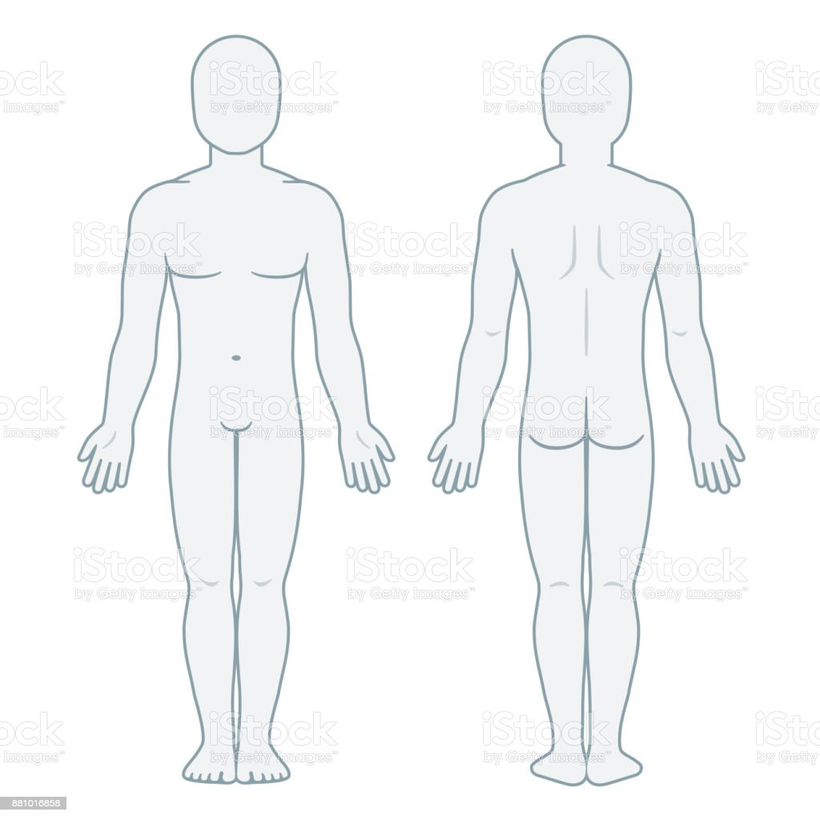
 |  |  |  |  |  |  | Refusal of Treatment and/Transport
 |  |  |  |  |  | I, the undersigned have been advised that the medical assistance
 |  |  |  |  |  | on my behalf is necessaryand that refusal of said medical assistance and or
 |  |  |  |  |  | transportationfor further treatment may result in death, or imperil my healthcondition.
 |  |  |  |  |  | Nevertheless,I refuse to accept treatment and/or transport and assume all the risk
 |  |  |  |  |  | and consequences of my decision and release the Bongabon Municipal Disaster
 |  |  |  |  |  | Rescue Ambulance Crew from any liability arising from my refused.

 |  |  |  |  |  | ___________________ |  |  | _______________
 |  |  |  |  |  | Name & Signature |  |  | Witness

 |  |  |  |  |  | ___________________ |  |  | ________________
 |  |  |  |  |  | Date Signed |  |  | Witness
 |  |  |  |  |  | Provider Information: |  |  | Receiving Facilities:
 |  |  |  |  |  | Crew 1: | __________________ |  | Place: | _______________
 |  |  |  |  |  | Crew 2: | _______________ |  |  | _______________
 |  |  |  |  |  | Crew 3: | _______________
 |  |  |  |  |  | Crew 4: | _______________
 |  |  |  |  |  | Crew 5: | _______________
Injuries/Illness/Chief Complaint:___________________________ |  |  |  |  |  | Driver: | _______________ |  | Receiving Person:
_______________________________________________________ |  |  |  |  |  | Vehicle Used: | _______________
_______________________________________________________
_______________________________________________________________
 |  |  |  |  |  |  |  |  | Name And Signature

Sheet2

 |  |  |  |  | Republic of the Philippines
 |  |  |  |  | Municipality of Bongabon
 |  |  |  |  | Municipal Disaster Risk Reduction and Management Office

 |  |  | INCIDENT REPORT
 |  |  |  |  |  | PATIENT'S SAMPLE HISTORY AND VITAL SIGNS
Date of Incident: |  |  | Time of Call: |  |  | Signs & Symptoms: |  | Blood Pressure: |  | ___ /____
(Petsa ng Insidente) |  |  | (Oras ng Pagtawag) |  |  | (Palatandaan at Sintomas) |  | ____ /____ / _____ /______
Time of Incident: |  |  | At Scene: |  |  | Allergy: |  | Pulse Rate: ____ /____
(Oras ng Insidente) |  |  | (Oras sa Pinangyarihan) |  |  | Alerhiya |  | _____ /_____ /______
Incident/Transfer/Purpose: |  |  | Depart Scene: |  |  | Medications: |  | Respiratory Rate: ____ /____
Insidente/Paglipat /Layunin |  |  | (Oras ng pag alis sa pinangyarihan) |  |  | (Medikasyon) |  | ____ /_____ / _____ /______
Place of Incident: |  |  | Handover: |  |  | Past Med. History: |  | Body Temperature: |  | _____ / _____
(Lugar ng Insidente) |  |  | (Oras ng pag endorso sa pasyente) |  |  | Nakaraang Medikal na Kasaysayan) |  | ____ /_____/ _____ /_____
 |  |  | Back to Base: |  |  | Last Intake/Output:
 |  |  | (Oras ng pagbalik sa base) |  |  | (Huling Kinain/Nilabas)
 |  |  |  |  |  | Events Leading to Injury:
 |  |  |  |  |  | (Dahilan ng Pagkakapinsala)
 | PATIENT'S INFORMATION |  |  |  |  |  | MANAGEMENT /INTERVENTION
Name: |  |  |  | In Case of Emergency
(Pangalan) |  |  | Contact Person: |  |  | Actions Taken:
Age: |  | Gender: |  |  |  | (Pangunang Lunas na Ginawa)
(Edad) |  | (Kasarian) |  |  |  | ___________________________________________________________
Address: |  |  | Contact Number:
(Tirahan) |  |  |  |  |  | ___________________________________________________________

Signature: |  |  | Signature: |  |  | ___________________________________________________________
(Lagda) |  |  | (Lagda ng Kasama)

 |  |  |  |  |  |  | REFUSAL OF TREATMENT AND/TRANSPORT
 |  |  |  |  |  |  | (Pagtanggi sa Pangunang Lunas/Pagdala sa Pagamutan)

 |  |  |  |  |  | Ako, na lumagda sa ibaba, ay maayos na napaliwanagan ukol sa aking
 |  |  |  |  |  | kondisyon at mga serbisyong medikal na aking kailangan ngunit dahil sa
 |  |  |  |  |  | aking personal na kadahilanan aking tinanggihan ang paglipat o paggamot
 |  |  |  |  |  | sa akin. Dahil dito anuman ang maging resulta ng aking desisyon ay
 |  |  |  |  |  | walang sinuman sa mga kawani ng Bongabon MDRRMO Rescue Team ang
 |  |  |  |  |  | may pananagutan dahil sa aking pagtanggi.

 |  |  |  |  |  |  | ______________________
 |  |  |  |  |  |  | Pangalan at Lagda | Witness | Saksi
 |  |  |  |  |  |  | ng pasyente

 |  |  |  |  |  |  | ______________________
 |  |  |  |  |  |  | Petsa ng pagka Lagda | Saksi

 |  |  |  |  |  | PROVIDER'S INFORMATION: |  | RECEIVING FACILITIES:
INJURIES/ ILLNESS/CHIEF COMPLAINT: |  |  |  |  |  | (Tagapagbigay ng Pangunang Lunas) |  | (Pagamutang Tumanggap)
(Mga Pinsala/Sakit/Pangunahing Daing) |  |  |  |  |  | Crew 1: | _________________ | Place: | __________________
_________________________________________________________________ |  |  |  |  |  |  |  | ____________________________
 |  |  |  |  |  | Crew 2: | _________________
_________________________________________________________________
 |  |  |  |  |  | Crew 3: | _________________
_________________________________________________________________
 |  |  |  |  |  | Crew 4: | _________________
_________________________________________________________________ |  |  |  |  |  |  |  | Receiving Person:
 |  |  |  |  |  | Crew 5: | _________________
_________________________________________________________________
 |  |  |  |  |  | Driver: | _________________
_________________________________________________________________
 |  |  |  |  |  | Vehicle Used:_______________
 |  |  |  |  |  |  |  | Name and Signature

