runs_statistics
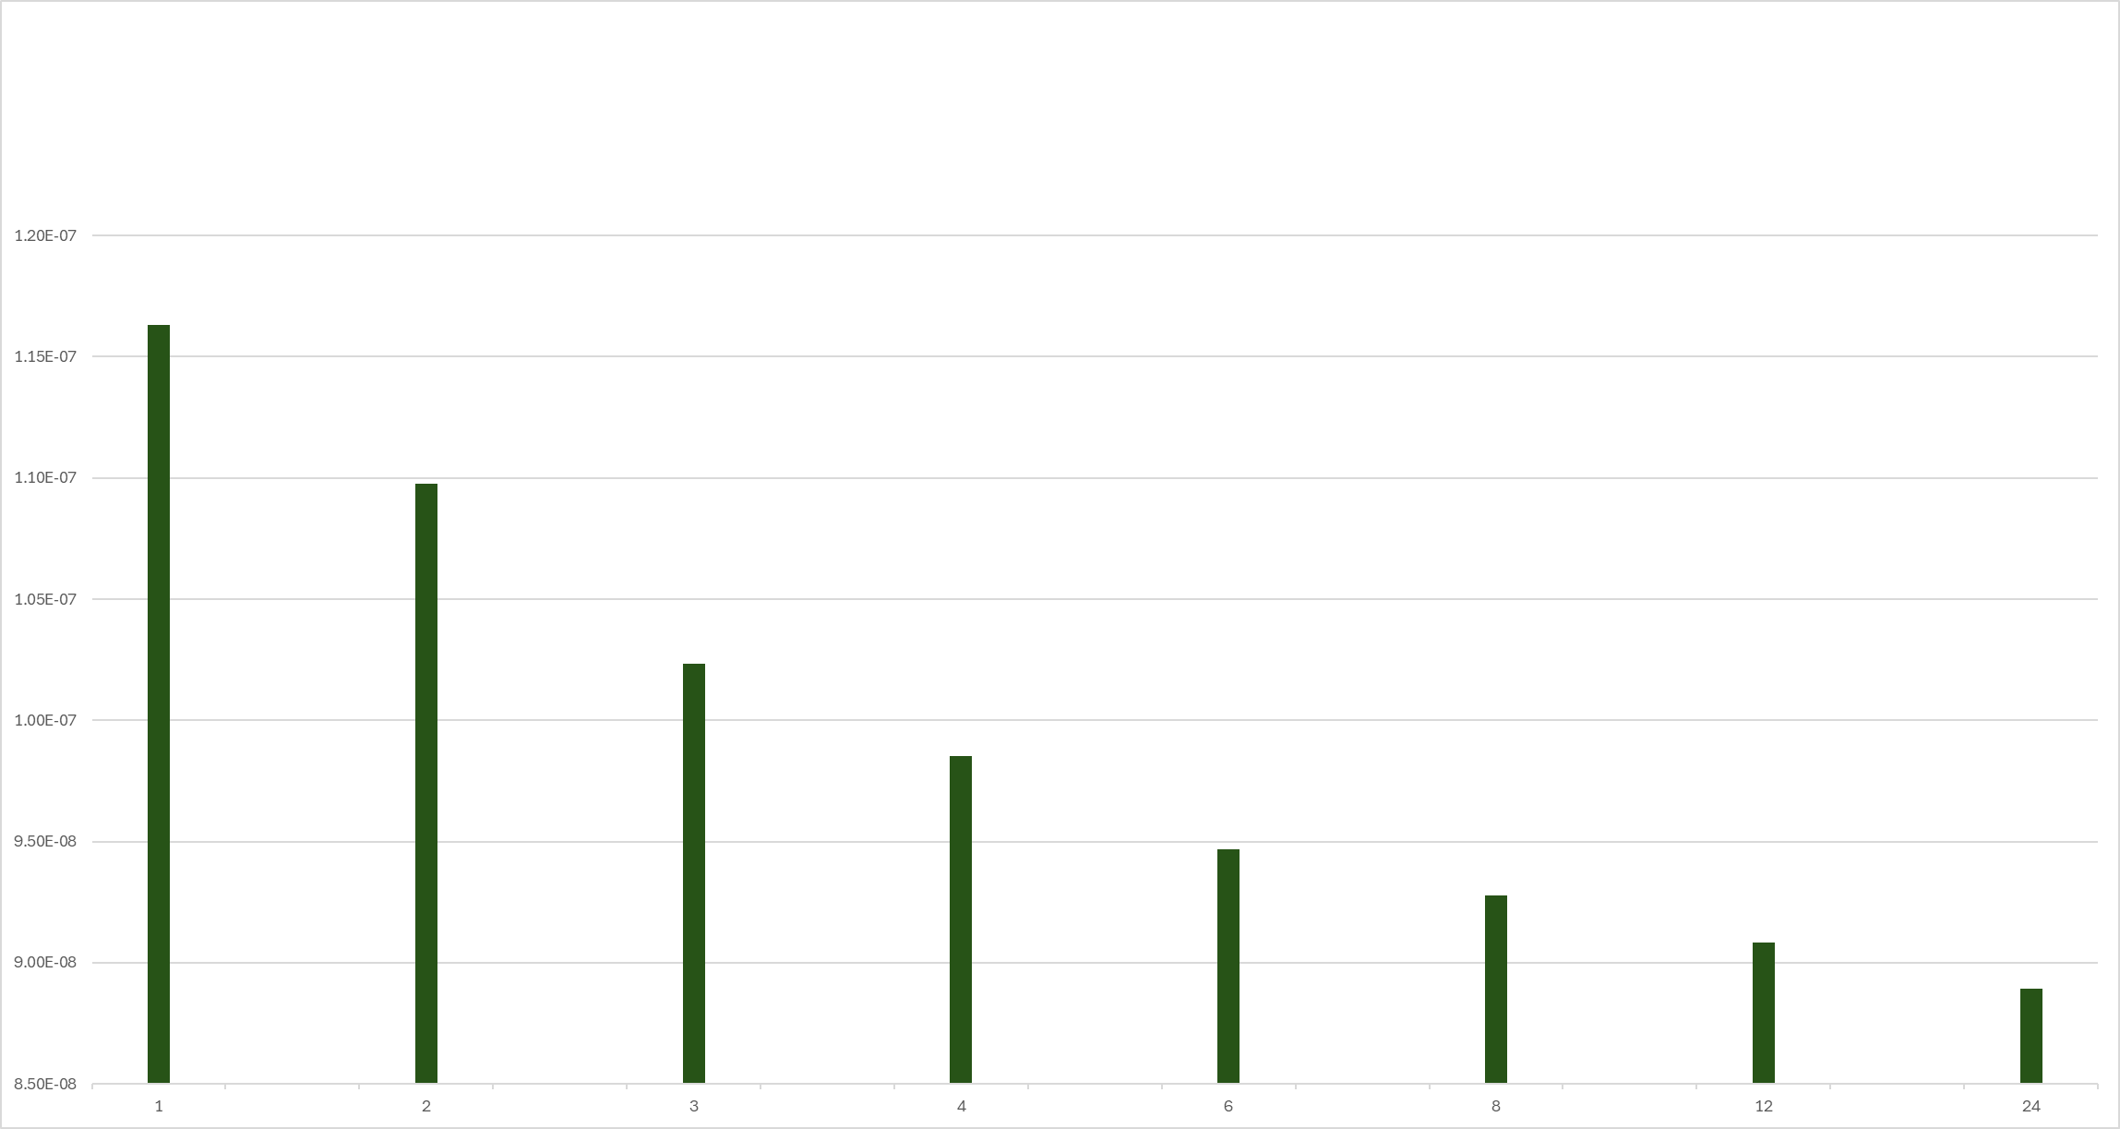
['Target_images\\mandrill_smaller.png'] | Num_iterations: | 1000 | Num_frames: | 1 | Time: | 10.08784914 | NMSE: | 1.16E-07 | SSIM: | 0.1544

['Target_images\\mandrill_smaller.png'] | Num_iterations: | 1000 | Num_frames: | 2 | Time: | 15.655446053 | NMSE: | 1.10E-07 | SSIM: | 0.1693

['Target_images\\mandrill_smaller.png'] | Num_iterations: | 1000 | Num_frames: | 3 | Time: | 21.477212191 | NMSE: | 1.02E-07 | SSIM: | 0.1933

['Target_images\\mandrill_smaller.png'] | Num_iterations: | 1000 | Num_frames: | 4 | Time: | 28.678557396 | NMSE: | 9.85E-08 | SSIM: | 0.2097

['Target_images\\mandrill_smaller.png'] | Num_iterations: | 1000 | Num_frames: | 6 | Time: | 41.465100288 | NMSE: | 9.47E-08 | SSIM: | 0.2303

['Target_images\\mandrill_smaller.png'] | Num_iterations: | 1000 | Num_frames: | 8 | Time: | 53.987945557 | NMSE: | 9.28E-08 | SSIM: | 0.2438

['Target_images\\mandrill_smaller.png'] | Num_iterations: | 1000 | Num_frames: | 12 | Time: | 73.073103905 | NMSE: | 9.08E-08 | SSIM: | 0.2602

['Target_images\\mandrill_smaller.png'] | Num_iterations: | 1000 | Num_frames: | 24 | Time: | 251.24066663 | NMSE: | 8.89E-08 | SSIM: | 0.2811

1 | 1.16E-07
2 | 1.10E-07
3 | 1.02E-07
4 | 9.85E-08
6 | 9.47E-08
8 | 9.28E-08
12 | 9.08E-08
24 | 8.89E-08

ssim
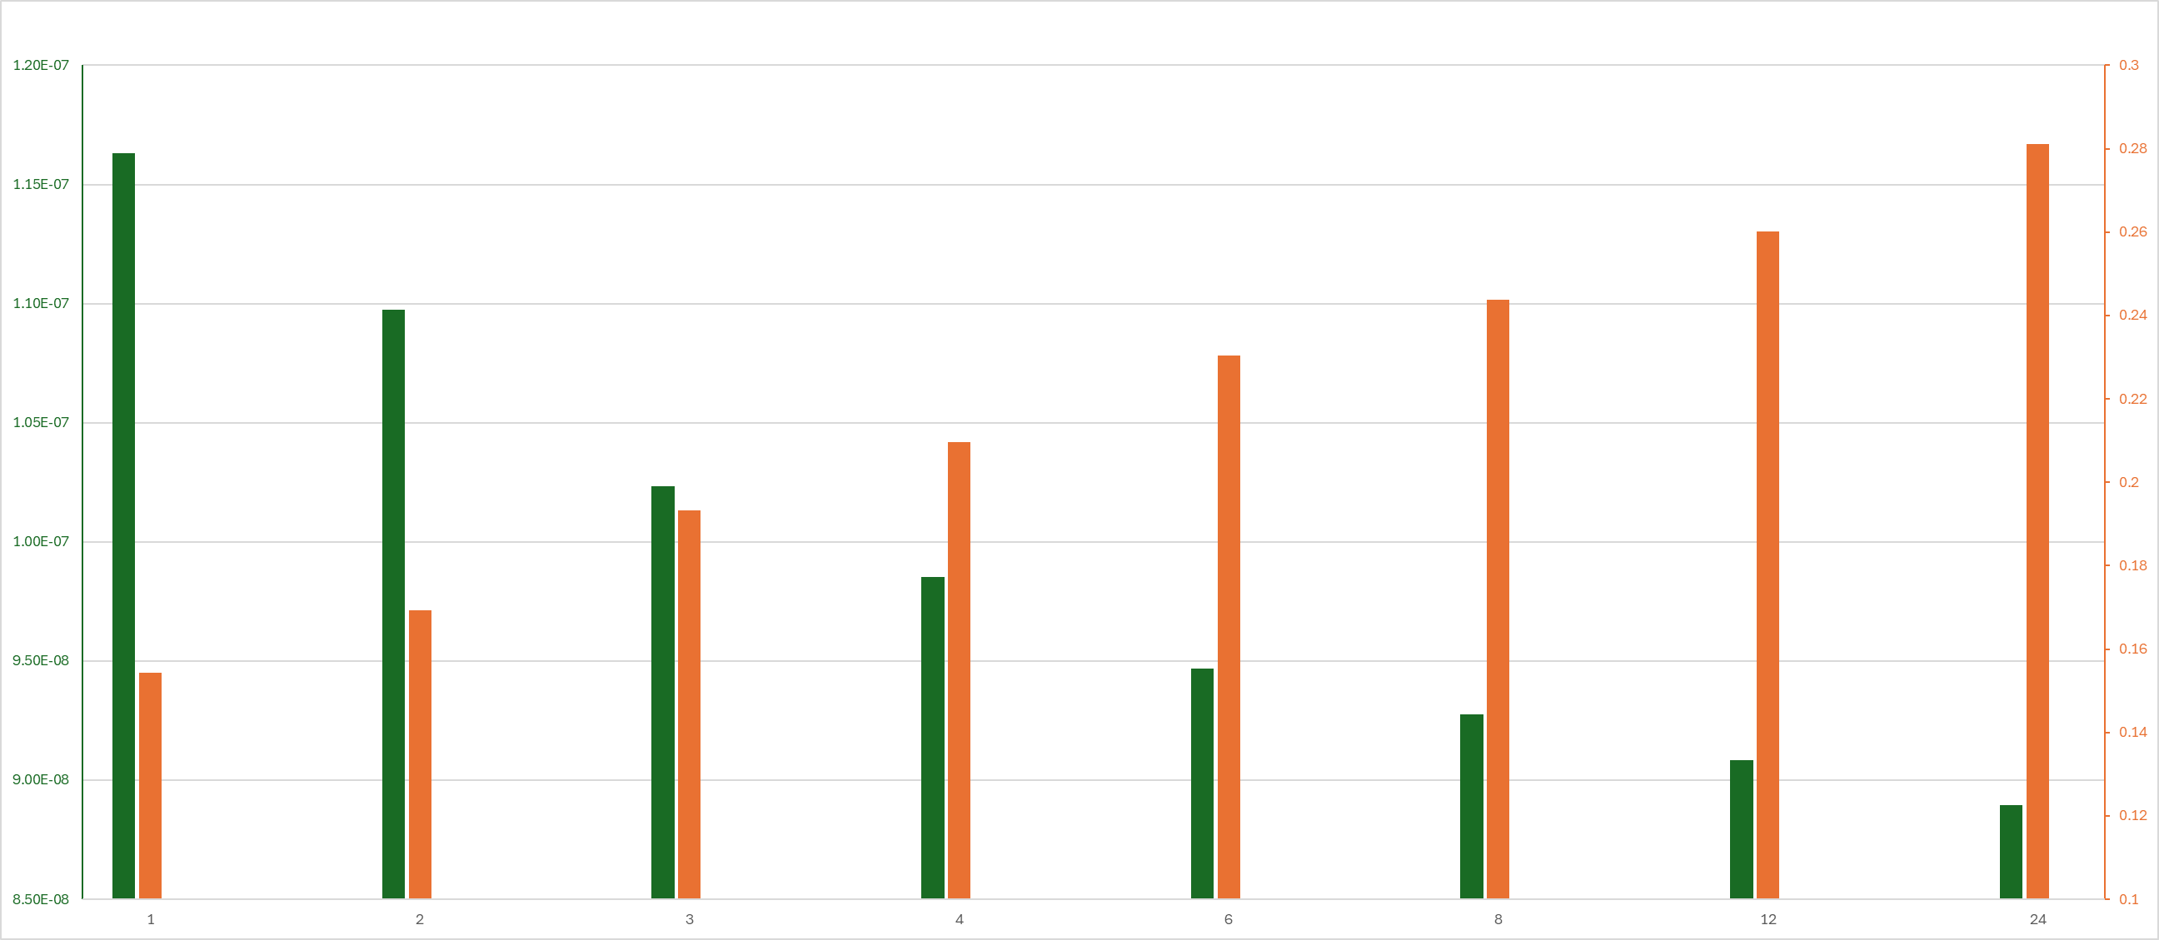
 |  |  |  | Number of frames |  |  |  | NMSE |  | SSIM
['Target_images\\mandrill_smaller.png'] | Num_iterations: | 1000 | Num_frames: | 1 | Time: | 10.08784914 | NMSE: | 1.16E-07 | SSIM: | 0.1544
['Target_images\\mandrill_smaller.png'] | Num_iterations: | 1000 | Num_frames: | 2 | Time: | 15.655446053 | NMSE: | 1.10E-07 | SSIM: | 0.1693
['Target_images\\mandrill_smaller.png'] | Num_iterations: | 1000 | Num_frames: | 3 | Time: | 21.477212191 | NMSE: | 1.02E-07 | SSIM: | 0.1933
['Target_images\\mandrill_smaller.png'] | Num_iterations: | 1000 | Num_frames: | 4 | Time: | 28.678557396 | NMSE: | 9.85E-08 | SSIM: | 0.2097
['Target_images\\mandrill_smaller.png'] | Num_iterations: | 1000 | Num_frames: | 6 | Time: | 41.465100288 | NMSE: | 9.47E-08 | SSIM: | 0.2303
['Target_images\\mandrill_smaller.png'] | Num_iterations: | 1000 | Num_frames: | 8 | Time: | 53.987945557 | NMSE: | 9.28E-08 | SSIM: | 0.2438
['Target_images\\mandrill_smaller.png'] | Num_iterations: | 1000 | Num_frames: | 12 | Time: | 73.073103905 | NMSE: | 9.08E-08 | SSIM: | 0.2602
['Target_images\\mandrill_smaller.png'] | Num_iterations: | 1000 | Num_frames: | 24 | Time: | 251.24066663 | NMSE: | 8.89E-08 | SSIM: | 0.2811

 |  |  |  |  |  | Number of frames | NMSE | ddasd | asda | SSIM
 |  |  |  |  |  | 1 | 1.16E-07 |  |  | 0.1544

 |  |  |  |  |  | 2 | 1.10E-07 |  |  | 0.1693

 |  |  |  |  |  | 3 | 1.02E-07 |  |  | 0.1933

 |  |  |  |  |  | 4 | 9.85E-08 |  |  | 0.2097

 |  |  |  |  |  | 6 | 9.47E-08 |  |  | 0.2303

 |  |  |  |  |  | 8 | 9.28E-08 |  |  | 0.2438

 |  |  |  |  |  | 12 | 9.08E-08 |  |  | 0.2602

 |  |  |  |  |  | 24 | 8.89E-08 |  |  | 0.2811

 | NMSE | ddasd | asda | SSIM
1 | 1.16E-07 |  |  | 0.1544
2 | 1.10E-07 |  |  | 0.1693
3 | 1.02E-07 |  |  | 0.1933
4 | 9.85E-08 |  |  | 0.2097
6 | 9.47E-08 |  |  | 0.2303
8 | 9.28E-08 |  |  | 0.2438
12 | 9.08E-08 |  |  | 0.2602
24 | 8.89E-08 |  |  | 0.2811

