Scenario Description
No Semi-Natural Habitat (Composite SNH Score = 0)
No Cover Crops (CC score = 0)
No-till, i.e. >30% residue, and no crop left unharvested (Tillage Score = 2)
Simple ag landscape in Douglas County, WA (0.108 Simpson Diversity Index score)
Proactive scouting and no other pest mgmt. practices (Pest Mgmt. score = 3)
Winter Wheat-Fallow-Pea-Canola (Crop Rotation Score = 4)
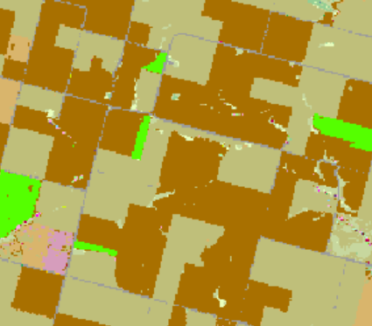
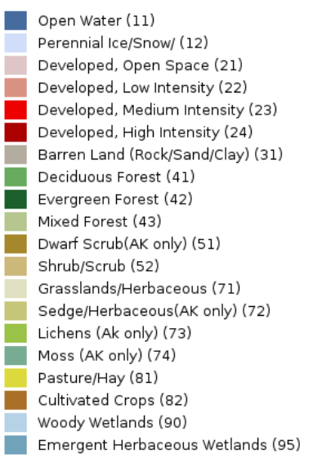
No Cropland conversion in previous 20 years (Conversion score = 0)

6x6 km | 6x6 km
USDA NASS Croland Data Layer | USGS National Land Cover Database
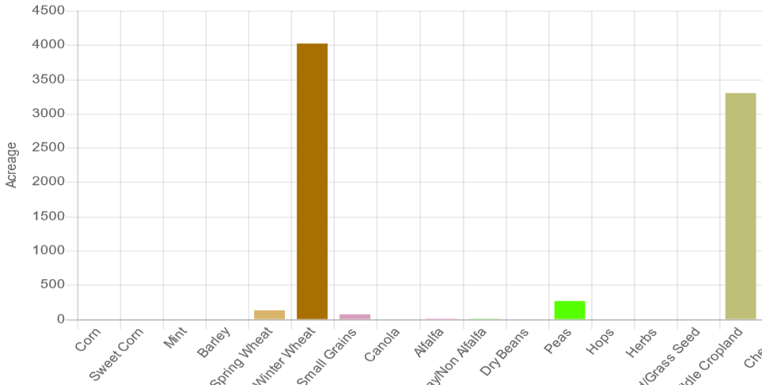

 |  | USGS NLCD Legend

USDA NASS Cropland Data Layer Legend

