Scenario Description
Grassed Waterway (Composite SNH Score = 9.3)
Grassed Waterway (Base Practice Score = 2)
Predominately introduced species (Vegetative diversity score = 1)
Practice covers 10% of the field (size ratio = 1.1)
Practice is located within the field (configuration score =4)
Spot treatment of invasive/noxious species (mgmt. score = 2)
No Cover Crop (Cover Crop Score = 0)
Conservation or strip-till, i.e. 15-30% residue, and no crop left unharvested (Tillage Score = 1)
Relatively simple ag landscape in Johnson County, IA (0.398 Simpson Diversity Index score)
Nonchemical products (Organic operation) with no setback around grassed waterway (Pest Mgmt. score = 5)
Corn-Soy Rotation (Crop Rotation Score = 1)
No Cropland conversion in previous 20 years (Conversion score = 0)

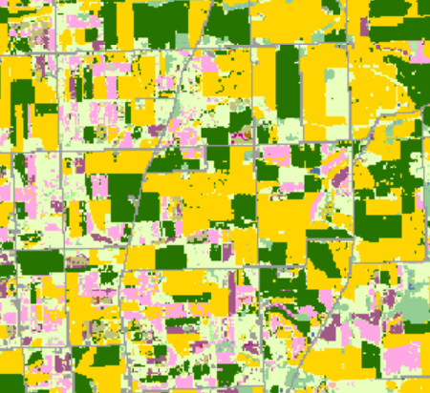
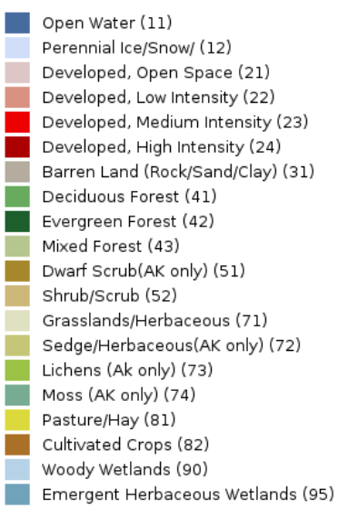

6x6 km | 6x6 km
USDA NASS Croland Data Layer | USGS National Land Cover Database
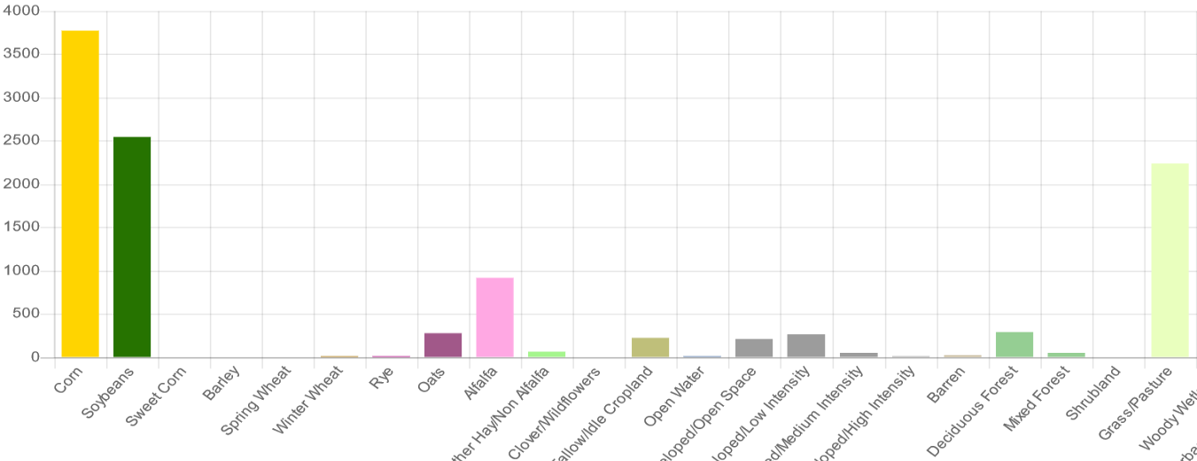

 |  | USGS NLCD Legend

USDA NASS Cropland Data Layer Legend

