Scenario Description
Conservation Cover (Composite SNH Score = 19.65)
Conservation Cover (Base Practice Score = 8)
Predominately native grasses and forbs, floral resources through growing season (Vegetative diversity score = 5)
Practice covers 5% of the field (size ratio = 1.05)
Practice is located along one side of the field (configuration score =1)
Prescribed fire (mgmt. score = 5)
Multi-species, winter hardy cover crop terminated before flowering (Cover Crop Score = 5)
No-Till (Tillage Score = 2)
Complex ag landscape in Calhoun County, GA (1.804 Shannon Diversity Index score)
Scouting and application based on economic thresholds (Pest Mgmt. score = 5)
Peanut-Cotton rotation (Crop Rotation Score = 0)
Corn-Cotton-Peanut rotation (Crop Rotation Score = 2)

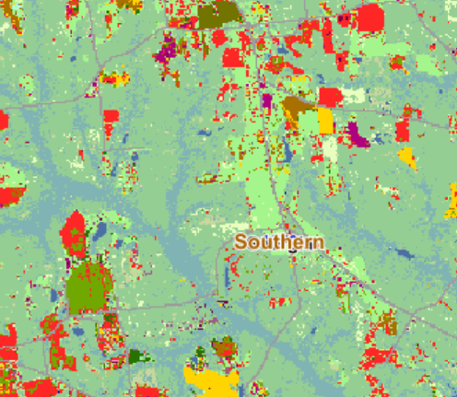
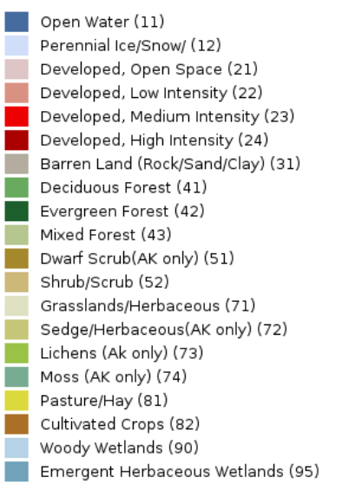

6x6 km | 6x6 km
USDA NASS Croland Data Layer | USGS National Land Cover Database
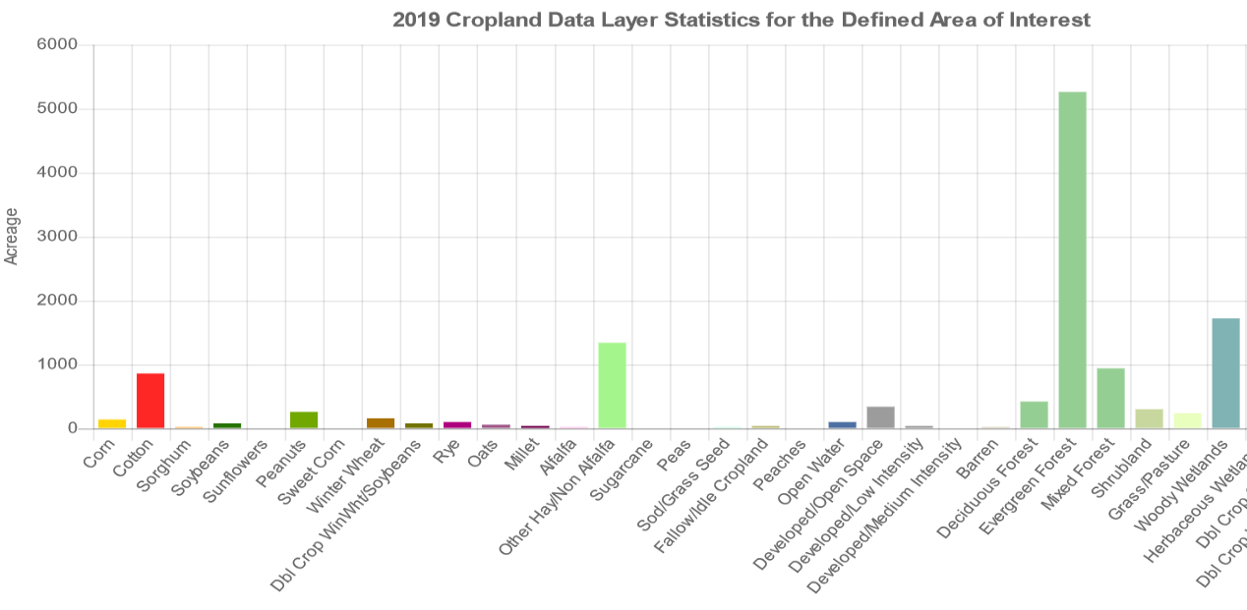

USDA NASS Cropland Data Layer Legend

