Sheet1
Motory |  |  |  |  |  |  |  | Uzitecne odkazy
PIN | Device | ALT func | Dev. ID
PTA12 | Left motor | FTM1_CH0 |  |  |  | PWM |  | https://www.openhacks.com/uploadsproductos/frdm-kl25z_pinouts__rev_1.0_.pdf
PTA13 | Right motor | FTM1_CH1 |  |  |  | PWM |  | https://os.mbed.com/platforms/KL25Z/
PTD5 | Servo motor | FTM0_CH5 |  |  |  | PWM

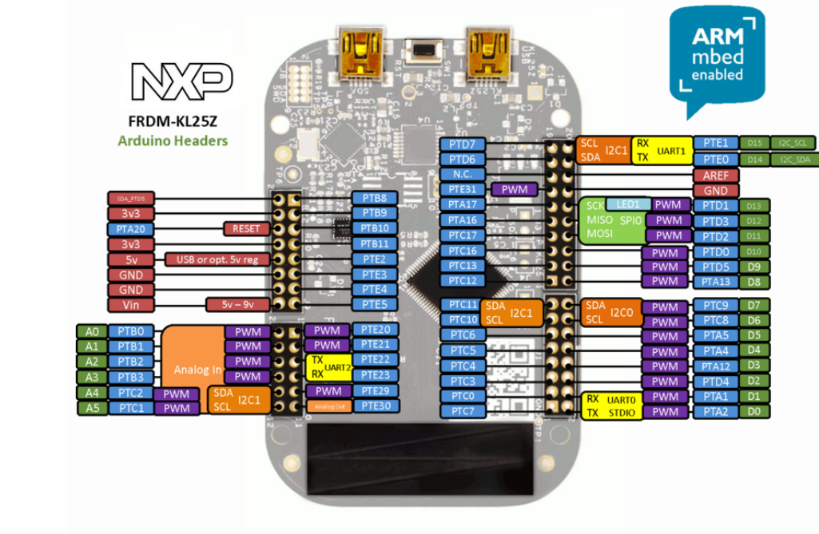
Hallovky
PIN | Device | ALT func | Dev. ID
PTD2 | Left hall | Pull Up |  |  | IRQ | IRQ
PTD2 | Right hall | Pull Up |  |  | IRQ | IRQ

Senzory
PIN | Device | ALT func | Dev. ID
PTD0 | Left color sensor | FTM0_CH0 | TCS3200 | > | LOW |  | Merime HIGH, abychom dostali sirku pasma, aka barvu
PTD4 | Right color sensor | FTM0_CH4 | TCS3200 | > | LOW
PTD3 | Center color sensor | FTM0_CH3 | TCS3200 | > | LOW
PTA4 | Left helping sensor | GPIOA, 4 | Todo |  | IRQ | IRQ
PTA5 | Right helping sensor | GPIOA, 5 | Todo |  | IRQ | IRQ
PTC4 | S0, S2 TCS3200 pin | GPIOC, 4 | TCS3200 |  | HIGH | GPIO
PTC5 | S1, S3 TCS3200 pin | GPIOC, 5 | TCS3200 |  | LOW | GPIO

Laser
PIN | Device | ALT func | Dev. ID
PTC11 | SDA |  |  |  | I2C1
PTC10 | SCL

OpenSDA
PIN | Device | ALT func | Dev. ID
PTA1 | RX |  |  |  | UART0
PTA2 | TX

