Correlation Matrix PD on med
Age | Yrs Since Diagnosis | UPDRS_ON | LED mg (total daily) |  | Age | Yrs Since Diagnosis | SamplEn on times 100 | LED mg (total daily) |  | Age | Yrs Since Diagnosis | UPDRS_ON | SamplEn on times 100 | LED mg (total daily)
75 | 6 | 18 | 600 |  | 75 | 6 | 139.00 | 600 |  | 75 | 6 | 18 | 139.00 | 600
79 | 2 | 32 | 250 |  | 79 | 2 | 81.00 | 250 |  | 79 | 2 | 32 | 81.00 | 250
71 | 7 | 35 | 400 |  | 71 | 7 | 64.00 | 400 |  | 71 | 7 | 35 | 64.00 | 400
68 | 3 | 34 | 300 |  | 68 | 3 | 74.00 | 300 |  | 68 | 3 | 34 | 74.00 | 300
68 | 2 | 34 | 200 |  | 68 | 2 | 88.00 | 200 |  | 68 | 2 | 34 | 88.00 | 200
61 | 3 | 34 | 1500 |  | 61 | 3 | 65.00 | 1500 |  | 61 | 3 | 34 | 65.00 | 1500
55 | 7 | 33 | 500 |  | 55 | 7 | 47.00 | 500 |  | 55 | 7 | 33 | 47.00 | 500
74 | 3 | 22 | 600 |  | 74 | 3 | 86.00 | 600 |  | 74 | 3 | 22 | 86.00 | 600
72 | 6 | 12 | 700 |  | 72 | 6 | 57.00 | 700 |  | 72 | 6 | 12 | 57.00 | 700
49 | 1 | 22 | 60 |  | 49 | 1 | 85.00 | 60 |  | 49 | 1 | 22 | 85.00 | 60
70 | 20 | 40 | 1650 |  | 70 | 20 | 25.00 | 1650 |  | 70 | 20 | 40 | 25.00 | 1650
77 | 1 | 28 | 600 |  | 77 | 1 | 97.00 | 600 |  | 77 | 1 | 28 | 97.00 | 600
66 | 10 | 21 | 700 |  | 66 | 10 | 94.00 | 700 |  | 66 | 10 | 21 | 94.00 | 700

Analysis for PD on medication | UPDRS |  |  |  | SamplEn |  |  |  |  |  | Combination

 | Age | YrsSinceDiagnosis | UPDRS_ON | LEDMg_totalDaily |  | Age | YrsSinceDiagnosis | SamplEnOnTimes100 | LEDMg_totalDaily |  |  |  |  | Age | YrsSinceDiagnosis | UPDRS_ON | SamplEnOnTimes100 | LEDMg_totalDaily
Age | 1.00 | 0.04 | -0.07 | 0.06 | Age | 1.00 | 0.04 | 0.27 | 0.06 |  |  |  | Age | 1.00 | 0.04 | -0.07 | 0.27 | 0.06
YrsSinceDiagnosis | 0.04 | 1.00 | 0.24 | 0.65 | YrsSinceDiagnosis | 0.04 | 1.00 | -0.52 | 0.65 |  |  |  | YrsSinceDiagnosis | 0.04 | 1.00 | 0.24 | -0.52 | 0.65
UPDRS_ON | -0.07 | 0.24 | 1.00 | 0.25 | SamplEnOnTimes100 | 0.27 | -0.52 | 1.00 | -0.45 |  |  |  | UPDRS_ON | -0.07 | 0.24 | 1.00 | -0.51 | 0.25
LEDMg_totalDaily_ | 0.06 | 0.65 | 0.25 | 1.00 | LEDMg_totalDaily_ | 0.06 | 0.65 | -0.45 | 1.00 |  |  |  | SamplEnOnTimes100 | 0.27 | -0.52 | -0.51 | 1.00 | -0.45
 |  |  |  |  |  |  |  |  |  |  |  |  | LEDMg_totalDaily_ | 0.06 | 0.65 | 0.25 | -0.45 | 1.00

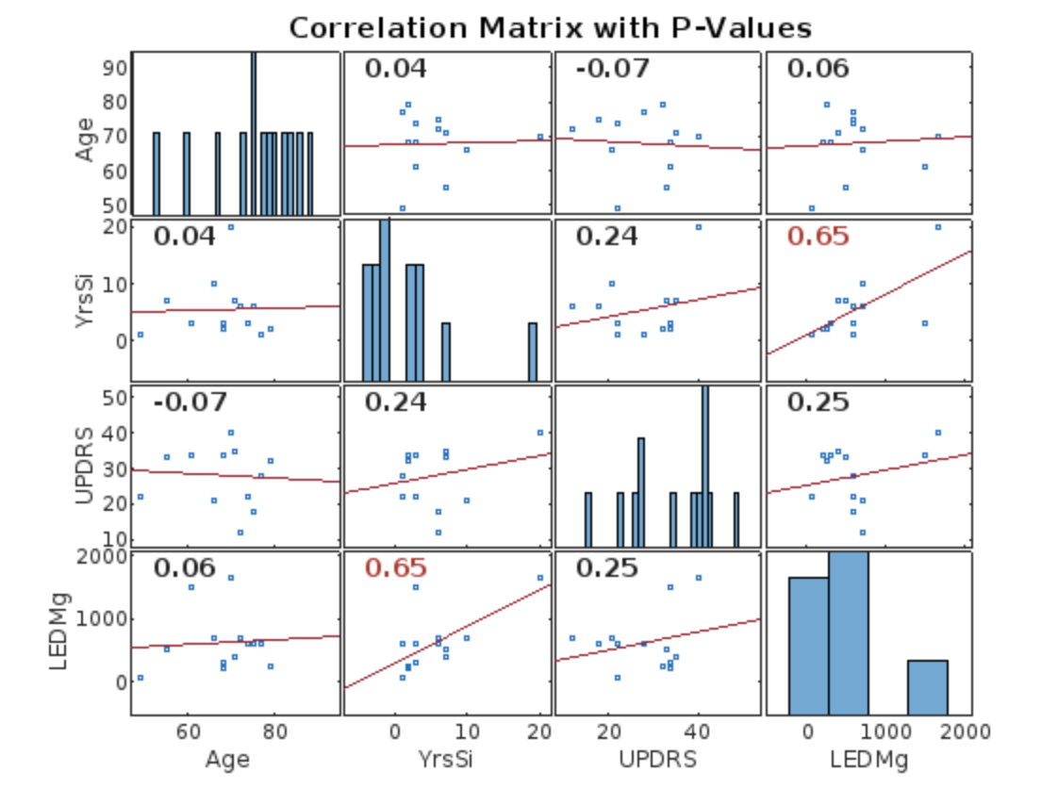
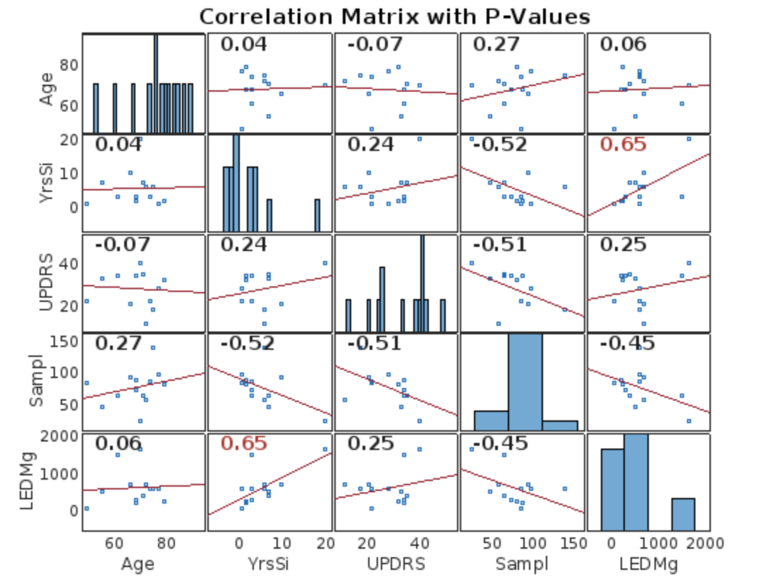
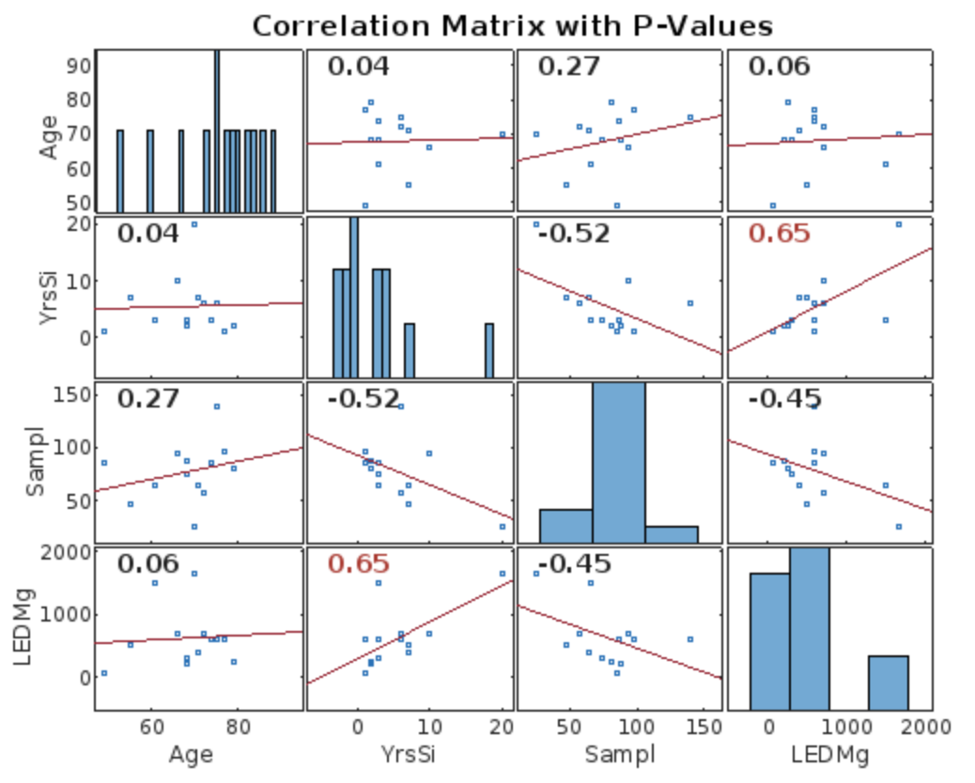

Comments |  |  |  |  | Comments |  |  |  |  |  |  |  | Comments
UPDRS_ON increase which increase as well the level of medication |  |  |  |  | SamplEnOn decrease it increase level of medication correct as less SamplEn more regular brain signal is |  |  |  |  |  |  |  | SamplEnOn has a creater impact vs UDPRS

Input data

