Summary
 |  |  | Cumulative Extraction Summary by Method
 |  |  | (time measured in seconds)
 |  |  |  | Excel (Advanced) | LLM API | Python |  | Standardization Goal
 |  |  | Ticker | Manual | Presentation (exc build) | Script (exc build)
 | -29% | 22% | BAC | 304 | 215 | 372
 | -18% | 62% | WFC | 544 | 446 | 882
 | -20% | -68% | JPM | 492 | 393 | 158 |  |  |  |  |  |  |  |  |  |  | Scroll
 | -32% | -35% | PNC | 260 | 177 | 169 |  |  |  |  |  |  |  |  |  |  | Right
 | -60% | -71% | KEY | 596 | 238 | 173 |  |  |  |  |  |  |  |  |  |  | for
Cumulative Extraction Time (10-Q)
 | -55% | 32% | HBAN | 224 | 100 | 296 |  |  |  |  |  |  |  |  |  |  | Charts
Extraction Time Saving vs Manual
 | -76% | -66% | CFG | 424 | 103 | 143
Cumulative Extraction Time (Presentation)
 | -68% | -59% | FCNCA | 352 | 111 | 146
 | -75% | 1% | SNV | 472 | 118 | 477
 | -46% | -30% | RF | 484 | 263 | 340

 | -48% | -24% | Average | 415 | 216 | 316
 |  |  | Efficency |  | 48% | 24%

 |  |  |  |  |  |  |  |  |  |  |  |  |  |  |  |  |  |  | Cumulative Time (10-Q) |  |  |  |  | Cumulative Time (10-Q)
 |  |  | Advanced Excel Manual Benchmark (10-Q) |  |  |  |  |  |  |  |  |  |  |  |  | Time Savings |  |  | (Python Modules vs Advanced Excel) |  |  |  |  | LLM API vs Advanced Excel
 |  |  | (time measured in seconds)
 | Ticker | Quarter | Extraction | Standardization | Database Format | Total |  | Adjustment | Execute | Accuracy | Total | Adjustment | Execute | Total | Date | LLM API | Python Modules |  | Advanced Excel | Python Modules | Delta | Efficiency % |  | Advanced Excel | LLM API | Delta | Efficiency %
 | BAC | 4Q24 | 30 | 0 | 46 | 76 |  | 37 | 19 | 70.00% | 56 | 62 | 28 | 90 | 2024-12-31 | 20 | -14 | 2024-12-31 | 304 | 372 | 68 | -22% | 2024-12-31 | 304 | 215 | -89 | 29% | BAC
Base | BAC | 3Q24 | 30 | 0 | 46 | 76 |  | 0 | 20 | 90.0% | 55 | 0 | 32 | 97 | 2024-09-30 | 21 | -21 | 2024-09-30 | 228 | 282 | 54 | -24% | 2024-09-30 | 228 | 159 | -69 | 30% | BAC
 | BAC | 2Q24 | 30 | 0 | 46 | 76 |  | 34 | 19 | 100.0% | 53 | 49 | 25 | 74 | 2024-06-30 | 23 | 2 | 2024-06-30 | 152 | 185 | 33 | -22% | 2024-06-30 | 152 | 104 | -48 | 32% | BAC
 | BAC | 1Q24 | 30 | 0 | 46 | 76 |  | 34 | 17 | 100.0% | 51 | 84 | 27 | 111 | 2024-03-31 | 25 | -35 | 2024-03-31 | 76 | 111 | 35 | -46% | 2024-03-31 | 76 | 51 | -25 | 33% | BAC
Extraction Time Saving vs Manual
Cumulative Extraction Time (10-Q)
Cumulative Extraction Time (Presentation)
 | Total |  |  |  | Cumulative Total | 304 |  |  | Cumulative Total |  | 215 |  | Cumulative Total | 372 | Total | 89 | -68
 |  |  |  |  |  |  |  |  | Cumulative Efficiency % |  | 29% |  | Cumulative Efficiency % | -22%
 |  |  |  |  |  |  |  |  | Average Accuracy | 90%
 |  |  |  |  |  |  |  |  |  |  |  | 65 | 28

 |  |  | Advanced Excel Manual Benchmark (10-Q)
 |  |  | (time measured in seconds)
 | Ticker | Quarter | Extraction | Standardization | Database Format | Total |  | Adjustment | Execute | Accuracy | Total | Adjustment | Execute | Total | Date | LLM API | Python Modules |  | Advanced Excel | Python Modules | Delta | Efficiency % |  | Advanced Excel | LLM API | Delta | Efficiency %
 | WFC | 4Q24 | 52 | 54 | 30 | 136 |  | 85 | 24 | 83.3% | 109 | 200 | 25 | 225 | 2024-12-31 | 27 | -89 | 2024-12-31 | 544 | 882 | 338 | -62% | 2024-12-31 | 544 | 446 | -98 | 18% | WFC
Base | WFC | 3Q24 | 52 | 54 | 30 | 136 |  | 0 | 33 | 85.0% | 113 | 0 | 40 | 233 | 2024-09-30 | 23 | -97 | 2024-09-30 | 408 | 658 | 250 | -61% | 2024-09-30 | 408 | 337 | -71 | 17% | WFC
 | WFC | 2Q24 | 52 | 54 | 30 | 136 |  | 74 | 31 | 80.0% | 105 | 189 | 25 | 214 | 2024-06-30 | 31 | -78 | 2024-06-30 | 272 | 425 | 153 | -56% | 2024-06-30 | 272 | 224 | -48 | 18% | WFC
 | WFC | 1Q24 | 52 | 54 | 30 | 136 |  | 80 | 39 | 85.0% | 119 | 190 | 21 | 211 | 2024-03-31 | 17 | -75 | 2024-03-31 | 136 | 211 | 75 | -55% | 2024-03-31 | 136 | 119 | -17 | 13% | WFC
 |  |  |  |  | Cumulative Total | 544 |  |  | Cumulative Total |  | 446 |  | Cumulative Total | 882 | Total | 98 | -338
 |  |  |  |  |  |  |  |  | Cumulative Efficiency % |  | 18% |  | Cumulative Efficiency % | -62%
Extraction Time Saving vs Manual
Cumulative Extraction Time (10-Q)
Cumulative Extraction Time (Presentation)
 |  |  |  |  |  |  |  |  | Average Accuracy | 83%
 |  |  |  |  |  |  |  |  |  |  |  | 193 | 28

 |  |  | Advanced Excel Manual Benchmark (10-Q)
 |  |  | (time measured in seconds)
 | Ticker | Quarter | Extraction | Standardization | Database Format | Total |  | Adjustment | Execute | Accuracy | Total | Adjustment | Execute | Total | Date | LLM API | Python Modules |  | Advanced Excel | Python Modules | Delta | Efficiency % |  | Advanced Excel | LLM API | Delta | Efficiency %
 | JPM | 4Q24 | 49 | 39 | 35 | 123 |  | 65 | 34 | 81.3% | 99 | 20 | 18 | 38 | 2024-12-31 | 24 | 85 | 2024-12-31 | 492 | 158 | -334 | 68% | 2024-12-31 | 492 | 393 | -99 | 20% | JPM
Base | JPM | 3Q24 | 49 | 39 | 35 | 123 |  | 0 | 35 | 75.0% | 96 | 0 | 29 | 49 | 2024-09-30 | 27 | 74 | 2024-09-30 | 369 | 120 | -249 | 67% | 2024-09-30 | 369 | 294 | -75 | 20% | JPM
 | JPM | 2Q24 | 49 | 39 | 35 | 123 |  | 60 | 43 | 81.3% | 103 | 18 | 14 | 32 | 2024-06-30 | 20 | 91 | 2024-06-30 | 246 | 71 | -175 | 71% | 2024-06-30 | 246 | 198 | -48 | 20% | JPM
 | JPM | 1Q24 | 49 | 39 | 35 | 123 |  | 58 | 37 | 75.0% | 95 | 22 | 17 | 39 | 2024-03-31 | 28 | 84 | 2024-03-31 | 123 | 39 | -84 | 68% | 2024-03-31 | 123 | 95 | -28 | 23% | JPM
 |  |  |  |  | Cumulative Total | 492 |  |  | Cumulative Total |  | 393 |  | Cumulative Total | 158 | Total | 99 | 334
 |  |  |  |  |  |  |  |  | Cumulative Efficiency % |  | 20% |  | Cumulative Efficiency % | 68%
Extraction Time Saving vs Manual
Cumulative Extraction Time (10-Q)
 |  |  |  |  |  |  |  |  | Average Accuracy | 78%
Cumulative Extraction Time (Presentation)
 |  |  |  |  |  |  |  |  |  |  |  | 20 | 20

 |  |  | Advanced Excel Manual Benchmark (10-Q)
 |  |  | (time measured in seconds)
 | Ticker | Quarter | Extraction | Standardization | Database Format | Total |  | Adjustment | Execute | Accuracy | Total | Adjustment | Execute | Total | Date | LLM API | Python Modules |  | Advanced Excel | Python Modules | Delta | Efficiency % |  | Advanced Excel | LLM API | Delta | Efficiency %
 | PNC | 4Q24 | 22 | 12 | 31 | 65 |  | 27 | 26 | 92.9% | 53 | 30 | 15 | 45 | 2024-12-31 | 12 | 20 | 2024-12-31 | 260 | 169 | -91 | 35% | 2024-12-31 | 260 | 177 | -83 | 32% | PNC
Base | PNC | 3Q24 | 22 | 12 | 31 | 65 |  | 0 | 25 | 100.0% | 44 | 0 | 32 | 56 | 2024-09-30 | 21 | 9 | 2024-09-30 | 195 | 124 | -71 | 37% | 2024-09-30 | 195 | 124 | -71 | 36% | PNC
 | PNC | 2Q24 | 22 | 12 | 31 | 65 |  | 2 | 24 | 100.0% | 26 | 20 | 15 | 35 | 2024-06-30 | 39 | 30 | 2024-06-30 | 130 | 68 | -62 | 48% | 2024-06-30 | 130 | 80 | -50 | 38% | PNC
 | PNC | 1Q24 | 22 | 12 | 31 | 65 |  | 28 | 26 | 92.9% | 54 | 21 | 12 | 33 | 2024-03-31 | 11 | 32 | 2024-03-31 | 65 | 33 | -32 | 49% | 2024-03-31 | 65 | 54 | -11 | 17% | PNC
 |  |  |  |  | Cumulative Total | 260 |  |  | Cumulative Total |  | 177 |  | Cumulative Total | 169 | Total | 83 | 91
Extraction Time Saving vs Manual
Cumulative Extraction Time (10-Q)
 |  |  |  |  |  |  |  |  | Cumulative Efficiency % |  | 32% |  | Cumulative Efficiency % | 35%
Cumulative Extraction Time (Presentation)
 |  |  |  |  |  |  |  |  | Average Accuracy | 96%
 |  |  |  |  |  |  |  |  |  |  |  | 24 | 19

 |  |  | Advanced Excel Manual Benchmark (10-Q)
 |  |  | (time measured in seconds)
 | Ticker | Quarter | Extraction | Standardization | Database Format | Total |  | Adjustment | Execute | Accuracy | Total | Adjustment | Execute | Total | Date | LLM API | Python Modules |  | Advanced Excel | Python Modules | Delta | Efficiency % |  | Advanced Excel | LLM API | Delta | Efficiency %
 | KEY | 4Q24 | 47 | 60 | 42 | 149 |  | 31 | 28 | 100.0% | 59 | 48 | 12 | 60 | 2024-12-31 | 90 | 89 | 2024-12-31 | 596 | 173 | -423 | 71% | 2024-12-31 | 596 | 238 | -358 | 60% | KEY
Base | KEY | 3Q24 | 47 | 60 | 42 | 149 |  | 0 | 24 | 100.0% | 56 | 0 | 23 | 50 | 2024-09-30 | 93 | 99 | 2024-09-30 | 447 | 113 | -334 | 75% | 2024-09-30 | 447 | 179 | -268 | 60% | KEY
 | KEY | 2Q24 | 47 | 60 | 42 | 149 |  | 36 | 32 | 87.5% | 68 | 17 | 17 | 34 | 2024-06-30 | 81 | 115 | 2024-06-30 | 298 | 63 | -235 | 79% | 2024-06-30 | 298 | 123 | -175 | 59% | KEY
 | KEY | 1Q24 | 47 | 60 | 42 | 149 |  | 28 | 27 | 75.0% | 55 | 15 | 14 | 29 | 2024-03-31 | 94 | 120 | 2024-03-31 | 149 | 29 | -120 | 81% | 2024-03-31 | 149 | 55 | -94 | 63% | KEY
 |  |  |  |  | Cumulative Total | 596 |  |  | Cumulative Total |  | 238 |  | Cumulative Total | 173 | Total | 358 | 423
 |  |  |  |  |  |  |  |  | Cumulative Efficiency % |  | 60% |  | Cumulative Efficiency % | 71%
Cumulative Extraction Time (10-Q)
 |  |  |  |  |  |  |  |  | Average Accuracy | 91%
Extraction Time Saving vs Manual
Cumulative Extraction Time (Presentation)
 |  |  |  |  |  |  |  |  |  |  |  | 27 | 17

 |  |  | Advanced Excel Manual Benchmark (10-Q)
 |  |  | (time measured in seconds)
 | Ticker | Quarter | Extraction | Standardization | Database Format | Total |  | Adjustment | Execute | Accuracy | Total | Adjustment | Execute | Total | Date | LLM API | Python Modules |  | Advanced Excel | Python Modules | Delta | Efficiency % |  | Advanced Excel | LLM API | Delta | Efficiency %
 | HBAN | 4Q24 | 24 | 0 | 32 | 56 |  | 2 | 22 | 100.0% | 24 | 145 | 15 | 160 | 2024-12-31 | 32 | -104 | 2024-12-31 | 224 | 296 | 72 | -32% | 2024-12-31 | 224 | 100 | -124 | 55% | HBAN
Base | HBAN | 3Q24 | 24 | 0 | 32 | 56 |  | 0 | 24 | 100.0% | 26 | 0 | 17 | 75 | 2024-09-30 | 30 | -19 | 2024-09-30 | 168 | 136 | -32 | 19% | 2024-09-30 | 168 | 76 | -92 | 55% | HBAN
 | HBAN | 2Q24 | 24 | 0 | 32 | 56 |  | 2 | 21 | 100.0% | 23 | 14 | 15 | 29 | 2024-06-30 | 33 | 27 | 2024-06-30 | 112 | 61 | -51 | 46% | 2024-06-30 | 112 | 50 | -62 | 55% | HBAN
 | HBAN | 1Q24 | 24 | 0 | 32 | 56 |  | 2 | 25 | 100.0% | 27 | 14 | 18 | 32 | 2024-03-31 | 29 | 24 | 2024-03-31 | 56 | 32 | -24 | 43% | 2024-03-31 | 56 | 27 | -29 | 52% | HBAN
 |  |  |  |  | Cumulative Total | 224 |  |  | Cumulative Total |  | 100 |  | Cumulative Total | 296 | Total | 124 | -72
 |  |  |  |  |  |  |  |  | Cumulative Efficiency % |  | 55% |  | Cumulative Efficiency % | -32%
Cumulative Extraction Time (10-Q)
 |  |  |  |  |  |  |  |  | Average Accuracy | 100%
Cumulative Extraction Time (Presentation)
 |  |  |  |  |  |  |  |  |  |  |  | 58 | 16
Extraction Time Saving vs Manual

 |  |  | Advanced Excel Manual Benchmark (10-Q)
 |  |  | (time measured in seconds)
 | Ticker | Quarter | Extraction | Standardization | Database Format | Total |  | Adjustment | Execute | Accuracy | Total | Adjustment | Execute | Total | Date | LLM API | Python Modules |  | Advanced Excel | Python Modules | Delta | Efficiency % |  | Advanced Excel | LLM API | Delta | Efficiency %
 | CFG | 4Q24 | 32 | 42 | 32 | 106 |  | 2 | 23 | 100.0% | 25 | 22 | 18 | 40 | 2024-12-31 | 81 | 66 | 2024-12-31 | 424 | 143 | -281 | 66% | 2024-12-31 | 424 | 103 | -321 | 76% | CFG
Base | CFG | 3Q24 | 32 | 42 | 32 | 106 |  | 0 | 23 | 100.0% | 25 | 0 | 16 | 36 | 2024-09-30 | 81 | 70 | 2024-09-30 | 318 | 103 | -215 | 68% | 2024-09-30 | 318 | 78 | -240 | 75% | CFG
 | CFG | 2Q24 | 32 | 42 | 32 | 106 |  | 2 | 24 | 100.0% | 26 | 20 | 14 | 34 | 2024-06-30 | 80 | 72 | 2024-06-30 | 212 | 67 | -145 | 68% | 2024-06-30 | 212 | 53 | -159 | 75% | CFG
 | CFG | 1Q24 | 32 | 42 | 32 | 106 |  | 2 | 25 | 100.0% | 27 | 18 | 15 | 33 | 2024-03-31 | 79 | 73 | 2024-03-31 | 106 | 33 | -73 | 69% | 2024-03-31 | 106 | 27 | -79 | 75% | CFG
 |  |  |  |  | Cumulative Total | 424 |  |  | Cumulative Total |  | 103 |  | Cumulative Total | 143 | Total | 321 | 281
Cumulative Extraction Time (10-Q)
 |  |  |  |  |  |  |  |  | Cumulative Efficiency % |  | 76% |  | Cumulative Efficiency % | 66%
Extraction Time Saving vs Manual
Cumulative Extraction Time (Presentation)
 |  |  |  |  |  |  |  |  | Average Accuracy | 100%
 |  |  |  |  |  |  |  |  |  |  |  | 20 | 16

 |  |  | Advanced Excel Manual Benchmark (10-Q)
 |  |  | (time measured in seconds)
 | Ticker | Quarter | Extraction | Standardization | Database Format | Total |  | Adjustment | Execute | Accuracy | Total | Adjustment | Execute | Total | Date | LLM API | Python Modules |  | Advanced Excel | Python Modules | Delta | Efficiency % |  | Advanced Excel | LLM API | Delta | Efficiency %
 | FCNCA | 4Q24 | 27 | 21 | 40 | 88 |  | 2 | 26 | 100.0% | 28 | 24 | 16 | 40 | 2024-12-31 | 60 | 48 | 2024-12-31 | 352 | 146 | -206 | 59% | 2024-12-31 | 352 | 111 | -241 | 68% | FCNCA
Base | FCNCA | 3Q24 | 27 | 21 | 40 | 88 |  | 0 | 26 | 100.0% | 28 | 0 | 18 | 38 | 2024-09-30 | 60 | 50 | 2024-09-30 | 264 | 106 | -158 | 60% | 2024-09-30 | 264 | 83 | -181 | 69% | FCNCA
 | FCNCA | 2Q24 | 27 | 21 | 40 | 88 |  | 2 | 25 | 100.0% | 27 | 18 | 18 | 36 | 2024-06-30 | 61 | 52 | 2024-06-30 | 176 | 68 | -108 | 61% | 2024-06-30 | 176 | 55 | -121 | 69% | FCNCA
 | FCNCA | 1Q24 | 27 | 21 | 40 | 88 |  | 2 | 26 | 100.0% | 28 | 17 | 15 | 32 | 2024-03-31 | 60 | 56 | 2024-03-31 | 88 | 32 | -56 | 64% | 2024-03-31 | 88 | 28 | -60 | 68% | FCNCA
 |  |  |  |  | Cumulative Total | 352 |  |  | Cumulative Total |  | 111 |  | Cumulative Total | 146 | Total | 241 | 206
 |  |  |  |  |  |  |  |  | Cumulative Efficiency % |  | 68% |  | Cumulative Efficiency % | 59%
 |  |  |  |  |  |  |  |  | Average Accuracy | 100%
 |  |  |  |  |  |  |  |  |  |  |  | 20 | 17

Extraction Time Saving vs Manual
Cumulative Extraction Time (10-Q)
Cumulative Extraction Time (Presentation)

 |  |  | Advanced Excel Manual Benchmark (10-Q)
 |  |  | (time measured in seconds)
 | Ticker | Quarter | Extraction | Standardization | Database Format | Total |  | Adjustment | Execute | Accuracy | Total | Adjustment | Execute | Total | Date | LLM API | Python Modules |  | Advanced Excel | Python Modules | Delta | Efficiency % |  | Advanced Excel | LLM API | Delta | Efficiency %
 | SNV | 4Q24 | 47 | 37 | 34 | 118 |  | 2 | 24 | 100.0% | 26 | 126 | 30 | 156 | 2024-12-31 | 92 | -38 | 2024-12-31 | 472 | 477 | 5 | -1% | 2024-12-31 | 472 | 118 | -354 | 75% | SNV
Base | SNV | 3Q24 | 47 | 37 | 34 | 118 |  | 0 | 35 | 100.0% | 37 | 0 | 36 | 129 | 2024-09-30 | 81 | -11 | 2024-09-30 | 354 | 321 | -33 | 9% | 2024-09-30 | 354 | 92 | -262 | 74% | SNV
 | SNV | 2Q24 | 47 | 37 | 34 | 118 |  | 2 | 25 | 100.0% | 27 | 42 | 23 | 65 | 2024-06-30 | 91 | 53 | 2024-06-30 | 236 | 192 | -44 | 19% | 2024-06-30 | 236 | 55 | -181 | 77% | SNV
 | SNV | 1Q24 | 47 | 37 | 34 | 118 |  | 2 | 26 | 100.0% | 28 | 112 | 15 | 127 | 2024-03-31 | 90 | -9 | 2024-03-31 | 118 | 127 | 9 | -8% | 2024-03-31 | 118 | 28 | -90 | 76% | SNV
 |  |  |  |  | Cumulative Total | 472 |  |  | Cumulative Total |  | 118 |  | Cumulative Total | 477 | Total | 354 | -5
 |  |  |  |  |  |  |  |  | Cumulative Efficiency % |  | 75% |  | Cumulative Efficiency % | -1%
 |  |  |  |  |  |  |  |  | Average Accuracy | 100%
 |  |  |  |  |  |  |  |  |  |  |  | 93 | 26

Cumulative Extraction Time (10-Q)
Extraction Time Saving vs Manual
Cumulative Extraction Time (Presentation)

 |  |  | Advanced Excel Manual Benchmark (10-Q)
 |  |  | (time measured in seconds)
 | Ticker | Quarter | Extraction | Standardization | Database Format | Total |  | Adjustment | Execute | Accuracy | Total | Adjustment | Execute | Total | Date | LLM API | Python Modules |  | Advanced Excel | Python Modules | Delta | Efficiency % |  | Advanced Excel | LLM API | Delta | Efficiency %
 | RF | 4Q24 | 24 | 65 | 32 | 121 |  | 35 | 31 | 100.0% | 66 | 153 | 20 | 173 | 2024-12-31 | 55 | -52 | 2024-12-31 | 484 | 340 | -144 | 30% | 2024-12-31 | 484 | 263 | -221 | 46% | RF
Base | RF | 3Q24 | 24 | 65 | 32 | 121 |  | 0 | 30 | 88.9% | 65 | 0 | 25 | 89 | 2024-09-30 | 56 | 32 | 2024-09-30 | 363 | 167 | -196 | 54% | 2024-09-30 | 363 | 197 | -166 | 46% | RF
 | RF | 2Q24 | 24 | 65 | 32 | 121 |  | 38 | 32 | 77.8% | 70 | 21 | 18 | 39 | 2024-06-30 | 51 | 82 | 2024-06-30 | 242 | 78 | -164 | 68% | 2024-06-30 | 242 | 132 | -110 | 45% | RF
 | RF | 1Q24 | 24 | 65 | 32 | 121 |  | 32 | 30 | 88.9% | 62 | 19 | 20 | 39 | 2024-03-31 | 59 | 82 | 2024-03-31 | 121 | 39 | -82 | 68% | 2024-03-31 | 121 | 62 | -59 | 49% | RF
 |  |  |  |  |  | 484 |  |  | Cumulative Total |  | 263 |  | Cumulative Total | 340 | Total | 221 | 144
 |  |  |  |  |  |  |  |  | Cumulative Efficiency % |  | 46% |  | Cumulative Efficiency % | 30%
 |  |  |  |  |  |  |  |  | Average Accuracy | 89%
 |  |  |  |  |  |  |  |  |  |  |  | 64 | 21

 |  |  |  |  |  |  | Average Adjustment Time (30 quarters) | 27 |  |  |  | 58
 |  |  |  |  |  |  | Average Execution Time (40 quarters) |  | 27 |  |  |  | 21

Single Generic Prompt
Prompt (v1)

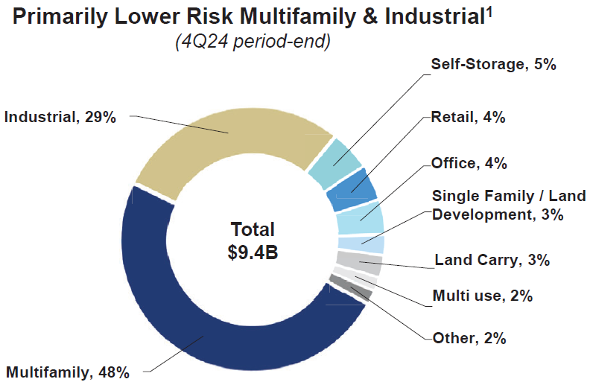
CMA 4Q24 | CRE Total: | $9.4 |  |  |  |  |  | LLM Generic Prompt Application Feature (4Q24 Presentation) |  |  |  |  | Time Delta | Accuracy Delta | LLM Ticker Specific Prompt (4Q24 Presentation) |  |  |  |  | Time Delta | Accuracy Delta | Python Script (4Q24 Presentation) |  |  |  |  | Time Delta | Accuracy Delta | Manual (4Q24 Presentation)
 |  |  |  |  |  |  |  | (time measured in seconds) |  |  |  |  |  |  | (time measured in seconds) |  |  |  |  |  |  | (time measured in seconds) |  |  |  |  |  |  | (time measured in seconds)
 | Correct |  |  |  |  |  |  | Ticker | Execution | Override | Total | Accuracy |  |  | Ticker | Execution | Override | Total | Accuracy |  |  | Ticker | Execution | Adjustment | Total | Accuracy |  |  | Ticker | Execution | Adjustment | Total | Accuracy
 |  |  |  |  |  |  |  | BAC | 30 | 32 | 62 | 56% | 6 | -14.4% | BAC | 19 | 37 | 56 | 70% | -28 | -44.4% | BAC | 28 | 62 | 90 | 100% | -14 | -44.4% | BAC | 30 | 46 | 76 | 100%
 | CRE Property Types | Percentage | Loan Amount ($bn) | Loan Amount ($mn) |  |  |  | FCNCA | 24 | 13 | 37 | 93% | 9 | -7.1% | FCNCA | 26 | 2 | 28 | 100% | -3 | -7.1% | FCNCA | 16 | 24 | 40 | 100% | -51 | -7.1% | FCNCA | 27 | 61 | 88 | 100%
 | Industrial | 29% | $2.73 | $2,726 |  |  |  | CFG | 21 | 19 | 40 | 86% | 15 | -14.3% | CFG | 23 | 2 | 25 | 100% | 0 | -14.3% | CFG | 18 | 22 | 40 | 100% | -66 | -14.3% | CFG | 32 | 74 | 106 | 100%
 | Multi-family | 48% | $4.51 | $4,512 |  |  |  | HBAN | 21 | 0 | 21 | 100% | -3 | 0.0% | HBAN | 22 | 2 | 24 | 100% | -139 | 0.0% | HBAN | 15 | 145 | 160 | 100% | -35 | 0.0% | HBAN | 24 | 32 | 56 | 100%
 | Self-Storage | 5% | $0.47 | $470 |  |  |  | RF | 21 | 20 | 41 | 81% | -25 | -18.8% | RF | 31 | 35 | 66 | 100% | -132 | -18.8% | RF | 20 | 153 | 173 | 100% | -80 | -18.8% | RF | 24 | 97 | 121 | 100%
 | Retail | 4% | $0.38 | $376 |  |  |  | PNC | 27 | 0 | 27 | 100% | -26 | 7.1% | PNC | 26 | 27 | 53 | 93% | -18 | 0.0% | PNC | 15 | 30 | 45 | 100% | -38 | 0.0% | PNC | 22 | 43 | 65 | 100%
 | Office | 4% | $0.38 | $376 |  |  |  | SNV | 23 | 18 | 41 | 94% | 15 | -6.3% | SNV | 24 | 2 | 26 | 100% | -115 | -6.3% | SNV | 30 | 126 | 156 | 100% | -77 | -6.3% | SNV | 47 | 71 | 118 | 100%
 | Single Family / Land Development | 3% | $0.28 | $282 |  |  |  | KEY | 22 | 14 | 36 | 86% | -23 | -14.3% | KEY | 28 | 31 | 59 | 100% | -24 | -14.3% | KEY | 12 | 48 | 60 | 100% | -113 | -14.3% | KEY | 47 | 102 | 149 | 100%
 | Land Carry | 3% | $0.28 | $282 |  |  |  | WFC | 24 | 29 | 53 | 75% | -56 | -8.3% | WFC | 24 | 85 | 109 | 83% | -172 | -25.0% | WFC | 25 | 200 | 225 | 100% | -83 | -25.0% | WFC | 52 | 84 | 136 | 100%
 | Multi-use | 2% | $0.19 | $188 |  |  |  | JPM | 25 | 15 | 40 | 79% | -59 | -2.7% | JPM | 34 | 65 | 99 | 81% | 2 | -21.4% | JPM | 18 | 20 | 38 | 100% | -83 | -21.4% | JPM | 49 | 74 | 123 | 100%
 | Other | 2% | $0.19 | $188 |  |  |  | Total | 238 | 160 | 398 | 85% | -147 | -7.9% | Total | 257 | 288 | 545 | 93% | -629 | -15.2% | Total | 197 | 830 | 1027 | 100% | -640 | -15.2% | Total | 354 | 684 | 1038 | 100%
 |  | 100% | $9.40 | $9,400 |  |  |  |  |  |  | -27%
 |  |  |  |  |  |  |  | CMA | 35 | 0 | 35 | 100%
 | Standardized |  |  | LLM |  |  |  | VLY | 22 | 20 | 42 | 93%
 |  |  |  |  |  |  |  | TD | 21 | 0 | 21 | 100%
 | Property Type | Amount |  | Property Type | Amount |  |  | CIBC | 23 | 22 | 45 | 94%
 | Industrial | $2,726 |  | Industrial | $2,726 | TRUE | TRUE | BKU | 28 | 0 | 28 | 100%
 | Multi-family | $4,512 |  | Multi-family | $4,512 | TRUE | TRUE | Total | 129 | 42 | 171 | 97%
 | Retail | $376 |  | Retail | $376 | TRUE | TRUE
 | Office | $376 |  | Office | $376 | TRUE | TRUE
 | Residential | $282 |  | Residential | $282 | TRUE | TRUE
 | Mixed-use | $188 |  | Mixed-use | $188 | TRUE | TRUE
 | Other | $940 |  | Other | $941 | TRUE | TRUE
 | Total CRE | $9,400 |  | Total CRE | $9,401 | TRUE | TRUE

 |  |  |  | Accuracy | 100.00%

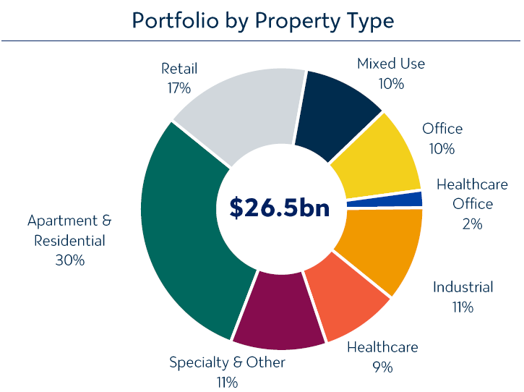
VLY 4Q24 | CRE Total: | $26.5

 | Correct

 | CRE Property Types | Percentage | Loan Amount ($bn) | Loan Amount ($mn)
 | Retail | 17% | $4.51 | $4,505
 | Mixed-Use | 10% | $2.65 | $2,650
 | Office | 10% | $2.65 | $2,650
 | Healthcare Office | 2% | $0.53 | $530
 | Industrial | 11% | $2.92 | $2,915
 | Healthcare | 9% | $2.39 | $2,385
 | Specialty & Other | 11% | $2.92 | $2,915
 | Apartment & Residential | 30% | $7.95 | $7,950
 |  | 100% | $26.50 | $26,500

 | Standardized |  |  | LLM

 | Property Type | Amount |  | Property Type | Amount
 | Industrial | $2,915 |  | Industrial | $2,915 | TRUE | TRUE
 | Multi-family | $7,950 |  | Multi-family | $7,950 | TRUE | TRUE
 | Retail | $4,505 |  | Retail | $4,505 | TRUE | TRUE
 | Office | $3,180 |  | Office | $3,180 | TRUE | TRUE
 | Mixed-use | $2,650 |  | Mixed-use | $2,650 | TRUE | TRUE
 | Other | $5,300 |  | Other | $4,805 | TRUE | FALSE
 | Total CRE | $26,500 |  | Total CRE | $26,500 | TRUE | TRUE

 |  |  |  | Accuracy | 92.86%

TD 4Q24 | Correct |  |  | LLM

 | Property Type | Amount |  | Property Type | Amount
 | Office | $4,100 |  | Office | $4,100 | TRUE | TRUE
 | Retail | $5,800 |  | Retail | $5,800 | TRUE | TRUE
 | Multifamily | $8,900 |  | Multifamily | $8,900 | TRUE | TRUE
 | Residential | $100 |  | Residential | $100 | TRUE | TRUE
 | Industrial | $2,400 |  | Industrial | $2,400 | TRUE | TRUE
 | Hotel | $500 |  | Hotel | $500 | TRUE | TRUE
 | Other | $7,200 |  | Other | $7,200 | TRUE | TRUE
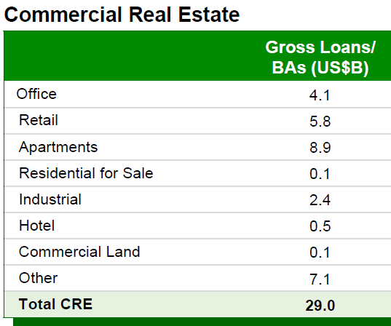
 | Total CRE | $29,000 |  | Total CRE | $29,000.0 | TRUE | TRUE

 |  |  |  | Accuracy | 100.00%

BKU 4Q24 | Correct |  |  | LLM

 | Property Type | Amount |  | Property Type | Amount
 | Office | $1,769 |  | Office | $1,769 | TRUE | TRUE
 | Retail | $1,098 |  | Retail | $1,098 | TRUE | TRUE
 | Multifamily | $838 |  | Multifamily | $838 | TRUE | TRUE
 | Industrial | $1,375 |  | Industrial | $1,375 | TRUE | TRUE
 | Hotel | $483 |  | Hotel | $483 | TRUE | TRUE
 | Other | $651 |  | Other | $651 | TRUE | TRUE
 | Total CRE | $6,214 |  | Total CRE | $6,214.0 | TRUE | TRUE

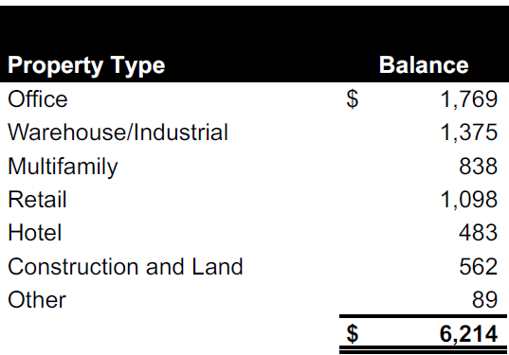
 |  |  |  | Accuracy | 100.00%

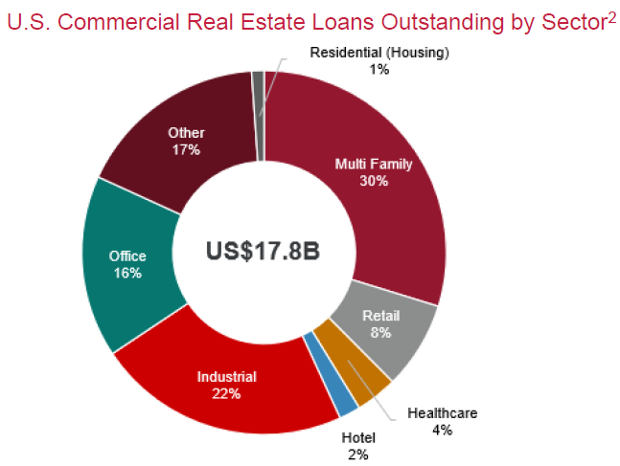
CIBC 4Q24 | CRE Total: | $17.8

 | Correct

 | CRE Property Types | Percentage | Loan Amount ($bn) | Loan Amount ($mn)
 | Multi-family | 30% | $5.34 | $5,340
 | Retail | 8% | $1.42 | $1,424
 | Healthcare | 4% | $0.71 | $712
 | Hotel | 2% | $0.36 | $356
 | Industrial | 22% | $3.92 | $3,916
 | Office | 16% | $2.85 | $2,848
 | Other | 17% | $3.03 | $3,026
 | Residential | 1% | $0.18 | $178
 |  | 100% | $17.80 | $17,800
 |  | $3,026
 | Standardized |  |  | LLM

 | Property Type | Amount |  | Property Type | Amount
 | Industrial | $3,916 |  | Industrial | $3,916 | TRUE | TRUE
 | Multi-family | $5,340 |  | Multi-family | $5,340 | TRUE | TRUE
 | Retail | $1,424 |  | Retail | $1,424 | TRUE | TRUE
 | Office | $2,848 |  | Office | $2,848 | TRUE | TRUE
 | Hotel | $356 |  | Hotel | $356 | TRUE | TRUE
 | Residential | $178 |  | Residential | $178 | TRUE | TRUE
 | Other | $3,738 |  | Other | $3,026 | TRUE | FALSE
 | Total CRE | $17,800 |  | Total CRE | $17,800 | TRUE | TRUE

 |  |  |  | Accuracy | 93.75%

 | Generic Prompt Test on Database Tickers

BAC 4Q24 | Correct |  |  | LLM

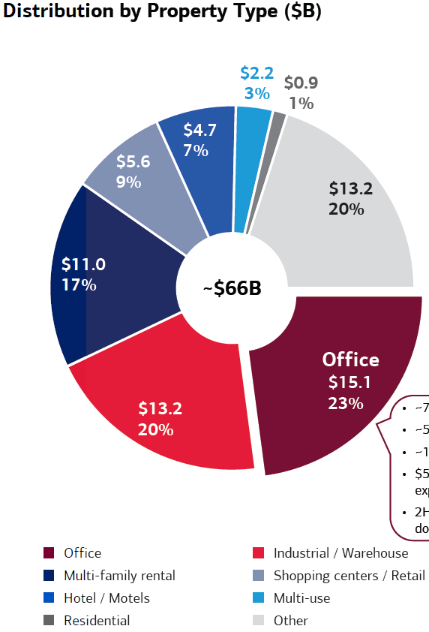
 | Property Type | Amount |  | Property Type | Amount
 | Office | $15,100 |  | Office | $15,100 | TRUE | TRUE
 | Industrial | $13,200 |  | Industrial | $11,000 | TRUE | FALSE
 | Multi-family | $11,000 |  | Multi-family | $6,600 | TRUE | FALSE
 | Retail | $5,600 |  | Retail | $13,200 | TRUE | FALSE
 | Lodging | $4,700 |  | Lodging | $2,200 | TRUE | FALSE
 | Mixed-use | $2,200 |  | Mixed-use | $4,700 | TRUE | FALSE
 | Residential | $900 |  | Residential | $5,600 | TRUE | FALSE
 | Other | $13,200 |  | Other | $900 | TRUE | FALSE
 | Total CRE | $65,900 |  | Total CRE | $66,000.0 | TRUE | FALSE

 |  |  |  | Accuracy | 55.56%

FCNCA 4Q24 | Correct |  |  | LLM

 | Property Type | Amount |  | Property Type | Amount
 | Office | $6,200 |  | Office | $6,100 | TRUE | FALSE
 | Industrial | $3,600 |  | Industrial | $3,600 | TRUE | TRUE
 | Multi-family | $5,700 |  | Multi-family | $5,700 | TRUE | TRUE
 | Retail | $2,000 |  | Retail | $2,000 | TRUE | TRUE
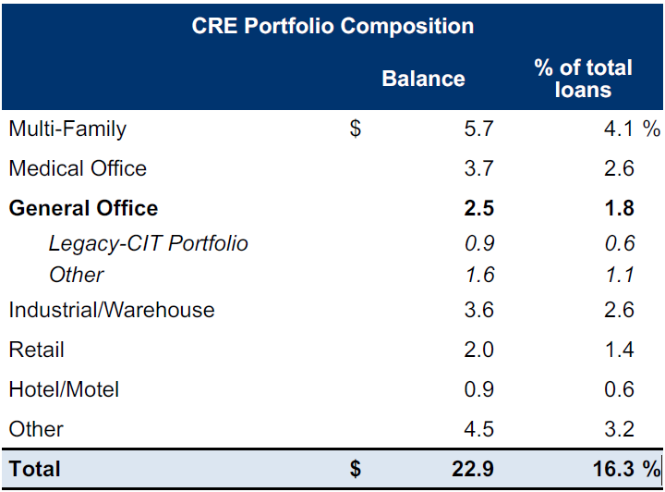
 | Lodging | $900 |  | Lodging | $900 | TRUE | TRUE
 | Other | $4,500 |  | Other | $4,500 | TRUE | TRUE
 | Total CRE | $22,900 |  | Total CRE | $22,900.0 | TRUE | TRUE

 |  |  |  | Accuracy | 92.86%

CFG 4Q24 | Correct |  |  | LLM

 | Property Type | Amount |  | Property Type | Amount
 | Multi-family | $9,800 |  | Multi-family | $9,800 | TRUE | TRUE
 | Office | $5,100 |  | Office | $5,100 | TRUE | TRUE
 | Retail | $2,900 |  | Retail | $2,900 | TRUE | TRUE
 | Industrial | $3,600 |  | Industrial | $3,600 | TRUE | TRUE
 | Lodging | $400 |  | Lodging |  | TRUE | FALSE
 | Other | $5,400 |  | Other | $4,000 | TRUE | FALSE
 | Total CRE | $27,200 |  | Total CRE | $27,200.0 | TRUE | TRUE
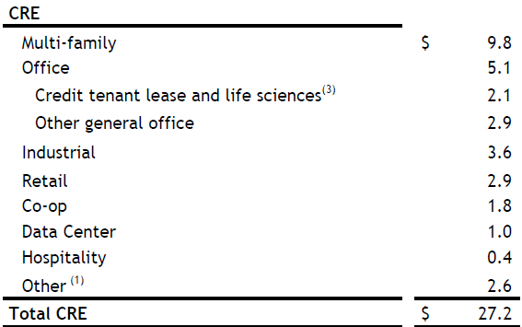
 |  |  |  | Accuracy | 85.71%

HBAN 4Q24 | Correct |  |  | LLM

 | Property Type | Amount |  | Property Type | Amount
 | Multi-family | $4,400 |  | Multi-family | $4,400 | TRUE | TRUE
 | Office | $1,600 |  | Office | $1,600 | TRUE | TRUE
 | Retail | $1,500 |  | Retail | $1,500 | TRUE | TRUE
 | Industrial | $1,600 |  | Industrial | $1,600 | TRUE | TRUE
 | Lodging | $800 |  | Lodging | $800 | TRUE | TRUE
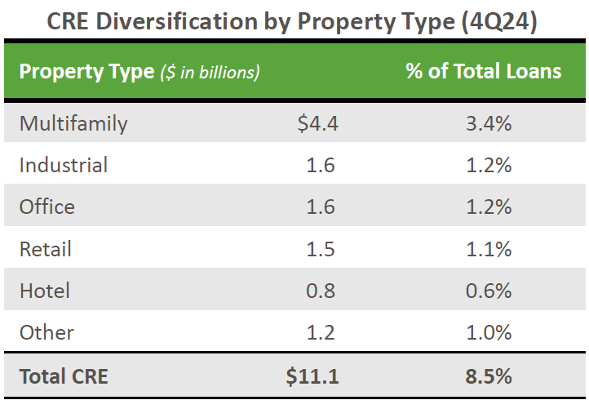
 | Other | $1,200 |  | Other | $1,200 | TRUE | TRUE
 | Total CRE | $11,100 |  | Total CRE | $11,100.0 | TRUE | TRUE

 |  |  |  | Accuracy | 100.00%

RF 4Q24 | Correct | $15.3

 | Property Type | Percentage | Loan Amount ($bn) | Loan Amount ($mn)
 | Res. Homebuilders | 7.1% | 1.1 | 1,086
 | Apartments | 28.6% | 4.4 | 4,376
 | Self Storage | 1.9% | 0.3 | 291
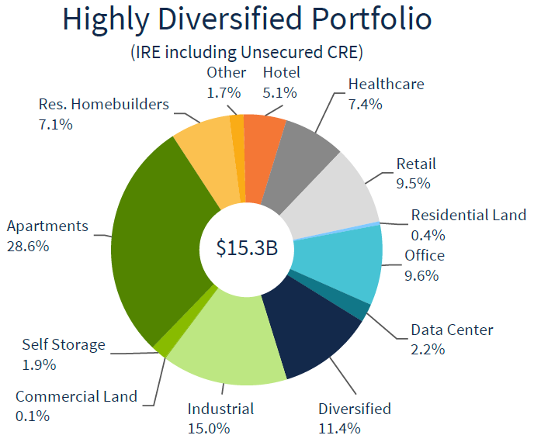
 | Commercial Land | 0.1% | 0.0 | 15
 | Industrial | 15.0% | 2.3 | 2,295
 | Diversified | 11.4% | 1.7 | 1,744
 | Data Center | 2.2% | 0.3 | 337
 | Office | 9.6% | 1.5 | 1,469
 | Residential Land | 0.4% | 0.1 | 61
 | Retail | 9.5% | 1.5 | 1,454
 | Healthcare | 7.4% | 1.1 | 1,132
 | Hotel | 5.1% | 0.8 | 780
 | Other | 1.7% | 0.3 | 260
 | Total CRE | 100% | 15.3 | 15,300

 | Standardized |  |  | LLM

 | Property Type | Amount |  | Property Type | Amount
 | Industrial | $2,295 |  | Industrial | $2,295 | TRUE | TRUE
 | Multi-family | $4,376 |  | Multi-family | $4,375 | TRUE | TRUE
 | Retail | $1,454 |  | Retail | $1,454 | TRUE | TRUE
 | Office | $1,469 |  | Office | $1,471 | TRUE | FALSE
 | Lodging | $780 |  | Lodging | $781 | TRUE | TRUE
 | Residential | $1,148 |  | Residential | $1,094 | TRUE | FALSE
 | Other | $3,779 |  | Other | $3,830 | TRUE | FALSE
 | Total CRE | $15,300 |  | Total CRE | $15,300 | TRUE | TRUE

 |  |  |  | Accuracy | 81.25%

PNC 4Q24 | Correct |  |  | LLM

 | Property Type | Amount |  | Property Type | Amount
 | Multi-family | $16,100 |  | Multi-family | $16,100 | TRUE | TRUE
 | Office | $6,700 |  | Office | $6,700 | TRUE | TRUE
 | Retail | $2,100 |  | Retail | $2,100 | TRUE | TRUE
 | Industrial | $3,900 |  | Industrial | $3,900 | TRUE | TRUE
 | Lodging | $1,600 |  | Lodging | $1,600 | TRUE | TRUE
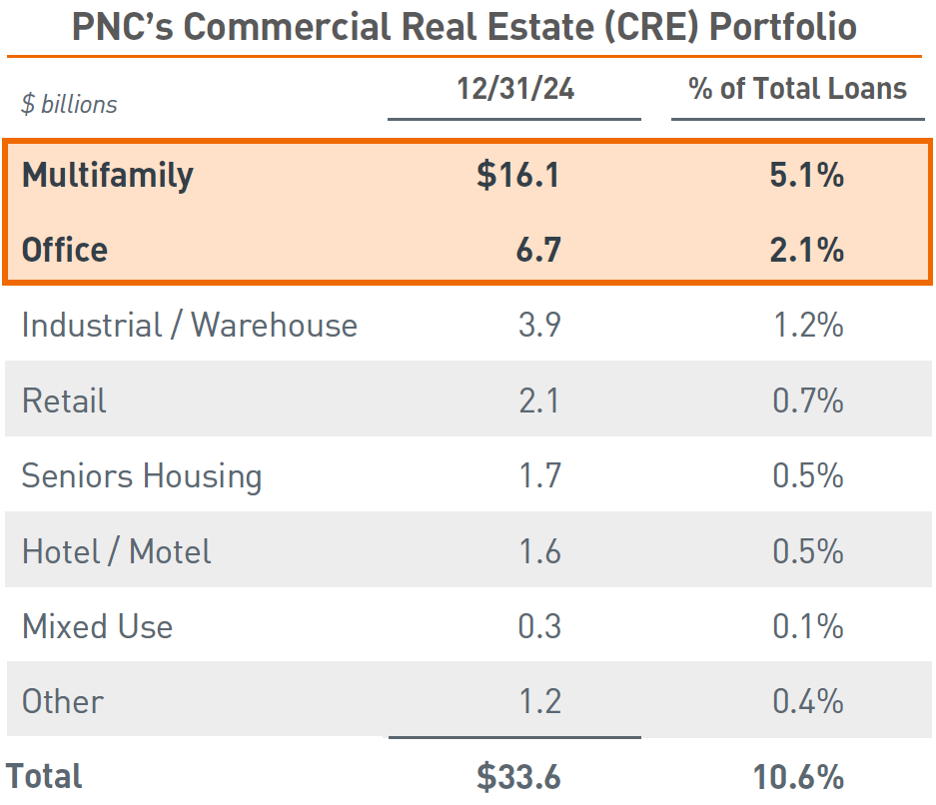
 | Mixed-use | $300 |  | Mixed-use | $300 | TRUE | TRUE
 | Other | $2,900 |  | Other | $2,900 | TRUE | TRUE
 | Total CRE | $33,600 |  | Total CRE | $33,600.0 | TRUE | TRUE

 |  |  |  | Accuracy | 100.00%

SNV 4Q24 | Correct |  |  | LLM

 | Property Type | Amount |  | Property Type | Amount
 | Multi-family | $4,186 |  | Multi-family | $4,186 | TRUE | TRUE
 | Office | $1,743 |  | Office | $1,743 | TRUE | TRUE
 | Retail | $1,273 |  | Retail | $1,273 | TRUE | TRUE
 | Industrial | $846 |  | Industrial | $846 | TRUE | TRUE
 | Lodging | $1,769 |  | Lodging | $1,769 | TRUE | TRUE
 | Residential | $546 |  | Residential | $546 | TRUE | TRUE
 | Other | $1,650 |  | Other | $287 | TRUE | FALSE
 | Total CRE | $12,013 |  | Total CRE | $12,013.0 | TRUE | TRUE

 |  |  |  | Accuracy | 93.75%

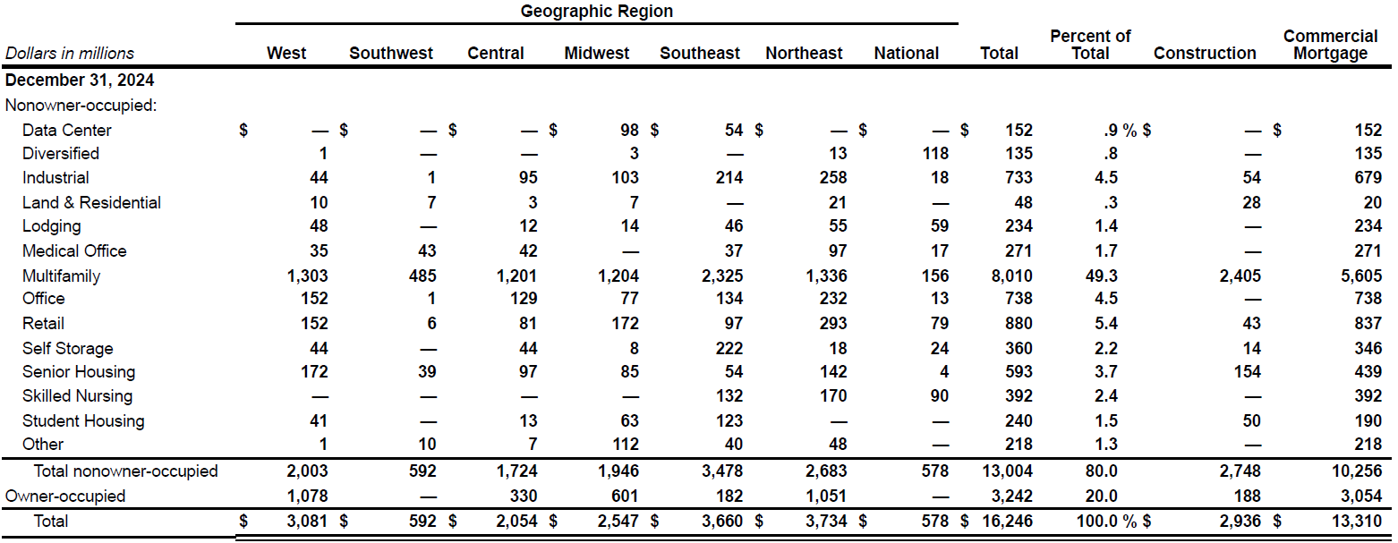
KEY 4Q24 | Correct

 | Property Type | Amount ($mn)
 | Data Center | 152
 | Diversified | 135
 | Industrial | 733
 | Land & Residential | 48
 | Lodging | 234
 | Medical Office | 271
 | Multifamily | 8,010
 | Office | 738
 | Retail | 880
 | Self Storage | 360
 | Senior Housing | 593
 | Skilled Nursing | 392
 | Student Housing | 240
 | Other | 218
 | Total CRE | 13,004

 | Standardized |  |  | LLM

 | Property Type | Amount |  | Property Type | Amount
 | Industrial | $733 |  | Industrial | $733 | TRUE | TRUE
 | Multi-family | $8,010 |  | Multi-family | $8,010 | TRUE | TRUE
 | Retail | $880 |  | Retail | $880 | TRUE | TRUE
 | Office | $1,009 |  | Office | $738 | TRUE | FALSE
 | Lodging | $234 |  | Lodging | $234 | TRUE | TRUE
 | Other | $2,138 |  | Other | $2,409 | TRUE | FALSE
 | Total CRE | $13,004 |  | Total CRE | $13,004 | TRUE | TRUE

 |  |  |  | Accuracy | 85.71%

WFC 4Q24 | Correct

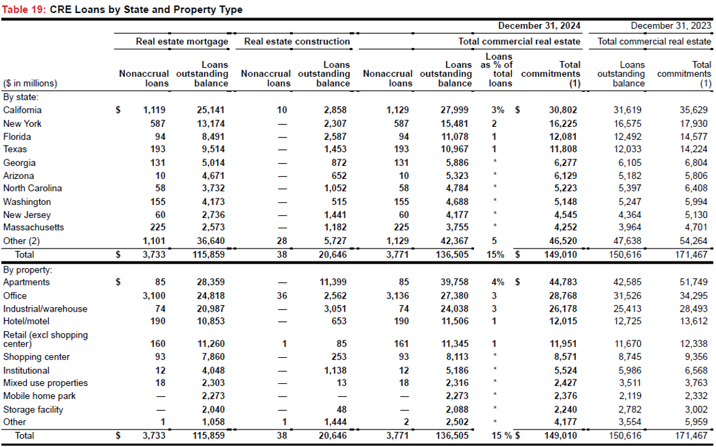
 | Property Type | Amount ($mn)
 | Apartments | 39,758
 | Office | 27,380
 | Industrial/Warehouse | 24,038
 | Hotel/motel | 11,506
 | Retail (excl shopping center) | 11,345
 | Shopping center | 8,113
 | Institutional | 5,186
 | Mixed use properties | 2,316
 | Mobile home park | 2,273
 | Storage facility | 2,088
 | Other | 2,502
 | Total CRE | 136,505

 | Standardized |  |  | LLM

 | Property Type | Amount |  | Property Type | Amount
 | Industrial | $24,038 |  | Industrial | $24,308 | TRUE | FALSE
 | Multi-family | $39,758 |  | Multi-family | $39,758 | TRUE | TRUE
 | Retail | $19,458 |  | Retail | $11,203 | TRUE | FALSE
 | Office | $27,380 |  | Office | $27,380 | TRUE | TRUE
 | Lodging | $11,506 |  | Lodging | $11,506 | TRUE | TRUE
 | Mixed-use | $2,316 |  | Mixed-use | $2,303 | TRUE | FALSE
 | Other | $12,049 |  | Other | $6,750 | TRUE | FALSE
 | Total CRE | $136,505 |  | Total CRE | $136,505 | TRUE | TRUE

 |  |  |  | Accuracy | 75.00%

JPM 4Q24 | Correct

 | CRE Property Type | Exposure | % Drawn | Outstanding
 | Multifamily | 124,081 | 92% | 114,155
 | Industrial | 19,109 | 72% | 13,758
 | Other Income Producing Properties | 16,569 | 63% | 10,438
 | Office | 16,360 | 81% | 13,252
 | Services and Non Income Producing | 14,104 | 46% | 6,488
 | Retail | 12,253 | 75% | 9,190
 | Lodging | 4,574 | 53% | 2,424
 | Total CRE | 207,050 | 82% | 169,705

 | Standardized |  |  | LLM

 | CRE Property Type | Outstanding |  | CRE Property Type | Outstanding
 | Multi-family | 114,155 |  | Multi-family | 114,156 | TRUE | TRUE
 | Industrial | 13,758 |  | Industrial | 13,759 | TRUE | TRUE
 | Office | 13,252 |  | Office | 13,246 | TRUE | FALSE
 | Retail | 9,190 |  | Retail | 9,190 | TRUE | TRUE
 | Lodging | 2,424 |  | Lodging | 2,424 | TRUE | TRUE
 | Other | 16,926 |  | Other | 10,432 | TRUE | FALSE
 | Total CRE | 169,705 |  | Total CRE | 163,207 | TRUE | FALSE

 |  |  |  | Accuracy | 78.57%

Two Generic Prompts
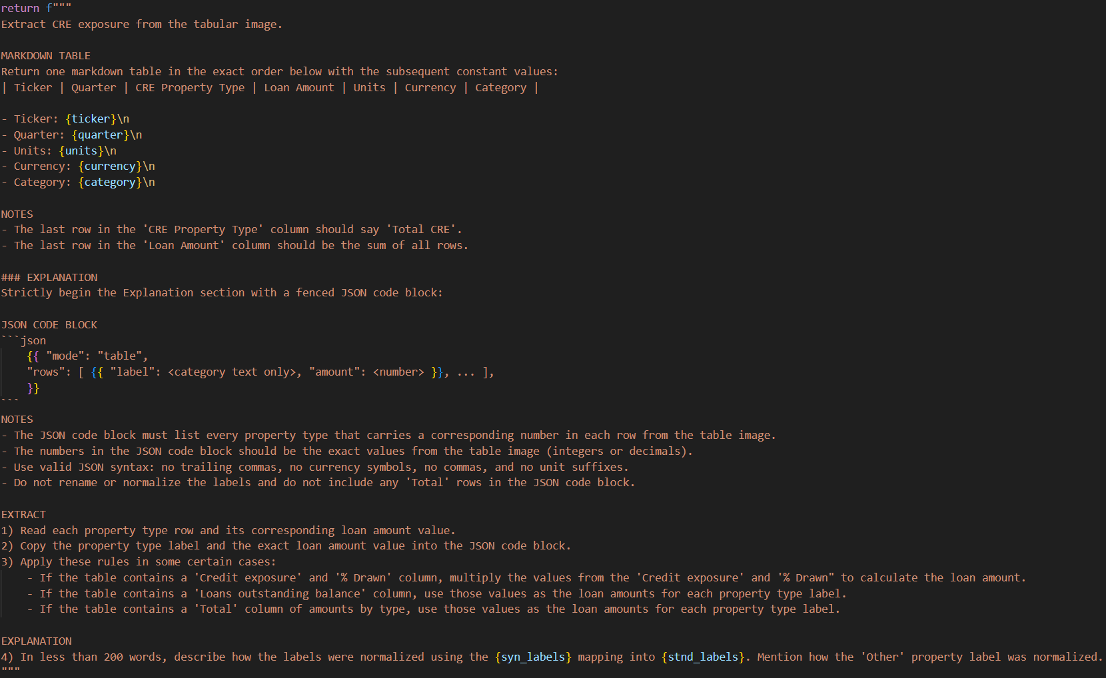
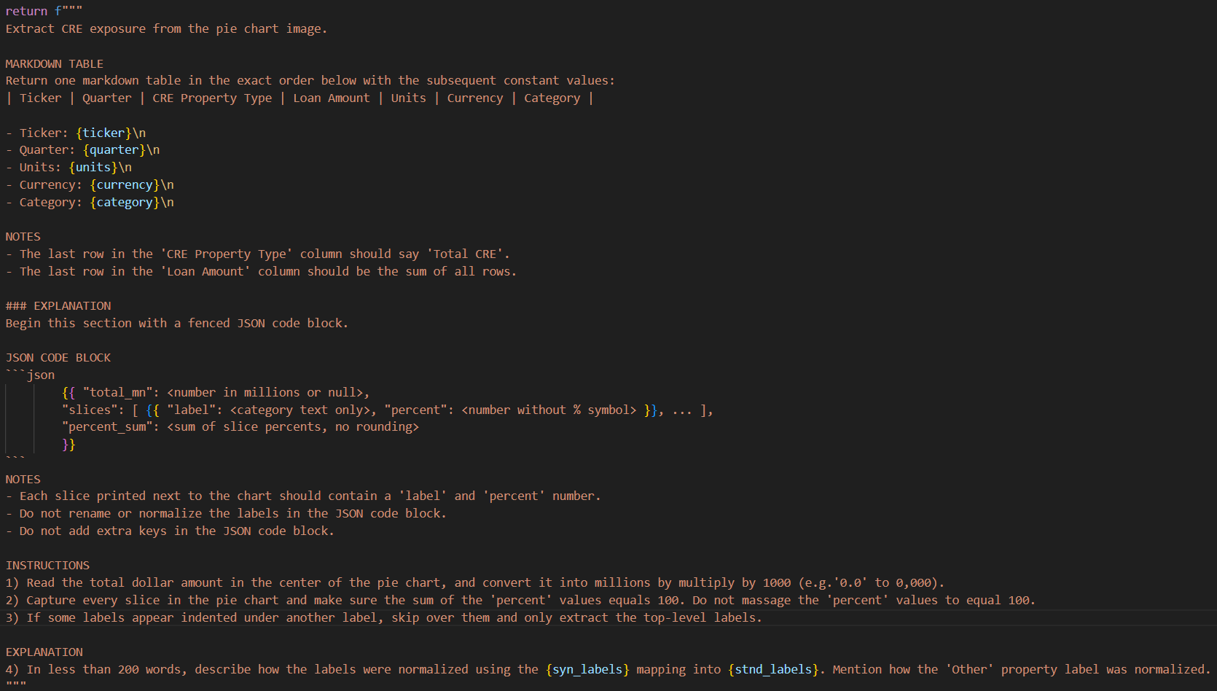
 | Value Table Prompt |  |  |  |  |  |  | Pie Chart Prompt
Prompt (v2)

CMA 4Q24 | CRE Total: | $9.4 |  |  |  |  |  |  | LLM Generic Prompt Application Feature (4Q24 Presentation) |  |  |  |  | Time Delta vs V1 | Accuracy Delta | Time Delta | Accuracy Delta | LLM Ticker Specific Prompt (4Q24 Presentation) |  |  |  |  | Time Delta | Accuracy Delta | Python Script (4Q24 Presentation) |  |  |  |  | Time Delta | Accuracy Delta | Manual (4Q24 Presentation)
 |  |  |  |  |  |  |  |  | (time measured in seconds) |  |  |  |  |  |  |  |  | (time measured in seconds) |  |  |  |  |  |  | (time measured in seconds) |  |  |  |  |  |  | (time measured in seconds)
 | Correct |  |  |  |  |  |  |  | Ticker | Execution | Override | Total | Accuracy |  |  |  |  | Ticker | Execution | Override | Total | Accuracy |  |  | Ticker | Execution | Adjustment | Total | Accuracy |  |  | Ticker | Execution | Adjustment | Total | Accuracy
 |  |  |  |  |  |  |  |  | BAC | 35 | 33 | 68 | 56% | 6 | 0% | 12 | -14.4% | BAC | 19 | 37 | 56 | 70% | -22 | -44.4% | BAC | 28 | 62 | 90 | 100% | -8 | -44.4% | BAC | 30 | 46 | 76 | 100%
 | CRE Property Types | Percentage | Loan Amount ($bn) | Loan Amount ($mn) |  |  |  |  | FCNCA | 32 | 0 | 32 | 100% | -5 | 7% | 4 | 0.0% | FCNCA | 26 | 2 | 28 | 100% | -8 | 0.0% | FCNCA | 16 | 24 | 40 | 100% | -56 | 0.0% | FCNCA | 27 | 61 | 88 | 100%
 | Industrial | 29% | $2.73 | $2,726 |  |  |  |  | CFG | 29 | 0 | 29 | 100% | -11 | 14% | 4 | 0.0% | CFG | 23 | 2 | 25 | 100% | -11 | 0.0% | CFG | 18 | 22 | 40 | 100% | -77 | 0.0% | CFG | 32 | 74 | 106 | 100%
 | Multi-family | 48% | $4.51 | $4,512 |  |  |  |  | HBAN | 33 | 0 | 33 | 100% | 12 | 0% | 9 | 0.0% | HBAN | 22 | 2 | 24 | 100% | -127 | 0.0% | HBAN | 15 | 145 | 160 | 100% | -23 | 0.0% | HBAN | 24 | 32 | 56 | 100%
 | Self-Storage | 5% | $0.47 | $470 |  |  |  |  | RF | 43 | 6 | 49 | 88% | 8 | 6% | -17 | -12.5% | RF | 31 | 35 | 66 | 100% | -124 | -12.5% | RF | 20 | 153 | 173 | 100% | -72 | -12.5% | RF | 24 | 97 | 121 | 100%
 | Retail | 4% | $0.38 | $376 |  |  |  |  | PNC | 28 | 0 | 28 | 100% | 1 | 0% | -25 | 7.1% | PNC | 26 | 27 | 53 | 93% | -17 | 0.0% | PNC | 15 | 30 | 45 | 100% | -37 | 0.0% | PNC | 22 | 43 | 65 | 100%
 | Office | 4% | $0.38 | $376 |  |  |  |  | SNV | 32 | 0 | 32 | 100% | -9 | 6% | 6 | 0.0% | SNV | 24 | 2 | 26 | 100% | -124 | 0.0% | SNV | 30 | 126 | 156 | 100% | -86 | 0.0% | SNV | 47 | 71 | 118 | 100%
 | Single Family / Land Development | 3% | $0.28 | $282 |  |  |  |  | KEY | 37 | 0 | 37 | 100% | 1 | 14% | -22 | 0.0% | KEY | 28 | 31 | 59 | 100% | -23 | 0.0% | KEY | 12 | 48 | 60 | 100% | -112 | 0.0% | KEY | 47 | 102 | 149 | 100%
 | Land Carry | 3% | $0.28 | $282 |  |  |  |  | WFC | 33 | 8 | 41 | 88% | -12 | 13% | -68 | 4.2% | WFC | 24 | 85 | 109 | 83% | -184 | -12.5% | WFC | 25 | 200 | 225 | 100% | -95 | -12.5% | WFC | 52 | 84 | 136 | 100%
 | Multi-use | 2% | $0.19 | $188 |  |  |  |  | JPM | 30 | 8 | 38 | 86% | -2 | 7% | -61 | 4.5% | JPM | 34 | 65 | 99 | 81% | 0 | -14.3% | JPM | 18 | 20 | 38 | 100% | -85 | -14.3% | JPM | 49 | 74 | 123 | 100%
 | Other | 2% | $0.19 | $188 |  |  |  |  | Total | 332 | 55 | 387 | 92% | -11 | 7% | -158 | -1.1% | Total | 257 | 288 | 545 | 93% | -640 | -8.4% | Total | 197 | 830 | 1027 | 100% | -651 | -8.4% | Total | 354 | 684 | 1038 | 100%
 |  | 100% | $9.40 | $9,400 |  |  |  |  |  | 39% | -66% | -3% | -29%
 |  |  |  |  |  |  |  |  | CMA | 36 | 0 | 36 | 100% | 1 | 0%
 | Standardized |  |  | LLM |  |  |  |  | VLY | 36 | 0 | 36 | 100% | -6 | 7%
 |  |  |  |  |  |  |  |  | TD | 29 | 0 | 29 | 100% | 8 | 0%
 | Property Type | Amount |  | Property Type | Amount |  |  |  | CIBC | 38 | 0 | 38 | 100% | -7 | 6%
 | Industrial | $2,726 |  | Industrial | $2,726 | TRUE | TRUE |  | BKU | 25 | 0 | 25 | 100% | -3 | 0%
 | Multi-family | $4,512 |  | Multi-family | $4,512 | TRUE | TRUE |  | Total | 164 | 0 | 164 | 100% | -7 | 3%
 | Retail | $376 |  | Retail | $376 | TRUE | TRUE |  |  | 27% | -100% | -4%
 | Office | $376 |  | Office | $376 | TRUE | TRUE
 | Residential | $282 |  | Residential | $282 | TRUE | TRUE
 | Mixed-use | $188 |  | Mixed-use | $188 | TRUE | TRUE
 | Other | $940 |  | Other | $940 | TRUE | TRUE
 | Total CRE | $9,400 |  | Total CRE | $9,400 | TRUE | TRUE

 |  |  |  | Accuracy | 100.00%

VLY 4Q24 | CRE Total: | $26.5

 | Correct

 | CRE Property Types | Percentage | Loan Amount ($bn) | Loan Amount ($mn)
 | Retail | 17% | $4.51 | $4,505
 | Mixed-Use | 10% | $2.65 | $2,650
 | Office | 10% | $2.65 | $2,650
 | Healthcare Office | 2% | $0.53 | $530
 | Industrial | 11% | $2.92 | $2,915
 | Healthcare | 9% | $2.39 | $2,385
 | Specialty & Other | 11% | $2.92 | $2,915
 | Apartment & Residential | 30% | $7.95 | $7,950
 |  | 100% | $26.50 | $26,500

 | Standardized |  |  | LLM

 | Property Type | Amount |  | Property Type | Amount
 | Industrial | $2,915 |  | Industrial | $2,915 | TRUE | TRUE
 | Multi-family | $7,950 |  | Multi-family | $7,950 | TRUE | TRUE
 | Retail | $4,505 |  | Retail | $4,505 | TRUE | TRUE
 | Office | $3,180 |  | Office | $3,180 | TRUE | TRUE
 | Mixed-use | $2,650 |  | Mixed-use | $2,650 | TRUE | TRUE
 | Other | $5,300 |  | Other | $5,300 | TRUE | TRUE
 | Total CRE | $26,500 |  | Total CRE | $26,500 | TRUE | TRUE

 |  |  |  | Accuracy | 100.00%

TD 4Q24 | Correct |  |  | LLM

 | Property Type | Amount |  | Property Type | Amount
 | Office | $4,100 |  | Office | $4,100 | TRUE | TRUE
 | Retail | $5,800 |  | Retail | $5,800 | TRUE | TRUE
 | Multifamily | $8,900 |  | Multifamily | $8,900 | TRUE | TRUE
 | Residential | $100 |  | Residential | $100 | TRUE | TRUE
 | Industrial | $2,400 |  | Industrial | $2,400 | TRUE | TRUE
 | Lodging | $500 |  | Lodging | $500 | TRUE | TRUE
 | Other | $7,200 |  | Other | $7,200 | TRUE | TRUE
 | Total CRE | $29,000 |  | Total CRE | $29,000.0 | TRUE | TRUE

 |  |  |  | Accuracy | 100.00%

BKU 4Q24 | Correct |  |  | LLM

 | Property Type | Amount |  | Property Type | Amount
 | Office | $1,769 |  | Office | $1,769 | TRUE | TRUE
 | Retail | $1,098 |  | Retail | $1,098 | TRUE | TRUE
 | Multifamily | $838 |  | Multifamily | $838 | TRUE | TRUE
 | Industrial | $1,375 |  | Industrial | $1,375 | TRUE | TRUE
 | Lodging | $483 |  | Lodging | $483 | TRUE | TRUE
 | Other | $651 |  | Other | $651 | TRUE | TRUE
 | Total CRE | $6,214 |  | Total CRE | $6,214.0 | TRUE | TRUE

 |  |  |  | Accuracy | 100.00%

CIBC 4Q24 | CRE Total: | $17.8

 | Correct

 | CRE Property Types | Percentage | Loan Amount ($bn) | Loan Amount ($mn)
 | Multi-family | 30% | $5.34 | $5,340
 | Retail | 8% | $1.42 | $1,424
 | Healthcare | 4% | $0.71 | $712
 | Hotel | 2% | $0.36 | $356
 | Industrial | 22% | $3.92 | $3,916
 | Office | 16% | $2.85 | $2,848
 | Other | 17% | $3.03 | $3,026
 | Residential | 1% | $0.18 | $178
 |  | 100% | $17.80 | $17,800
 |  | $3,026
 | Standardized |  |  | LLM

 | Property Type | Amount |  | Property Type | Amount
 | Industrial | $3,916 |  | Industrial | $3,916 | TRUE | TRUE
 | Multi-family | $5,340 |  | Multi-family | $5,340 | TRUE | TRUE
 | Retail | $1,424 |  | Retail | $1,424 | TRUE | TRUE
 | Office | $2,848 |  | Office | $2,848 | TRUE | TRUE
 | Hotel | $356 |  | Hotel | $356 | TRUE | TRUE
 | Residential | $178 |  | Residential | $178 | TRUE | TRUE
 | Other | $3,738 |  | Other | $3,738 | TRUE | TRUE
 | Total CRE | $17,800 |  | Total CRE | $17,800 | TRUE | TRUE

 |  |  |  | Accuracy | 100.00%

 | Generic Prompt Test on Database Tickers

BAC 4Q24 | Correct |  |  | LLM

 | Property Type | Amount |  | Property Type | Amount
 | Office | $15,100 |  | Office | $15,180 | TRUE | FALSE
 | Industrial | $13,200 |  | Industrial | $13,200 | TRUE | TRUE
 | Multi-family | $11,000 |  | Multi-family | $11,220 | TRUE | FALSE
 | Retail | $5,600 |  | Retail | - | TRUE | FALSE
 | Lodging | $4,700 |  | Lodging | - | TRUE | FALSE
 | Mixed-use | $2,200 |  | Mixed-use | - | TRUE | FALSE
 | Residential | $900 |  | Residential | $5,940 | TRUE | FALSE
 | Other | $13,200 |  | Other | $660 | TRUE | FALSE
 | Total CRE | $65,900 |  | Total CRE | $46,200.0 | TRUE | FALSE

 |  |  |  | Accuracy | 55.56%

FCNCA 4Q24 | Correct |  |  | LLM

 | Property Type | Amount |  | Property Type | Amount
 | Office | $6,200 |  | Office | $6,200 | TRUE | TRUE
 | Industrial | $3,600 |  | Industrial | $3,600 | TRUE | TRUE
 | Multi-family | $5,700 |  | Multi-family | $5,700 | TRUE | TRUE
 | Retail | $2,000 |  | Retail | $2,000 | TRUE | TRUE
 | Lodging | $900 |  | Lodging | $900 | TRUE | TRUE
 | Other | $4,500 |  | Other | $4,500 | TRUE | TRUE
 | Total CRE | $22,900 |  | Total CRE | $22,900.0 | TRUE | TRUE

 |  |  |  | Accuracy | 100.00%

CFG 4Q24 | Correct |  |  | LLM

 | Property Type | Amount |  | Property Type | Amount
 | Multi-family | $9,800 |  | Multi-family | $9,800 | TRUE | TRUE
 | Office | $5,100 |  | Office | $5,100 | TRUE | TRUE
 | Retail | $2,900 |  | Retail | $2,900 | TRUE | TRUE
 | Industrial | $3,600 |  | Industrial | $3,600 | TRUE | TRUE
 | Lodging | $400 |  | Lodging | $400 | TRUE | TRUE
 | Other | $5,400 |  | Other | $5,400 | TRUE | TRUE
 | Total CRE | $27,200 |  | Total CRE | $27,200.0 | TRUE | TRUE

 |  |  |  | Accuracy | 100.00%

HBAN 4Q24 | Correct |  |  | LLM

 | Property Type | Amount |  | Property Type | Amount
 | Multi-family | $4,400 |  | Multi-family | $4,400 | TRUE | TRUE
 | Office | $1,600 |  | Office | $1,600 | TRUE | TRUE
 | Retail | $1,500 |  | Retail | $1,500 | TRUE | TRUE
 | Industrial | $1,600 |  | Industrial | $1,600 | TRUE | TRUE
 | Lodging | $800 |  | Lodging | $800 | TRUE | TRUE
 | Other | $1,200 |  | Other | $1,200 | TRUE | TRUE
 | Total CRE | $11,100 |  | Total CRE | $11,100.0 | TRUE | TRUE

 |  |  |  | Accuracy | 100.00%

RF 4Q24 | Correct | $15.3

 | Property Type | Percentage | Loan Amount ($bn) | Loan Amount ($mn)
 | Res. Homebuilders | 7.1% | 1.1 | 1,086
 | Apartments | 28.6% | 4.4 | 4,376
 | Self Storage | 1.9% | 0.3 | 291
 | Commercial Land | 0.1% | 0.0 | 15
 | Industrial | 15.0% | 2.3 | 2,295
 | Diversified | 11.4% | 1.7 | 1,744
 | Data Center | 2.2% | 0.3 | 337
 | Office | 9.6% | 1.5 | 1,469
 | Residential Land | 0.4% | 0.1 | 61
 | Retail | 9.5% | 1.5 | 1,454
 | Healthcare | 7.4% | 1.1 | 1,132
 | Hotel | 5.1% | 0.8 | 780
 | Other | 1.7% | 0.3 | 260
 | Total CRE | 100% | 15.3 | 15,300

 | Standardized |  |  | LLM

 | Property Type | Amount |  | Property Type | Amount
 | Industrial | $2,295 |  | Industrial | $2,295 | TRUE | TRUE
 | Multi-family | $4,376 |  | Multi-family | $4,375 | TRUE | TRUE
 | Retail | $1,454 |  | Retail | $1,453 | TRUE | TRUE
 | Office | $1,469 |  | Office | $1,468 | TRUE | TRUE
 | Lodging | $780 |  | Lodging | $780 | TRUE | TRUE
 | Residential | $1,148 |  | Residential | $1,147 | TRUE | TRUE
 | Other | $3,779 |  | Other | $3,777 | TRUE | FALSE
 | Total CRE | $15,300 |  | Total CRE | $15,295 | TRUE | FALSE

 |  |  |  | Accuracy | 87.50%

PNC 4Q24 | Correct |  |  | LLM

 | Property Type | Amount |  | Property Type | Amount
 | Multi-family | $16,100 |  | Multi-family | $16,100 | TRUE | TRUE
 | Office | $6,700 |  | Office | $6,700 | TRUE | TRUE
 | Retail | $2,100 |  | Retail | $2,100 | TRUE | TRUE
 | Industrial | $3,900 |  | Industrial | $3,900 | TRUE | TRUE
 | Lodging | $1,600 |  | Lodging | $1,600 | TRUE | TRUE
 | Mixed-use | $300 |  | Mixed-use | $300 | TRUE | TRUE
 | Other | $2,900 |  | Other | $2,900 | TRUE | TRUE
 | Total CRE | $33,600 |  | Total CRE | $33,600.0 | TRUE | TRUE

 |  |  |  | Accuracy | 100.00%

SNV 4Q24 | Correct |  |  | LLM

 | Property Type | Amount |  | Property Type | Amount
 | Multi-family | $4,186 |  | Multi-family | $4,186 | TRUE | TRUE
 | Office | $1,743 |  | Office | $1,743 | TRUE | TRUE
 | Retail | $1,273 |  | Retail | $1,273 | TRUE | TRUE
 | Industrial | $846 |  | Industrial | $846 | TRUE | TRUE
 | Lodging | $1,769 |  | Lodging | $1,769 | TRUE | TRUE
 | Residential | $546 |  | Residential | $546 | TRUE | TRUE
 | Other | $1,650 |  | Other | $1,650 | TRUE | TRUE
 | Total CRE | $12,013 |  | Total CRE | $12,013.0 | TRUE | TRUE

 |  |  |  | Accuracy | 100.00%

KEY 4Q24 | Correct

 | Property Type | Amount ($mn)
 | Data Center | 152
 | Diversified | 135
 | Industrial | 733
 | Land & Residential | 48
 | Lodging | 234
 | Medical Office | 271
 | Multifamily | 8,010
 | Office | 738
 | Retail | 880
 | Self Storage | 360
 | Senior Housing | 593
 | Skilled Nursing | 392
 | Student Housing | 240
 | Other | 218
 | Total CRE | 13,004

 | Standardized |  |  | LLM

 | Property Type | Amount |  | Property Type | Amount
 | Industrial | $733 |  | Industrial | $733 | TRUE | TRUE
 | Multi-family | $8,010 |  | Multi-family | $8,010 | TRUE | TRUE
 | Retail | $880 |  | Retail | $880 | TRUE | TRUE
 | Office | $1,009 |  | Office | $1,009 | TRUE | TRUE
 | Lodging | $234 |  | Lodging | $234 | TRUE | TRUE
 | Other | $2,138 |  | Other | $2,138 | TRUE | TRUE
 | Total CRE | $13,004 |  | Total CRE | $13,004 | TRUE | TRUE

 |  |  |  | Accuracy | 100.00%

WFC 4Q24 | Correct

 | Property Type | Amount ($mn)
 | Apartments | 39,758
 | Office | 27,380
 | Industrial/Warehouse | 24,038
 | Hotel/motel | 11,506
 | Retail (excl shopping center) | 11,345
 | Shopping center | 8,113
 | Institutional | 5,186
 | Mixed use properties | 2,316
 | Mobile home park | 2,273
 | Storage facility | 2,088
 | Other | 2,502
 | Total CRE | 136,505

 | Standardized |  |  | LLM

 | Property Type | Amount |  | Property Type | Amount
 | Industrial | $24,038 |  | Industrial | $24,038 | TRUE | TRUE
 | Multi-family | $39,758 |  | Multi-family | $39,758 | TRUE | TRUE
 | Retail | $19,458 |  | Retail | $19,458 | TRUE | TRUE
 | Office | $27,380 |  | Office | $28,768 | TRUE | FALSE
 | Lodging | $11,506 |  | Lodging | $11,506 | TRUE | TRUE
 | Mixed-use | $2,316 |  | Mixed-use | $2,316 | TRUE | TRUE
 | Other | $12,049 |  | Other | $12,049 | TRUE | TRUE
 | Total CRE | $136,505 |  | Total CRE | $137,893 | TRUE | FALSE

 |  |  |  | Accuracy | 87.50%

JPM 4Q24 | Correct

 | CRE Property Type | Exposure | % Drawn | Outstanding
 | Multifamily | 124,081 | 92% | 114,155
 | Industrial | 19,109 | 72% | 13,758
 | Other Income Producing Properties | 16,569 | 63% | 10,438
 | Office | 16,360 | 81% | 13,252
 | Services and Non Income Producing | 14,104 | 46% | 6,488
 | Retail | 12,253 | 75% | 9,190
 | Lodging | 4,574 | 53% | 2,424
 | Total CRE | 207,050 | 82% | 169,705

 | Standardized |  |  | LLM

 | CRE Property Type | Outstanding |  | CRE Property Type | Outstanding
 | Multi-family | 114,155 |  | Multi-family | 114,156 | TRUE | TRUE
 | Industrial | 13,758 |  | Industrial | 13,759 | TRUE | TRUE
 | Office | 13,252 |  | Office | 13,256 | TRUE | TRUE
 | Retail | 9,190 |  | Retail | 9,190 | TRUE | TRUE
 | Lodging | 2,424 |  | Lodging | 2,424 | TRUE | TRUE
 | Other | 16,926 |  | Other | 17,042 | TRUE | FALSE
 | Total CRE | 169,705 |  | Total CRE | 169,827 | TRUE | FALSE

 |  |  |  | Accuracy | 85.71%

BAC LLM API
4Q24 AI API Script
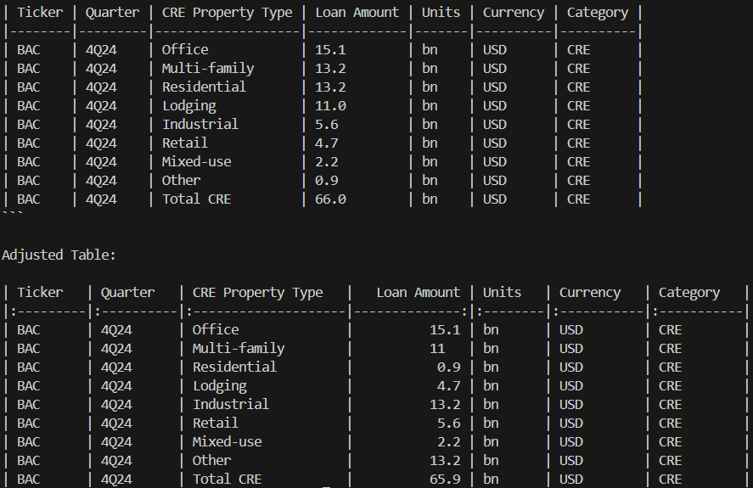

Correct |  | LLM

CRE Property Type | Loan Amount | CRE Property Type | Loan Amount | TRUE | TRUE
Office | $15.1 | Office | $15.1 | TRUE | TRUE
Industrial | $13.2 | Industrial | $5.6 | TRUE | FALSE
Multi-family | $11.0 | Multi-family | $13.2 | TRUE | FALSE
Retail | $5.6 | Retail | $4.7 | TRUE | FALSE
Lodging | $4.7 | Lodging | $11.0 | TRUE | FALSE
Mixed-use | $2.2 | Mixed-use | $2.2 | TRUE | TRUE
Residential | $0.9 | Residential | $13.2 | TRUE | FALSE
Other | $13.2 | Other | $0.9 | TRUE | FALSE
Total | $66.0 | Total | $65.9 | TRUE | TRUE

 |  | Accuracy | 70.00%

3Q24 AI API Script
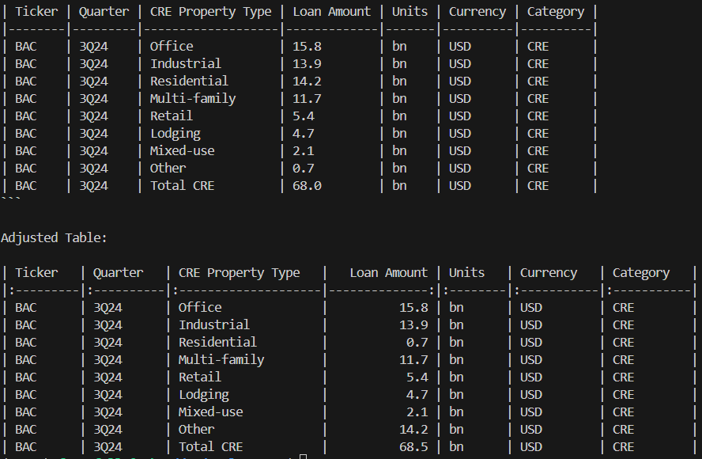
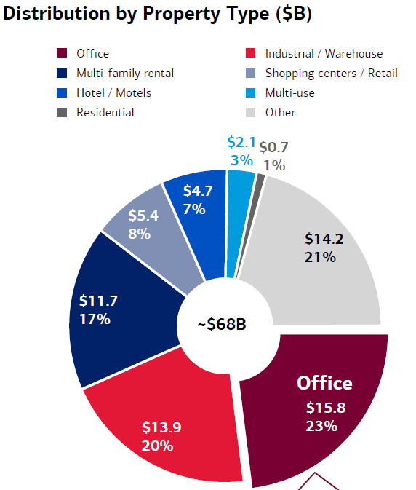

Correct |  | LLM

CRE Property Type | Loan Amount | CRE Property Type | Loan Amount | TRUE | TRUE
Office | $15.8 | Office | $15.8 | TRUE | TRUE
Industrial | $13.9 | Industrial | $13.9 | TRUE | TRUE
Multi-family | $11.7 | Multi-family | $11.7 | TRUE | TRUE
Retail | $5.4 | Retail | $5.4 | TRUE | TRUE
Lodging | $4.7 | Lodging | $4.7 | TRUE | TRUE
Multi-use | $2.1 | Multi-use | $2.1 | TRUE | TRUE
Residential | $0.7 | Residential | $14.2 | TRUE | FALSE
Other | $14.2 | Other | $0.7 | TRUE | FALSE
Total | $68.0 | Total | $68.5 | TRUE | TRUE

 |  | Accuracy | 90.00%

2Q24 AI API Script
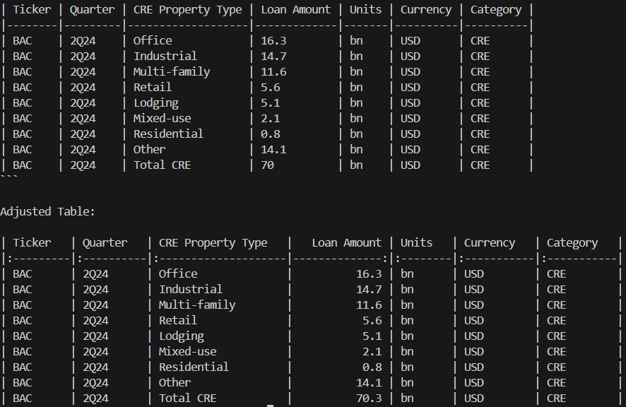
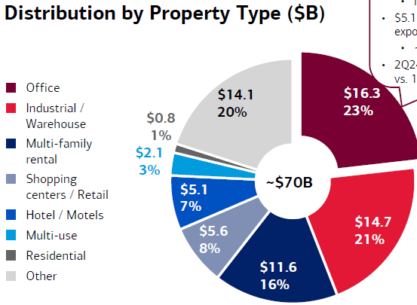

Correct |  | LLM

CRE Property Type | Loan Amount | CRE Property Type | Loan Amount
Office | $16.3 | Office | $16.3 | TRUE | TRUE
Industrial | $14.7 | Industrial | $14.7 | TRUE | TRUE
Multi-family | $11.6 | Multi-family | $11.6 | TRUE | TRUE
Retail | $5.6 | Retail | $5.6 | TRUE | TRUE
Lodging | $5.1 | Lodging | $5.1 | TRUE | TRUE
Mixed-use | $2.1 | Mixed-use | $2.1 | TRUE | TRUE
Residential | $0.8 | Residential | $0.8 | TRUE | TRUE
Other | $14.1 | Other | $14.1 | TRUE | TRUE
Total | $70.30 | Total | $70.3 | TRUE | TRUE

 |  | Accuracy | 100.00%

1Q24 AI API Script
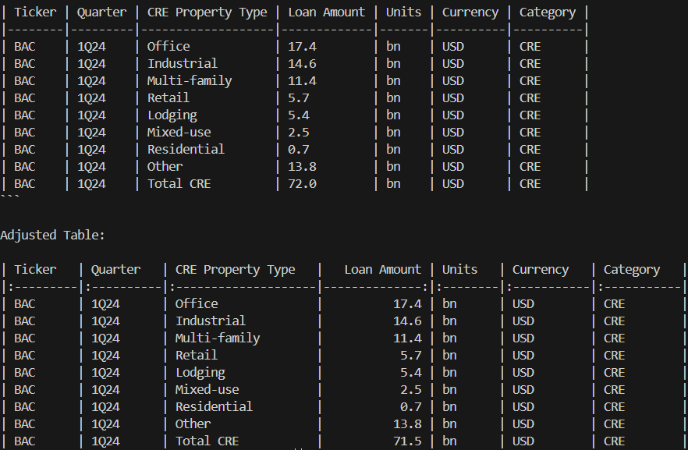
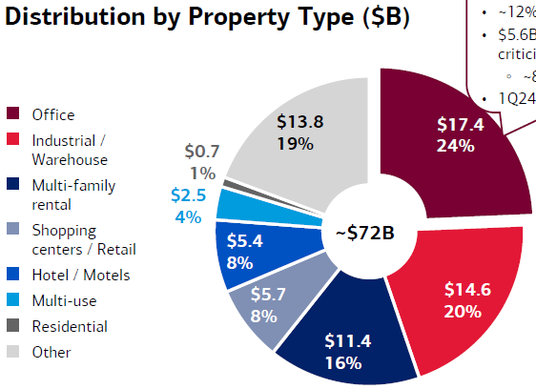

Correct |  | LLM

CRE Property Type | Loan Amount | CRE Property Type | Loan Amount
Office | $17.4 | Office | $17.4 | TRUE | TRUE
Industrial | $14.6 | Industrial | $14.6 | TRUE | TRUE
Multi-family | $11.4 | Multi-family | $11.4 | TRUE | TRUE
Retail | $5.7 | Retail | $5.7 | TRUE | TRUE
Lodging | $5.4 | Lodging | $5.4 | TRUE | TRUE
Mixed-use | $2.5 | Mixed-use | $2.5 | TRUE | TRUE
Residential | $0.7 | Residential | $0.7 | TRUE | TRUE
Other | $13.8 | Other | $13.8 | TRUE | TRUE
Total | $71.50 | Total | $71.5 | TRUE | TRUE

 |  | Accuracy | 100.00%

BAC Script
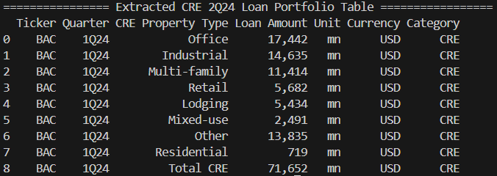
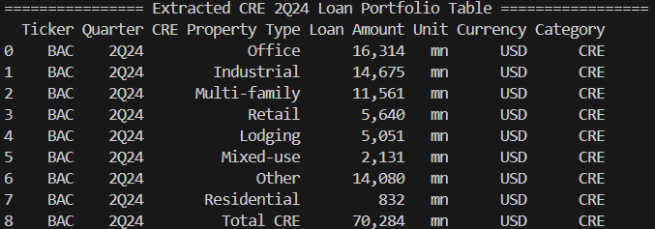
Script 4Q24 (10-Q) | Script 3Q24 (10-Q)
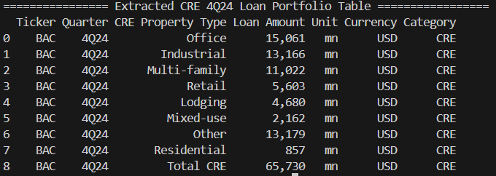
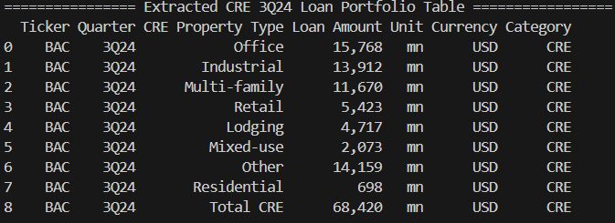

Script 1Q24 (10-Q) | Script 2Q24 (10-Q)

JPM Manual
4Q24 | Manual 4Q24 (10-Q)

 | CRE Property Type | Credit Exposure | % Drawn | Outstanding | CRE Property Type | Outstanding
 | Multifamily | 124,081 | 92% | 114,155 | Multi-family | 114,155
 | Industrial | 19,109 | 72% | 13,758 | Industrial | 13,758
 | Other Income Producing Properties | 16,569 | 63% | 10,438 | Office | 13,252
 | Office | 16,360 | 81% | 13,252 | Retail | 9,190
 | Services and Non Income Producing | 14,104 | 46% | 6,488 | Lodging | 2,424
 | Retail | 12,253 | 75% | 9,190 | Other | 16,926
 | Lodging | 4,574 | 53% | 2,424 | Total CRE | 169,705
 | Total CRE | 207,050 | 82% | 169,705

3Q24 | Manual 3Q24 (10-Q)

 | CRE Property Type | Credit Exposure | % Drawn | Outstanding | CRE Property Type | Outstanding | Ticker | Quarter | CRE Property Type | Loan Amount | Unit | Currency | Category
 | Multi-family | 125,410 | 91% | 114,123 | Multi-family | 114,123 | JPM | 3Q24 | Multi-family | 114,123 | mn | USD | CRE
 | Industrial | 19,282 | 74% | 14,269 | Industrial | 14,269 | JPM | 3Q24 | Industrial | 14,269 | mn | USD | CRE
 | Office | 16,926 | 81% | 13,710 | Office | 13,710 | JPM | 3Q24 | Office | 13,710 | mn | USD | CRE
 | Other Income Producing Properties | 15,011 | 67% | 10,057 | Retail | 8,860 | JPM | 3Q24 | Retail | 8,860 | mn | USD | CRE
 | Services and Non Income Producing | 14,557 | 51% | 7,424 | Lodging | 2,510 | JPM | 3Q24 | Lodging | 2,510 | mn | USD | CRE
 | Retail | 12,841 | 69% | 8,860 | Other | 17,481 | JPM | 3Q24 | Other | 17,481 | mn | USD | CRE
 | Lodging | 4,563 | 55% | 2,510 | Total CRE | 170,953 | JPM | 3Q24 | Total CRE | 170,953 | mn | USD | CRE
 | Total CRE | 208,590 | 82% | 170,953
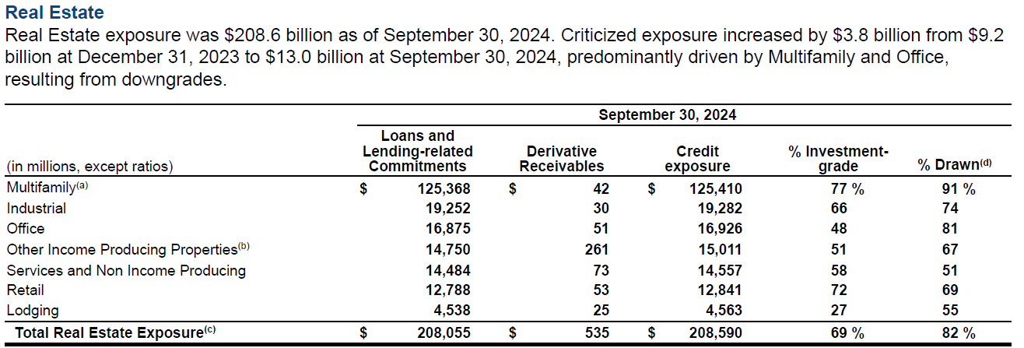

2Q24 | Manual 2Q24 (10-Q)

 | CRE Property Type | Credit Exposure | % Drawn | Outstanding | CRE Property Type | Outstanding
 | Multifamily | 122,991 | 91% | 111,922 | Multi-family | 111,922
 | Industrial | 20,871 | 70% | 14,610 | Industrial | 14,610
 | Office | 16,460 | 84% | 13,826 | Office | 13,826
 | Other Income Producing Properties | 14,813 | 64% | 9,480 | Retail | 8,878
 | Services and Non Income Producing | 14,613 | 51% | 7,453 | Lodging | 2,381
 | Retail | 11,997 | 74% | 8,878 | Other | 16,933
 | Lodging | 4,409 | 54% | 2,381 | Total CRE | 168,550
 | Total CRE | 206,154 | 82% | 168,550

1Q24 | Manual 1Q24 (10-Q)

 | CRE Property Type | Credit Exposure | % Drawn | Outstanding | CRE Property Type | Outstanding
 | Multifamily | 122,811 | 90% | 110,530 | Multi-family | 110,530
 | Industrial | 20,058 | 71% | 14,241 | Industrial | 14,241
 | Office | 16,300 | 82% | 13,366 | Office | 13,366
 | Services and Non Income Producing | 15,106 | 51% | 7,704 | Retail | 9,058
 | Other Income Producing Properties | 14,793 | 65% | 9,615 | Lodging | 2,406
 | Retail | 12,240 | 74% | 9,058 | Other | 17,320
 | Lodging | 4,455 | 54% | 2,406 | Total CRE | 166,920
 | Total CRE | 205,763 | 81% | 166,920

WFC LLM API
4Q24 AI API Script

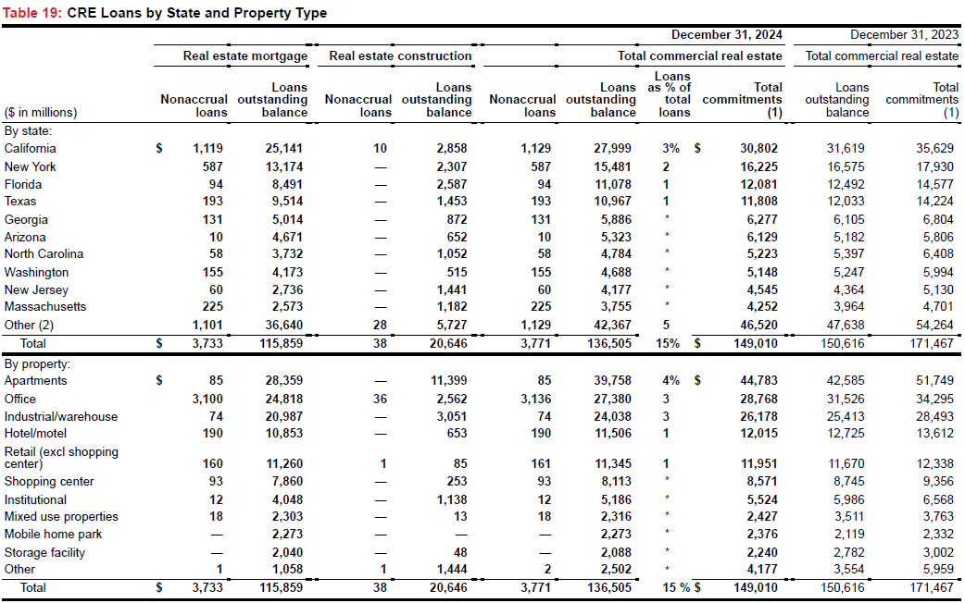

Correct

CRE Property Type | Total
Apartments | 39,758
Office | 27,380
Industrial/warehouse | 24,038
Hotel/motel | 11,506
Retail (excl shoppingcenter) | 11,345
Shopping center | 8,113
Institutional | 5,186
Mixed use properties | 2,316
Mobile home park | 2,273
Storage facility | 2,088
Other | 2,502
Total CRE | 136,505

Correct |  | LLM

CRE Property Type | Loan Amount | CRE Property Type | Loan Amount | TRUE | TRUE
Multi-family | 39,758 | Multi-family | 39,758 | TRUE | TRUE
Office | 27,380 | Office | 27,380 | TRUE | TRUE
Industrial | 24,038 | Industrial | 24,038 | TRUE | TRUE
Retail | 19,458 | Retail | 18,115 | TRUE | FALSE
Lodging | 11,506 | Lodging | 11,506 | TRUE | TRUE
Mixed-use | 2,316 | Mixed-use | 2,303 | TRUE | FALSE
Other | 12,049 | Other | 13,405 | TRUE | FALSE
Total CRE | 136,505 | Total CRE | 136,505 | TRUE | TRUE

 |  | Accuracy | 83%

3Q24 AI API Script

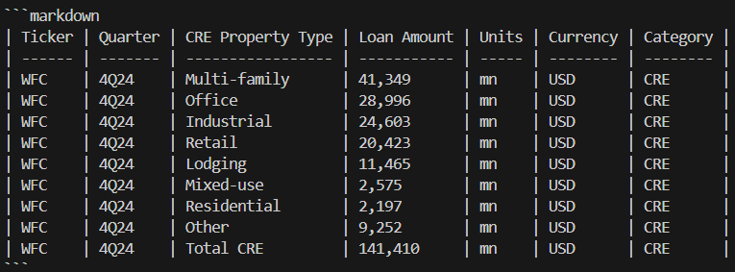
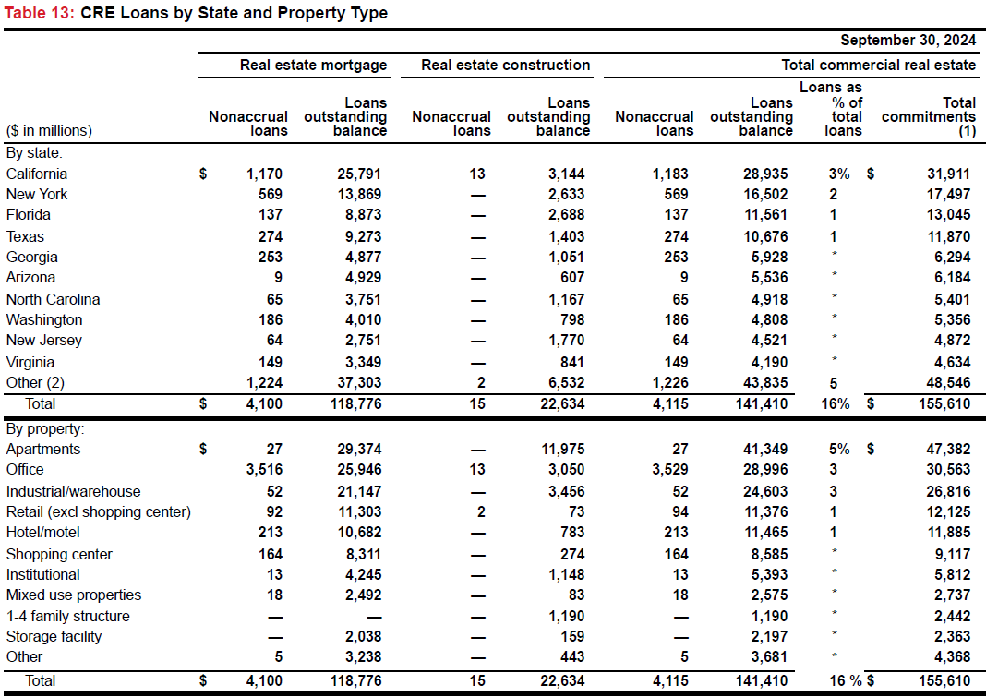

Correct

CRE Property Type | Total
Apartments | 41,349
Office | 28,996
Industrial/warehouse | 24,603
Retail (exc shopping center) | 11,376
Hotel/motel | 11,465
Shopping center | 8,585
Institutional | 5,393
Mixed use properties | 2,575
1-4 family structure | 1,190
Storage facility | 2,197
Other | 3,681
Total CRE | 141,410

Correct |  | LLM

CRE Property Type | Loan Amount | CRE Property Type | Loan Amount | TRUE | TRUE
Multi-family | 41,349 | Multi-family | 41,349 | TRUE | TRUE
Office | 28,996 | Office | 28,996 | TRUE | TRUE
Industrial | 24,603 | Industrial | 24,603 | TRUE | TRUE
Retail | 19,961 | Retail | 20,423 | TRUE | FALSE
Lodging | 11,465 | Lodging | 11,465 | TRUE | TRUE
Mixed-use | 2,575 | Mixed-use | 2,575 | TRUE | TRUE
Residential | 1,190 | Residential | 2,197 | TRUE | FALSE
Other | 11,271 | Other | 9,252 | TRUE | FALSE
Total CRE | 141,410 | Total CRE | 141,410 | TRUE | TRUE

 |  | Accuracy | 85%

2Q24 AI API Script

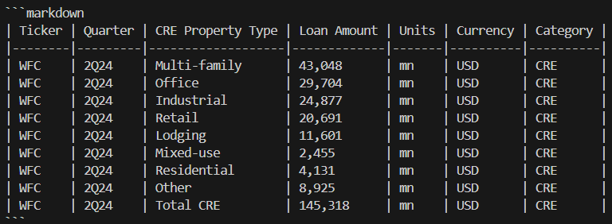
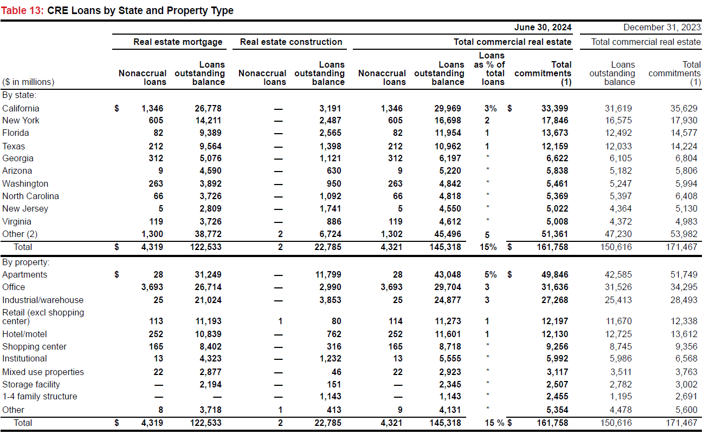

Correct

CRE Property Type | Total
Apartments | 43,048
Office | 29,704
Industrial/warehouse | 24,877
Retail (excl shoppingcenter) | 11,273
Hotel/motel | 11,601
Shopping center | 8,718
Institutional | 5,555
Mixed use properties | 2,923
Storage facility | 2,345
1-4 family structure | 1,143
Other | 4,131
Total CRE | 145,318

Correct |  | LLM

CRE Property Type | Loan Amount | CRE Property Type | Loan Amount | TRUE | TRUE
Multi-family | 43,048 | Multi-family | 43,048 | TRUE | TRUE
Office | 29,704 | Office | 29,704 | TRUE | TRUE
Industrial | 24,877 | Industrial | 24,877 | TRUE | TRUE
Retail | 19,991 | Retail | 20,691 | TRUE | FALSE
Lodging | 11,601 | Lodging | 11,601 | TRUE | TRUE
Mixed-use | 2,923 | Mixed-use | 2,455 | TRUE | FALSE
Residential | 1,143 | Residential | 4,131 | TRUE | FALSE
Other | 12,031 | Other | 8,925 | TRUE | FALSE
Total CRE | 145,318 | Total CRE | 145,318 | TRUE | TRUE

 |  | Accuracy | 80%

1Q24 AI API Script

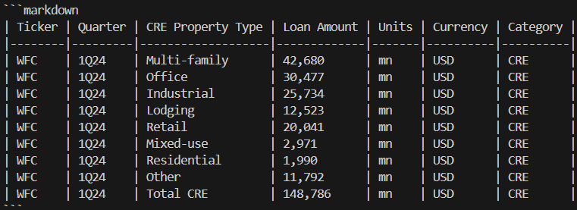
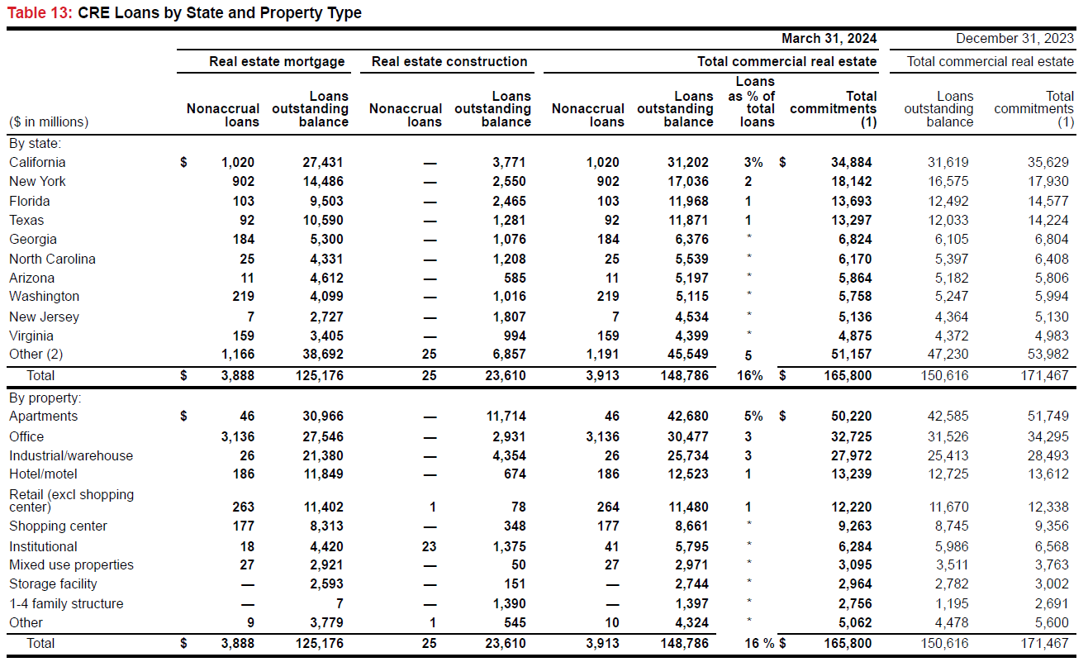

Correct

CRE Property Type | Total
Apartments | 42,680
Office | 30,477
Industrial/warehouse | 25,734
Hotel/motel | 12,523
Retail (excl shoppingcenter) | 11,480
Shopping center | 8,661
Institutional | 5,795
Mixed use properties | 2,971
Storage facility | 2,744
1-4 family structure | 1,397
Other | 4,324
Total CRE | 148,786

Correct |  | LLM

CRE Property Type | Loan Amount | CRE Property Type | Loan Amount | TRUE | TRUE
Multi-family | 42,680 | Multi-family | 42,680 | TRUE | TRUE
Office | 30,477 | Office | 30,477 | TRUE | TRUE
Industrial | 25,734 | Industrial | 25,734 | TRUE | TRUE
Retail | 20,141 | Retail | 20,041 | TRUE | FALSE
Lodging | 12,523 | Lodging | 12,523 | TRUE | TRUE
Mixed-use | 2,971 | Mixed-use | 2,971 | TRUE | TRUE
Residential | 1,397 | Residential | 1,990 | TRUE | FALSE
Other | 12,863 | Other | 11,792 | TRUE | FALSE
Total CRE | 148,786 | Total CRE | 148,786 | TRUE | TRUE

 |  | Accuracy | 85%

WFC Script
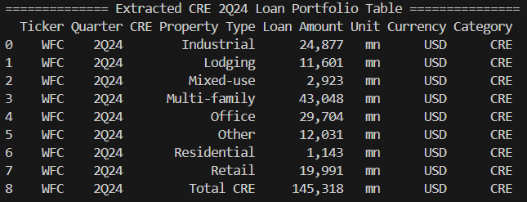
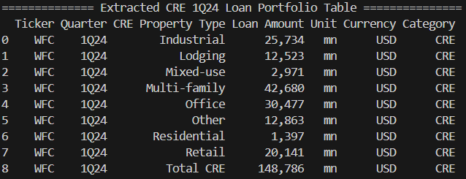
Script 4Q24 (10-Q) | Script 3Q24 (10-Q)
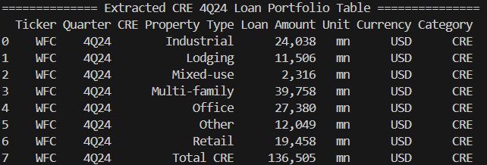
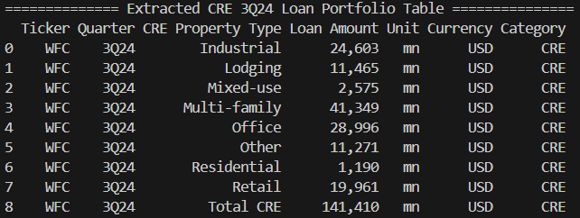

Script 2Q24 (10-Q) | Script 1Q24 (10-Q)

KEY Manual
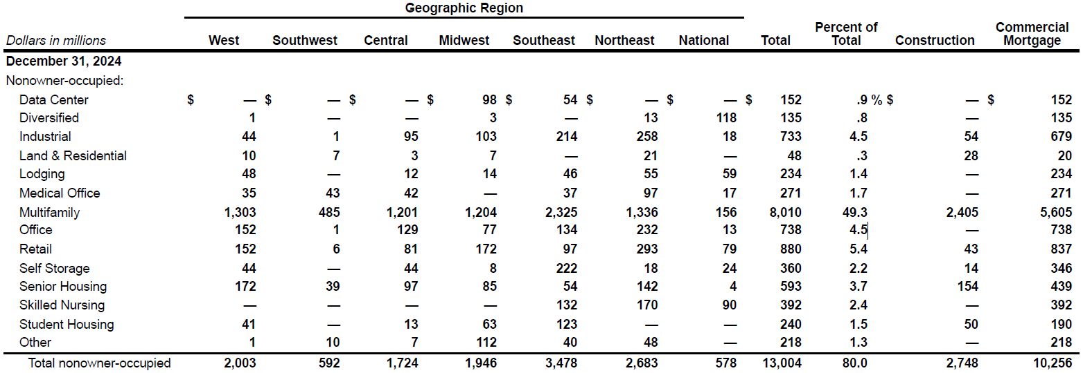
4Q24 | CRE Property Type | Construction | Mortgage | Loan Amount | CRE Property Type | Loan Amount
 | Data Center | — | 152 | 152 | Industrial | 733
 | Diversified | — | 135 | 135 | Lodging | 234
 | Industrial | 54 | 679 | 733 | Multi-family | 8,010
 | Land & Residential | 28 | 20 | 48 | Office | 1,009
 | Lodging | — | 234 | 234 | Retail | 880
 | Medical Office | — | 271 | 271 | Other | 2,138
 | Multifamily | 2,405 | 5,605 | 8010 | Total CRE | 13,004
 | Office | — | 738 | 738
 | Retail | 43 | 837 | 880
 | Self Storage | 14 | 346 | 360
 | Senior Housing | 154 | 439 | 593
 | Skilled Nursing | — | 392 | 392
 | Student Housing | 50 | 190 | 240
 | Other | — | 218 | 218
 | Total CRE | 2,748 | 10,256 | 13,004

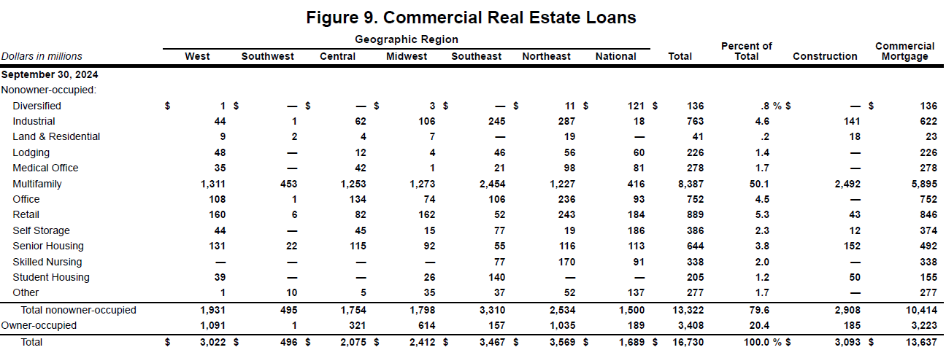
3Q24 | CRE Property Type | Construction | Mortgage | Loan Amount | CRE Property Type | Loan Amount
 | Diversified | — | 136 | 136 | Industrial | 763
 | Industrial | 141 | 622 | 763 | Lodging | 226
 | Land & Residential | 18 | 23 | 41 | Multifamily | 8,387
 | Lodging | — | 226 | 226 | Office | 1,030
 | Medical Office | — | 278 | 278 | Retail | 889
 | Multifamily | 2,492 | 5,895 | 8,387 | Other | 2,027
 | Office | — | 752 | 752 | Total CRE | 13,322
 | Retail | 43 | 846 | 889
 | Self Storage | 12 | 374 | 386
 | Senior Housing | 152 | 492 | 644
 | Skilled Nursing | — | 338 | 338
 | Student Housing | 50 | 155 | 205
 | Other | — | 277 | 277
 | Total CRE | 2,908 | 10,414 | 13,322

2Q24 | CRE Property Type | Construction | Mortgage | Loan Amount | CRE Property Type | Loan Amount
 | Diversified | — | 143 | 143 | Industrial | 779
 | Industrial | 140 | 639 | 779 | Lodging | 214
 | Land & Residential | 15 | 23 | 38 | Multi-family | 8,576
 | Lodging | — | 214 | 214 | Office | 1,048
 | Medical Office | — | 275 | 275 | Retail | 902
 | Multifamily | 2,475 | 6,101 | 8,576 | Other | 2,196
 | Office | — | 773 | 773 | Total CRE | 13,715
 | Retail | 46 | 856 | 902
 | Self Storage | 11 | 371 | 382
 | Senior Housing | 145 | 522 | 667
 | Skilled Nursing | — | 483 | 483
 | Student Housing | 50 | 135 | 185
 | Other | — | 298 | 298
 | Total CRE | 2,882 | 10,833 | 13,715

1Q24 | CRE Property Type | Construction | Mortgage | Loan Amount | CRE Property Type | Loan Amount
 | Diversified | — | 142 | 142 | Industrial | 791
 | Industrial | 131 | 660 | 791 | Lodging | 222
 | Land & Residential | 13 | 23 | 36 | Multi-family | 8,608
 | Lodging | 5 | 217 | 222 | Office | 1,123
 | Medical Office | 32 | 246 | 278 | Retail | 977
 | Multifamily | 2,367 | 6,241 | 8,608 | Other | 2,227
 | Office | — | 845 | 845 | Total CRE | 13,948
 | Retail | 62 | 915 | 977
 | Self Storage | 8 | 387 | 395
 | Senior Housing | 135 | 620 | 755
 | Skilled Nursing | — | 419 | 419
 | Student Housing | 50 | 135 | 185
 | Other | — | 295 | 295
 | Total CRE | 2,803 | 11,145 | 13,948

KEY LLM API
4Q24 AI API Script

Correct

CRE Property Type | Loan Amount
Data Center | 152
Diversified | 135
Industrial | 733
Land & Residential | 48
Lodging | 234
Medical Office | 271
Multifamily | 8010
Office | 738
Retail | 880
Self Storage | 360
Senior Housing | 593
Skilled Nursing | 392
Student Housing | 240
Other | 218
Total CRE | 13,004

CRE Property Type | Loan Amount | CRE Property Type | Loan Amount | TRUE | TRUE
Multi-family | 8,010 | Multi-family | 8,010 | TRUE | TRUE
Office | 1,009 | Office | 1,009 | TRUE | TRUE
Industrial | 733 | Industrial | 733 | TRUE | TRUE
Retail | 880 | Retail | 880 | TRUE | TRUE
Lodging | 234 | Lodging | 234 | TRUE | TRUE
Other | 2,138 | Other | 2,138 | TRUE | TRUE
Total CRE | 13,004 | Total CRE | 13,004 | TRUE | TRUE

 |  | Accuracy | 100%

3Q24 AI API Script
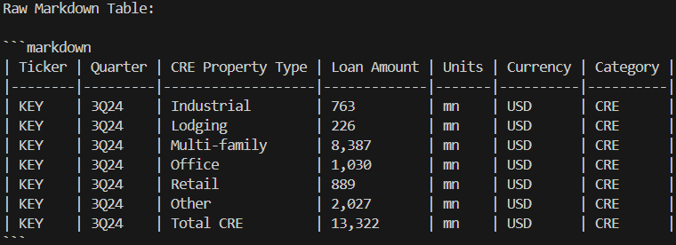

Correct

CRE Property Type | Loan Amount
Diversified | 136
Industrial | 763
Land & Residential | 41
Lodging | 226
Medical Office | 278
Multifamily | 8,387
Office | 752
Retail | 889
Self Storage | 386
Senior Housing | 644
Skilled Nursing | 338
Student Housing | 205
Other | 277
Total CRE | 13,322

CRE Property Type | Loan Amount | CRE Property Type | Loan Amount | TRUE | TRUE
Multi-family | 8,387 | Multi-family | 8,387 | TRUE | TRUE
Office | 1,030 | Office | 1,030 | TRUE | TRUE
Industrial | 763 | Industrial | 763 | TRUE | TRUE
Retail | 889 | Retail | 889 | TRUE | TRUE
Lodging | 226 | Lodging | 226 | TRUE | TRUE
Other | 2,027 | Other | 2,027 | TRUE | TRUE
Total CRE | 13,322 | Total CRE | 13,322 | TRUE | TRUE

 |  | Accuracy | 100%

2Q24 AI API Script

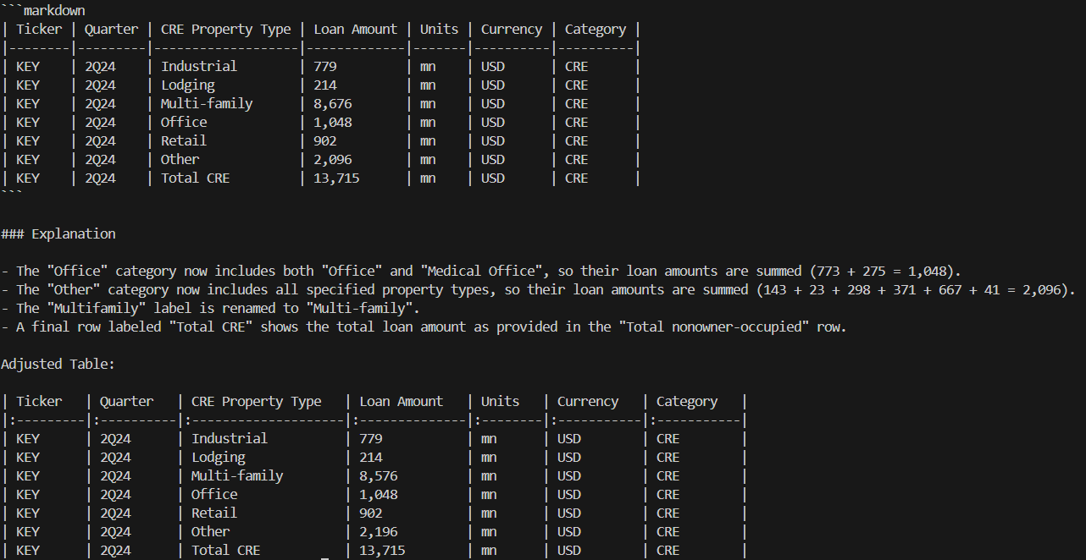

Correct

CRE Property Type | Loan Amount
Diversified | 143
Industrial | 779
Land & Residential | 38
Lodging | 214
Medical Office | 275
Multifamily | 8,576
Office | 773
Retail | 902
Self Storage | 382
Senior Housing | 667
Skilled Nursing | 483
Student Housing | 185
Other | 298
Total CRE | 13,715

CRE Property Type | Loan Amount | CRE Property Type | Loan Amount | TRUE | TRUE
Multi-family | 8,576 | Multi-family | 8,676 | TRUE | FALSE
Office | 1,048 | Office | 1,048 | TRUE | TRUE
Industrial | 779 | Industrial | 779 | TRUE | TRUE
Retail | 902 | Retail | 902 | TRUE | TRUE
Lodging | 214 | Lodging | 214 | TRUE | TRUE
Other | 2,196 | Other | 2,096 | TRUE | FALSE
Total CRE | 13,715 | Total CRE | 13,715 | TRUE | TRUE

 |  | Accuracy | 88%

1Q24 AI API Script
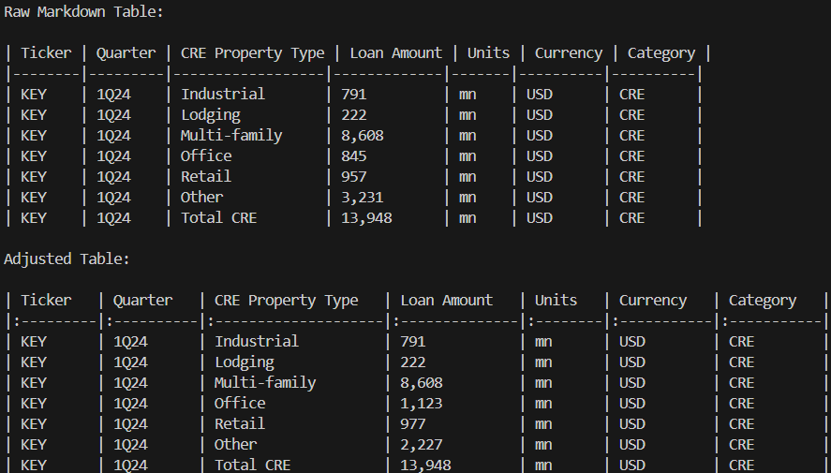

Correct

CRE Property Type | Loan Amount
Diversified | 142
Industrial | 791
Land & Residential | 36
Lodging | 222
Medical Office | 278
Multifamily | 8,608
Office | 845
Retail | 977
Self Storage | 395
Senior Housing | 755
Skilled Nursing | 419
Student Housing | 185
Other | 295
Total CRE | 13,948

CRE Property Type | Loan Amount | CRE Property Type | Loan Amount | TRUE | TRUE
Multi-family | 8,608 | Multi-family | 8,608 | TRUE | TRUE
Office | 1,123 | Office | 845 | TRUE | FALSE
Industrial | 791 | Industrial | 791 | TRUE | TRUE
Retail | 977 | Retail | 957 | TRUE | FALSE
Lodging | 222 | Lodging | 222 | TRUE | TRUE
Other | 2,227 | Other | 3,231 | TRUE | FALSE
Total CRE | 13,948 | Total CRE | 14,654 | TRUE | FALSE

 |  | Accuracy | 75%

HBAN LLM API
4Q24 AI API Script
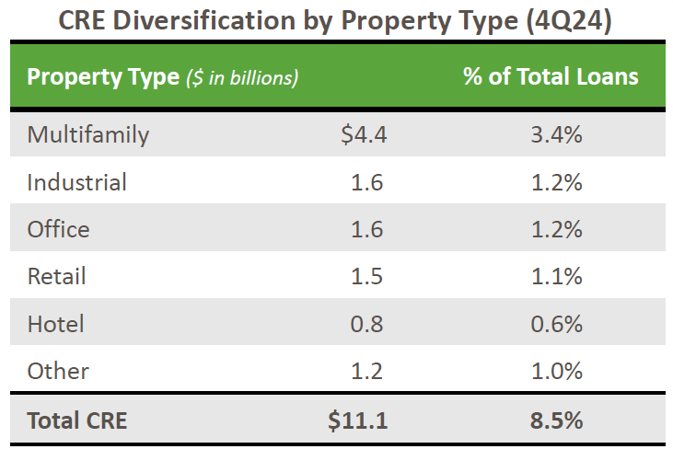

Correct |  | LLM

CRE Property Type | Loan Amount | CRE Property Type | Loan Amount | TRUE | TRUE
Multi-family | 4.4 | Multi-family | 4.4 | TRUE | TRUE
Industrial | 1.6 | Industrial | 1.6 | TRUE | TRUE
Office | 1.6 | Office | 1.6 | TRUE | TRUE
Retail | 1.5 | Retail | 1.5 | TRUE | TRUE
Lodging | 0.8 | Lodging | 0.8 | TRUE | TRUE
Other | 1.2 | Other | 1.2 | TRUE | TRUE
Total CRE | 11.1 | Total CRE | 11.1 | TRUE | TRUE

 |  | Accuracy | 100%

3Q24 AI API Script
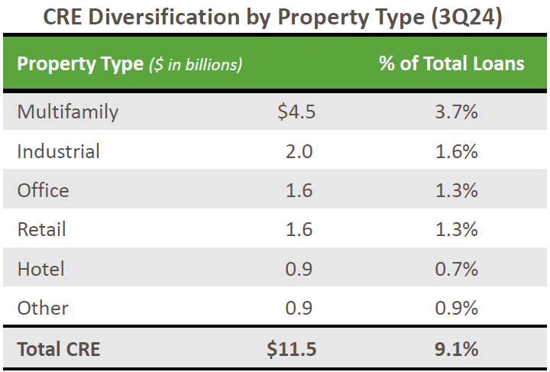

Correct |  | LLM

CRE Property Type | Loan Amount | CRE Property Type | Loan Amount | TRUE | TRUE
Multi-family | 4.5 | Multi-family | 4.5 | TRUE | TRUE
Industrial | 2.0 | Industrial | 2.0 | TRUE | TRUE
Office | 1.6 | Office | 1.6 | TRUE | TRUE
Retail | 1.6 | Retail | 1.6 | TRUE | TRUE
Lodging | 0.9 | Lodging | 0.9 | TRUE | TRUE
Other | 0.9 | Other | 0.9 | TRUE | TRUE
Total CRE | 11.5 | Total CRE | 11.5 | TRUE | TRUE

 |  | Accuracy | 100%

2Q24 AI API Script
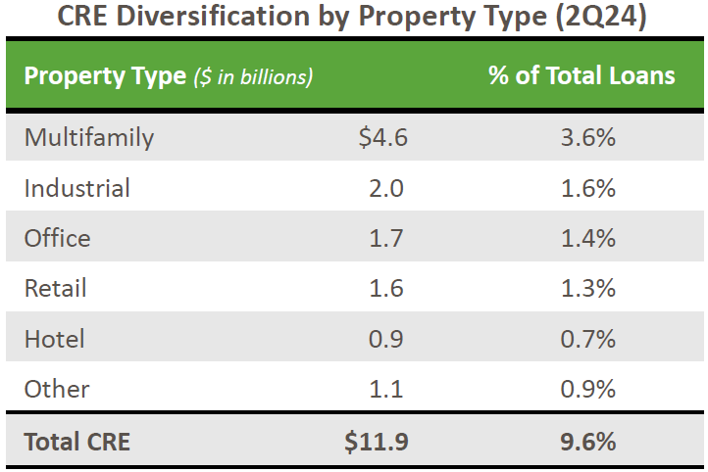

Correct |  | LLM

CRE Property Type | Loan Amount | CRE Property Type | Loan Amount | TRUE | TRUE
Multi-family | 4.6 | Multi-family | 4.6 | TRUE | TRUE
Industrial | 2.0 | Industrial | 2.0 | TRUE | TRUE
Office | 1.7 | Office | 1.7 | TRUE | TRUE
Retail | 1.6 | Retail | 1.6 | TRUE | TRUE
Lodging | 0.9 | Lodging | 0.9 | TRUE | TRUE
Other | 1.1 | Other | 1.1 | TRUE | TRUE
Total CRE | 11.9 | Total CRE | 11.9 | TRUE | TRUE

 |  | Accuracy | 100%

1Q24 AI API Script


Correct |  | LLM
CRE Property Type | Loan Amount | CRE Property Type | Loan Amount | TRUE | TRUE
Multi-family | 4.7 | Multi-family | 4.7 | TRUE | TRUE
Industrial | 2.0 | Industrial | 2.0 | TRUE | TRUE
Office | 1.8 | Office | 1.8 | TRUE | TRUE
Retail | 1.7 | Retail | 1.7 | TRUE | TRUE
Lodging | 0.9 | Lodging | 0.9 | TRUE | TRUE
Other | 1.2 | Other | 1.2 | TRUE | TRUE
Total CRE | 12.3 | Total CRE | 12.3 | TRUE | TRUE

 |  | Accuracy | 100%

CFG Manual
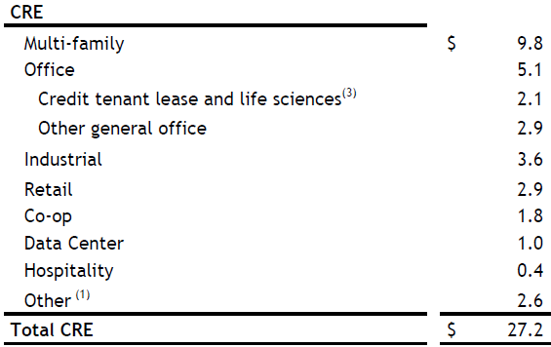
4Q24 | Manual 4Q24 (10-Q)

 | CRE Property Type | Loan Amount | CRE Property Type | Loan Amount | Ticker | Quarter | CRE Property Type | Loan Amount | Unit | Currency | Category
 | Multi-family | $9,791 | Multi-family | 9,791 | CFG | 4Q24 | Multi-family | 9,791 | mn | USD | CRE
 | Office |  | Office | 5,065 | CFG | 4Q24 | Office | 5,065 | mn | USD | CRE
 | Credit tenant lease and life sciences | 2,135 | Retail | 2,940 | CFG | 4Q24 | Retail | 2,940 | mn | USD | CRE
 | Other general office | 2,930 | Industrial | 3,575 | CFG | 4Q24 | Industrial | 3,575 | mn | USD | CRE
 | Retail | 2,940 | Lodging | 418 | CFG | 4Q24 | Lodging | 418 | mn | USD | CRE
 | Industrial | 3,575 | Other | 5,436 | CFG | 4Q24 | Other | 5,436 | mn | USD | CRE
 | Co-op | 1,802 | Total CRE | 27,225 | CFG | 4Q24 | Total CRE | 27,225 | mn | USD | CRE
 | Data center | 1,024
 | Hospitality | 418
 | Other | 2,610
 | Total CRE | $27,225

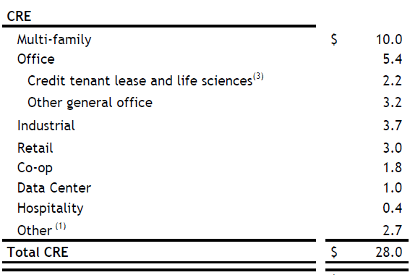

3Q24 | CRE Property Type | Loan Amount | CRE Property Type | Loan Amount | Ticker | Quarter | CRE Property Type | Loan Amount | Unit | Currency | Category
 | Multi-family | 9,952 | Multi-family | 9,952 | CFG | 3Q24 | Multi-family | 9,952 | mn | USD | CRE
 | Office |  | Office | 5,376 | CFG | 3Q24 | Office | 5,376 | mn | USD | CRE
 | Credit tenant | 2,220 | Retail | 2,987 | CFG | 3Q24 | Retail | 2,987 | mn | USD | CRE
 | Other Office | 3,156 | Industrial | 3,744 | CFG | 3Q24 | Industrial | 3,744 | mn | USD | CRE
 | Retail | 2,987 | Lodging | 423 | CFG | 3Q24 | Lodging | 423 | mn | USD | CRE
 | Industrial | 3,744 | Other | 5,501 | CFG | 3Q24 | Other | 5,501 | mn | USD | CRE
 | Co-op | 1,807 | Total CRE | 27,983 | CFG | 3Q24 | Total CRE | 27,983 | mn | USD | CRE
 | Data center | 991
 | Hospitality | 423
 | Other | 2,703
 | Total CRE | 27,983

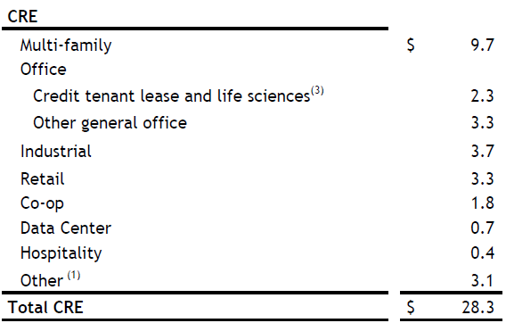

2Q24 | CRE Property Type | Loan Amount | CRE Property Type | Loan Amount | Ticker | Quarter | CRE Property Type | Loan Amount | Unit | Currency | Category
 | Multi-family | $9,689 | Multi-family | $9,689 | CFG | 2Q24 | Multi-family | 9,689 | mn | USD | CRE
 | Office |  | Office | 5,626 | CFG | 2Q24 | Office | 5,626 | mn | USD | CRE
 | e | 2,303 | Retail | 3,322 | CFG | 2Q24 | Retail | 3,322 | mn | USD | CRE
 | Other general office | 3,323 | Industrial | 3,689 | CFG | 2Q24 | Industrial | 3,689 | mn | USD | CRE
 | Retail | 3,322 | Lodging | 425 | CFG | 2Q24 | Lodging | 425 | mn | USD | CRE
 | Industrial | 3,689 | Other | 5,560 | CFG | 2Q24 | Other | 5,560 | mn | USD | CRE
 | Co-op | 1,810 | Total CRE | $28,311 | CFG | 2Q24 | Total CRE | 28,311 | mn | USD | CRE
 | Data center | 679
 | Hospitality | 425
 | Other | 3,071
 | Total CRE | $28,311

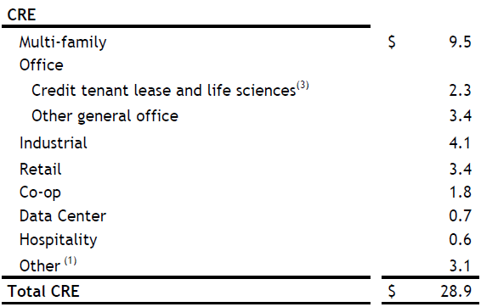
1Q24 | CRE Property Type | Loan Amount | CRE Property Type | Loan Amount | Ticker | Quarter | CRE Property Type | Loan Amount | Unit | Currency | Category
 | Multi-family | 9,491 | Multi-family | 9,491 | CFG | 1Q24 | Multi-family | 9,491 | mn | USD | CRE
 | Office |  | Office | 5,708 | CFG | 1Q24 | Office | 5,708 | mn | USD | CRE
 | Credit tenant lease and life sciences | 2,265 | Retail | 3,376 | CFG | 1Q24 | Retail | 3,376 | mn | USD | CRE
 | Other general office | 3,443 | Industrial | 4,079 | CFG | 1Q24 | Industrial | 4,079 | mn | USD | CRE
 | Retail | 3,376 | Lodging | 552 | CFG | 1Q24 | Lodging | 552 | mn | USD | CRE
 | Industrial | 4,079 | Other | 5,666 | CFG | 1Q24 | Other | 5,666 | mn | USD | CRE
 | Co-op | 1,816 | Total CRE | 28,872 | CFG | 1Q24 | Total CRE | 28,872 | mn | USD | CRE
 | Data center | 722
 | Hospitality | 552
 | Other | 3,128
 | Total CRE | 28,872

SNV Script


Script 4Q24 (10-Q) | Script 3Q24 (10-Q)



Script 2Q24 (10-Q) | Script 1Q24 (10-Q)

FCNCA Manual

4Q24 | CRE Property Type | Loan Amount | CRE Property Type | Loan Amount | Ticker | Quarter | CRE Property Type | Loan Amount | Unit | Currency | Category
 | Multi-Family | 5,713 | Multi-family | 5,713 | FCNCA | 4Q24 | Multi-family | 5,713 | mn | USD | CRE
 | Medical Office | 3,707 | Office | 6,183 | FCNCA | 4Q24 | Office | 6,183 | mn | USD | CRE
 | Industrial/Warehouse | 3,604 | Industrial | 3,604 | FCNCA | 4Q24 | Industrial | 3,604 | mn | USD | CRE
 | General Office | 2,476 | Retail | 1,995 | FCNCA | 4Q24 | Retail | 1,995 | mn | USD | CRE
 | Retail | 1,995 | Lodging | 876 | FCNCA | 4Q24 | Lodging | 876 | mn | USD | CRE
 | Hotel/Motel | 876 | Other | 4,546 | FCNCA | 4Q24 | Other | 4,546 | mn | USD | CRE
 | Other | 4,546 | Total CRE | 22,917 | FCNCA | 4Q24 | Total CRE | 22,917 | mn | USD | CRE
 | Total CRE | 22,917


3Q24 | CRE Property Type | Loan Amount | CRE Property Type | Loan Amount | Ticker | Quarter | CRE Property Type | Loan Amount | Unit | Currency | Category
 | Multi-family | 5,715 | Multi-family | 5,715 | FCNCA | 3Q24 | Multi-family | 5,715 | mn | USD | CRE
 | Medical Office | 3,704 | Office | 6,240 | FCNCA | 3Q24 | Office | 6,240 | mn | USD | CRE
 | General Office | 2,536 | Industrial | 3,544 | FCNCA | 3Q24 | Industrial | 3,544 | mn | USD | CRE
 | Industrial | 3,544 | Retail | 1,959 | FCNCA | 3Q24 | Retail | 1,959 | mn | USD | CRE
 | Retail | 1,959 | Lodging | 860 | FCNCA | 3Q24 | Lodging | 860 | mn | USD | CRE
 | Lodging | 860 | Other | 4,371 | FCNCA | 3Q24 | Other | 4,371 | mn | USD | CRE
 | Other | 4,371 | Total CRE | 22,689 | FCNCA | 3Q24 | Total CRE | 22,689 | mn | USD | CRE
 | Total CRE | 22,689


2Q24 | CRE Property Type | Loan Amount | CRE Property Type | Loan Amount | Ticker | Quarter | CRE Property Type | Loan Amount | Unit | Currency | Category
 | Multi-Family | 5,538 | Multi-family | 5,538 | FCNCA | 3Q24 | Multi-family | 5,538 | mn | USD | CRE
 | Medical Office | 3,598 | Office | 6,281 | FCNCA | 3Q24 | Office | 6,281 | mn | USD | CRE
 | Industrial / Warehouse | 3,296 | Industrial | 3,296 | FCNCA | 3Q24 | Industrial | 3,296 | mn | USD | CRE
 | General Office | 2,683 | Retail | 1,949 | FCNCA | 3Q24 | Retail | 1,949 | mn | USD | CRE
 | Retail | 1,949 | Lodging | 778 | FCNCA | 3Q24 | Lodging | 778 | mn | USD | CRE
 | Hotel / Motel | 778 | Other | 3,974 | FCNCA | 3Q24 | Other | 3,974 | mn | USD | CRE
 | Other | 3,974 | Total CRE | 21,816 | FCNCA | 3Q24 | Total CRE | 21,816 | mn | USD | CRE
 | Total CRE | 21,816


1Q24 | CRE Property Type | Loan Amount | CRE Property Type | Loan Amount | Ticker | Quarter | CRE Property Type | Loan Amount | Unit | Currency | Category
 | Multi-Family | 5,341 | Multi-family | 5,341 | FCNCA | 1Q24 | Multi-family | 5,341 | mn | USD | CRE
 | Medical Office | 3,443 | Office | 6,195 | FCNCA | 1Q24 | Office | 6,195 | mn | USD | CRE
 | General Office | 2,752 | Industrial | 3,121 | FCNCA | 1Q24 | Industrial | 3,121 | mn | USD | CRE
 | Industrial / Warehouse | 3,121 | Retail | 1,955 | FCNCA | 1Q24 | Retail | 1,955 | mn | USD | CRE
 | Retail | 1,955 | Lodging | 818 | FCNCA | 1Q24 | Lodging | 818 | mn | USD | CRE
 | Hotel/Motel | 818 | Other | 3,706 | FCNCA | 1Q24 | Other | 3,706 | mn | USD | CRE
 | Other | 3,706 | Total CRE | 21,136 | FCNCA | 1Q24 | Total CRE | 21,136 | mn | USD | CRE
 | Total CRE | 21,136

PNC Manual


4Q24 | CRE Property Type | Loan Amount | CRE Property Type | Loan Amount | Ticker | Quarter | CRE Property Type | Loan Amount | Unit | Currency | Category
 | Multifamily | 16,089 | Multi-family | 16,089 | PNC | 4Q24 | Multi-family | 16,089 | mn | USD | CRE
 | Office | 6,707 | Office | 6,707 | PNC | 4Q24 | Office | 6,707 | mn | USD | CRE
 | Industrial/warehouse | 3,911 | Industrial | 3,911 | PNC | 4Q24 | Industrial | 3,911 | mn | USD | CRE
 | Retail | 2,090 | Retail | 2,090 | PNC | 4Q24 | Retail | 2,090 | mn | USD | CRE
 | Seniors housing | 1,731 | Lodging | 1,567 | PNC | 4Q24 | Lodging | 1,567 | mn | USD | CRE
 | Hotel/motel | 1,567 | Mixed-use | 336 | PNC | 4Q24 | Mixed-use | 336 | mn | USD | CRE
 | Mixed use | 336 | Other | 2,919 | PNC | 4Q24 | Other | 2,919 | mn | USD | CRE
 | Other | 1,188 | Total CRE | 33,619 | PNC | 4Q24 | Total CRE | 33,619 | mn | USD | CRE
 | Total CRE | 33,619



3Q24 | CRE Property Type | Loan Amount | CRE Property Type | Loan Amount | Ticker | Quarter | CRE Property Type | Loan Amount | Unit | Currency | Category
 | Multi-family | 16,678 | Multi-family | 16,678 | PNC | 3Q24 | Multi-family | 16,678 | mn | USD | CRE
 | Office | 7,225 | Office | 7,225 | PNC | 3Q24 | Office | 7,225 | mn | USD | CRE
 | Industrial | 3,990 | Industrial | 3,990 | PNC | 3Q24 | Industrial | 3,990 | mn | USD | CRE
 | Retail | 2,174 | Retail | 2,174 | PNC | 3Q24 | Retail | 2,174 | mn | USD | CRE
 | Senior Housing | 1,776 | Lodging | 1,696 | PNC | 3Q24 | Lodging | 1,696 | mn | USD | CRE
 | Lodging | 1,696 | Mixed-use | 348 | PNC | 3Q24 | Mixed-use | 348 | mn | USD | CRE
 | Mixed-use | 348 | Other | 2,993 | PNC | 3Q24 | Other | 2,993 | mn | USD | CRE
 | Other | 1,217 | Total CRE | 35,104 | PNC | 3Q24 | Total CRE | 35,104 | mn | USD | CRE



2Q24 | CRE Property Type | Loan Amount | CRE Property Type | Loan Amount | Ticker | Quarter | CRE Property Type | Loan Amount | Unit | Currency | Category
 | Multifamily | 16,453 | Multi-family | 16,453 | PNC | 2Q24 | Multi-family | 16,453 | mn | USD | CRE
 | Office | 7,498 | Office | 7,498 | PNC | 2Q24 | Office | 7,498 | mn | USD | CRE
 | Industrial/warehouse | 4,110 | Industrial | 4,110 | PNC | 2Q24 | Industrial | 4,110 | mn | USD | CRE
 | Retail | 2,238 | Retail | 2,238 | PNC | 2Q24 | Retail | 2,238 | mn | USD | CRE
 | Seniors housing | 1,862 | Lodging | 1,709 | PNC | 2Q24 | Lodging | 1,709 | mn | USD | CRE
 | Hotel/motel | 1,709 | Mixed-use | 387 | PNC | 2Q24 | Mixed-use | 387 | mn | USD | CRE
 | Mixed use | 387 | Other | 3,103 | PNC | 2Q24 | Other | 3,103 | mn | USD | CRE
 | Other | 1,241 | Total CRE | 35,498 | PNC | 2Q24 | Total CRE | 35,498 | mn | USD | CRE
 | Total CRE | 35,498



1Q24 | CRE Property Type | Loan Amount | CRE Property Type | Loan Amount | Ticker | Quarter | CRE Property Type | Loan Amount | Unit | Currency | Category
 | Multifamily | 16,058 | Multi-family | 16,058 | PNC | 1Q24 | Multi-family | 16,058 | mn | USD | CRE
 | Office | 7,803 | Office | 7,803 | PNC | 1Q24 | Office | 7,803 | mn | USD | CRE
 | Industrial/warehouse | 4,116 | Industrial | 4,116 | PNC | 1Q24 | Industrial | 4,116 | mn | USD | CRE
 | Retail | 2,335 | Retail | 2,335 | PNC | 1Q24 | Retail | 2,335 | mn | USD | CRE
 | Seniors housing | 1,834 | Lodging | 1,811 | PNC | 1Q24 | Lodging | 1,811 | mn | USD | CRE
 | Hotel/motel | 1,811 | Mixed-use | 388 | PNC | 1Q24 | Mixed-use | 388 | mn | USD | CRE
 | Mixed use | 388 | Other | 3,080 | PNC | 1Q24 | Other | 3,080 | mn | USD | CRE
 | Other | 1,246 | Total CRE | 35,591 | PNC | 1Q24 | Total CRE | 35,591 | mn | USD | CRE
 | Total CRE | 35,591

PNC LLM API
4Q24 AI API Script


Correct |  | LLM

CRE Property Type | Loan Amount | CRE Property Type | Loan Amount
Multi-family | 16.1 | Multi-family | 16.1 | TRUE | TRUE
Office | 6.7 | Office | 6.7 | TRUE | TRUE
Industrial | 3.9 | Industrial | 3.9 | TRUE | TRUE
Retail | 2.1 | Retail | 2.1 | TRUE | TRUE
Lodging | 1.6 | Lodging | 1.6 | TRUE | TRUE
Mixed-use | 0.3 | Mixed-use | 0.3 | TRUE | TRUE
Other | 2.9 | Other | 4.6 | TRUE | FALSE
Total CRE | 33.6 | Total CRE | 33.6 | TRUE | TRUE

 |  | Accuracy | 93%
3Q24 AI API Script

Correct |  | LLM

CRE Property Type | Loan Amount | CRE Property Type | Loan Amount
Multi-family | 16.7 | Multi-family | 16.7 | TRUE | TRUE
Office | 7.2 | Office | 7.2 | TRUE | TRUE
Industrial | 4.0 | Industrial | 4.0 | TRUE | TRUE
Retail | 2.2 | Retail | 2.2 | TRUE | TRUE
Lodging | 1.7 | Lodging | 1.7 | TRUE | TRUE
Mixed-use | 0.3 | Mixed-use | 0.3 | TRUE | TRUE
Other | 3.0 | Other | 3.0 | TRUE | TRUE
Total CRE | 35.1 | Total CRE | 35.1 | TRUE | TRUE

 |  | Accuracy | 100%
2Q24 AI API Script

Correct |  | LLM

CRE Property Type | Loan Amount | CRE Property Type | Loan Amount
Multi-family | 16.5 | Multi-family | 16.5 | TRUE | TRUE
Office | 7.5 | Office | 7.5 | TRUE | TRUE
Industrial | 4.1 | Industrial | 4.1 | TRUE | TRUE
Retail | 2.2 | Retail | 2.2 | TRUE | TRUE
Lodging | 1.7 | Lodging | 1.7 | TRUE | TRUE
Mixed-use | 0.4 | Mixed-use | 0.4 | TRUE | TRUE
Other | 3.1 | Other | 3.1 | TRUE | TRUE
Total CRE | 35.5 | Total CRE | 35.5 | TRUE | TRUE

 |  | Accuracy | 100%

1Q24 AI API Script


Correct |  | LLM

CRE Property Type | Loan Amount | CRE Property Type | Loan Amount
Multi-family | 16.1 | Multi-family | 16.1 | TRUE | TRUE
Office | 7.8 | Office | 7.8 | TRUE | TRUE
Industrial | 4.1 | Industrial | 4.1 | TRUE | TRUE
Retail | 2.3 | Retail | 2.3 | TRUE | TRUE
Lodging | 1.8 | Lodging | 1.8 | TRUE | TRUE
Mixed-use | 0.4 | Mixed-use | 0.4 | TRUE | TRUE
Other | 3.0 | Other | 4.8 | TRUE | FALSE
Total CRE | 35.5 | Total CRE | 35.5 | TRUE | TRUE

 |  | Accuracy | 93%

PNC Script

Script 4Q24 (10-Q) | Script 3Q24 (10-Q)

Script 2Q24 (10-Q) | Script 1Q24 (10-Q)

RF LLM API

4Q24
 | Correct | $15.3

 | CRE Property Type | Percentage
 | Residential homebuilders | 7.1%
 | Apartments | 28.6%
 | Industrial | 15.0%
 | Data center | 2.2%
 | Diversified | 11.4%
 | Business offices | 9.6%
 | Residential land | 0.4%
 | Retail | 9.5%
 | Healthcare | 7.4%
 | Hotel | 5.1%
 | Commercial land | 0.1%
 | Self storage | 1.9%
 | Other | 1.7%
 | Total CRE | 100.0%

 | Correct |  |  | LLM

 | CRE Property Type | Percentage | Loan Amount | CRE Property Type | Loan Amount | TRUE | TRUE
 | Multi-family | 28.6% | $4,376 | Multi-family | $4,375 | TRUE | TRUE
 | Industrial | 15.0% | $2,295 | Industrial | $2,295 | TRUE | TRUE
 | Retail | 9.5% | $1,454 | Retail | $1,453 | TRUE | TRUE
 | Lodging | 5.1% | $780 | Lodging | $780 | TRUE | TRUE
 | Office | 9.6% | $1,469 | Office | $1,468 | TRUE | TRUE
 | Residential | 7.5% | $1,148 | Residential | $1,147 | TRUE | TRUE
 | Other | 24.7% | $3,779 | Other | $3,779 | TRUE | TRUE
 | Total CRE | 100.0% | $15,300 | Total CRE | $15,300 | TRUE | TRUE

 | Accuracy | 100%


3Q24
 | Correct | $15.4

 | CRE Property Type | Percentage
 | Residential homebuilders | 7.5%
 | Apartments | 27.5%
 | Industrial | 14.5%
 | Data center | 2.6%
 | Diversified | 12.1%
 | Business offices | 10.1%
 | Residential land | 0.4%
 | Retail | 8.9%
 | Healthcare | 7.6%
 | Hotel | 5.2%
 | Commercial land | 0.1%
 | Self storage | 1.8%
 | Other | 1.7%
 | Total CRE | 100.0%

 | Correct |  |  | LLM

 | CRE Property Type | Percentage | Loan Amount | CRE Property Type | Loan Amount | TRUE | TRUE
 | Multi-family | 27.5% | $4,235 | Multi-family | $4,235 | TRUE | TRUE
 | Industrial | 14.5% | $2,233 | Industrial | $2,233 | TRUE | TRUE
 | Retail | 8.9% | $1,371 | Retail | $1,371 | TRUE | TRUE
 | Lodging | 5.2% | $801 | Lodging | $801 | TRUE | TRUE
 | Office | 10.1% | $1,555 | Office | $1,555 | TRUE | TRUE
 | Residential | 7.9% | $1,217 | Residential | $1,189 | TRUE | FALSE
 | Other | 25.9% | $3,989 | Other | $4,013 | TRUE | FALSE
 | Total CRE | 100.0% | $15,400 | Total CRE | $15,400 | TRUE | TRUE

 | Accuracy | 89%



2Q24
 | Correct | $15.6

 | CRE Property Type | Percentage
 | Residential homebuilders | 7.2%
 | Apartments | 27.5%
 | Industrial | 14.2%
 | Data center | 2.1%
 | Diversified | 12.2%
 | Business offices | 10.1%
 | Residential land | 0.5%
 | Retail | 8.9%
 | Healthcare | 8.2%
 | Hotel | 5.2%
 | Commercial land | 0.1%
 | Other | 3.8%
 | Total CRE | 100.0%

 | Correct |  |  | LLM

 | CRE Property Type | Percentage | Loan Amount | CRE Property Type | Loan Amount | TRUE | TRUE
 | Multi-family | 27.5% | $4,290 | Multi-family | $4,292 | TRUE | FALSE
 | Industrial | 14.2% | $2,215 | Industrial | $2,212 | TRUE | FALSE
 | Retail | 8.9% | $1,388 | Retail | $1,388 | TRUE | TRUE
 | Lodging | 5.2% | $811 | Lodging | $811 | TRUE | TRUE
 | Office | 10.1% | $1,576 | Office | $1,575 | TRUE | TRUE
 | Residential | 7.7% | $1,201 | Residential | $1,158 | TRUE | FALSE
 | Other | 26.4% | $4,118 | Other | $2,461 | TRUE | FALSE
 | Total CRE | 100.0% | $15,600 | Total CRE | $15,600 | TRUE | TRUE

 | Accuracy | 78%


1Q24
 | Correct | $15.4

 | CRE Property Type | Percentage
 | Residential homebuilders | 6.5%
 | Apartments | 26.4%
 | Industrial | 14.5%
 | Data center | 2.0%
 | Diversified | 13.2%
 | Business offices | 9.8%
 | Residential land | 0.6%
 | Retail | 9.1%
 | Healthcare | 9.0%
 | Hotel | 5.1%
 | Commercial land | 0.1%
 | Other | 3.7%
 | Total CRE | 100.0%

 | Correct |  |  | LLM

 | CRE Property Type | Percentage | Loan Amount | CRE Property Type | Loan Amount | TRUE | TRUE
 | Multi-family | 26.4% | $4,066 | Multi-family | $4,067 | TRUE | TRUE
 | Industrial | 14.5% | $2,233 | Industrial | $2,233 | TRUE | TRUE
 | Retail | 9.1% | $1,401 | Retail | $1,401 | TRUE | TRUE
 | Lodging | 5.1% | $785 | Lodging | $785 | TRUE | TRUE
 | Office | 9.8% | $1,509 | Office | $1,509 | TRUE | TRUE
 | Residential | 7.1% | $1,093 | Residential | $1,062 | TRUE | FALSE
 | Other | 28.0% | $4,312 | Other | $2,339 | TRUE | FALSE
 | Total CRE | 100.0% | $15,400 | Total CRE | $15,400 | TRUE | TRUE

 | Accuracy | 89%

RF Script


Script 4Q24 (10-Q) | Script 3Q24 (10-Q)



Script 2Q24 (10-Q) | Script 1Q24 (10-Q)

BAC LLM Interface
Write Seconds | LLM (4Q24)
42 | Convert Prompt | Please convert the attached pie chart of a commercial real estate (CRE) portfolio into a table by property type with its amount and percentage values, and include a total row.
52 | Correct Prompt | There is an error in the table. The $13.2 and 20% values should be associated the "Other" property type and the $0.90 and 1% values should be associated with the "Residential" property type. Please revise the table.
66 | Clean Prompt | Please create a new table using the "Property Type" and "Amount" columns. First rename them "CRE Property Type" and "Loan Amount", then add "Ticker" and "Quarter" columns to the left of these columns, and each row should include "BAC" under "Ticker" and "4Q24" under "Quarter"
57 | Clean Prompt | Now add "Unit", "Currency", and "Category" columns to the right of the "CRE Property Type" and "Loan Amount" columns, and each row should include "bn", "USD", and "CRE" under the "Unit", "Currency", and "Category" columns, respectively.
37 | Clean Prompt | Include the original "Total" row but rename it to "Total CRE" and populate the empty cells in this row with the same values from prior rows in each column.
55 | Clean Prompt | In the "CRE Property Type" column, rename "Industrial / Warehouse" to "Industrial", "Multi-family rental" to "Multi-family", "Shopping centers / Retail" to "Retail", "Hotel / Motels" to "Lodging", and "Multi-use" to "Mixed-use".



 |  |  | Correct |  | LLM
 |  |  | Property Type | Amount ($bn) | Property Type | Amount ($bn) | TRUE | TRUE
 |  |  | Office | $15.10 | Office | $15.10 | TRUE | TRUE
 |  |  | Industrial | $13.20 | Industrial | $13.20 | TRUE | TRUE
 |  |  | Multi-family | $11.00 | Multi-family | $11.00 | TRUE | TRUE
 |  |  | Retail | $5.60 | Retail | $5.60 | TRUE | TRUE
 |  |  | Lodging | $4.70 | Lodging | $4.70 | TRUE | TRUE
 |  |  | Mixed-use | $2.20 | Mixed-use | $2.20 | TRUE | TRUE
 |  |  | Residential | $0.90 | Residential | $13.20 | TRUE | FALSE
 |  |  | Other | $13.20 | Other | $0.90 | TRUE | FALSE
 |  |  | Total | $65.90 | Total | $66.00

 |  |  |  |  | Accuracy | 90.00%

Write Seconds | LLM (3Q24)
28 | Convert Prompt | Please convert the attached pie chart of a commercial real estate (CRE) portfolio into a table by property type with its amount and percentage values, and include a total row.
32 | Correct Prompt | There is an error in the table. The $14.2 and 21% values should be associated the "Other" property type and the $0.70 and 1% values should be associated with the "Residential" property type. Please revise the table.
45 | Clean Prompt | Please create a new table using the "Property Type" and "Amount" columns. First rename them "CRE Property Type" and "Loan Amount", then add "Ticker" and "Quarter" columns to the left of these columns, and each row should include "BAC" under "Ticker" and "3Q24" under "Quarter"
42 | Clean Prompt | Now add "Unit", "Currency", and "Category" columns to the right of the "CRE Property Type" and "Loan Amount" columns, and each row should include "bn", "USD", and "CRE" under the "Unit", "Currency", and "Category" columns, respectively.
22 | Clean Prompt | Include the original "Total" row but rename it to "Total CRE" and populate the empty cells in this row with the same values from prior rows in each column.


50 | Clean Prompt | In the "CRE Property Type" column, rename "Industrial / Warehouse" to "Industrial", "Multi-family rental" to "Multi-family", "Shopping centers / Retail" to "Retail", "Hotel / Motels" to "Lodging", and "Multi-use" to "Mixed-use".


 |  |  | Correct |  | LLM
 |  |  | Property Type | Amount ($bn) | Property Type | Amount ($bn) | TRUE | TRUE
 |  |  | Office | $15.80 | Office | $15.80 | TRUE | TRUE
 |  |  | Industrial | $13.90 | Industrial | $13.90 | TRUE | TRUE
 |  |  | Multi-family | $11.70 | Multi-family | $11.70 | TRUE | TRUE
 |  |  | Retail | $5.40 | Retail | $5.40 | TRUE | TRUE
 |  |  | Lodging | $4.70 | Lodging | $4.70 | TRUE | TRUE
 |  |  | Multi-use | $2.10 | Multi-use | $2.10 | TRUE | TRUE
 |  |  | Residential | $0.70 | Residential | $14.20 | TRUE | FALSE
 |  |  | Other | $14.20 | Other | $0.70 | TRUE | FALSE
 |  |  | Total | $68.50 | Total | $68.00

 |  |  |  |  | Accuracy | 90.00%

Write Seconds | LLM (2Q24)
28 | Convert Prompt | Please convert the attached pie chart of a commercial real estate (CRE) portfolio into a table by property type with its amount and percentage values, and include a total row.
45 | Clean Prompt | Please create a new table using the "Property Type" and "Amount" columns. First rename them "CRE Property Type" and "Loan Amount", then add "Ticker" and "Quarter" columns to the left of these columns, and each row should include "BAC" under "Ticker" and "2Q24" under "Quarter"
42 | Clean Prompt | Now add "Unit", "Currency", and "Category" columns to the right of the "CRE Property Type" and "Loan Amount" columns, and each row should include "bn", "USD", and "CRE" under the "Unit", "Currency", and "Category" columns, respectively.
22 | Clean Prompt | Include the original "Total" row but rename it to "Total CRE" and populate the empty cells in this row with the same values from prior rows in each column.
50 | Clean Prompt | In the "CRE Property Type" column, rename "Industrial / Warehouse" to "Industrial", "Multi-family rental" to "Multi-family", "Shopping centers / Retail" to "Retail", "Hotel / Motels" to "Lodging", and "Multi-use" to "Mixed-use".



 |  |  | Correct |  | LLM
 |  |  | Property Type | Amount ($bn) | Property Type | Amount ($bn)
 |  |  | Office | $16.3 | Office | $16.3 | TRUE | TRUE
 |  |  | Industrial | $14.7 | Industrial | $14.7 | TRUE | TRUE
 |  |  | Multi-family | $11.6 | Multi-family | $11.6 | TRUE | TRUE
 |  |  | Retail | $5.6 | Retail | $5.6 | TRUE | TRUE
 |  |  | Lodging | $5.1 | Lodging | $5.1 | TRUE | TRUE
 |  |  | Multi-use | $2.1 | Multi-use | $2.1 | TRUE | TRUE
 |  |  | Residential | $0.8 | Residential | $0.8 | TRUE | TRUE
 |  |  | Other | $14.1 | Other | $14.1 | TRUE | TRUE
 |  |  | Total | $70.30 | Total | $70.3 | TRUE | TRUE

 |  |  |  |  | Accuracy | 100.00%


Write Seconds | LLM (1Q24)
28 | Convert Prompt | Please convert the attached pie chart of a commercial real estate (CRE) portfolio into a table by property type with its amount and percentage values, and include a total row.
45 | Clean Prompt | Please create a new table using the "Property Type" and "Amount" columns. First rename them "CRE Property Type" and "Loan Amount", then add "Ticker" and "Quarter" columns to the left of these columns, and each row should include "BAC" under "Ticker" and "1Q24" under "Quarter" columns.
42 | Clean Prompt | Now add "Unit", "Currency", and "Category" columns to the right of the "CRE Property Type" and "Loan Amount" columns, and each row should include "bn", "USD", and "CRE" under the "Unit", "Currency", and "Category" columns, respectively.
22 | Clean Prompt | Include the original "Total" row but rename it to "Total CRE" and populate the empty cells in this row with the same values from prior rows in each column.
50 | Clean Prompt | In the "CRE Property Type" column, rename "Industrial / Warehouse" to "Industrial", "Multi-family rental" to "Multi-family", "Shopping centers / Retail" to "Retail", "Hotel / Motels" to "Lodging", and "Multi-use" to "Mixed-use".
 |  |  | Correct |  | LLM

 |  |  | Property Type | Amount ($bn) | Property Type | Amount ($bn)
 |  |  | Office | $17.4 | Office | $17.4 | TRUE | TRUE
 |  |  | Industrial | $14.6 | Industrial | $14.6 | TRUE | TRUE
 |  |  | Multi-family | $11.4 | Multi-family | $11.4 | TRUE | TRUE
 |  |  | Retail | $5.7 | Retail | $5.7 | TRUE | TRUE
 |  |  | Lodging | $5.4 | Lodging | $5.4 | TRUE | TRUE
 |  |  | Multi-use | $2.5 | Multi-use | $2.5 | TRUE | TRUE
 |  |  | Residential | $0.7 | Residential | $0.7 | TRUE | TRUE
 |  |  | Other | $13.8 | Other | $13.8 | TRUE | TRUE
 |  |  | Total | $72.00 | Total | $72.00 | TRUE | TRUE

 |  |  |  |  | Accuracy | 100.00%

JPM LLM Interface
Write Seconds | LLM 3Q24 (10-Q)
48 | Convert Prompt | Please convert the attached image containing data on a commercial real estate portfolio into a table with only the property type rows, the credit exposure and % drawn columns, and include a total row.
54 | Standardization Prompt | Use the table to create a new one that takes the product between the "Credit Exposure" and "% Drawn" columns in a new column. Do not show decimals and the "Total CRE" row should sum the calculated values from the prior rows.
40 | Standardization Prompt | Revise the table to combine "Other Income Producing Properties" and "Services and Non Income Producing" property types into an "Other" row with the combined sum value.
54 | Clean Prompt | Please create a new table using only the "Property Type" and "Credit Exposure Drawn ($M)" columns. Then add "Ticker" and "Quarter" columns to the left of these columns, and each row should include "JPM" under "Ticker" and "3Q24" under "Quarter".
56 | Clean Prompt | Now add "Unit", "Currency", and "Category" columns to the right of the "CRE Property Type" and "Loan Amount" columns, and each row should include "mn", "USD", and "CRE" under the "Unit", "Currency", and "Category" columns, respectively.
26 | Clean Prompt | Rename "Total Real Estate Exposure" to "Total CRE" and rename "Credit Exposure Drawn ($M)" to "Loan Amount".

 | EXTRACTION

 | Correct |  |  | LLM

 | CRE Property Type | Loan Amount | % Drawn | CRE Property Type | Loan Amount | % Drawn | TRUE | TRUE | TRUE
 | Multi-family | 125,410 | 91% | Multi-family | 125,410 | 91% | TRUE | TRUE | TRUE
 | Industrial | 19,282 | 74% | Industrial | 19,282 | 74% | TRUE | TRUE | TRUE
 | Office | 16,926 | 81% | Office | 16,926 | 81% | TRUE | TRUE | TRUE
 | Other Income Producing Properties | 15,011 | 67% | Other Income Producing Properties | 15,011 | 67% | TRUE | TRUE | TRUE
 | Services and Non Income Producing | 14,557 | 51% | Services and Non Income Producing | 14,557 | 51% | TRUE | TRUE | TRUE
 | Retail | 12,841 | 69% | Retail | 12,841 | 69% | TRUE | TRUE | TRUE
 | Lodging | 4,563 | 55% | Lodging | 4,563 | 55% | TRUE | TRUE | TRUE
 | Total CRE | 208,590 | 82% | Total CRE | 208,590 | 82% | TRUE | TRUE | TRUE

 |  | 2509.65 |  | Accuracy | 100%


 | STANDARDIZATION

 | Correct |  |  | LLM

 | CRE Property Type | Loan Amount |  | CRE Property Type | Loan Amount |  | TRUE | TRUE
 | Multi-family | 114,123 |  | Multi-family | 114,123 |  | TRUE | TRUE
 | Industrial | 14,269 |  | Industrial | 14,269 |  | TRUE | TRUE
 | Office | 13,710 |  | Office | 13,710 |  | TRUE | TRUE
 | Other Income Producing Properties | 10,057 |  | Other Income Producing Properties | 10,057 |  | TRUE | TRUE
 | Services and Non Income Producing | 7,424 |  | Services and Non Income Producing | 7,424 |  | TRUE | TRUE
 | Retail | 8,860 |  | Retail | 8,860 |  | TRUE | TRUE
 | Lodging | 2,510 |  | Lodging | 2,510 |  | TRUE | TRUE
 | Total CRE | 170,953 |  | Total CRE | 170,953 |  | TRUE | TRUE

 |  |  |  | Accuracy | 100%

 | Correct |  |  | LLM


 | CRE Property Type | Loan Amount |  | CRE Property Type | Loan Amount |  | TRUE | TRUE
 | Multi-family | 114,123 |  | Multi-family | 114,123 |  | TRUE | TRUE
 | Industrial | 14,269 |  | Industrial | 14,269 |  | TRUE | TRUE
 | Office | 13,710 |  | Office | 13,710 |  | TRUE | TRUE
 | Retail | 8,860 |  | Retail | 8,860 |  | TRUE | TRUE
 | Lodging | 2,510 |  | Lodging | 2,510 |  | TRUE | TRUE
 | Other | 17,481 |  | Other | 17,481 |  | TRUE | TRUE
 | Total CRE | 170,953 |  | Total CRE | 170,953 |  | TRUE | TRUE

 |  |  |  | Accuracy | 100%



Write Seconds | LLM 2Q24 (10-Q)
48 | Convert Prompt | Please convert the attached image containing data on a commercial real estate portfolio into a table with only the property type rows, the credit exposure and % drawn columns, and include a total row.
54 | Standardization Prompt | Use the table to create a new one that takes the product between the "Credit Exposure" and "% Drawn" columns in a new column. Do not show decimals and the "Total CRE" row should sum the calculated values from the prior rows.
40 | Standardization Prompt | Revise the table to combine "Other Income Producing Properties" and "Services and Non Income Producing" property types into an "Other" row with the combined sum value.
54 | Clean Prompt | Please create a new table using only the "Property Type" and "Credit Exposure Drawn ($M)" columns. Then add "Ticker" and "Quarter" columns to the left of these columns, and each row should include "JPM" under "Ticker" and "3Q24" under "Quarter".
56 | Clean Prompt | Now add "Unit", "Currency", and "Category" columns to the right of the "CRE Property Type" and "Loan Amount" columns, and each row should include "mn", "USD", and "CRE" under the "Unit", "Currency", and "Category" columns, respectively.
26 | Clean Prompt | Rename "Total Real Estate Exposure" to "Total CRE" and rename "Credit Exposure Drawn ($M)" to "Loan Amount".

 | EXTRACTION |  |  |  |  |  |  | 100

 | Correct |  |  | LLM

 | CRE Property Type | Loan Amount | % Drawn | CRE Property Type | Loan Amount | % Drawn | TRUE | TRUE | TRUE
 | Multi-family | 122,991 | 91% | Multi-family | 122,991 | 91% | TRUE | TRUE | TRUE
 | Industrial | 20,871 | 70% | Industrial | 20,871 | 70% | TRUE | TRUE | TRUE
 | Office | 16,460 | 84% | Office | 16,460 | 84% | TRUE | TRUE | TRUE
 | Other Income Producing Properties | 14,813 | 64% | Other Income Producing Properties | 14,813 | 64% | TRUE | TRUE | TRUE
 | Services and Non Income Producing | 14,613 | 51% | Services and Non Income Producing | 14,613 | 51% | TRUE | TRUE | TRUE
 | Retail | 11,997 | 74% | Retail | 11,997 | 74% | TRUE | TRUE | TRUE
 | Lodging | 4,409 | 54% | Lodging | 4,409 | 54% | TRUE | TRUE | TRUE
 | Total CRE | 206,154 | 81% | Total CRE | 206,154 | 81% | TRUE | TRUE | TRUE

 |  |  |  | Accuracy | 100%


 | STANDARDIZATION

 | Correct |  |  | LLM

 | CRE Property Type | Loan Amount |  | CRE Property Type | Loan Amount |  | TRUE | TRUE
 | Multi-family | 111,922 |  | Multi-family | 111,922 |  | TRUE | TRUE
 | Industrial | 14,610 |  | Industrial | 14,610 |  | TRUE | TRUE
 | Office | 13,826 |  | Office | 13,826 |  | TRUE | TRUE
 | Other Income Producing Properties | 9,480 |  | Other Income Producing Properties | 9,480 |  | TRUE | TRUE
 | Services and Non Income Producing | 7,453 |  | Services and Non Income Producing | 7,453 |  | TRUE | TRUE
 | Retail | 8,878 |  | Retail | 8,878 |  | TRUE | TRUE
 | Lodging | 2,381 |  | Lodging | 2,381 |  | TRUE | TRUE
 | Total CRE | 168,550 |  | Total CRE | 168,550 |  | TRUE | TRUE

 |  |  |  | Accuracy | 100%


 | Correct |  |  | LLM

 | CRE Property Type | Loan Amount |  | CRE Property Type | Loan Amount |  | TRUE | TRUE
 | Multi-family | 111,922 |  | Multi-family | 111,922 |  | TRUE | TRUE
 | Industrial | 14,610 |  | Industrial | 14,610 |  | TRUE | TRUE
 | Office | 13,826 |  | Office | 13,826 |  | TRUE | TRUE
 | Retail | 8,878 |  | Retail | 8,878 |  | TRUE | TRUE
 | Lodging | 2,381 |  | Lodging | 2,381 |  | TRUE | TRUE
 | Other | 16,933 |  | Other | 16,933 |  | TRUE | TRUE
 | Total CRE | 168,550 |  | Total CRE | 168,550 |  | TRUE | TRUE

 |  |  |  | Accuracy | 100%


Write Seconds | LLM 1Q24 (10-Q)
48 | Convert Prompt | Please convert the attached image containing data on a commercial real estate portfolio into a table with only the property type rows, the credit exposure and % drawn columns, and include a total row.
54 | Standardization Prompt | Use the table to create a new one that takes the product between the "Credit Exposure" and "% Drawn" columns in a new column. Do not show decimals and the "Total CRE" row should sum the calculated values from the prior rows.
40 | Standardization Prompt | Revise the table to combine "Other Income Producing Properties" and "Services and Non Income Producing" property types into an "Other" row with the combined sum value.
54 | Clean Prompt | Please create a new table using only the "Property Type" and "Credit Exposure Drawn ($M)" columns. Then add "Ticker" and "Quarter" columns to the left of these columns, and each row should include "JPM" under "Ticker" and "1Q24" under "Quarter".
56 | Clean Prompt | Now add "Unit", "Currency", and "Category" columns to the right of the "CRE Property Type" and "Loan Amount" columns, and each row should include "mn", "USD", and "CRE" under the "Unit", "Currency", and "Category" columns, respectively.
26 | Clean Prompt | Rename "Total Real Estate Exposure" to "Total CRE" and rename "Credit Exposure Drawn ($M)" to "Loan Amount".

 | EXTRACTION |  |  |  |  |  |  | 100

 | Correct |  |  | LLM

 | CRE Property Type | Loan Amount | % Drawn | CRE Property Type | Loan Amount | % Drawn | TRUE | TRUE | TRUE
 | Multi-family | 122,811 | 90% | Multi-family | 122,811 | 90% | TRUE | TRUE | TRUE
 | Industrial | 20,058 | 71% | Industrial | 20,058 | 71% | TRUE | TRUE | TRUE
 | Office | 16,300 | 82% | Office | 16,300 | 82% | TRUE | TRUE | TRUE
 | Other Income Producing Properties | 14,793 | 65% | Other Income Producing Properties | 14,793 | 65% | TRUE | TRUE | TRUE
 | Services and Non Income Producing | 15,106 | 51% | Services and Non Income Producing | 15,106 | 51% | TRUE | TRUE | TRUE
 | Retail | 12,240 | 74% | Retail | 12,240 | 74% | TRUE | TRUE | TRUE
 | Lodging | 4,455 | 54% | Lodging | 4,455 | 54% | TRUE | TRUE | TRUE
 | Total CRE | 205,763 | 81% | Total CRE | 205,763 | 81% | TRUE | TRUE | TRUE

 |  |  |  | Accuracy | 100%


 | STANDARDIZATION

 | Correct |  |  | LLM

 | CRE Property Type | Loan Amount |  | CRE Property Type | Loan Amount |  | TRUE | TRUE
 | Multi-family | 110,530 |  | Multi-family | 110,530 |  | TRUE | TRUE
 | Industrial | 14,241 |  | Industrial | 14,241 |  | TRUE | TRUE
 | Office | 13,366 |  | Office | 13,366 |  | TRUE | TRUE
 | Other Income Producing Properties | 9,616 |  | Other Income Producing Properties | 9,616 |  | TRUE | TRUE
 | Services and Non Income Producing | 7,704 |  | Services and Non Income Producing | 7,704 |  | TRUE | TRUE
 | Retail | 9,058 |  | Retail | 9,058 |  | TRUE | TRUE
 | Lodging | 2,405 |  | Lodging | 2,405 |  | TRUE | TRUE
 | Total CRE | 166,920 |  | Total CRE | 166,920 |  | TRUE | TRUE

 |  |  |  | Accuracy | 100%

 | Correct |  |  | LLM

 | CRE Property Type | Loan Amount |  | CRE Property Type | Loan Amount |  | TRUE | TRUE
 | Multi-family | 110,530 |  | Multi-family | 110,530 |  | TRUE | TRUE
 | Industrial | 14,241 |  | Industrial | 14,241 |  | TRUE | TRUE
 | Office | 13,366 |  | Office | 13,366 |  | TRUE | TRUE
 | Retail | 9,058 |  | Retail | 9,058 |  | TRUE | TRUE
 | Lodging | 2,406 |  | Lodging | 2,406 |  | TRUE | TRUE
 | Other | 17,319 |  | Other | 17,319 |  | TRUE | TRUE
 | Total CRE | 166,920 |  | Total CRE | 166,920 |  | TRUE | TRUE

 |  |  |  | Accuracy | 100%


Write Seconds | LLM 4Q24 (10-Q)
48 | Convert Prompt | Please convert the attached image containing data on a commercial real estate portfolio into a table with only the property type rows, the credit exposure and % drawn columns, and include a total row.
54 | Standardization Prompt | Use the table to create a new one that takes the product between the "Credit Exposure" and "% Drawn" columns in a new column. Do not show decimals and the "Total CRE" row should sum the calculated values from the prior rows.
40 | Standardization Prompt | Revise the table to combine "Other Income Producing Properties" and "Services and Non Income Producing" property types into an "Other" row with the combined sum value.
54 | Clean Prompt | Please create a new table using only the "Property Type" and "Credit Exposure Drawn ($M)" columns. Then add "Ticker" and "Quarter" columns to the left of these columns, and each row should include "JPM" under "Ticker" and "4Q24" under "Quarter".
56 | Clean Prompt | Now add "Unit", "Currency", and "Category" columns to the right of the "CRE Property Type" and "Loan Amount" columns, and each row should include "mn", "USD", and "CRE" under the "Unit", "Currency", and "Category" columns, respectively.
26 | Clean Prompt | Rename "Total Real Estate Exposure" to "Total CRE" and rename "Credit Exposure Drawn ($M)" to "Loan Amount".

 | EXTRACTION |  |  |  |  |  |  | 100

 | Correct |  |  | LLM

 | CRE Property Type | Loan Amount | % Drawn | CRE Property Type | Loan Amount | % Drawn | TRUE | TRUE | TRUE
 | Multi-family | 124,081 | 92% | Multi-family | 124,081 | 92% | TRUE | TRUE | TRUE
 | Industrial | 19,109 | 72% | Industrial | 19,109 | 72% | TRUE | TRUE | TRUE
 | Office | 16,360 | 81% | Office | 16,360 | 81% | TRUE | TRUE | TRUE
 | Other Income Producing Properties | 16,569 | 63% | Other Income Producing Properties | 16,569 | 63% | TRUE | TRUE | TRUE
 | Services and Non Income Producing | 14,104 | 46% | Services and Non Income Producing | 14,104 | 46% | TRUE | TRUE | TRUE
 | Retail | 12,253 | 75% | Retail | 12,253 | 75% | TRUE | TRUE | TRUE
 | Lodging | 4,574 | 53% | Lodging | 4,574 | 53% | TRUE | TRUE | TRUE
 | Total CRE | 207,050 | 82% | Total CRE | 207,050 | 82% | TRUE | TRUE | TRUE


 |  |  |  | Accuracy | 100%

 | STANDARDIZATION

 | Correct |  |  | LLM

 | CRE Property Type | Loan Amount |  | CRE Property Type | Loan Amount |  | TRUE | TRUE
 | Multi-family | 114,155 |  | Multi-family | 114,155 |  | TRUE | TRUE
 | Industrial | 13,758 |  | Industrial | 13,758 |  | TRUE | TRUE
 | Office | 13,252 |  | Office | 13,252 |  | TRUE | TRUE
 | Other Income Producing Properties | 10,438 |  | Other Income Producing Properties | 10,438 |  | TRUE | TRUE
 | Services and Non Income Producing | 6,488 |  | Services and Non Income Producing | 6,488 |  | TRUE | TRUE
 | Retail | 9,190 |  | Retail | 9,190 |  | TRUE | TRUE
 | Lodging | 2,424 |  | Lodging | 2,424 |  | TRUE | TRUE
 | Total CRE | 169,705 |  | Total CRE | 169,705 |  | TRUE | TRUE

 |  |  |  | Accuracy | 100%

 | Correct |  |  | LLM

 | CRE Property Type | Loan Amount |  | CRE Property Type | Loan Amount |  | TRUE | TRUE
 | Multi-family | 114,155 |  | Multi-family | 114,155 |  | TRUE | TRUE
 | Industrial | 13,758 |  | Industrial | 13,758 |  | TRUE | TRUE
 | Office | 13,252 |  | Office | 13,252 |  | TRUE | TRUE
 | Retail | 9,190 |  | Retail | 9,190 |  | TRUE | TRUE
 | Lodging | 2,424 |  | Lodging | 2,424 |  | TRUE | TRUE
 | Other | 16,926 |  | Other | 16,926 |  | TRUE | TRUE
 | Total CRE | 169,705 |  | Total CRE | 169,705 |  | TRUE | TRUE

WFC LLM Interface
Write Seconds | LLM 4Q24 (Presentation)
49 | Convert Prompt | Please convert the attached image containing data on a commercial real estate portfolio into a table with only the property type rows and their loans outstanding balance values, and include a total row.
52 | Correct Prompt | The loan value for the "Institutional" property type is not correct. The correct value is 5,186. The loan value for the "Other" property type is also not correct. The correct value is 2,502. Please revise the table.
87 | Clean Prompt | Please rename the "Loan Outstanding Balance ($ in millions)" column to "Loan Amount". Then in the "CRE Property Type" column, rename "Apartments" to "Multi-family", "Industrial/warehouse" to "Industrial", "Retail (excl shopping center)" to "Retail", "Hotel/motel" to "Lodging", "Mixed-use properties" to "Mixed-use", and "1-4 family structure" to "Residential".
41 | Standardization Prompt | Revise the table by adding "Mobile home park" into "Other", "Shopping center" value into "Retail" and add the "Institutional" and "Storage facility" values into "Other".

54 | Clean Prompt | Please create a new table using the "Property Type" and "Loan Amount" columns. Then add "Ticker" and "Quarter" columns to the left of these columns, and each row should include "WFC" under "Ticker" and "4Q24" under "Quarter".
56 | Clean Prompt | Now add "Unit", "Currency", and "Category" columns to the right of the "CRE Property Type" and "Loan Amount" columns, and each row should include "mn", "USD", and "CRE" under the "Unit", "Currency", and "Category" columns, respectively.

 |  |  | Correct |  | LLM

 |  |  | CRE Property Type | Total | CRE Property Type | Total | TRUE | TRUE
 |  |  | Apartments | 39,758 | Apartments | 39,758 | TRUE | TRUE
 |  |  | Office | 27,380 | Office | 27,380 | TRUE | TRUE
 |  |  | Industrial/warehouse | 24,038 | Industrial/warehouse | 24,038 | TRUE | TRUE
 |  |  | Hotel/motel | 11,506 | Hotel/motel | 11,506 | TRUE | TRUE
 |  |  | Retail (excl shoppingcenter) | 11,345 | Retail (excl shoppingcenter) | 11,345 | TRUE | TRUE
 |  |  | Shopping center | 8,113 | Shopping center | 8,113 | TRUE | TRUE
 |  |  | Institutional | 5,186 | Institutional | 5,178 | TRUE | FALSE
 |  |  | Mixed use properties | 2,316 | Mixed use properties | 2,316 | TRUE | TRUE
 |  |  | Mobile home park | 2,273 | Mobile home park | 2,273 | TRUE | TRUE
 |  |  | Storage facility | 2,088 | Storage facility | 2,088 | TRUE | TRUE
 |  |  | Other | 2,502 | Other | 2,510 | TRUE | FALSE
 |  |  | Total CRE | 136,505 | Total CRE | 136,505 | TRUE | TRUE

 |  |  |  |  | Accuracy | 92%

Write Seconds | LLM 3Q24 (Presentation)
49 | Convert Prompt | Please convert the attached image containing data on a commercial real estate portfolio into a table with only the property type rows and their loans outstanding balance values, and include a total row.
29 | Correct Prompt | The loan value for the "Institutional" property type is not correct. The correct value is 5,393. Please revise the table.
87 | Clean Prompt | Please rename the "Loan Outstanding Balance ($ in millions)" column to "Loan Amount". Then in the "CRE Property Type" column, rename "Apartments" to "Multi-family", "Industrial/warehouse" to "Industrial", "Retail (excl shopping center)" to "Retail", "Hotel/motel" to "Lodging", "Mixed-use properties" to "Mixed-use", and "1-4 family structure" to "Residential".
34 | Standardization Prompt | Revise the table by adding the "Shopping center" value into "Retail" and add the "Institutional" and "Storage facility" values into "Other".

54 | Clean Prompt | Please create a new table using the "Property Type" and "Loan Amount" columns. Then add "Ticker" and "Quarter" columns to the left of these columns, and each row should include "WFC" under "Ticker" and "3Q24" under "Quarter".
56 | Clean Prompt | Now add "Unit", "Currency", and "Category" columns to the right of the "CRE Property Type" and "Loan Amount" columns, and each row should include "mn", "USD", and "CRE" under the "Unit", "Currency", and "Category" columns, respectively.


 |  |  | Correct |  | LLM

 |  |  | CRE Property Type | Loan Amount | CRE Property Type | Loan Amount
 |  |  | Apartments | 41,349 | Apartments | 41,349 | TRUE | TRUE
 |  |  | Office | 28,996 | Office | 28,996 | TRUE | TRUE
 |  |  | Industrial/warehouse | 24,603 | Industrial/warehouse | 24,603 | TRUE | TRUE
 |  |  | Retail (exc shopping center) | 11,376 | Retail (exc shopping center) | 11,376 | TRUE | TRUE
 |  |  | Hotel/motel | 11,465 | Hotel/motel | 11,465 | TRUE | TRUE
 |  |  | Shopping center | 8,585 | Shopping center | 8,585 | TRUE | TRUE
 |  |  | Institutional | 5,393 | Institutional | 5,593 | TRUE | FALSE
 |  |  | Mixed use properties | 2,575 | Mixed use properties | 2,575 | TRUE | TRUE
 |  |  | 1-4 family structure | 1,190 | 1-4 family structure | 1,190 | TRUE | TRUE
 |  |  | Storage facility | 2,197 | Storage facility | 2,197 | TRUE | TRUE
 |  |  | Other | 3,681 | Other | 3,681 | TRUE | TRUE
 |  |  | Total CRE | 141,410 | Total CRE | 141,410 | TRUE | TRUE

 |  |  |  |  | Accuracy | 96.2%

Write Seconds | LLM 2Q24 (Presentation)
49 | Convert Prompt | Please convert the attached image containing data on a commercial real estate portfolio into a table with only the property type rows and their loans outstanding balance values, and include a total row.
50 | Correct Prompt | The loan value for the "Institutional" property type is not correct. The correct value is 5,555. The loan value for "Apartments is not correct too. The correct value should be 43,048. Please revise the table.
87 | Clean Prompt | Please rename the "Loan Outstanding Balance ($ in millions)" column to "Loan Amount". Then in the "CRE Property Type" column, rename "Apartments" to "Multi-family", "Industrial/warehouse" to "Industrial", "Retail (excl shopping center)" to "Retail", "Hotel/motel" to "Lodging", "Mixed-use properties" to "Mixed-use", and "1-4 family structure" to "Residential".
34 | Standardization Prompt | Revise the table by adding the "Shopping center" value into "Retail" and add the "Institutional" and "Storage facility" values into "Other".
54 | Clean Prompt | Please create a new table using the "Property Type" and "Loan Amount" columns. Then add "Ticker" and "Quarter" columns to the left of these columns, and each row should include "WFC" under "Ticker" and "2Q24" under "Quarter".

56 | Clean Prompt | Now add "Unit", "Currency", and "Category" columns to the right of the "CRE Property Type" and "Loan Amount" columns, and each row should include "mn", "USD", and "CRE" under the "Unit", "Currency", and "Category" columns, respectively.


 |  |  | Correct |  | LLM

 |  |  | CRE Property Type | Total | CRE Property Type | Total | TRUE | TRUE
 |  |  | Apartments | 43,048 | Apartments | 43,104 | TRUE | FALSE
 |  |  | Office | 29,704 | Office | 29,704 | TRUE | TRUE
 |  |  | Industrial/warehouse | 24,877 | Industrial/warehouse | 24,877 | TRUE | TRUE
 |  |  | Retail (excl shoppingcenter) | 11,273 | Retail (excl shoppingcenter) | 11,273 | TRUE | TRUE
 |  |  | Hotel/motel | 11,601 | Hotel/motel | 11,601 | TRUE | TRUE
 |  |  | Shopping center | 8,718 | Shopping center | 8,718 | TRUE | TRUE
 |  |  | Institutional | 5,555 | Institutional | 5,595 | TRUE | FALSE
 |  |  | Mixed use properties | 2,923 | Mixed use properties | 2,923 | TRUE | TRUE
 |  |  | Storage facility | 2,345 | Storage facility | 2,345 | TRUE | TRUE
 |  |  | 1-4 family structure | 1,143 | 1-4 family structure | 1,143 | TRUE | TRUE
 |  |  | Other | 4,131 | Other | 4,131 | TRUE | TRUE
 |  |  | Total CRE | 145,318 | Total CRE | 145,318 | TRUE | TRUE

 |  |  |  |  | Accuracy | 92%

Write Seconds | LLM 1Q24 (Presentation)
49 | Convert Prompt | Please convert the attached image containing data on a commercial real estate portfolio into a table with only the property type rows and their loans outstanding balance values, and include a total row.
48 | Correct Prompt | The loan value for the "Storage facility" property type is not correct. The correct value is 2,744. The "Other" property type is also not correct. The correct value is 4,324. Please revise the table.
87 | Clean Prompt | Please rename the "Loan Outstanding Balance ($ in millions)" column to "Loan Amount". Then in the "CRE Property Type" column, rename "Apartments" to "Multi-family", "Industrial/warehouse" to "Industrial", "Retail (excl shopping center)" to "Retail", "Hotel/motel" to "Lodging", "Mixed-use properties" to "Mixed-use", and "1-4 family structure" to "Residential".
34 | Standardization Prompt | Revise the table by adding the "Shopping center" value into "Retail" and add the "Institutional" and "Storage facility" values into "Other".

54 | Clean Prompt | Please create a new table using the "Property Type" and "Loan Amount" columns. Then add "Ticker" and "Quarter" columns to the left of these columns, and each row should include "WFC" under "Ticker" and "1Q24" under "Quarter".
56 | Clean Prompt | Now add "Unit", "Currency", and "Category" columns to the right of the "CRE Property Type" and "Loan Amount" columns, and each row should include "mn", "USD", and "CRE" under the "Unit", "Currency", and "Category" columns, respectively.

 |  |  | Correct |  | LLM

 |  |  | CRE Property Type | Total | CRE Property Type | Total | TRUE | TRUE
 |  |  | Apartments | 42,680 | Apartments | 42,680 | TRUE | TRUE
 |  |  | Office | 30,477 | Office | 30,477 | TRUE | TRUE
 |  |  | Industrial/warehouse | 25,734 | Industrial/warehouse | 25,734 | TRUE | TRUE
 |  |  | Hotel/motel | 12,523 | Hotel/motel | 12,523 | TRUE | TRUE
 |  |  | Retail (excl shoppingcenter) | 11,480 | Retail (excl shoppingcenter) | 11,480 | TRUE | TRUE
 |  |  | Shopping center | 8,661 | Shopping center | 8,661 | TRUE | TRUE
 |  |  | Institutional | 5,795 | Institutional | 5,795 | TRUE | TRUE
 |  |  | Mixed use properties | 2,971 | Mixed use properties | 2,971 | TRUE | TRUE
 |  |  | Storage facility | 2,744 | Storage facility | 2,593 | TRUE | FALSE
 |  |  | 1-4 family structure | 1,397 | 1-4 family structure | 1,397 | TRUE | TRUE
 |  |  | Other | 4,324 | Other | 4,432 | TRUE | FALSE
 |  |  | Total CRE | 148,786 | Total CRE | 148,786 | TRUE | TRUE

 |  |  |  |  | Accuracy | 92%

KEY LLM Interface

Write Seconds | LLM 4Q24 (Presentation)
52 | Convert Prompt | Please convert the attached image containing data on a commercial real estate portfolio into a table with the property type rows and the values in the total column. Include a "Total CRE" row at the end of the table.
73 | Standardization Prompt | Revise the table by adding "Diversified" into "Other", add "Data Center" into "Other", add "Land & Residential" into "Other", add "Medical Office" into "Office", add "Self Storage" into "Other", add "Senior Housing" into "Other", add "Skilled Nursing" into "Other", and add "Student Housing" into "Other".
54 | Clean Prompt | Please create a new table by adding "Ticker" and "Quarter" columns to the left of these columns, and each row should include "KEY" under "Ticker" and "4Q24" under "Quarter".
56 | Clean Prompt | Now add "Unit", "Currency", and "Category" columns to the right of the "CRE Property Type" and "Loan Amount" columns, and each row should include "mn", "USD", and "CRE" under the "Unit", "Currency", and "Category" columns, respectively.
27 | Clean Prompt | Please rename the "Total ($ millions)" column to "Loan Amount" and rename "Property Type" to "CRE Property Type".

 | Correct |  | LLM

 | CRE Property Type | Loan Amount | CRE Property Type | Loan Amount | TRUE | TRUE
 | Data Center | 152 | Data Center | 152 | TRUE | TRUE
 | Diversified | 135 | Diversified | 135 | TRUE | TRUE
 | Industrial | 733 | Industrial | 733 | TRUE | TRUE
 | Land & Residential | 48 | Land & Residential | 48 | TRUE | TRUE
 | Lodging | 234 | Lodging | 234 | TRUE | TRUE
 | Medical Office | 271 | Medical Office | 271 | TRUE | TRUE
 | Multifamily | 8010 | Multifamily | 8,010 | TRUE | TRUE
 | Office | 738 | Office | 738 | TRUE | TRUE
 | Retail | 880 | Retail | 880 | TRUE | TRUE
 | Self Storage | 360 | Self Storage | 360 | TRUE | TRUE
 | Senior Housing | 593 | Senior Housing | 593 | TRUE | TRUE
 | Skilled Nursing | 392 | Skilled Nursing | 392 | TRUE | TRUE
 | Student Housing | 240 | Student Housing | 240 | TRUE | TRUE
 | Other | 218 | Other | 218 | TRUE | TRUE
 | Total CRE | 13,004 | Total CRE | 13,004 | TRUE | TRUE

 |  |  | Accuracy | 100%



Write Seconds | LLM 3Q24 (Presentation)
52 | Convert Prompt | Please convert the attached image containing data on a commercial real estate portfolio into a table with the property type rows and the values in the total column. Include a "Total CRE" row at the end of the table.
19 | Correct Prompt | The correct value for the "Total CRE" should be 13,322. Please revise the table.
66 | Standardization Prompt | Revise the table by adding "Diversified" into "Other", add "Land & Residential" into "Other", add "Medical Office" into "Office", add "Self Storage" into "Other", add "Senior Housing" into "Other", add "Skilled Nursing" into "Other", and add "Student Housing" into "Other".
54 | Clean Prompt | Please create a new table and add "Ticker" and "Quarter" columns to the left of these columns, and each row should include "KEY" under "Ticker" and "3Q24" under "Quarter".
56 | Clean Prompt | Now add "Unit", "Currency", and "Category" columns to the right of the "CRE Property Type" and "Loan Amount" columns, and each row should include "mn", "USD", and "CRE" under the "Unit", "Currency", and "Category" columns, respectively.
64 | Clean Prompt | Please rename the "Total ($ millions)" column to "Loan Amount" and rename "Property Type" to "CRE Property Type".


 | Correct |  | LLM

 | CRE Property Type | Loan Amount | CRE Property Type | Loan Amount | TRUE | TRUE
 | Diversified | 136 | Diversified | 136 | TRUE | TRUE
 | Industrial | 763 | Industrial | 763 | TRUE | TRUE
 | Land & Residential | 41 | Land & Residential | 41 | TRUE | TRUE
 | Lodging | 226 | Lodging | 226 | TRUE | TRUE
 | Medical Office | 278 | Medical Office | 278 | TRUE | TRUE
 | Multifamily | 8,387 | Multifamily | 8,387 | TRUE | TRUE
 | Office | 752 | Office | 752 | TRUE | TRUE
 | Retail | 889 | Retail | 889 | TRUE | TRUE
 | Self Storage | 386 | Self Storage | 386 | TRUE | TRUE
 | Senior Housing | 644 | Senior Housing | 644 | TRUE | TRUE
 | Skilled Nursing | 338 | Skilled Nursing | 338 | TRUE | TRUE
 | Student Housing | 205 | Student Housing | 205 | TRUE | TRUE
 | Other | 277 | Other | 277 | TRUE | TRUE
 | Total CRE | 13,322 | Total CRE | 13,527 | TRUE | FALSE

 |  |  | Accuracy | 93%


Write Seconds | LLM 2Q24 (Presentation)
52 | Convert Prompt | Please convert the attached image containing data on a commercial real estate portfolio into a table with the property type rows and the values in the total column. Include a "Total CRE" row at the end of the table.
66 | Standardization Prompt | Revise the table by adding "Diversified" into "Other", add "Land & Residential" into "Other", add "Medical Office" into "Office", add "Self Storage" into "Other", add "Senior Housing" into "Other", add "Skilled Nursing" into "Other", and add "Student Housing" into "Other".
54 | Clean Prompt | Please create a new table and add "Ticker" and "Quarter" columns to the left of these columns, and each row should include "KEY" under "Ticker" and "2Q24" under "Quarter".
56 | Clean Prompt | Now add "Unit", "Currency", and "Category" columns to the right of the "CRE Property Type" and "Loan Amount" columns, and each row should include "mn", "USD", and "CRE" under the "Unit", "Currency", and "Category" columns, respectively.
27 | Clean Prompt | Please rename the "Total ($ millions)" column to "Loan Amount" and rename "Property Type" to "CRE Property Type".


 | Correct |  | LLM

 | CRE Property Type | Loan Amount | CRE Property Type | Loan Amount | TRUE | TRUE
 | Diversified | 143 | Diversified | 143 | TRUE | TRUE
 | Industrial | 779 | Industrial | 779 | TRUE | TRUE
 | Land & Residential | 38 | Land & Residential | 38 | TRUE | TRUE
 | Lodging | 214 | Lodging | 214 | TRUE | TRUE
 | Medical Office | 275 | Medical Office | 275 | TRUE | TRUE
 | Multifamily | 8,576 | Multifamily | 8,576 | TRUE | TRUE
 | Office | 773 | Office | 773 | TRUE | TRUE
 | Retail | 902 | Retail | 902 | TRUE | TRUE
 | Self Storage | 382 | Self Storage | 382 | TRUE | TRUE
 | Senior Housing | 667 | Senior Housing | 667 | TRUE | TRUE
 | Skilled Nursing | 483 | Skilled Nursing | 483 | TRUE | TRUE
 | Student Housing | 185 | Student Housing | 185 | TRUE | TRUE
 | Other | 298 | Other | 298 | TRUE | TRUE
 | Total CRE | 13,715 | Total CRE | 13,715 | TRUE | TRUE

 |  |  | Accuracy | 100%


Write Seconds | LLM 1Q24 (Presentation)
52 | Convert Prompt | Please convert the attached image containing data on a commercial real estate portfolio into a table with the property type rows and the values in the total column. Include a "Total CRE" row at the end of the table.
66 | Standardization Prompt | Revise the table by adding "Diversified" into "Other", add "Land & Residential" into "Other", add "Medical Office" into "Office", add "Self Storage" into "Other", add "Senior Housing" into "Other", add "Skilled Nursing" into "Other", and add "Student Housing" into "Other".
54 | Clean Prompt | Please create a new table and add "Ticker" and "Quarter" columns to the left of these columns, and each row should include "KEY" under "Ticker" and "1Q24" under "Quarter".
56 | Clean Prompt | Now add "Unit", "Currency", and "Category" columns to the right of the "CRE Property Type" and "Loan Amount" columns, and each row should include "mn", "USD", and "CRE" under the "Unit", "Currency", and "Category" columns, respectively.

27 | Clean Prompt | Please rename the "Total ($ millions)" column to "Loan Amount" and rename "Property Type" to "CRE Property Type".

 | Correct |  | LLM

 | CRE Property Type | Loan Amount | CRE Property Type | Loan Amount | TRUE | TRUE
 | Diversified | 142 | Diversified | 142 | TRUE | TRUE
 | Industrial | 791 | Industrial | 791 | TRUE | TRUE
 | Land & Residential | 36 | Land & Residential | 36 | TRUE | TRUE
 | Lodging | 222 | Lodging | 222 | TRUE | TRUE
 | Medical Office | 278 | Medical Office | 278 | TRUE | TRUE
 | Multifamily | 8,608 | Multifamily | 8,608 | TRUE | TRUE
 | Office | 845 | Office | 845 | TRUE | TRUE
 | Retail | 977 | Retail | 977 | TRUE | TRUE
 | Self Storage | 395 | Self Storage | 395 | TRUE | TRUE
 | Senior Housing | 755 | Senior Housing | 755 | TRUE | TRUE
 | Skilled Nursing | 419 | Skilled Nursing | 419 | TRUE | TRUE
 | Student Housing | 185 | Student Housing | 185 | TRUE | TRUE
 | Other | 295 | Other | 295 | TRUE | TRUE
 | Total CRE | 13,948 | Total CRE | 13,948 | TRUE | TRUE

 |  |  | Accuracy | 100%

HBAN LLM Interface
4Q24
Write Seconds | LLM 4Q24 (Presentation)
49 | Convert Prompt | Please convert the attached image containing data on a commercial real estate portfolio into a table with only the property type rows and their loans outstanding balance values, and include a total row.
54 | Clean Prompt | Please create a new table using the "Property Type" and "Loan Amount" columns. Then add "Ticker" and "Quarter" columns to the left of these columns, and each row should include "HBAN" under "Ticker" and "4Q24" under "Quarter".
56 | Clean Prompt | Now add "Unit", "Currency", and "Category" columns to the right of the "CRE Property Type" and "Loan Amount" columns, and each row should include "bn", "USD", and "CRE" under the "Unit", "Currency", and "Category" columns, respectively.
37 | Clean Prompt | Rename "Multifamily" to "Multi-family", remove "($ in billions)" in the "Loan Outstanding" header cell, and rename "Property Type" to "CRE Property Type".


 | Correct |  | LLM

 | CRE Property Type | Loan Amount | CRE Property Type | Loan Amount | TRUE | TRUE
 | Multi-family | 4.4 | Multi-family | 4.4 | TRUE | TRUE
 | Industrial | 1.6 | Industrial | 1.6 | TRUE | TRUE
 | Office | 1.6 | Office | 1.6 | TRUE | TRUE
 | Retail | 1.5 | Retail | 1.5 | TRUE | TRUE
 | Lodging | 0.8 | Lodging | 0.8 | TRUE | TRUE
 | Other | 1.2 | Other | 1.2 | TRUE | TRUE
 | Total CRE | 11.1 | Total CRE | 11.1 | TRUE | TRUE

 |  |  | Accuracy | 100%

3Q24
Write Seconds | LLM 3Q24 (Presentation)
49 | Convert Prompt | Please convert the attached image containing data on a commercial real estate portfolio into a table with only the property type rows and their loans outstanding balance values, and include a total row.
54 | Clean Prompt | Please create a new table using the "Property Type" and "Loan Amount" columns. Then add "Ticker" and "Quarter" columns to the left of these columns, and each row should include "HBAN" under "Ticker" and "3Q24" under "Quarter".
56 | Clean Prompt | Now add "Unit", "Currency", and "Category" columns to the right of the "CRE Property Type" and "Loan Amount" columns, and each row should include "mn", "USD", and "CRE" under the "Unit", "Currency", and "Category" columns, respectively.
37 | Clean Prompt | Rename "Multifamily" to "Multi-family", remove "($ in billions)" in the "Loan Outstanding" header cell, and rename "Property Type" to "CRE Property Type".


 | Correct |  | LLM

 | CRE Property Type | Loan Amount | CRE Property Type | Loan Amount | TRUE | TRUE
 | Multi-family | 4.5 | Multi-family | 4.5 | TRUE | TRUE
 | Industrial | 2.0 | Industrial | 2.0 | TRUE | TRUE
 | Office | 1.6 | Office | 1.6 | TRUE | TRUE
 | Retail | 1.6 | Retail | 1.6 | TRUE | TRUE
 | Lodging | 0.9 | Lodging | 0.9 | TRUE | TRUE
 | Other | 0.9 | Other | 0.9 | TRUE | TRUE
 | Total CRE | 11.5 | Total CRE | 11.5 | TRUE | TRUE

 |  |  | Accuracy | 100%

2Q24
Write Seconds | LLM 2Q24 (Presentation)
49 | Convert Prompt | Please convert the attached image containing data on a commercial real estate portfolio into a table with only the property type rows and their loans outstanding balance values, and include a total row.
54 | Clean Prompt | Please create a new table using the "Property Type" and "Loan Amount" columns. Then add "Ticker" and "Quarter" columns to the left of these columns, and each row should include "HBAN" under "Ticker" and "2Q24" under "Quarter".
56 | Clean Prompt | Now add "Unit", "Currency", and "Category" columns to the right of the "CRE Property Type" and "Loan Amount" columns, and each row should include "bn", "USD", and "CRE" under the "Unit", "Currency", and "Category" columns, respectively.
37 | Clean Prompt | Rename "Multifamily" to "Multi-family", remove "($ in billions)" in the "Loan Outstanding" header cell, and rename "Property Type" to "CRE Property Type".


 | Correct |  | LLM

 | CRE Property Type | Loan Amount | CRE Property Type | Loan Amount | TRUE | TRUE
 | Multi-family | 4.6 | Multi-family | 4.6 | TRUE | TRUE
 | Industrial | 2.0 | Industrial | 2.0 | TRUE | TRUE
 | Office | 1.7 | Office | 1.7 | TRUE | TRUE
 | Retail | 1.6 | Retail | 1.6 | TRUE | TRUE
 | Lodging | 0.9 | Lodging | 0.9 | TRUE | TRUE
 | Other | 1.1 | Other | 1.1 | TRUE | TRUE
 | Total CRE | 11.9 | Total CRE | 11.9 | TRUE | TRUE

 |  |  | Accuracy | 100%

1Q24
Write Seconds | LLM 1Q24 (Presentation)
49 | Convert Prompt | Please convert the attached image containing data on a commercial real estate portfolio into a table with only the property type rows and their loans outstanding balance values, and include a total row.
54 | Clean Prompt | Please create a new table using the "Property Type" and "Loan Amount" columns. Then add "Ticker" and "Quarter" columns to the left of these columns, and each row should include "HBAN" under "Ticker" and "1Q24" under "Quarter".
56 | Clean Prompt | Now add "Unit", "Currency", and "Category" columns to the right of the "CRE Property Type" and "Loan Amount" columns, and each row should include "mn", "USD", and "CRE" under the "Unit", "Currency", and "Category" columns, respectively.
37 | Clean Prompt | Rename "Multifamily" to "Multi-family", remove "($ in billions)" in the "Loan Outstanding" header cell, and rename "Property Type" to "CRE Property Type".

 | Correct |  | LLM

 | CRE Property Type | Loan Amount | CRE Property Type | Loan Amount | TRUE | TRUE
 | Multi-family | 4.7 | Multi-family | 4.7 | TRUE | TRUE
 | Industrial | 2.0 | Industrial | 2.0 | TRUE | TRUE
 | Office | 1.8 | Office | 1.8 | TRUE | TRUE
 | Retail | 1.7 | Retail | 1.7 | TRUE | TRUE
 | Lodging | 0.9 | Lodging | 0.9 | TRUE | TRUE
 | Other | 1.2 | Other | 1.2 | TRUE | TRUE
 | Total CRE | 12.3 | Total CRE | 12.3 | TRUE | TRUE

 |  |  | Accuracy | 100%

CFG LLM Interface
4Q24
Write Seconds | LLM 4Q24 (Presentation)
49 | Convert Prompt | Please convert the attached image containing data on a commercial real estate portfolio into a table with only the property type rows and their loans outstanding balance values, and include a total row.
40 | Standardization Prompt | Revise the table by removing the "Credit tenant lease ane life sciences" and "Other general office" rows, add "Co-op" into "Other", and add "Data Center" into "Other".
54 | Clean Prompt | Please create a new table using the "Property Type" and "Loan Amount" columns. Then add "Ticker" and "Quarter" columns to the left of these columns, and each row should include "CFG" under "Ticker" and "4Q24" under "Quarter".
56 | Clean Prompt | Now add "Unit", "Currency", and "Category" columns to the right of the "CRE Property Type" and "Loan Amount" columns, and each row should include "bn", "USD", and "CRE" under the "Unit", "Currency", and "Category" columns, respectively.
33 | Clean Prompt | Rename the "Property Type" header to "CRE Property Type", remove "($B)" in "Loans Outstanding ($B)", and rename "Hospitality" to "Lodging".


 | Correct |  | LLM

 | CRE Property Type | Loan Amount | CRE Property Type | Loan Amount | TRUE | TRUE
 | Multi-family | 9.8 | Multi-family | 9.8 | TRUE | TRUE
 | Office |  | Office |  | TRUE | TRUE
 | Credit tenant | 2.1 | Credit tenant | 2.1 | TRUE | TRUE
 | Other Office | 2.9 | Other Office | 2.9 | TRUE | TRUE
 | Industrial | 3.6 | Industrial | 3.6 | TRUE | TRUE
 | Retail | 2.9 | Retail | 2.9 | TRUE | TRUE
 | Co-op | 1.8 | Co-op | 1.8 | TRUE | TRUE
 | Data Center | 1.0 | Data Center | 1 | TRUE | TRUE
 | Hospitality | 0.4 | Hospitality | 0.4 | TRUE | TRUE
 | Other | 2.6 | Other | 2.6 | TRUE | TRUE
 | Total CRE | 27.2 | Total CRE | 27.2 | TRUE | TRUE

 |  |  | Accuracy | 100%

3Q24
Write Seconds | LLM 3Q24 (Presentation)
49 | Convert Prompt | Please convert the attached image containing data on a commercial real estate portfolio into a table with only the property type rows and their loans outstanding balance values, and include a total row.
40 | Standardization Prompt | Revise the table by removing the "Credit tenant lease ane life sciences" and "Other general office" rows, add "Co-op" into "Other", and add "Data Center" into "Other".
54 | Clean Prompt | Please create a new table using the "Property Type" and "Loan Amount" columns. Then add "Ticker" and "Quarter" columns to the left of these columns, and each row should include "CFG" under "Ticker" and "3Q24" under "Quarter".
56 | Clean Prompt | Now add "Unit", "Currency", and "Category" columns to the right of the "CRE Property Type" and "Loan Amount" columns, and each row should include "bn", "USD", and "CRE" under the "Unit", "Currency", and "Category" columns, respectively.
33 | Clean Prompt | Rename the "Property Type" header to "CRE Property Type", remove "($B)" in "Loans Outstanding ($B)", and rename "Hospitality" to "Lodging".

 | Correct |  | LLM

 | CRE Property Type | Loan Amount | CRE Property Type | Loan Amount |  | TRUE | TRUE
 | Multi-family | 10.0 | Multi-family | 10.0 |  | TRUE | TRUE
 | Office | 5.4 | Office | 5.4 |  | TRUE | TRUE
 | Credit tenant | 2.2 | Credit tenant | 2.2 |  | TRUE | TRUE
 | Other Office | 3.2 | Other Office | 3.2 |  | TRUE | TRUE
 | Industrial | 3.7 | Industrial | 3.7 |  | TRUE | TRUE
 | Retail | 3.0 | Retail | 3.0 |  | TRUE | TRUE
 | Co-op | 1.8 | Co-op | 1.8 |  | TRUE | TRUE
 | Data Center | 1.0 | Data Center | 1.0 |  | TRUE | TRUE
 | Hospitality | 0.4 | Hospitality | 0.4 |  | TRUE | TRUE
 | Other | 2.7 | Other | 2.7 |  | TRUE | TRUE
 | Total CRE | 28.0 | Total CRE | 28.0 |  | TRUE | TRUE

 |  |  | Accuracy | 100%

2Q24
Write Seconds | LLM 2Q24 (Presentation)
49 | Convert Prompt | Please convert the attached image containing data on a commercial real estate portfolio into a table with only the property type rows and their loans outstanding balance values, and include a total row.
40 | Standardization Prompt | Revise the table by removing the "Credit tenant lease ane life sciences" and "Other general office" rows, add "Co-op" into "Other", and add "Data Center" into "Other".
54 | Clean Prompt | Please create a new table using the "Property Type" and "Loan Amount" columns. Then add "Ticker" and "Quarter" columns to the left of these columns, and each row should include "CFG" under "Ticker" and "2Q24" under "Quarter".
56 | Clean Prompt | Now add "Unit", "Currency", and "Category" columns to the right of the "CRE Property Type" and "Loan Amount" columns, and each row should include "bn", "USD", and "CRE" under the "Unit", "Currency", and "Category" columns, respectively.
33 | Clean Prompt | Rename the "Property Type" header to "CRE Property Type", remove "($B)" in "Loans Outstanding ($B)", and rename "Hospitality" to "Lodging".

 | Correct |  | LLM

 | CRE Property Type | Loan Amount | CRE Property Type | Loan Amount | TRUE | TRUE
 | Multi-family | 9.7 | Multi-family | 9.7 | TRUE | TRUE
 | Office |  | Office |  | TRUE | TRUE
 | Credit tenant | 2.3 | Credit tenant | 2.3 | TRUE | TRUE
 | Other Office | 3.3 | Other Office | 3.3 | TRUE | TRUE
 | Industrial | 3.7 | Industrial | 3.7 | TRUE | TRUE
 | Retail | 3.3 | Retail | 3.3 | TRUE | TRUE
 | Co-op | 1.8 | Co-op | 1.8 | TRUE | TRUE
 | Data Center | 0.7 | Data Center | 0.7 | TRUE | TRUE
 | Hospitality | 0.4 | Hospitality | 0.4 | TRUE | TRUE
 | Other | 3.1 | Other | 3.1 | TRUE | TRUE
 | Total CRE | 28.3 | Total CRE | 28.3 | TRUE | TRUE

 |  |  | Accuracy | 100%

1Q24
Write Seconds | LLM 1Q24 (Presentation)
49 | Convert Prompt | Please convert the attached image containing data on a commercial real estate portfolio into a table with only the property type rows and their loans outstanding balance values, and include a total row.
40 | Standardization Prompt | Revise the table by removing the "Credit tenant lease ane life sciences" and "Other general office" rows, add "Co-op" into "Other", and add "Data Center" into "Other".
54 | Clean Prompt | Please create a new table using the "Property Type" and "Loan Amount" columns. Then add "Ticker" and "Quarter" columns to the left of these columns, and each row should include "CFG" under "Ticker" and "1Q24" under "Quarter".
56 | Clean Prompt | Now add "Unit", "Currency", and "Category" columns to the right of the "CRE Property Type" and "Loan Amount" columns, and each row should include "bn", "USD", and "CRE" under the "Unit", "Currency", and "Category" columns, respectively.
33 | Clean Prompt | Rename the "Property Type" header to "CRE Property Type", remove "($B)" in "Loans Outstanding ($B)", and rename "Hospitality" to "Lodging".


 | Correct |  | LLM

 | CRE Property Type | Loan Amount | CRE Property Type | Loan Amount | TRUE | TRUE
 | Multi-family | 9.5 | Multi-family | 9.5 | TRUE | TRUE
 | Office |  | Office |  | TRUE | TRUE
 | Credit tenant | 2.3 | Credit tenant | 2.3 | TRUE | TRUE
 | Other Office | 3.4 | Other Office | 3.4 | TRUE | TRUE
 | Industrial | 4.1 | Industrial | 4.1 | TRUE | TRUE
 | Retail | 3.4 | Retail | 3.4 | TRUE | TRUE
 | Co-op | 1.8 | Co-op | 1.8 | TRUE | TRUE
 | Data Center | 0.7 | Data Center | 0.7 | TRUE | TRUE
 | Hospitality | 0.6 | Hospitality | 0.6 | TRUE | TRUE
 | Other Office | 3.1 | Other Office | 3.1 | TRUE | TRUE
 | Total CRE | 28.9 | Total CRE | 28.9 | TRUE | TRUE

 |  |  | Accuracy | 100%

SNV LLM Interface
4Q24
Write Seconds | LLM 4Q24 (Presentation)
49 | Convert Prompt | Please convert the attached image containing data on a commercial real estate portfolio into a table with only the property type rows and their loans outstanding balance values, and include a total row.
22 | Standardization Prompt | Add "Other Investment Properties" and "Development & Land" into a "Other" property type row.
34 | Clean Prompt | Add "Ticker" and "Quarter" columns to the left of these columns, and each row should include "SNV" under "Ticker" and "4Q24" under "Quarter".
56 | Clean Prompt | Now add "Unit", "Currency", and "Category" columns to the right of the "CRE Property Type" and "Loan Amount" columns, and each row should include "mn", "USD", and "CRE" under the "Unit", "Currency", and "Category" columns, respectively.
72 | Clean Prompt | Rename the "Property Type" header to "CRE Property Type", remove (in millions) in "Balance (in millions)", rename "Office Building" to "Office", change "Shopping Centers" to "Retail", change "Hotels" to "Lodging", rename "Warehouse" to "Industrial", rename "Residential Properties" to "Residential".


 | Correct |  | LLM

 | CRE Property Type | Loan Amount | CRE Property Type | Loan Amount | TRUE | TRUE
 | Office | 1,743 | Office | 1,743 | TRUE | TRUE
 | Multi-family | 4,186 | Multi-family | 4,186 | TRUE | TRUE
 | Shopping Centers | 1,273 | Shopping Centers | 1,273 | TRUE | TRUE
 | Hotels | 1,769 | Hotels | 1,769 | TRUE | TRUE
 | Other | 1,363 | Other | 1,363 | TRUE | TRUE
 | Warehouse | 846 | Warehouse | 846 | TRUE | TRUE
 | Residential | 546 | Residential | 546 | TRUE | TRUE
 | Development & Land | 287 | Development & Land | 287 | TRUE | TRUE
 | Total CRE | 12,013 | Total CRE | 12,013 | TRUE | TRUE

 |  |  | Accuracy | 100%

3Q24
Write Seconds | LLM 3Q24 (Presentation)
49 | Convert Prompt | Please convert the attached image containing data on a commercial real estate portfolio into a table with only the property type rows and their loans outstanding balance values, and include a total row.
22 | Standardization Prompt | Add "Other Investment Properties" and "Development & Land" into a "Other" property type row.
34 | Clean Prompt | Add "Ticker" and "Quarter" columns to the left of these columns, and each row should include "SNV" under "Ticker" and "3Q24" under "Quarter".
56 | Clean Prompt | Now add "Unit", "Currency", and "Category" columns to the right of the "CRE Property Type" and "Loan Amount" columns, and each row should include "mn", "USD", and "CRE" under the "Unit", "Currency", and "Category" columns, respectively.
72 | Clean Prompt | Rename the "Property Type" header to "CRE Property Type", remove (in millions) in "Balance (in millions)", rename "Office Building" to "Office", change "Shopping Centers" to "Retail", change "Hotels" to "Lodging", rename "Warehouse" to "Industrial", rename "Residential Properties" to "Residential".


 | Correct |  | LLM

 | CRE Property Type | Loan Amount | CRE Property Type | Loan Amount | TRUE | TRUE
 | Office | 1,779 | Office | 1,779 | TRUE | TRUE
 | Multi-family | 4,379 | Multi-family | 4,379 | TRUE | TRUE
 | Shopping Centers | 1,260 | Shopping Centers | 1,260 | TRUE | TRUE
 | Hotels | 1,738 | Hotels | 1,738 | TRUE | TRUE
 | Other | 1,353 | Other | 1,353 | TRUE | TRUE
 | Warehouse | 837 | Warehouse | 837 | TRUE | TRUE
 | Residential | 528 | Residential | 528 | TRUE | TRUE
 | Development & Land | 303 | Development & Land | 303 | TRUE | TRUE
 | Total CRE | 12,177 | Total CRE | 12,177 | TRUE | TRUE

 |  |  | Accuracy | 100%

2Q24
Write Seconds | LLM 2Q24 (Presentation)
49 | Convert Prompt | Please convert the attached image containing data on a commercial real estate portfolio into a table with only the property type rows and their loans outstanding balance values, and include a total row.
22 | Standardization Prompt | Add "Other Investment Properties" and "Development & Land" into a "Other" property type row.
34 | Clean Prompt | Add "Ticker" and "Quarter" columns to the left of these columns, and each row should include "SNV" under "Ticker" and "2Q24" under "Quarter".
56 | Clean Prompt | Now add "Unit", "Currency", and "Category" columns to the right of the "CRE Property Type" and "Loan Amount" columns, and each row should include "mn", "USD", and "CRE" under the "Unit", "Currency", and "Category" columns, respectively.
72 | Clean Prompt | Rename the "Property Type" header to "CRE Property Type", remove (in millions) in "Balance (in millions)", rename "Office Building" to "Office", change "Shopping Centers" to "Retail", change "Hotels" to "Lodging", rename "Warehouse" to "Industrial", rename "Residential Properties" to "Residential".


 | Correct |  | LLM

 | CRE Property Type | Loan Amount | CRE Property Type | Loan Amount | TRUE | TRUE
 | Office | 1,802 | Office | 1,802 | TRUE | TRUE
 | Multi-family | 4,288 | Multi-family | 4,288 | TRUE | TRUE
 | Shopping Centers | 1,299 | Shopping Centers | 1,299 | TRUE | TRUE
 | Hotels | 1,802 | Hotels | 1,802 | TRUE | TRUE
 | Other | 1,271 | Other | 1,271 | TRUE | TRUE
 | Warehouse | 865 | Warehouse | 865 | TRUE | TRUE
 | Residential | 553 | Residential | 553 | TRUE | TRUE
 | Development & Land | 335 | Development & Land | 335 | TRUE | TRUE
 | Total CRE | 12,215 | Total CRE | 12,215 | TRUE | TRUE

 |  |  | Accuracy | 100%

1Q24
Write Seconds | LLM 1Q24 (Presentation)
49 | Convert Prompt | Please convert the attached image containing data on a commercial real estate portfolio into a table with only the property type rows and their loans outstanding balance values, and include a total row.
22 | Standardization Prompt | Add "Other Investment Properties" and "Development & Land" into a "Other" property type row.
34 | Clean Prompt | Add "Ticker" and "Quarter" columns to the left of these columns, and each row should include "SNV" under "Ticker" and "1Q24" under "Quarter".
56 | Clean Prompt | Now add "Unit", "Currency", and "Category" columns to the right of the "CRE Property Type" and "Loan Amount" columns, and each row should include "mn", "USD", and "CRE" under the "Unit", "Currency", and "Category" columns, respectively.
72 | Clean Prompt | Rename the "Property Type" header to "CRE Property Type", remove (in millions) in "Balance (in millions)", rename "Office Building" to "Office", change "Shopping Centers" to "Retail", change "Hotels" to "Lodging", rename "Warehouse" to "Industrial", rename "Residential Properties" to "Residential".


 | Correct |  | LLM

 | CRE Property Type | Loan Amount | CRE Property Type | Loan Amount | TRUE | TRUE
 | Office | 1,852 | Office | 1,852 | TRUE | TRUE
 | Multi-family | 4,199 | Multi-family | 4,199 | TRUE | TRUE
 | Shopping Centers | 1,303 | Shopping Centers | 1,303 | TRUE | TRUE
 | Hotels | 1,791 | Hotels | 1,791 | TRUE | TRUE
 | Other | 1,294 | Other | 1,294 | TRUE | TRUE
 | Warehouse | 872 | Warehouse | 872 | TRUE | TRUE
 | Residential | 580 | Residential | 580 | TRUE | TRUE
 | Development & Land | 303 | Development & Land | 303 | TRUE | TRUE
 | Total CRE | 12,194 | Total CRE | 12,194 | TRUE | TRUE

 |  |  | Accuracy | 100%

 | Manual 4Q24 (10-Q) | 1000

FCNCA LLM Interface
4Q24
Write Seconds | LLM 4Q24 (Presentation)
49 | Convert Prompt | Please convert the attached image containing data on a commercial real estate portfolio into a table with only the property type rows and their loans outstanding balance values, and include a total row.
25 | Standardization Prompt | Create a new table that combines "Medical Office" and "General Office" into an "Office" property value.
34 | Clean Prompt | Add "Ticker" and "Quarter" columns to the left of these columns, and each row should include "FCNCA" under "Ticker" and "4Q24" under "Quarter".
56 | Clean Prompt | Now add "Unit", "Currency", and "Category" columns to the right of the "CRE Property Type" and "Loan Amount" columns, and each row should include "bn", "USD", and "CRE" under the "Unit", "Currency", and "Category" columns, respectively.
44 | Clean Prompt | Rename the "Property Type" header to "CRE Property Type", rename Balance ($) to "Loan Amount", rename "Industrial / Warehouse" to "Industrial", and rename "Hotel/Motel" to "Lodging".

 | Correct | 1000 | LLM

 | CRE Property Type | Loan Amount | CRE Property Type | Loan Amount | TRUE | TRUE
 | Multi-family | 5.7 | Multi-family | 5.7 | TRUE | TRUE
 | Medical Office | 3.7 | Medical Office | 3.7 | TRUE | TRUE
 | General Office | 2.5 | General Office | 2.5 | TRUE | TRUE
 | Industrial | 3.6 | Industrial | 3.6 | TRUE | TRUE
 | Retail | 2.0 | Retail | 2.0 | TRUE | TRUE
 | Lodging | 0.9 | Lodging | 0.9 | TRUE | TRUE
 | Other | 4.5 | Other | 4.5 | TRUE | TRUE
 | Total CRE | 22.9 | Total CRE | 22.9 | TRUE | TRUE

 |  |  | Accuracy | 100%

3Q24
Write Seconds | LLM 3Q24 (Presentation)
49 | Convert Prompt | Please convert the attached image containing data on a commercial real estate portfolio into a table with only the property type rows and their loans outstanding balance values, and include a total row.
25 | Standardization Prompt | Create a new table that combines "Medical Office" and "General Office" into an "Office" property value.
34 | Clean Prompt | Add "Ticker" and "Quarter" columns to the left of these columns, and each row should include "FCNCA" under "Ticker" and "3Q24" under "Quarter".
56 | Clean Prompt | Now add "Unit", "Currency", and "Category" columns to the right of the "CRE Property Type" and "Loan Amount" columns, and each row should include "bn", "USD", and "CRE" under the "Unit", "Currency", and "Category" columns, respectively.
35 | Clean Prompt | Rename the "Property Type" header to "CRE Property Type", remove "($ billions)" in "Balance ($ billions)" header, and rename "Hotel/Motel" to "Lodging".


 | Correct | 1000 | LLM

 | CRE Property Type | Loan Amount | CRE Property Type | Loan Amount | TRUE | TRUE
 | Multi-family | 5.7 | Multi-family | 5.7 | TRUE | TRUE
 | Medical Office | 3.7 | Medical Office | 3.7 | TRUE | TRUE
 | General Office | 2.5 | General Office | 2.5 | TRUE | TRUE
 | Industrial | 3.5 | Industrial | 3.5 | TRUE | TRUE
 | Retail | 2.0 | Retail | 2.0 | TRUE | TRUE
 | Lodging | 0.9 | Lodging | 0.9 | TRUE | TRUE
 | Other | 4.4 | Other | 4.4 | TRUE | TRUE
 | Total CRE | 22.7 | Total CRE | 22.7 | TRUE | TRUE

 |  |  | Accuracy | 100%

2Q24
Write Seconds | LLM 2Q24 (Presentation)
49 | Convert Prompt | Please convert the attached image containing data on a commercial real estate portfolio into a table with only the property type rows and their loans outstanding balance values, and include a total row.
25 | Standardization Prompt | Create a new table that combines "Medical Office" and "General Office" into an "Office" property value.
34 | Clean Prompt | Add "Ticker" and "Quarter" columns to the left of these columns, and each row should include "FCNCA" under "Ticker" and "2Q24" under "Quarter".
56 | Clean Prompt | Now add "Unit", "Currency", and "Category" columns to the right of the "CRE Property Type" and "Loan Amount" columns, and each row should include "bn", "USD", and "CRE" under the "Unit", "Currency", and "Category" columns, respectively.
44 | Clean Prompt | Rename the "Property Type" header to "CRE Property Type", rename Balance ($) to "Loan Amount", rename "Industrial / Warehouse" to "Industrial", and rename "Hotel/Motel" to "Lodging".

 | Correct | 1000 | LLM

 | CRE Property Type | Loan Amount | CRE Property Type | Loan Amount | TRUE | TRUE
 | Multi-family | 5.5 | Multi-family | 5.5 | TRUE | TRUE
 | Medical Office | 3.6 | Medical Office | 3.6 | TRUE | TRUE
 | General Office | 2.7 | General Office | 2.7 | TRUE | TRUE
 | Industrial | 3.3 | Industrial | 3.3 | TRUE | TRUE
 | Retail | 1.9 | Retail | 1.9 | TRUE | TRUE
 | Lodging | 0.8 | Lodging | 0.8 | TRUE | TRUE
 | Other | 4.0 | Other | 4.0 | TRUE | TRUE
 | Total CRE | 21.8 | Total CRE | 21.8 | TRUE | TRUE

 |  |  | Accuracy | 100%

1Q24
Write Seconds | LLM 1Q24 (Presentation)
49 | Convert Prompt | Please convert the attached image containing data on a commercial real estate portfolio into a table with only the property type rows and their loans outstanding balance values, and include a total row.
25 | Standardization Prompt | Create a new table that combines "Medical Office" and "General Office" into an "Office" property value.
34 | Clean Prompt | Add "Ticker" and "Quarter" columns to the left of these columns, and each row should include "FCNCA" under "Ticker" and "1Q24" under "Quarter".
56 | Clean Prompt | Now add "Unit", "Currency", and "Category" columns to the right of the "CRE Property Type" and "Loan Amount" columns, and each row should include "bn", "USD", and "CRE" under the "Unit", "Currency", and "Category" columns, respectively.
44 | Clean Prompt | Rename the "Property Type" header to "CRE Property Type", rename Balance ($) to "Loan Amount", rename "Industrial / Warehouse" to "Industrial", and rename "Hotel/Motel" to "Lodging".


 | Correct | 1000 | LLM

 | CRE Property Type | Loan Amount | CRE Property Type | Loan Amount | TRUE | TRUE
 | Multi-family | 5.3 | Multi-family | 5.3 | TRUE | TRUE
 | Medical Office | 3.4 | Medical Office | 3.4 | TRUE | TRUE
 | General Office | 2.8 | General Office | 2.8 | TRUE | TRUE
 | Industrial | 3.1 | Industrial | 3.1 | TRUE | TRUE
 | Retail | 2.0 | Retail | 2.0 | TRUE | TRUE
 | Lodging | 0.8 | Lodging | 0.8 | TRUE | TRUE
 | Other | 3.7 | Other | 3.7 | TRUE | TRUE
 | Total CRE | 21.1 | Total CRE | 21.1 | TRUE | TRUE

 |  |  | Accuracy | 100%

PNC LLM Interface
4Q24
Write Seconds | LLM 4Q24 (Presentation)
49 | Convert Prompt | Please convert the attached image containing data on a commercial real estate portfolio into a table with only the property type rows and their loans outstanding balance values, and include a total row.
34 | Standardization Prompt | Revise the table by adding "Seniors Housing" into the "Other" property type and rename the "Loan Outstanding ($bn)" header to "Loan Amount".
34 | Clean Prompt | Rename "Multifamily" to "Multi-family", "Industrial / Warehouse" to "Industrial", "Hotel/Motel" to "Lodging", and "Mixed Use" to "Mixed-use".
54 | Clean Prompt | Please create a new table using the "Property Type" and "Loan Amount" columns. Then add "Ticker" and "Quarter" columns to the left of these columns, and each row should include "PNC" under "Ticker" and "4Q24" under "Quarter".
56 | Clean Prompt | Now add "Unit", "Currency", and "Category" columns to the right of the "CRE Property Type" and "Loan Amount" columns, and each row should include "mn", "USD", and "CRE" under the "Unit", "Currency", and "Category" columns, respectively.

 | EXTRACTION

 | Correct |  | LLM

 | CRE Property Type | Loan Amount | CRE Property Type | Loan Amount | TRUE | TRUE
 | Multi-family | 16.1 | Multi-family | 16.1 | TRUE | TRUE
 | Office | 6.7 | Office | 6.7 | TRUE | TRUE
 | Industrial | 3.9 | Industrial | 3.9 | TRUE | TRUE
 | Retail | 2.1 | Retail | 2.1 | TRUE | TRUE
 | Senior Housing | 1.7 | Senior Housing | 1.7 | TRUE | TRUE
 | Lodging | 1.6 | Lodging | 1.6 | TRUE | TRUE
 | Mixed-use | 0.3 | Mixed-use | 0.3 | TRUE | TRUE
 | Other | 1.2 | Other | 1.2 | TRUE | TRUE

 | Total CRE | 33.6 | Total CRE | 33.6 | TRUE | TRUE

 |  |  | Accuracy | 100%

 | STANDARDIZATION

 | Correct |  | LLM

 | CRE Property Type | Loan Amount | CRE Property Type | Loan Amount
 | Multi-family | 16.1 | Multi-family | 16.1 | TRUE | TRUE
 | Office | 6.7 | Office | 6.7 | TRUE | TRUE
 | Industrial | 3.9 | Industrial | 3.9 | TRUE | TRUE
 | Retail | 2.1 | Retail | 2.1 | TRUE | TRUE
 | Lodging | 1.6 | Lodging | 1.6 | TRUE | TRUE
 | Mixed-use | 0.3 | Mixed-use | 0.3 | TRUE | TRUE
 | Other | 2.9 | Other | 2.9 | TRUE | TRUE
 | Total CRE | 33.6 | Total CRE | 33.6 | TRUE | TRUE

3Q24
Write Seconds | LLM 3Q24 (Presentation)
49 | Convert Prompt | Please convert the attached image containing data on a commercial real estate portfolio into a table with only the property type rows and their loans outstanding balance values, and include a total row.
34 | Standardization Prompt | Revise the table by adding "Seniors Housing" into the "Other" property type and rename the "Loan Outstanding ($bn)" header to "Loan Amount".
34 | Clean Prompt | Rename "Multifamily" to "Multi-family", "Industrial / Warehouse" to "Industrial", "Hotel/Motel" to "Lodging", and "Mixed Use" to "Mixed-use".
54 | Clean Prompt | Please create a new table using the "Property Type" and "Loan Amount" columns. Then add "Ticker" and "Quarter" columns to the left of these columns, and each row should include "PNC" under "Ticker" and "3Q24" under "Quarter".
56 | Clean Prompt | Now add "Unit", "Currency", and "Category" columns to the right of the "CRE Property Type" and "Loan Amount" columns, and each row should include "mn", "USD", and "CRE" under the "Unit", "Currency", and "Category" columns, respectively.

 | EXTRACTION

 | Correct |  | LLM

 | CRE Property Type | Loan Amount | CRE Property Type | Loan Amount | TRUE | TRUE
 | Multi-family | 16.7 | Multi-family | 16.7 | TRUE | TRUE
 | Office | 7.2 | Office | 7.2 | TRUE | TRUE
 | Industrial | 4.0 | Industrial | 4.0 | TRUE | TRUE
 | Retail | 2.2 | Retail | 2.2 | TRUE | TRUE
 | Senior Housing | 1.8 | Senior Housing | 1.8 | TRUE | TRUE
 | Lodging | 1.7 | Lodging | 1.7 | TRUE | TRUE
 | Mixed-use | 0.3 | Mixed-use | 0.3 | TRUE | TRUE
 | Other | 1.2 | Other | 1.2 | TRUE | TRUE
 | Total CRE | 35.1 | Total CRE | 35.1 | TRUE | TRUE


 |  |  | Accuracy | 100%

 | STANDARDIZATION

 | Correct |  | LLM

 | CRE Property Type | Loan Amount | CRE Property Type | Loan Amount
 | Multi-family | 16.7 | Multi-family | 16.7 | TRUE | TRUE
 | Office | 7.2 | Office | 7.2 | TRUE | TRUE
 | Industrial | 4.0 | Industrial | 4.0 | TRUE | TRUE
 | Retail | 2.2 | Retail | 2.2 | TRUE | TRUE
 | Lodging | 1.7 | Lodging | 1.7 | TRUE | TRUE
 | Mixed-use | 0.3 | Mixed-use | 0.3 | TRUE | TRUE
 | Other | 3.0 | Other | 3.0 | TRUE | TRUE
 | Total CRE | 35.1 | Total CRE | 35.1 | TRUE | TRUE

2Q24
Write Seconds | LLM 2Q24 (Presentation)
49 | Convert Prompt | Please convert the attached image containing data on a commercial real estate portfolio into a table with only the property type rows and their loans outstanding balance values, and include a total row.
34 | Standardization Prompt | Revise the table by adding "Seniors Housing" into the "Other" property type and rename the "Loan Outstanding ($bn)" header to "Loan Amount".
34 | Clean Prompt | Rename "Multifamily" to "Multi-family", "Industrial / Warehouse" to "Industrial", "Hotel/Motel" to "Lodging", and "Mixed Use" to "Mixed-use".
54 | Clean Prompt | Please create a new table using the "Property Type" and "Loan Amount" columns. Then add "Ticker" and "Quarter" columns to the left of these columns, and each row should include "PNC" under "Ticker" and "2Q24" under "Quarter".
56 | Clean Prompt | Now add "Unit", "Currency", and "Category" columns to the right of the "CRE Property Type" and "Loan Amount" columns, and each row should include "bn", "USD", and "CRE" under the "Unit", "Currency", and "Category" columns, respectively.

 | EXTRACTION

 | Correct |  | LLM

 | CRE Property Type | Loan Amount | CRE Property Type | Loan Amount | TRUE | TRUE
 | Multi-family | 16.5 | Multi-family | 16.5 | TRUE | TRUE
 | Office | 7.5 | Office | 7.5 | TRUE | TRUE
 | Industrial | 4.1 | Industrial | 4.1 | TRUE | TRUE
 | Retail | 2.2 | Retail | 2.2 | TRUE | TRUE
 | Senior Housing | 1.9 | Senior Housing | 1.9 | TRUE | TRUE
 | Lodging | 1.7 | Lodging | 1.7 | TRUE | TRUE
 | Mixed-use | 0.4 | Mixed-use | 0.4 | TRUE | TRUE
 | Other | 1.2 | Other | 1.2 | TRUE | TRUE
 | Total CRE | 35.5 | Total CRE | 35.5 | TRUE | TRUE

 |  |  | Accuracy | 100%

 | STANDARDIZATION

 | Correct |  | LLM

 | CRE Property Type | Loan Amount | CRE Property Type | Loan Amount
 | Multi-family | 16.5 | Multi-family | 16.5 | TRUE | TRUE
 | Office | 7.5 | Office | 7.5 | TRUE | TRUE
 | Industrial | 4.1 | Industrial | 4.1 | TRUE | TRUE
 | Retail | 2.2 | Retail | 2.2 | TRUE | TRUE
 | Lodging | 1.7 | Lodging | 1.7 | TRUE | TRUE
 | Mixed-use | 0.4 | Mixed-use | 0.4 | TRUE | TRUE
 | Other | 3.1 | Other | 3.1 | TRUE | TRUE
 | Total CRE | 35.5 | Total CRE | 35.5 | TRUE | TRUE

1Q24
Write Seconds | LLM 1Q24 (Presentation)
49 | Convert Prompt | Please convert the attached image containing data on a commercial real estate portfolio into a table with only the property type rows and their loans outstanding balance values, and include a total row.
34 | Standardization Prompt | Revise the table by adding "Seniors Housing" into the "Other" property type and rename the "Loan Outstanding ($bn)" header to "Loan Amount".
34 | Clean Prompt | Rename "Multifamily" to "Multi-family", "Industrial / Warehouse" to "Industrial", "Hotel/Motel" to "Lodging", and "Mixed Use" to "Mixed-use".
54 | Clean Prompt | Please create a new table using the "Property Type" and "Loan Amount" columns. Then add "Ticker" and "Quarter" columns to the left of these columns, and each row should include "PNC" under "Ticker" and "1Q24" under "Quarter".
56 | Clean Prompt | Now add "Unit", "Currency", and "Category" columns to the right of the "CRE Property Type" and "Loan Amount" columns, and each row should include "bn", "USD", and "CRE" under the "Unit", "Currency", and "Category" columns, respectively.

 | EXTRACTION

 | Correct |  | LLM

 | CRE Property Type | Loan Amount | CRE Property Type | Loan Amount | TRUE | TRUE
 | Multi-family | 16.1 | Multi-family | 16.1 | TRUE | TRUE
 | Office | 7.8 | Office | 7.8 | TRUE | TRUE
 | Industrial | 4.1 | Industrial | 4.1 | TRUE | TRUE
 | Retail | 2.3 | Retail | 2.3 | TRUE | TRUE
 | Senior Housing | 1.8 | Senior Housing | 1.8 | TRUE | TRUE
 | Lodging | 1.8 | Lodging | 1.8 | TRUE | TRUE
 | Mixed-use | 0.4 | Mixed-use | 0.4 | TRUE | TRUE
 | Other | 1.2 | Other | 1.2 | TRUE | TRUE
 | Total CRE | 35.6 | Total CRE | 35.6 | TRUE | TRUE

 |  |  | Accuracy | 100%

 | STANDARDIZATION

 | Correct |  | LLM

 | CRE Property Type | Loan Amount | CRE Property Type | Loan Amount
 | Multi-family | 16.1 | Multi-family | 16.1 | TRUE | TRUE
 | Office | 7.8 | Office | 7.8 | TRUE | TRUE
 | Industrial | 4.1 | Industrial | 4.1 | TRUE | TRUE
 | Retail | 2.3 | Retail | 2.3 | TRUE | TRUE
 | Lodging | 1.8 | Lodging | 1.8 | TRUE | TRUE
 | Mixed-use | 0.4 | Mixed-use | 0.4 | TRUE | TRUE
 | Other | 3.0 | Other | 3.0 | TRUE | TRUE
 | Total CRE | 35.6 | Total CRE | 35.6 | TRUE | TRUE

RF LLM Interface

4Q24
Write Seconds | LLM 4Q24 (Presentation)
41 | Convert Prompt | Please convert the attached image containing data on a commercial real estate portfolio into a table, showing the property type rows, percentage values, and a total row.
39 | Standardization Prompt | Using these percentages, please create a new column called "Loan Amount" and multiply each percentage by $15.3 for each property type and round it to two decimals.
46 | Standardization Prompt | Now add "Residential homebuilders" and "Residential land" into "Residential", then add "Data center", "Diversified", "Healthcare", "Other", "Self-storage", and "Commercial land" into "Other".
44 | Clean Prompt | Add "Ticker" and "Quarter" columns to the left of these columns, and each row should include "RF" under "Ticker" and "4Q24" under "Quarter". Remove the "Percentage (%)" column as well.
56 | Clean Prompt | Now add "Unit", "Currency", and "Category" columns to the right of the "CRE Property Type" and "Loan Amount" columns, and each row should include "bn", "USD", and "CRE" under the "Unit", "Currency", and "Category" columns, respectively.
24 | Clean Prompt | Remove "($B)" from "Loan Amount ($B)", rename "Apartments" to "Multi-family" and "Hotel" to "Lodging".

 | Correct |  |  | LLM

 | CRE Property Type | Percentage | Loan Amount | CRE Property Type | Percentage | Loan Amount | TRUE | TRUE | TRUE
 | Residential homebuilders | 7.1% | 1.09 | Residential homebuilders | 7.1% | 1.09 | TRUE | TRUE | TRUE
 | Apartments | 28.6% | 4.38 | Apartments | 28.6% | 4.38 | TRUE | TRUE | TRUE
 | Industrial | 15.0% | 2.30 | Industrial | 15.0% | 2.30 | TRUE | TRUE | TRUE
 | Data center | 2.2% | 0.34 | Data center | 2.2% | 0.34 | TRUE | TRUE | TRUE
 | Diversified | 11.4% | 1.74 | Diversified | 11.4% | 1.74 | TRUE | TRUE | TRUE
 | Business offices | 9.6% | 1.47 | Business offices | 9.6% | 1.47 | TRUE | TRUE | TRUE
 | Residential land | 0.4% | 0.06 | Residential land | 0.4% | 0.06 | TRUE | TRUE | TRUE
 | Retail | 9.5% | 1.45 | Retail | 9.5% | 1.45 | TRUE | TRUE | TRUE
 | Healthcare | 7.4% | 1.13 | Healthcare | 7.4% | 1.13 | TRUE | TRUE | TRUE
 | Hotel | 5.1% | 0.78 | Hotel | 5.1% | 0.78 | TRUE | TRUE | TRUE
 | Commercial land | 0.1% | 0.02 | Commercial land | 0.1% | 0.02 | TRUE | TRUE | TRUE
 | Self storage | 1.9% | 0.29 | Self storage | 1.9% | 0.29 | TRUE | TRUE | TRUE
 | Other | 1.7% | 0.26 | Other | 1.7% | 0.26 | TRUE | TRUE | TRUE
 | Total CRE | 100.0% | 15.3 | Total CRE | 100.0% | 15.3 | TRUE | TRUE | TRUE
 | Total CRE (loan amount) | 15.3
 |  |  |  | Accuracy | 100.0%



3Q24
Write Seconds | LLM 3Q24 (Presentation)
41 | Convert Prompt | Please convert the attached image containing data on a commercial real estate portfolio into a table, showing the property type rows, percentage values, and a total row.
39 | Standardization Prompt | Using these percentages, please create a new column called "Loan Amount" and multiply each percentage by $15.4 for each property type and round it to two decimals.
44 | Standardization Prompt | Now add "Residential homebuilders" and "Residential land" into "Residential", then add "Data center", "Diversified", "Healthcare", "Commercial land", "Other", and "Self storage" into "Other".
44 | Clean Prompt | Add "Ticker" and "Quarter" columns to the left of these columns, and each row should include "RF" under "Ticker" and "3Q24" under "Quarter". Remove the "Percentage (%)" column as well.
56 | Clean Prompt | Now add "Unit", "Currency", and "Category" columns to the right of the "CRE Property Type" and "Loan Amount" columns, and each row should include "bn", "USD", and "CRE" under the "Unit", "Currency", and "Category" columns, respectively.
24 | Clean Prompt | Remove "($B)" from "Loan Amount ($B)", rename "Apartments" to "Multi-family" and "Hotel" to "Lodging".

 | Correct |  |  | LLM

 | CRE Property Type | Percentage | Loan Amount | CRE Property Type | Percentage | Loan Amount | TRUE | TRUE | TRUE
 | Residential homebuilders | 7.5% | 1.16 | Residential homebuilders | 7.5% | 1.16 | TRUE | TRUE | TRUE
 | Apartments | 27.5% | 4.24 | Apartments | 27.5% | 4.24 | TRUE | TRUE | TRUE
 | Industrial | 14.5% | 2.23 | Industrial | 14.5% | 2.23 | TRUE | TRUE | TRUE
 | Data center | 2.6% | 0.40 | Data center | 2.6% | 0.40 | TRUE | TRUE | TRUE
 | Diversified | 12.1% | 1.86 | Diversified | 12.1% | 1.86 | TRUE | TRUE | TRUE
 | Business offices | 10.1% | 1.56 | Business offices | 10.1% | 1.56 | TRUE | TRUE | TRUE
 | Residential land | 0.4% | 0.06 | Residential land | 0.4% | 0.06 | TRUE | TRUE | TRUE
 | Retail | 8.9% | 1.37 | Retail | 8.9% | 1.37 | TRUE | TRUE | TRUE
 | Healthcare | 7.6% | 1.17 | Healthcare | 7.6% | 1.17 | TRUE | TRUE | TRUE
 | Hotel | 5.2% | 0.80 | Hotel | 5.2% | 0.80 | TRUE | TRUE | TRUE
 | Commercial land | 0.1% | 0.02 | Commercial land | 0.1% | 0.02 | TRUE | TRUE | TRUE
 | Self storage | 1.8% | 0.28 | Self storage | 1.8% | 0.28 | TRUE | TRUE | TRUE
 | Other | 1.7% | 0.26 | Other | 1.7% | 0.26 | TRUE | TRUE | TRUE
 | Total CRE | 100.0% | 15.4 | Total CRE | 100.0% | 15.4 | TRUE | TRUE | TRUE
 | Total CRE (loan amount) | 15.4
 |  |  |  | Accuracy | 100%



2Q24
Write Seconds | LLM 2Q24 (Presentation)
41 | Convert Prompt | Please convert the attached image containing data on a commercial real estate portfolio into a table, showing the property type rows, percentage values, and a total row.
39 | Standardization Prompt | Using these percentages, please create a new column called "Loan Amount" and multiply each percentage by $15.4 for each property type and round it to two decimals.
39 | Standardization Prompt | Now add "Residential homebuilders" and "Residential land" into "Residential", then add "Data center", "Diversified", "Healthcare", "Commercial land", "Other" into "Other".
44 | Clean Prompt | Add "Ticker" and "Quarter" columns to the left of these columns, and each row should include "RF" under "Ticker" and "3Q24" under "Quarter". Remove the "Percentage (%)" column as well.
56 | Clean Prompt | Now add "Unit", "Currency", and "Category" columns to the right of the "CRE Property Type" and "Loan Amount" columns, and each row should include "bn", "USD", and "CRE" under the "Unit", "Currency", and "Category" columns, respectively.
24 | Clean Prompt | Remove "($B)" from "Loan Amount ($B)", rename "Apartments" to "Multi-family" and "Hotel" to "Lodging".

 | Correct |  |  | LLM

 | CRE Property Type | Percentage | Loan Amount | CRE Property Type | Percentage | Loan Amount | TRUE | TRUE | TRUE
 | Residential homebuilders | 7.2% | 1.12 | Residential homebuilders | 7.2% | 1.12 | TRUE | TRUE | TRUE
 | Apartments | 27.5% | 4.29 | Apartments | 27.5% | 4.29 | TRUE | TRUE | TRUE
 | Industrial | 14.2% | 2.22 | Industrial | 14.2% | 2.22 | TRUE | TRUE | TRUE
 | Data center | 2.1% | 0.33 | Data center | 2.1% | 0.33 | TRUE | TRUE | TRUE
 | Diversified | 12.2% | 1.90 | Diversified | 12.2% | 1.90 | TRUE | TRUE | TRUE
 | Business offices | 10.1% | 1.58 | Business offices | 10.1% | 1.58 | TRUE | TRUE | TRUE
 | Residential land | 0.5% | 0.08 | Residential land | 0.5% | 0.08 | TRUE | TRUE | TRUE
 | Retail | 8.9% | 1.39 | Retail | 8.9% | 1.39 | TRUE | TRUE | TRUE
 | Healthcare | 8.2% | 1.28 | Healthcare | 8.2% | 1.28 | TRUE | TRUE | TRUE
 | Hotel | 5.2% | 0.81 | Hotel | 5.2% | 0.81 | TRUE | TRUE | TRUE
 | Commercial land | 0.1% | 0.02 | Commercial land | 0.1% | 0.02 | TRUE | TRUE | TRUE
 | Other | 3.8% | 0.59 | Other | 3.8% | 0.59 | TRUE | TRUE | TRUE
 | Total CRE | 100.0% | 15.6 | Total CRE | 100.0% | 15.6 | TRUE | TRUE | TRUE
 | Total CRE (loan amount) | 15.6
 |  |  |  | Accuracy | 100.0%


1Q24
Write Seconds | LLM 1Q24 (Presentation)
41 | Convert Prompt | Please convert the attached image containing data on a commercial real estate portfolio into a table, showing the property type rows, percentage values, and a total row.
39 | Standardization Prompt | Using these percentages, please create a new column called "Loan Amount" and multiply each percentage by $15.4 for each property type and round it to two decimals.
39 | Standardization Prompt | Now add "Residential homebuilders" and "Residential land" into "Residential", then add "Data center", "Diversified", "Healthcare", "Other", "Commercial land" into "Other".
44 | Clean Prompt | Add "Ticker" and "Quarter" columns to the left of these columns, and each row should include "RF" under "Ticker" and "1Q24" under "Quarter". Remove the "Percentage (%)" column as well.
56 | Clean Prompt | Now add "Unit", "Currency", and "Category" columns to the right of the "CRE Property Type" and "Loan Amount" columns, and each row should include "bn", "USD", and "CRE" under the "Unit", "Currency", and "Category" columns, respectively.
24 | Clean Prompt | Remove "($B)" from "Loan Amount ($B)", rename "Apartments" to "Multi-family" and "Hotel" to "Lodging".

 | Correct |  |  | LLM

 | CRE Property Type | Percentage | Loan Amount | CRE Property Type | Percentage | Loan Amount | TRUE | TRUE | TRUE
 | Residential homebuilders | 6.5% | 1.00 | Residential homebuilders | 6.5% | 1.00 | TRUE | TRUE | TRUE
 | Apartments | 26.4% | 4.07 | Apartments | 26.4% | 4.07 | TRUE | TRUE | TRUE
 | Industrial | 14.5% | 2.23 | Industrial | 14.5% | 2.23 | TRUE | TRUE | TRUE
 | Data center | 2.0% | 0.31 | Data center | 2.0% | 0.31 | TRUE | TRUE | TRUE
 | Diversified | 13.2% | 2.03 | Diversified | 13.2% | 2.03 | TRUE | TRUE | TRUE
 | Business offices | 9.8% | 1.51 | Business offices | 9.8% | 1.51 | TRUE | TRUE | TRUE
 | Residential land | 0.6% | 0.09 | Residential land | 0.6% | 0.09 | TRUE | TRUE | TRUE
 | Retail | 9.1% | 1.40 | Retail | 9.1% | 1.40 | TRUE | TRUE | TRUE
 | Healthcare | 9.0% | 1.39 | Healthcare | 9.0% | 1.39 | TRUE | TRUE | TRUE
 | Hotel | 5.1% | 0.79 | Hotel | 5.1% | 0.79 | TRUE | TRUE | TRUE
 | Commercial land | 0.1% | 0.02 | Commercial land | 0.1% | 0.02 | TRUE | TRUE | TRUE
 | Other | 3.7% | 0.57 | Other | 3.7% | 0.57 | TRUE | TRUE | TRUE
 | Total CRE | 100.0% | 15.4 | Total CRE | 100.0% | 15.4 | TRUE | TRUE | TRUE
 | Total CRE (loan amount) | 15.4
 |  |  |  | Accuracy | 100.0%

