Summary
 |  |  | Cumulative Extraction Summary by Method

 |  |  |  | Excel (Advanced) | LLM API (exc build) | Python Script (exc build) |  | Standardize Goal:
 |  |  | Ticker | Manual | Supplement | 10-Q |  |  |  |  |  |  |  |  |  | Scroll
 |  |  | AVB | 372 | 242 | 112 |  |  |  |  |  |  |  |  |  | Right
 |  |  | CCI | 448 | 423 | 103 |  |  |  |  |  |  |  |  |  | for
Cumulative Extraction Time (10-Q)
 |  |  | AMT | 444 | 460 | 165 |  |  |  |  |  |  |  |  |  | Charts
Cumulative Extraction Time (Presentation)
 |  |  | PLD | 560 | 431 | 396
 |  |  | WELL | 432 | 282 | 175
Extraction Time Saving vs Manual
 |  |  | Average | 451 | 368 | 190
 |  |  | Efficency |  | 19% | 58%
 |  |  |  |  |  | 39%
 |  |  |  |  |  |  |  |  |  |  |  |  |  |  |  |  |  |  | Cumulative Time (10-Q) |  |  |  |  | Cumulative Time (Presentation)
 |  |  | Advanced Excel Manual Benchmark (10-Q) |  |  |  |  |  |  |  |  |  |  |  |  | Time Savings |  |  | (Python Modules vs Advanced Excel) |  |  |  |  | (LLM API vs Advanced Excel)
 |  |  | (time measured in seconds)
 | Ticker | Quarter | Extraction | Standardization | Database Format | Total |  | Adjustment | Execute | Accuracy | Total | Adjustment | Execute | Total | Date | LLM API | Python Modules |  | Advanced Excel | Python Modules | Delta | Efficiency % |  | Advanced Excel | LLM API | Delta | Efficiency %
 | AVB | 4Q24 | 28 | 38 | 27 | 93 |  | 47 | 18 | 100.0% | 65 | 11 | 7 | 18 | 2024-12-31 | 28 | 75 | 2024-12-31 | 372 | 112 | -260 | 70% | 2024-12-31 | 372 | 242 | -130 | 35% | AVB
Base | AVB | 3Q24 | 28 | 38 | 27 | 93 |  | 0 | 24 | 96.2% | 64 | 0 | 10 | 29 | 2024-09-30 | 29 | 64 | 2024-09-30 | 279 | 94 | -185 | 66% | 2024-09-30 | 279 | 177 | -102 | 37% | AVB
 | AVB | 2Q24 | 28 | 38 | 27 | 93 |  | 38 | 20 | 100.0% | 58 | 32 | 8 | 40 | 2024-06-30 | 35 | 53 | 2024-06-30 | 186 | 65 | -121 | 65% | 2024-06-30 | 186 | 113 | -73 | 39% | AVB
 | AVB | 1Q24 | 28 | 38 | 27 | 93 |  | 35 | 20 | 100.0% | 55 | 15 | 10 | 25 | 2024-03-31 | 38 | 68 | 2024-03-31 | 93 | 25 | -68 | 73% | 2024-03-31 | 93 | 55 | -38 | 41% | AVB
Extraction Time Saving vs Manual
Cumulative Extraction Time (10-Q)
Cumulative Extraction Time (Presentation)
 | Total |  |  |  | Cumulative Total | 372 |  |  | Cumulative Total |  | 242 |  | Cumulative Total | 112 | Total | 130 | 260
 |  |  |  |  |  |  |  |  | Cumulative Efficiency % |  | 35% |  | Cumulative Efficiency % | 70%
 |  |  |  |  |  |  |  |  | Average Accuracy | 99%
 |  |  |  |  |  |  |  | 120 | 82

 |  |  | Advanced Excel Manual Benchmark (10-Q)
 |  |  | (time measured in seconds)
 | Ticker | Quarter | Extraction | Standardization | Database Format | Total |  | Adjustment | Execute | Accuracy | Total | Adjustment | Execute | Total | Date | LLM API | Python Modules |  | Advanced Excel | Python Modules | Delta | Efficiency % |  | Advanced Excel | LLM API | Delta | Efficiency %
 | CCI | 4Q24 | 25 | 59 | 28 | 112 |  | 62 | 46 | 92.1% | 108 | 22 | 8 | 30 | 2024-12-31 | 4 | 82 | 2024-12-31 | 448 | 103 | -345 | 77% | 2024-12-31 | 448 | 423 | -25 | 6% | CCI
Base | CCI | 3Q24 | 25 | 59 | 28 | 112 |  | 0 | 39 | 73.7% | 99 | 0 | 6 | 24 | 2024-09-30 | 13 | 88 | 2024-09-30 | 336 | 73 | -263 | 78% | 2024-09-30 | 336 | 315 | -21 | 6% | CCI
 | CCI | 2Q24 | 25 | 59 | 28 | 112 |  | 73 | 44 | 85.0% | 117 | 15 | 7 | 22 | 2024-06-30 | -5 | 90 | 2024-06-30 | 224 | 49 | -175 | 78% | 2024-06-30 | 224 | 216 | -8 | 4% | CCI
 | CCI | 1Q24 | 25 | 59 | 28 | 112 |  | 45 | 54 | 90.0% | 99 | 17 | 10 | 27 | 2024-03-31 | 13 | 85 | 2024-03-31 | 112 | 27 | -85 | 76% | 2024-03-31 | 112 | 99 | -13 | 12% | CCI
 |  |  |  |  | Cumulative Total | 448 |  |  | Cumulative Total |  | 423 |  | Cumulative Total | 103 | Total | 25 | 345
 |  |  |  |  |  |  |  |  | Cumulative Efficiency % |  | 6% |  | Cumulative Efficiency % | 77%
Extraction Time Saving vs Manual
Cumulative Extraction Time (10-Q)
Cumulative Extraction Time (Presentation)
 |  |  |  |  |  |  |  |  | Average Accuracy | 85%
 |  |  |  |  |  |  |  | 180 | 183

 |  |  | Advanced Excel Manual Benchmark (10-Q)
 |  |  | (time measured in seconds)
 | Ticker | Quarter | Extraction | Standardization | Database Format | Total |  | Adjustment | Execute | Accuracy | Total | Adjustment | Execute | Total | Date | LLM API | Python Modules |  | Advanced Excel | Python Modules | Delta | Efficiency % |  | Advanced Excel | LLM API | Delta | Efficiency %
 | AMT | 4Q24 | 55 | 31 | 25 | 111 |  | 92 | 20 | 100.0% | 112 | 21 | 20 | 41 | 2024-12-31 | -1 | 70 | 2024-12-31 | 444 | 165 | -279 | 63% | 2024-12-31 | 444 | 460 | 16 | -4% | AMT
Base | AMT | 3Q24 | 55 | 31 | 25 | 111 |  | 0 | 32 | 100.0% | 121 | 0 | 19 | 41 | 2024-09-30 | -10 | 70 | 2024-09-30 | 333 | 124 | -209 | 63% | 2024-09-30 | 333 | 348 | 15 | -4% | AMT
 | AMT | 2Q24 | 55 | 31 | 25 | 111 |  | 88 | 31 | 100.0% | 119 | 22 | 20 | 42 | 2024-06-30 | -8 | 69 | 2024-06-30 | 222 | 83 | -139 | 63% | 2024-06-30 | 222 | 227 | 5 | -2% | AMT
 | AMT | 1Q24 | 55 | 31 | 25 | 111 |  | 86 | 22 | 96.9% | 108 | 23 | 18 | 41 | 2024-03-31 | 3 | 70 | 2024-03-31 | 111 | 41 | -70 | 63% | 2024-03-31 | 111 | 108 | -3 | 3% | AMT
 |  |  |  |  | Cumulative Total | 444 |  |  | Cumulative Total |  | 460 |  | Cumulative Total | 165 | Total | -16 | 279
 |  |  |  |  |  |  |  |  | Cumulative Efficiency % |  | -4% |  | Cumulative Efficiency % | 63%
Extraction Time Saving vs Manual
Cumulative Extraction Time (10-Q)
 |  |  |  |  |  |  |  |  | Average Accuracy | 99%
Cumulative Extraction Time (Presentation)
 |  |  |  |  |  |  |  | 266 | 105

 |  |  | Advanced Excel Manual Benchmark (10-Q)
 |  |  | (time measured in seconds)
 | Ticker | Quarter | Extraction | Standardization | Database Format | Total |  | Adjustment | Execute | Accuracy | Total | Adjustment | Execute | Total | Date | LLM API | Python Modules |  | Advanced Excel | Python Modules | Delta | Efficiency % |  | Advanced Excel | LLM API | Delta | Efficiency %
 | PLD | 4Q24 | 66 | 41 | 33 | 140 |  | 83 | 29 | 78.6% | 112 | 31 | 15 | 46 | 2024-12-31 | 28 | 94 | 2024-12-31 | 560 | 396 | -164 | 29% | 2024-12-31 | 560 | 431 | -129 | 23% | PLD
 | PLD | 3Q24 | 66 | 41 | 33 | 140 |  | 73 | 35 | 78.6% | 108 | 193 | 13 | 206 | 2024-09-30 | 32 | -66 | 2024-09-30 | 420 | 350 | -70 | 17% | 2024-09-30 | 420 | 319 | -101 | 24% | PLD
Base | PLD | 2Q24 | 66 | 41 | 33 | 140 |  | 0 | 30 | 85.7% | 107 | 0 | 14 | 99 | 2024-06-30 | 33 | 41 | 2024-06-30 | 280 | 145 | -135 | 48% | 2024-06-30 | 280 | 211 | -69 | 25% | PLD
 | PLD | 1Q24 | 66 | 41 | 33 | 140 |  | 75 | 29 | 78.6% | 104 | 30 | 16 | 46 | 2024-03-31 | 36 | 94 | 2024-03-31 | 140 | 46 | -94 | 67% | 2024-03-31 | 140 | 104 | -36 | 26% | PLD
 |  |  |  |  | Cumulative Total | 560 |  |  | Cumulative Total |  | 431 |  | Cumulative Total | 396 | Total | 129 | 164
Extraction Time Saving vs Manual
Cumulative Extraction Time (10-Q)
 |  |  |  |  |  |  |  |  | Cumulative Efficiency % |  | 23% |  | Cumulative Efficiency % | 29%
Cumulative Extraction Time (Presentation)
 |  |  |  |  |  |  |  |  | Average Accuracy | 80%
 |  |  |  |  |  |  |  | 231 | 123

 |  |  | Advanced Excel Manual Benchmark (10-Q)
 |  |  | (time measured in seconds)
 | Ticker | Quarter | Extraction | Standardization | Database Format | Total |  | Adjustment | Execute | Accuracy | Total | Adjustment | Execute | Total | Date | LLM API | Python Modules |  | Advanced Excel | Python Modules | Delta | Efficiency % |  | Advanced Excel | LLM API | Delta | Efficiency %
 | WELL | 4Q24 | 35 | 40 | 33 | 108 |  | 61 | 33 | 100.0% | 94 | 10 | 12 | 22 | 2024-12-31 | 14 | 86 | 2024-12-31 | 432 | 175 | -257 | 60% | 2024-12-31 | 432 | 282 | -150 | 35% | WELL
Base | WELL | 3Q24 | 35 | 40 | 33 | 108 |  | 0 | 28 | 100.0% | 68 | 0 | 10 | 45 | 2024-09-30 | 40 | 63 | 2024-09-30 | 324 | 153 | -171 | 53% | 2024-09-30 | 324 | 188 | -136 | 42% | WELL
 | WELL | 2Q24 | 35 | 40 | 33 | 108 |  | 30 | 35 | 100.0% | 65 | 80 | 7 | 87 | 2024-06-30 | 43 | 21 | 2024-06-30 | 216 | 108 | -108 | 50% | 2024-06-30 | 216 | 120 | -96 | 44% | WELL
 | WELL | 1Q24 | 35 | 40 | 33 | 108 |  | 30 | 25 | 100.0% | 55 | 14 | 7 | 21 | 2024-03-31 | 53 | 87 | 2024-03-31 | 108 | 21 | -87 | 81% | 2024-03-31 | 108 | 55 | -53 | 49% | WELL
 |  |  |  |  | Cumulative Total | 432 |  |  | Cumulative Total |  | 282 |  | Cumulative Total | 175 | Total | 150 | 257
 |  |  |  |  |  |  |  |  | Cumulative Efficiency % |  | 35% |  | Cumulative Efficiency % | 60%
 |  |  |  |  |  |  |  |  | Average Accuracy | 100%
 |  |  |  |  |  |  |  | 121 | 121

 |  |  |  |  |  |  | Average Adjustment Time (15 quarters) | 61 |  |  |  | 36
 |  |  |  |  |  |  | Average Execution Time (20 quarters) |  | 31 |  |  |  | 12

WELL Manual
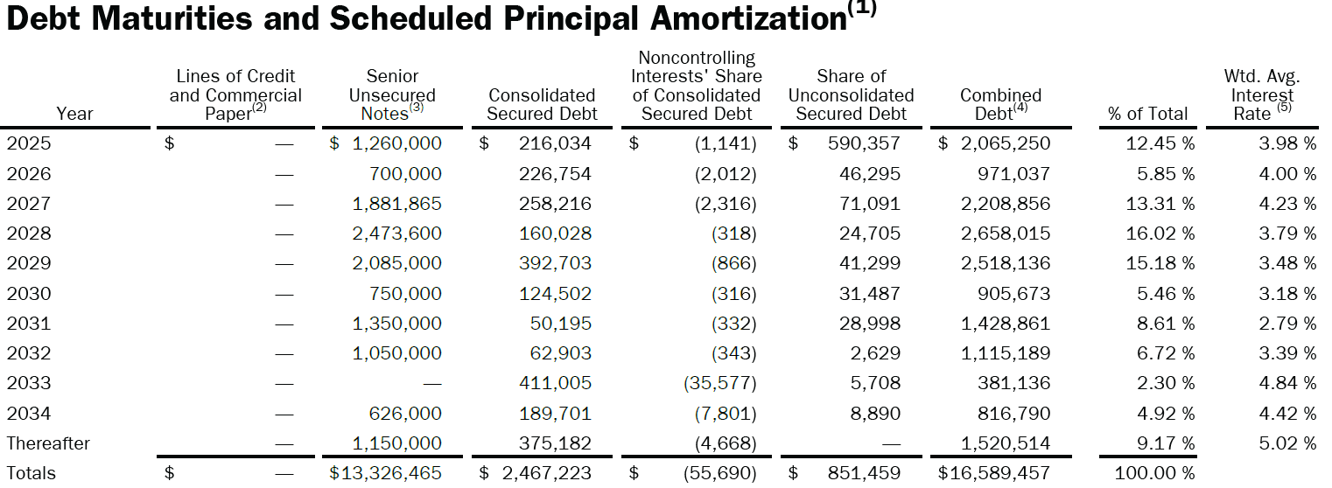
 | 1000
4Q24 | Year | Unsecured Debt | Ticker | Quarter | Unsecured Debt | Amount | Unit | Currency | Category
 | 2025 | 1,260 | WELL | 4Q24 | Near-Term | 8,400 | mn | USD | Unsecured Debt
 | 2026 | 700 | WELL | 4Q24 | Medium-Term | 3,150 | mn | USD | Unsecured Debt
 | 2027 | 1,882 | WELL | 4Q24 | Long-Term | 1,776 | mn | USD | Unsecured Debt
 | 2028 | 2,474 | WELL | 4Q24 | Total Unsecured | 13,326 | mn | USD | Unsecured Debt
 | 2029 | 2,085
 | 2030 | 750
 | 2031 | 1,350
 | 2032 | 1,050
 | 2033 | —
 | 2034 | 626
 | Thereafter | 1,150
 | Total | 13,326

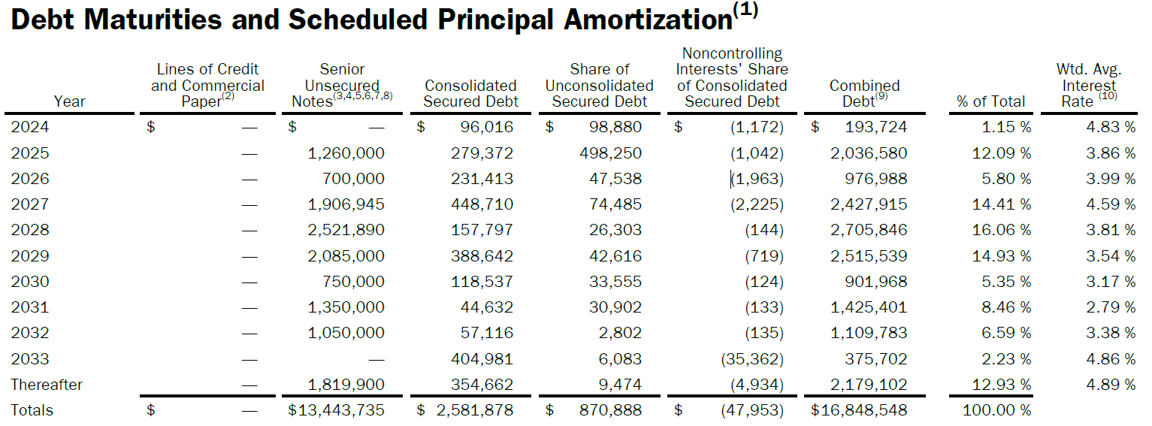
 | 1000
3Q24 | Year | Unsecured Debt | Ticker | Quarter | Unsecured Debt | Amount | Unit | Currency | Category
 | 2024 | — | WELL | 4Q24 | Near-Term | 8,474 | mn | USD | Unsecured Debt
 | 2025 | 1,260 | WELL | 4Q24 | Medium-Term | 3,150 | mn | USD | Unsecured Debt
 | 2026 | 700 | WELL | 4Q24 | Long-Term | 1,820 | mn | USD | Unsecured Debt
 | 2027 | 1,907 | WELL | 4Q24 | Total Unsecured | 13,444 | mn | USD | Unsecured Debt
 | 2028 | 2,522
 | 2029 | 2,085
 | 2030 | 750
 | 2031 | 1,350
 | 2032 | 1,050
 | 2033 | —
 | Thereafter | 1,820
 | Total | 13,444

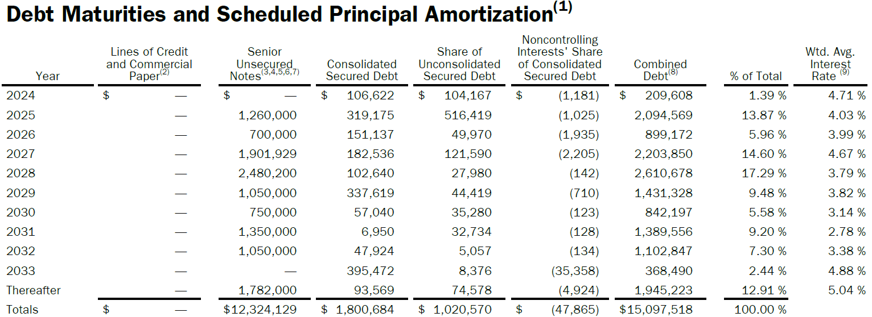
 | 1000
2Q24 | Year | Unsecured Debt | Ticker | Quarter | Unsecured Debt | Amount | Unit | Currency | Category
 | 2024 | — | WELL | 4Q24 | Near-Term | 7,392 | mn | USD | Unsecured Debt
 | 2025 | 1,260 | WELL | 4Q24 | Medium-Term | 3,150 | mn | USD | Unsecured Debt
 | 2026 | 700 | WELL | 4Q24 | Long-Term | 1,782 | mn | USD | Unsecured Debt
 | 2027 | 1,902 | WELL | 4Q24 | Total Unsecured | 12,324 | mn | USD | Unsecured Debt
 | 2028 | 2,480
 | 2029 | 1,050
 | 2030 | 750
 | 2031 | 1,350
 | 2032 | 1,050
 | 2033 | —
 | Thereafter | 1,782
 | Total | 12,324

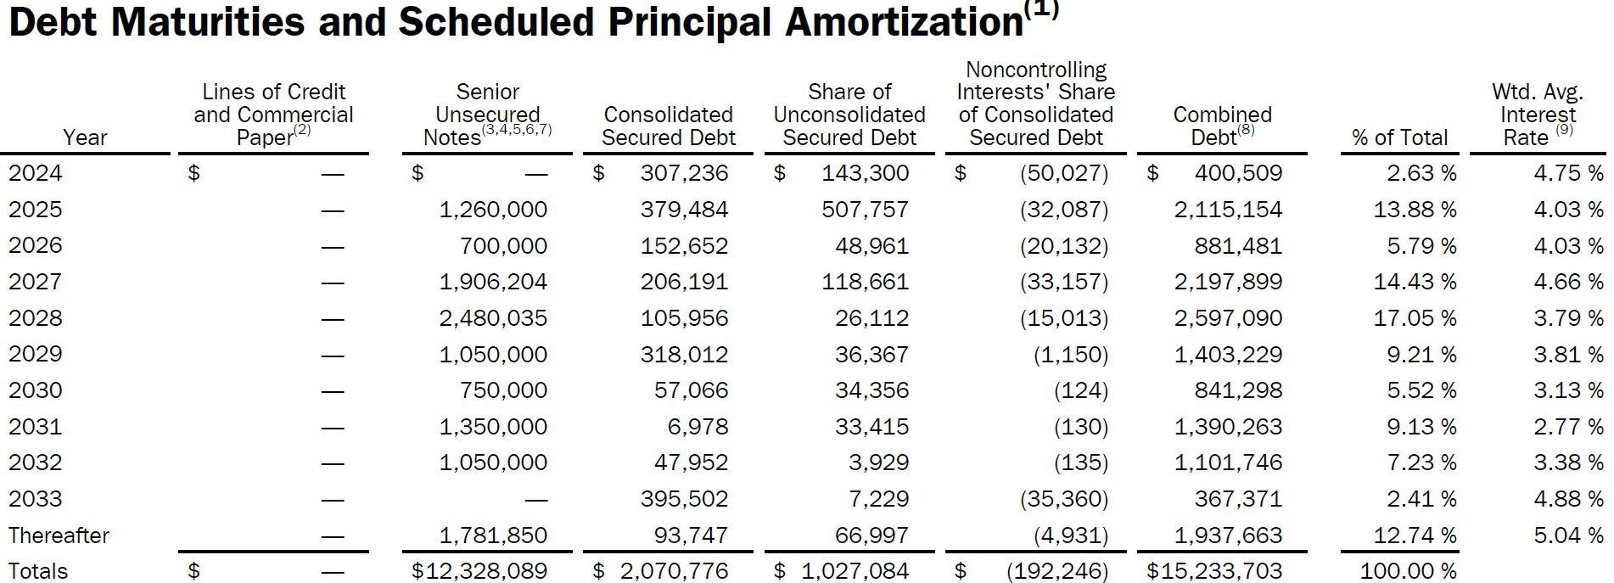
 | 1000
1Q24 | Year | Unsecured Debt | Ticker | Quarter | Unsecured Debt | Amount | Unit | Currency | Category
 | 2024 | — | WELL | 4Q24 | Near-Term | 7,396 | mn | USD | Unsecured Debt
 | 2025 | 1,260 | WELL | 4Q24 | Medium-Term | 3,150 | mn | USD | Unsecured Debt
 | 2026 | 700 | WELL | 4Q24 | Long-Term | 1,782 | mn | USD | Unsecured Debt
 | 2027 | 1,906 | WELL | 4Q24 | Total Unsecured | 12,328 | mn | USD | Unsecured Debt
 | 2028 | 2,480
 | 2029 | 1,050
 | 2030 | 750
 | 2031 | 1,350
 | 2032 | 1,050
 | 2033 | —
 | Thereafter | 1,782
 | Total | 12,328

WELL LLM API
OpenAI | Debt Partition
 |  | Correct |  | LLM

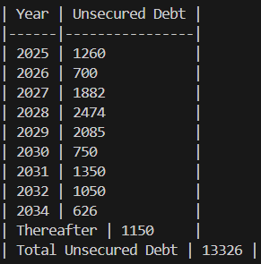
4Q24 |  | Year | Unsecured Debt | Year | Unsecured Debt | TRUE | TRUE | Ticker | Quarter | Unsecured Debt | Amount | Unit | Currency | Category
 |  | 2025 | 1,260 | 2025 | 1,260 | TRUE | TRUE | WELL | 4Q24 | Near-Term | 8,401 | mn | USD | Unsecured Debt
 |  | 2026 | 700 | 2026 | 700 | TRUE | TRUE | WELL | 4Q24 | Medium-Term | 3,150 | mn | USD | Unsecured Debt
 |  | 2027 | 1,882 | 2027 | 1,882 | TRUE | TRUE | WELL | 4Q24 | Long-Term | 1,776 | mn | USD | Unsecured Debt
 |  | 2028 | 2,474 | 2028 | 2,474 | TRUE | TRUE | WELL | 4Q24 | Total Unsecured | 13,327 | mn | USD | Unsecured Debt
 |  | 2029 | 2,085 | 2029 | 2,085 | TRUE | TRUE
 |  | 2030 | 750 | 2030 | 750 | TRUE | TRUE
 |  | 2031 | 1,350 | 2031 | 1,350 | TRUE | TRUE
 |  | 2032 | 1,050 | 2032 | 1,050 | TRUE | TRUE
 |  | 2034 | 626 | 2034 | 626 | TRUE | TRUE
 |  | Thereafter | 1,150 | Thereafter | 1,150 | TRUE | TRUE
 |  | Total | 13,327 | Total | 13,327 | TRUE | TRUE

 |  |  |  | Accuracy | 100%

 |  | Correct |  | LLM

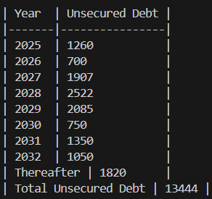
3Q24 |  | Year | Unsecured Debt | Year | Unsecured Debt | TRUE | TRUE | Ticker | Quarter | Unsecured Debt | Amount | Unit | Currency | Category
 |  | 2025 | 1,260 | 2025 | 1,260 | TRUE | TRUE | WELL | 3Q24 | Near-Term | 8,474 | mn | USD | Unsecured Debt
 |  | 2026 | 700 | 2026 | 700 | TRUE | TRUE | WELL | 3Q24 | Medium-Term | 3,150 | mn | USD | Unsecured Debt
 |  | 2027 | 1,907 | 2027 | 1,907 | TRUE | TRUE | WELL | 3Q24 | Long-Term | 1,820 | mn | USD | Unsecured Debt
 |  | 2028 | 2,522 | 2028 | 2,522 | TRUE | TRUE | WELL | 3Q24 | Total Unsecured | 13,444 | mn | USD | Unsecured Debt
 |  | 2029 | 2,085 | 2029 | 2,085 | TRUE | TRUE
 |  | 2030 | 750 | 2030 | 750 | TRUE | TRUE
 |  | 2031 | 1,350 | 2031 | 1,350 | TRUE | TRUE
 |  | 2032 | 1,050 | 2032 | 1,050 | TRUE | TRUE
 |  | Thereafter | 1,820 | Thereafter | 1,820 | TRUE | TRUE
 |  | Total | 13,444 | Total | 13,444 | TRUE | TRUE

 |  |  |  | Accuracy | 100%

 |  | Correct |  | LLM

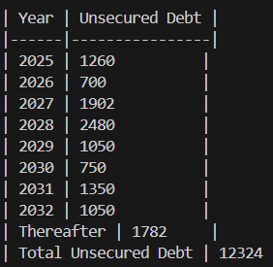
2Q24 |  | Year | Unsecured Debt | Year | Unsecured Debt | TRUE | TRUE | Ticker | Quarter | Unsecured Debt | Amount | Unit | Currency | Category
 |  | 2025 | 1,260 | 2025 | 1,260 | TRUE | TRUE | WELL | 2Q24 | Near-Term | 7,392 | mn | USD | Unsecured Debt
 |  | 2026 | 700 | 2026 | 700 | TRUE | TRUE | WELL | 2Q24 | Medium-Term | 3,150 | mn | USD | Unsecured Debt
 |  | 2027 | 1,902 | 2027 | 1,902 | TRUE | TRUE | WELL | 2Q24 | Long-Term | 1,782 | mn | USD | Unsecured Debt
 |  | 2028 | 2,480 | 2028 | 2,480 | TRUE | TRUE | WELL | 2Q24 | Total Unsecured | 12,324 | mn | USD | Unsecured Debt
 |  | 2029 | 1,050 | 2029 | 1,050 | TRUE | TRUE
 |  | 2030 | 750 | 2030 | 750 | TRUE | TRUE
 |  | 2031 | 1,350 | 2031 | 1,350 | TRUE | TRUE
 |  | 2032 | 1,050 | 2032 | 1,050 | TRUE | TRUE
 |  | Thereafter | 1,782 | Thereafter | 1,782 | TRUE | TRUE
 |  | Total | 12,324 | Total | 12,324 | TRUE | TRUE

 |  |  |  | Accuracy | 100%

 |  | Correct |  | LLM

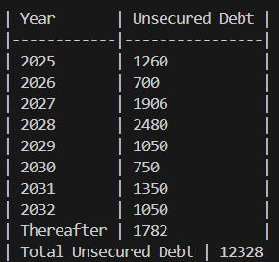
1Q24 |  | Year | Unsecured Debt | Year | Unsecured Debt | TRUE | TRUE | Ticker | Quarter | Unsecured Debt | Amount | Unit | Currency | Category
 |  | 2025 | 1,260 | 2025 | 1,260 | TRUE | TRUE | WELL | 1Q24 | Near-Term | 7,396 | mn | USD | Unsecured Debt
 |  | 2026 | 700 | 2026 | 700 | TRUE | TRUE | WELL | 1Q24 | Medium-Term | 3,150 | mn | USD | Unsecured Debt
 |  | 2027 | 1,906 | 2027 | 1,906 | TRUE | TRUE | WELL | 1Q24 | Long-Term | 1,782 | mn | USD | Unsecured Debt
 |  | 2028 | 2,480 | 2028 | 2,480 | TRUE | TRUE | WELL | 1Q24 | Total Unsecured | 12,328 | mn | USD | Unsecured Debt
 |  | 2029 | 1,050 | 2029 | 1,050 | TRUE | TRUE
 |  | 2030 | 750 | 2030 | 750 | TRUE | TRUE
 |  | 2031 | 1,350 | 2031 | 1,350 | TRUE | TRUE
 |  | 2032 | 1,050 | 2032 | 1,050 | TRUE | TRUE
 |  | Thereafter | 1,782 | Thereafter | 1,782 | TRUE | TRUE
 |  | Total | 12,328 | Total | 12,328 | TRUE | TRUE

 |  |  |  | Accuracy | 100%

WELL Script
4Q24
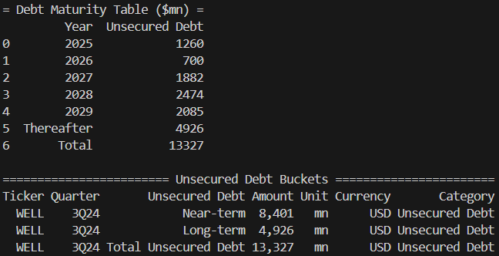

 |  | Year | Unsecured Debt | Ticker | Quarter | Unsecured Debt | Amount | Unit | Currency | Category
 |  | 2025 | 1,260 | WELL | 4Q24 | Near-Term | 8,401 | mn | USD | Unsecured Debt
 |  | 2026 | 700 | WELL | 4Q24 | Long-Term | 4,926 | mn | USD | Unsecured Debt
 |  | 2027 | 1,882 | WELL | 4Q24 | Total Unsecured | 13,327 | mn | USD | Unsecured Debt
 |  | 2028 | 2,474
 |  | 2029 | 2,085
 |  | Thereafter | 4,926
 |  | Total | 13,327

3Q24 | (Thereafter includes maturities in 2029)
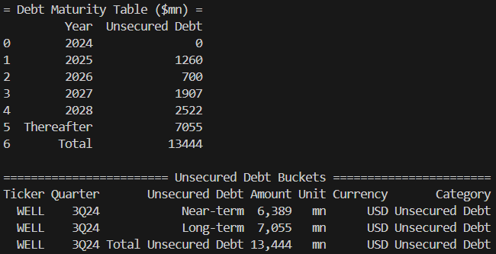
 |  | Year | Unsecured Debt | Ticker | Quarter | Unsecured Debt | Amount | Unit | Currency | Category
 |  | 2024 | — | WELL | 3Q24 | Near-Term | 6,389 | mn | USD | Unsecured Debt
 |  | 2025 | 1,260 | WELL | 3Q24 | Long-Term | 7,055 | mn | USD | Unsecured Debt
 |  | 2026 | 700 | WELL | 3Q24 | Total Unsecured | 13,444 | mn | USD | Unsecured Debt
 |  | 2027 | 1,907
 |  | 2028 | 2,522
 |  | Thereafter | 7,055
 |  | Total | 13,444

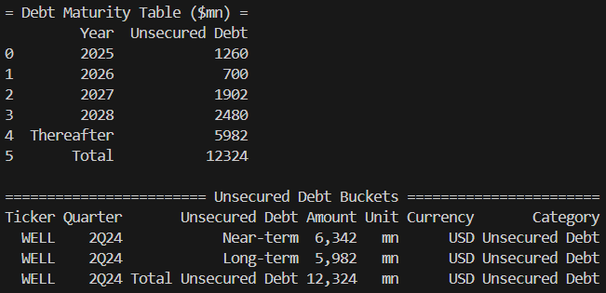
2Q24 | (Thereafter includes maturities in 2029)
 |  | Year | Unsecured Debt | Ticker | Quarter | Unsecured Debt | Amount | Unit | Currency | Category
 |  | 2024 | — | WELL | 2Q24 | Near-Term | 6,342 | mn | USD | Unsecured Debt
 |  | 2025 | 1,260 | WELL | 2Q24 | Long-Term | 5,982 | mn | USD | Unsecured Debt
 |  | 2026 | 700 | WELL | 2Q24 | Total Unsecured | 12,324 | mn | USD | Unsecured Debt
 |  | 2027 | 1,902
 |  | 2028 | 2,480
 |  | Thereafter | 5,982
 |  | Total | 12,324

1Q24 | (Thereafter includes maturities in 2029)
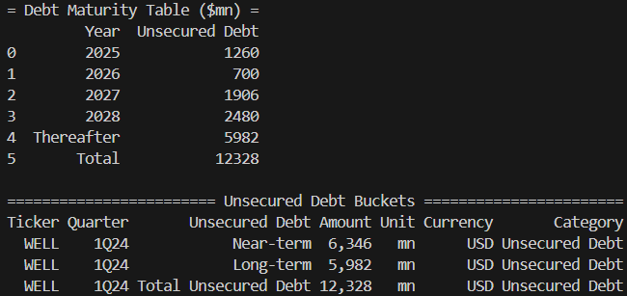
 |  | Year | Unsecured Debt | Ticker | Quarter | Unsecured Debt | Amount | Unit | Currency | Category
 |  | 2024 | — | WELL | 1Q24 | Near-Term | 6,346 | mn | USD | Unsecured Debt
 |  | 2025 | 1,260 | WELL | 1Q24 | Long-Term | 5,982 | mn | USD | Unsecured Debt
 |  | 2026 | 700 | WELL | 1Q24 | Total Unsecured | 12,328 | mn | USD | Unsecured Debt
 |  | 2027 | 1,906
 |  | 2028 | 2,480
 |  | Thereafter | 5,982
 |  | Total | 12,328

PLD Manual
 | 1000
4Q24 | Year | Total | Secured Debt | Unsecured Debt | Senior | Facilities & Commercial Paper | Other | Ticker | Quarter | Unsecured Debt | Amount | Unit | Currency | Category
 | 2025 | 206 | 173 | 32 | 32 | – | 0 | PLD | 4Q24 | Near-Term | 10,281 | mn | USD | Unsecured Debt | (2024 - 2029 maturities)
 | 2026 | 2,111 | 46 | 2,065 | 1,285 | – | 781 | PLD | 4Q24 | Medium-Term | 9,095 | mn | USD | Unsecured Debt | (2030 - 2033 maturities)
 | 2027 | 2,319 | 4 | 2,315 | 1,898 | 163 | 254 | PLD | 4Q24 | Long-Term | 11,762 | mn | USD | Unsecured Debt | Thereafter
 | 2028 | 2,678 | 3 | 2,675 | 2,519 | 62 | 94 | PLD | 4Q24 | Total Unsecured | 31,138 | mn | USD | Unsecured Debt
 | 2029 | 3,196 | 3 | 3,193 | 3,193 | – | –
 | 2030 | 2,801 | 3 | 2,798 | 2,766 | – | 32
 | 2031 | 2,138 | 18 | 2,121 | 1,993 | – | 127
 | 2032 | 1,771 | 19 | 1,753 | 1,561 | – | 191
 | 2033 | 2,467 | 43 | 2,423 | 2,257 | – | 167
 | 2034 | 3,270 | 0 | 3,270 | 2,901 | – | 370
 | 2035 | 1,771 | 0 | 1,771 | 1,771 | – | –
 | Thereafter | 6,720 | 0 | 6,720 | 6,720 | – | –
 | Total | 31,450 | 312 | 31,138 | 28,896 | 225 | 2,016
 |  |  |  |  | 31,138 | Check

 | 1000
3Q24 | Year | Total | Secured Debt | Unsecured Debt | Senior | Facilities & Commercial Paper | Other | Ticker | Quarter | Unsecured Debt | Amount | Unit | Currency | Category
 | 2024 | 2 | 2 | 0 | – | – | – | PLD | 3Q24 | Near-Term | 11,160 | mn | USD | Unsecured Debt | (2024 - 2029 maturities)
 | 2025 | 215 | 180 | 35 | 35 | – | 0 | PLD | 3Q24 | Medium-Term | 9,440 | mn | USD | Unsecured Debt | (2030 - 2033 maturities)
 | 2026 | 2,170 | 4 | 2,166 | 1,325 | – | 841 | PLD | 3Q24 | Long-Term | 12,005 | mn | USD | Unsecured Debt | Thereafter
 | 2027 | 2,239 | 4 | 2,235 | 1,963 | 661 | 272 | PLD | 3Q24 | Total Unsecured | 32,605 | mn | USD | Unsecured Debt
 | 2028 | 3,362 | 3 | 3,359 | 2,594 | – | 104
 | 2029 | 3,368 | 3 | 3,365 | 3,365 | – | –
 | 2030 | 2,860 | 3 | 2,856 | 2,821 | – | 35
 | 2031 | 2,237 | 18 | 2,220 | 2,079 | – | 140
 | 2032 | 1,878 | 19 | 1,859 | 1,649 | – | 210
 | 2033 | 2,548 | 43 | 2,505 | 2,323 | – | 182
 | 2034 | 3,181 | 0 | 3,181 | 3,005 | – | 175
 | Thereafter | 8,824 | 0 | 8,824 | 8,824 | 0 | –
 | Total | 32,884 | 279 | 32,605 | 29,984 | 661 | 1,960
 |  |  |  |  | 32,605 | Check

 | 1000
2Q24 | Year | Total | Secured Debt | Unsecured Debt | Senior | Facilities & Commercial Paper | Other | Ticker | Quarter | Unsecured Debt | Amount | Unit | Currency | Category
 | 2024 | 4 | 4 | 0 | - | - | - | PLD | 2Q24 | Near-Term | 10,461 | mn | USD | Unsecured Debt | (2024 - 2029 maturities)
 | 2025 | 217 | 177 | 39 | 31 | 7 | 1 | PLD | 2Q24 | Medium-Term | 9,185 | mn | USD | Unsecured Debt | (2030 - 2033 maturities)
 | 2026 | 2,075 | 4 | 2,071 | 1,300 | - | 771 | PLD | 2Q24 | Long-Term | 10,554 | mn | USD | Unsecured Debt | Thereafter
 | 2027 | 2,385 | 4 | 2,381 | 1,916 | 201 | 263 | PLD | 2Q24 | Total Unsecured | 30,200 | mn | USD | Unsecured Debt
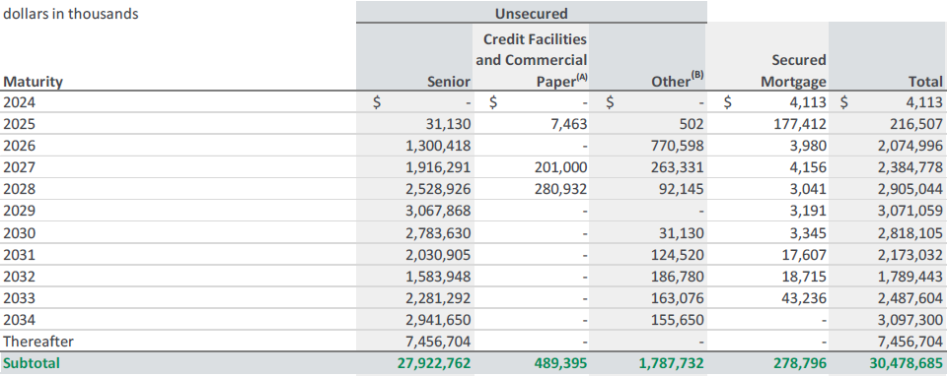
 | 2028 | 2,905 | 3 | 2,902 | 2,529 | 281 | 92
 | 2029 | 3,071 | 3 | 3,068 | 3,068 | - | -
 | 2030 | 2,818 | 3 | 2,815 | 2,784 | - | 31
 | 2031 | 2,173 | 18 | 2,155 | 2,031 | - | 125
 | 2032 | 1,789 | 19 | 1,771 | 1,584 | - | 187
 | 2033 | 2,488 | 43 | 2,444 | 2,281 | - | 163
 | 2034 | 3,097 | 0 | 3,097 | 2,942 | - | 156
 | Thereafter | 7,457 | 0 | 7,457 | 7,457 | - | -
 | Total | 30,479 | 279 | 30,200 | 27,923 | 489 | 1,788
 |  |  |  |  | 30,200 | Check

 | 1000
1Q24 | Year | Total | Secured Debt | Unsecured Debt | Senior | Facilities & Commercial Paper | Other | Ticker | Quarter | Unsecured Debt | Amount | Unit | Currency | Category
 | 2024 | 5 | 5 | 0 | - | - | - | PLD | 1Q24 | Near-Term | 11,111 | mn | USD | Unsecured Debt | (2024 - 2029 maturities)
 | 2025 | 213 | 179 | 34 | 33 | - | 1 | PLD | 1Q24 | Medium-Term | 9,271 | mn | USD | Unsecured Debt | (2030 - 2033 maturities)
 | 2026 | 2,114 | 4 | 2,110 | 1,306 | - | 805 | PLD | 1Q24 | Long-Term | 9,478 | mn | USD | Unsecured Debt | Thereafter
 | 2027 | 2,533 | 4 | 2,528 | 1,930 | 330 | 268 | PLD | 1Q24 | Total Unsecured | 29,861 | mn | USD | Unsecured Debt
 | 2028 | 3,356 | 3 | 3,353 | 2,554 | 702 | 98
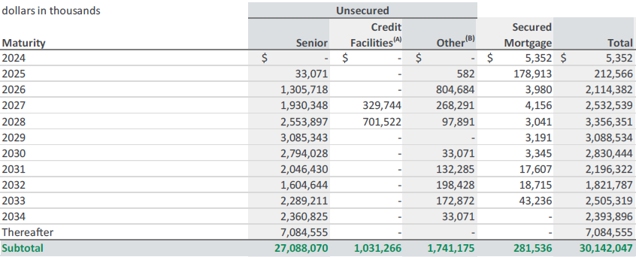
 | 2029 | 3,089 | 3 | 3,085 | 3,085 | - | -
 | 2030 | 2,830 | 3 | 2,827 | 2,794 | - | 33
 | 2031 | 2,196 | 18 | 2,179 | 2,046 | - | 132
 | 2032 | 1,822 | 19 | 1,803 | 1,605 | - | 198
 | 2033 | 2,505 | 43 | 2,462 | 2,289 | - | 173
 | 2034 | 2,394 | 0 | 2,394 | 2,361 | - | 33
 | Thereafter | 7,085 | 0 | 7,085 | 7,085 | - | -
 | Total | 30,142 | 282 | 29,861 | 27,088 | 1,031 | 1,741
 |  |  |  |  | 29,861 | Check

PLD LLM API
OpenAI | Debt Partition

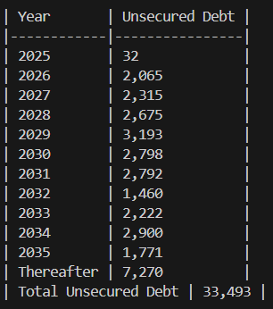
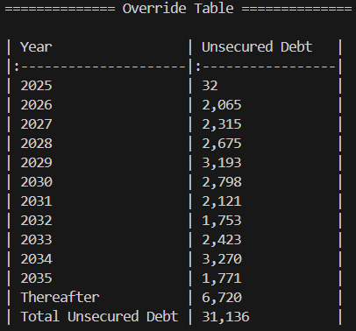
 |  | Correct |  | LLM
4Q24
 |  | Year | Unsecured Debt | Year | Unsecured Debt | TRUE | TRUE
 |  | 2025 | 32 | 2025 | 32 | TRUE | TRUE
 |  | 2026 | 2,065 | 2026 | 2,065 | TRUE | TRUE
 |  | 2027 | 2,315 | 2027 | 2,315 | TRUE | TRUE
 |  | 2028 | 2,675 | 2028 | 2,675 | TRUE | TRUE
 |  | 2029 | 3,193 | 2029 | 3,193 | TRUE | TRUE
 |  | 2030 | 2,798 | 2030 | 2,798 | TRUE | TRUE
 |  | 2031 | 2,121 | 2031 | 2,792 | TRUE | FALSE | Ticker | Quarter | Unsecured Debt | Amount | Unit | Currency | Category
 |  | 2032 | 1,753 | 2032 | 1,460 | TRUE | FALSE | PLD | 4Q24 | Near-Term | 10,280 | mn | USD | Unsecured Debt
 |  | 2033 | 2,423 | 2033 | 2,222 | TRUE | FALSE | PLD | 4Q24 | Medium-Term | 9,095 | mn | USD | Unsecured Debt
 |  | 2034 | 3,270 | 2034 | 2,900 | TRUE | FALSE | PLD | 4Q24 | Long-Term | 11,761 | mn | USD | Unsecured Debt
 |  | 2035 | 1,771 | 2035 | 1,771 | TRUE | TRUE | PLD | 4Q24 | Total Unsecured | 31,136 | mn | USD | Unsecured Debt
 |  | Thereafter | 6,720 | Thereafter | 7,270 | TRUE | FALSE
 |  | Total | 31,136 | Total | 33,493 | TRUE | FALSE

 |  | Accuracy | 79%

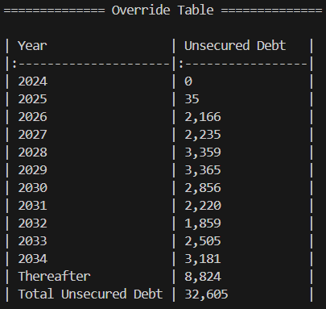
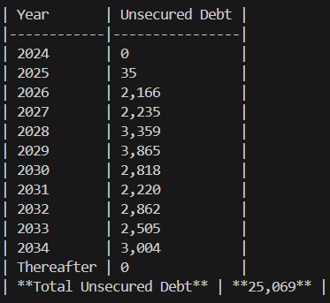
 |  | Correct |  | LLM
3Q24
 |  | Year | Unsecured Debt | Year | Unsecured Debt | TRUE | TRUE
 |  | 2024 | 0 | 2024 | 0 | TRUE | TRUE
 |  | 2025 | 35 | 2025 | 35 | TRUE | TRUE
 |  | 2026 | 2,166 | 2026 | 2,166 | TRUE | TRUE
 |  | 2027 | 2,235 | 2027 | 2,235 | TRUE | TRUE
 |  | 2028 | 3,359 | 2028 | 3,359 | TRUE | TRUE | Ticker | Quarter | Unsecured Debt | Amount | Unit | Currency | Category
 |  | 2029 | 3,365 | 2029 | 3,865 | TRUE | FALSE | PLD | 3Q24 | Near-Term | 11,160 | mn | USD | Unsecured Debt
 |  | 2030 | 2,856 | 2030 | 2,818 | TRUE | FALSE | PLD | 3Q24 | Medium-Term | 9,440 | mn | USD | Unsecured Debt
 |  | 2031 | 2,220 | 2031 | 2,220 | TRUE | TRUE | PLD | 3Q24 | Long-Term | 12,005 | mn | USD | Unsecured Debt
 |  | 2032 | 1,859 | 2032 | 2,862 | TRUE | FALSE | PLD | 3Q24 | Total Unsecured | 32,605 | mn | USD | Unsecured Debt
 |  | 2033 | 2,505 | 2033 | 2,505 | TRUE | TRUE
 |  | 2034 | 3,181 | 2034 | 3,004 | TRUE | FALSE
 |  | Thereafter | 8,824 | Thereafter | 0 | TRUE | FALSE
 |  | Total | 32,605 | Total | 25,069 | TRUE | FALSE

 |  | Accuracy | 79%

 |  | Correct |  | LLM
2Q24
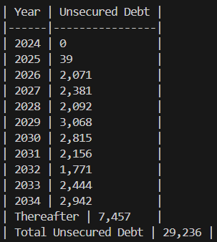
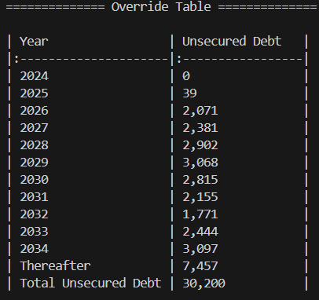
 |  | Year | Unsecured Debt | Year | Unsecured Debt | TRUE | TRUE
 |  | 2024 | 0 | 2024 | 0 | TRUE | TRUE
 |  | 2025 | 39 | 2025 | 39 | TRUE | TRUE
 |  | 2026 | 2,071 | 2026 | 2,071 | TRUE | TRUE
 |  | 2027 | 2,381 | 2027 | 2,381 | TRUE | TRUE
 |  | 2028 | 2,902 | 2028 | 2,092 | TRUE | FALSE
 |  | 2029 | 3,068 | 2029 | 3,068 | TRUE | TRUE | Ticker | Quarter | Unsecured Debt | Amount | Unit | Currency | Category
 |  | 2030 | 2,815 | 2030 | 2,815 | TRUE | TRUE | PLD | 2Q24 | Near-Term | 10,461 | mn | USD | Unsecured Debt
 |  | 2031 | 2,155 | 2031 | 2,156 | TRUE | FALSE | PLD | 2Q24 | Medium-Term | 9,185 | mn | USD | Unsecured Debt
 |  | 2032 | 1,771 | 2032 | 1,771 | TRUE | TRUE | PLD | 2Q24 | Long-Term | 10,554 | mn | USD | Unsecured Debt
 |  | 2033 | 2,444 | 2033 | 2,444 | TRUE | TRUE | PLD | 2Q24 | Total Unsecured | 30,200 | mn | USD | Unsecured Debt
 |  | 2034 | 3,097 | 2034 | 2,942 | TRUE | FALSE
 |  | Thereafter | 7,457 | Thereafter | 7,457 | TRUE | TRUE
 |  | Total | 30,200 | Total | 29,236 | TRUE | FALSE

 |  | Accuracy | 86%

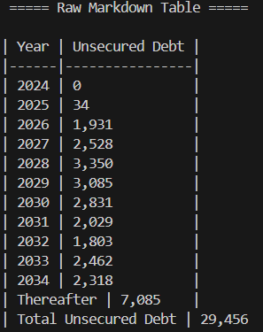
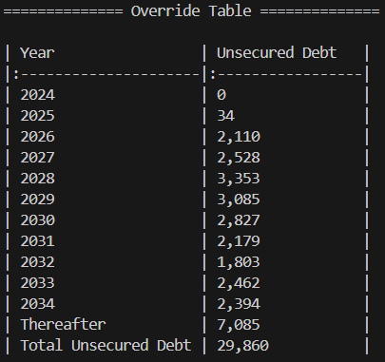
 |  | Correct |  | LLM
1Q24
 |  | Year | Unsecured Debt | Year | Unsecured Debt | TRUE | TRUE
 |  | 2024 | 0 | 2024 | 0 | TRUE | TRUE
 |  | 2025 | 34 | 2025 | 34 | TRUE | TRUE
 |  | 2026 | 2,110 | 2026 | 1,931 | TRUE | FALSE
 |  | 2027 | 2,528 | 2027 | 2,528 | TRUE | TRUE
 |  | 2028 | 3,353 | 2028 | 3,350 | TRUE | FALSE
 |  | 2029 | 3,085 | 2029 | 3,085 | TRUE | TRUE | Ticker | Quarter | Unsecured Debt | Amount | Unit | Currency | Category
 |  | 2030 | 2,827 | 2030 | 2,831 | TRUE | FALSE | PLD | 1Q24 | Near-Term | 11,110 | mn | USD | Unsecured Debt
 |  | 2031 | 2,179 | 2031 | 2,029 | TRUE | FALSE | PLD | 1Q24 | Medium-Term | 9,271 | mn | USD | Unsecured Debt
 |  | 2032 | 1,803 | 2032 | 1,803 | TRUE | TRUE | PLD | 1Q24 | Long-Term | 9,479 | mn | USD | Unsecured Debt
 |  | 2033 | 2,462 | 2033 | 2,462 | TRUE | TRUE | PLD | 1Q24 | Total Unsecured | 29,860 | mn | USD | Unsecured Debt
 |  | 2034 | 2,394 | 2034 | 2,318 | TRUE | FALSE
 |  | Thereafter | 7,085 | Thereafter | 7,085 | TRUE | TRUE
 |  | Total | 29,860 | Total | 29,456 | TRUE | FALSE

 |  | Accuracy | 79%

PLD Script
4Q24

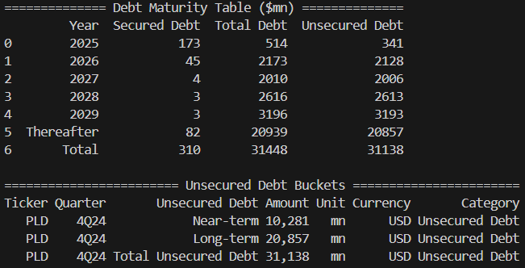

 |  | 1000
 |  |  | Secured Debt | Total Debt | Unsecured Debt | Ticker | Quarter | Unsecured Debt | Amount | Unit | Currency | Category
 |  | 2024 | 173 | 514 | 341 | PLD | 4Q24 | Near-Term | 10,281 | mn | USD | Unsecured Debt
 |  | 2025 | 46 | 2,173 | 2,128 | PLD | 4Q24 | Long-Term | 20,857 | mn | USD | Unsecured Debt
 |  | 2026 | 4 | 2,010 | 2,006 | PLD | 4Q24 | Total Unsecured | 31,138 | mn | USD | Unsecured Debt
 |  | 2027 | 3 | 2,616 | 2,613
 |  | 2028 | 3 | 3,196 | 3,193
 |  | Thereafter | 83 | 20,939 | 20,857
 |  | Total | 312 | 31,450 | 31,138

3Q24 | (Thereafter includes maturities in 2029)

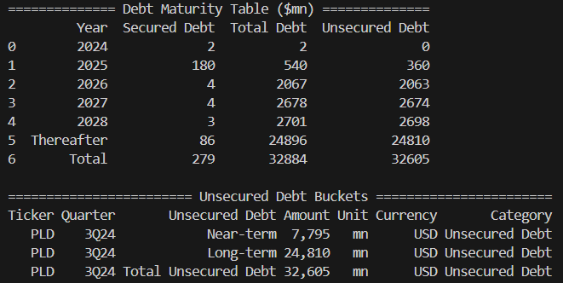

 |  | 1000
 |  |  | Secured Debt | Total Debt | Unsecured Debt | Ticker | Quarter | Unsecured Debt | Amount | Unit | Currency | Category
 |  | 2024 | 2 | 2 | 0 | PLD | 3Q24 | Near-Term | 7,795 | mn | USD | Unsecured Debt
 |  | 2025 | 180 | 540 | 360 | PLD | 3Q24 | Long-Term | 24,810 | mn | USD | Unsecured Debt
 |  | 2026 | 4 | 2,067 | 2,063 | PLD | 3Q24 | Total Unsecured | 32,605 | mn | USD | Unsecured Debt
 |  | 2027 | 4 | 2,678 | 2,674
 |  | 2028 | 3 | 2,701 | 2,698
 |  | Thereafter | 86 | 24,896 | 24,810
 |  | Total | 279 | 32,884 | 32,605

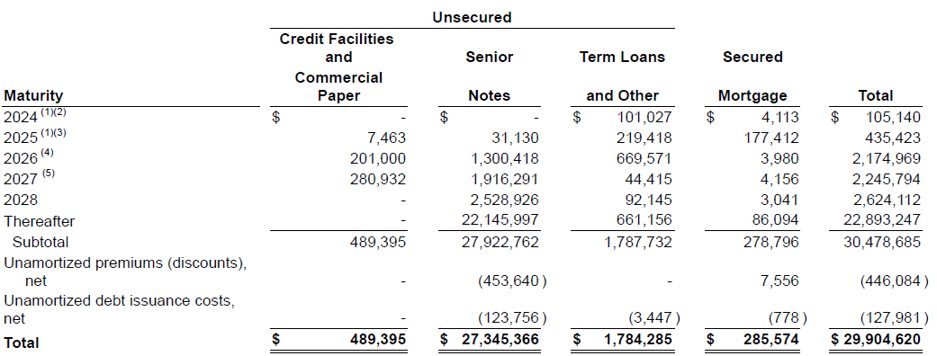
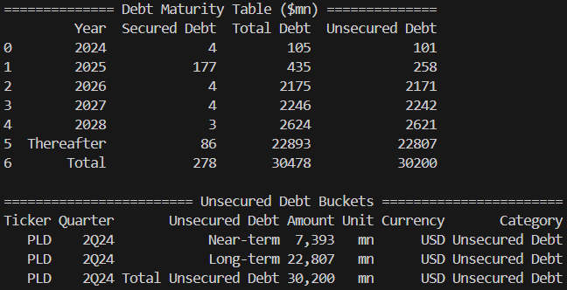
2Q24 | (Thereafter includes maturities in 2029)
 |  | 1000
 |  |  | Secured Debt | Total Debt | Unsecured Debt | Ticker | Quarter | Unsecured Debt | Amount | Unit | Currency | Category
 |  | 2024 | 4 | 105 | 101 | PLD | 2Q24 | Near-Term | 7,393 | mn | USD | Unsecured Debt
 |  | 2025 | 177 | 435 | 258 | PLD | 2Q24 | Long-Term | 22,807 | mn | USD | Unsecured Debt
 |  | 2026 | 4 | 2,175 | 2,171 | PLD | 2Q24 | Total Unsecured | 30,200 | mn | USD | Unsecured Debt
 |  | 2027 | 4 | 2,246 | 2,242
 |  | 2028 | 3 | 2,624 | 2,621
 |  | Thereafter | 86 | 22,893 | 22,807
 |  | Total | 279 | 30,479 | 30,200

1Q24 | (Thereafter includes maturities in 2029)
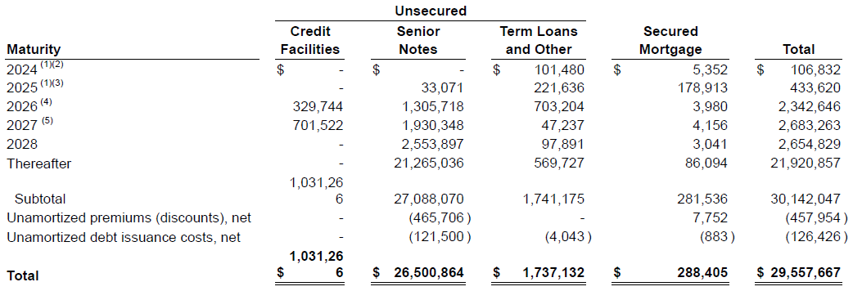
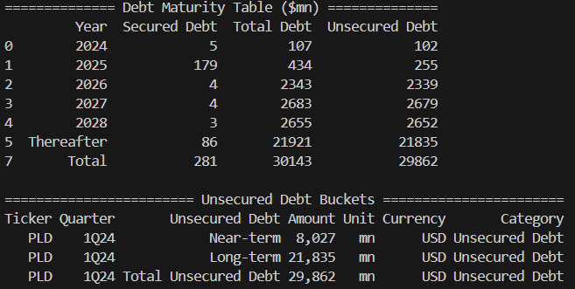
 |  | 1000
 |  |  | Secured Debt | Total Debt | Unsecured Debt | Ticker | Quarter | Unsecured Debt | Amount | Unit | Currency | Category
 |  | 2024 | 5 | 107 | 101 | PLD | 1Q24 | Near-Term | 8,026 | mn | USD | Unsecured Debt
 |  | 2025 | 179 | 434 | 255 | PLD | 1Q24 | Long-Term | 21,835 | mn | USD | Unsecured Debt
 |  | 2026 | 4 | 2,343 | 2,339 | PLD | 1Q24 | Total Unsecured | 29,861 | mn | USD | Unsecured Debt
 |  | 2027 | 4 | 2,683 | 2,679
 |  | 2028 | 3 | 2,655 | 2,652
 |  | Thereafter | 86 | 21,921 | 21,835
 |  | Total | 282 | 30,142 | 29,861

CCI Manual
 | Debt Maturities from 10Q (supplement/presentation did not show unsecured vs secured composition)

4Q24 | Year | Unsecured debt | Ticker | Quarter | Unsecured Debt | Amount | Unit | Currency | Category
 | 2027 | 1,117 | CCI | 4Q24 | Near-Term | 11,567 | mn | USD | Unsecured Debt | (2024 - 2029 maturities)
 | Thereafter | 1,341 | CCI | 4Q24 | Medium-Term | 4,350 | mn | USD | Unsecured Debt | (2030 - 2033 maturities)
 | 2025 | 500 | CCI | 4Q24 | Long-Term | 6,541 | mn | USD | Unsecured Debt | Thereafter
 | 2026 | 900 | CCI | 4Q24 | Total Unsecured | 22,458 | mn | USD | Unsecured Debt
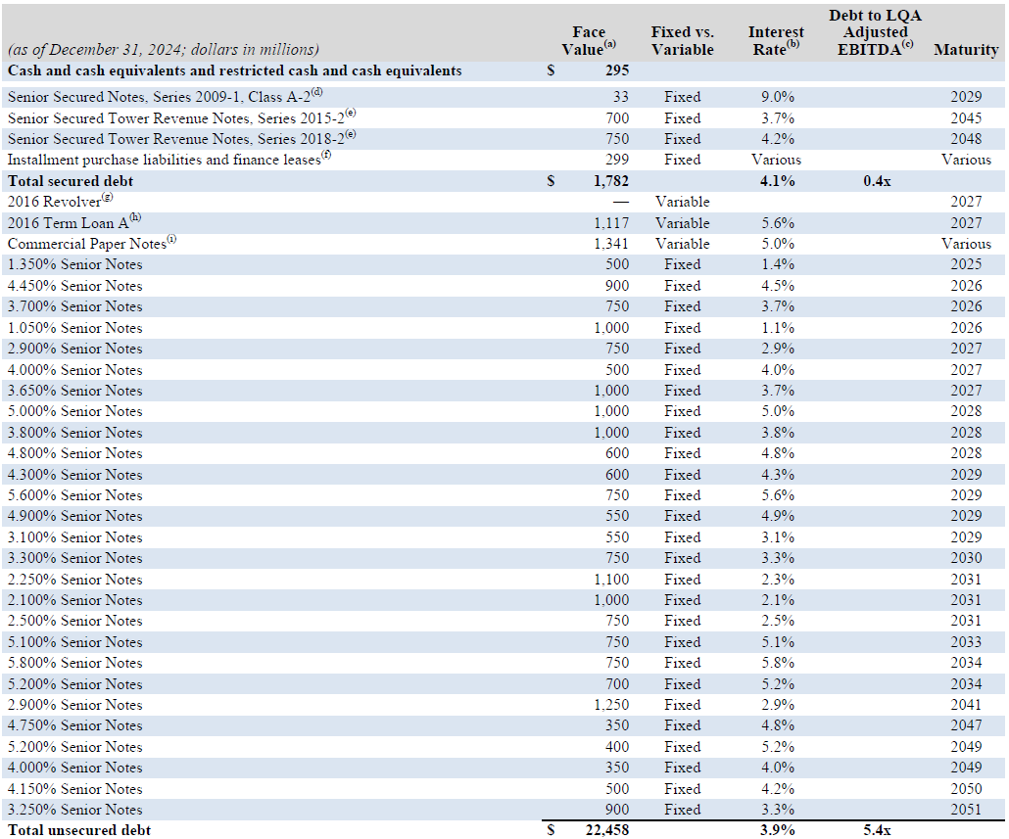
 | 2026 | 750
 | 2026 | 1,000
 | 2027 | 750
 | 2027 | 500
 | 2027 | 1,000
 | 2028 | 1,000 |  |  |  |  |  |  |  |  | Year | Unsecured Debt
 | 2028 | 1,000 |  |  |  |  |  |  |  |  | 2027 | 3,367
 | 2028 | 600 |  |  |  |  |  |  |  |  | 2025 | 500
 | 2029 | 600 |  |  |  |  |  |  |  |  | 2026 | 2,650
 | 2029 | 750 |  |  |  |  |  |  |  |  | 2028 | 2,600
 | 2029 | 550 |  |  |  |  |  |  |  |  | 2029 | 2,450
 | 2029 | 550 |  |  |  |  |  |  |  |  | 2030 | 750
 | 2030 | 750 |  |  |  |  |  |  |  |  | 2031 | 2,850
 | 2031 | 1,100 |  |  |  |  |  |  |  |  | 2033 | 750
 | 2031 | 1,000 |  |  |  |  |  |  |  |  | 2034 | 1,450
 | 2031 | 750 |  |  |  |  |  |  |  |  | 2041 | 1,250
 | 2033 | 750 |  |  |  |  |  |  |  |  | 2047 | 350
 | 2034 | 750 |  |  |  |  |  |  |  |  | 2049 | 750
 | 2034 | 700 |  |  |  |  |  |  |  |  | 2050 | 500
 | 2041 | 1,250 |  |  |  |  |  |  |  |  | 2051 | 900
 | 2047 | 350 |  |  |  |  |  |  |  |  | Thereafter | 1,341
 | 2049 | 400 |  |  |  |  |  |  |  |  | Total Unsecured Debt | 22,458
 | 2049 | 350 |  |  |  |  |  |  |  |  | Total Secured Debt | 1,782
 | 2050 | 500 |  |  |  |  |  |  |  |  | Total Debt | 24,240
 | 2051 | 900

3Q24 | Year | Unsecured Debt | Ticker | Quarter | Unsecured Debt | Amount | Unit | Currency | Category
 | 2027 | — | CCI | 3Q24 | Near-Term | 11,582 | mn | USD | Unsecured Debt | (2024 - 2029 maturities)
 | 2027 | 1,132 | CCI | 3Q24 | Medium-Term | 4,350 | mn | USD | Unsecured Debt | (2030 - 2033 maturities)
 | Thereafter | 1,312 | CCI | 3Q24 | Long-Term | 6,512 | mn | USD | Unsecured Debt | Thereafter
 | 2025 | 500 | CCI | 3Q24 | Total Unsecured | 22,444 | mn | USD | Unsecured Debt
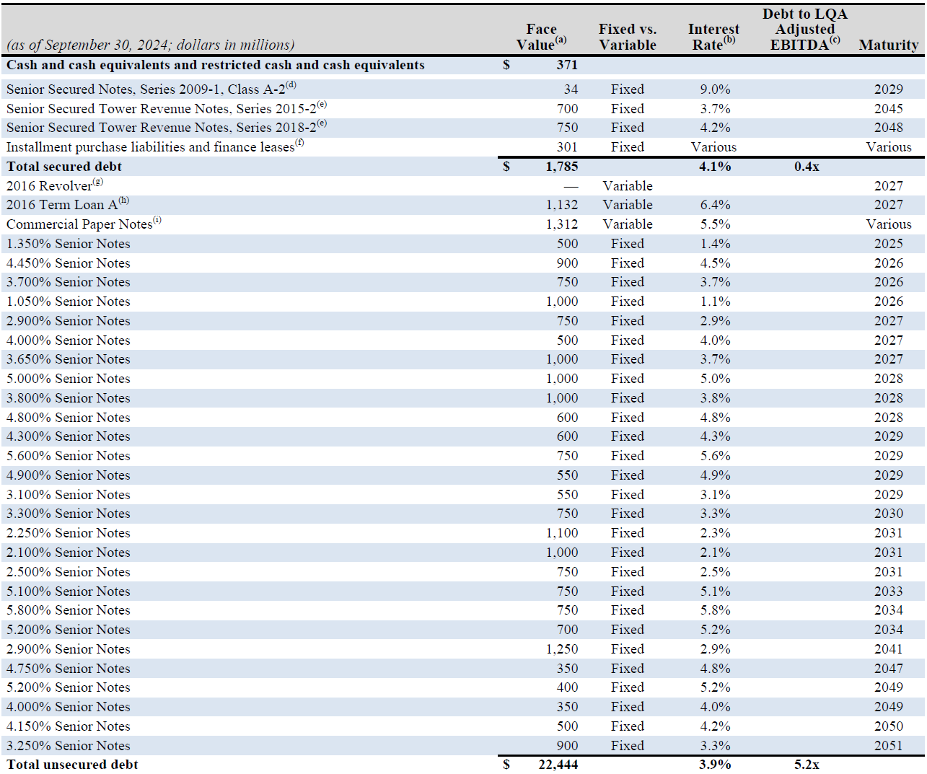
 | 2026 | 900
 | 2026 | 750
 | 2026 | 1,000
 | 2027 | 750
 | 2027 | 500
 | 2027 | 1,000
 | 2028 | 1,000
 | 2028 | 1,000 |  |  |  |  |  |  |  |  | Year | Unsecured Debt
 | 2028 | 600 |  |  |  |  |  |  |  |  | 2027 | 3,382
 | 2029 | 600 |  |  |  |  |  |  |  |  | 2025 | 500
 | 2029 | 750 |  |  |  |  |  |  |  |  | 2026 | 2,650
 | 2029 | 550 |  |  |  |  |  |  |  |  | 2028 | 2,600
 | 2029 | 550 |  |  |  |  |  |  |  |  | 2029 | 2,450
 | 2030 | 750 |  |  |  |  |  |  |  |  | 2030 | 750
 | 2031 | 1,100 |  |  |  |  |  |  |  |  | 2031 | 2,850
 | 2031 | 1,000 |  |  |  |  |  |  |  |  | 2033 | 750
 | 2031 | 750 |  |  |  |  |  |  |  |  | 2034 | 1,450
 | 2033 | 750 |  |  |  |  |  |  |  |  | 2041 | 1,250
 | 2034 | 750 |  |  |  |  |  |  |  |  | 2047 | 350
 | 2034 | 700 |  |  |  |  |  |  |  |  | 2049 | 750
 | 2041 | 1,250 |  |  |  |  |  |  |  |  | 2050 | 500
 | 2047 | 350 |  |  |  |  |  |  |  |  | 2051 | 900
 | 2049 | 400 |  |  |  |  |  |  |  |  | Thereafter | 1,312
 | 2049 | 350 |  |  |  |  |  |  |  |  | Total Unsecured Debt | 22,444
 | 2050 | 500 |  |  |  |  |  |  |  |  | Total Secured Debt | 1,785
 | 2051 | 900 |  |  |  |  |  |  |  |  | Total Debt | 24,229

2Q24 | Year | Unsecured Debt | Ticker | Quarter | Unsecured Debt | Amount | Unit | Currency | Category
 | 2027 | — | CCI | 2Q24 | Near-Term | 11,805 | mn | USD | Unsecured Debt | (2024 - 2029 maturities)
 | 2027 | 1,155 | CCI | 2Q24 | Medium-Term | 4,350 | mn | USD | Unsecured Debt | (2030 - 2033 maturities)
 | Thereafter | 1,438 | CCI | 2Q24 | Long-Term | 5,938 | mn | USD | Unsecured Debt | Thereafter
 | 2024 | 750 | CCI | 2Q24 | Total Unsecured | 22,093 | mn | USD | Unsecured Debt
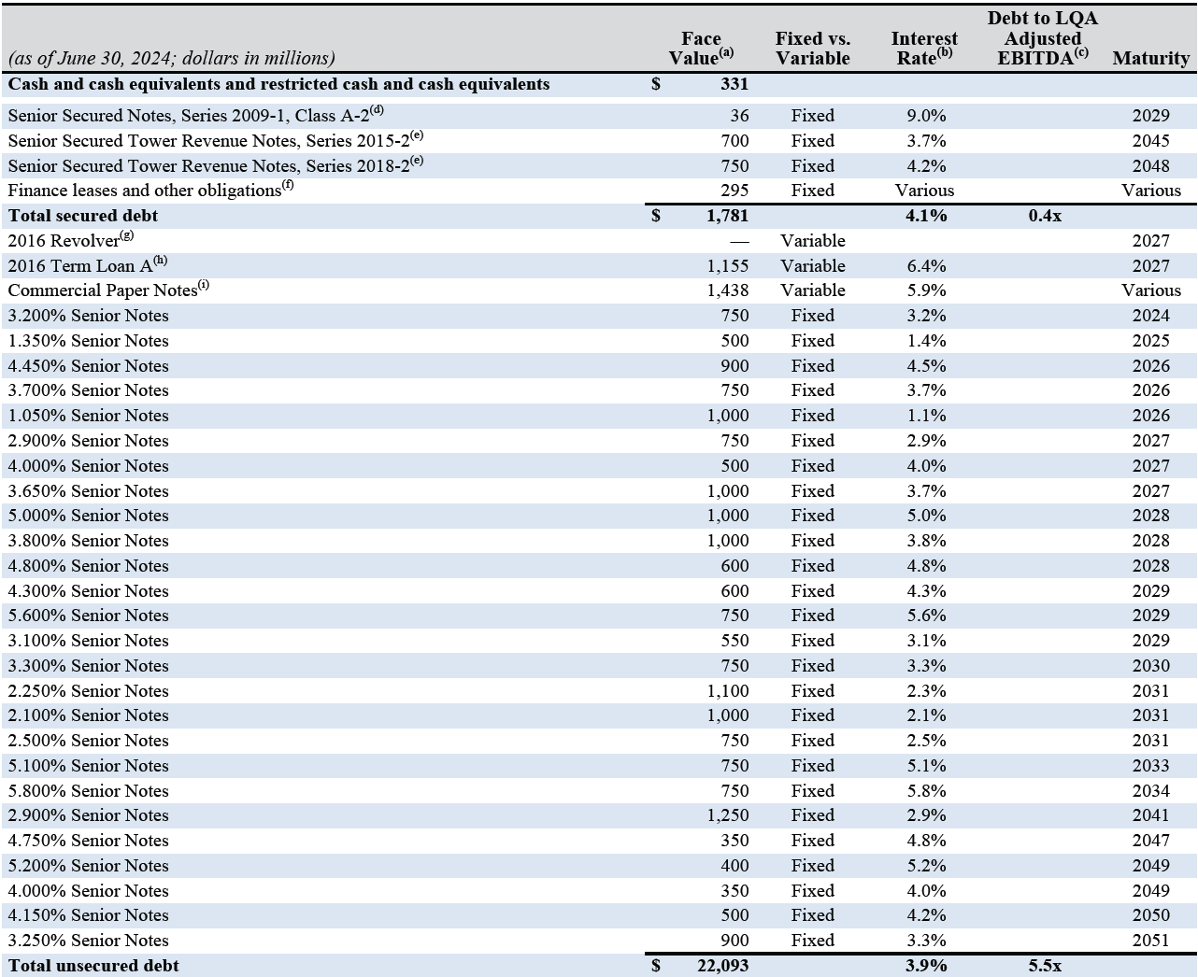
 | 2025 | 500
 | 2026 | 900
 | 2026 | 750
 | 2026 | 1,000
 | 2027 | 750
 | 2027 | 500
 | 2027 | 1,000 |  |  |  |  |  |  |  |  | Year | Unsecured Debt
 | 2028 | 1,000 |  |  |  |  |  |  |  |  | 2027 | 3,405
 | 2028 | 1,000 |  |  |  |  |  |  |  |  | 2024 | 750
 | 2028 | 600 |  |  |  |  |  |  |  |  | 2025 | 500
 | 2029 | 600 |  |  |  |  |  |  |  |  | 2026 | 2,650
 | 2029 | 750 |  |  |  |  |  |  |  |  | 2028 | 2,600
 | 2029 | 550 |  |  |  |  |  |  |  |  | 2029 | 1,900
 | 2030 | 750 |  |  |  |  |  |  |  |  | 2030 | 750
 | 2031 | 1,100 |  |  |  |  |  |  |  |  | 2031 | 2,850
 | 2031 | 1,000 |  |  |  |  |  |  |  |  | 2033 | 750
 | 2031 | 750 |  |  |  |  |  |  |  |  | 2034 | 750
 | 2033 | 750 |  |  |  |  |  |  |  |  | 2041 | 1,250
 | 2034 | 750 |  |  |  |  |  |  |  |  | 2047 | 350
 | 2041 | 1,250 |  |  |  |  |  |  |  |  | 2049 | 750
 | 2047 | 350 |  |  |  |  |  |  |  |  | 2050 | 500
 | 2049 | 400 |  |  |  |  |  |  |  |  | 2051 | 900
 | 2049 | 350 |  |  |  |  |  |  |  |  | Thereafter | 1,438
 | 2050 | 500 |  |  |  |  |  |  |  |  | Total Unsecured Debt | 22,093
 | 2051 | 900 |  |  |  |  |  |  |  |  | Total Secured Debt | 1,781
 |  |  |  |  |  |  |  |  |  |  | Total Debt | 23,874

1Q24 | Year | Unsecured Debt | Ticker | Quarter | Unsecured Debt | Amount | Unit | Currency | Category
 | 2027 | — | CCI | 1Q24 | Near-Term | 11,812 | mn | USD | Unsecured Debt | (2024 - 2029 maturities)
 | 2027 | 1,162 | CCI | 1Q24 | Medium-Term | 4,350 | mn | USD | Unsecured Debt | (2030 - 2033 maturities)
 | Thereafter | 1,138 | CCI | 1Q24 | Long-Term | 5,638 | mn | USD | Unsecured Debt | Thereafter
 | 2024 | 750 | CCI | 1Q24 | Total Unsecured | 21,800 | mn | USD | Unsecured Debt
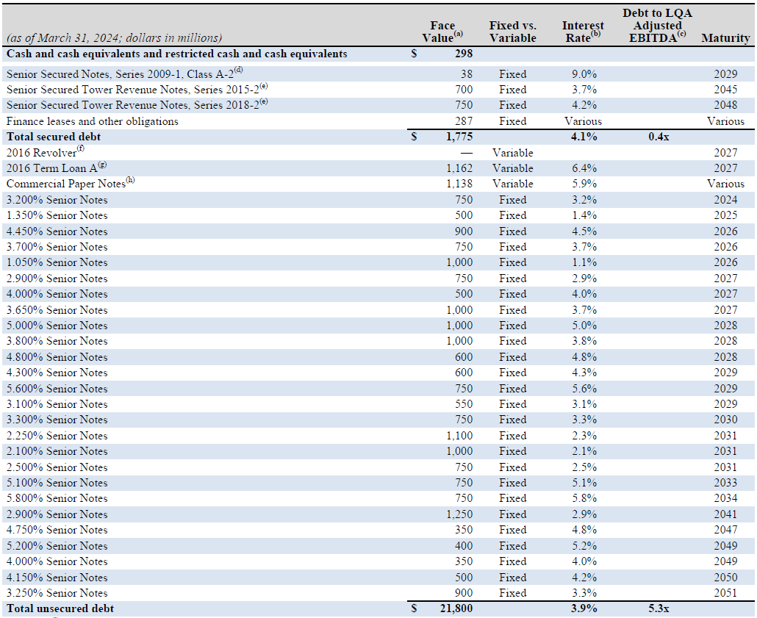
 | 2025 | 500
 | 2026 | 900
 | 2026 | 750
 | 2026 | 1,000
 | 2027 | 750
 | 2027 | 500
 | 2027 | 1,000
 | 2028 | 1,000 |  |  |  |  |  |  |  |  | Year | Unsecured Debt
 | 2028 | 1,000 |  |  |  |  |  |  |  |  | 2024 | 750
 | 2028 | 600 |  |  |  |  |  |  |  |  | 2025 | 500
 | 2029 | 600 |  |  |  |  |  |  |  |  | 2026 | 2,650
 | 2029 | 750 |  |  |  |  |  |  |  |  | 2027 | 3,412
 | 2029 | 550 |  |  |  |  |  |  |  |  | 2028 | 2,600
 | 2030 | 750 |  |  |  |  |  |  |  |  | 2029 | 1,900
 | 2031 | 1,100 |  |  |  |  |  |  |  |  | 2030 | 750
 | 2031 | 1,000 |  |  |  |  |  |  |  |  | 2031 | 2,850
 | 2031 | 750 |  |  |  |  |  |  |  |  | 2033 | 750
 | 2033 | 750 |  |  |  |  |  |  |  |  | 2034 | 750
 | 2034 | 750 |  |  |  |  |  |  |  |  | 2041 | 1,250
 | 2041 | 1,250 |  |  |  |  |  |  |  |  | 2047 | 350
 | 2047 | 350 |  |  |  |  |  |  |  |  | 2049 | 750
 | 2049 | 400 |  |  |  |  |  |  |  |  | 2050 | 500
 | 2049 | 350 |  |  |  |  |  |  |  |  | 2051 | 900
 | 2050 | 500 |  |  |  |  |  |  |  |  | Thereafter | 1,138
 | 2051 | 900 |  |  |  |  |  |  |  |  | Total Unsecured Debt | 21,800
 |  |  |  |  |  |  |  |  |  |  | Total Secured Debt | 1,775
 |  |  |  |  |  |  |  |  |  |  | Total Debt | 23,575

CCI LLM API
OpenAI | Debt Partition

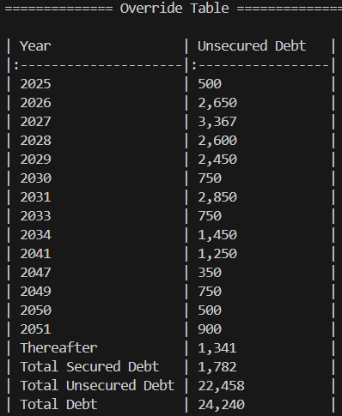
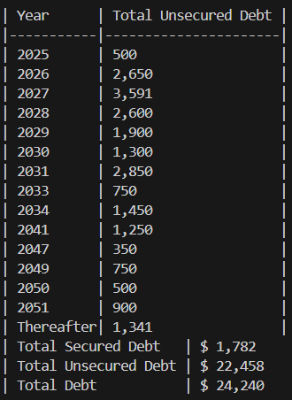
 |  | Correct |  | LLM
4Q24
 |  | Year | Unsecured Debt | Year | Unsecured Debt | TRUE | TRUE
 |  | 2025 | 500 | 2025 | 500 | TRUE | TRUE
 |  | 2026 | 2,650 | 2026 | 2,650 | TRUE | TRUE
 |  | 2027 | 3,367 | 2027 | 3,591 | TRUE | FALSE
 |  | 2028 | 2,600 | 2028 | 2,600 | TRUE | TRUE
 |  | 2029 | 2,450 | 2029 | 1,900 | TRUE | FALSE
 |  | 2030 | 750 | 2030 | 1,300 | TRUE | FALSE
 |  | 2031 | 2,850 | 2031 | 2,850 | TRUE | TRUE
 |  | 2033 | 750 | 2033 | 750 | TRUE | TRUE
 |  | 2034 | 1,450 | 2034 | 1,450 | TRUE | TRUE
 |  | 2041 | 1,250 | 2041 | 1,250 | TRUE | TRUE
 |  | 2047 | 350 | 2047 | 350 | TRUE | TRUE
 |  | 2049 | 750 | 2049 | 750 | TRUE | TRUE
 |  | 2050 | 500 | 2050 | 500 | TRUE | TRUE
 |  | 2051 | 900 | 2051 | 900 | TRUE | TRUE
 |  | Thereafter | 1,341 | Thereafter | 1,341 | TRUE | TRUE
 |  | Total Unsecured Debt | 22,458 | Total Unsecured Debt | 22,458 | TRUE | TRUE
 |  | Total Secured Debt | 1,782 | Total Secured Debt | 1,782 | TRUE | TRUE
 |  | Total Debt | 24,240 | Total Debt | 24,240 | TRUE | TRUE

 |  | Accuracy | 92%

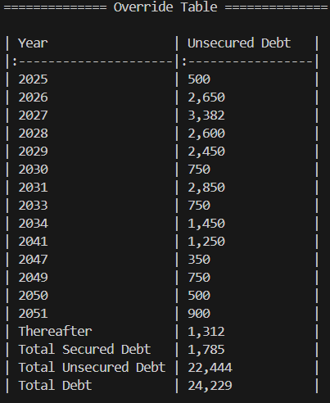
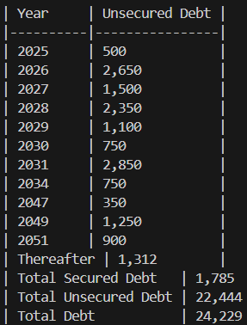
 |  | Correct |  | LLM
3Q24
 |  | Year | Unsecured Debt | Year | Unsecured Debt | TRUE | TRUE
 |  | 2025 | 500 | 2025 | 500 | TRUE | TRUE
 |  | 2026 | 2,650 | 2026 | 2,650 | TRUE | TRUE
 |  | 2027 | 3,382 | 2027 | 1,500 | TRUE | FALSE
 |  | 2028 | 2,600 | 2028 | 2,350 | TRUE | FALSE
 |  | 2029 | 2,450 | 2029 | 1,100 | TRUE | FALSE
 |  | 2030 | 750 | 2030 | 750 | TRUE | TRUE
 |  | 2031 | 2,850 | 2031 | 2,850 | TRUE | TRUE
 |  | 2033 | 750 | 2032 |  | FALSE | FALSE
 |  | 2034 | 1,450 | 2034 | 750 | TRUE | FALSE
 |  | 2041 | 1,250 | 2040 |  | FALSE | FALSE
 |  | 2047 | 350 | 2047 | 350 | TRUE | TRUE
 |  | 2049 | 750 | 2049 | 1,250 | TRUE | FALSE
 |  | 2050 | 500 | 2050 |  | TRUE | FALSE
 |  | 2051 | 900 | 2051 | 900 | TRUE | TRUE
 |  | Thereafter | 1,312 | Thereafter | 1,312 | TRUE | TRUE
 |  | Total Unsecured Debt | 22,444 | Total Unsecured Debt | 22,444 | TRUE | TRUE
 |  | Total Secured Debt | 1,785 | Total Secured Debt | 1,785 | TRUE | TRUE
 |  | Total Debt | 24,229 | Total Debt | 24,229 | TRUE | TRUE

 |  | Accuracy | 74%

 |  | Correct |  | LLM
2Q24
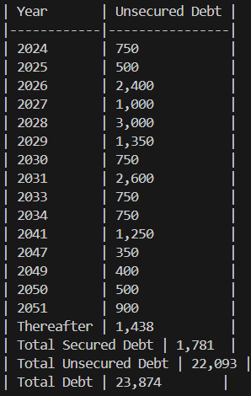
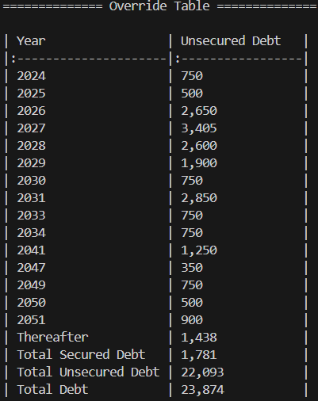
 |  | Year | Unsecured Debt | Year | Unsecured Debt | TRUE | TRUE
 |  | 2024 | 750 | 2024 | 750 | TRUE | TRUE
 |  | 2025 | 500 | 2025 | 500 | TRUE | TRUE
 |  | 2026 | 2,650 | 2026 | 2,400 | TRUE | FALSE
 |  | 2027 | 3,405 | 2027 | 1,000 | TRUE | FALSE
 |  | 2028 | 2,600 | 2028 | 3,000 | TRUE | FALSE
 |  | 2029 | 1,900 | 2029 | 1,350 | TRUE | FALSE
 |  | 2030 | 750 | 2030 | 750 | TRUE | TRUE
 |  | 2031 | 2,850 | 2031 | 2,600 | TRUE | FALSE
 |  | 2033 | 750 | 2033 | 750 | TRUE | TRUE
 |  | 2034 | 750 | 2034 | 750 | TRUE | TRUE
 |  | 2041 | 1,250 | 2041 | 1,250 | TRUE | TRUE
 |  | 2047 | 350 | 2047 | 350 | TRUE | TRUE
 |  | 2049 | 750 | 2049 | 400 | TRUE | FALSE
 |  | 2050 | 500 | 2050 | 500 | TRUE | TRUE
 |  | 2051 | 900 | 2051 | 900 | TRUE | TRUE
 |  | Thereafter | 1,438 | Thereafter | 1,438 | TRUE | TRUE
 |  | Total Unsecured Debt | 22,093 | Total Unsecured Debt | 22,093 | TRUE | TRUE
 |  | Total Secured Debt | 1,781 | Total Secured Debt | 1,781 | TRUE | TRUE
 |  | Total Debt | 23,874 | Total Debt | 23,874 | TRUE | TRUE

 |  | Accuracy | 85%

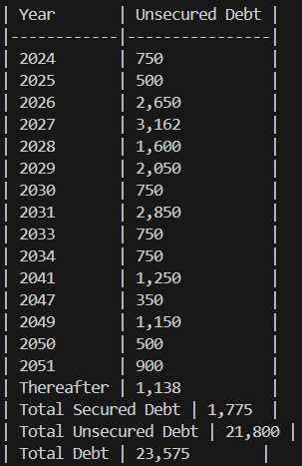
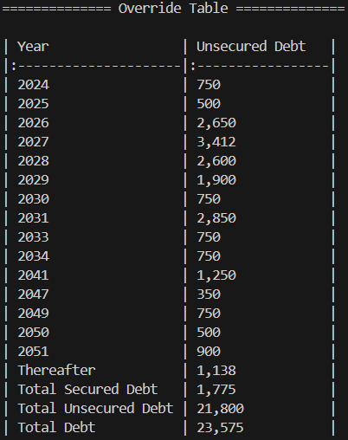
 |  | Correct |  | LLM
1Q24
 |  | Year | Unsecured Debt | Year | Unsecured Debt | TRUE | TRUE
 |  | 2024 | 750 | 2024 | 750 | TRUE | TRUE
 |  | 2025 | 500 | 2025 | 500 | TRUE | TRUE
 |  | 2026 | 2,650 | 2026 | 2,650 | TRUE | TRUE
 |  | 2027 | 3,412 | 2027 | 3,162 | TRUE | FALSE
 |  | 2028 | 2,600 | 2028 | 1,600 | TRUE | FALSE
 |  | 2029 | 1,900 | 2029 | 2,050 | TRUE | FALSE
 |  | 2030 | 750 | 2030 | 750 | TRUE | TRUE
 |  | 2031 | 2,850 | 2031 | 2,850 | TRUE | TRUE
 |  | 2033 | 750 | 2033 | 750 | TRUE | TRUE
 |  | 2034 | 750 | 2034 | 750 | TRUE | TRUE
 |  | 2041 | 1,250 | 2041 | 1,250 | TRUE | TRUE
 |  | 2047 | 350 | 2047 | 350 | TRUE | TRUE
 |  | 2049 | 750 | 2049 | 1,150 | TRUE | FALSE
 |  | 2050 | 500 | 2050 | 500 | TRUE | TRUE
 |  | 2051 | 900 | 2051 | 900 | TRUE | TRUE
 |  | Thereafter | 1,138 | Thereafter | 1,138 | TRUE | TRUE
 |  | Total Unsecured Debt | 21,800 | Total Unsecured Debt | 21,800 | TRUE | TRUE
 |  | Total Secured Debt | 1,775 | Total Secured Debt | 1,775 | TRUE | TRUE
 |  | Total Debt | 23,575 | Total Debt | 23,575 | TRUE | TRUE

 |  | Accuracy | 90%

CCI Script
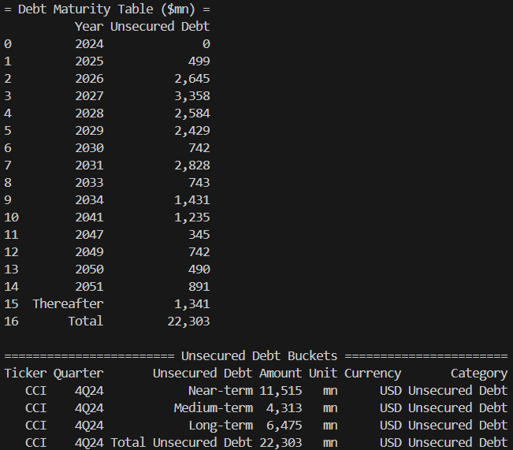
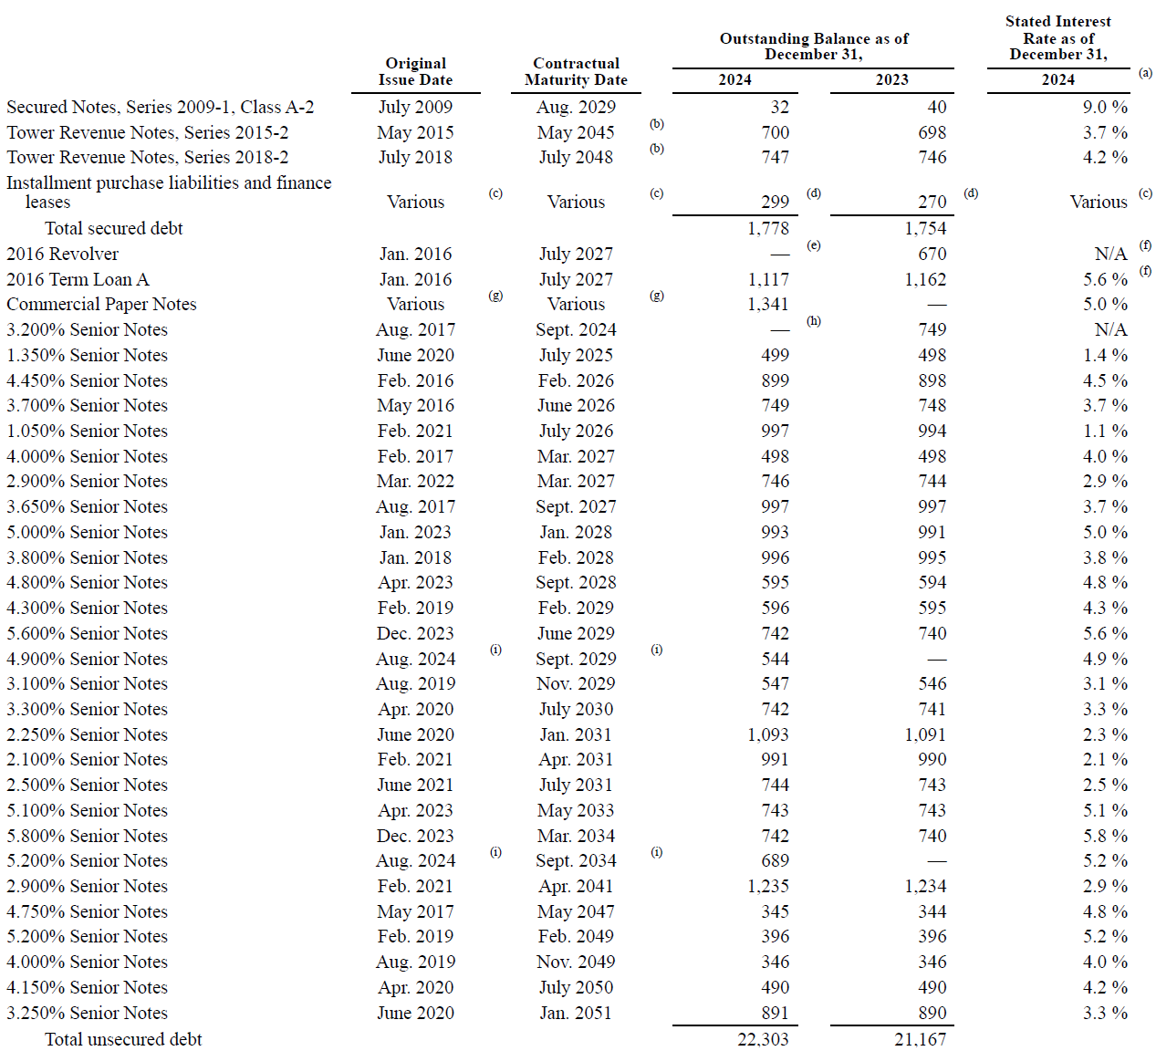
4Q24
 | Check |  | Check

 |  |  |  |  | Ticker | Quarter | Unsecured Debt | Amount | Unit | Currency | Category
 | 2027 | 1,117 | 2025 | 499 | CCI | 4Q24 | Near-Term | 11,515 | mn | USD | Unsecured Debt
 | 2025 | 499 | 2026 | 2,645 | CCI | 4Q24 | Medium-Term | 4,313 | mn | USD | Unsecured Debt
 | 2026 | 899 | 2027 | 3,358 | CCI | 4Q24 | Long-Term | 6,475 | mn | USD | Unsecured Debt
 | 2026 | 749 | 2028 | 2,584 | CCI | 4Q24 | Total Unsecured | 22,303 | mn | USD | Unsecured Debt
 | 2026 | 997 | 2029 | 2,429
 | 2027 | 498 | 2030 | 742
 | 2027 | 746 | 2031 | 2,828
 | 2027 | 997 | 2033 | 743
 | 2028 | 993 | 2034 | 1,431
 | 2028 | 996 | 2041 | 1,235
 | 2028 | 595 | 2047 | 345
 | 2029 | 596 | 2049 | 742
 | 2029 | 742 | 2050 | 490
 | 2029 | 544 | 2051 | 891
 | 2029 | 547 | Thereafter | 1,341
 | 2030 | 742 |  | 22,303
 | 2031 | 1,093
 | 2031 | 991
 | 2031 | 744
 | 2033 | 743
 | 2034 | 742
 | 2034 | 689
 | 2041 | 1,235
 | 2047 | 345
 | 2049 | 396
 | 2049 | 346
 | 2050 | 490
 | 2051 | 891
 | Thereafter | 1,341
 |  | 22,303

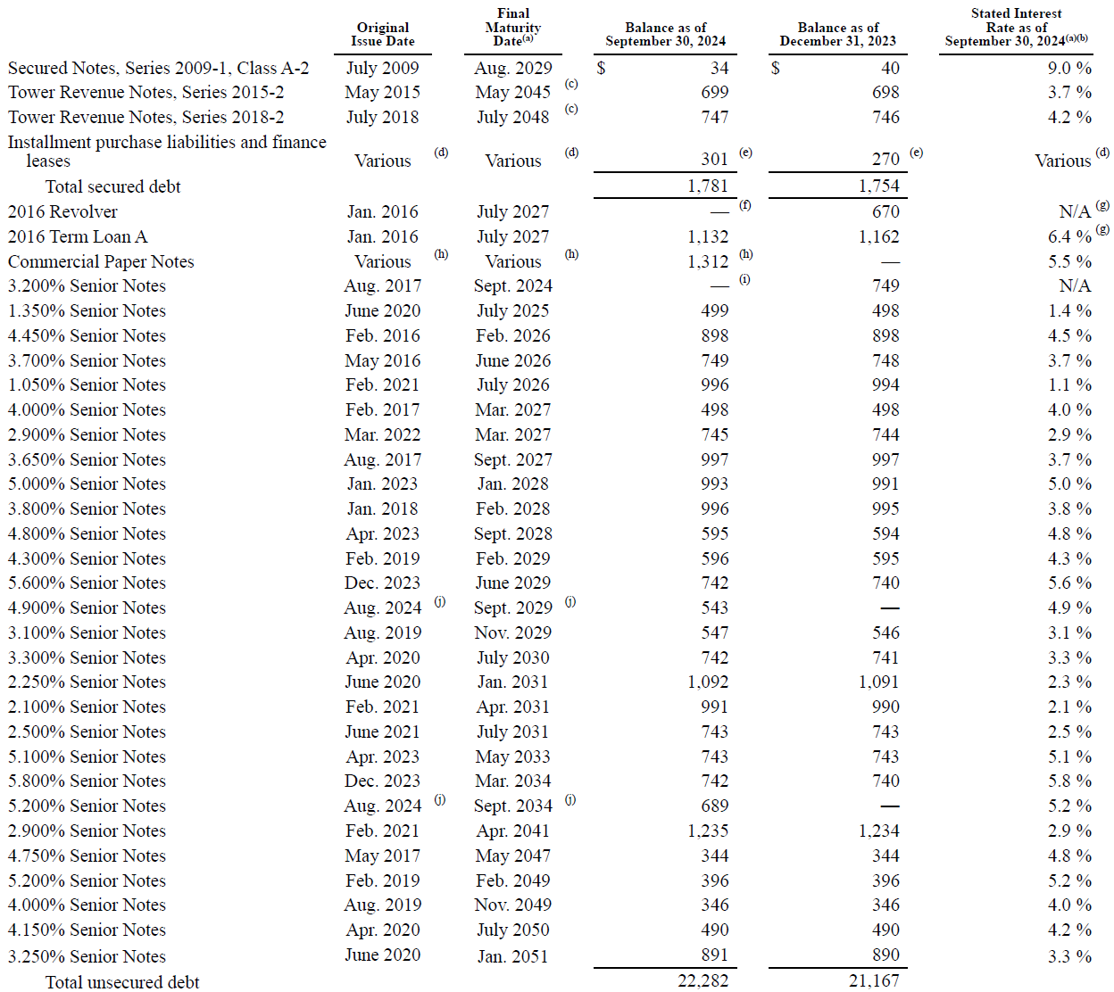
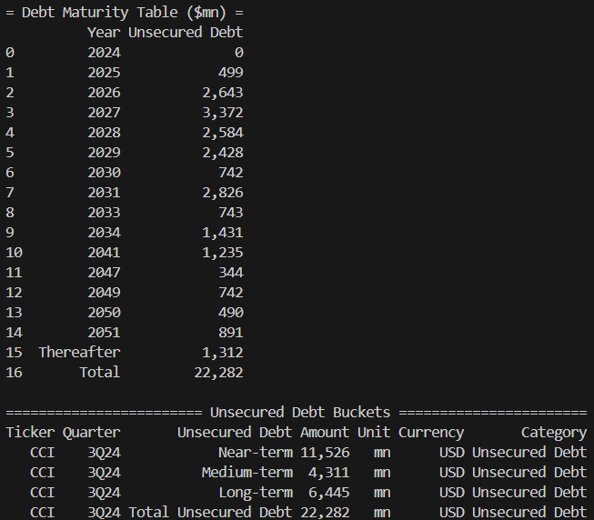
 | Check |  | Check
3Q24 |  |  |  |  | Ticker | Quarter | Unsecured Debt | Amount | Unit | Currency | Category
 | 2027 | 1,132 | 2025 | 499 | CCI | 3Q24 | Near-Term | 11,526 | mn | USD | Unsecured Debt
 | 2025 | 499 | 2026 | 2,643 | CCI | 3Q24 | Medium-Term | 4,311 | mn | USD | Unsecured Debt
 | 2026 | 898 | 2027 | 3,372 | CCI | 3Q24 | Long-Term | 6,445 | mn | USD | Unsecured Debt
 | 2026 | 749 | 2028 | 2,584 | CCI | 3Q24 | Total Unsecured | 22,282 | mn | USD | Unsecured Debt
 | 2026 | 996 | 2029 | 2,428
 | 2027 | 498 | 2030 | 742
 | 2027 | 745 | 2031 | 2,826
 | 2027 | 997 | 2033 | 743
 | 2028 | 993 | 2034 | 1,431
 | 2028 | 996 | 2041 | 1,235
 | 2028 | 595 | 2047 | 344
 | 2029 | 596 | 2049 | 742
 | 2029 | 742 | 2050 | 490
 | 2029 | 543 | 2051 | 891
 | 2029 | 547 | Thereafter | 1,312
 | 2030 | 742 |  | 22,282
 | 2031 | 1,092
 | 2031 | 991
 | 2031 | 743
 | 2033 | 743
 | 2034 | 742
 | 2034 | 689
 | 2041 | 1,235
 | 2047 | 344
 | 2049 | 396
 | 2049 | 346
 | 2050 | 490
 | 2051 | 891
 | Thereafter | 1,312
 |  | 22,282

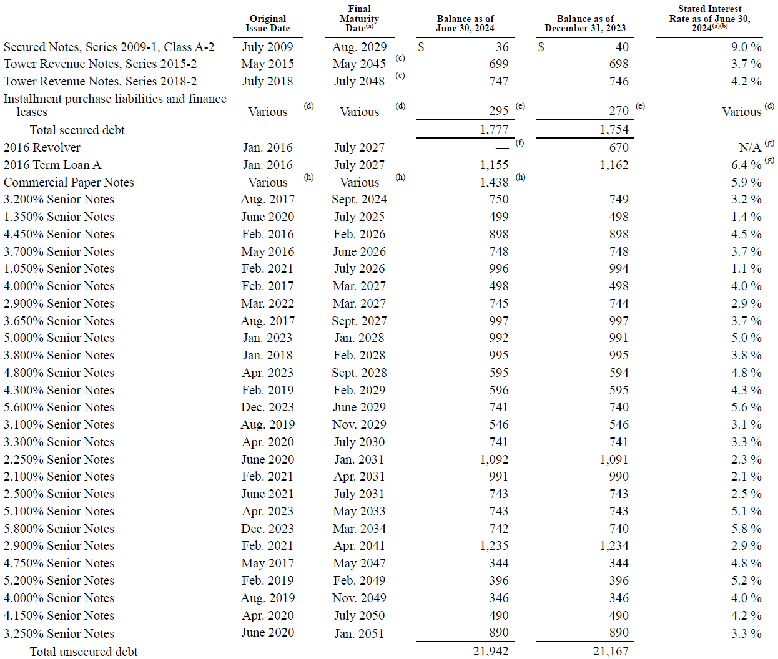
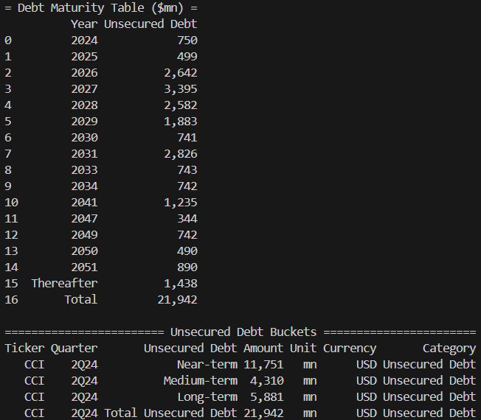
2Q24
 | Check |  | Check
 |  |  |  |  | Ticker | Quarter | Unsecured Debt | Amount | Unit | Currency | Category
 | 2024 | 750 | 2024 | 750 | CCI | 2Q24 | Near-Term | 11,751 | mn | USD | Unsecured Debt
 | 2025 | 499 | 2025 | 499 | CCI | 2Q24 | Medium-Term | 4,310 | mn | USD | Unsecured Debt
 | 2026 | 898 | 2026 | 2,642 | CCI | 2Q24 | Long-Term | 5,881 | mn | USD | Unsecured Debt
 | 2026 | 748 | 2027 | 3,395 | CCI | 2Q24 | Total Unsecured | 21,942 | mn | USD | Unsecured Debt
 | 2026 | 996 | 2028 | 2,582
 | 2027 | 498 | 2029 | 1,883
 | 2027 | 1,155 | 2030 | 741
 | 2027 | 745 | 2031 | 2,826
 | 2027 | 997 | 2033 | 743
 | 2028 | 992 | 2034 | 742
 | 2028 | 995 | 2041 | 1,235
 | 2028 | 595 | 2047 | 344
 | 2029 | 596 | 2049 | 742
 | 2029 | 741 | 2050 | 490
 | 2029 | 546 | 2051 | 890
 | 2030 | 741 | Thereafter | 1,438
 | 2031 | 1,092 |  | 21,942
 | 2031 | 991
 | 2031 | 743
 | 2033 | 743
 | 2034 | 742
 | 2041 | 1,235
 | 2047 | 344
 | 2049 | 396
 | 2049 | 346
 | 2050 | 490
 | 2051 | 890
 | Thereafter | 1,438
 |  | 21,942

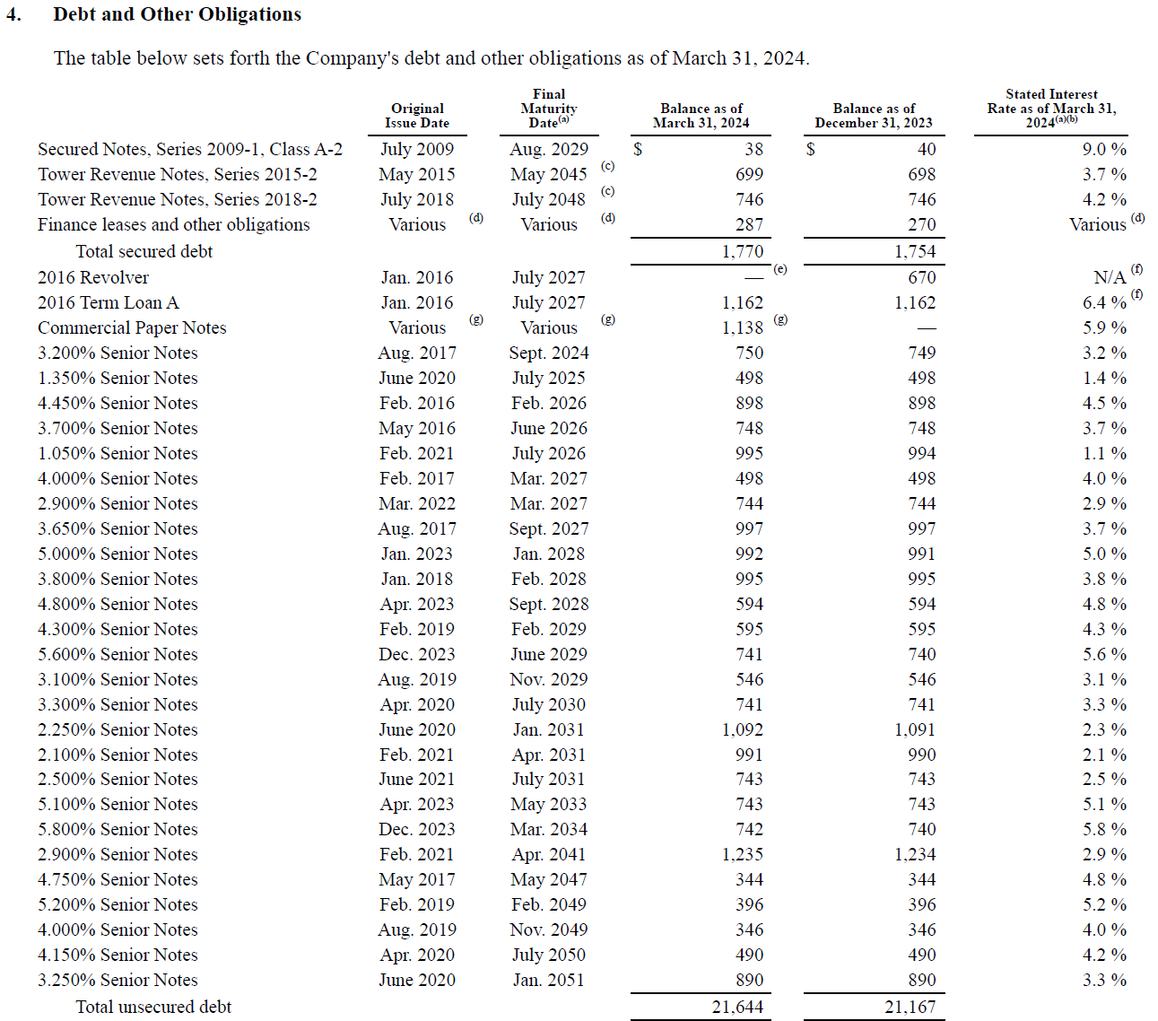
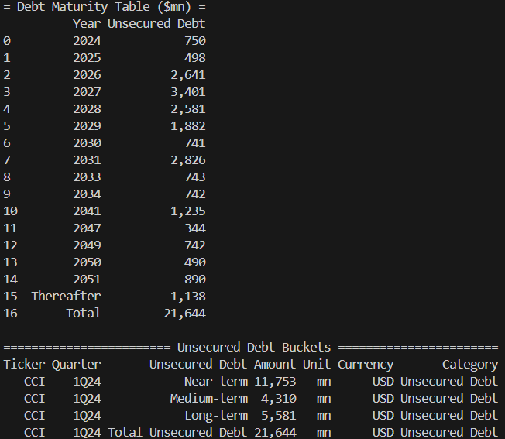
1Q24 | Check |  | Check
 |  |  |  |  | Ticker | Quarter | Unsecured Debt | Amount | Unit | Currency | Category
 | 2027 | 1,162 | 2024 | 750 | CCI | 1Q24 | Near-Term | 11,753 | mn | USD | Unsecured Debt
 | 2024 | 750 | 2025 | 498 | CCI | 1Q24 | Medium-Term | 4,310 | mn | USD | Unsecured Debt
 | 2025 | 498 | 2026 | 2,641 | CCI | 1Q24 | Long-Term | 5,581 | mn | USD | Unsecured Debt
 | 2026 | 898 | 2027 | 3,401 | CCI | 1Q24 | Total Unsecured | 21,644 | mn | USD | Unsecured Debt
 | 2026 | 748 | 2028 | 2,581
 | 2026 | 995 | 2029 | 1,882
 | 2027 | 498 | 2030 | 741
 | 2027 | 744 | 2031 | 2,826
 | 2027 | 997 | 2033 | 743
 | 2028 | 992 | 2034 | 742
 | 2028 | 995 | 2041 | 1,235
 | 2028 | 594 | 2047 | 344
 | 2029 | 595 | 2049 | 742
 | 2029 | 741 | 2050 | 490
 | 2029 | 546 | 2051 | 890
 | 2030 | 741 | Thereafter | 1,138
 | 2031 | 1,092 |  | 21,644
 | 2031 | 991
 | 2031 | 743
 | 2033 | 743
 | 2034 | 742
 | 2041 | 1,235
 | 2047 | 344
 | 2049 | 396
 | 2049 | 346
 | 2050 | 490
 | 2051 | 890
 | Thereafter | 1,138
 |  | 21,644

AVB Manual
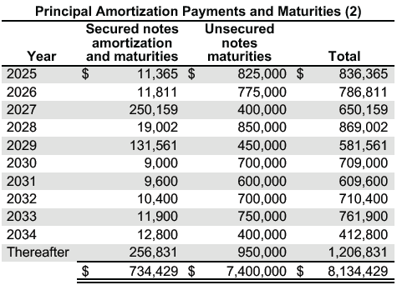
4Q24 | Year | Secured Debt | Unsecured Debt | Total | Ticker | Quarter | Unsecured Debt | Amount | Unit | Currency | Category
 | 2025 | 11,365 | 825,000 | 836,365 | AVB | 4Q24 | Near-term | 3,300 | mn | USD | Unsecured Debt | (2024 - 2029 maturities)
 | 2026 | 11,811 | 775,000 | 786,811 | AVB | 4Q24 | Medium-Term | 2,750 | mn | USD | Unsecured Debt | (2030 - 2033 maturities)
 | 2027 | 250,159 | 400,000 | 650,159 | AVB | 4Q24 | Long-term | 1,350 | mn | USD | Unsecured Debt | Thereafter
 | 2028 | 19,002 | 850,000 | 869,002 | AVB | 4Q24 | Total Unsecured | 7,400 | mn | USD | Unsecured Debt
 | 2029 | 131,561 | 450,000 | 581,561
 | 2030 | 9,000 | 700,000 | 709,000
 | 2031 | 9,600 | 600,000 | 609,600
 | 2032 | 10,400 | 700,000 | 710,400
 | 2033 | 11,900 | 750,000 | 761,900
 | 2034 | 12,800 | 400,000 | 412,800
 | Thereafter | 256,831 | 950,000 | 1,206,831
 | Total | 734,429 | 7,400,000 | 8,134,429

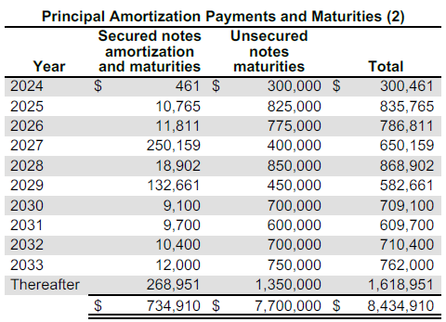
3Q24 | Year | Secured Debt | Unsecured Debt | Total | Ticker | Quarter | Unsecured Debt | Amount | Unit | Currency | Category
 | 2024 | 461 | 300,000 | 300,461 | AVB | 3Q24 | Near-term | 3,600 | mn | USD | Unsecured Debt | (2024 - 2029 maturities)
 | 2025 | 10,765 | 825,000 | 835,765 | AVB | 3Q24 | Medium-Term | 2,750 | mn | USD | Unsecured Debt | (2030 - 2033 maturities)
 | 2026 | 11,811 | 775,000 | 786,811 | AVB | 3Q24 | Long-term | 1,350 | mn | USD | Unsecured Debt | Thereafter
 | 2027 | 250,159 | 400,000 | 650,159 | AVB | 3Q24 | Total Unsecured | 7,700 | mn | USD | Unsecured Debt
 | 2028 | 18,902 | 850,000 | 868,902
 | 2029 | 132,661 | 450,000 | 582,661
 | 2030 | 9,100 | 700,000 | 709,100
 | 2031 | 9,700 | 600,000 | 609,700
 | 2032 | 10,400 | 700,000 | 710,400
 | 2033 | 12,000 | 750,000 | 762,000
 | Thereafter | 268,951 | 1,350,000 | 1,618,951
 | Total | 734,910 | 7,700,000 | 8,434,910


2Q24 | Year | Secured Debt | Unsecured Debt | Total | Ticker | Quarter | Unsecured Debt | Amount | Unit | Currency | Category
 | 2024 | 1,612 | 300,000 | 301,612 | AVB | 2Q24 | Near-term | 3,600 | mn | USD | Unsecured Debt | (2024 - 2029 maturities)
 | 2025 | 10,765 | 825,000 | 835,765 | AVB | 2Q24 | Medium-Term | 2,750 | mn | USD | Unsecured Debt | (2030 - 2033 maturities)
 | 2026 | 11,811 | 775,000 | 786,811 | AVB | 2Q24 | Long-term | 1,350 | mn | USD | Unsecured Debt | Thereafter
 | 2027 | 250,159 | 400,000 | 650,159 | AVB | 2Q24 | Total Unsecured | 7,700 | mn | USD | Unsecured Debt
 | 2028 | 18,902 | 850,000 | 868,902
 | 2029 | 132,661 | 450,000 | 582,661
 | 2030 | 9,100 | 700,000 | 709,100
 | 2031 | 9,700 | 600,000 | 609,700
 | 2032 | 10,400 | 700,000 | 710,400
 | 2033 | 12,000 | 750,000 | 762,000
 | Thereafter | 268,951 | 1,350,000 | 1,618,951
 | Total | 736,061 | 7,700,000 | 8,436,061

1Q24 | Year | Secured Debt | Unsecured Debt | Total | Ticker | Quarter | Unsecured Debt | Amount | Unit | Currency | Category
 | 2024 | 8,793 | 300,000 | 308,793 | AVB | 1Q24 | Near-term | 3,600 | mn | USD | Unsecured Debt | (2024 - 2029 maturities)
 | 2025 | 10,765 | 825,000 | 835,765 | AVB | 1Q24 | Medium-Term | 2,750 | mn | USD | Unsecured Debt | (2030 - 2033 maturities)

 | 2026 | 11,811 | 775,000 | 786,811 | AVB | 1Q24 | Long-term | 950 | mn | USD | Unsecured Debt | Thereafter
 | 2027 | 250,159 | 400,000 | 650,159 | AVB | 1Q24 | Total Unsecured | 7,300 | mn | USD | Unsecured Debt
 | 2028 | 18,902 | 850,000 | 868,902
 | 2029 | 132,661 | 450,000 | 582,661
 | 2030 | 9,100 | 700,000 | 709,100
 | 2031 | 9,700 | 600,000 | 609,700
 | 2032 | 10,400 | 700,000 | 710,400
 | 2033 | 12,000 | 750,000 | 762,000
 | Thereafter | 268,951 | 950,000 | 1,218,951
 | Total | 743,242 | 7,300,000 | 8,043,242

AVB LLM API
OpenAI | Debt Partition



 |  | Correct |  | LLM
4Q24
 |  | Year | Unsecured Debt | Year | Unsecured Debt | TRUE | TRUE
 |  | 2025 | 825 | 2025 | 825 | TRUE | TRUE
 |  | 2026 | 775 | 2026 | 775 | TRUE | TRUE
 |  | 2027 | 400 | 2027 | 400 | TRUE | TRUE
 |  | 2028 | 850 | 2028 | 850 | TRUE | TRUE
 |  | 2029 | 450 | 2029 | 450 | TRUE | TRUE
 |  | 2030 | 700 | 2030 | 700 | TRUE | TRUE
 |  | 2031 | 600 | 2031 | 600 | TRUE | TRUE
 |  | 2032 | 700 | 2032 | 700 | TRUE | TRUE
 |  | 2033 | 750 | 2033 | 750 | TRUE | TRUE
 |  | 2034 | 400 | 2034 | 400 | TRUE | TRUE
 |  | Thereafter | 950 | Thereafter | 950 | TRUE | TRUE
 |  | Total | 7,400 | Total | 7,400 | TRUE | TRUE

 |  |  |  | Accuracy | 100%



 |  | Correct |  | LLM
3Q24
 |  | Year | Unsecured Debt | Year | Unsecured Debt | TRUE | TRUE
 |  | 2024 | 300 | 2024 | 300 | TRUE | TRUE
 |  | 2025 | 825 | 2025 | 825 | TRUE | TRUE
 |  | 2026 | 775 | 2026 | 775 | TRUE | TRUE
 |  | 2027 | 400 | 2027 | 400 | TRUE | TRUE
 |  | 2028 | 850 | 2028 | 850 | TRUE | TRUE
 |  | 2029 | 450 | 2029 | 450 | TRUE | TRUE
 |  | 2030 | 700 | 2030 | 900 | TRUE | FALSE
 |  | 2031 | 600 | 2031 | 600 | TRUE | TRUE
 |  | 2032 | 700 | 2032 | 700 | TRUE | TRUE
 |  | 2033 | 750 | 2033 | 750 | TRUE | TRUE
 |  | Thereafter | 1,350 | Thereafter | 1,350 | TRUE | TRUE
 |  | Total | 7,700 | Total | 7,700 | TRUE | TRUE

 |  |  |  | Accuracy | 96%



 |  | Correct |  | LLM
2Q24
 |  | Year | Unsecured Debt | Year | Unsecured Debt | TRUE | TRUE
 |  | 2024 | 300 | 2024 | 300 | TRUE | TRUE
 |  | 2025 | 825 | 2025 | 825 | TRUE | TRUE
 |  | 2026 | 775 | 2026 | 775 | TRUE | TRUE
 |  | 2027 | 400 | 2027 | 400 | TRUE | TRUE
 |  | 2028 | 850 | 2028 | 850 | TRUE | TRUE
 |  | 2029 | 450 | 2029 | 450 | TRUE | TRUE
 |  | 2030 | 700 | 2030 | 700 | TRUE | TRUE
 |  | 2031 | 600 | 2031 | 600 | TRUE | TRUE
 |  | 2032 | 700 | 2032 | 700 | TRUE | TRUE
 |  | 2033 | 750 | 2033 | 750 | TRUE | TRUE
 |  | Thereafter | 1,350 | Thereafter | 1,350 | TRUE | TRUE
 |  | Total | 7,700 | Total | 7,700 | TRUE | TRUE

 |  |  |  | Accuracy | 100%



 |  | Correct |  | LLM
1Q24
 |  | Year | Unsecured Debt | Year | Unsecured Debt | TRUE | TRUE
 |  | 2024 | 300 | 2024 | 300 | TRUE | TRUE
 |  | 2025 | 825 | 2025 | 825 | TRUE | TRUE
 |  | 2026 | 775 | 2026 | 775 | TRUE | TRUE
 |  | 2027 | 400 | 2027 | 400 | TRUE | TRUE
 |  | 2028 | 850 | 2028 | 850 | TRUE | TRUE
 |  | 2029 | 450 | 2029 | 450 | TRUE | TRUE
 |  | 2030 | 700 | 2030 | 700 | TRUE | TRUE
 |  | 2031 | 600 | 2031 | 600 | TRUE | TRUE
 |  | 2032 | 700 | 2032 | 700 | TRUE | TRUE
 |  | 2033 | 750 | 2033 | 750 | TRUE | TRUE
 |  | Thereafter | 950 | Thereafter | 950 | TRUE | TRUE
 |  | Total | 7,300 | Total | 7,300 | TRUE | TRUE

 |  |  |  | Accuracy | 100%

AVB Script

4Q24




3Q24




2Q24




1Q24

AMT LLM API
OpenAI | Debt Partition


 |  | Correct |  | LLM
4Q24
 |  | Year | Unsecured Debt | Year | Unsecured Debt | TRUE | TRUE
 |  | 2025 | 3,168 | 2025 | 3,168 | TRUE | TRUE
 |  | 2026 | 3,318 | 2026 | 3,318 | TRUE | TRUE
 |  | 2027 | 4,465 | 2027 | 4,465 | TRUE | TRUE
 |  | 2028 | 4,226 | 2028 | 4,226 | TRUE | TRUE
 |  | 2029 | 3,676 | 2029 | 3,676 | TRUE | TRUE
 |  | 2030 | 3,935 | 2030 | 3,935 | TRUE | TRUE
 |  | 2031 | 1,918 | 2031 | 1,918 | TRUE | TRUE
 |  | 2032 | 1,323 | 2032 | 1,323 | TRUE | TRUE
 |  | 2033 | 2,918 | 2033 | 2,918 | TRUE | TRUE
 |  | 2034 | 1,168 | 2034 | 1,168 | TRUE | TRUE
 |  | 2035 | 600 | 2035 | 600 | TRUE | TRUE
 |  | 2049 | 600 | 2049 | 600 | TRUE | TRUE
 |  | 2050 | 1,050 | 2050 | 1,050 | TRUE | TRUE
 |  | 2051 | 1,050 | 2051 | 1,050 | TRUE | TRUE
 |  | Total | 33,415 | Total | 33,415 | TRUE | TRUE

 |  | Accuracy | 100%


 |  | Correct |  | LLM
3Q24
 |  | Year | Unsecured Debt | Year | Unsecured Debt | TRUE | TRUE
 |  | 2025 | 3,207 | 2025 | 3,207 | TRUE | TRUE
 |  | 2026 | 3,357 | 2026 | 3,357 | TRUE | TRUE
 |  | 2027 | 4,610 | 2027 | 4,610 | TRUE | TRUE
 |  | 2028 | 4,285 | 2028 | 4,285 | TRUE | TRUE
 |  | 2029 | 3,735 | 2029 | 3,735 | TRUE | TRUE
 |  | 2030 | 3,413 | 2030 | 3,413 | TRUE | TRUE
 |  | 2031 | 1,957 | 2031 | 1,957 | TRUE | TRUE
 |  | 2032 | 1,374 | 2032 | 1,374 | TRUE | TRUE
 |  | 2033 | 2,957 | 2033 | 2,957 | TRUE | TRUE
 |  | 2034 | 1,207 | 2034 | 1,207 | TRUE | TRUE
 |  | 2049 | 600 | 2049 | 600 | TRUE | TRUE
 |  | 2050 | 1,050 | 2050 | 1,050 | TRUE | TRUE
 |  | 2051 | 1,050 | 2051 | 1,050 | TRUE | TRUE
 |  | Total | 32,802 | Total | 32,802 | TRUE | TRUE

 |  | Accuracy | 100%


 |  | Correct |  | LLM
2Q24
 |  | Year | Unsecured Debt | Year | Unsecured Debt | TRUE | TRUE
 |  | 2025 | 3,186 | 2025 | 3,186 | TRUE | TRUE
 |  | 2026 | 3,336 | 2026 | 3,336 | TRUE | TRUE
 |  | 2027 | 4,532 | 2027 | 4,532 | TRUE | TRUE
 |  | 2028 | 4,254 | 2028 | 4,254 | TRUE | TRUE
 |  | 2029 | 3,704 | 2029 | 3,704 | TRUE | TRUE
 |  | 2030 | 3,371 | 2030 | 3,371 | TRUE | TRUE
 |  | 2031 | 1,936 | 2031 | 1,936 | TRUE | TRUE
 |  | 2032 | 1,346 | 2032 | 1,346 | TRUE | TRUE
 |  | 2033 | 2,936 | 2033 | 2,936 | TRUE | TRUE
 |  | 2034 | 1,186 | 2034 | 1,186 | TRUE | TRUE
 |  | 2049 | 600 | 2049 | 600 | TRUE | TRUE
 |  | 2050 | 1,050 | 2050 | 1,050 | TRUE | TRUE
 |  | 2051 | 1,050 | 2051 | 1,050 | TRUE | TRUE
 |  | Total | 32,487 | Total | 32,487 | TRUE | TRUE

 |  | Accuracy | 100%

 |  | Correct |  | LLM



1Q24
 |  | Year | Unsecured Debt | Year | Unsecured Debt | TRUE | TRUE
 |  | 2024 | 650 | 2024 | 650 | TRUE | TRUE
 |  | 2025 | 3,189 | 2025 | 3,189 | TRUE | TRUE
 |  | 2026 | 3,339 | 2026 | 3,339 | TRUE | TRUE
 |  | 2027 | 4,546 | 2027 | 4,546 | TRUE | TRUE
 |  | 2028 | 4,259 | 2028 | 4,259 | TRUE | TRUE
 |  | 2029 | 3,709 | 2029 | 3,709 | TRUE | TRUE
 |  | 2030 | 2,839 | 2030 | 2,839 | TRUE | TRUE
 |  | 2031 | 1,939 | 2031 | 1,939 | TRUE | TRUE
 |  | 2032 | 1,351 | 2032 | 1,351 | TRUE | TRUE
 |  | 2033 | 2,939 | 2033 | 2,939 | TRUE | TRUE
 |  | 2034 | 650 | 2034 | 650 | TRUE | TRUE
 |  | 2049 | 600 | 2049 | 600 | TRUE | TRUE
 |  | 2050 | 1,050 | 2050 | 1,050 | TRUE | TRUE
 |  | 2051 | 1,050 | 2051 | 1,050 | TRUE | TRUE
 |  | Total | 32,110 | Total | 31,110 | TRUE | FALSE

 |  | Accuracy | 97%

AMT Script


4Q24 |  |  |  |  |  |  | Unsecured Debt ($mn) | Date | Year | Year | Unsecured Debt | Other Debt | Total Debt
 |  |  |  |  |  |  | 650 | 15-Jan-25 | 2025 | 2025 | 3,166 | 998 | 34,175
 |  |  |  |  |  |  | 750 | 15-Mar-25 | 2025 | 2026 | 3,308
 |  |  |  |  |  |  | 517 | 4-Apr-25 | 2025 | 2027 | 4,449
 |  |  |  |  |  |  | 749 | 1-Jun-25 | 2025 | 2028 | 4,202 | 998
 |  |  |  |  |  |  | 499 | 15-Sep-25 | 2025 | 2029 | 3,652
 |  |  |  |  |  |  | 499 | 15-Feb-26 | 2026 | 2030 | 3,902
 |  |  |  |  |  |  | 699 | 15-Apr-26 | 2026 | 2031 | 1,901
 |  |  |  |  |  |  | 516 | 22-May-26 | 2026 | 2032 | 1,311
 |  |  |  |  |  |  | 597 | 15-Sep-26 | 2026 | 2033 | 2,887
 |  |  |  |  |  |  | 997 | 15-Oct-26 | 2026 | 2034 | 1,151
 |  |  |  |  |  |  | 399 | 15-Jan-27 | 2027 | 2035 | 592
 |  |  |  |  |  |  | 748 | 15-Jan-27 | 2027 | 2049 | 593
 |  |  |  |  |  |  | 774 | 15-Jan-27 | 2027 | 2050 | 1,039
 |  |  |  |  |  |  | 515 | 15-Feb-27 | 2027 | 2051 | 1,024
 |  |  |  |  |  |  | 646 | 15-Mar-27 | 2027 | Total | 33,177
 |  |  |  |  |  |  | 619 | 16-May-27 | 2027
 |  |  |  |  |  |  | 748 | 15-Jul-27 | 2027 | Delta to presentation number may be due to exchange
 |  |  |  |  |  |  | 697 | 15-Jan-28 | 2028 | rate impact on EUR denominated senior unsecured debt
 |  |  |  |  |  |  | 773 | 15-Jan-28 | 2028
 |  |  |  |  |  |  | 648 | 31-Jan-28 | 2028
 |  |  |  |  |  |  | 695 | 15-Mar-28 | 2028
 |  |  |  |  |  |  | 645 | 15-Jul-28 | 2028
 |  |  |  |  |  |  | 745 | 15-Nov-28 | 2028
 |  |  |  |  |  |  | 644 | 15-Feb-29 | 2029
 |  |  |  |  |  |  | 595 | 15-Mar-29 | 2029
 |  |  |  |  |  |  | 773 | 21-May-29 | 2029
Ticker | Quarter | Unsecured Debt | Amount | Unit | Currency | Category | 1,641 | 15-Aug-29 | 2029
AMT | 4Q24 | Near-term | 18,777 | mn | USD | Unsecured Debt | 745 | 15-Jan-30 | 2030
AMT | 4Q24 | Medium-Term | 10,002 | mn | USD | Unsecured Debt | 593 | 31-Jan-30 | 2030
AMT | 4Q24 | Long-term | 4,398 | mn | USD | Unsecured Debt | 513 | 16-May-30 | 2030
AMT | 4Q24 | Total Unsecured | 33,177 | mn | USD | Unsecured Debt | 744 | 15-Jun-30 | 2030
 |  |  |  |  |  |  | 513 | 5-Oct-30 | 2030
 |  |  |  |  |  |  | 794 | 15-Oct-30 | 2030
 |  |  |  |  |  |  | 696 | 15-Apr-31 | 2031
 |  |  |  |  |  |  | 512 | 16-May-31 | 2031
 |  |  |  |  |  |  | 694 | 15-Sep-31 | 2031
 |  |  |  |  |  |  | 668 | 15-Jan-32 | 2032
 |  |  |  |  |  |  | 644 | 15-Mar-32 | 2032
 |  |  |  |  |  |  | 791 | 15-Mar-33 | 2033
 |  |  |  |  |  |  | 512 | 21-May-33 | 2033
 |  |  |  |  |  |  | 841 | 15-Jul-33 | 2033
 |  |  |  |  |  |  | 742 | 15-Nov-33 | 2033
 |  |  |  |  |  |  | 641 | 15-Feb-34 | 2034
 |  |  |  |  |  |  | 511 | 16-May-34 | 2034
 |  |  |  |  |  |  | 592 | 31-Jan-35 | 2035
 |  |  |  |  |  |  | 593 | 15-Oct-49 | 2049
 |  |  |  |  |  |  | 1,039 | 15-Jun-50 | 2050
 |  |  |  |  |  |  | 1,024 | 15-Jan-51 | 2051
 |  |  |  |  |  |  | 33,177



3Q24
 |  |  |  |  |  |  | Unsecured Debt ($mn) | Date | Year | Year | Unsecured Debt | Other Debt | Total Debt
 |  |  |  |  |  |  | 650 | 15-Jan-25 | 2025 | 2025 | 3,203 | 140 | 34,772
 |  |  |  |  |  |  | 749 | 15-Mar-25 | 2025 | 2026 | 3,346 | 998
 |  |  |  |  |  |  | 556 | 4-Apr-25 | 2025 | 2027 | 4,592 | 1,068
 |  |  |  |  |  |  | 749 | 1-Jun-25 | 2025 | 2028 | 4,259 | 2,206
 |  |  |  |  |  |  | 499 | 15-Sep-25 | 2025 | 2029 | 3,709
 |  |  |  |  |  |  | 499 | 15-Feb-26 | 2026 | 2030 | 3,386
 |  |  |  |  |  |  | 698 | 15-Apr-26 | 2026 | 2031 | 1,940
 |  |  |  |  |  |  | 555 | 22-May-26 | 2026 | 2032 | 1,362
 |  |  |  |  |  |  | 597 | 15-Sep-26 | 2026 | 2033 | 2,925

 |  |  |  |  |  |  | 996 | 15-Oct-26 | 2026 | 2034 | 1,190
 |  |  |  |  |  |  | 399 | 15-Jan-27 | 2027 | 2049 | 593
 |  |  |  |  |  |  | 748 | 15-Jan-27 | 2027 | 2050 | 1,039
 |  |  |  |  |  |  | 832 | 15-Jan-27 | 2027 | 2051 | 1,024
 |  |  |  |  |  |  | 554 | 15-Feb-27 | 2027 | Total | 32,566
 |  |  |  |  |  |  | 646 | 15-Mar-27 | 2027
 |  |  |  |  |  |  | 665 | 16-May-27 | 2027 | Delta to presentation number may be due to exchange
 |  |  |  |  |  |  | 748 | 15-Jul-27 | 2027 | rate impact on EUR denominated senior unsecured debt
 |  |  |  |  |  |  | 697 | 15-Jan-28 | 2028
 |  |  |  |  |  |  | 831 | 15-Jan-28 | 2028
 |  |  |  |  |  |  | 648 | 31-Jan-28 | 2028
 |  |  |  |  |  |  | 695 | 15-Mar-28 | 2028
 |  |  |  |  |  |  | 645 | 15-Jul-28 | 2028
 |  |  |  |  |  |  | 744 | 15-Nov-28 | 2028
 |  |  |  |  |  |  | 643 | 15-Feb-29 | 2029
 |  |  |  |  |  |  | 595 | 15-Mar-29 | 2029
Ticker | Quarter | Unsecured Debt | Amount | Unit | Currency | Category | 831 | 21-May-29 | 2029
AMT | 3Q24 | Near-term | 19,109 | mn | USD | Unsecured Debt | 1,640 | 15-Aug-29 | 2029
AMT | 3Q24 | Medium-Term | 9,613 | mn | USD | Unsecured Debt | 745 | 15-Jan-30 | 2030
AMT | 3Q24 | Long-term | 3,845 | mn | USD | Unsecured Debt | 552 | 16-May-30 | 2030
AMT | 3Q24 | Total Unsecured | 32,566 | mn | USD | Unsecured Debt | 744 | 15-Jun-30 | 2030
 |  |  |  |  |  |  | 551 | 5-Oct-30 | 2030
 |  |  |  |  |  |  | 794 | 15-Oct-30 | 2030
 |  |  |  |  |  |  | 696 | 15-Apr-31 | 2031
 |  |  |  |  |  |  | 551 | 16-May-31 | 2031
 |  |  |  |  |  |  | 693 | 15-Sep-31 | 2031
 |  |  |  |  |  |  | 718 | 15-Jan-32 | 2032
 |  |  |  |  |  |  | 644 | 15-Mar-32 | 2032
 |  |  |  |  |  |  | 791 | 15-Mar-33 | 2033
 |  |  |  |  |  |  | 551 | 21-May-33 | 2033
 |  |  |  |  |  |  | 841 | 15-Jul-33 | 2033
 |  |  |  |  |  |  | 742 | 15-Nov-33 | 2033
 |  |  |  |  |  |  | 640 | 15-Feb-34 | 2034
 |  |  |  |  |  |  | 550 | 16-May-34 | 2034
 |  |  |  |  |  |  | 593 | 15-Oct-49 | 2049
 |  |  |  |  |  |  | 1,039 | 15-Jun-50 | 2050
 |  |  |  |  |  |  | 1,024 | 15-Jan-51 | 2051
 |  |  |  |  |  |  | 32,566



 |  |  |  |  |  |  | Unsecured Debt ($mn) | Date | Year | Year | Unsecured Debt | Other Debt | Total Debt
2Q24 |  |  |  |  |  |  | 649 | 15-Jan-25 | 2025 | 2025 | 3,180 | 1,170 | 36,520
 |  |  |  |  |  |  | 749 | 15-Mar-25 | 2025 | 2026 | 3,323 | 997
 |  |  |  |  |  |  | 535 | 4-Apr-25 | 2025 | 2027 | 4,512 | 2,113
 |  |  |  |  |  |  | 749 | 1-Jun-25 | 2025 | 2028 | 4,226 | 4,281
 |  |  |  |  |  |  | 499 | 15-Sep-25 | 2025 | 2029 | 3,676
 |  |  |  |  |  |  | 499 | 15-Feb-26 | 2026 | 2030 | 3,343
 |  |  |  |  |  |  | 698 | 15-Apr-26 | 2026 | 2031 | 1,918
 |  |  |  |  |  |  | 534 | 22-May-26 | 2026 | 2032 | 1,334
 |  |  |  |  |  |  | 597 | 15-Sep-26 | 2026 | 2033 | 2,904

 |  |  |  |  |  |  | 996 | 15-Oct-26 | 2026 | 2034 | 1,169
 |  |  |  |  |  |  | 399 | 15-Jan-27 | 2027 | 2049 | 593
 |  |  |  |  |  |  | 748 | 15-Jan-27 | 2027 | 2050 | 1,039
 |  |  |  |  |  |  | 801 | 15-Jan-27 | 2027 | 2051 | 1,024
 |  |  |  |  |  |  | 533 | 15-Feb-27 | 2027 | Total | 32,239
 |  |  |  |  |  |  | 646 | 15-Mar-27 | 2027
 |  |  |  |  |  |  | 640 | 16-May-27 | 2027 | Delta to presentation number may be due to exchange
 |  |  |  |  |  |  | 748 | 15-Jul-27 | 2027 | rate impact on EUR denominated senior unsecured debt
 |  |  |  |  |  |  | 697 | 15-Jan-28 | 2028
 |  |  |  |  |  |  | 799 | 15-Jan-28 | 2028
 |  |  |  |  |  |  | 648 | 31-Jan-28 | 2028
 |  |  |  |  |  |  | 694 | 15-Mar-28 | 2028
 |  |  |  |  |  |  | 645 | 15-Jul-28 | 2028
 |  |  |  |  |  |  | 744 | 15-Nov-28 | 2028
 |  |  |  |  |  |  | 643 | 15-Feb-29 | 2029
 |  |  |  |  |  |  | 594 | 15-Mar-29 | 2029
 |  |  |  |  |  |  | 800 | 21-May-29 | 2029
Ticker | Quarter | Unsecured Debt | Amount | Unit | Currency | Category | 1,640 | 15-Aug-29 | 2029
AMT | 2Q24 | Near-term | 18,918 | mn | USD | Unsecured Debt | 745 | 15-Jan-30 | 2030
AMT | 2Q24 | Medium-Term | 9,498 | mn | USD | Unsecured Debt | 531 | 16-May-30 | 2030
AMT | 2Q24 | Long-term | 3,823 | mn | USD | Unsecured Debt | 744 | 15-Jun-30 | 2030
AMT | 2Q24 | Total Unsecured | 32,239 | mn | USD | Unsecured Debt | 530 | 5-Oct-30 | 2030
 |  |  |  |  |  |  | 794 | 15-Oct-30 | 2030
 |  |  |  |  |  |  | 695 | 15-Apr-31 | 2031
 |  |  |  |  |  |  | 529 | 16-May-31 | 2031
 |  |  |  |  |  |  | 693 | 15-Sep-31 | 2031
 |  |  |  |  |  |  | 691 | 15-Jan-32 | 2032
 |  |  |  |  |  |  | 643 | 15-Mar-32 | 2032
 |  |  |  |  |  |  | 791 | 15-Mar-33 | 2033
 |  |  |  |  |  |  | 530 | 21-May-33 | 2033
 |  |  |  |  |  |  | 841 | 15-Jul-33 | 2033
 |  |  |  |  |  |  | 742 | 15-Nov-33 | 2033
 |  |  |  |  |  |  | 640 | 15-Feb-34 | 2034
 |  |  |  |  |  |  | 528 | 16-May-34 | 2034
 |  |  |  |  |  |  | 593 | 15-Oct-49 | 2049
 |  |  |  |  |  |  | 1,039 | 15-Jun-50 | 2050
 |  |  |  |  |  |  | 1,024 | 15-Jan-51 | 2051
 |  |  |  |  |  |  | 32,239


 |  |  |  |  |  |  | Unsecured Debt ($mn) | Date | Year | Year | Unsecured Debt | Other Debt | Total Debt
 |  |  |  |  |  |  | 650 | 15-May-24 | 2024 | 2024 | 650 | 1,012 | 36,807
1Q24 |  |  |  |  |  |  | 649 | 15-Jan-25 | 2025 | 2025 | 3,182 | 997

 |  |  |  |  |  |  | 749 | 15-Mar-25 | 2025 | 2026 | 3,325 | 2,038
 |  |  |  |  |  |  | 538 | 4-Apr-25 | 2025 | 2027 | 4,525 | 890
 |  |  |  |  |  |  | 748 | 1-Jun-25 | 2025 | 2028 | 4,230 | 4,937
 |  |  |  |  |  |  | 499 | 15-Sep-25 | 2025 | 2029 | 3,681
 |  |  |  |  |  |  | 499 | 15-Feb-26 | 2026 | 2030 | 2,815
 |  |  |  |  |  |  | 698 | 15-Apr-26 | 2026 | 2031 | 1,921
 |  |  |  |  |  |  | 537 | 22-May-26 | 2026 | 2032 | 1,339
 |  |  |  |  |  |  | 596 | 15-Sep-26 | 2026 | 2033 | 2,907
 |  |  |  |  |  |  | 995 | 15-Oct-26 | 2026 | 2034 | 640
 |  |  |  |  |  |  | 399 | 15-Jan-27 | 2027 | 2049 | 593
 |  |  |  |  |  |  | 747 | 15-Jan-27 | 2027 | 2050 | 1,039
 |  |  |  |  |  |  | 806 | 15-Jan-27 | 2027 | 2051 | 1,023
 |  |  |  |  |  |  | 536 | 15-Feb-27 | 2027 | Total | 31,869
 |  |  |  |  |  |  | 645 | 15-Mar-27 | 2027
 |  |  |  |  |  |  | 644 | 16-May-27 | 2027 | Delta to presentation number may be due to exchange
 |  |  |  |  |  |  | 747 | 15-Jul-27 | 2027 | rate impact on EUR denominated senior unsecured debt
 |  |  |  |  |  |  | 696 | 15-Jan-28 | 2028
 |  |  |  |  |  |  | 804 | 15-Jan-28 | 2028
 |  |  |  |  |  |  | 647 | 31-Jan-28 | 2028

 |  |  |  |  |  |  | 694 | 15-Mar-28 | 2028
 |  |  |  |  |  |  | 644 | 15-Jul-28 | 2028
 |  |  |  |  |  |  | 744 | 15-Nov-28 | 2028
 |  |  |  |  |  |  | 643 | 15-Feb-29 | 2029
 |  |  |  |  |  |  | 594 | 15-Mar-29 | 2029
 |  |  |  |  |  |  | 805 | 21-May-29 | 2029
 |  |  |  |  |  |  | 1,639 | 15-Aug-29 | 2029
Ticker | Quarter | Unsecured Debt | Amount | Unit | Currency | Category | 745 | 15-Jan-30 | 2030
AMT | 1Q24 | Near-term | 19,593 | mn | USD | Unsecured Debt | 743 | 15-Jun-30 | 2030
AMT | 1Q24 | Medium-Term | 8,982 | mn | USD | Unsecured Debt | 534 | 5-Oct-30 | 2030
AMT | 1Q24 | Long-term | 3,294 | mn | USD | Unsecured Debt | 794 | 15-Oct-30 | 2030
AMT | 1Q24 | Total Unsecured | 31,869 | mn | USD | Unsecured Debt | 695 | 15-Apr-31 | 2031
 |  |  |  |  |  |  | 533 | 16-May-31 | 2031
 |  |  |  |  |  |  | 693 | 15-Sep-31 | 2031
 |  |  |  |  |  |  | 695 | 15-Jan-32 | 2032
 |  |  |  |  |  |  | 643 | 15-Mar-32 | 2032
 |  |  |  |  |  |  | 791 | 15-Mar-33 | 2033
 |  |  |  |  |  |  | 533 | 21-May-33 | 2033
 |  |  |  |  |  |  | 841 | 15-Jul-33 | 2033
 |  |  |  |  |  |  | 742 | 15-Nov-33 | 2033
 |  |  |  |  |  |  | 640 | 15-Feb-34 | 2034
 |  |  |  |  |  |  | 593 | 15-Oct-49 | 2049
 |  |  |  |  |  |  | 1,039 | 15-Jun-50 | 2050
 |  |  |  |  |  |  | 1,023 | 15-Jan-51 | 2051
 |  |  |  |  |  |  | 31,869

EBITDA Check
EDGAR API | Standardized EBITDA

AVB | Quarter | Line Item | Net Income | Interest Expense | Tax Expense | D&A Expense | EBITDA | Units | Check | EBITDA
10K Check | 2024 | EBITDA | 1,082 | 227 | 0 | 847 | 2,156 | mn | FY24 | 2,156
10Q Check | 3Q24 | EBITDA | 373 | 56 | 1 | 212 | 641 | mn | 4Q24 | 556
10Q Check | 2Q24 | EBITDA | 254 | 57 | 0 | 207 | 518 | mn | 3Q24 | 641
10Q Check | 1Q24 | EBITDA | 174 | 55 | 0 | 212 | 441 | mn | 2Q24 | 518
 |  |  |  |  |  |  |  |  | 1Q24 | 441


CCI | Quarter / FY | Line Item | Net Income | Interest Expense | Tax Expense | D&A Expense | EBITDA | Units | Check | EBITDA
10K Check | 2024 | EBITDA | -3903 | 932 | 24 | 1738 | -1209 | mn | FY24 | (1,209)
10Q Check | 3Q24 | EBITDA | 303 | 236 | 5 | 432 | 976 | mn | 4Q24 | (4,086)
10Q Check | 2Q24 | EBITDA | 251 | 230 | 7 | 430 | 918 | mn | 3Q24 | 976
10Q Check | 1Q24 | EBITDA | 311 | 226 | 7 | 439 | 983 | mn | 2Q24 | 918
 |  |  |  |  |  |  |  |  | 1Q24 | 983


AMT | Quarter / FY | Line Item | Net Income | Interest Expense | Tax Expense | D&A Expense | EBITDA | Units | Check | EBITDA
10K Check | 2024 | EBITDA | 2,280 | 1,405 | 366 | 2,029 | 6,080 | mn | FY24 | 6,080
10Q Check | 3Q24 | EBITDA | -780 | 357 | 122 | 499 | 197 | mn | 4Q24 | 1,981
10Q Check | 2Q24 | EBITDA | 908 | 365 | 120 | 562 | 1,956 | mn | 3Q24 | 197
10Q Check | 1Q24 | EBITDA | 921 | 367 | 109 | 549 | 1,946 | mn | 2Q24 | 1,956

 |  |  |  |  |  |  |  |  | 1Q24 | 1,946

PLD | Quarter / FY | Line Item | Net Income | Interest Expense | Tax Expense | D&A Expense | EBITDA | Units | Check | EBITDA
10K Check | 2024 | EBITDA | 3,948 | 864 | 167 | 2,581 | 7,559 | mn | FY24 | 7,559
10Q Check | 3Q24 | EBITDA | 1,063 | 230 | 4 | 649 | 1,947 | mn | 4Q24 | 2,318
10Q Check | 2Q24 | EBITDA | 912 | 208 | 43 | 637 | 1,800 | mn | 3Q24 | 1,947
10Q Check | 1Q24 | EBITDA | 631 | 193 | 33 | 638 | 1,494 | mn | 2Q24 | 1,800

 |  |  |  |  |  |  |  |  | 1Q24 | 1,494

WELL | Quarter / FY | Line Item | Net Income | Interest Expense | Tax Expense | D&A Expense | EBITDA | Units | Check | EBITDA
10K Check | 2024 | EBITDA | 973 | 574 | 3 | 1,632 | 3,182 | mn | FY24 | 3,182
10Q Check | 3Q24 | EBITDA | 457 | 139 | -5 | 404 | 995 | mn | 4Q24 | 759
10Q Check | 2Q24 | EBITDA | 261 | 133 | 1 | 382 | 777 | mn | 3Q24 | 995
10Q Check | 1Q24 | EBITDA | 132 | 147 | 6 | 366 | 651 | mn | 2Q24 | 777

 |  |  |  |  |  |  |  |  | 1Q24 | 651

