Valuing the Index
Implied Risk Premium Calculator
Inputs | 2020-02-01 | Post Corona Virus | Estimation Notes
Base Year Earnings for the Index | 163.00 | 163.00 | Base year. Do not change
Enter current level of index | 3225.52 | 3128.21 | Update to current level
Dividends plus Buybacks (base year) | 150.50 |  | Base year. Do not change
Cash Return as percent of earnings | 92.33% | 85.50% | Cash return as percent of earnings.
Expected growth rate in earnings next year = | 5.52% | -40.00% | Effect of virus on 2020 earnings
Expected growth rate in years 2-5 | 3.36% | 12.00% | Long term effect on earnings. See below for expected earnings in 2025 and effect of virus.
Enter current long term risk free rate = | 1.34% | 1.34% | Update to current level
ERP used to compute fair value of index (you can override this number) = | 5.25% | 5.25% | Long term effect on risk premium
Expected growth rate in the long term (after year 5) = | 1.34% | 1.34% | Set equal to risk free rate.
Do you want to adjust the payout ratio to sustainable levels in year 5? | Yes | Yes | Intrinsic value adjuster
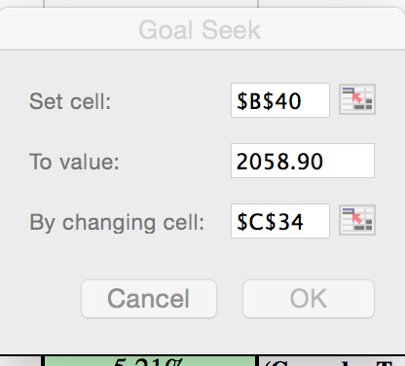

Expected Earnings in 2025 | 198.95 | 155.95 | -21.61%
Intrinsic Value | 3203.74 | 2417.77 | -24.53%
Percent under or over valued | 0.65% | 29.35%
Intrinsic Trailing PE | 19.65 | 14.83 | -24.53%
Intrinsic Forward PE | 18.63 | 24.72 | 32.72%

Intrinsic Value Estimate (Pre-Corona Virus)
 | Last 12 months | 1 | 2 | 3 | 4 | 5 | Terminal Year
Expected Earnings | 163.00 | 172.00 | 177.78 | 183.76 | 189.93 | 196.32 | 198.95
Expected cash payout (dividends + buybacks) as % of earnings | 92.33% | 92.08% | 91.83% | 91.57% | 91.32% | 91.07% | 91.07%
Expected Dividends + Buybacks = | 150.50 | $158.37 | $163.25 | $168.27 | $173.45 | $178.78 | 181.18
Expected Terminal Value = |  |  |  |  |  | $3,451.01
Present Value = |  | $148.58 | $143.69 | $138.95 | $134.37 | $2,638.15
Intrinsic Value of Index = |  | $3,203.74
Intrinsic Trailing PE = |  | 19.65

Intrinsic Value Estimate (Pre-Corona Virus)
 | Last 12 months | 1 | 2 | 3 | 4 | 5 | Terminal Year
Expected Earnings | 163.00 | 97.80 | 109.54 | 122.68 | 137.40 | 153.89 | 155.95
Expected cash payout (dividends + buybacks) as % of earnings | 85.50% | 86.61% | 87.73% | 88.84% | 89.95% | 91.07% | 91.07%
Expected Dividends + Buybacks = | 139.37 | $84.71 | $96.09 | $108.99 | $123.60 | $140.14 | 142.02
Expected Terminal Value = |  |  |  |  |  | $2,705.15
Present Value = |  | $79.47 | $84.58 | $90.00 | $95.75 | $2,067.97
Intrinsic Value of Index = |  | $2,417.77
Intrinsic Trailing PE = |  | 14.83

