Information
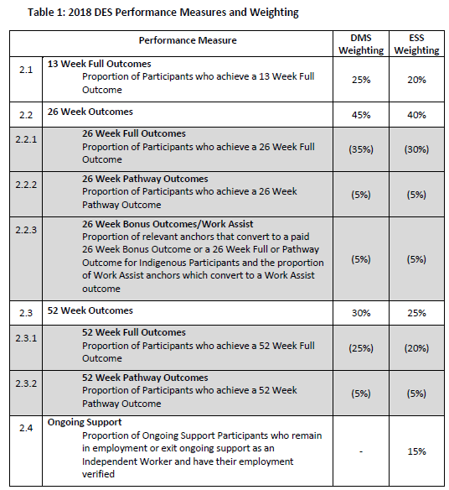


Glossary
Star Percentages
Performance

Glossary
The Glossary provides a brief description of columns provided in the Star Ratings page/sheet.
Further information about the DES Star Ratings calculation methodology is available from the 'DES Star Ratings Methodology Advice' document on the DES Star Ratings Additional Information page of the Department of Social Services website (https://www.dss.gov.au/disability-and-carers/programs-services/disability-employment-services/des-star-ratings-additional-information).

Glossary | Description
Program | DES-Disability Management Service (DES-DMS) or DES-Employment Support Service (DES-ESS) programs. A description of these two sub-programs within the Disability Employment Services (DES) program, is available from the DSS website (www.dss.gov.au/des).
Level | Identifies whether the Star Rating is for the Contract or Site level. Contract description: Star Ratings are calculated at the contract level, which summarises the performance of all the sites within the Contract (if there is more than one site associated with the contract). For a provider to operate DES, receive participants and funding they must have a contract for an ESA. A provider can have multiple contracts within an ESA, as any change in DES program (DES-DMS or DES-ESS) or specialisation requires a separate and unique contract for a provider. A DES contract allows the provider to establish one or more sites within the ESA boundary, but they can receive DES referrals from any non-remote location. Site description: Star Ratings are calculated for each combination of site and contract, which at the Site level results. In the Star Rating results, there will be many more site results than there are physical site locations for this reason. The performance data is separate for each contract and therefore separate Star Ratings are required for each site and contract combination.
Organisation Name | The DES Provider Organisation name
Site Location | The suburb or town where the DES site is located
Employment Services Area | The Employment Services Area (ESA) name. There are 111 ESAs nationally, for non-remote areas of Australia. These boundaries are only used by the DES program. The ESA boundaries are available from the National Map website (https://nationalmap.gov.au/), from the following location: National Map website > Add data > Data.gov.au > Department of Social Services > ESAs 2013+
Labour Market Region | Labour Market Region (LMR) name. LMRs group ESAs together, in the same region.
State | State For Contract level Star Ratings it reflects the state or territory the ESA predominately resides in. For Site level Star Ratings it reflects the state or territory the site is located in. Do note that some ESA boundaries cross state boundaries (e.g. the ACT/Queanbeyan NSW ESA), so there may be different state information for site locations in the same ESA and different to state assigned to the ESA (i.e. at the contract level).
Specialisation | Describes the specialisation, if applicable, of the contract and the types of participants it assists.
Star Percentage | The Star Percentage. Describes how far above or below the average performance is. When compared to the 'Distribution of DES Star Ratings' table, you can see how close they are to a threshold point to move up or down a Star Rating. A Star Percentage of zero is average performance. A positive Star Percentage is above average performance and a negative Star Percentage is below average performance. Do note that Star Percentage results can change a reasonable amount, for the same Contract or Site, between Star Ratings periods.
Star Rating | The current DES Star Rating result. 5-Stars is the highest result and 1-Star is the lowest. The other results have the following meaning: New Contract: The contract has been operating for less than 12 months. Only after 12 months are their Star Ratings published. New Site: The Site has been operating for less than 12 months. Only after 12 months of operation are the Star Ratings published. Not available: The minimum data requirements for a Star Rating to be calculated were not satisfied, so a Star Rating could not be calculated. Do note that for Sites where their Star Rating and Star Percentage is Not Available in their own right, the Contract level results will be substituted (where available) to the Site result. You may see these instances where multiples sites within a contract have the same results as the Contract level result.

Home
Star Percentages
The Star Ratings model calculates performance scores for the two individual programs (DMS and ESS) for each contract and site, where sufficient data is available. The star percentage results show how far above or below the national average the overall performance of the contract or site is. The table and figure below show the star percentage thresholds between the different star ratings.

Table 1: Distribution of DES Star Ratings
Star Rating | Star Percentage
5-Stars | + 40 or higher
4-Stars | Between +20 and +39
3-Stars | Between +19 and -19
2-Stars | Between -20 and -49
1-Star | -50 or lower

Figure 1 - Distribution of DES Star Ratings - graphical Representation
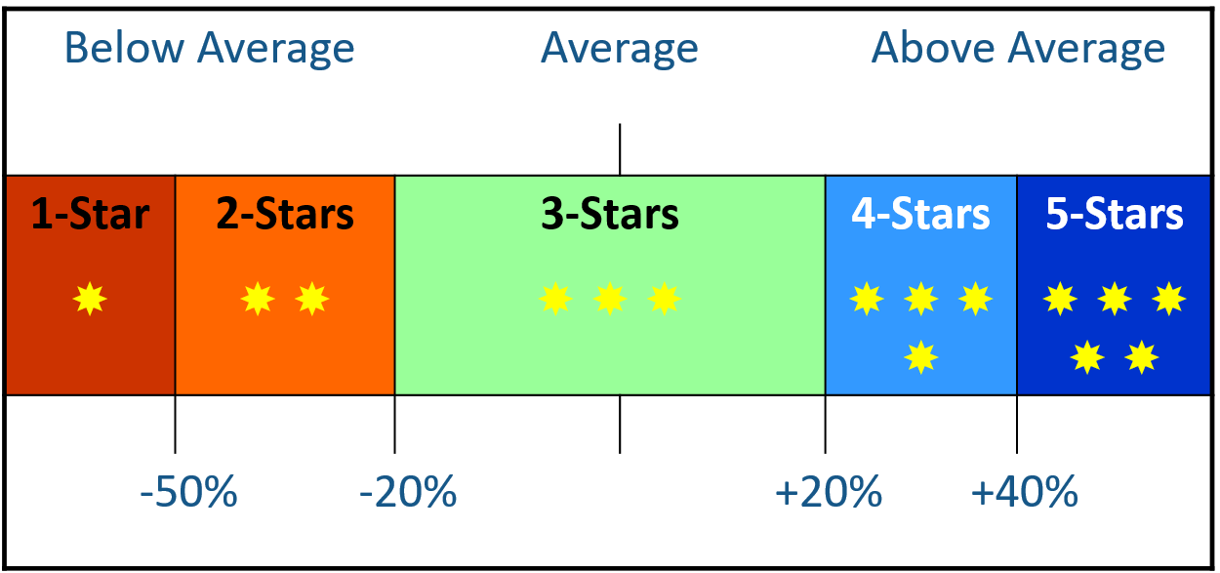

Home
Performance Measures and Weightings
The Star Ratings model calculates overall performance for the two programs (DMS and ESS), using the Performance measures and weightings as described in the DES Star Rating Methodology Advice document.

