Sheet1
Vertex Points | Edge Points | Interior Points | Area | Image
3 | 7 | 6 | 6
3 | 3 | 6 | 8
3 | 3 | 0 | 2
4 | 2 | 10 | 12
12 | 0 | 5 | 10
3 | 5 | 1 | 4
3 | 13 | 9 | 16
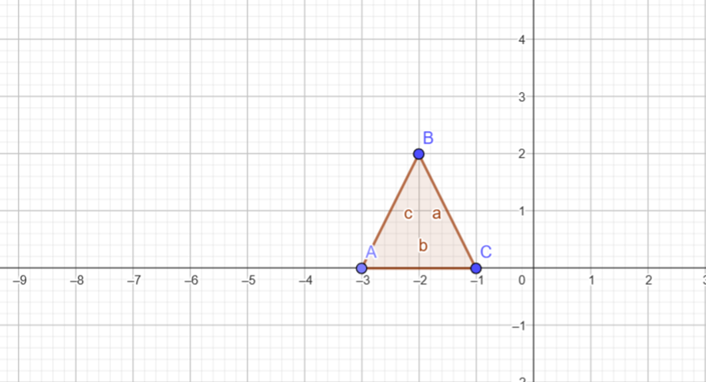
3 | 0 | 1 | 2
3 | 5 | 1 | 4
3 | 9 | 3 | 9
11 | 1 | 1 | 6
7 | 5 | 2 | 7
12 | 2 | 4 | 11
3 | 5 | 1 | 4
12 | 11 | 11 | 23
4 | 0 | 3 | 4
4 | 0 | 1 | 2
3 | 1 | 1 | 1
3 | 1 | 3 | 4
4 | 4 | 1 | 4

