Tabelle1
 |  |  |  |  |  | Quelle: Prof. Georg Schildbach, University of Luebeck
prio | short EN | symbol | unit | min value | max value | description (details see DIN 8855) | sketch | more
b | Kinematics |  |  |  |  | Geometric description of motion
b | Kinetics (Dynamics) |  |  |  |  | Causes of motion, e.g. forces, moments
b | Inertial frame definition | X Y Z |  |  |  | Bezugssysstem 'innerhalb dessen' jeder kräftefreie Körper in Ruhe verharrt X: First horizontal axis Y: Second horizontal laxis Z: Vertical axis | 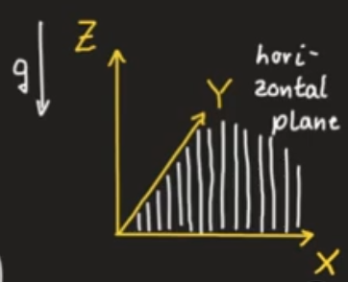
b | Vehicle frame definition | X_v Y_v Z_v |  |  |  | a vehicle-fixed reference system, directions similar to Inertial frame X_v: First horizontal axis Y_v: Second horizontal laxis Z_v: Vertical axis |  | later written in lower case?
b | Horizontal frame definition | x_v y_v z_v |  |  |  | horizontal-fixed reference-system, x_v: First horizontal axis y_v: Second horizontal laxis z_v: Vertical axis, perpendicular to horizontal plane
b | Path frame definition | d e n |  |  |  | path-fixed reference-system axis: d: Axis tangential to path e: Axis inside road plane, perpendicular to d n: Axis perpendicular to road plane.
b | Instantaneous center of rotation | O |  |  |  | O (ICR) e.g. wheels without slip ==> O (ICR) is on contact point wheel-plane O can be at infinity!
b | Vehicle reference point | C |  |  |  | C: mostly car center but can be arbitratily selected as a rigid-pody-point
b | wheel steer angle | delta_ij delta |  |  |  | angle between wheel and X_v delta_ij i = [f (front); r(rear)] j = [l (left); r(right)] in simplified case (bicycle model) ==> only one delta |  | assumption: no rear wheel steering
b | tire slip angle | alpha_ij |  |  |  | angle between velovity-vector and wheel-orientation alpha_ij i = [f (front); r(rear)] j = [l (left); r(right)] |  | https://youtu.be/Rl9WEXMmIW4?list=PLW3FM5Kyc2_4PGkumkAHNXzWtgHhaYe1d&t=639
b | Kinematic four-wheel model |  |  |  |  | assumes that the slip angles are zero
a | Kinematic bicycle model | BM |  |  |  | BM simplification of Kinematic four-wheel model, merging together the front- and rear-wheels and then connecting front- and rear-wheel
b | Distances between C and Wheels | l_f l_r |  |  |  | …
b | Side slip angle | beta |  |  |  | depends on choice of C e.g. 1. if C is on front wheel, then beta = delta 2. …somewhere inbetween 3. if C is on rear wheel, then beta = 0
b | Yaw angle | psi |  |  |  | Vehicle Orientation about Z-axis (related to inertial frame) NOT vehicle orientation related to vehicle Movement. CORRECT?
b | Kinematic bicycle model |  |  |  |  | Motion Equation for V_BM = const | 
b | Angular velocity in O | omega
b | Distance between BM-points and O | R…
b | Rode plane |  |  |  |  | tangential to earth's surface at C
z | Slope angle | lambda |  |  |  | angle between horizontal and road plane in x-direction
z | Bank angle | beta |  |  |  | angle between horizontal and road plane in y-direction
b | Vehicle velocity | v(t)-vec |  |  |  | [Xp(t); Yp(t); Zp(t)]
b | Vehicle acceleration | a(t)-vec |  |  |  | [Xpp(t); Ypp(t); Zpp(t)]
b | Longitudinal |  |  |  |  | _lon
b | Lateral |  |  |  |  | _lat
z | Vertical |  |  |  |  | _vert
b | Yaw rate | psip
z | Pitch angle | theta
z | Pitch rate | thetap
z | Roll angle | phi
z | Roll rate | phip
a | Dynamic bicycle model with linear tires |  |  |  |  | 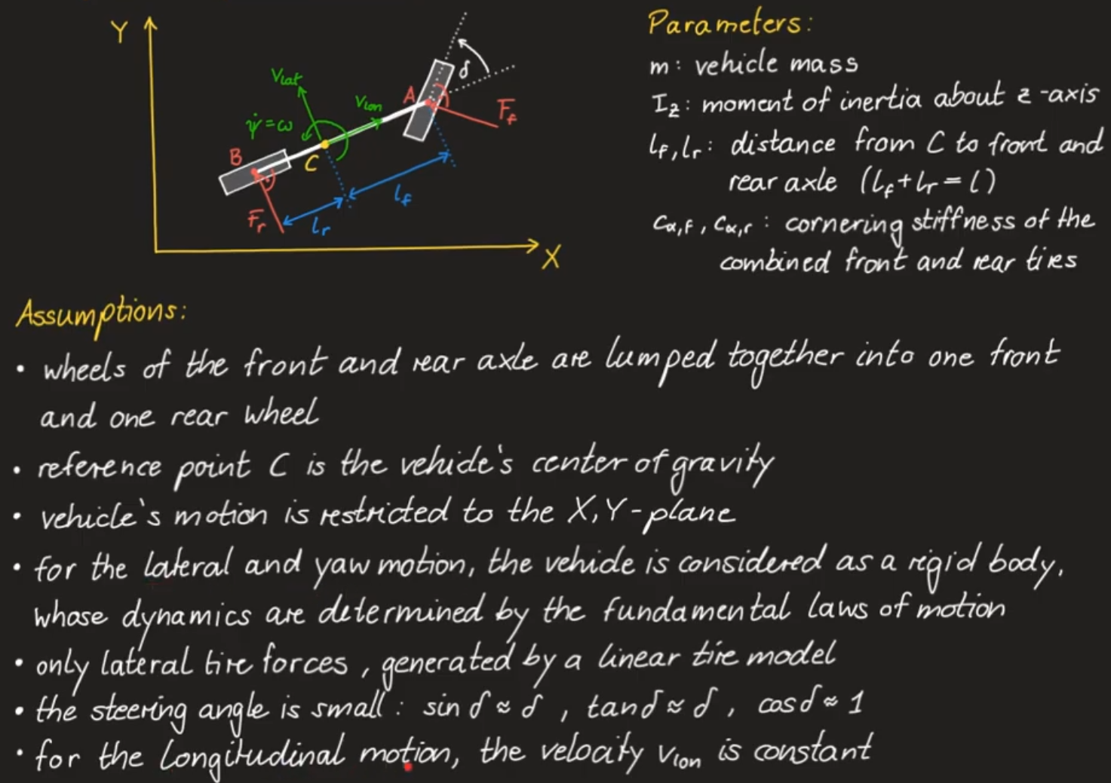
b | center-of-gravity principle
 | Inertia Tensor | THETA |  |  |  | Second-degree-Tensor 3x3 with following parts:
 | Tire Forces | F |  |  |  | F_r: Rear tire force F_f: Front tire force Assuming, there are only lateral tire forces
 | Cornering stiffness | c_alpha |  |  |  | Relation between the lateral tire Force F and the slip angle alpha. Steigung im linearen Reifenmodell. A change in velocity with a constant delta (steering angle) does NOT effect the resulting tire forces if we Assume only 'lateral tire forces'. CORRECT?

