Cover
CONFIDENTIAL
PROJECT PERSONNEL ONLY

Sample Project
System Function Design Document(screen)
Project Management System/Project Update

 | Version 1.1

2022-10-07

1 Screen subfunction definition
Project name |  |  | Sample Project |  | Deliverable name | System Function Design Document (Screen) WA10203/Project Update | Prepared by | TIS | 2020-03-05
System name |  |  | Sample System |  |  |  | Changes | TIS | 2022-10-07
Sub-system name |  |  | Project Management System

 | 1. Screen subfunction definition
 |  | 1.1. Subfunction overview
Not implemented in August 2022 version
 |  | Subfunction ID |  | WA10203
 |  | Subfunction name |  | Project Updates
 |  | Subfunction summary |  | Update one data of project.
 |  |  |  | Delete one project data.

 |  | Assumed user |  | Project manager users and participating project member users

2. WA1020301
Project name |  |  |  | Sample Project |  |  |  |  |  |  |  | Deliverable name |  |  |  | System Function Design Document (Screen) WA10203/Project Update |  |  |  |  |  |  | Prepared by | TIS |  |  | 2020-03-05
System name |  |  |  | Sample System |  |  |  |  |  |  |  |  |  |  |  |  |  |  |  |  |  |  | Changes | TIS |  |  | 2022-10-07
Sub-system name |  |  |  | Project Management System

 | 2. WA1020301 (Project update screen)
 |  | 2.1. Screen layout

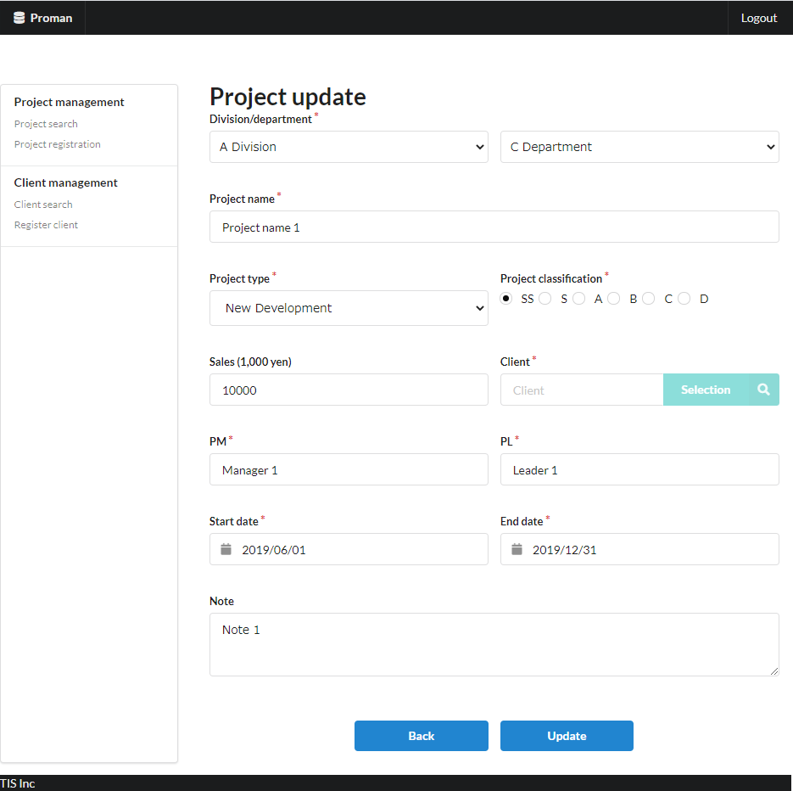

Area name: Project input information

 |  | 2.2. List display

 |  |  | No. | Area name |  |  |  |  |  |  | Paging Yes/No |  |  | Sort conditions |  |  |  |  | Remarks
 |  |  | 1 | - |  |  |  |  |  |  | - |  |  | - |  |  |  |  | -

 |  | 2.3. Screen item definition

 |  |  | No. | Display information |  |  |  |  |  |  |  |  |  |  |  |  |  |  |  |  |  |  |  |  | Domain name |  |  | [Internal design information] Screen item name (physical)
 |  |  |  | Display item name |  |  |  | Screen item classification |  | Information source |  |  |  |  |  |  |  | Editing specifications |  |  |  | Default value |  | Required
 |  |  |  |  |  |  |  |  |  |  |  |  |  |  |  |  |  |  |  |  |  |  |  |  |  |  |  |  | Screen item name (physical)
 |  |  | Area name: Project input information |  |  |  |  |  |  |  |  |  |  |  |  |  |  |  |  |  |  |  |  |  |  |  |  |  | -
 |  |  | 1 | Division |  |  |  | select(pulldown) |  | organization.organization_name |  |  |  |  |  |  |  | 2.6.1.Initial display event, (2) DB access (search processing). (a) Create the organization ID obtained from the organization search conditions as VALUE and the organization name as LABEL. |  |  |  | - |  | X | Organization ID |  |  |  | divisionId
 |  |  | 2 | Department |  |  |  | select(pulldown) |  | organization.organization_name |  |  |  |  |  |  |  | 2.6.2.Create a department list acquisition event, (2) DB access (search processing), (a) organization search conditions, the acquired organization ID as VALUE, and the organization name as LABEL. |  |  |  | - |  | X | Organization ID |  |  |  | organizationId
 |  |  | 3 | Project name |  |  |  | text |  | project.project_name |  |  |  |  |  |  |  | - |  |  |  | - |  | X | Project name |  |  |  | projectName
 |  |  | 4 | Project type |  |  |  | select(pulldown) |  | project.project_type |  |  |  |  |  |  |  | ＜acquisition> Code ID: C0300001 Code name: Project type Code pattern : 1 Display name: Code value name No option selected: None |  |  |  | - |  | X | Project type |  |  |  | projectType
 |  |  | 5 | Project classification |  |  |  | radio |  | project.project_classification |  |  |  |  |  |  |  | ＜acquisition> Code ID: C0200001 Code Name ：Project Classification Code pattern : 1 Display name: Code value name No option selected: None |  |  |  | - |  | X | Project classification |  |  |  | projectClass
 |  |  | 6 | Sales |  |  |  | text |  | project.turnover |  |  |  |  |  |  |  | <Display conversion: decimal conversion>. Separate each three digits with a comma. Display "千円(thousand yen)" at the end. |  |  |  | - |  | - | Amount |  |  |  | sales
 |  |  | 7 | Client |  |  |  | label |  | client_management_system.client_detail_retrieval_API |  |  |  |  |  |  |  | - |  |  |  | - |  | X | Client ID |  |  |  | clientId
 |  |  | 8 | PM |  |  |  | text |  | project.pm_kanji_name |  |  |  |  |  |  |  | - |  |  |  | - |  | X | User name (Kanji characters) |  |  |  | projectManager
 |  |  | 9 | PL |  |  |  | text |  | project.pl_kanji_name |  |  |  |  |  |  |  | - |  |  |  | - |  | X | User name (Kanji characters) |  |  |  | projectLeader
 |  |  | 10 | Start date |  |  |  | text |  | project.project_start_date |  |  |  |  |  |  |  | <Display conversion: date conversion>. yyyy/MM/dd |  |  |  | - |  | X | Date |  |  |  | projectStartDate
 |  |  | 11 | End date |  |  |  | text |  | project.project_end_date |  |  |  |  |  |  |  | <Display conversion: date conversion>. yyyy/MM/dd |  |  |  | - |  | X | Date |  |  |  | projectEndDate
 |  |  | 12 | Note |  |  |  | textarea |  | prpject.note |  |  |  |  |  |  |  | - |  |  |  | - |  | - | Note |  |  |  | note

 |  | 2.4. Input/output list

 |  |  | No. | Input/output name |  |  |  |  | Type |  |  | I/O | DB access type |  |  |  |  |  | Remarks
 |  |  |  |  |  |  |  |  |  |  |  |  | C | R | U | D | Lock target
 |  |  | 1 | Project in charge |  |  |  |  | Table |  |  | I | - | X | - | - | - |  | -
 |  |  | 2 | Organization |  |  |  |  | Table |  |  | I | - | X | - | - | - |  | -
Not implemented in August 2022 version
 |  |  | 3 | Project |  |  |  |  | Table |  |  | I | - | X | - | - | - |  | -

 |  | 2.5. Screen event list

 |  |  | No. | Screen event name |  |  |  |  | Occurrence timing |  |  |  |  |  | Screen event overview |  |  |  |  |  |  | Normal transition screen |  |  |  | Server communication Yes/No
 |  |  | 1 | Initial display |  |  |  |  | - |  |  |  |  |  | Displays the project registration screen. |  |  |  |  |  |  | - |  |  |  | Yes (synchronous)
 |  |  | 2 | Acquisition of department list |  |  |  |  | "Division" pull-down selection |  |  |  |  |  | Based on the selected business division, set the list of sub-divisions in the "department" pull-down. |  |  |  |  |  |  | - |  |  |  | Yes (asynchronous)
 |  |  | 3 | Client search |  |  |  |  | Press the "Selection" button |  |  |  |  |  | Open the client search screen. |  |  |  |  |  |  | Client search screen |  |  |  | Yes (synchronous)
 |  |  | 4 | Back |  |  |  |  | Press the "Back" button |  |  |  |  |  | Display the project details screen. |  |  |  |  |  |  | Project detail screen |  |  |  | Yes (synchronous)
 |  |  | 5 | Update |  |  |  |  | Press the "Update" button |  |  |  |  |  | Validate the input contents and display the project update confirmation. |  |  |  |  |  |  | Project update confirmation Screen |  |  |  | Yes (synchronous)

 |  | 2.6. Screen event details
 |  |  | 2.6.1. Initial display event

 |  |  |  | (1) Validation processing

Not implemented in August 2022 version
 |  |  |  |  | None.

 |  |  |  | (2) DB access (search processing)
 |  |  |  |  | (a) If the user is not the project manager, make sure that the project to be updated is a project in which the member is a participant.

 |  |  |  |  |  | Acquired table name |  |  |  |  | Acquisition column name |  |  |  |  |  |  |  |  |  | Screen item name
 |  |  |  |  |  | PROJECT_USER |  |  |  |  | USER_ID |  |  |  |  |  |  |  |  |  | Used to confirm existence.
 |  |  |  |  |  | 結合条件

 |  |  |  |  |  |  |  | PROJECT_USER.PROJECT_ID |  |  |  |  |  |  | = |  |  | Project ID (request parameter)

 |  |  |  |  |  |  | AND | PROJECT_USER.USER_ID |  |  |  |  |  |  | = |  |  | User ID retrieved from session

 |  |  |  |  |  | If the above data does not exist and the user is not the project manager, no further processing is performed and the screen transitions to the General Error
 |  |  |  |  |  | (WA10302 (Authorization Error)) screen as an authorization error.

 |  |  |  |  | (b) Organization search conditions

 |  |  |  |  |  | Acquired table name |  |  |  |  |  |  |  | Acquisition column name
 |  |  |  |  |  | ORGANIZATION |  |  |  |  |  |  |  | ORGANIZATION_ID
 |  |  |  |  |  |  |  |  |  |  |  |  |  | ORGANIZATION_NAME
 |  |  |  |  |  | Search conditions

 |  |  |  |  |  |  | ORGANIZATION.UPPER_ORGANIZATION |  |  |  |  |  |  | = | NULL

 |  |  |  |  |  | Sorting conditions

 |  |  |  |  |  |  | ORDER BY |  | ORGANIZATION.ORGANIZATION_ID

 |  |  |  | (3) Display processing

Not implemented in August 2022version
 |  |  |  |  | (a) Initialize the "Division" pull-down.
 |  |  |  |  |  | Add a blank option at the beginning of the search result of "(2) Search processing" and set it to "Division".

 |  |  | 2.6.2. Department list acquisition event

 |  |  |  | (1) Validation processing

 |  |  |  |  | None.

 |  |  |  | (2) DB access (search processing)
 |  |  |  |  | (a) Organization search conditions
 |  |  |  |  |  |  |  |  |  |  |  |  |  |  |  |  |  |  |  |  |  |  |  |  |  |  |  |  | Tentatively implemented in the August 2022 version under the following conditions
 |  |  |  |  |  | Acquired table name |  |  |  |  |  |  |  | Acquisition column name |  |  |  |  |  |  |  |  |  |  |  |  |  |  | Acquired table name |  |  | Acquisition column name
 |  |  |  |  |  | ORGANIZATION |  |  |  |  |  |  |  | ORGANIZATION_ID |  |  |  |  |  |  |  |  |  |  |  |  |  |  | ORGANIZATION |  |  | ORGANIZATION_ID
 |  |  |  |  |  |  |  |  |  |  |  |  |  | ORGANIZATION_NAME |  |  |  |  |  |  |  |  |  |  |  |  |  |  |  |  |  | ORGANIZATION_NAME
 |  |  |  |  |  | Search conditions |  |  |  |  |  |  |  |  |  |  |  |  |  |  |  |  |  |  |  |  |  |  | Search conditions

 |  |  |  |  |  |  | ORGANIZATION.UPPER_ORGANIZATION |  |  |  |  |  |  | = | Division (input value) |  |  |  |  |  |  |  |  |  |  |  |  |  |  | ORGANIZATION.UPPER_ORGANIZATION |  | IS NOT NULL

 |  |  |  |  |  | Sorting conditions |  |  |  |  |  |  |  |  |  |  |  |  |  |  |  |  |  |  |  |  |  |  | Sorting conditions

 |  |  |  |  |  |  | ORDER BY |  | ORGANIZATION.ORGANIZATION_ID |  |  |  |  |  |  |  |  |  |  |  |  |  |  |  |  |  |  |  |  | ORDER BY | ORGANIZATION.ORGANIZATION_ID

 |  |  |  | (3) Display processing

 |  |  |  |  | (a) Initialize the "Department" pull-down.
 |  |  |  |  |  | Add a blank option at the beginning of the search result of "(2) Search processing" and set it to "Department".

 |  |  | 2.6.3. Client search event

 |  |  |  | (1) Validation processing

 |  |  |  |  | None.

 |  |  |  | (2) Display processing

 |  |  |  |  | Open the client search screen as a pop-up screen.

 |  |  | 2.6.5.Update event
 |  |  |  | (1) Validation processing

 |  |  |  |  | No. | Validation name |  |  |  | Validation content |  |  |  |  |  |  |  |  |  | Message ID |  | Embedded character string |  |  | Determination of validation of process continuation in the event of an error
 |  |  |  |  | 1 | Single item validation |  |  |  | For all input fields, validation is performed according to the specified domain, and the validity of the input content is confirmed. |  |  |  |  |  |  |  |  |  | (By domain) |  | (By domain) |  |  | Finish
 |  |  |  |  | 2 | Date combination validation |  |  |  | If both "Project start date" and "Project end date" are entered, then "Project start date" must be before the "Project end date". |  |  |  |  |  |  |  |  |  | validator.dateRange.message |  | {0}: End date {1}: Start date |  |  | Finish

 |  |  |  |  | If an error occurs at any one point in the above validation, then subsequent processing is not carried out.

 |  |  |  | (2) Display processing
 |  |  |  |  | Displays the contents entered in the update screen on the update confirmation screen. See "3. Project update confirmation screen" for screen layout and display items.

 |  |  | 2.6.6. Back event

 |  |  |  | System Functional Design Document (Screen)_WA10202_Project Inquiry.xlsx: Refer to "3. WA10202 (Project Details Screen): 3.6. Screen Event Details: 3.6.1. Initial Display Event".
 |  |  |  | The parameters received in the initial display are sent as request parameters.

3. WA1020302
Project name |  |  |  | Sample Project |  |  |  |  |  |  |  | Deliverable name |  |  |  | System Function Design Document (Screen) WA10203/Project Update |  |  |  |  |  | Prepared by | TIS |  |  | 2020-03-05
System name |  |  |  | Sample System |  |  |  |  |  |  |  |  |  |  |  |  |  |  |  |  |  | Changes | TIS |  |  | 2022-10-07
Sub-system name |  |  |  | Project Management System

 | 3. WA1020302 (Project update confirmation screen)
 |  | 3.1. Screen layout

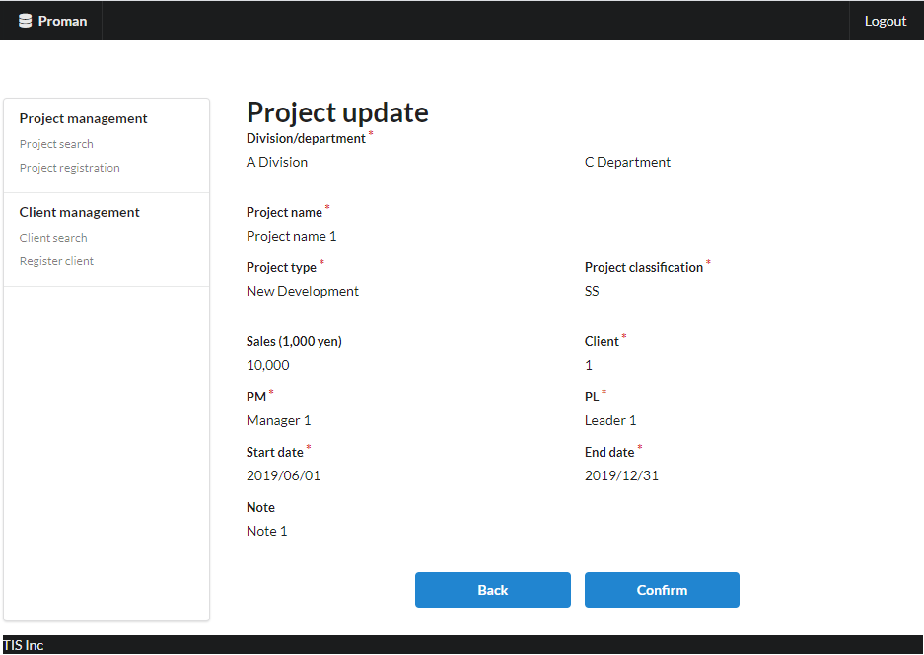
Area name: Check project information

 |  | 3.2. List display

 |  |  | No. | Area name |  |  |  |  |  |  | Paging Yes/No |  |  | Sort conditions |  |  |  |  | Remarks
 |  |  | 1 | - |  |  |  |  |  |  | - |  |  | - |  |  |  |  | -
 |  |  |  |  |  |  |  |  |  |  |  |  |  |  |  |  |  |  |  |  |  |  |  |  |  |  | [Internal design information] Screen item name (physical)
 |  | 3.3. Screen item definition |  |  |  |  |  |  |  |  |  |  |  |  |  |  |  |  |  |  |  |  |  |  |  |  |  | (Refer to 2.3. Screen item definition)

 |  |  | No. | Display information |  |  |  |  |  |  |  |  |  |  |  |  |  |  |  |  |  |  |  | Domain name
 |  |  |  | Display item name |  |  |  | Screen item classification |  | Information source |  |  |  |  |  |  |  | Editing specifications |  |  | Default value |  | Required

 |  |  | Area name: Project input information
 |  |  | 1 | Division |  |  |  | label |  | - |  |  |  |  |  |  |  | - |  |  | - |  | X | Organization ID
 |  |  | 2 | Department |  |  |  | label |  | - |  |  |  |  |  |  |  | - |  |  | - |  | X | Organization ID
 |  |  | 3 | Project name |  |  |  | label |  | - |  |  |  |  |  |  |  | - |  |  | - |  | X | Project name
 |  |  | 4 | Project type |  |  |  | label |  | - |  |  |  |  |  |  |  |  |  |  | - |  | X | Project type
 |  |  | 5 | Project classification |  |  |  | label |  | - |  |  |  |  |  |  |  |  |  |  | - |  | X | Project classification
 |  |  | 6 | Sales |  |  |  | label |  | - |  |  |  |  |  |  |  | - |  |  | - |  | - | Amount
 |  |  | 7 | Client |  |  |  | label |  | - |  |  |  |  |  |  |  | - |  |  | - |  | X | Client ID
 |  |  | 8 | PM |  |  |  | label |  | - |  |  |  |  |  |  |  | - |  |  | - |  | X | User name (Kanji characters)
 |  |  | 9 | PL |  |  |  | label |  | - |  |  |  |  |  |  |  | - |  |  | - |  | X | User name (Kanji characters)
 |  |  | 10 | Start date |  |  |  | label |  | - |  |  |  |  |  |  |  | - |  |  | - |  | X | Date
 |  |  | 11 | End date |  |  |  | label |  | - |  |  |  |  |  |  |  | - |  |  | - |  | X | Date
 |  |  | 12 | Note |  |  |  | label |  | - |  |  |  |  |  |  |  | - |  |  | - |  | - | Note

 |  | 3.4. Input/output list

 |  |  | No. | Input/output name |  |  |  |  | Type |  |  | I/O | DB access type |  |  |  |  |  | Remarks
 |  |  |  |  |  |  |  |  |  |  |  |  | C | R | U | D | Lock target
 |  |  | 1 | PROJECT |  |  |  |  | Table |  |  | O | X | - | - | - | - |  | -
 |  |  | 2 | ORGANIZATION |  |  |  |  | Table |  |  | I | - | X | - | - | - |  | -

 |  | 3.5. Screen event list

 |  |  | No. | Screen event name |  |  |  |  | Occurrence timing |  |  |  |  |  | Screen event overview |  |  |  |  |  | Normal transition screen |  |  |  | Server communication Yes/No
 |  |  | 1 | Confirm |  |  |  |  | Press the "Confirm" button |  |  |  |  |  | Update the contents displayed on this screen in the database. |  |  |  |  |  | Project update complete |  |  |  | Yes (synchronous)
 |  |  | 2 | Back |  |  |  |  | Press the "Back" button |  |  |  |  |  | The contents displayed on this screen are displayed on the update screen. |  |  |  |  |  | Project update |  |  |  | Yes (synchronous)

 |  | 3.6. Screen event details
 |  |  | 3.6.1. Confirmed event
 |  |  |  | (1) Validation processing

 |  |  |  |  |  | None.

 |  |  |  | (2) DB access (register, update processing)

 |  |  |  |  | Registers the displayed contents in the database. The registration specifications are as follows.

 |  |  |  |  | Project table

 |  |  |  |  |  | No. | Output item name |  |  |  | Output information |  |  |  |  |  |  |  |  | Editing specifications |  |  |  |  | Remarks
 |  |  |  |  |  |  |  |  |  |  | Information source |  |  |  |  | Item name
 |  |  |  |  |  | 1 | PROJECT_ID |  |  |  | Automatic numbering by DB |  |  |  |  | - |  |  |  | -
 |  |  |  |  |  | 2 | PROJECT_NAME |  |  |  | Project update screen |  |  |  |  | Project name |  |  |  | -
 |  |  |  |  |  | 3 | PROJECT_TYPE |  |  |  |  |  |  |  |  | Project type |  |  |  | -
 |  |  |  |  |  | 4 | PROJECT_CLASS |  |  |  |  |  |  |  |  | Project classification |  |  |  | -
 |  |  |  |  |  | 5 | PROJECT_START_DATE |  |  |  |  |  |  |  |  | Start date |  |  |  | -
 |  |  |  |  |  | 6 | PROJECT_END_DATE |  |  |  |  |  |  |  |  | End date |  |  |  | -
 |  |  |  |  |  | 7 | ORGANIZATION_ID |  |  |  |  |  |  |  |  | Department |  |  |  | -
 |  |  |  |  |  | 8 | CLIENT_ID |  |  |  |  |  |  |  |  | Client |  |  |  | -
 |  |  |  |  |  | 9 | PM_KANJI_NAME |  |  |  |  |  |  |  |  | PM |  |  |  | -
 |  |  |  |  |  | 10 | PL_KANJI_NAME |  |  |  |  |  |  |  |  | PL |  |  |  | -
 |  |  |  |  |  | 11 | NOTE |  |  |  |  |  |  |  |  | Note |  |  |  | -
 |  |  |  |  |  | 12 | SALES_AMOUNT |  |  |  |  |  |  |  |  | Sales |  |  |  | -
 |  |  |  |  |  | 13 | VERSION_NO |  |  |  | - |  |  |  |  | - |  |  |  | "1" fixed

 |  |  |  | (3) Display processing

 |  |  |  |  | Displays the project registration completion screen. See "4. Project update complete screen" for screen layout and display items.

 |  |  | 3.6.2. Back event

 |  |  |  | (1) Display processing

 |  |  |  |  | The contents displayed on this screen are displayed on the project update screen. See "2. Project update screen" for screen layout and display items.

4. WA1020303
Project name |  |  |  | Sample Project |  |  |  |  | Deliverable name |  |  |  | System Function Design Document (Screen) WA10203/Project Update |  |  |  |  | Prepared by | TIS |  |  | 2020-03-05
System name |  |  |  | Sample System |  |  |  |  |  |  |  |  |  |  |  |  |  | Changes | TIS |  |  | 2022-10-07
Sub-system name |  |  |  | Project Management System

 | 4. WA1020303(Project update complete screen)
 |  | 4.1. Screen layout
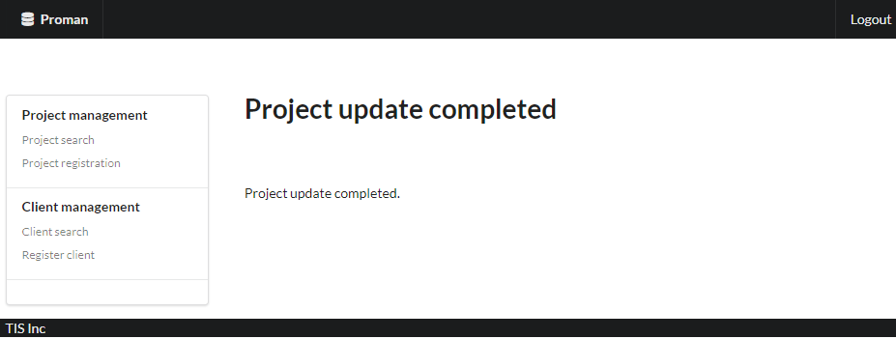

 |  | 4.2. List display

 |  |  | No. | Area name |  |  |  | Paging Yes/No |  |  | Sort conditions |  |  |  |  | Remarks
 |  |  | 1 | - |  |  |  | - |  |  | -

 |  | 4.3. Screen item definition

 |  |  | No. | Display information |  |  |  |  |  |  |  |  |  |  |  |  |  |  |  | Domain name
 |  |  |  | Display item name | Screen item classification |  | Information source |  |  |  |  |  |  |  | Editing specifications |  | Default value |  | Required

 |  |  | 1 | Completion message | label |  | - |  |  |  |  |  |  |  | - |  | - |  | - | -

 |  | 4.4. Input/output list

 |  |  | No. | Input/output name |  | Type |  |  | I/O | DB access type |  |  |  |  |  | Remarks
 |  |  |  |  |  |  |  |  |  | C | R | U | D | Lock target
 |  |  | 1 | - |  | - |  |  | - | - | - | - | - | -

 |  | 4.5. Screen event list

 |  |  | No. | Screen event name | Occurrence timing |  |  |  |  | Screen event overview |  |  |  |  |  |  | Normal transition screen |  |  |  | Server communication Yes/No
 |  |  | 1 | - | - |  |  |  |  | - |  |  |  |  |  |  | -

 |  | 4.6. Screen event details

 |  |  | None.

