Cover
CONFIDENTIAL
PROJECT PERSONNEL ONLY

Sample Project
System Function Design Document (Screen)
Project Management System/Generic error

 | Version 1.0

2019-05-14

2. WA10104 (Generic error)
Project name |  |  |  | Sample Project |  |  |  |  |  | Deliverable name |  |  |  | System Function Design Document (Screen) WA10104/Generic error |  |  |  |  | Prepared by | TIS |  |  | 2019-05-14
System name |  |  |  | Sample System |  |  |  |  |  |  |  |  |  |  |  |  |  |  | Changes
Sub-system name |  |  |  | Project Management System

 | 2. WA10104 (Generic error)
 |  | 2.1 Screen layout

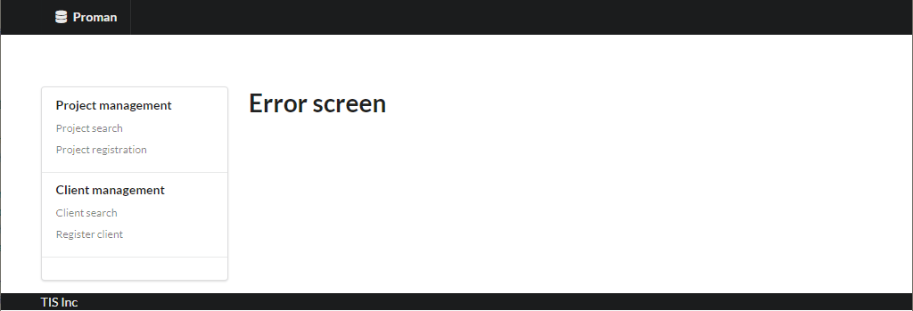

Messages

 |  | 2.2. List display

 |  |  | No. | Area name |  |  |  |  | Paging Yes/No |  |  | Sort conditions |  |  |  |  | Remarks
 |  |  | 1 | - |  |  |  |  | - |  |  | - |  |  |  |  | -

 |  | 2.3 Screen item definition

 |  |  | No. | Display information |  |  |  |  |  |  |  |  |  |  |  |  |  |  |  |  | Domain name
 |  |  |  | Display item name |  | Screen item classification |  | Information source |  |  |  |  |  |  |  | Editing specifications |  | Default value |  | Required

 |  |  | 1 | - |  | - |  | - |  |  |  |  |  |  |  | - |  | - |  | - | -

 |  | 2.4. Input/output list

 |  |  | No. | Input/output name |  |  | Type |  |  | I/O | DB access type |  |  |  |  |  | Remarks
 |  |  |  |  |  |  |  |  |  |  | C | R | U | D | Lock target
 |  |  | 1 | - |  |  | - |  |  |  | - | - | - | - | - |  | -

 |  | 2.5 Screen event list

 |  |  | No. | Screen event name |  |  | Occurrence timing |  |  |  |  |  | Screen event overview |  |  |  |  | Normal transition screen |  |  |  | Server communication Yes/No
 |  |  | 1 | Initial display |  |  | - |  |  |  |  |  | Displays the generic error screen. |  |  |  |  | - |  |  |  | Yes (synchronous)

 |  | 2.6. Screen event details
 |  |  | 2.6.1. Initial display event

 |  |  |  | (1) Validation processing

 |  |  |  |  | None.

 |  |  |  | (2) Display processing

 |  |  |  |  | None.

