Cover
CONFIDENTIAL
PROJECT PERSONNEL ONLY

Sample Project
System Function Design (Screen)
Project Management System/General error

 | Version 1.1

2022-10-07

2. WA10302 (ERROR)
Project name |  |  |  | Sample Project |  |  |  |  |  | Deliverable name |  |  |  | System Function Design (Screen) WA10302/General error |  |  |  |  | Prepared by | TIS |  |  | 2019-05-14
System name |  |  |  | Sample System |  |  |  |  |  |  |  |  |  |  |  |  |  |  | Changes | TIS |  |  | 2022-10-07
Sub-system name |  |  |  | Project Management System

 | 2. WA10302 (ERROR)
 |  | 2.1. Screen layout
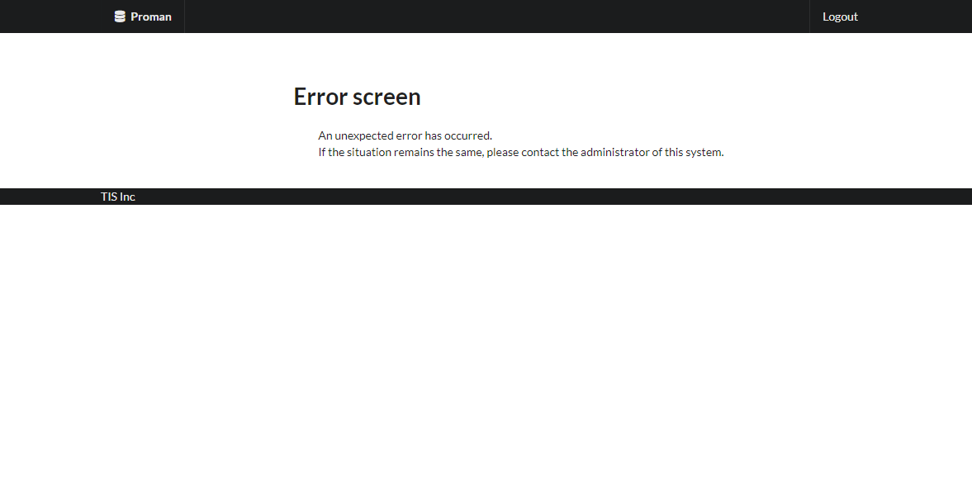

 |  | 2.2. List display

 |  |  | No. | Area name |  |  |  |  | Paging Yes/No |  |  | Sort conditions |  |  |  |  | Remarks
 |  |  | 1 | - |  |  |  |  | - |  |  | - |  |  |  |  | -

 |  | 2.3. Screen item definition

 |  |  | No. | Display information |  |  |  |  |  |  |  |  |  |  |  |  |  |  |  |  | Domain name
 |  |  |  | Display item name |  | Screen item classification |  | Information source |  |  |  |  |  |  |  | Editing specifications |  | Default value |  | Required

 |  |  | 1 | - |  | - |  | - |  |  |  |  |  |  |  | - |  | - |  | - | -

 |  | 2.4. Input/output list

 |  |  | No. | Input/output name |  |  | Type |  |  | I/O | DB access type |  |  |  |  |  | Remarks
 |  |  |  |  |  |  |  |  |  |  | C | R | U | D | Lock target
 |  |  | 1 | - |  |  | - |  |  |  | - | - | - | - | - |  | -

 |  | 2.5. Screen event list

 |  |  | No. | Screen event name |  |  | Occurrence timing |  |  |  |  |  | Screen event overview |  |  |  |  | Normal transition screen |  |  |  | Server communication Yes/No
 |  |  | 1 | Initial display |  |  | - |  |  |  |  |  | Displays the General error screen. |  |  |  |  | - |  |  |  | Yes (synchronous)

 |  | 2.6. Screen event details
 |  |  | 2.6.1. Initial display event

 |  |  |  | (1) Validation processing

 |  |  |  |  | None.

 |  |  |  | (2) Display processing

 |  |  |  |  | None.

3. WA10302 (DOUBLE_SUBMISSION_E
Project name |  |  |  | Sample Project |  |  |  |  |  | Deliverable name |  |  |  | System Function Design (Screen) WA10302/General error |  |  |  |  | Prepared by | TIS |  |  | 2019-05-14
System name |  |  |  | Sample System |  |  |  |  |  |  |  |  |  |  |  |  |  |  | Changes | TIS |  |  | 2022-10-07
Sub-system name |  |  |  | Project Management System

 | 3. WA10302 (DOUBLE_SUBMISSION_ERROR)
 |  | 3.1. Screen layout
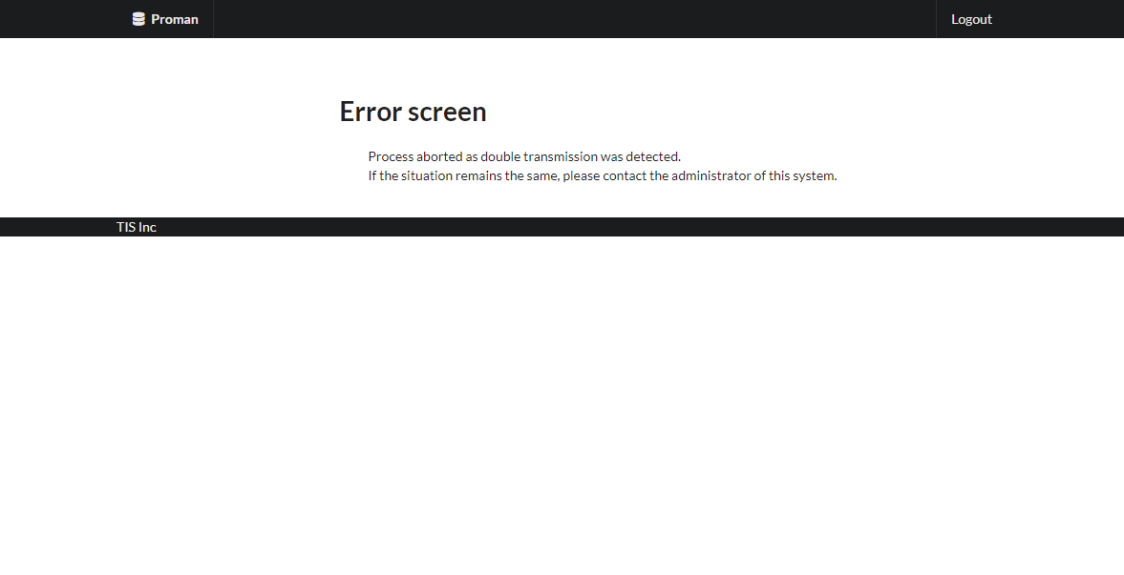

 |  | 3.2. List display

 |  |  | No. | Area name |  |  |  |  | Paging Yes/No |  |  | Sort conditions |  |  |  |  | Remarks
 |  |  | 1 | - |  |  |  |  | - |  |  | - |  |  |  |  | -

 |  | 3.3. Screen item definition

 |  |  | No. | Display information |  |  |  |  |  |  |  |  |  |  |  |  |  |  |  |  | Domain name
 |  |  |  | Display item name |  | Screen item classification |  | Information source |  |  |  |  |  |  |  | Editing specifications |  | Default value |  | Required

 |  |  | 1 | - |  | - |  | - |  |  |  |  |  |  |  | - |  | - |  | - | -

 |  | 3.4. Input/output list

 |  |  | No. | Input/output name |  |  | Type |  |  | I/O | DB access type |  |  |  |  |  | Remarks
 |  |  |  |  |  |  |  |  |  |  | C | R | U | D | Lock target
 |  |  | 1 | - |  |  | - |  |  |  | - | - | - | - | - |  | -

 |  | 3.5. Screen event list

 |  |  | No. | Screen event name |  |  | Occurrence timing |  |  |  |  |  | Screen event overview |  |  |  |  | Normal transition screen |  |  |  | Server communication Yes/No
 |  |  | 1 | Initial display |  |  | - |  |  |  |  |  | Displays the General error screen. |  |  |  |  | - |  |  |  | Yes (synchronous)

 |  | 3.6. Screen event details
 |  |  | 3.6.1. Initial display event

 |  |  |  | (1) Validation processing

 |  |  |  |  | None.

 |  |  |  | (2) Display processing

 |  |  |  |  | None.

4. WA10302 (OPTIMISTIC_LOCK_ERR
Project name |  |  |  | Sample Project |  |  |  |  |  | Deliverable name |  |  |  | System Function Design (Screen) WA10302/General error |  |  |  |  | Prepared by | TIS |  |  | 2019-05-14
System name |  |  |  | Sample System |  |  |  |  |  |  |  |  |  |  |  |  |  |  | Changes | TIS |  |  | 2022-10-07
Sub-system name |  |  |  | Project Management System

 | 4. WA10302 (OPTIMISTIC_LOCK_ERROR)
 |  | 4.1. Screen layout
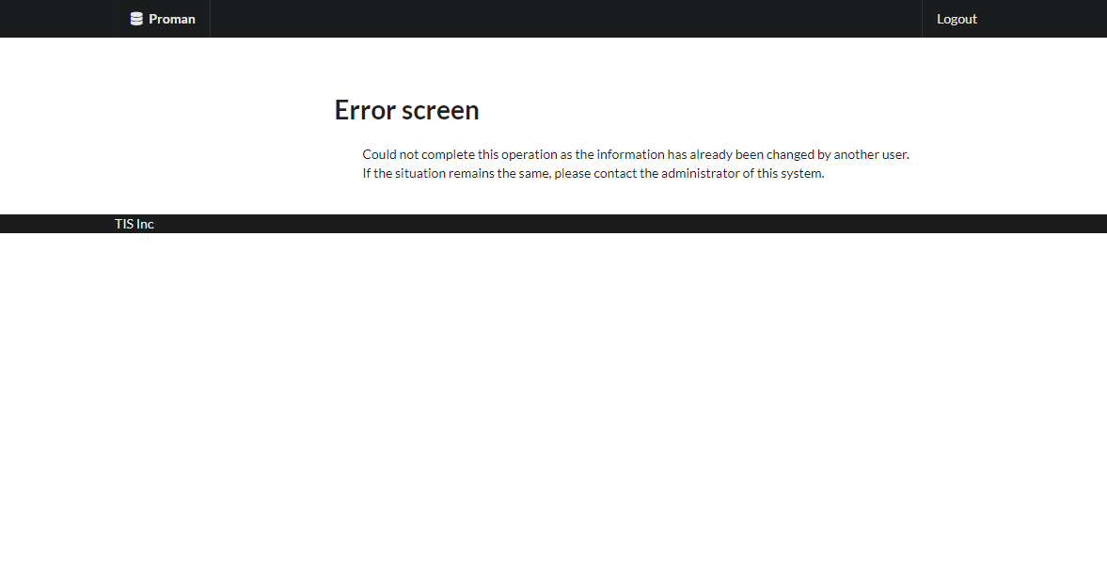

 |  | 4.2. List display

 |  |  | No. | Area name |  |  |  |  | Paging Yes/No |  |  | Sort conditions |  |  |  |  | Remarks
 |  |  | 1 | - |  |  |  |  | - |  |  | - |  |  |  |  | -

 |  | 4.3. Screen item definition

 |  |  | No. | Display information |  |  |  |  |  |  |  |  |  |  |  |  |  |  |  |  | Domain name
 |  |  |  | Display item name |  | Screen item classification |  | Information source |  |  |  |  |  |  |  | Editing specifications |  | Default value |  | Required

 |  |  | 1 | - |  | - |  | - |  |  |  |  |  |  |  | - |  | - |  | - | -

 |  | 4.4. Input/output list

 |  |  | No. | Input/output name |  |  | Type |  |  | I/O | DB access type |  |  |  |  |  | Remarks
 |  |  |  |  |  |  |  |  |  |  | C | R | U | D | Lock target
 |  |  | 1 | - |  |  | - |  |  |  | - | - | - | - | - |  | -

 |  | 4.5. Screen event list

 |  |  | No. | Screen event name |  |  | Occurrence timing |  |  |  |  |  | Screen event overview |  |  |  |  | Normal transition screen |  |  |  | Server communication Yes/No
 |  |  | 1 | Initial display |  |  | - |  |  |  |  |  | Displays the General error screen. |  |  |  |  | - |  |  |  | Yes (synchronous)

 |  | 4.6. Screen event details
 |  |  | 4.6.1. Initial display event

 |  |  |  | (1) Validation processing

 |  |  |  |  | None.

 |  |  |  | (2) Display processing

 |  |  |  |  | None.

5. WA10302 (PAGE_NOT_FOUND_ERRO
Project name |  |  |  | Sample Project |  |  |  |  |  | Deliverable name |  |  |  | System Function Design (Screen) WA10302/General error |  |  |  |  | Prepared by | TIS |  |  | 2019-05-14
System name |  |  |  | Sample System |  |  |  |  |  |  |  |  |  |  |  |  |  |  | Changes | TIS |  |  | 2022-10-07
Sub-system name |  |  |  | Project Management System

 | 5. WA10302 (PAGE_NOT_FOUND_ERROR)
 |  | 5.1. Screen layout
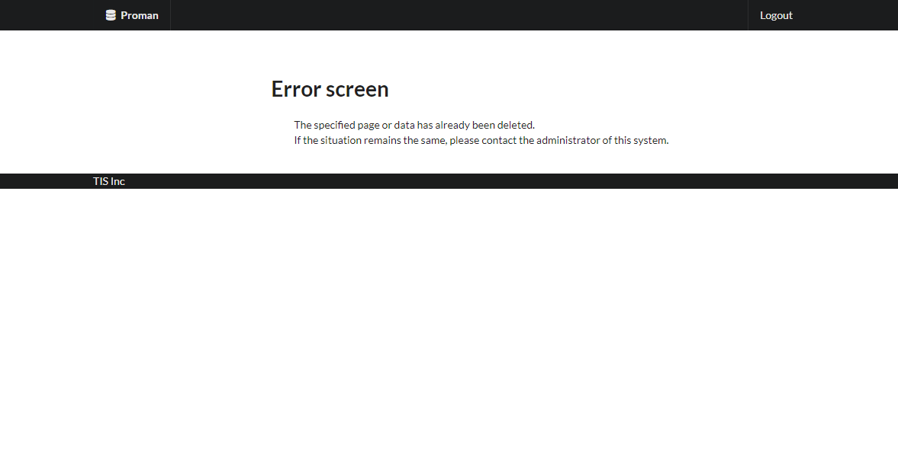

 |  | 5.2. List display

 |  |  | No. | Area name |  |  |  |  | Paging Yes/No |  |  | Sort conditions |  |  |  |  | Remarks
 |  |  | 1 | - |  |  |  |  | - |  |  | - |  |  |  |  | -

 |  | 5.3. Screen item definition

 |  |  | No. | Display information |  |  |  |  |  |  |  |  |  |  |  |  |  |  |  |  | Domain name
 |  |  |  | Display item name |  | Screen item classification |  | Information source |  |  |  |  |  |  |  | Editing specifications |  | Default value |  | Required

 |  |  | 1 | - |  | - |  | - |  |  |  |  |  |  |  | - |  | - |  | - | -

 |  | 5.4. Input/output list

 |  |  | No. | Input/output name |  |  | Type |  |  | I/O | DB access type |  |  |  |  |  | Remarks
 |  |  |  |  |  |  |  |  |  |  | C | R | U | D | Lock target
 |  |  | 1 | - |  |  | - |  |  |  | - | - | - | - | - |  | -

 |  | 5.5. Screen event list

 |  |  | No. | Screen event name |  |  | Occurrence timing |  |  |  |  |  | Screen event overview |  |  |  |  | Normal transition screen |  |  |  | Server communication Yes/No
 |  |  | 1 | Initial display |  |  | - |  |  |  |  |  | Displays the General error screen. |  |  |  |  | - |  |  |  | Yes (synchronous)

 |  | 5.6. Screen event details
 |  |  | 5.6.1. Initial display event

 |  |  |  | (1) Validation processing

 |  |  |  |  | None.

 |  |  |  | (2) Display processing

 |  |  |  |  | None.

6. WA10302 (PERMISSION-ERROR)
Project name |  |  |  | Sample Project |  |  |  |  |  | Deliverable name |  |  |  | System Function Design (Screen) WA10302/General error |  |  |  |  | Prepared by | TIS |  |  | 2019-05-14
System name |  |  |  | Sample System |  |  |  |  |  |  |  |  |  |  |  |  |  |  | Changes | TIS |  |  | 2022-10-07
Sub-system name |  |  |  | Project Management System

 | 6. WA10302 (PERMISSION-ERROR)
 |  | 6.1. Screen layout
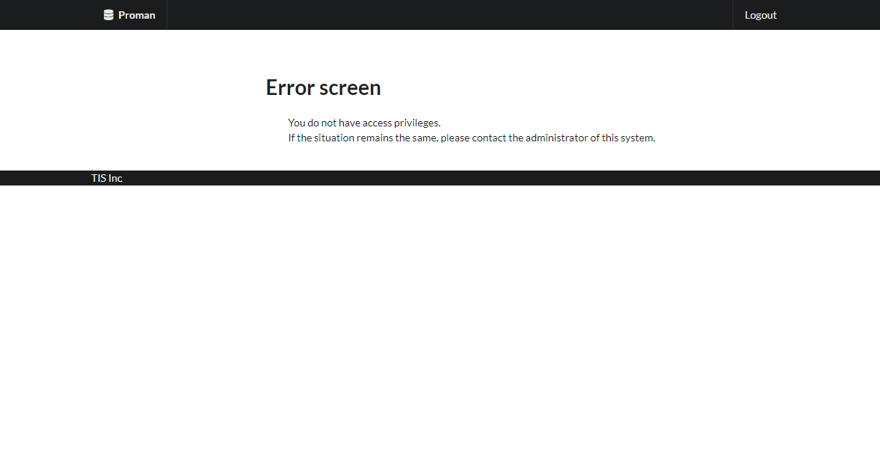

 |  | 6.2. List display

 |  |  | No. | Area name |  |  |  |  | Paging Yes/No |  |  | Sort conditions |  |  |  |  | Remarks
 |  |  | 1 | - |  |  |  |  | - |  |  | - |  |  |  |  | -

 |  | 6.3. Screen item definition

 |  |  | No. | Display information |  |  |  |  |  |  |  |  |  |  |  |  |  |  |  |  | Domain name
 |  |  |  | Display item name |  | Screen item classification |  | Information source |  |  |  |  |  |  |  | Editing specifications |  | Default value |  | Required

 |  |  | 1 | - |  | - |  | - |  |  |  |  |  |  |  | - |  | - |  | - | -

 |  | 6.4. Input/output list

 |  |  | No. | Input/output name |  |  | Type |  |  | I/O | DB access type |  |  |  |  |  | Remarks
 |  |  |  |  |  |  |  |  |  |  | C | R | U | D | Lock target
 |  |  | 1 | - |  |  | - |  |  |  | - | - | - | - | - |  | -

 |  | 6.5. Screen event list

 |  |  | No. | Screen event name |  |  | Occurrence timing |  |  |  |  |  | Screen event overview |  |  |  |  | Normal transition screen |  |  |  | Server communication Yes/No
 |  |  | 1 | Initial display |  |  | - |  |  |  |  |  | Displays the General error screen. |  |  |  |  | - |  |  |  | Yes (synchronous)

 |  | 6.6. Screen event details
 |  |  | 6.6.1. Initial display event

 |  |  |  | (1) Validation processing

 |  |  |  |  | None.

 |  |  |  | (2) Display processing

 |  |  |  |  | None.

7. WA10302 (SESSION_KEY_NOT_FOU
Project name |  |  |  | Sample Project |  |  |  |  |  | Deliverable name |  |  |  | System Function Design (Screen) WA10302/General error |  |  |  |  | Prepared by | TIS |  |  | 2019-05-14
System name |  |  |  | Sample System |  |  |  |  |  |  |  |  |  |  |  |  |  |  | Changes | TIS |  |  | 2022-10-07
Sub-system name |  |  |  | Project Management System

 | 7. WA10302 (SESSION_KEY_NOT_FOUND_ERROR)
 |  | 7.1. Screen layout
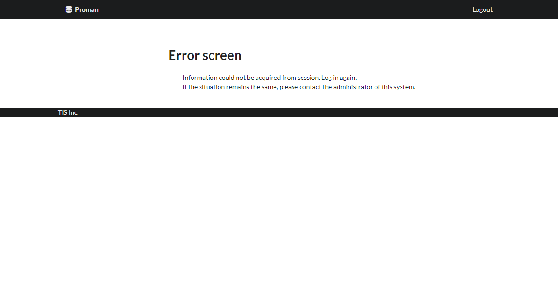

 |  | 7.2. List display

 |  |  | No. | Area name |  |  |  |  | Paging Yes/No |  |  | Sort conditions |  |  |  |  | Remarks
 |  |  | 1 | - |  |  |  |  | - |  |  | - |  |  |  |  | -

 |  | 7.3. Screen item definition

 |  |  | No. | Display information |  |  |  |  |  |  |  |  |  |  |  |  |  |  |  |  | Domain name
 |  |  |  | Display item name |  | Screen item classification |  | Information source |  |  |  |  |  |  |  | Editing specifications |  | Default value |  | Required

 |  |  | 1 | - |  | - |  | - |  |  |  |  |  |  |  | - |  | - |  | - | -

 |  | 7.4. Input/output list

 |  |  | No. | Input/output name |  |  | Type |  |  | I/O | DB access type |  |  |  |  |  | Remarks
 |  |  |  |  |  |  |  |  |  |  | C | R | U | D | Lock target
 |  |  | 1 | - |  |  | - |  |  |  | - | - | - | - | - |  | -

 |  | 7.5. Screen event list

 |  |  | No. | Screen event name |  |  | Occurrence timing |  |  |  |  |  | Screen event overview |  |  |  |  | Normal transition screen |  |  |  | Server communication Yes/No
 |  |  | 1 | Initial display |  |  | - |  |  |  |  |  | Displays the General error screen. |  |  |  |  | - |  |  |  | Yes (synchronous)

 |  | 7.6. Screen event details
 |  |  | 7.6.1. Initial display event

 |  |  |  | (1) Validation processing

 |  |  |  |  | None.

 |  |  |  | (2) Display processing

 |  |  |  |  | None.

8. WA10302 (REQUEST_ENTITY_TOO_
Project name |  |  |  | Sample Project |  |  |  |  |  | Deliverable name |  |  |  | System Function Design (Screen) WA10302/General error |  |  |  |  | Prepared by | TIS |  |  | 2019-05-14
System name |  |  |  | Sample System |  |  |  |  |  |  |  |  |  |  |  |  |  |  | Changes | TIS |  |  | 2022-10-07
Sub-system name |  |  |  | Project Management System

 | 8. WA10302 (REQUEST_ENTITY_TOO_LARGE)
 |  | 8.1. Screen layout


 |  | 8.2. List display

 |  |  | No. | Area name |  |  |  |  | Paging Yes/No |  |  | Sort conditions |  |  |  |  | Remarks
 |  |  | 1 | - |  |  |  |  | - |  |  | - |  |  |  |  | -

 |  | 8.3. Screen item definition

 |  |  | No. | Display information |  |  |  |  |  |  |  |  |  |  |  |  |  |  |  |  | Domain name
 |  |  |  | Display item name |  | Screen item classification |  | Information source |  |  |  |  |  |  |  | Editing specifications |  | Default value |  | Required

 |  |  | 1 | - |  | - |  | - |  |  |  |  |  |  |  | - |  | - |  | - | -

 |  | 8.4. Input/output list

 |  |  | No. | Input/output name |  |  | Type |  |  | I/O | DB access type |  |  |  |  |  | Remarks
 |  |  |  |  |  |  |  |  |  |  | C | R | U | D | Lock target
 |  |  | 1 | - |  |  | - |  |  |  | - | - | - | - | - |  | -

 |  | 8.5. Screen event list

 |  |  | No. | Screen event name |  |  | Occurrence timing |  |  |  |  |  | Screen event overview |  |  |  |  | Normal transition screen |  |  |  | Server communication Yes/No
 |  |  | 1 | Initial display |  |  | - |  |  |  |  |  | Displays the General error screen. |  |  |  |  | - |  |  |  | Yes (synchronous)

 |  | 8.6. Screen event details
 |  |  | 8.6.1. Initial display event

 |  |  |  | (1) Validation processing

 |  |  |  |  | None.

 |  |  |  | (2) Display processing

 |  |  |  |  | None.

9. WA10302 (TAMPERING-DETECTED)
Project name |  |  |  | Sample Project |  |  |  |  |  | Deliverable name |  |  |  | System Function Design (Screen) WA10302/General error |  |  |  |  | Prepared by | TIS |  |  | 2019-05-14
System name |  |  |  | Sample System |  |  |  |  |  |  |  |  |  |  |  |  |  |  | Changes | TIS |  |  | 2022-10-07
Sub-system name |  |  |  | Project Management System

 | 9. WA10302 (TAMPERING-DETECTED)
 |  | 9.1. Screen layout
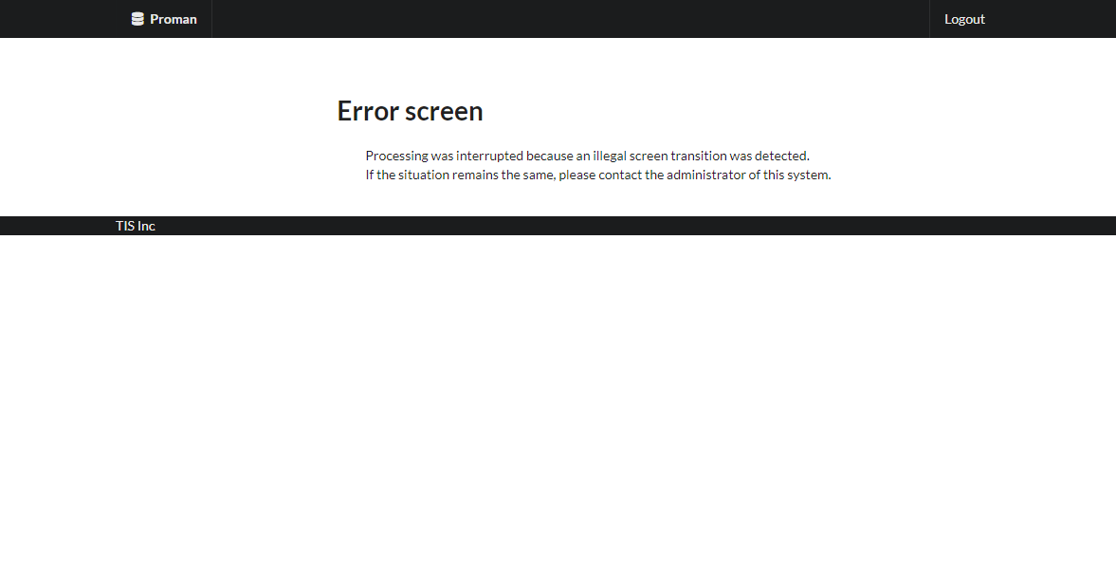

 |  | 9.2. List display

 |  |  | No. | Area name |  |  |  |  | Paging Yes/No |  |  | Sort conditions |  |  |  |  | Remarks
 |  |  | 1 | - |  |  |  |  | - |  |  | - |  |  |  |  | -

 |  | 9.3. Screen item definition

 |  |  | No. | Display information |  |  |  |  |  |  |  |  |  |  |  |  |  |  |  |  | Domain name
 |  |  |  | Display item name |  | Screen item classification |  | Information source |  |  |  |  |  |  |  | Editing specifications |  | Default value |  | Required

 |  |  | 1 | - |  | - |  | - |  |  |  |  |  |  |  | - |  | - |  | - | -

 |  | 9.4. Input/output list

 |  |  | No. | Input/output name |  |  | Type |  |  | I/O | DB access type |  |  |  |  |  | Remarks
 |  |  |  |  |  |  |  |  |  |  | C | R | U | D | Lock target
 |  |  | 1 | - |  |  | - |  |  |  | - | - | - | - | - |  | -

 |  | 9.5. Screen event list

 |  |  | No. | Screen event name |  |  | Occurrence timing |  |  |  |  |  | Screen event overview |  |  |  |  | Normal transition screen |  |  |  | Server communication Yes/No
 |  |  | 1 | Initial display |  |  | - |  |  |  |  |  | Displays the General error screen. |  |  |  |  | - |  |  |  | Yes (synchronous)

 |  | 9.6. Screen event details
 |  |  | 9.6.1. Initial display event

 |  |  |  | (1) Validation processing

 |  |  |  |  | None.

 |  |  |  | (2) Display processing

 |  |  |  |  | None.

10. WA10302 (USER_ERROR)
Project name |  |  |  | Sample Project |  |  |  |  |  | Deliverable name |  |  |  | System Function Design (Screen) WA10302/General error |  |  |  |  | Prepared by | TIS |  |  | 2019-05-14
System name |  |  |  | Sample System |  |  |  |  |  |  |  |  |  |  |  |  |  |  | Changes | TIS |  |  | 2022-10-07
Sub-system name |  |  |  | Project Management System

 | 10. WA10302 (USER_ERROR)
 |  | 10.1. Screen layout
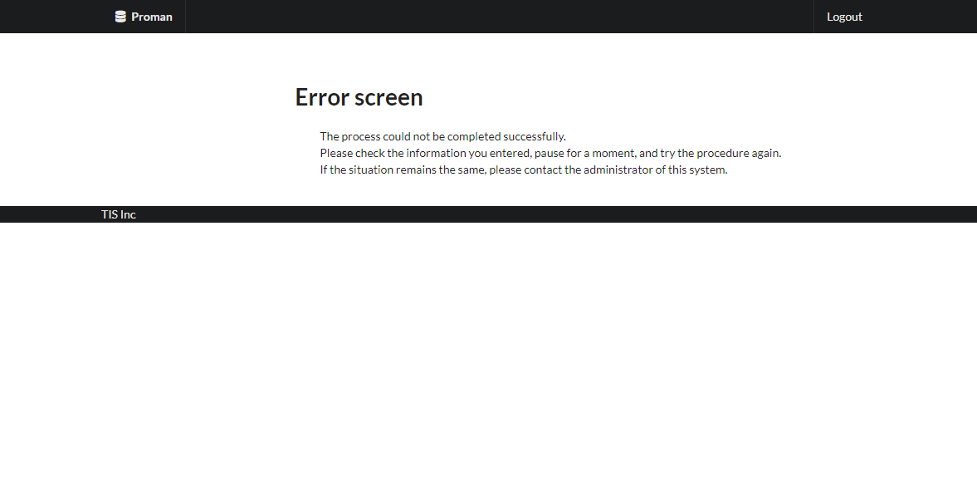

 |  | 10.2. List display

 |  |  | No. | Area name |  |  |  |  | Paging Yes/No |  |  | Sort conditions |  |  |  |  | Remarks
 |  |  | 1 | - |  |  |  |  | - |  |  | - |  |  |  |  | -

 |  | 10.3. Screen item definition

 |  |  | No. | Display information |  |  |  |  |  |  |  |  |  |  |  |  |  |  |  |  | Domain name
 |  |  |  | Display item name |  | Screen item classification |  | Information source |  |  |  |  |  |  |  | Editing specifications |  | Default value |  | Required

 |  |  | 1 | - |  | - |  | - |  |  |  |  |  |  |  | - |  | - |  | - | -

 |  | 10.4. Input/output list

 |  |  | No. | Input/output name |  |  | Type |  |  | I/O | DB access type |  |  |  |  |  | Remarks
 |  |  |  |  |  |  |  |  |  |  | C | R | U | D | Lock target
 |  |  | 1 | - |  |  | - |  |  |  | - | - | - | - | - |  | -

 |  | 2.5. Screen event list

 |  |  | No. | Screen event name |  |  | Occurrence timing |  |  |  |  |  | Screen event overview |  |  |  |  | Normal transition screen |  |  |  | Server communication Yes/No
 |  |  | 1 | Initial display |  |  | - |  |  |  |  |  | Displays the General error screen. |  |  |  |  | - |  |  |  | Yes (synchronous)

 |  | 10.6. Screen event details
 |  |  | 10.6.1. Initial display event

 |  |  |  | (1) Validation processing

 |  |  |  |  | None.

 |  |  |  | (2) Display processing

 |  |  |  |  | None.

