Cover
CONFIDENTIAL
PROJECT PERSONNEL ONLY

Sample Project
System Function Design (screen)
Project Management System/Project Search

 | Version 1.2

2022-10-07

2. WA1020201
Project name |  |  |  | Sample Project |  |  |  |  |  |  |  |  | Deliverable name |  |  |  | System Function Design (Screen) WA10202/Project Search |  |  |  |  |  |  | Prepared by | TIS |  |  | 2019-12-05
System name |  |  |  | Sample System |  |  |  |  |  |  |  |  |  |  |  |  |  |  |  |  |  |  |  | Changes | TIS |  |  | 2022-10-07
Sub-system name |  |  |  | Project Management System

 | 2. WA1020201 (Project search screen)
 |  | 2.1. Screen layout

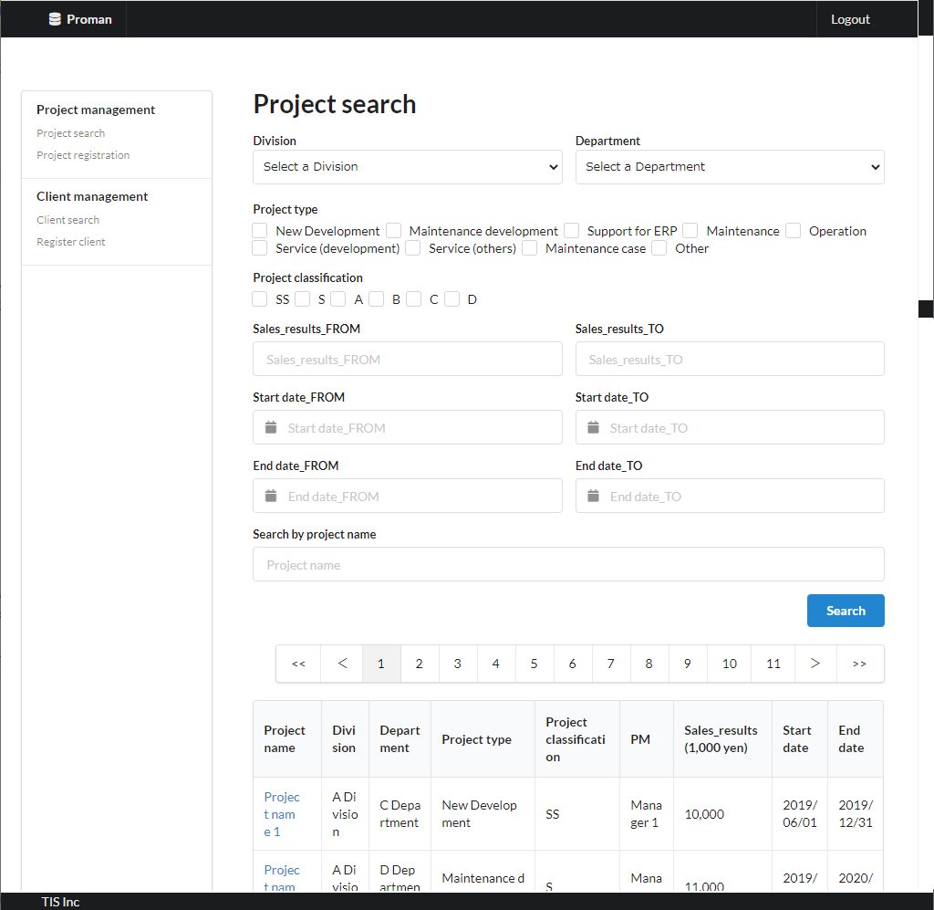
Area name: Enter project search criteria

Area Name：Project Search Result List

 |  | 2.2. List display

 |  |  | No. | Area name |  |  |  |  |  |  |  | Paging Yes/No |  |  | Sort conditions |  |  |  |  | Remarks
 |  |  | 1 | Project Search Results List |  |  |  |  |  |  |  | Yes |  |  | Project ID Ascending |  |  |  |  | -

 |  | 2.3. Screen item definition

 |  |  | No. | Display information |  |  |  |  |  |  |  |  |  |  |  |  |  |  |  |  |  |  |  |  |  | Domain name
 |  |  |  | Display item name |  |  |  | Screen item classification |  |  | Information source |  |  |  |  |  |  |  | Editing specifications |  |  |  | Default value |  | Required |  |  |  | [Internal design information] Screen item name (physical)
 |  |  |  |  |  |  |  |  |  |  |  |  |  |  |  |  |  |  |  |  |  |  |  |  |  |  |  |  |  | Screen item name (physical)
 |  |  | Area name: Enter project search criteria |  |  |  |  |  |  |  |  |  |  |  |  |  |  |  |  |  |  |  |  |  |  |  |  |  |  | -
 |  |  | 1 | Division |  |  |  | select(pulldown) |  |  | - |  |  |  |  |  |  |  | 2.6.1.Initial display event, (2) DB access (search processing). (a) From obtained organization ID and organization name, create pulldown with the organization ID as VALUE and the organization name as LABEL. |  |  |  | - |  | X | Organization ID |  |  |  | divisionId
 |  |  | 2 | Department |  |  |  | select(pulldown) |  |  | - |  |  |  |  |  |  |  | 2.6.2. Acquisition of department list event, (2) DB access (search processing). (a) From obtained organization ID and organization name, create pulldown with the organization ID as VALUE and the organization name as LABEL. |  |  |  | - |  | X | Organization ID |  |  |  | organizationId
 |  |  | 3 | Project type |  |  |  | checkbox |  |  | - |  |  |  |  |  |  |  | ＜acquisition> Code ID: C0300001 Code name: PJ type Code pattern : 1 Display name: Code value name No option selected: None |  |  |  | Select Division |  | - | Project type |  |  |  | projectType
 |  |  | 4 | Project classification |  |  |  | checkbox |  |  | - |  |  |  |  |  |  |  | ＜acquisition> Code ID: C0200001 Code Name ：Project Classification Code pattern : 1 Display name: Code value name No choice: None. |  |  |  | Select Department |  | - | Project classification |  |  |  | projectClass
 |  |  | 5 | Sales_results_FROM |  |  |  | text |  |  | - |  |  |  |  |  |  |  | - |  |  |  | - |  | - | Amount |  |  |  | salesFrom
 |  |  | 6 | Sales_results_TO |  |  |  | text |  |  | - |  |  |  |  |  |  |  | - |  |  |  | - |  | - | Amount |  |  |  | salesTo
 |  |  | 7 | Start_date_FROM |  |  |  | calendar |  |  | - |  |  |  |  |  |  |  | <Display conversion: date conversion>. yyyy/MM/dd |  |  |  | - |  | - | date |  |  |  | projectStartDateFrom
 |  |  | 8 | Start_date_TO |  |  |  | calendar |  |  | - |  |  |  |  |  |  |  | <Display conversion: date conversion>. yyyy/MM/dd |  |  |  | - |  | - | date |  |  |  | projectStartDateTo
 |  |  | 9 | End_date_FROM |  |  |  | calendar |  |  | - |  |  |  |  |  |  |  | <Display conversion: date conversion>. yyyy/MM/dd |  |  |  | - |  | - | date |  |  |  | projectEndDateFrom
 |  |  | 10 | End_date_TO |  |  |  | calendar |  |  | - |  |  |  |  |  |  |  | <Display conversion: date conversion>. yyyy/MM/dd |  |  |  | - |  | - | date |  |  |  | projectEndDateTo
 |  |  | 11 | Search by project name |  |  |  | text |  |  | - |  |  |  |  |  |  |  | - |  |  |  | - |  | - | Project name |  |  |  | projectName
 |  |  | Area Name：Project Search Result List |  |  |  |  |  |  |  |  |  |  |  |  |  |  |  |  |  |  |  |  |  |  |  |  |  |  | -
 |  |  | 12 | Project name |  |  |  | link |  |  | project.project_name |  |  |  |  |  |  |  | Display the URL to the initial display event of the detail screen with the project ID as a parameter as a link. |  |  |  | - |  | - | - |  |  |  | -
 |  |  | 13 | Division |  |  |  | label |  |  | organization.organization_name |  |  |  |  |  |  |  | - |  |  |  | - |  | - | - |  |  |  | -
 |  |  | 14 | Department |  |  |  | label |  |  | organization.organization_name |  |  |  |  |  |  |  | - |  |  |  | - |  | - | - |  |  |  | -
 |  |  | 15 | Project type |  |  |  | label |  |  | project.project_type |  |  |  |  |  |  |  | ＜acquisition> Code ID: C0300001 Code name: PJ type Code pattern : 1 Display name: Code value name No option selected: None |  |  |  | - |  | - | - |  |  |  | -
 |  |  | 16 | Project classification |  |  |  | label |  |  | project.project_class |  |  |  |  |  |  |  | ＜acquisition> Code ID: C0200001 Code Name ：Project Classification Code pattern : 1 Display name: Code value name No option selected: None |  |  |  | - |  | - | - |  |  |  | -
 |  |  | 17 | PM |  |  |  | label |  |  | project.pm_kanji_name |  |  |  |  |  |  |  | - |  |  |  | - |  | - | - |  |  |  | -
 |  |  | 18 | Sales_results |  |  |  | label |  |  | project.sales_amount |  |  |  |  |  |  |  | <Display conversion: decimal conversion>. Separate each three digits with a comma. Display "1,000 yen" at the end. |  |  |  | - |  | - | - |  |  |  | -
 |  |  | 19 | Start date |  |  |  | label |  |  | project.project_start_date |  |  |  |  |  |  |  | <Display conversion: date conversion>. yyyy/MM/dd |  |  |  | - |  | - | - |  |  |  | -
 |  |  | 20 | End date |  |  |  | label |  |  | project.project_end_date |  |  |  |  |  |  |  | <Display conversion: date conversion>. yyyy/MM/dd |  |  |  | - |  | - | - |  |  |  | -

 |  | 2.4. Input/output list

 |  |  | No. | Input/output name |  |  |  |  |  | Type |  |  | I/O | DB access type |  |  |  |  |  | Remarks
 |  |  |  |  |  |  |  |  |  |  |  |  |  | C | R | U | D | Lock target
 |  |  | 1 | organization |  |  |  |  |  | Table |  |  | I | - | X | - | - | - |  | -
Not implemented in the August 2022 version.
 |  |  | 2 | project |  |  |  |  |  | Table |  |  | I | - | X | - | - | - |  | -

 |  | 2.5 Screen event list

 |  |  | No. | Screen event name |  |  |  |  |  | Occurrence timing |  |  |  |  |  | Screen event overview |  |  |  |  |  |  | Normal transition screen |  |  |  | Server communication Yes/No
 |  |  | 1 | Initial display |  |  |  |  |  | ‐ |  |  |  |  |  | Display the project search screen. |  |  |  |  |  |  | - |  |  |  | Yes (synchronous)
 |  |  | 2 | Department list acquisition |  |  |  |  |  | Select the "Division" pull-down menu |  |  |  |  |  | Based on the selected division, the list of subordinate divisions is set to the department pull-down. |  |  |  |  |  |  | - |  |  |  | Yes (asynchronous)
 |  |  | 3 | List Search |  |  |  |  |  | Press the "Search" button |  |  |  |  |  | Display the list of project results. |  |  |  |  |  |  | Project search screen (results display) |  |  |  | Yes (synchronous)
 |  |  | 4 | Paging |  |  |  |  |  | Press the pagination link |  |  |  |  |  | Display the list of project results. |  |  |  |  |  |  | Project search screen (results display) |  |  |  | Yes (synchronous)
 |  |  | 5 | Project Details |  |  |  |  |  | Press the "Project name" link |  |  |  |  |  | Searches for the data of one project with the project ID as a key and displays a detailed screen. |  |  |  |  |  |  | Project detail sceen |  |  |  | Yes (synchronous)

 |  | 2.6. Screen event details
 |  |  | 2.6.1. Initial display event

 |  |  |  | (1) Validation processing

 |  |  |  |  | None.

 |  |  |  | (2) DB access (search processing)
 |  |  |  |  | (a) Organization search conditions

 |  |  |  |  |  | Acquired table name |  |  |  |  |  |  |  |  | Acquisition column name
 |  |  |  |  |  | organization |  |  |  |  |  |  |  |  | organization_id
 |  |  |  |  |  |  |  |  |  |  |  |  |  |  | organization_name
 |  |  |  |  |  | Search conditions

 |  |  |  |  |  |  | organization.upper_organization |  |  |  |  |  |  |  | IS | NULL

 |  |  |  |  |  | Sorting conditions

 |  |  |  |  |  |  | ORDER BY |  |  | organization.organization_id

 |  |  |  | (3) Display processing

 |  |  |  |  | (a) Initialize the "Division" pull-down.
 |  |  |  |  |  | Add a blank option at the beginning of the search result of "(2) Search processing" and set it to "Division".
Not implemented in the August 2022 version.
 |  |  |  |  | (b) "Area name: Project Search Result List" is hidden.

 |  |  | 2.6.2. Department list acquisition event

 |  |  |  | (1) Validation processing

 |  |  |  |  | None.

 |  |  |  | (2) DB access (search processing)
 |  |  |  |  | (a) Organization search conditions
 |  |  |  |  |  |  |  |  |  |  |  |  |  |  |  |  |  |  |  |  |  |  |  |  |  |  |  |  |  | Tentatively implemented in the August 2022 version under the following conditions
 |  |  |  |  |  | Acquired table name |  |  |  |  |  |  |  |  | Acquisition column name |  |  |  |  |  |  |  |  |  |  |  |  |  |  | Acquired table name |  |  | Acquisition column name
 |  |  |  |  |  | organization |  |  |  |  |  |  |  |  | organization_id |  |  |  |  |  |  |  |  |  |  |  |  |  |  | organization |  |  | organization_id
 |  |  |  |  |  |  |  |  |  |  |  |  |  |  | organization_name |  |  |  |  |  |  |  |  |  |  |  |  |  |  |  |  |  | organization_name
 |  |  |  |  |  | Search conditions |  |  |  |  |  |  |  |  |  |  |  |  |  |  |  |  |  |  |  |  |  |  |  | Search conditions

 |  |  |  |  |  |  | organization.upper_organization |  |  |  |  |  |  |  | = | Division (input value) |  |  |  |  |  |  |  |  |  |  |  |  |  |  | organization.upper_organization |  | IS NOT NULL

 |  |  |  |  |  | Sorting conditions |  |  |  |  |  |  |  |  |  |  |  |  |  |  |  |  |  |  |  |  |  |  |  | Sorting conditions

 |  |  |  |  |  |  | ORDER BY |  |  | organization.organization_id |  |  |  |  |  |  |  |  |  |  |  |  |  |  |  |  |  |  |  |  | ORDER BY | organization.organization_id

 |  |  |  | (3) Display processing

 |  |  |  |  | (a) Initialize the "Department" pull-down.
 |  |  |  |  |  | Add a blank option at the top of the search result in "(2) Search process" and set it to "Department".

 |  |  | 2.6.3. List Search Event

 |  |  |  | (1) Validation processing

 |  |  |  |  | No. | Validation name |  |  |  |  | Validation content |  |  |  |  |  |  |  |  |  | Message ID |  | Embedded character string |  |  | Determination of validation of process continuation in the event of an error
 |  |  |  |  | 1 | Single Item Validation |  |  |  |  | All input items are validated according to the specified domain to check the validity of the input contents. |  |  |  |  |  |  |  |  |  | （By Domain） |  | （By Domain） |  |  | Finish
 |  |  |  |  | 2 | Sales relationship |  |  |  |  | If both "Sales_results_FROM" and "Sales_results_TO" are entered, "Sales_results_FROM" < "Sales_results_TO". |  |  |  |  |  |  |  |  |  | validator.priceRange.message |  | - |  |  | Finish
 |  |  |  |  | 3 | Start date relationship |  |  |  |  | If both "start date_FROM" and "start date_TO" are entered, "start date_FROM" ≤ "start date_TO". |  |  |  |  |  |  |  |  |  | validator.dateRange.message |  | {0}：Start_date_TO {1}：Start_date_FROM |  |  | Finish
 |  |  |  |  | 4 | End date relationship |  |  |  |  | If both "end_date_FROM" and "end_date_TO" are entered, "end_date_FROM" < "end_date_TO". |  |  |  |  |  |  |  |  |  | validator.dateRange.message |  | {0}：end_date_TO {1}：end_date_FROM |  |  | Finish

 |  |  |  |  | If an error occurs at any one point in the above validation, then subsequent processing is not carried out.

 |  |  |  | (2) DB access (search processing)
 |  |  |  |  | (a) Project search conditions

 |  |  |  |  |  | Acquired table name |  |  |  |  |  | Acquisition column name |  |  |  |  |  |  |  |  |  | screen item name
 |  |  |  |  |  | project |  |  |  |  |  | project_id |  |  |  |  |  |  |  |  |  | Set as parameter for project name link in result list
 |  |  |  |  |  |  |  |  |  |  |  | project_name |  |  |  |  |  |  |  |  |  | Project name
 |  |  |  |  |  |  |  |  |  |  |  | project_type |  |  |  |  |  |  |  |  |  | Project type
 |  |  |  |  |  |  |  |  |  |  |  | project_class |  |  |  |  |  |  |  |  |  | Project classification
 |  |  |  |  |  |  |  |  |  |  |  | pm_kanji_name |  |  |  |  |  |  |  |  |  | PM
 |  |  |  |  |  |  |  |  |  |  |  | sales_amount |  |  |  |  |  |  |  |  |  | Sales_results
 |  |  |  |  |  |  |  |  |  |  |  | project_start_date |  |  |  |  |  |  |  |  |  | Start date
 |  |  |  |  |  |  |  |  |  |  |  | project_end_date |  |  |  |  |  |  |  |  |  | End date
 |  |  |  |  |  | division |  |  |  |  |  | organization_name |  |  |  |  |  |  |  |  |  | Division
 |  |  |  |  |  | department |  |  |  |  |  | organization_name |  |  |  |  |  |  |  |  |  | Department
 |  |  |  |  |  | Coupling condition

 |  |  |  |  |  |  | project

 |  |  |  |  |  |  |  | LEFT OUTER JOIN |  |  | organization AS department
 |  |  |  |  |  |  |  | ON | project.organizationid |  |  |  |  |  | = | department.organizationid

 |  |  |  |  |  |  |  | LEFT OUTER JOIN |  |  | organization AS division
 |  |  |  |  |  |  |  | ON | department.upper_organizationid |  |  |  |  |  | = | division.organizationid

 |  |  |  |  |  | Search conditions

 |  |  |  |  |  |  |  |  | division.organizationid |  |  |  |  |  |  | = |  |  | Division（input value） |  |  |  |  | ※ search condition
 |  |  |  |  |  |  |  |  |  |  |  |  |  |  |  |  |  |  |  |  |  |  |  | only if it is entered.
 |  |  |  |  |  |  | AND |  | department.organizationid |  |  |  |  |  |  | = |  |  | Department（input value）

 |  |  |  |  |  |  | AND |  | project.project_type |  |  |  |  |  |  | IN |  |  | Project type（input value）

 |  |  |  |  |  |  | AND |  | project.project_class |  |  |  |  |  |  | IN |  |  | Project classification（input value）

 |  |  |  |  |  |  | AND |  | project.sales_amount |  |  |  |  |  |  | ≧ |  |  | Sales_results_FROM（input value）

 |  |  |  |  |  |  | AND |  | project.sales_amount |  |  |  |  |  |  | ≦ |  |  | Sales_results_TO（input value）

 |  |  |  |  |  |  | AND |  | project.project_start_date |  |  |  |  |  |  | ≧ |  |  | Start_date_FROM（input value）

 |  |  |  |  |  |  | AND |  | project.project_start_date |  |  |  |  |  |  | ≦ |  |  | Start_date_TO（input value）

 |  |  |  |  |  |  | AND |  | project.project_end_date |  |  |  |  |  |  | ≧ |  |  | End_date_FROM（input value）

 |  |  |  |  |  |  | AND |  | project.project_end_date |  |  |  |  |  |  | ≦ |  |  | End_date_TO（input value）

 |  |  |  |  |  |  | AND |  | project.project_name |  |  |  |  |  |  | LIKE |  |  | %Search by project name（input value）%

 |  |  |  |  |  | Sorting conditions

 |  |  |  |  |  |  | ORDER BY |  |  | project.project_id

 |  |  |  | (3) Display processing
 |  |  |  |  | (a) When there are no search results from "(2)DB access (search processing)".

 |  |  |  |  |  | Display the search condition and no search result error message (errors.nothing.search: embedded string "project")
 |  |  |  |  |  | in the "Project search screen (results)" and hide the ”Area Name：Project Search Result List".

 |  |  |  |  | (b) When there is a search result of "(2)DB access (search processing)".

 |  |  |  |  |  | The search result is displayed in "Area Name：Project Search Result List".
 |  |  |  |  |  | When the "Search" button is pressed, the first page is displayed.

 |  |  | 2.6.4. Paging Events

 |  |  |  | "2.6.3. List Search Event" by specifying a page number with the following conditions.
 |  |  |  |  | "<<" link: first page
 |  |  |  |  | "<" link: current page number - 1 page
 |  |  |  |  | "page number" link: the page number of the relevant page
 |  |  |  |  | ">" link: current page number + 1 page
 |  |  |  |  | ">>" link: last page

 |  |  | 2.6.5. Project Details Event

 |  |  |  | See "3. WA1020202 (Project details screen): 3.6. Screen event details: 3.6.1. Initial display event".

3. WA1020202
Project name |  |  |  | Sample Project |  |  |  |  |  |  |  |  | Deliverable name |  |  |  | System Function Design (Screen) WA10202/Project Search |  |  |  |  |  |  | Prepared by | TIS |  |  | 2019-12-05
System name |  |  |  | Sample System |  |  |  |  |  |  |  |  |  |  |  |  |  |  |  |  |  |  |  | Changes | TIS |  |  | 2022-10-07
Sub-system name |  |  |  | Project Management System

 | 3. WA1020202(Project details screen)
 |  | 3.1. Screen layout
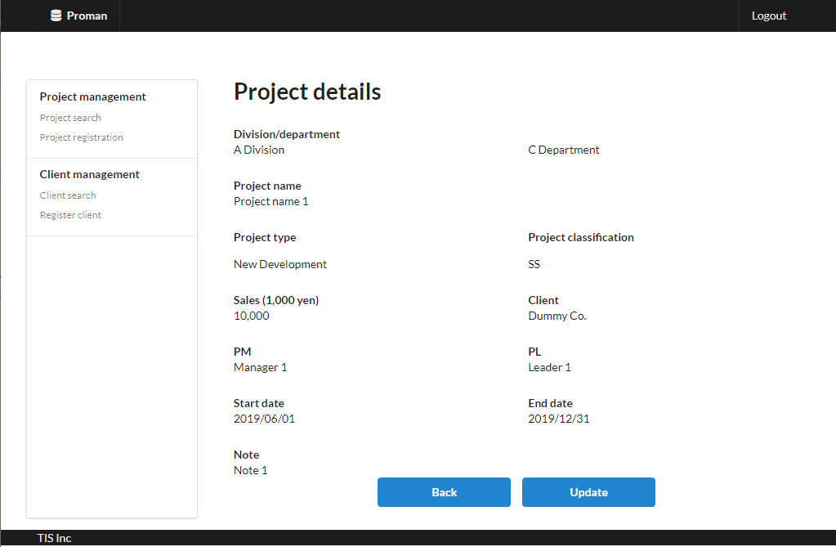
Area name: Project Details

 |  | 3.2. List display

 |  |  | No. | Area name |  |  |  |  |  |  |  | Paging Yes/No |  |  | Sort conditions |  |  |  |  | Remarks
 |  |  | 1 | - |  |  |  |  |  |  |  | - |  |  | - |  |  |  |  | -

 |  | 3.3. Screen item definition

 |  |  | No. | Display information |  |  |  |  |  |  |  |  |  |  |  |  |  |  |  |  |  |  |  |  |  | Domain name
 |  |  |  | Display item name |  |  |  | Screen item classification |  |  | Information source |  |  |  |  |  |  |  | Editing specifications |  |  |  | Default value |  | Required |  |  |  | [Internal design information] Screen item name (physical)
 |  |  |  |  |  |  |  |  |  |  |  |  |  |  |  |  |  |  |  |  |  |  |  |  |  |  |  |  |  | Screen item name (physical)
 |  |  | Area name: Project Details |  |  |  |  |  |  |  |  |  |  |  |  |  |  |  |  |  |  |  |  |  |  |  |  |  |  | -
 |  |  | 1 | Division |  |  |  | label |  |  | organization.organization_name |  |  |  |  |  |  |  | - |  |  |  | - |  | - | - |  |  |  | -
 |  |  | 2 | Department |  |  |  | label |  |  | organization.organization_name |  |  |  |  |  |  |  | - |  |  |  | - |  | - | - |  |  |  | -
 |  |  | 3 | Project name |  |  |  | label |  |  | project.project_name |  |  |  |  |  |  |  | - |  |  |  | - |  | - | - |  |  |  | -
 |  |  | 4 | Project type |  |  |  | label |  |  | project.project_type |  |  |  |  |  |  |  | ＜acquisition> Code ID: C0300001 Code name: Project type Code pattern : 1 Display name: Code value name No option selected: None |  |  |  | - |  | - | - |  |  |  | -
 |  |  | 5 | Project classification |  |  |  | label |  |  | project.project_class |  |  |  |  |  |  |  | ＜acquisition> Code ID: C0200001 Code Name ：Project Classification Code pattern : 1 Display name: Code value name No option selected: None |  |  |  | - |  | - | - |  |  |  | -
 |  |  | 6 | Sales |  |  |  | label |  |  | project.sales_amount |  |  |  |  |  |  |  | <Display conversion: decimal conversion>. Separate each three digits with a comma. Display "1,000 yen" at the end. |  |  |  | - |  | - | - |  |  |  | -
 |  |  | 7 | Client |  |  |  | label |  |  | client_management_system.client_detail_retrieval_API |  |  |  |  |  |  |  | - |  |  |  | - |  | - | - |  |  |  | -
 |  |  | 8 | PM |  |  |  | label |  |  | project.pm_kanji_name |  |  |  |  |  |  |  | - |  |  |  | - |  | - | - |  |  |  | -
 |  |  | 9 | PL |  |  |  | label |  |  | project.pl_kanji_name |  |  |  |  |  |  |  | - |  |  |  | - |  | - | - |  |  |  | -
 |  |  | 10 | Start date |  |  |  | label |  |  | project.project_start_date |  |  |  |  |  |  |  | <Display conversion: date conversion>. yyyy/MM/dd |  |  |  | - |  | - | - |  |  |  | -
 |  |  | 11 | End Date |  |  |  | label |  |  | project.project_end_date |  |  |  |  |  |  |  | <Display conversion: date conversion>. yyyy/MM/dd |  |  |  | - |  | - | - |  |  |  | -
 |  |  | 12 | Note |  |  |  | label |  |  | prpject.note |  |  |  |  |  |  |  | - |  |  |  | - |  | - | - |  |  |  | -

 |  | 3.4. Input/output list

 |  |  | No. | Input/output name |  |  |  |  |  | Type |  |  | I/O | DB access type |  |  |  |  |  | Remarks
 |  |  |  |  |  |  |  |  |  |  |  |  |  | C | R | U | D | Lock target
 |  |  | 1 | organization |  |  |  |  |  | Table |  |  | I | - | X | - | - | - |  | -
 |  |  | 2 | project |  |  |  |  |  | Table |  |  | I | - | X | - | - | - |  | -

 |  | 3.5. Screen event list

 |  |  | No. | Screen event name |  |  |  |  |  | Occurrence timing |  |  |  |  |  | Screen event overview |  |  |  |  |  |  | Normal transition screen |  |  |  | Server communication Yes/No
 |  |  | 1 | Initial display |  |  |  |  |  | ‐ |  |  |  |  |  | Searches for the project associated with the project ID received as a parameter and displays the project details screen. |  |  |  |  |  |  | - |  |  |  | Yes (synchronous)
 |  |  | 2 | Back |  |  |  |  |  | Press the "Back" button. |  |  |  |  |  | Display the project search screen. |  |  |  |  |  |  | Project search screen |  |  |  | Yes (synchronous)
 |  |  | 3 | Update |  |  |  |  |  | Press the "Update" button. |  |  |  |  |  | Display the project update screen. |  |  |  |  |  |  | Project update screen |  |  |  | Yes (synchronous)

 |  | 3.6. Screen event details
 |  |  | 3.6.1. Initial display event

 |  |  |  | (1) Validation processing
 |  |  |  |  | Validate the input value so that it can be retrieved again when the user moves to the search screen with the back button.

 |  |  |  |  | No. | Validation name |  |  |  |  | Validation content |  |  |  |  |  |  |  |  |  | Message ID |  | Embedded character string |  |  | Determination of validation of process continuation in the event of an error
 |  |  |  |  | 1 | Single Item Validation |  |  |  |  | All input items are validated according to the specified domain to check the validity of the input contents. |  |  |  |  |  |  |  |  |  | （By Domain） |  | （By Domain） |  |  | Finish

 |  |  |  |  | "Single item validation in the "Project ID" domain.
 |  |  |  |  | If an error occurs at any one point in the above validation, then subsequent processing is not carried out.

 |  |  |  | (2) DB access (search processing)
 |  |  |  |  | (a) Project search conditions

 |  |  |  |  |  | Acquired table name |  |  |  |  |  | Acquisition column name |  |  |  |  |  |  |  |  |  | screen item name
 |  |  |  |  |  | project |  |  |  |  |  | project_id |  |  |  |  |  |  |  |  |  | -
 |  |  |  |  |  |  |  |  |  |  |  | project_name |  |  |  |  |  |  |  |  |  | Project name
 |  |  |  |  |  |  |  |  |  |  |  | project_type |  |  |  |  |  |  |  |  |  | Project type
 |  |  |  |  |  |  |  |  |  |  |  | project_classification |  |  |  |  |  |  |  |  |  | Project classification
 |  |  |  |  |  |  |  |  |  |  |  | sales_amount |  |  |  |  |  |  |  |  |  | Sales
 |  |  |  |  |  |  |  |  |  |  |  | client_id |  |  |  |  |  |  |  |  |  | -
 |  |  |  |  |  |  |  |  |  |  |  | pm_kanji_name |  |  |  |  |  |  |  |  |  | PM
 |  |  |  |  |  |  |  |  |  |  |  | pl_kanji_name |  |  |  |  |  |  |  |  |  | PL
 |  |  |  |  |  |  |  |  |  |  |  | project_start_date |  |  |  |  |  |  |  |  |  | Start date
 |  |  |  |  |  |  |  |  |  |  |  | project_end_date |  |  |  |  |  |  |  |  |  | End date
 |  |  |  |  |  |  |  |  |  |  |  | note |  |  |  |  |  |  |  |  |  | Note
 |  |  |  |  |  | division |  |  |  |  |  | organization_name |  |  |  |  |  |  |  |  |  | Division
 |  |  |  |  |  | department |  |  |  |  |  | organization_name |  |  |  |  |  |  |  |  |  | Department
 |  |  |  |  |  | Coupling condition

 |  |  |  |  |  |  | project

 |  |  |  |  |  |  |  | LEFT OUTER JOIN |  |  | organization AS department
 |  |  |  |  |  |  |  | ON | project.organizationid |  |  |  |  |  | = | department.organizationid

Not implemented in the August 2022 version.
 |  |  |  |  |  |  |  | LEFT OUTER JOIN |  |  | organization AS division
 |  |  |  |  |  |  |  | ON | department.upper_organizationid |  |  |  |  |  | = | division.organizationid

 |  |  |  |  |  | Search conditions

 |  |  |  |  |  |  |  |  | project.project_id |  |  |  |  |  |  | = |  |  | Project ID (request parameter)

 |  |  |  |  | (b) Using the client ID obtained above as a parameter, the client management system.
 |  |  |  |  | Execute the API for getting client details and get the client's name.

 |  |  |  |  | (c) If the user is a manager or the following search results exist, update is available.

 |  |  |  |  |  | Acquired table name |  |  |  |  |  | Acquisition column name |  |  |  |  |  |  |  |  |  | screen item name
 |  |  |  |  |  | project_user |  |  |  |  |  | user_id |  |  |  |  |  |  |  |  |  | Used to check existence.
 |  |  |  |  |  | Coupling condition

 |  |  |  |  |  |  |  |  | project_user.project_id |  |  |  |  |  |  | = |  |  | Project ID (request parameter)

 |  |  |  |  |  |  | AND |  | project_user.user_id |  |  |  |  |  |  | = |  |  | User ID (from the session)

 |  |  |  | (3) Display processing
 |  |  |  |  | (a) When there are no search results from "(2)DB access (search processing)".
Not implemented in the August 2022 version.
 |  |  |  |  |  | Displays a generic error screen.

 |  |  |  |  | (b) When there is a search result of "(2)DB access (search processing)".

 |  |  |  |  |  | Display the search results on the "Project Details" screen.

 |  |  |  |  | (c) When the judgment result of "(2) Search processing (c)" is Not updatable.

 |  |  |  |  |  | Hide the Update button.

 |  |  | 3.6.2.Back event

 |  |  |  | Refer to "2. WA1020201 (Project search screen): 2.6. Screen event details: 2.6.3. List Search Event".
 |  |  |  | Send the parameters received in the initial display as request parameters.

 |  |  | 3.6.3. Update event
 |  |  |  | Refer to “2. WA1020301 (Project Update Screen): 2.6. Screen event details: 2.6.1. Initial display event”.
 |  |  |  | Send the project ID received from the search screen as a request parameter.

