Cover
CONFIDENTIAL
PROJECT PERSONNEL ONLY

Sample Project
System Function Design (Screen)
Project Management System/Project Registration

 | Version 1.1

2022-10-07

2. WA1020101
Project name |  |  |  | Sample Project |  |  |  |  |  |  |  | Deliverable name |  |  |  | System Function Design (Screen) WA10201/Project Registration |  |  |  |  |  | Prepared by | TIS |  |  | 2019-05-13
System name |  |  |  | Sample System |  |  |  |  |  |  |  |  |  |  |  |  |  |  |  |  |  | Changes | TIS |  |  | 2022-10-07
Sub-system name |  |  |  | Project Management System

 | 2. WA1020101 (Project registration screen)
 |  | 2.1 Screen layout
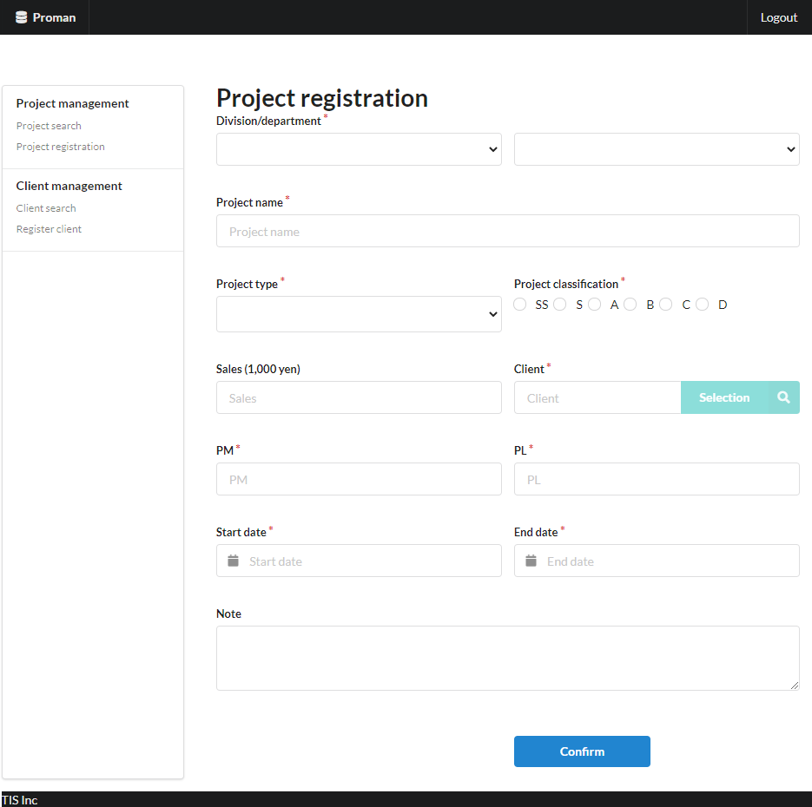
Area name: Input project information

 |  | 2.2. List display

 |  |  | No. | Area name |  |  |  |  |  |  | Paging Yes/No |  |  | Sort conditions |  |  |  |  | Remarks
 |  |  | 1 | - |  |  |  |  |  |  | - |  |  | - |  |  |  |  | -

 |  | 2.3 Screen item definition

 |  |  | No. | Display information |  |  |  |  |  |  |  |  |  |  |  |  |  |  |  |  |  |  |  | Domain name |  |  | [Internal design information] Screen item name (physical)
 |  |  |  | Display item name |  |  |  | Screen item classification |  | Information source |  |  |  |  |  |  |  | Editing specifications |  |  | Default value |  | Required
 |  |  |  |  |  |  |  |  |  |  |  |  |  |  |  |  |  |  |  |  |  |  |  |  |  |  |  | Screen item name (physical)
 |  |  | Area name: Project input information |  |  |  |  |  |  |  |  |  |  |  |  |  |  |  |  |  |  |  |  |  |  |  |  | -
 |  |  | 1 | Division |  |  |  | select(pulldown) |  | - |  |  |  |  |  |  |  | 2.6.1.Initial display event, (2) DB access (search processing). (a) Create the organization ID and organization name obtained from the organization search conditions as VALUE and the organization name as LABEL. |  |  | - |  | X | Organization ID |  |  |  | divisionId
 |  |  | 2 | Department |  |  |  | select(pulldown) |  | - |  |  |  |  |  |  |  | 2.6.2. Acquisition of department list event, (2) DB access (search processing). (a) Create the organization ID and organization name obtained from the department search conditions as VALUE and the organization name as LABEL. |  |  | - |  | X | Organization ID |  |  |  | organizationId
 |  |  | 3 | Project name |  |  |  | text |  | - |  |  |  |  |  |  |  | - |  |  | - |  | X | Project name |  |  |  | projectName
 |  |  | 4 | Project type |  |  |  | select(pulldown) |  | - |  |  |  |  |  |  |  | < Code value acquisition information > Code ID: C0200001 Code name: Project type Chord pattern: 1 Display name: Code value name No selection option: None |  |  | - |  | X | Project type |  |  |  | projectType
 |  |  | 5 | Project classification |  |  |  | radio |  | - |  |  |  |  |  |  |  | < Code value acquisition information > Code ID: C0300001 Code Name: Project Classification Chord pattern: 1 Display name: Code value name No selection option: None |  |  | - |  | X | Project classification |  |  |  | projectClass
 |  |  | 6 | Sales |  |  |  | text |  | - |  |  |  |  |  |  |  | - |  |  | - |  | - | Amount |  |  |  | sales
 |  |  | 7 | Client |  |  |  | label |  | - |  |  |  |  |  |  |  | - |  |  | - |  | X | Client ID |  |  |  | clientId
 |  |  | 8 | PM |  |  |  | text |  | - |  |  |  |  |  |  |  | - |  |  | - |  | X | User name (Kanji characters) |  |  |  | projectManager
 |  |  | 9 | PL |  |  |  | text |  | - |  |  |  |  |  |  |  | - |  |  | - |  | X | User name (Kanji characters) |  |  |  | projectLeader
 |  |  | 10 | Start date |  |  |  | text |  | - |  |  |  |  |  |  |  | < Display Conversion: Date Conversion > yyyy/MM/dd |  |  | - |  | X | Date |  |  |  | projectStartDate
 |  |  | 11 | End date |  |  |  | text |  | - |  |  |  |  |  |  |  | < Display Conversion: Date Conversion > yyyy/MM/dd |  |  | - |  | X | Date |  |  |  | projectEndDate
 |  |  | 12 | Note |  |  |  | textarea |  | - |  |  |  |  |  |  |  | - |  |  | - |  | - | Note |  |  |  | note

 |  | 2.4. Input/output list

 |  |  | No. | Input/output name |  |  |  |  | Type |  |  | I/O | DB access type |  |  |  |  |  | Remarks
 |  |  |  |  |  |  |  |  |  |  |  |  | C | R | U | D | Lock target
 |  |  | 1 | ORGANIZATION |  |  |  |  | Table |  |  | I | - | X | - | - | - |  | -

Not implemented in August 2022 version
 |  | 2.5 Screen event list

 |  |  | No. | Screen event name |  |  |  |  | Occurrence timing |  |  |  |  |  | Screen event overview |  |  |  |  |  | Normal transition screen |  |  |  | Server communication Yes/No
 |  |  | 1 | Initial display |  |  |  |  | - |  |  |  |  |  | Displays the project registration screen. |  |  |  |  |  | - |  |  |  | Yes (synchronous)
 |  |  | 2 | Acquisition of department list |  |  |  |  | "Division" pull-down selection |  |  |  |  |  | Based on the selected business division, set the list of sub-divisions in the "department" pull-down. |  |  |  |  |  | - |  |  |  | Yes (asynchronous)
 |  |  | 3 | Client search |  |  |  |  | Press the "Selection" button |  |  |  |  |  | Open the client search screen. |  |  |  |  |  | Client search screen |  |  |  | Yes (synchronous)
 |  |  | 4 | Confirm |  |  |  |  | Press the "Confirm" button |  |  |  |  |  | Validate the input contents and display the project registration confirmation. |  |  |  |  |  | Project registration confirmation |  |  |  | Yes (synchronous)

 |  | 2.6. Screen event details
 |  |  | 2.6.1. Initial display event

 |  |  |  | (1) Validation processing

 |  |  |  |  | None.

 |  |  |  | (2) DB access (search processing)
 |  |  |  |  | (a) Organization search conditions

 |  |  |  |  |  | Acquired table name |  |  |  |  |  |  |  | Acquisition column name
 |  |  |  |  |  | organization |  |  |  |  |  |  |  | organization_id
 |  |  |  |  |  |  |  |  |  |  |  |  |  | organization_name
 |  |  |  |  |  | Search conditions

 |  |  |  |  |  |  | organization.upper_organization |  |  |  |  |  |  | IS | NULL

 |  |  |  |  |  | Sorting conditions

 |  |  |  |  |  |  | ORDER BY |  | organization.organization_id

 |  |  |  | (3) Display processing

 |  |  |  |  | (a) Initialize the "Division" pull-down.
 |  |  |  |  |  | Add a blank option at the beginning of the search result of "(2) Search processing" and set it to "Division".
Not implemented in August 2022 version
 |  |  | 2.6.2. Acquisition of department list event

 |  |  |  | (1) Validation processing

 |  |  |  |  | None.

 |  |  |  | (2) DB access (search processing)
 |  |  |  |  | (a) Organization search conditions
 |  |  |  |  |  |  |  |  |  |  |  |  |  |  |  |  |  |  |  |  |  |  |  |  |  |  |  | Tentatively implemented in the August 2022 version under the following conditions
 |  |  |  |  |  | Acquired table name |  |  |  |  |  |  |  | Acquisition column name |  |  |  |  |  |  |  |  |  |  |  |  |  | Acquired table name |  |  | Acquisition column name
 |  |  |  |  |  | organization |  |  |  |  |  |  |  | organization_id |  |  |  |  |  |  |  |  |  |  |  |  |  | organization |  |  | organization_id
 |  |  |  |  |  |  |  |  |  |  |  |  |  | organization_name |  |  |  |  |  |  |  |  |  |  |  |  |  |  |  |  | organization_name
 |  |  |  |  |  | Search conditions |  |  |  |  |  |  |  |  |  |  |  |  |  |  |  |  |  |  |  |  |  | Search conditions

 |  |  |  |  |  |  | organization.upper_organization |  |  |  |  |  |  | = | Division (input value) |  |  |  |  |  |  |  |  |  |  |  |  |  | organization.upper_organization |  | IS NOT NULL

 |  |  |  |  |  | Sorting conditions |  |  |  |  |  |  |  |  |  |  |  |  |  |  |  |  |  |  |  |  |  | Sorting conditions

 |  |  |  |  |  |  | ORDER BY |  | organization.organization_id |  |  |  |  |  |  |  |  |  |  |  |  |  |  |  |  |  |  |  | ORDER BY | organization.organization_id

 |  |  |  | (3) Display processing

 |  |  |  |  | (a) Initialize the "Department" pull-down.
 |  |  |  |  |  | Add a blank option at the beginning of the search result of "(2) Search processing" and set it to "Department".

 |  |  | 2.6.3. Client search event

 |  |  |  | (1) Validation processing

 |  |  |  |  | None.

 |  |  |  | (2) Display processing

 |  |  |  |  | Open the client search screen as a pop-up screen.

 |  |  | 2.6.5. Confirm event
 |  |  |  | (1) Validation processing

 |  |  |  |  | No. | Validation name |  |  |  | Validation content |  |  |  |  |  |  |  |  |  | Message ID | Embedded character string |  |  | Determination of validation of process continuation in the event of an error
 |  |  |  |  | 1 | Single item validation |  |  |  | For all input fields, validation is performed according to the specified domain, and the validity of the input content is confirmed. |  |  |  |  |  |  |  |  |  | (By domain) | (By domain) |  |  | Finish
 |  |  |  |  | 2 | Date combination validation |  |  |  | If both "Project start date" and "Project end date" are entered, then "Project start date" must be before the "Project end date". |  |  |  |  |  |  |  |  |  | validator.dateRange.message | {0}: End date {1}: Start date |  |  | Finish

 |  |  |  |  | If an error occurs at any one point in the above validation, then subsequent processing is not carried out.

 |  |  |  | (2) Display processing
 |  |  |  |  | Displays the contents entered in the registration screen on the registration confirmation screen. See "3. Project registration confirmation screen" for screen layout and display items.

3. WA1020102
Project name |  |  |  | Sample Project |  |  |  |  |  |  |  | Deliverable name |  |  |  | System Function Design (Screen) WA10201/Project Registration |  |  |  |  |  | Prepared by | TIS |  |  | 2019-05-13
System name |  |  |  | Sample System |  |  |  |  |  |  |  |  |  |  |  |  |  |  |  |  |  | Changes | TIS |  |  | 2022-10-07
Sub-system name |  |  |  | Project Management System

 | 3. WA1020102 (Project registration confirmation screen)
 |  | 3.1 Screen layout

Area name: Check project information

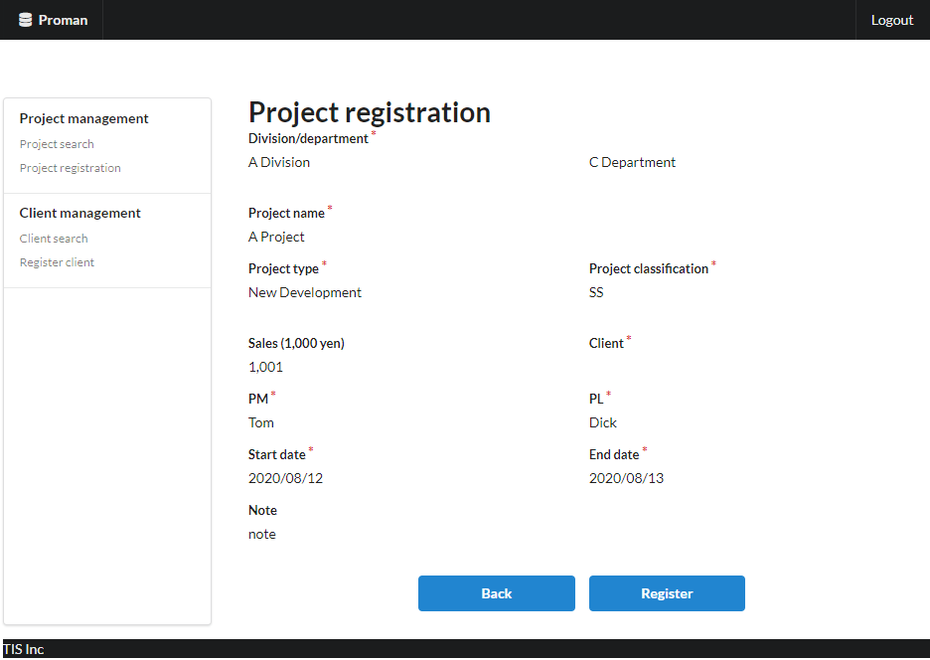

 |  | 3.2. List display

 |  |  | No. | Area name |  |  |  |  |  |  | Paging Yes/No |  |  | Sort conditions |  |  |  |  | Remarks
 |  |  | 1 | - |  |  |  |  |  |  | - |  |  | - |  |  |  |  | -

 |  | 3.3 Screen item definition

 |  |  | No. | Display information |  |  |  |  |  |  |  |  |  |  |  |  |  |  |  |  |  |  |  | Domain name |  |  | [Internal design information] Screen item name (physical)
 |  |  |  | Display item name |  |  |  | Screen item classification |  | Information source |  |  |  |  |  |  |  | Editing specifications |  |  | Default value |  | Required |  |  |  |  | (Refer to 2.3. Screen item definition)

 |  |  | Area name: Project input information
 |  |  | 1 | Division |  |  |  | label |  | - |  |  |  |  |  |  |  | - |  |  | - |  | X | Organization ID
 |  |  | 2 | Department |  |  |  | label |  | - |  |  |  |  |  |  |  | - |  |  | - |  | X | Organization ID
 |  |  | 3 | Project name |  |  |  | label |  | - |  |  |  |  |  |  |  | - |  |  | - |  | X | Project name
 |  |  | 4 | Project type |  |  |  | label |  | - |  |  |  |  |  |  |  |  |  |  | - |  | X | Project type
 |  |  | 5 | Project classification |  |  |  | label |  | - |  |  |  |  |  |  |  |  |  |  | - |  | X | Project classification
 |  |  | 6 | Sales |  |  |  | label |  | - |  |  |  |  |  |  |  | - |  |  | - |  | - | Amount
 |  |  | 7 | Client |  |  |  | label |  | - |  |  |  |  |  |  |  | - |  |  | - |  | X | Client ID
 |  |  | 8 | PM |  |  |  | label |  | - |  |  |  |  |  |  |  | - |  |  | - |  | X | User name (Kanji characters)
 |  |  | 9 | PL |  |  |  | label |  | - |  |  |  |  |  |  |  | - |  |  | - |  | X | User name (Kanji characters)
 |  |  | 10 | Start date |  |  |  | label |  | - |  |  |  |  |  |  |  | - |  |  | - |  | X | Date
 |  |  | 11 | End date |  |  |  | label |  | - |  |  |  |  |  |  |  | - |  |  | - |  | X | Date
 |  |  | 12 | Note |  |  |  | label |  | - |  |  |  |  |  |  |  | - |  |  | - |  | - | Note

 |  | 3.4. Input/output list

 |  |  | No. | Input/output name |  |  |  |  | Type |  |  | I/O | DB access type |  |  |  |  |  | Remarks
 |  |  |  |  |  |  |  |  |  |  |  |  | C | R | U | D | Lock target
 |  |  | 1 | project |  |  |  |  | Table |  |  | O | X | - | - | - | - |  | -
 |  |  | 2 | organization |  |  |  |  | Table |  |  | I | - | X | - | - | - |  | -

 |  | 3.5 Screen event list

 |  |  | No. | Screen event name |  |  |  |  | Occurrence timing |  |  |  |  |  | Screen event overview |  |  |  |  |  | Normal transition screen |  |  |  | Server communication Yes/No
 |  |  | 1 | Confirm |  |  |  |  | Press the "Register" button |  |  |  |  |  | Registers the contents displayed on this screen in the database. |  |  |  |  |  | Project registration complete |  |  |  | Yes (synchronous)
 |  |  | 2 | Back |  |  |  |  | Press the "Back" button |  |  |  |  |  | The contents displayed on this screen are displayed on the registration screen. |  |  |  |  |  | Project registration |  |  |  | Yes (synchronous)

 |  | 3.6. Screen event details
 |  |  | 3.6.1. Confirm event
 |  |  |  | (1) Validation processing

 |  |  |  |  |  | None.

 |  |  |  | (2) DB access (register, update processing)

 |  |  |  |  | Registers the displayed contents in the database. The registration specifications are as follows.

 |  |  |  |  | Project table

 |  |  |  |  |  | No. | Output item name |  |  |  | Output information |  |  |  |  |  |  |  |  | Editing specifications |  |  |  |  | Remarks
 |  |  |  |  |  |  |  |  |  |  | Information source |  |  |  |  | Item name
 |  |  |  |  |  | 1 | project_id |  |  |  | Automatic numbering by DB |  |  |  |  | - |  |  |  | -
 |  |  |  |  |  | 2 | project_name |  |  |  | Project registration screen |  |  |  |  | Project name |  |  |  | -
 |  |  |  |  |  | 3 | project_type |  |  |  |  |  |  |  |  | Project type |  |  |  | -
 |  |  |  |  |  | 4 | project_class |  |  |  |  |  |  |  |  | PJ classification |  |  |  | -
 |  |  |  |  |  | 5 | project_start_date |  |  |  |  |  |  |  |  | Start date |  |  |  | -
 |  |  |  |  |  | 6 | project_end_date |  |  |  |  |  |  |  |  | End date |  |  |  | -
 |  |  |  |  |  | 7 | organization_id |  |  |  |  |  |  |  |  | Department |  |  |  | -
 |  |  |  |  |  | 8 | client_id |  |  |  |  |  |  |  |  | Client |  |  |  | -
 |  |  |  |  |  | 9 | pm_kanji_name |  |  |  |  |  |  |  |  | PM |  |  |  | -
 |  |  |  |  |  | 10 | pl_kanji_name |  |  |  |  |  |  |  |  | PL |  |  |  | -
 |  |  |  |  |  | 11 | note |  |  |  |  |  |  |  |  | Note |  |  |  | -
 |  |  |  |  |  | 12 | sales_amount |  |  |  |  |  |  |  |  | Sales |  |  |  | -
 |  |  |  |  |  | 13 | version_no |  |  |  | - |  |  |  |  | - |  |  |  | "1" fixed

 |  |  |  | (3) Display processing

 |  |  |  |  | Displays the project registration completion screen. See "4. Project registration complete screen" for screen layout and display items.

 |  |  | 3.6.2. Back event

 |  |  |  | (1) Display processing

 |  |  |  |  | The contents displayed on this screen are displayed on the project registration screen. See "2. Project registration screen" for screen layout and display items.

4. WA1020103
Project name |  |  |  | Sample Project |  |  |  |  | Deliverable name |  |  |  | System Function Design (Screen) WA10201/Project Registration |  |  |  |  | Prepared by | TIS |  |  | 2019-05-13
System name |  |  |  | Sample System |  |  |  |  |  |  |  |  |  |  |  |  |  | Changes | TIS |  |  | 2022-10-07
Sub-system name |  |  |  | Project Management System

 | 4. WA1020103 (Project registration complete screen)
 |  | 4.1 Screen layout
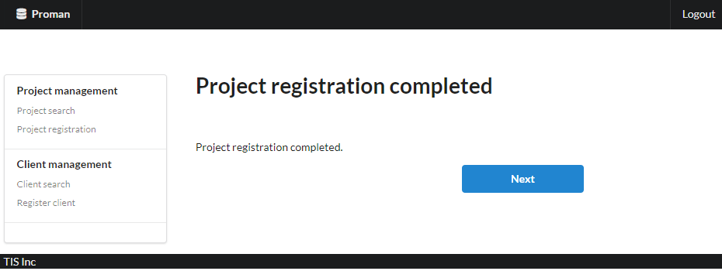

 |  | 4.2. List display

 |  |  | No. | Area name |  |  |  | Paging Yes/No |  |  | Sort conditions |  |  |  |  | Remarks
 |  |  | 1 | - |  |  |  | - |  |  | -

 |  | 4.3 Screen item definition

 |  |  | No. | Display information |  |  |  |  |  |  |  |  |  |  |  |  |  |  |  | Domain name
 |  |  |  | Display item name | Screen item classification |  | Information source |  |  |  |  |  |  |  | Editing specifications |  | Default value |  | Required

 |  |  | 1 | Completion message | label |  | - |  |  |  |  |  |  |  | - |  | - |  | - | -

 |  | 4.4. Input/output list

 |  |  | No. | Input/output name |  | Type |  |  | I/O | DB access type |  |  |  |  |  | Remarks
 |  |  |  |  |  |  |  |  |  | C | R | U | D | Lock target
 |  |  | 1 | - |  | - |  |  | - | - | - | - | - | -

 |  | 4.5 Screen event list

 |  |  | No. | Screen event name | Occurrence timing |  |  |  |  | Screen event overview |  |  |  |  |  |  | Normal transition screen |  |  |  | Server communication Yes/No
 |  |  | 1 | Start registration | Press the "Next" button |  |  |  |  | Transition to project registration screen. |  |  |  |  |  |  | Project registration |  |  |  | Yes (synchronous)

 |  | 4.6. Screen event details
 |  |  | 4.6.1 Start registration event

 |  |  |  | Transition to project registration screen.

