Cover
CONFIDENTIAL
PROJECT PERSONNEL ONLY

Sample Project
System Function Design(screen)
Project Management System/Project Update

 | Version 1.1

2022-10-07

1 Screen subfunction definition
Project name |  |  | Sample Project |  | Deliverable name | System Function Design (Screen) WA10203/Project Update | Prepared by | TIS | 2020-03-05
System name |  |  | Sample System |  |  |  | Changes | TIS | 2022-10-07
Sub-system name |  |  | Project Management System

 | 1. Screen subfunction definition
 |  | 1.1. Subfunction overview
Not implemented in August 2022 version
 |  | Subfunction ID |  | WA10203
 |  | Subfunction name |  | Project Updates
 |  | Subfunction summary |  | Update one data of project.
 |  |  |  | Delete one project data.

 |  | Assumed user |  | Project manager users and participating project member users

2. WA1020301
Project name |  |  |  | Sample Project |  |  |  |  |  |  |  | Deliverable name |  |  |  | System Function Design (Screen) WA10203/Project Update |  |  |  |  |  |  | Prepared by | TIS |  |  | 2020-03-05
System name |  |  |  | Sample System |  |  |  |  |  |  |  |  |  |  |  |  |  |  |  |  |  |  | Changes | TIS |  |  | 2022-10-07
Sub-system name |  |  |  | Project Management System

 | 2. WA1020301 (Project update screen)
 |  | 2.1. Screen layout

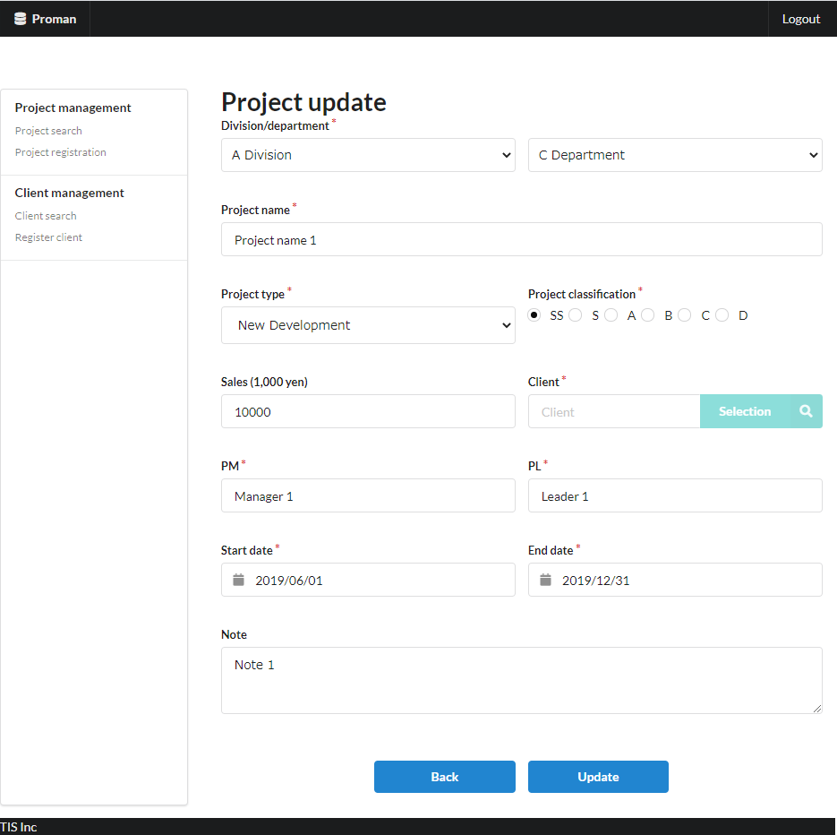

Area name: Project input information

 |  | 2.2. List display

 |  |  | No. | Area name |  |  |  |  |  |  | Paging Yes/No |  |  | Sort conditions |  |  |  |  | Remarks
 |  |  | 1 | - |  |  |  |  |  |  | - |  |  | - |  |  |  |  | -

 |  | 2.3. Screen item definition

 |  |  | No. | Display information |  |  |  |  |  |  |  |  |  |  |  |  |  |  |  |  |  |  |  |  | Domain name |  |  | [Internal design information] Screen item name (physical)
 |  |  |  | Display item name |  |  |  | Screen item classification |  | Information source |  |  |  |  |  |  |  | Editing specifications |  |  |  | Default value |  | Required
 |  |  |  |  |  |  |  |  |  |  |  |  |  |  |  |  |  |  |  |  |  |  |  |  |  |  |  |  | Screen item name (physical)
 |  |  | Area name: Project input information |  |  |  |  |  |  |  |  |  |  |  |  |  |  |  |  |  |  |  |  |  |  |  |  |  | -
 |  |  | 1 | Division |  |  |  | select(pulldown) |  | organization.organization_name |  |  |  |  |  |  |  | 2.6.1.Initial display event, (2) DB access (search processing). (a) Create the organization ID and organization name obtained from the organization search conditions as VALUE and the organization name as LABEL. |  |  |  | - |  | X | Organization ID |  |  |  | divisionId
 |  |  | 2 | Department |  |  |  | select(pulldown) |  | organization.organization_name |  |  |  |  |  |  |  | 2.6.2. Acquisition of department list event, (2) DB access (search processing). (a) Create the organization ID and organization name obtained from the department search conditions as VALUE and the organization name as LABEL. |  |  |  | - |  | X | Organization ID |  |  |  | organizationId
 |  |  | 3 | Project name |  |  |  | text |  | project.project_name |  |  |  |  |  |  |  | - |  |  |  | - |  | X | Project name |  |  |  | projectName
 |  |  | 4 | Project type |  |  |  | select(pulldown) |  | project.project_type |  |  |  |  |  |  |  | ＜acquisition> Code ID: C0300001 Code name: Project type Code pattern : 1 Display name: Code value name No option selected: None |  |  |  | - |  | X | Project type |  |  |  | projectType
 |  |  | 5 | Project classification |  |  |  | radio |  | project.project_classification |  |  |  |  |  |  |  | ＜acquisition> Code ID: C0200001 Code Name ：Project Classification Code pattern : 1 Display name: Code value name No option selected: None |  |  |  | - |  | X | Project classification |  |  |  | projectClass
 |  |  | 6 | Sales |  |  |  | text |  | project.turnover |  |  |  |  |  |  |  | <Display conversion: decimal conversion>. Separate each three digits with a comma. Display "千円(thousand yen)" at the end. |  |  |  | - |  | - | Amount |  |  |  | sales
 |  |  | 7 | Client |  |  |  | label |  | client_management_system.client_detail_retrieval_API |  |  |  |  |  |  |  | - |  |  |  | - |  | X | Client ID |  |  |  | clientId
 |  |  | 8 | PM |  |  |  | text |  | project.pm_kanji_name |  |  |  |  |  |  |  | - |  |  |  | - |  | X | User name (Kanji characters) |  |  |  | projectManager
 |  |  | 9 | PL |  |  |  | text |  | project.pl_kanji_name |  |  |  |  |  |  |  | - |  |  |  | - |  | X | User name (Kanji characters) |  |  |  | projectLeader
 |  |  | 10 | Start date |  |  |  | text |  | project.project_start_date |  |  |  |  |  |  |  | <Display conversion: date conversion>. yyyy/MM/dd |  |  |  | - |  | X | Date |  |  |  | projectStartDate
 |  |  | 11 | End date |  |  |  | text |  | project.project_end_date |  |  |  |  |  |  |  | <Display conversion: date conversion>. yyyy/MM/dd |  |  |  | - |  | X | Date |  |  |  | projectEndDate
 |  |  | 12 | Note |  |  |  | textarea |  | prpject.note |  |  |  |  |  |  |  | - |  |  |  | - |  | - | Note |  |  |  | note

 |  | 2.4. Input/output list

 |  |  | No. | Input/output name |  |  |  |  | Type |  |  | I/O | DB access type |  |  |  |  |  | Remarks
 |  |  |  |  |  |  |  |  |  |  |  |  | C | R | U | D | Lock target
 |  |  | 1 | project_user |  |  |  |  | Table |  |  | I | - | X | - | - | - |  | -
 |  |  | 2 | organization |  |  |  |  | Table |  |  | I | - | X | - | - | - |  | -
Not implemented in August 2022 version
 |  |  | 3 | project |  |  |  |  | Table |  |  | I | - | X | - | - | - |  | -

 |  | 2.5. Screen event list

 |  |  | No. | Screen event name |  |  |  |  | Occurrence timing |  |  |  |  |  | Screen event overview |  |  |  |  |  |  | Normal transition screen |  |  |  | Server communication Yes/No
 |  |  | 1 | Initial display |  |  |  |  | - |  |  |  |  |  | Displays the project registration screen. |  |  |  |  |  |  | - |  |  |  | Yes (synchronous)
 |  |  | 2 | Acquisition of department list |  |  |  |  | "Division" pull-down selection |  |  |  |  |  | Based on the selected business division, set the list of sub-divisions in the "department" pull-down. |  |  |  |  |  |  | - |  |  |  | Yes (asynchronous)
 |  |  | 3 | Client search |  |  |  |  | Press the "Selection" button |  |  |  |  |  | Open the client search screen. |  |  |  |  |  |  | Client search screen |  |  |  | Yes (synchronous)
 |  |  | 4 | Back |  |  |  |  | Press the "Back" button |  |  |  |  |  | Display the project details screen. |  |  |  |  |  |  | Project detail screen |  |  |  | Yes (synchronous)
 |  |  | 5 | Update |  |  |  |  | Press the "Update" button |  |  |  |  |  | Validate the input contents and display the project update confirmation. |  |  |  |  |  |  | Project update confirmation Screen |  |  |  | Yes (synchronous)

 |  | 2.6. Screen event details
 |  |  | 2.6.1. Initial display event

 |  |  |  | (1) Validation processing

Not implemented in August 2022 version
 |  |  |  |  | None.

 |  |  |  | (2) DB access (search processing)
 |  |  |  |  | (a) If the user is not the project manager, make sure that the project to be updated is a project in which the member is a participant.

 |  |  |  |  |  | Acquired table name |  |  |  |  | Acquisition column name |  |  |  |  |  |  |  |  |  | Screen item name
 |  |  |  |  |  | project_user |  |  |  |  | user_id |  |  |  |  |  |  |  |  |  | Used to confirm existence.
 |  |  |  |  |  | 結合条件

 |  |  |  |  |  |  |  | project_user.project_id |  |  |  |  |  |  | = |  |  | Project ID (request parameter)

 |  |  |  |  |  |  | AND | project_user.user_id |  |  |  |  |  |  | = |  |  | User ID (from the session)

 |  |  |  |  |  | If the above data does not exist and the user is not the project manager, no further processing is performed and the screen transitions to the General Error
 |  |  |  |  |  | (WA10302 (Authorization Error)) screen as an authorization error.

 |  |  |  |  | (b) Organization search conditions

 |  |  |  |  |  | Acquired table name |  |  |  |  |  |  |  | Acquisition column name
 |  |  |  |  |  | organization |  |  |  |  |  |  |  | organization_id
 |  |  |  |  |  |  |  |  |  |  |  |  |  | organization_name
 |  |  |  |  |  | Search conditions

 |  |  |  |  |  |  | organization.upper_organization |  |  |  |  |  |  | IS | NULL

 |  |  |  |  |  | Sorting conditions

 |  |  |  |  |  |  | ORDER BY |  | organization.organization_id

 |  |  |  | (3) Display processing

Not implemented in August 2022version
 |  |  |  |  | (a) Initialize the "Division" pull-down.
 |  |  |  |  |  | Add a blank option at the beginning of the search result of "(2) Search processing" and set it to "Division".

 |  |  | 2.6.2. Department list acquisition event

 |  |  |  | (1) Validation processing

 |  |  |  |  | None.

 |  |  |  | (2) DB access (search processing)
 |  |  |  |  | (a) Organization search conditions
 |  |  |  |  |  |  |  |  |  |  |  |  |  |  |  |  |  |  |  |  |  |  |  |  |  |  |  |  | Tentatively implemented in the August 2022 version under the following conditions
 |  |  |  |  |  | Acquired table name |  |  |  |  |  |  |  | Acquisition column name |  |  |  |  |  |  |  |  |  |  |  |  |  |  | Acquired table name |  |  | Acquisition column name
 |  |  |  |  |  | organization |  |  |  |  |  |  |  | organization_id |  |  |  |  |  |  |  |  |  |  |  |  |  |  | organization |  |  | organization_id
 |  |  |  |  |  |  |  |  |  |  |  |  |  | organization_name |  |  |  |  |  |  |  |  |  |  |  |  |  |  |  |  |  | organization_name
 |  |  |  |  |  | Search conditions |  |  |  |  |  |  |  |  |  |  |  |  |  |  |  |  |  |  |  |  |  |  | Search conditions

 |  |  |  |  |  |  | organization.upper_organization |  |  |  |  |  |  | = | Division (input value) |  |  |  |  |  |  |  |  |  |  |  |  |  |  | organization.upper_organization |  | IS NOT NULL

 |  |  |  |  |  | Sorting conditions |  |  |  |  |  |  |  |  |  |  |  |  |  |  |  |  |  |  |  |  |  |  | Sorting conditions

 |  |  |  |  |  |  | ORDER BY |  | organization.organization_id |  |  |  |  |  |  |  |  |  |  |  |  |  |  |  |  |  |  |  |  | ORDER BY | organization.organization_id

 |  |  |  | (3) Display processing

 |  |  |  |  | (a) Initialize the "Department" pull-down.
 |  |  |  |  |  | Add a blank option at the beginning of the search result of "(2) Search processing" and set it to "Department".

 |  |  | 2.6.3. Client search event

 |  |  |  | (1) Validation processing

 |  |  |  |  | None.

 |  |  |  | (2) Display processing

 |  |  |  |  | Open the client search screen as a pop-up screen.

 |  |  | 2.6.5.Update event
 |  |  |  | (1) Validation processing

 |  |  |  |  | No. | Validation name |  |  |  | Validation content |  |  |  |  |  |  |  |  |  | Message ID |  | Embedded character string |  |  | Determination of validation of process continuation in the event of an error
 |  |  |  |  | 1 | Single item validation |  |  |  | For all input fields, validation is performed according to the specified domain, and the validity of the input content is confirmed. |  |  |  |  |  |  |  |  |  | (By domain) |  | (By domain) |  |  | Finish
 |  |  |  |  | 2 | Date combination validation |  |  |  | If both "Project start date" and "Project end date" are entered, then "Project start date" must be before the "Project end date". |  |  |  |  |  |  |  |  |  | validator.dateRange.message |  | {0}: End date {1}: Start date |  |  | Finish

 |  |  |  |  | If an error occurs at any one point in the above validation, then subsequent processing is not carried out.

 |  |  |  | (2) Display processing
 |  |  |  |  | Displays the contents entered in the update screen on the update confirmation screen. See "3. Project update confirmation screen" for screen layout and display items.

 |  |  | 2.6.6. Back event

 |  |  |  | System Functional Design Document (Screen)_WA10202_Project Inquiry.xlsx: Refer to "3. WA10202 (Project Details Screen): 3.6. Screen Event Details: 3.6.1. Initial Display Event".
 |  |  |  | The parameters received in the initial display are sent as request parameters.

3. WA1020302
Project name |  |  |  | Sample Project |  |  |  |  |  |  |  | Deliverable name |  |  |  | System Function Design (Screen) WA10203/Project Update |  |  |  |  |  | Prepared by | TIS |  |  | 2020-03-05
System name |  |  |  | Sample System |  |  |  |  |  |  |  |  |  |  |  |  |  |  |  |  |  | Changes | TIS |  |  | 2022-10-07
Sub-system name |  |  |  | Project Management System

 | 3. WA1020302 (Project update confirmation screen)
 |  | 3.1. Screen layout

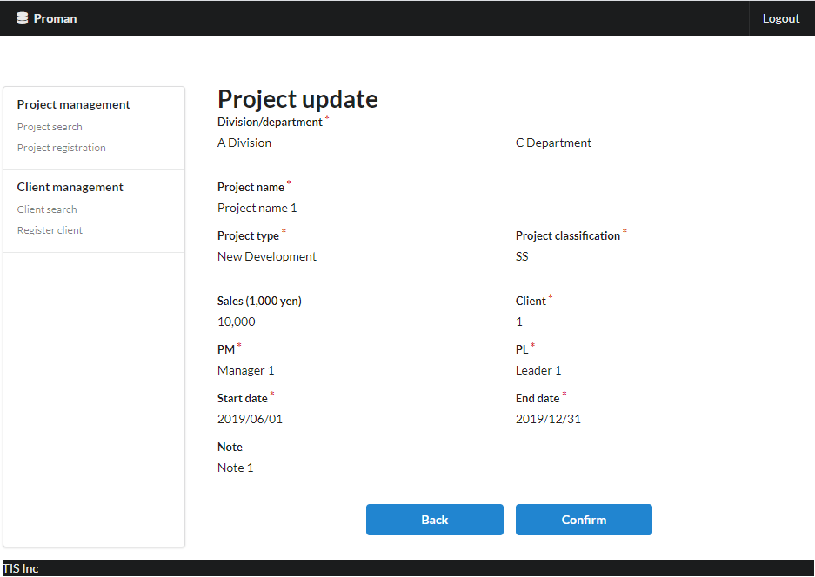
Area name: Check project information

 |  | 3.2. List display

 |  |  | No. | Area name |  |  |  |  |  |  | Paging Yes/No |  |  | Sort conditions |  |  |  |  | Remarks
 |  |  | 1 | - |  |  |  |  |  |  | - |  |  | - |  |  |  |  | -
 |  |  |  |  |  |  |  |  |  |  |  |  |  |  |  |  |  |  |  |  |  |  |  |  |  |  | [Internal design information] Screen item name (physical)
 |  | 3.3. Screen item definition |  |  |  |  |  |  |  |  |  |  |  |  |  |  |  |  |  |  |  |  |  |  |  |  |  | (Refer to 2.3. Screen item definition)

 |  |  | No. | Display information |  |  |  |  |  |  |  |  |  |  |  |  |  |  |  |  |  |  |  | Domain name
 |  |  |  | Display item name |  |  |  | Screen item classification |  | Information source |  |  |  |  |  |  |  | Editing specifications |  |  | Default value |  | Required

 |  |  | Area name: Project input information
 |  |  | 1 | Division |  |  |  | label |  | - |  |  |  |  |  |  |  | - |  |  | - |  | X | Organization ID
 |  |  | 2 | Department |  |  |  | label |  | - |  |  |  |  |  |  |  | - |  |  | - |  | X | Organization ID
 |  |  | 3 | Project name |  |  |  | label |  | - |  |  |  |  |  |  |  | - |  |  | - |  | X | Project name
 |  |  | 4 | Project type |  |  |  | label |  | - |  |  |  |  |  |  |  |  |  |  | - |  | X | Project type
 |  |  | 5 | Project classification |  |  |  | label |  | - |  |  |  |  |  |  |  |  |  |  | - |  | X | Project classification
 |  |  | 6 | Sales |  |  |  | label |  | - |  |  |  |  |  |  |  | - |  |  | - |  | - | Amount
 |  |  | 7 | Client |  |  |  | label |  | - |  |  |  |  |  |  |  | - |  |  | - |  | X | Client ID
 |  |  | 8 | PM |  |  |  | label |  | - |  |  |  |  |  |  |  | - |  |  | - |  | X | User name (Kanji characters)
 |  |  | 9 | PL |  |  |  | label |  | - |  |  |  |  |  |  |  | - |  |  | - |  | X | User name (Kanji characters)
 |  |  | 10 | Start date |  |  |  | label |  | - |  |  |  |  |  |  |  | - |  |  | - |  | X | Date
 |  |  | 11 | End date |  |  |  | label |  | - |  |  |  |  |  |  |  | - |  |  | - |  | X | Date
 |  |  | 12 | Note |  |  |  | label |  | - |  |  |  |  |  |  |  | - |  |  | - |  | - | Note

 |  | 3.4. Input/output list

 |  |  | No. | Input/output name |  |  |  |  | Type |  |  | I/O | DB access type |  |  |  |  |  | Remarks
 |  |  |  |  |  |  |  |  |  |  |  |  | C | R | U | D | Lock target
 |  |  | 1 | project |  |  |  |  | Table |  |  | O | - | - | X | - | - |  | -
 |  |  | 2 | organization |  |  |  |  | Table |  |  | I | - | X | - | - | - |  | -

 |  | 3.5. Screen event list

 |  |  | No. | Screen event name |  |  |  |  | Occurrence timing |  |  |  |  |  | Screen event overview |  |  |  |  |  | Normal transition screen |  |  |  | Server communication Yes/No
 |  |  | 1 | Confirm |  |  |  |  | Press the "Confirm" button |  |  |  |  |  | Update the contents displayed on this screen in the database. |  |  |  |  |  | Project update complete |  |  |  | Yes (synchronous)
 |  |  | 2 | Back |  |  |  |  | Press the "Back" button |  |  |  |  |  | The contents displayed on this screen are displayed on the update screen. |  |  |  |  |  | Project update |  |  |  | Yes (synchronous)

 |  | 3.6. Screen event details
 |  |  | 3.6.1. Confirmed event
 |  |  |  | (1) Validation processing

 |  |  |  |  |  | None.

 |  |  |  | (2) DB access (register, update processing)

 |  |  |  |  | Updates the contents of the display to the database. The update specifications are as follows

 |  |  |  |  | Project table

 |  |  |  |  |  | No. | Output item name |  |  |  | Output information |  |  |  |  |  |  |  |  | Editing specifications |  |  |  |  | Remarks
 |  |  |  |  |  |  |  |  |  |  | Information source |  |  |  |  | Item name
 |  |  |  |  |  | 1 | project_id |  |  |  | Automatic numbering by DB |  |  |  |  | - |  |  |  | -
 |  |  |  |  |  | 2 | project_name |  |  |  | Project update screen |  |  |  |  | Project name |  |  |  | -
 |  |  |  |  |  | 3 | project_type |  |  |  |  |  |  |  |  | Project type |  |  |  | -
 |  |  |  |  |  | 4 | project_class |  |  |  |  |  |  |  |  | Project classification |  |  |  | -
 |  |  |  |  |  | 5 | project_start_date |  |  |  |  |  |  |  |  | Start date |  |  |  | -
 |  |  |  |  |  | 6 | project_end_date |  |  |  |  |  |  |  |  | End date |  |  |  | -
 |  |  |  |  |  | 7 | organization_id |  |  |  |  |  |  |  |  | Department |  |  |  | -
 |  |  |  |  |  | 8 | client_id |  |  |  |  |  |  |  |  | Client |  |  |  | -
 |  |  |  |  |  | 9 | pm_kanji_name |  |  |  |  |  |  |  |  | PM |  |  |  | -
 |  |  |  |  |  | 10 | pl_kanji_name |  |  |  |  |  |  |  |  | PL |  |  |  | -
 |  |  |  |  |  | 11 | note |  |  |  |  |  |  |  |  | Note |  |  |  | -
 |  |  |  |  |  | 12 | sales_amount |  |  |  |  |  |  |  |  | Sales |  |  |  | -
 |  |  |  |  |  | 13 | version_no |  |  |  | - |  |  |  |  | - |  |  |  | "1" fixed
 |  |  |  |  |  | Update Condition

 |  |  |  |  |  |  | project.project_id |  |  |  |  | = | Project ID (request parameter)

 |  |  |  | (3) Display processing

 |  |  |  |  | Displays the Project Update Complete screen. See "4. Project Update Completion Screen" for screen configuration and display items.

 |  |  | 3.6.2. Back event

 |  |  |  | (1) Display processing

 |  |  |  |  | The contents displayed on this screen are displayed on the project update screen. See "2. Project update screen" for screen layout and display items.

4. WA1020303
Project name |  |  |  | Sample Project |  |  |  |  | Deliverable name |  |  |  | System Function Design (Screen) WA10203/Project Update |  |  |  |  | Prepared by | TIS |  |  | 2020-03-05
System name |  |  |  | Sample System |  |  |  |  |  |  |  |  |  |  |  |  |  | Changes | TIS |  |  | 2022-10-07
Sub-system name |  |  |  | Project Management System

 | 4. WA1020303(Project update complete screen)
 |  | 4.1. Screen layout
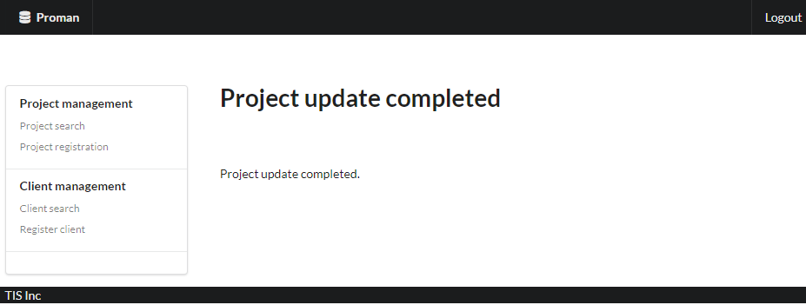

 |  | 4.2. List display

 |  |  | No. | Area name |  |  |  | Paging Yes/No |  |  | Sort conditions |  |  |  |  | Remarks
 |  |  | 1 | - |  |  |  | - |  |  | -

 |  | 4.3. Screen item definition

 |  |  | No. | Display information |  |  |  |  |  |  |  |  |  |  |  |  |  |  |  | Domain name
 |  |  |  | Display item name | Screen item classification |  | Information source |  |  |  |  |  |  |  | Editing specifications |  | Default value |  | Required

 |  |  | 1 | Completion message | label |  | - |  |  |  |  |  |  |  | - |  | - |  | - | -

 |  | 4.4. Input/output list

 |  |  | No. | Input/output name |  | Type |  |  | I/O | DB access type |  |  |  |  |  | Remarks
 |  |  |  |  |  |  |  |  |  | C | R | U | D | Lock target
 |  |  | 1 | - |  | - |  |  | - | - | - | - | - | -

 |  | 4.5. Screen event list

 |  |  | No. | Screen event name | Occurrence timing |  |  |  |  | Screen event overview |  |  |  |  |  |  | Normal transition screen |  |  |  | Server communication Yes/No
 |  |  | 1 | - | - |  |  |  |  | - |  |  |  |  |  |  | -

 |  | 4.6. Screen event details

 |  |  | None.

