システム構成イメージ
Project management system
Customer management system
Customer management
DB
Project
management DB
Project management
User management
Project management
(Web application
Execution platform)
On-demand batch
(Batch application
Execution platform)
DB access
DB access

Associated system groups
User
DB access
DB access

Customer management system
APIserver
(Web service execution platform)

Resident batch
(Messaging execution platform)

API call (HTTP)

* | Change to png, change to horizontal1200px and use as png.

利用イメージ


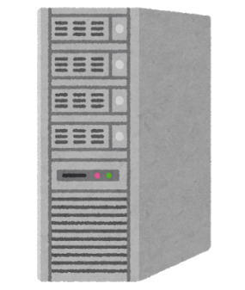
Manager
Member
Project management system
Register/update/delete all projects
Register customer
Batch registration of projects
Linking users engaged in a project
Search and browse projects
Search and browse projects
Update/delete project in charge
Check list of projects in charge
Extract list of projects in which each user is engaged

