2. WA1020301
2. WA1020301 (Project update screen)
 | 2.1 Screen layout

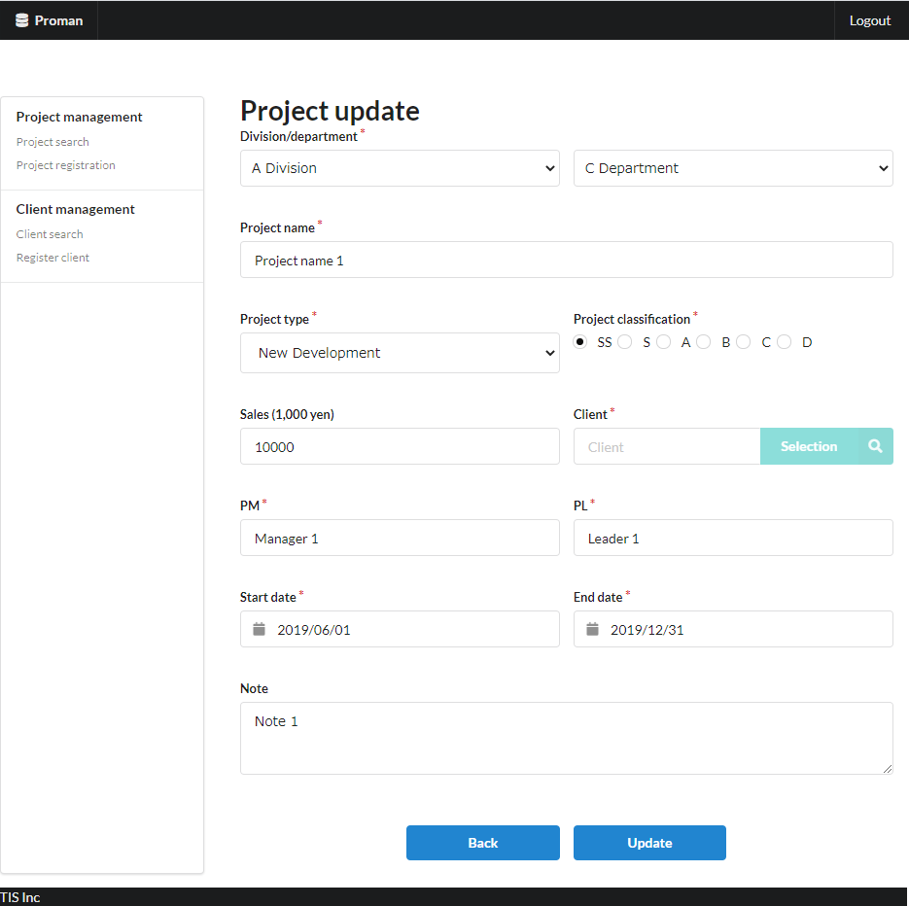

Area name: Project input information

 | 2.2. List display

 |  | No. | Area name |  |  |  |  |  |  | Paging Yes/No |  |  | Sort conditions |  |  |  |  | Remarks
 |  | 1 | - |  |  |  |  |  |  | - |  |  | - |  |  |  |  | -

 | 2.3 Screen item definition

 |  | No. | Display information |  |  |  |  |  |  |  |  |  |  |  |  |  |  |  |  |  |  | Domain name |  | [Internal design information] Screen item name (physical)
 |  |  | Display item name |  |  |  | Screen item classification |  | Information source |  |  |  |  |  |  |  | Editing specifications |  |  | Default value | Required
 |  |  |  |  |  |  |  |  |  |  |  |  |  |  |  |  |  |  |  |  |  |  |  |  | Screen item name (physical)
 |  | Area name: Project input information |  |  |  |  |  |  |  |  |  |  |  |  |  |  |  |  |  |  |  |  |  |  | -
 |  | 1 | Division |  |  |  | select(pulldown) |  | organization.organization_name |  |  |  |  |  |  |  | - |  |  | - | X | Organization ID |  |  | divisionId
 |  | 2 | Department |  |  |  | select(pulldown) |  | organization.organization_name |  |  |  |  |  |  |  | - |  |  | - | X | Organization ID |  |  | organizationId
 |  | 3 | Project name |  |  |  | text |  | project.project_name |  |  |  |  |  |  |  | - |  |  | - | X | Project name |  |  | projectName
 |  | 4 | Project type |  |  |  | select(pulldown) |  | project.project_type |  |  |  |  |  |  |  | ＜acquisition> Code ID: C0300001 Code name: Project type Code pattern : 1 Display name: Code value name No option selected: None |  |  | - | X | Project type |  |  | projectType
 |  | 5 | Project classification |  |  |  | radio |  | project.project_classification |  |  |  |  |  |  |  | ＜acquisition> Code ID: C0200001 Code Name ：Project Classification Code pattern : 1 Display name: Code value name No option selected: None |  |  | - | X | Project classification |  |  | projectClass
 |  | 6 | Sales |  |  |  | text |  | project.turnover |  |  |  |  |  |  |  | <Display conversion: decimal conversion>. Separate each three digits with a comma. Display "千円(thousand yen)" at the end. |  |  | - | - | Sales |  |  | sales
 |  | 7 | Client |  |  |  | label |  | client_management_system.client_detail_retrieval_API |  |  |  |  |  |  |  | - |  |  | - | X | Client ID |  |  | clientId
 |  | 8 | PM |  |  |  | text |  | project.project_manager |  |  |  |  |  |  |  | - |  |  | - | X | User name (Kanji characters) |  |  | projectManager
 |  | 9 | PL |  |  |  | text |  | project.project_leader |  |  |  |  |  |  |  | - |  |  | - | X | User name (Kanji characters) |  |  | projectLeader
 |  | 10 | Start date |  |  |  | text |  | project.project_start_date |  |  |  |  |  |  |  | <Display conversion: date conversion>. yyyy/MM/dd |  |  | - | X | Date |  |  | projectStartDate
 |  | 11 | End date |  |  |  | text |  | project.project_end_date |  |  |  |  |  |  |  | <Display conversion: date conversion>. yyyy/MM/dd |  |  | - | X | Date |  |  | projectEndDate
 |  | 12 | Note |  |  |  | textarea |  | prpject.note |  |  |  |  |  |  |  | - |  |  | - | - | Remarks |  |  | note

 | 2.4. Input/output list

 |  | No. | Input/output name |  |  |  |  | Type |  |  | I/O | DB access type |  |  |  |  |  | Remarks
 |  |  |  |  |  |  |  |  |  |  |  | C | R | U | D | Lock target
 |  | 1 | Organization |  |  |  |  | Table |  |  | I | - | X | - | - | - |  | -

Not implemented in September 2019 version
 | 2.5 Screen event list

 |  | No. | Screen event name |  |  |  |  | Occurrence timing |  |  |  |  |  | Screen event overview |  |  |  |  |  | Normal transition screen |  |  | Server communication Yes/No
 |  | 1 | Initial display |  |  |  |  | - |  |  |  |  |  | Displays the project registration screen. |  |  |  |  |  | - |  |  | Yes (synchronous)
 |  | 2 | Acquisition of department list |  |  |  |  | "Division" pull-down selection |  |  |  |  |  | Based on the selected business division, set the list of sub-divisions in the "department" pull-down. |  |  |  |  |  | - |  |  | Yes (asynchronous)
 |  | 3 | Client search |  |  |  |  | Press the "Client selection" button |  |  |  |  |  | Open the client search screen. |  |  |  |  |  | Client search screen |  |  | Yes (synchronous)
 |  | 4 | Back |  |  |  |  | Press the "Back" button |  |  |  |  |  | Display the project details screen. |  |  |  |  |  | Project detail screen |  |  | Yes (synchronous)
 |  | 5 | Update |  |  |  |  | Press the "Update" button |  |  |  |  |  | Validate the input contents and display the project update confirmation. |  |  |  |  |  | Project update confirmation Screen |  |  | Yes (synchronous)

 | 2.6. Screen event details
 |  | 2.6.1. Initial display event

 |  |  | (1) Validation processing

 |  |  |  | None.

 |  |  | (2) DB access (search processing)
 |  |  |  | (a) Organization search conditions

 |  |  |  |  | Acquired table name |  |  |  |  |  |  |  | Acquisition column name
 |  |  |  |  | ORGANIZATION |  |  |  |  |  |  |  | ORGANIZATION_ID
 |  |  |  |  |  |  |  |  |  |  |  |  | ORGANIZATION_NAME
 |  |  |  |  | Search conditions

 |  |  |  |  |  | ORGANIZATION.UPPER_ORGANIZATION |  |  |  |  |  |  | = | NULL

 |  |  | (3) Display processing

 |  |  |  | (a) Initialize the "division" pull-down.
 |  |  |  |  | Add a blank option at the beginning of the search result of "(2) Search processing" and set it to "division".

Not implemented in September 2019 version
 |  | 2.6.2. Department list acquisition event

 |  |  | (1) Validation processing

 |  |  |  | None.

 |  |  | (2) DB access (search processing)
 |  |  |  | (a) Organization search conditions

 |  |  |  |  | Acquired table name |  |  |  |  |  |  |  | Acquisition column name
 |  |  |  |  | ORGANIZATION |  |  |  |  |  |  |  | ORGANIZATION_ID
 |  |  |  |  |  |  |  |  |  |  |  |  | ORGANIZATION_NAME
 |  |  |  |  | Search conditions

 |  |  |  |  |  | ORGANIZATION.UPPER_ORGANIZATION |  |  |  |  |  |  | = | Division (input value)

 |  |  | (3) Display processing

 |  |  |  | (a) Initialize the "department" pull-down.
 |  |  |  |  | Add a blank option at the beginning of the search result of "(2) Search processing" and set it to "department".

 |  | 2.6.3. Client search event

 |  |  | (1) Validation processing

 |  |  |  | None.

 |  |  | (2) Display processing

 |  |  |  | Open the client search screen as a pop-up screen.

 |  | 2.6.5. Confirmation event
 |  |  | (1) Validation processing

 |  |  |  | No. | Validation name |  |  |  | Validation content |  |  |  |  |  |  |  |  |  | Message ID | Embedded character string |  | Determination of validation of process continuation in the event of an error
 |  |  |  | 1 | Single item validation |  |  |  | For all input fields, validation is performed according to the specified domain, and the validity of the input content is confirmed. |  |  |  |  |  |  |  |  |  | (By domain) | (By domain) |  | Finish
 |  |  |  | 2 | Date combination validation |  |  |  | If both "Project start date" and "Project end date" are entered, then "Project start date" must be before the "Project end date". |  |  |  |  |  |  |  |  |  | validator.dateRange.message | {0}: End date {1}: Start date |  | Finish

 |  |  |  | If an error occurs at any one point in the above validation, then subsequent processing is not carried out.

 |  |  | (2) Display processing
 |  |  |  | Displays the contents entered in the update screen on the update confirmation screen. See "3. Project update confirmation screen" for screen layout and display items.

3. WA1020302
3. WA1020302 (Project update confirmation screen)
 | 3.1 Screen layout

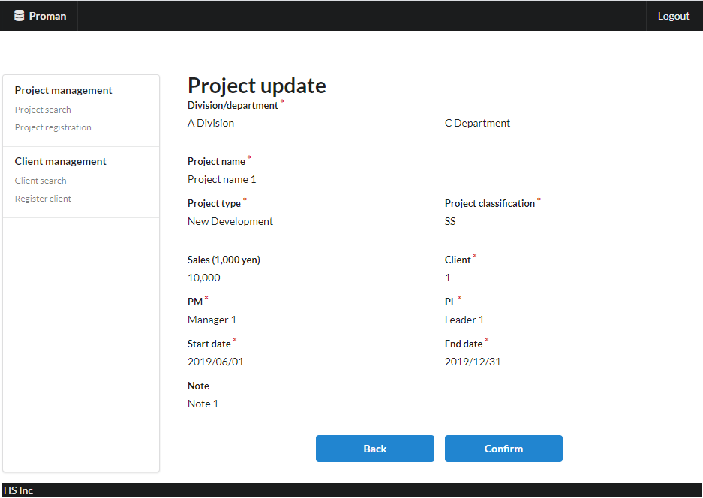
Area name: Check project information

 | 3.2. List display

 |  | No. | Area name |  |  |  |  |  |  | Paging Yes/No |  |  | Sort conditions |  |  |  |  | Remarks
 |  | 1 | - |  |  |  |  |  |  | - |  |  | - |  |  |  |  | -

 | 3.3 Screen item definition

 |  | No. | Display information |  |  |  |  |  |  |  |  |  |  |  |  |  |  |  |  |  |  | Domain name |  | [Internal design information] Screen item name (physical)
 |  |  | Display item name |  |  |  | Screen item classification |  | Information source |  |  |  |  |  |  |  | Editing specifications |  |  | Default value | Required |  |  |  | (Refer to 2.3. Screen item definition)

 |  | Area name: Project input information
 |  | 1 | Division |  |  |  | label |  | - |  |  |  |  |  |  |  | - |  |  | - | X | Organization ID
 |  | 2 | Department |  |  |  | label |  | - |  |  |  |  |  |  |  | - |  |  | - | X | Organization ID
 |  | 3 | Project name |  |  |  | label |  | - |  |  |  |  |  |  |  | - |  |  | - | X | Project name
 |  | 4 | Project type |  |  |  | label |  | - |  |  |  |  |  |  |  |  |  |  | - | X | Project type
 |  | 5 | Project classification |  |  |  | label |  | - |  |  |  |  |  |  |  |  |  |  | - | X | Project classification
 |  | 6 | Sales |  |  |  | label |  | - |  |  |  |  |  |  |  | - |  |  | - | - | Sales
 |  | 7 | Client |  |  |  | label |  | - |  |  |  |  |  |  |  | - |  |  | - | X | Client ID
 |  | 8 | PM |  |  |  | label |  | - |  |  |  |  |  |  |  | - |  |  | - | X | User name (Kanji characters)
 |  | 9 | PL |  |  |  | label |  | - |  |  |  |  |  |  |  | - |  |  | - | X | User name (Kanji characters)
 |  | 10 | Start date |  |  |  | label |  | - |  |  |  |  |  |  |  | - |  |  | - | X | Date
 |  | 11 | End date |  |  |  | label |  | - |  |  |  |  |  |  |  | - |  |  | - | X | Date
 |  | 12 | Note |  |  |  | label |  | - |  |  |  |  |  |  |  | - |  |  | - | - | Remarks

 | 3.4. Input/output list

 |  | No. | Input/output name |  |  |  |  | Type |  |  | I/O | DB access type |  |  |  |  |  | Remarks
 |  |  |  |  |  |  |  |  |  |  |  | C | R | U | D | Lock target
 |  | 1 | Project |  |  |  |  | Table |  |  | O | X | - | - | - | - |  | -
 |  | 2 | Organization |  |  |  |  | Table |  |  | I | - | X | - | - | - |  | -

 | 3.5 Screen event list

 |  | No. | Screen event name |  |  |  |  | Occurrence timing |  |  |  |  |  | Screen event overview |  |  |  |  |  | Normal transition screen |  |  | Server communication Yes/No
 |  | 1 | Confirm |  |  |  |  | Press the "OK" button |  |  |  |  |  | Registers the contents displayed on this screen in the database. |  |  |  |  |  | Project update complete |  |  | Yes (synchronous)
 |  | 2 | Back |  |  |  |  | Press the "Back" button |  |  |  |  |  | The contents displayed on this screen are displayed on the registration screen. |  |  |  |  |  | Project update |  |  | Yes (synchronous)

 | 3.6. Screen event details
 |  | 3.6.1. Confirmation event
 |  |  | (1) Validation processing

 |  |  |  |  | None.

 |  |  | (2) DB access (register, update processing)

 |  |  |  | Registers the displayed contents in the database. The registration specifications are as follows.

 |  |  |  | Project table

 |  |  |  |  | No. | Output item name |  |  |  | Output information |  |  |  |  |  |  |  |  | Editing specifications |  |  |  | Remarks
 |  |  |  |  |  |  |  |  |  | Information source |  |  |  |  | Item name
 |  |  |  |  | 1 | PROJECT_ID |  |  |  | Automatic numbering by DB |  |  |  |  | Project ID |  |  |  | -
 |  |  |  |  | 2 | PROJECT_NAME |  |  |  | Project registration screen |  |  |  |  | Project name |  |  |  | -
 |  |  |  |  | 3 | PROJECT_TYPE |  |  |  |  |  |  |  |  | Project type |  |  |  | -
 |  |  |  |  | 4 | PROJECT_CLASS |  |  |  |  |  |  |  |  | Project classification |  |  |  | -
 |  |  |  |  | 5 | PROJECT_START_DATE |  |  |  |  |  |  |  |  | Start date |  |  |  | -
 |  |  |  |  | 6 | PROJECT_END_DATE |  |  |  |  |  |  |  |  | End date |  |  |  | -
 |  |  |  |  | 7 | ORGANIZATION_ID |  |  |  |  |  |  |  |  | Department |  |  |  | -
 |  |  |  |  | 8 | CLIENT_ID |  |  |  |  |  |  |  |  | Client |  |  |  | -
 |  |  |  |  | 9 | PROJECT_MANAGER |  |  |  |  |  |  |  |  | PM |  |  |  | -
 |  |  |  |  | 10 | PROJECT_LEADER |  |  |  |  |  |  |  |  | PL |  |  |  | -
 |  |  |  |  | 11 | NOTE |  |  |  |  |  |  |  |  | Note |  |  |  | -
 |  |  |  |  | 12 | SALES |  |  |  |  |  |  |  |  | Sales |  |  |  | -
 |  |  |  |  | 13 | VERSION_NO |  |  |  | - |  |  |  |  | - |  |  |  | "1" fixed

 |  |  | (3) Display processing

 |  |  |  | Displays the project registration completion screen. See "4. Project registration completion screen" for screen layout and display items.

 |  | 3.6.2. Back event

 |  |  | (1) Display processing

 |  |  |  | The contents displayed on this screen are displayed on the project update screen. See "2. Project update screen" for screen layout and display items.

4. WA1020303
4. WA1020303(Project update completion screen)
 | 4.1 Screen layout
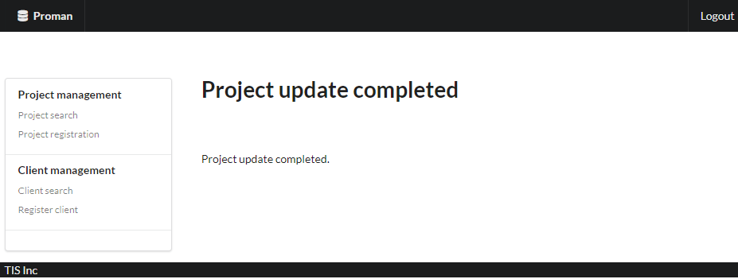

 | 4.2. List display

 |  | No. | Area name |  |  |  | Paging Yes/No |  |  | Sort conditions |  |  |  |  | Remarks
 |  | 1 | - |  |  |  | - |  |  | -

 | 4.3 Screen item definition

 |  | No. | Display information |  |  |  |  |  |  |  |  |  |  |  |  |  |  | Domain name
 |  |  | Display item name | Screen item classification |  | Information source |  |  |  |  |  |  |  | Editing specifications |  | Default value | Required

 |  | 1 | Completion message | label |  | - |  |  |  |  |  |  |  | - |  | - | - | -

 | 4.4. Input/output list

 |  | No. | Input/output name |  | Type |  |  | I/O | DB access type |  |  |  |  |  | Remarks
 |  |  |  |  |  |  |  |  | C | R | U | D | Lock target
 |  | 1 | - |  | - |  |  | - | - | - | - | - | -

 | 4.5 Screen event list

 |  | No. | Screen event name | Occurrence timing |  |  |  |  | Screen event overview |  |  |  |  |  |  | Normal transition screen |  |  | Server communication Yes/No
 |  | 1 | - | - |  |  |  |  | - |  |  |  |  |  |  | -

 | 4.6. Screen event details

