Cover
CONFIDENTIAL
PROJECT PERSONNEL ONLY

Sample Project
System Function Design Document(screen)
Client Management System/Project Search

 | Version 1.1

2020-03-05

2. WA1020201
Project name |  |  |  | Sample Project |  |  |  |  |  |  |  |  | Deliverable name |  |  |  | System Function Design Document (Screen) WA10202/Project Search |  |  |  |  |  |  | Prepared by | TIS |  |  | 2019-12-05
System name |  |  |  | Sample System |  |  |  |  |  |  |  |  |  |  |  |  |  |  |  |  |  |  |  | Changes | TIS |  |  | 2020-03-05
Sub-system name |  |  |  | Project Management System

 | 2. WA1020201 (Project search screen)
 |  | 2.1 Screen layout

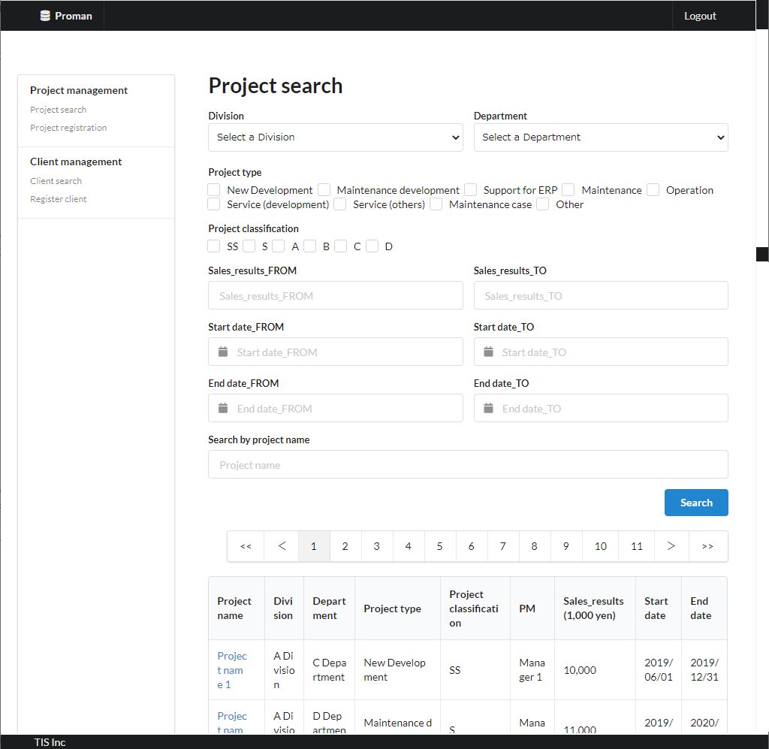
Area name: Enter project search criteria

Area Name：Project Search Result List

 |  | 2.2. List display

 |  |  | No. | Area name |  |  |  |  |  |  |  | Paging Yes/No |  |  | Sort conditions |  |  |  |  | Remarks
 |  |  | 1 | Project Search Results List |  |  |  |  |  |  |  | Yes |  |  | Project ID Ascending |  |  |  |  | -

 |  |  |  |  |  |  |  |  |  |  |  |  |  |  |  |  |  |  |  |  |  |  |  |  |  |  |  |  | [Internal design information] Screen item name (physical)
 |  | 2.3 Screen item definition
 |  |  |  |  |  |  |  |  |  |  |  |  |  |  |  |  |  |  |  |  |  |  |  |  |  |  |  |  |  | Screen item name (physical)
 |  |  | No. | Display information |  |  |  |  |  |  |  |  |  |  |  |  |  |  |  |  |  |  |  |  |  | Domain name |  |  |  | -
 |  |  |  | Display item name |  |  |  | Screen item classification |  |  | Information source |  |  |  |  |  |  |  | Editing specifications |  |  |  | Default value |  | Required |  |  |  |  | divisionId
 |  |  |  |  |  |  |  |  |  |  |  |  |  |  |  |  |  |  |  |  |  |  |  |  |  |  |  |  |  | organizationId
 |  |  | Area name: Enter project search criteria |  |  |  |  |  |  |  |  |  |  |  |  |  |  |  |  |  |  |  |  |  |  |  |  |  |  | projectType
 |  |  | 1 | Division |  |  |  | select(pulldown) |  |  | - |  |  |  |  |  |  |  | 2.6.1.Initial display event, (2) DB access (search processing). (a) Create the organization ID obtained from the organization search conditions as VALUE and the organization name as LABEL. |  |  |  | - |  | X | Organization ID |  |  |  | projectClass
 |  |  | 2 | Department |  |  |  | select(pulldown) |  |  | - |  |  |  |  |  |  |  | 2.6.2.Create a department list acquisition event, (2) DB access (search processing), (a) organization search conditions, the acquired organization ID as VALUE, and the organization name as LABEL. |  |  |  | - |  | X | Organization ID |  |  |  | salesFrom
 |  |  | 3 | Project type |  |  |  | checkbox |  |  | - |  |  |  |  |  |  |  | ＜acquisition> Code ID: C0300001 Code name: PJ type Code pattern : 1 Display name: Code value name No option selected: None |  |  |  | Select Division |  | - | Project type |  |  |  | salesTo
 |  |  | 4 | Project classification |  |  |  | checkbox |  |  | - |  |  |  |  |  |  |  | ＜acquisition> Code ID: C0200001 Code Name ：Project Classification Code pattern : 1 Display name: Code value name No choice: None. |  |  |  | Select Department |  | - | Project classification |  |  |  | projectStartDateFrom
 |  |  | 5 | Sales_results_FROM |  |  |  | text |  |  | - |  |  |  |  |  |  |  | - |  |  |  | - |  | - | Turnover |  |  |  | projectStartDateTo
 |  |  | 6 | Sales_results_TO |  |  |  | text |  |  | - |  |  |  |  |  |  |  | - |  |  |  | - |  | - | Turnover |  |  |  | projectEndDateFrom
 |  |  | 7 | Start_date_FROM |  |  |  | calendar |  |  | - |  |  |  |  |  |  |  | <Display conversion: date conversion>. yyyy/MM/dd |  |  |  | - |  | - | date |  |  |  | projectEndDateTo
 |  |  | 8 | Start_date_TO |  |  |  | calendar |  |  | - |  |  |  |  |  |  |  | <Display conversion: date conversion>. yyyy/MM/dd |  |  |  | - |  | - | date |  |  |  | projectName
 |  |  | 9 | End_date_FROM |  |  |  | calendar |  |  | - |  |  |  |  |  |  |  | <Display conversion: date conversion>. yyyy/MM/dd |  |  |  | - |  | - | date |  |  |  | -
 |  |  | 10 | End_date_TO |  |  |  | calendar |  |  | - |  |  |  |  |  |  |  | <Display conversion: date conversion>. yyyy/MM/dd |  |  |  | - |  | - | date |  |  |  | -
 |  |  | 11 | Search by project name |  |  |  | text |  |  | - |  |  |  |  |  |  |  | - |  |  |  | - |  | - | Project name |  |  |  | -
 |  |  | Area Name：Project Search Result List |  |  |  |  |  |  |  |  |  |  |  |  |  |  |  |  |  |  |  |  |  |  |  |  |  |  | -
 |  |  | 12 | Project name |  |  |  | link |  |  | Project.Project_Name |  |  |  |  |  |  |  | Display the URL to the initial display event of the detail screen with the project ID as a parameter as a link. |  |  |  | - |  | - | - |  |  |  | -
 |  |  | 13 | Division |  |  |  | label |  |  | organization.organization_name |  |  |  |  |  |  |  | - |  |  |  | - |  | - | - |  |  |  | -
 |  |  | 14 | Department |  |  |  | label |  |  | organization.organization_name |  |  |  |  |  |  |  | - |  |  |  | - |  | - | - |  |  |  | -
 |  |  | 15 | Project type |  |  |  | label |  |  | project.project_type |  |  |  |  |  |  |  | ＜acquisition> Code ID: C0300001 Code name: PJ type Code pattern : 1 Display name: Code value name No option selected: None |  |  |  | - |  | - | - |  |  |  | -
 |  |  | 16 | Project classification |  |  |  | label |  |  | project.project_classification |  |  |  |  |  |  |  | ＜acquisition> Code ID: C0200001 Code Name ：Project Classification Code pattern : 1 Display name: Code value name No option selected: None |  |  |  | - |  | - | - |  |  |  | -
 |  |  | 17 | PM |  |  |  | label |  |  | project.project_manager |  |  |  |  |  |  |  | - |  |  |  | - |  | - | - |  |  |  | -
 |  |  | 18 | Sales_results |  |  |  | label |  |  | project.turnover |  |  |  |  |  |  |  | <Display conversion: decimal conversion>. Separate each three digits with a comma. Display "thousand yen" at the end. |  |  |  | - |  | - | -
 |  |  | 19 | Start date |  |  |  | label |  |  | project.project_start_date |  |  |  |  |  |  |  | <Display conversion: date conversion>. yyyy/MM/dd |  |  |  | - |  | - | -
 |  |  | 20 | End date |  |  |  | label |  |  | project.project_end_date |  |  |  |  |  |  |  | <Display conversion: date conversion>. yyyy/MM/dd |  |  |  | - |  | - | -

 |  | 2.4. Input/output list

 |  |  | No. | Input/output name |  |  |  |  |  | Type |  |  | I/O | DB access type |  |  |  |  |  | Remarks
 |  |  |  |  |  |  |  |  |  |  |  |  |  | C | R | U | D | Lock target
 |  |  | 1 | ORGANIZATION |  |  |  |  |  | Table |  |  | I | - | X | - | - | - |  | -
Not implemented in the August 2022 version.
 |  |  | 2 | PROJECT |  |  |  |  |  | Table |  |  | I | - | X | - | - | - |  | -

 |  | 2.5 Screen event list

 |  |  | No. | Screen event name |  |  |  |  |  | Occurrence timing |  |  |  |  |  | Screen event overview |  |  |  |  |  |  | Normal transition screen |  |  |  | Server communication Yes/No
 |  |  | 1 | Initial display |  |  |  |  |  | ‐ |  |  |  |  |  | Display the project search screen. |  |  |  |  |  |  | - |  |  |  | Yes (synchronous)
 |  |  | 2 | Department list acquisition |  |  |  |  |  | Select the "Division" pull-down menu |  |  |  |  |  | Based on the selected division, the list of subordinate divisions is set to the department pull-down. |  |  |  |  |  |  | - |  |  |  | Yes (asynchronous)
 |  |  | 3 | List Search |  |  |  |  |  | Press the "Search" button |  |  |  |  |  | Display the list of project results. |  |  |  |  |  |  | Project search screen (results display) |  |  |  | Yes (synchronous)
 |  |  | 4 | Paging |  |  |  |  |  | Press the pagination link |  |  |  |  |  | Display the list of project results. |  |  |  |  |  |  | Project search screen (results display) |  |  |  | Yes (synchronous)
 |  |  | 5 | Project Details |  |  |  |  |  | Press the "Project name" link |  |  |  |  |  | Searches for the data of one project with the project ID as a key and displays a detailed screen. |  |  |  |  |  |  | Project detail sceen |  |  |  | Yes (synchronous)

 |  | 2.6. Screen event details
 |  |  | 2.6.1. Initial display event

 |  |  |  | (1) Validation processing

 |  |  |  |  | None.

 |  |  |  | (2) DB access (search processing)
 |  |  |  |  | (a) Organization search conditions

 |  |  |  |  |  | Acquired table name |  |  |  |  |  |  |  |  | Acquisition column name
 |  |  |  |  |  | ORGANIZATION |  |  |  |  |  |  |  |  | ORGANIZATION_ID
 |  |  |  |  |  |  |  |  |  |  |  |  |  |  | ORGANIZATION_NAME
 |  |  |  |  |  | Search conditions

 |  |  |  |  |  |  | ORGANIZATION.UPPER_ORGANIZATION |  |  |  |  |  |  |  | IS | NULL

 |  |  |  |  |  | Sorting conditions

 |  |  |  |  |  |  | ORDER BY |  |  |  | ORGANIZATION_ID

 |  |  |  | (3) Display processing

 |  |  |  |  | (a) Initialize the "Division" pull-down.
 |  |  |  |  |  | Add a blank option at the beginning of the search result of "(2) Search processing" and set it to "Division".
Not implemented in the August 2022 version.
 |  |  |  |  | (b) "Area name: Project Search Result List" is hidden.

 |  |  | 2.6.2.Department list acquisition event

 |  |  |  | (1) Validation processing

 |  |  |  |  | None.

 |  |  |  | (2) DB access (search processing)
 |  |  |  |  | (a) Organization search conditions

 |  |  |  |  |  | Acquired table name |  |  |  |  |  |  |  |  | Acquisition column name
 |  |  |  |  |  | ORGANIZATION |  |  |  |  |  |  |  |  | ORGANIZATION_ID
 |  |  |  |  |  |  |  |  |  |  |  |  |  |  | ORGANIZATION_NAME
 |  |  |  |  |  | Search conditions

 |  |  |  |  |  |  | ORGANIZATION.UPPER_ORGANIZATION |  |  |  |  |  |  |  | = | Division (input value)

 |  |  |  |  |  | Sorting conditions

 |  |  |  |  |  |  | ORDER BY |  |  |  | ORGANIZATION_ID

 |  |  |  | (3) Display processing

 |  |  |  |  | (a) Initialize the "Department" pull-down.
 |  |  |  |  |  | Add a blank option at the top of the search result in "(2) Search process" and set it to "Department".

 |  |  | 2.6.3. List Search Event

 |  |  |  | (1) Validation processing

 |  |  |  |  | No. | Validation name |  |  |  |  | Validation content |  |  |  |  |  |  |  |  |  | Message ID |  | Embedded character string |  |  | Determination of validation of process continuation in the event of an error
 |  |  |  |  | 1 | Single Item Validation |  |  |  |  | All input items are validated according to the specified domain to check the validity of the input contents. |  |  |  |  |  |  |  |  |  | （By Domain） |  | （By Domain） |  |  | Finish
 |  |  |  |  | 2 | Sales relationship |  |  |  |  | If both "Sales_results_FROM" and "Sales_results_TO" are entered, "Sales_results_FROM" < "Sales_results_TO". |  |  |  |  |  |  |  |  |  | validator.priceRange.message |  | {0}：Sales_results_TO {1}：Sales_results_FROM |  |  | Finish
 |  |  |  |  | 3 | Start date relationship |  |  |  |  | If both "start date_FROM" and "start date_TO" are entered, "start date_FROM" ≤ "start date_TO". |  |  |  |  |  |  |  |  |  | validator.dateRange.message |  | {0}：Start_date_TO {1}：Start_date_FROM |  |  | Finish
 |  |  |  |  | 4 | End date relationship |  |  |  |  | If both "end_date_FROM" and "end_date_TO" are entered, "end_date_FROM" < "end_date_TO". |  |  |  |  |  |  |  |  |  | validator.dateRange.message |  | {0}：end_date_TO {1}：end_date_FROM |  |  | Finish

 |  |  |  |  | If an error occurs at any one point in the above validation, then subsequent processing is not carried out.

 |  |  |  | (2) DB access (search processing)
 |  |  |  |  | (a) Project search conditions

 |  |  |  |  |  | Acquired table name |  |  |  |  |  | Acquisition column name |  |  |  |  |  |  |  |  |  | screen item name
 |  |  |  |  |  | PROJECT |  |  |  |  |  | PROJECT_ID |  |  |  |  |  |  |  |  |  | -
 |  |  |  |  |  |  |  |  |  |  |  | PROJECT_NAME |  |  |  |  |  |  |  |  |  | Project name
 |  |  |  |  |  |  |  |  |  |  |  | PROJECT_TYPE |  |  |  |  |  |  |  |  |  | Project type
 |  |  |  |  |  |  |  |  |  |  |  | PROJECT_CLASSIFICATION |  |  |  |  |  |  |  |  |  | Project classification
 |  |  |  |  |  |  |  |  |  |  |  | PROJECT_MANAGER |  |  |  |  |  |  |  |  |  | PM
 |  |  |  |  |  |  |  |  |  |  |  | TURNOVER |  |  |  |  |  |  |  |  |  | Sales_results
 |  |  |  |  |  |  |  |  |  |  |  | PROJECT_START_DATE |  |  |  |  |  |  |  |  |  | Start date
 |  |  |  |  |  |  |  |  |  |  |  | PROJECT_END_DATE |  |  |  |  |  |  |  |  |  | End date
 |  |  |  |  |  | DIVISION |  |  |  |  |  | ORGANIZATION_NAME |  |  |  |  |  |  |  |  |  | Division
 |  |  |  |  |  | DEPARTMENT |  |  |  |  |  | ORGANIZATION_NAME |  |  |  |  |  |  |  |  |  | Department
 |  |  |  |  |  | Coupling condition

 |  |  |  |  |  |  | PROJECT

 |  |  |  |  |  |  |  | LEFT OUTER JOIN |  |  | ORGANIZATION AS DEPARTMENT
 |  |  |  |  |  |  |  | ON | PROJECT.ORGANIZATIONID |  |  |  |  |  | = | DEPARTMENT.ORGANIZATIONID

 |  |  |  |  |  |  |  | LEFT OUTER JOIN |  |  | ORGANIZATION AS DIVISION
 |  |  |  |  |  |  |  | ON | DEPARTMENT.UPPER_ORGANIZATIONID |  |  |  |  |  | = | DIVISION.ORGANIZATIONID

 |  |  |  |  |  | Search conditions

 |  |  |  |  |  |  |  |  | DIVISION.ORGANIZATIONID |  |  |  |  |  |  | = |  |  | Division（input value） |  |  |  |  | ※ search condition
 |  |  |  |  |  |  |  |  |  |  |  |  |  |  |  |  |  |  |  |  |  |  |  | only if it is entered.
 |  |  |  |  |  |  | AND |  | DEPARTMENT.ORGANIZATIONID |  |  |  |  |  |  | = |  |  | Department（input value）

 |  |  |  |  |  |  | AND |  | PROJECT.PROJECT_TYPE |  |  |  |  |  |  | IN |  |  | Project type（input value）

 |  |  |  |  |  |  | AND |  | PROJECT.PROJECT_CLASSIFICATION |  |  |  |  |  |  | IN |  |  | Project classification（input value）

 |  |  |  |  |  |  | AND |  | PROJECT.TURNOVER |  |  |  |  |  |  | ≧ |  |  | Sales_results_FROM（input value）

 |  |  |  |  |  |  | AND |  | PROJECT.TURNOVER |  |  |  |  |  |  | ≦ |  |  | Sales_results_TO（input value）

 |  |  |  |  |  |  | AND |  | PROJECT.PROJECT_START_DATE |  |  |  |  |  |  | ≧ |  |  | Start_date_FROM（input value）

 |  |  |  |  |  |  | AND |  | PROJECT.PROJECT_START_DATE |  |  |  |  |  |  | ≦ |  |  | Start_date_TO（input value）

 |  |  |  |  |  |  | AND |  | PROJECT.PROJECT_END_DATE |  |  |  |  |  |  | ≧ |  |  | End_date_FROM（input value）

 |  |  |  |  |  |  | AND |  | PROJECT.PROJECT_END_DATE |  |  |  |  |  |  | ≦ |  |  | End_date_TO（input value）

 |  |  |  |  |  |  | AND |  | PROJECT.PROJECT_NAME |  |  |  |  |  |  | LIKE |  |  | %Search by project name（input value）%

 |  |  |  |  |  | Sorting conditions

 |  |  |  |  |  |  | ORDER BY |  |  | PROJECT.PROJECT_ID

 |  |  |  | (3) Display processing
 |  |  |  |  | (a) When there are no search results from "(2)DB access (search processing)".

 |  |  |  |  |  | Display the search condition and no search result error message (errors.nothing.search: embedded string "project")
 |  |  |  |  |  | in the "Project search screen (results)" and hide the ”Area Name：Project Search Result List".

 |  |  |  |  | (b) When there is a search result of "(2)DB access (search processing)".

 |  |  |  |  |  | The search result is displayed in "Area Name：Project Search Result List".
 |  |  |  |  |  | When the "Search" button is pressed, the first page is displayed.

 |  |  | 2.6.4. Paging Events

 |  |  |  | "2.6.3. List Search Event" by specifying a page number with the following conditions.
 |  |  |  |  | "<<" link: first page
 |  |  |  |  | "<" link: current page number - 1 page
 |  |  |  |  | "page number" link: the page number of the relevant page
 |  |  |  |  | ">" link: current page number + 1 page
 |  |  |  |  | ">>" link: last page

 |  |  | 2.6.5. Project Details Event

 |  |  |  | See "3. WA1020202 (Project details screen): 3.6. Screen event details: 3.6.1. Initial display event".

3. WA1020202
Project name |  |  |  | Sample Project |  |  |  |  |  |  |  |  | Deliverable name |  |  |  | System Function Design Document (Screen) WA10202/Project Search |  |  |  |  |  |  | Prepared by | TIS |  |  | 2019-12-05
System name |  |  |  | Sample System |  |  |  |  |  |  |  |  |  |  |  |  |  |  |  |  |  |  |  | Changes | TIS |  |  | 2020-03-05
Sub-system name |  |  |  | Project Management System

 | 3. WA1020202(Project details screen)
 |  | 3.1 Screen layout
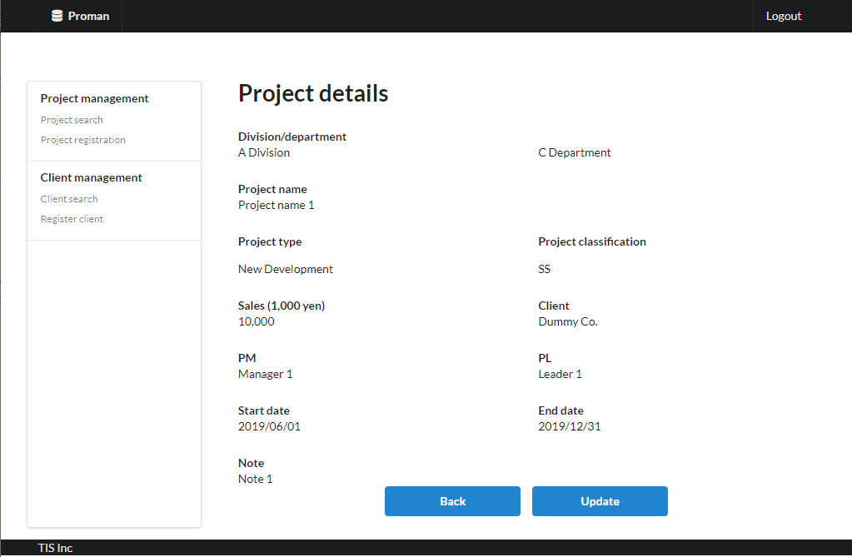
Area name: Project Details

 |  | 3.2. List display

 |  |  | No. | Area name |  |  |  |  |  |  |  | Paging Yes/No |  |  | Sort conditions |  |  |  |  | Remarks
 |  |  | 1 | - |  |  |  |  |  |  |  | - |  |  | - |  |  |  |  | -

 |  |  |  |  |  |  |  |  |  |  |  |  |  |  |  |  |  |  |  |  |  |  |  |  |  |  |  |  | [Internal design information] Screen item name (physical)
 |  | 3.3 Screen item definition
 |  |  |  |  |  |  |  |  |  |  |  |  |  |  |  |  |  |  |  |  |  |  |  |  |  |  |  |  |  | Screen item name (physical)
 |  |  | No. | Display information |  |  |  |  |  |  |  |  |  |  |  |  |  |  |  |  |  |  |  |  |  | Domain name |  |  |  | -
 |  |  |  | Display item name |  |  |  | Screen item classification |  |  | Information source |  |  |  |  |  |  |  | Editing specifications |  |  |  | Default value |  | Required |  |  |  |  | -
 |  |  |  |  |  |  |  |  |  |  |  |  |  |  |  |  |  |  |  |  |  |  |  |  |  |  |  |  |  | -
 |  |  | Area name: Project Details |  |  |  |  |  |  |  |  |  |  |  |  |  |  |  |  |  |  |  |  |  |  |  |  |  |  | -
 |  |  | 1 | Division |  |  |  | label |  |  | organization.organization_name |  |  |  |  |  |  |  | - |  |  |  | - |  | - | - |  |  |  | -
 |  |  | 2 | Department |  |  |  | label |  |  | organization.organization_name |  |  |  |  |  |  |  | - |  |  |  | - |  | - | - |  |  |  | -
 |  |  | 3 | Project name |  |  |  | label |  |  | project.project_name |  |  |  |  |  |  |  | - |  |  |  | - |  | - | - |  |  |  | -
 |  |  | 4 | Project type |  |  |  | label |  |  | project.project_type |  |  |  |  |  |  |  | ＜acquisition> Code ID: C0300001 Code name: Project type Code pattern : 1 Display name: Code value name No option selected: None |  |  |  | - |  | - | - |  |  |  | -
 |  |  | 5 | Project classification |  |  |  | label |  |  | project.project_classification |  |  |  |  |  |  |  | ＜acquisition> Code ID: C0200001 Code Name ：Project Classification Code pattern : 1 Display name: Code value name No option selected: None |  |  |  | - |  | - | - |  |  |  | -
 |  |  | 6 | Sales |  |  |  | label |  |  | project.turnover |  |  |  |  |  |  |  | <Display conversion: decimal conversion>. Separate each three digits with a comma. Display "千円(thousand yen)" at the end. |  |  |  | - |  | - | - |  |  |  | -
 |  |  | 7 | Client |  |  |  | label |  |  | client_management_system.client_detail_retrieval_API |  |  |  |  |  |  |  | - |  |  |  | - |  | - | - |  |  |  | -
 |  |  | 8 | PM |  |  |  | label |  |  | project.project_manager |  |  |  |  |  |  |  | - |  |  |  | - |  | - | - |  |  |  | -
 |  |  | 9 | PL |  |  |  | label |  |  | project.project_leader |  |  |  |  |  |  |  | - |  |  |  | - |  | - | - |  |  |  | -
 |  |  | 10 | Start date |  |  |  | label |  |  | project.project_start_date |  |  |  |  |  |  |  | <Display conversion: date conversion>. yyyy/MM/dd |  |  |  | - |  | - | -
 |  |  | 11 | End Date |  |  |  | label |  |  | project.project_end_date |  |  |  |  |  |  |  | <Display conversion: date conversion>. yyyy/MM/dd |  |  |  | - |  | - | -
 |  |  | 12 | Note |  |  |  | label |  |  | prpject.note |  |  |  |  |  |  |  | - |  |  |  | - |  | - | -

 |  | 3.4. Input/output list

 |  |  | No. | Input/output name |  |  |  |  |  | Type |  |  | I/O | DB access type |  |  |  |  |  | Remarks
 |  |  |  |  |  |  |  |  |  |  |  |  |  | C | R | U | D | Lock target
 |  |  | 1 | ORGANIZATION |  |  |  |  |  | Table |  |  | I | - | X | - | - | - |  | -
 |  |  | 2 | PROJECT |  |  |  |  |  | Table |  |  | I | - | X | - | - | - |  | -

 |  | 3.5 Screen event list

 |  |  | No. | Screen event name |  |  |  |  |  | Occurrence timing |  |  |  |  |  | Screen event overview |  |  |  |  |  |  | Normal transition screen |  |  |  | Server communication Yes/No
 |  |  | 1 | Initial display |  |  |  |  |  | ‐ |  |  |  |  |  | Searches for the project associated with the project ID received as a parameter and displays the project details screen. |  |  |  |  |  |  | - |  |  |  | Yes (synchronous)
 |  |  | 2 | Back |  |  |  |  |  | Press the "Back" button. |  |  |  |  |  | Display the project search screen. |  |  |  |  |  |  | Project search screen |  |  |  | Yes (synchronous)
 |  |  | 3 | Update |  |  |  |  |  | Press the "Update" button. |  |  |  |  |  | Display the project update screen. |  |  |  |  |  |  | Project update screen |  |  |  | Yes (synchronous)

 |  | 3.6. Screen event details
 |  |  | 3.6.1. Initial display event

 |  |  |  | (1) Validation processing
 |  |  |  |  | Validate the input value so that it can be retrieved again when the user moves to the search screen with the back button.

 |  |  |  |  | No. | Validation name |  |  |  |  | Validation content |  |  |  |  |  |  |  |  |  | Message ID |  | Embedded character string |  |  | Determination of validation of process continuation in the event of an error
 |  |  |  |  | 1 | Single Item Validation |  |  |  |  | All input items are validated according to the specified domain to check the validity of the input contents. |  |  |  |  |  |  |  |  |  | （By Domain） |  | （By Domain） |  |  | Finish

 |  |  |  |  | "Single item validation in the "Project ID" domain.
 |  |  |  |  | If an error occurs at any one point in the above validation, then subsequent processing is not carried out.

 |  |  |  | (2) DB access (search processing)
 |  |  |  |  | (a) Project search conditions

 |  |  |  |  |  | Acquired table name |  |  |  |  |  | Acquisition column name |  |  |  |  |  |  |  |  |  | screen item name
 |  |  |  |  |  | PROJECT |  |  |  |  |  | PROJECT_ID |  |  |  |  |  |  |  |  |  | -
 |  |  |  |  |  |  |  |  |  |  |  | PROJECT_NAME |  |  |  |  |  |  |  |  |  | Project name
 |  |  |  |  |  |  |  |  |  |  |  | PROJECT_TYPE |  |  |  |  |  |  |  |  |  | Project type
 |  |  |  |  |  |  |  |  |  |  |  | PROJECT_CLASSIFICATION |  |  |  |  |  |  |  |  |  | Project classification
 |  |  |  |  |  |  |  |  |  |  |  | TURNOVER |  |  |  |  |  |  |  |  |  | Sales
 |  |  |  |  |  |  |  |  |  |  |  | CLIENTID |  |  |  |  |  |  |  |  |  | -
 |  |  |  |  |  |  |  |  |  |  |  | PROJECT_MANAGER |  |  |  |  |  |  |  |  |  | PM
 |  |  |  |  |  |  |  |  |  |  |  | PROJECT_LEADER |  |  |  |  |  |  |  |  |  | PL
 |  |  |  |  |  |  |  |  |  |  |  | PROJECT_START_DATE |  |  |  |  |  |  |  |  |  | Start date
 |  |  |  |  |  |  |  |  |  |  |  | PROJECT_END_DATE |  |  |  |  |  |  |  |  |  | End date
 |  |  |  |  |  |  |  |  |  |  |  | NOTE |  |  |  |  |  |  |  |  |  | Note
 |  |  |  |  |  | DIVISION |  |  |  |  |  | ORGANIZATION_NAME |  |  |  |  |  |  |  |  |  | Division
 |  |  |  |  |  | DEPARTMENT |  |  |  |  |  | ORGANIZATION_NAME |  |  |  |  |  |  |  |  |  | Department
 |  |  |  |  |  | Coupling condition

 |  |  |  |  |  |  | PROJECT

 |  |  |  |  |  |  |  | LEFT OUTER JOIN |  |  | ORGANIZATION AS DEPARTMENT
 |  |  |  |  |  |  |  | ON | PROJECT.ORGANIZATIONID |  |  |  |  |  | = | DEPARTMENT.ORGANIZATIONID

Not implemented in the August 2022 version.
 |  |  |  |  |  |  |  | LEFT OUTER JOIN |  |  | ORGANIZATION AS DIVISION
 |  |  |  |  |  |  |  | ON | DEPARTMENT.UPPER_ORGANIZATIONID |  |  |  |  |  | = | DIVISION.ORGANIZATIONID

 |  |  |  |  |  | Search conditions

 |  |  |  |  |  |  |  |  | PROJECT.PROJECT_ID |  |  |  |  |  |  | = |  |  | PROJECT_ID(Request Parameter)

 |  |  |  |  | (b) Using the client ID obtained above as a parameter, the client management system.
 |  |  |  |  | Execute the API for getting client details and get the client's name.

 |  |  |  |  | (c) If you are not a project manager, check that members are participating in the project for visibility control of the Update button.

 |  |  |  |  |  | Acquired table name |  |  |  |  |  | Acquisition column name |  |  |  |  |  |  |  |  |  | screen item name
 |  |  |  |  |  | PROJECT_USER |  |  |  |  |  | USER_ID |  |  |  |  |  |  |  |  |  | Used to check existence.
 |  |  |  |  |  | Coupling condition

 |  |  |  |  |  |  |  |  | PROJECT_USER.PROJECT_ID |  |  |  |  |  |  | = |  |  | PROJECT_ID(request parameters)

 |  |  |  |  |  |  | AND |  | PROJECT_USER.USER_ID |  |  |  |  |  |  | = |  |  | USER_ID(from the session)

 |  |  |  |  |  | If the above data does not exist and the person other than the project manager does not exist, "Update is not available.".

 |  |  |  | (3) Display processing
 |  |  |  |  | (a) When there are no search results from "(2)DB access (search processing)".

 |  |  |  |  |  | Displays a generic error screen.

 |  |  |  |  | (b) When there is a search result of "(2)DB access (search processing)".

 |  |  |  |  |  | Display the search results on the "Project Details" screen.

 |  |  |  |  | (c) When the judgment result of "(2) Search processing (c)" is Not updatable.

 |  |  |  |  |  | Hide the Update button.

 |  |  | 3.6.2.Back event

 |  |  |  | Refer to "2. WA1020201 (Project search screen): 2.6. Screen event details: 2.6.3. List Search Event".
 |  |  |  | Send the parameters received in the initial display as request parameters.

 |  |  | 3.6.3. Update event
 |  |  |  | Refer to “2. WA1020301 (Project Update Screen): 2.6. Screen event details: 2.6.1. Initial display event”.
 |  |  |  | Send the project ID received from the search screen as a request parameter.

