Cover
CONFIDENTIAL
PROJECT PERSONNEL ONLY

Sample Project
System Function Design Document (Screen)
Project Management System/Login

 | Version 1.0

2022-08-23

2. WA10101 (Login screen)
Project name |  |  |  | Sample Project |  |  |  |  |  |  |  | Deliverable name |  |  |  | System Function Design Document (Screen) WA10101/Login |  |  |  |  |  | Prepared by | TIS |  |  |  | 2019-07-10
System name |  |  |  | Sample System |  |  |  |  |  |  |  |  |  |  |  |  |  |  |  |  |  | Changes | TIS |  |  |  | 2022-08-23
Sub-system name |  |  |  | Project Management System

 | 2. WA10101 (Login screen)
 |  | 2.1 Screen layout
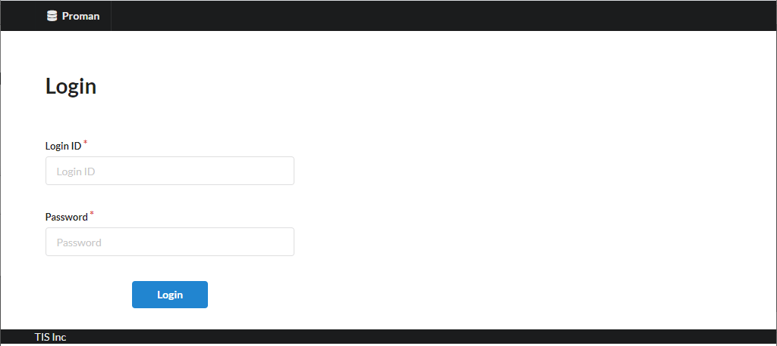

 |  | 2.2. List display

 |  |  | No. | Area name |  |  |  |  |  |  | Paging Yes/No |  |  | Sort conditions |  |  |  |  | Remarks
 |  |  | 1 | - |  |  |  |  |  |  | - |  |  | - |  |  |  |  | -

 |  | 2.3 Screen item definition

 |  |  | No. | Display information |  |  |  |  |  |  |  |  |  |  |  |  |  |  |  |  |  |  |  | Domain name |  |  |  | [Internal design information] Screen item name (physical)
 |  |  |  | Display item name |  |  |  | Screen item classification |  | Information source |  |  |  |  |  |  |  | Editing specifications |  |  | Default value |  | Required
 |  |  |  |  |  |  |  |  |  |  |  |  |  |  |  |  |  |  |  |  |  |  |  |  |  |  |  |  | Screen item name (physical)
 |  |  | 1 | Login ID |  |  |  | text |  | - |  |  |  |  |  |  |  | - |  |  | - |  | X | Login ID |  |  |  |  | loginId
 |  |  | 2 | Password |  |  |  | password |  | - |  |  |  |  |  |  |  | Password (displayed by masking with the browser function) |  |  | - |  | X | Password |  |  |  |  | userPassword

 |  | 2.4. Input/output list

 |  |  | No. | Input/output name |  |  |  |  | Type |  |  | I/O | DB access type |  |  |  |  |  | Remarks
 |  |  |  |  |  |  |  |  |  |  |  |  | C | R | U | D | Lock target
 |  |  | 1 | System account |  |  |  |  | Table |  |  | I | - | X | X | - | - |  | -
 |  |  | 2 | User |  |  |  |  | Table |  |  | I | - | X | - | - | - |  | -

 |  | 2.5 Screen event list

 |  |  | No. | Screen event name |  |  |  |  | Occurrence timing |  |  |  |  |  | Screen event overview |  |  |  |  |  | Normal transition screen |  |  |  | Server communication Yes/No
 |  |  | 1 | Initial display |  |  |  |  | - |  |  |  |  |  | Displays login screen. |  |  |  |  |  | - |  |  |  | Yes (synchronous)
 |  |  | 2 | Login |  |  |  |  | Press the "Login" button |  |  |  |  |  | Performs login processing and transitions to the TOP menu screen if authentication is successful. |  |  |  |  |  | TOP Menu |  |  |  | Yes (synchronous)

 |  | 2.6. Screen event details
 |  |  | 2.6.1. Initial display event

 |  |  |  | (1) Validation processing

 |  |  |  |  | None.

 |  |  |  | (2) Display processing

 |  |  |  |  | Displays login screen.

 |  |  | 2.6.2. Login event

 |  |  |  | (1) Validation processing

 |  |  |  |  | No. | Validation name |  |  |  | Validation content |  |  |  |  |  |  |  |  |  | Message ID | Embedded character string |  |  | Determination of validation of process continuation in the event of an error
 |  |  |  |  | 1 | Single item validation |  |  |  | For all input fields, validation is performed according to the specified domain, and the validity of the input content is confirmed. |  |  |  |  |  |  |  |  |  | (By domain) | (By domain) |  |  | Finish

 |  |  |  |  | If an error occurs at any one point in the above validation, then subsequent processing is not carried out.

 |  |  |  | (2) DB access (search processing)
 |  |  |  |  | (a) System account search conditions

 |  |  |  |  |  | Acquired table name |  |  |  |  |  |  |  | Acquisition column name
 |  |  |  |  |  | SYSTEM_ACCOUNT |  |  |  |  |  |  |  | LOGIN_ID
 |  |  |  |  |  |  |  |  |  |  |  |  |  | USER_ID
 |  |  |  |  |  |  |  |  |  |  |  |  |  | USER_PASSWORD
 |  |  |  |  |  |  |  |  |  |  |  |  |  | PASSWORD_EXPIRATION_DATE
 |  |  |  |  |  |  |  |  |  |  |  |  |  | FAILED_COUNT
 |  |  |  |  |  |  |  |  |  |  |  |  |  | EFFECTIVE_DATE_FROM
 |  |  |  |  |  |  |  |  |  |  |  |  |  | EFFECTIVE_DATE_TO
 |  |  |  |  |  | Search conditions

 |  |  |  |  |  |  | SYSTEM_ACCOUNT.LOGIN_ID |  |  |  |  | = |  | Login ID (input value)

 |  |  |  |  |  |  | AND Current Date :BETWEEN to_date(EFFECTIVE_DATE_FROM, 'YYYYMIDD') AND to_date(EFFECTIVE_DATE_TO, 'YYYYMIDD')

 |  |  |  |  | (b) User search conditions

 |  |  |  |  |  | Acquired table name |  |  |  |  |  |  |  | Acquisition column name
 |  |  |  |  |  | USERS |  |  |  |  |  |  |  | KANJI_NAME
 |  |  |  |  |  |  |  |  |  |  |  |  |  | PM_FLAG
 |  |  |  |  |  | Search conditions

 |  |  |  |  |  |  | USERS.USER_ID |  |  |  |  | = |  | User_ID (obtained in (a))

 |  |  |  | (3) Display processing

 |  |  |  |  | (a) Account existence check
 |  |  |  |  |  | If the search result of "(2) Search processing" is 0, an error message is displayed and the subsequent processing is canceled.
 |  |  |  |  |  |  | Message ID: errors.login

 |  |  |  |  | (b) Authentication failed count check
 |  |  |  |  |  | If the authentication failed count based on the "(2) Search processing" is > 3, an error message is displayed and subsequent processing is canceled.
 |  |  |  |  |  |  | Message ID: errors.login

 |  |  |  |  | (c) Password authentication
 |  |  |  |  |  | A. Encrypt the password input on the screen and compare with the password of the search result of "(2) Search processing". If they do not match, authentication failure count given below is updated, an error message is displayed, and the subsequent processing is canceled.

 |  |  |  |  |  |  | Message ID: errors.login

 |  |  |  |  |  |  | No. | Output item name |  |  |  | Output information |  |  |  |  |  |  |  |  | Editing specifications |  |  |  |  | Remarks
 |  |  |  |  |  |  |  |  |  |  |  | Information source |  |  |  |  | Item name
 |  |  |  |  |  |  | 1 | FAILED_COUNT |  |  |  | SYSTEM_ACCOUNT |  |  |  |  | - |  |  |  | FAILED_COUNT + 1
 |  |  |  |  |  |  | Search conditions

 |  |  |  |  |  |  |  | SYSTEM_ACCOUNT.LOGIN_ID |  |  |  |  | = |  | Login ID (input value)

 |  |  |  |  |  | B. If the password from the search results of "(2) Search processing" matched the password input on the screen, update the last login date and time and the number of authentication failures described below.

 |  |  |  |  |  |  | No. | Output item name |  |  |  | Output information |  |  |  |  |  |  |  |  | Editing specifications |  |  |  |  | Remarks
 |  |  |  |  |  |  |  |  |  |  |  | Information source |  |  |  |  | Item name
 |  |  |  |  |  |  | 1 | LAST_LOGIN_DATE_TIME |  |  |  | - |  |  |  |  | - |  |  |  | System date
 |  |  |  |  |  |  | 2 | FAILED_COUNT |  |  |  | - |  |  |  |  | - |  |  |  | 0
 |  |  |  |  |  |  | Search conditions

 |  |  |  |  |  |  |  | SYSTEM_ACCOUNT.LOGIN_ID |  |  |  |  | = |  | Login ID (input value)

 |  |  |  |  |  | C. If the password expiration date is previous day before the current date, an error message is displayed as an invalid account and subsequent processing is canceled.
 |  |  |  |  |  |  | Message ID: errors.login

 |  |  |  |  |  | D. Change the session ID as a measure against session fixations.

 |  |  |  |  |  | E. CSRF token issuance

 |  |  |  |  |  | F. Add the search results of "(2) Search processing" to the session as authentication information.

 |  |  |  |  | (d) Transitions to the TOP menu screen.

 |  |  | 2.6.3. Logout event

 |  |  |  | (1) Validation processing

 |  |  |  |  | None.

 |  |  |  | (2) Display processing

 |  |  |  |  | Discard the session and transition to the login screen.

