Cover
CONFIDENTIAL
PROJECT PERSONNEL ONLY

Sample Project
System Function Design Document (Screen)
Project Management System/TOP Menu

 | Version 1.0

2019-05-14

2. WA10103 (TOP Menu)
Project name |  |  |  | Sample Project |  |  |  |  |  |  | Deliverable name |  |  |  | System Function Design Document (Screen) WA10103/TOP Menu |  |  |  |  | Prepared by | TIS |  |  | 2019-05-14
System name |  |  |  | Sample System |  |  |  |  |  |  |  |  |  |  |  |  |  |  |  | Changes
Sub-system name |  |  |  | Project Management System

 | 2. WA10103 (TOP Menu)
 |  | 2.1 Screen layout
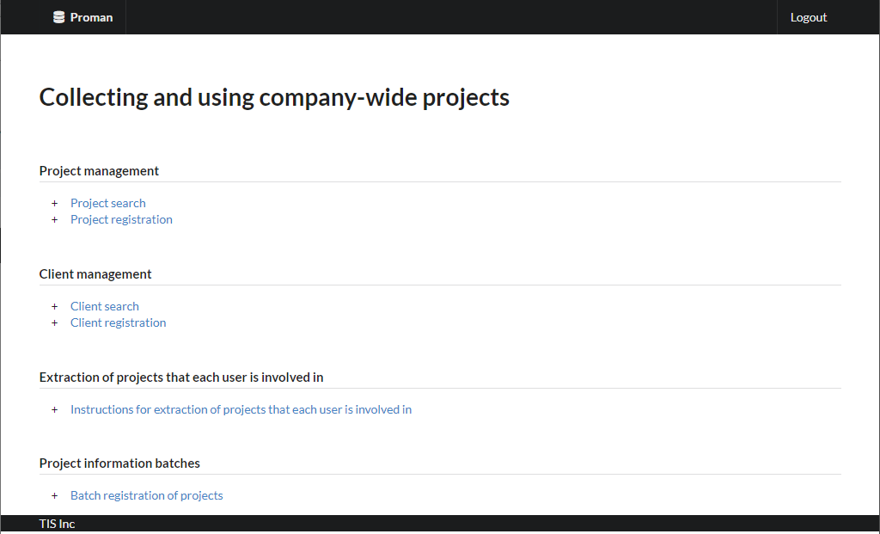

 |  | 2.2. List display

 |  |  | No. | Area name |  |  |  |  |  | Paging Yes/No |  |  | Sort conditions |  |  |  |  | Remarks
 |  |  | 1 | - |  |  |  |  |  | - |  |  | - |  |  |  |  | -

 |  | 2.3 Screen item definition

 |  |  | No. | Display information |  |  |  |  |  |  |  |  |  |  |  |  |  |  |  |  |  | Domain name
 |  |  |  | Display item name |  |  | Screen item classification |  | Information source |  |  |  |  |  |  |  | Editing specifications |  | Default value |  | Required

 |  |  | 1 | - |  |  | - |  | - |  |  |  |  |  |  |  | - |  | - |  | - | -

 |  | 2.4. Input/output list

 |  |  | No. | Input/output name |  |  |  | Type |  |  | I/O | DB access type |  |  |  |  |  | Remarks
 |  |  |  |  |  |  |  |  |  |  |  | C | R | U | D | Lock target
 |  |  | 1 | - |  |  |  | - |  |  |  | - | - | - | - | - |  | -

Grayed out parts are not implemented in August 2022 version
 |  | 2.5 Screen event list

 |  |  | No. | Screen event name |  |  |  | Occurrence timing |  |  |  |  |  | Screen event overview |  |  |  |  | Normal transition screen |  |  |  | Server communication Yes/No
 |  |  | 1 | Initial display |  |  |  | - |  |  |  |  |  | Display of TOP menu screen. |  |  |  |  | - |  |  |  | Yes (synchronous)
 |  |  | 2 | Project search |  |  |  | Click the "Project search" screen |  |  |  |  |  | Transition to project search screen. |  |  |  |  | Project search |  |  |  | Yes (synchronous)
 |  |  | 3 | Project registration |  |  |  | Click the "Project registration" screen |  |  |  |  |  | Transition to project registration screen. |  |  |  |  | Project registration |  |  |  | Yes (synchronous)
 |  |  | 4 | Client search |  |  |  | Click the "Client search" screen |  |  |  |  |  | Transition to Client search screen. |  |  |  |  | Client search |  |  |  | Yes (synchronous)
 |  |  | 5 | Client registration |  |  |  | Click the "Client registration" screen |  |  |  |  |  | Transition to client registration screen. |  |  |  |  | Customer registration |  |  |  | Yes (synchronous)
 |  |  | 6 | Instructions for extraction of projects that each user is involved in |  |  |  | Click on the "Instructions for extraction of projects that each user is involved in" link |  |  |  |  |  | Transitions to the instruction for extracting projects engaged in for each user screen. |  |  |  |  | Instruction for extracting projects engaged in for each user |  |  |  | Yes (synchronous)
 |  |  | 7 | Batch registration of projects |  |  |  | Click the "Batch registration of projects" screen |  |  |  |  |  | Transitions to the project batch registration screen. |  |  |  |  | Batch registration of projects |  |  |  | Yes (synchronous)

 |  | 2.6. Screen event details
 |  |  | 2.6.1. Initial display event

 |  |  |  | (1) Validation processing

 |  |  |  |  | None.

 |  |  |  | (2) Display processing

 |  |  |  |  | (a) Sets the menu visualization.
 |  |  |  |  |  | If the logged-in user is not a manager, sets the following menu to invisible.
 |  |  |  |  |  | ・Project registration
 |  |  |  |  |  | ・Instructions for extraction of projects that each user is involved in
 |  |  |  |  |  | ・Batch registration of projects
 |  |  |  |  |  | ・Client registration

 |  |  | 2.6.2. Project search event

 |  |  |  | (1) Display processing

 |  |  |  |  | Transitions to project search.

 |  |  | 2.6.3. Project registration event

 |  |  |  | (1) Display processing

 |  |  |  |  | Transitions to project registration.

 |  |  | 2.6.4. Client search event

 |  |  |  | (1) Display processing

 |  |  |  |  | Transitions to client search.

 |  |  | 2.6.5. Client registration event
Not implemented in August 2022 version
 |  |  |  | (1) Display processing

 |  |  |  |  | Transitions to client registration.

 |  |  | 2.6.6. Instructions for extraction of projects that each user is involved in

 |  |  |  | (1) Display processing

 |  |  |  |  | Transitions to the instruction for extracting projects engaged in for each user.

 |  |  | 2.6.7. Batch registration of projects

 |  |  |  | (1) Display processing

 |  |  |  |  | Transitions to project batch registration.

