ROS Graph
FuelGraph-Conifer Pyrometrics |  |  |  |  | v1.03, CFI.m11, Mar2023
FuelGraph - Conifer Pyrometrics Charting Tool
 | CFI1 |  | CROS_A disp1 |  | CROS_P disp1 |  | Surf_disp1 |  | CROS_A disp2 |  | CROS_P disp2 |  | Surf_disp2 |  | Control 3 |  | Fire Type Output3 |  | Surface/IC fire transition |  | IC fire CFB 50% |  | CC fire transition
26 | 33.212253681 | 0 | #N/A | 0 | #N/A | 0 | 0.53067916946 | 0 | #N/A | 0 | #N/A | 0 | 0.53067916946 | 0 | 0.40728156892 | 20 | 5.5672360243
 |  | 1 | #N/A | 1 | #N/A | 1 | 0.60393153026 | 1 | #N/A | 1 | #N/A | 1 | 0.60393153026 | 1 | 0.46789807547 | 23 | 7.9151906675
 |  | 2 | #N/A | 2 | #N/A | 2 | 0.6865624703 | 2 | #N/A | 2 | #N/A | 2 | 0.6865624703 | 2 | 0.53720172176 | 28 | 13.752813699
 |  | 3 | #N/A | 3 | #N/A | 3 | 0.77962913964 | 3 | #N/A | 3 | #N/A | 3 | 0.77962913964 | 3 | 0.61636801625
 |  | 4 | #N/A | 4 | #N/A | 4 | 0.88428016755 | 4 | #N/A | 4 | #N/A | 4 | 0.88428016755 | 4 | 0.70671726541
 |  | 5 | #N/A | 5 | #N/A | 5 | 1.0017581941 | 5 | #N/A | 5 | #N/A | 5 | 1.0017581941 | 5 | 0.80972949908
 |  | 6 | #N/A | 6 | #N/A | 6 | 1.1334012785 | 6 | #N/A | 6 | #N/A | 6 | 1.1334012785 | 6 | 0.92706033311
 |  | 7 | #N/A | 7 | #N/A | 7 | 1.280642899 | 7 | #N/A | 7 | #N/A | 7 | 1.280642899 | 7 | 1.0605576936
 |  | 8 | #N/A | 8 | #N/A | 8 | 1.4450102274 | 8 | #N/A | 8 | #N/A | 8 | 1.4450102274 | 8 | 1.2122792872
 |  | 9 | #N/A | 9 | #N/A | 9 | 1.628120337 | 9 | #N/A | 9 | #N/A | 9 | 1.628120337 | 9 | 1.3845106541
 |  | 10 | #N/A | 10 | #N/A | 10 | 1.8316739784 | 10 | #N/A | 10 | #N/A | 10 | 1.8316739784 | 10 | 1.5797835849
 |  | 11 | #N/A | 11 | #N/A | 11 | 2.0574465434 | 11 | #N/A | 11 | #N/A | 11 | 2.0574465434 | 11 | 1.8008946166
 |  | 12 | #N/A | 12 | #N/A | 12 | 2.3072758352 | 12 | #N/A | 12 | #N/A | 12 | 2.3072758352 | 12 | 2.05092325
 |  | 13 | #N/A | 13 | #N/A | 13 | 2.5830462692 | 13 | #N/A | 13 | #N/A | 13 | 2.5830462692 | 13 | 2.3332494442
 |  | 14 | #N/A | 14 | #N/A | 14 | 2.8866691562 | 14 | #N/A | 14 | #N/A | 14 | 2.8866691562 | 14 | 2.6515698529
 |  | 15 | #N/A | 15 | #N/A | 15 | 3.2200587658 | 15 | #N/A | 15 | #N/A | 15 | 3.2200587658 | 15 | 3.0099121636
 |  | 16 | #N/A | 16 | #N/A | 16 | 3.5851039381 | 16 | #N/A | 16 | #N/A | 16 | 3.5851039381 | 16 | 3.4126467909
 |  | 17 | #N/A | 17 | #N/A | 17 | 3.9836351066 | 17 | #N/A | 17 | #N/A | 17 | 3.9836351066 | 17 | 3.8644950618
 |  | 18 | #N/A | 18 | #N/A | 18 | 4.4173867253 | 18 | #N/A | 18 | #N/A | 18 | 4.4173867253 | 18 | 4.3705329123
 |  | 19 | #N/A | 19 | #N/A | 19 | 4.8879552487 | 19 | #N/A | 19 | #N/A | 19 | 4.8879552487 | 19 | 4.9361889996
 |  | 20 | #N/A | 20 | #N/A | 20 | 5.396753003 | 20 | #N/A | 20 | #N/A | 20 | 5.396753003 | 20 | 5.5672360243
 |  | 21 | #N/A | 21 | #N/A | 21 | 5.9449585116 | 21 | #N/A | 21 | #N/A | 21 | 5.9449585116 | 21 | 6.269773966
 |  | 22 | #N/A | 22 | #N/A | 22 | 6.5334640802 | 22 | #N/A | 22 | #N/A | 22 | 6.5334640802 | 22 | 7.050203855
 |  | 23 | #N/A | 23 | #N/A | 23 | 7.1628217221 | 23 | #N/A | 23 | #N/A | 23 | 7.1628217221 | 23 | 7.9151906675
 |  | 24 | #N/A | 24 | #N/A | 24 | 7.83318878 | 24 | #N/A | 24 | #N/A | 24 | 7.83318878 | 24 | 8.8716139236
 |  | 25 | #N/A | 25 | #N/A | 25 | 8.5442748843 | 25 | #N/A | 25 | #N/A | 25 | 8.5442748843 | 25 | 9.9265046238
 |  | 26 | 33.212253681 | 26 | #N/A | 26 | #N/A | 26 | #N/A | 26 | #N/A | 26 | 9.2952921512 | 26 | 11.086967277
 |  | 27 | 34.359728305 | 27 | #N/A | 27 | #N/A | 27 | #N/A | 27 | #N/A | 27 | 10.084910751 | 27 | 12.360085966
 |  | 28 | 35.502959867 | 28 | #N/A | 28 | #N/A | 28 | #N/A | 28 | #N/A | 28 | 10.911222153 | 28 | 13.752813699
 |  | 29 | 36.642114832 | 29 | #N/A | 29 | #N/A | 29 | #N/A | 29 | #N/A | 29 | 11.771712439 | 29 | 15.271844668
 |  | 30 | 37.777347627 | 30 | #N/A | 30 | #N/A | 30 | #N/A | 30 | #N/A | 30 | 12.663248083 | 30 | 16.923469564
 |  | 31 | 38.908801879 | 31 | #N/A | 31 | #N/A | 31 | #N/A | 31 | 19.707921457 | 31 | #N/A | 31 | 18.71341471
 |  | 32 | 40.036611496 | 32 | #N/A | 32 | #N/A | 32 | #N/A | 32 | 19.931685189 | 32 | #N/A | 32 | 20.646666515
 |  | 33 | 41.160901608 | 33 | #N/A | 33 | #N/A | 33 | #N/A | 33 | 20.141358017 | 33 | #N/A | 33 | 22.72728361
 |  | 34 | 42.281789392 | 34 | #N/A | 34 | #N/A | 34 | #N/A | 34 | 20.337475274 | 34 | #N/A | 34 | 24.958199976
 |  | 35 | 43.399384792 | 35 | #N/A | 35 | #N/A | 35 | #N/A | 35 | 20.520548955 | 35 | #N/A | 35 | 27.341023384
 |  | 36 | 44.513791165 | 36 | #N/A | 36 | #N/A | 36 | #N/A | 36 | 20.691069163 | 36 | #N/A | 36 | 29.875834521
 |  | 37 | 45.625105843 | 37 | #N/A | 37 | #N/A | 37 | #N/A | 37 | 20.849505428 | 37 | #N/A | 37 | 32.560993194
 |  | 38 | 46.73342064 | 38 | #N/A | 38 | #N/A | 38 | #N/A | 38 | 20.996307906 | 38 | #N/A | 38 | 35.392958972
 |  | 39 | 47.838822301 | 39 | #N/A | 39 | #N/A | 39 | #N/A | 39 | 21.131908483 | 39 | #N/A | 39 | 38.366134381
 |  | 40 | 48.941392904 | 40 | #N/A | 40 | #N/A | 40 | #N/A | 40 | 21.256721783 | 40 | #N/A | 40 | 41.472739367
 |  | 41 | 50.041210222 | 41 | #N/A | 41 | #N/A | 41 | #N/A | 41 | 21.371146098 | 41 | #N/A | 41 | 44.401058641
 |  | 42 | 51.138348049 | 42 | #N/A | 42 | #N/A | 42 | #N/A | 42 | 21.475564247 | 42 | #N/A | 42 | 47.076186405
 |  | 43 | 52.232876492 | 43 | #N/A | 43 | #N/A | 43 | #N/A | 43 | 21.570344371 | 43 | #N/A | 43 | 49.503645674
 |  | 44 | 53.324862237 | 44 | #N/A | 44 | #N/A | 44 | #N/A | 44 | 21.655840667 | 44 | #N/A | 44 | 51.704294324
 |  | 45 | 54.414368791 | 45 | #N/A | 45 | #N/A | 45 | #N/A | 45 | 21.732394073 | 45 | #N/A | 45 | 53.698518271
 |  | 46 | 55.501456698 | 46 | #N/A | 46 | #N/A | 46 | #N/A | 46 | 21.800332906 | 46 | #N/A | 46 | 55.505644568
 |  | 47 | 56.586183742 | 47 | #N/A | 47 | #N/A | 47 | #N/A | 47 | 21.859973457 | 47 | #N/A | 47 | 57.143641158
 |  | 48 | 57.668605127 | 48 | #N/A | 48 | #N/A | 48 | #N/A | 48 | 21.911620543 | 48 | #N/A | 48 | 58.628996441
 |  | 49 | 58.748773645 | 49 | #N/A | 49 | #N/A | 49 | #N/A | 49 | 21.955568029 | 49 | #N/A | 49 | 59.976708668
...
FWI:
 | FFMC |  | → | Used in all calculations
 | DMC | 75 | → | Used in CP / mcSA calcs
 | DC | 214 | → | Not used in calcs; reference only
 | BUI |  | → | Used in FBP ROS, CP surface (C-6)

FBP ROS: |  | Display:
 | Fuel Type
 | Modifier |  | → | % Conifer, % Cured, % Dead fir, or LCBH
 | FMC |  |  | (M1/M2, O-1a/b, M3/M4, C-6)

CP 1: |  |  |  | CP 2:
mcSA: | Stand: |  |  | mcSA: | Stand:
 | Density: |  |  |  | Density:
 | Season: |  |  |  | Season:
 | mcSA: | 10.7 |  |  | mcSA: | 8.9

 | CP1 ROS: | Display: |  |  | CP2 ROS: | Display:
Surface: |  |  |  | Surface:
 | Surf. Model: | C-6s |  |  | Surf. Model: | C-6s

CFI: | FSG: |  |  | CFI: | FSG:
 | SFC: |  |  |  | SFC:

CROS: |  |  |  | CROS:
 | CBD: |  |  |  | CBD:

Ladder Fuels
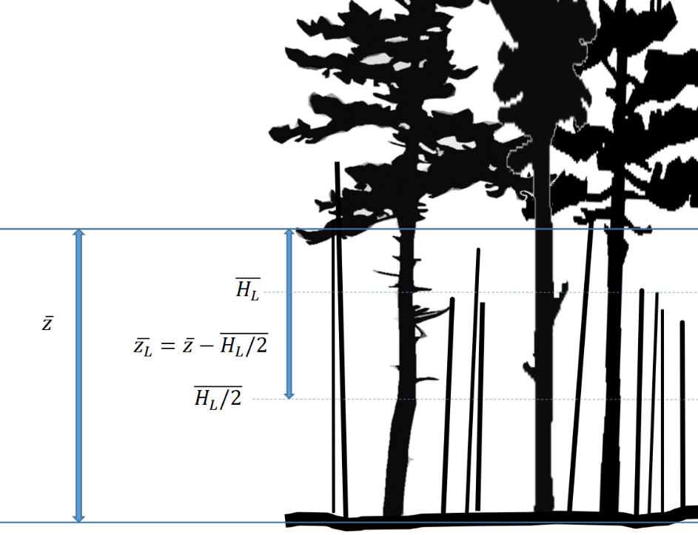
Standing dead ladder fuels
Live jack pine overstory
Ladder Fuel Consumption Contributions Calculator (Perrakis et al. in prep.)
 |  |  | E.g. Jack pine overstory with dense standing dead pine ladder fuels.
Standing dead ladder fuels (midstory small snags; < 5 cm DBH) |  |  |  | Figure 1. Illustration (not to scale) of a conifer overstory with high density of small diameter snag ladder fuels. The live canopy base height is z, while the mean ladder fuel height is HL. The heat flux contribution to crown fire initiation is hypothesized to originate from the centroid of the snag height layer, HL/2, and the relevant fuel strata gap between ladder fuels and canopy, zL, is therefore z-HL/2.
Consumption of fine dead elevated wood; assumes continuity with surface fuels: | 0.3 | kg/m2
Assumes complete consumption during flaming (< ~ 1 cm roundwood)
Mean height of snag cohort (HL): | 3 | m
Overstory LCBH (z) | 8.1 | m
FSG (zL); min. 0.5 m | 6.6 | m

Scaled SFC contribution, small snags (add to actual SFC;
enter total in ROS Graph): | 1.237 | kg/m2

Crowning from midstory conifer cohort (> 1.5 m height)
This worksheet assumes FSG represents distance from sapling crown centroid to upper LCBH,
as shown in Fig. 2. Calculate lower crowning probability to sapling cohort separately. |  |  | E.g. Jack pine (JP) overstory with midstory live black spruce (BS).
Live jack pine overstory
Mid-story black spruce
 |  |  |  | Figure 2. Illustration (not to scale) of suggested fuel metrics influencing upper canopy crown initiation in a jack pine-black spruce stand, such as at Kenshoe Lake, Ontario. Live crown base heights are zJP and zBS for jack pine and black spruce strata, respectively. Spruce crown depth is DBS, and fuel consumption of the spruce layer originates from the spruce crown centroid, CBS, at a height of zBS + DBS/2 (not shown); this height is also used for adding the scaled heat flux contribution from actual surface fuels. The relevant fuel strata gap (FSG) between the spruce and pine layers is assumed to be the distance from the spruce crown centroid to zJP.

Midstory height (HBS): | 5 | m
Midstory LCBH (zBS): | 0.75 | m
Midstory canopy centroid (CBS): | 2.875 | m
Overstory LCBH (zJP): | 8.1 | m
Fuel Strata Gap (FSG; min. 0.5 m; enter in ROS Graph): | 5.2 | m

Crown Fuel Load (midstory layer only) | 0.69 | kg/m2
Assumes 100% consumption x crown multiplier
Midstory FMC (converted using Babrauskas 2006): | 90 | %
Sapling false-SFC: | 1.272

Actual SFC: | 2.7 | kg/m2
SFC scaled to crown centroid: | 1.399

Total false-SFC (enter in ROS Graph): | 2.671 | kg/m2

