Countries
Country name | Life Ladder | Freedom to make life choices | Regional indicator | Life Ladder |  |  |  |  |  |  |  |  |  |  | Freedom to make life choices
Albania | 5.365 | 0.754 | Central and Eastern Europe | Central and Eastern Europe | Latin America and Caribbean | North America and ANZ | Western Europe | Middle East and North Africa | South Asia | Sub-Saharan Africa | Southeast Asia | East Asia | Commonwealth of Independent States |  | Central and Eastern Europe | Latin America and Caribbean | North America and ANZ | Western Europe | Middle East and North Africa | South Asia | Sub-Saharan Africa | Southeast Asia | East Asia | Commonwealth of Independent States
Argentina | 5.901 | 0.823 | Latin America and Caribbean | 5.365 | 5.901 | 7.137 | 7.213 | 6.173 | 5.28 | 4.408 | 4.377 | 5.771 | 5.123 |  | 0.754 | 0.823 | 0.905 | 0.912 | 0.945 | 0.777 | 0.783 | 0.963 | 0.891 | 0.764
Australia | 7.137 | 0.905 | North America and ANZ | 5.516 | 5.559 | 7.025 | 6.839 | 4.472 | 4.225 | 5.241 | 5.284 | 5.295 | 6.168 |  | 0.74 | 0.877 | 0.887 | 0.767 | 0.77 | 0.906 | 0.675 | 0.915 | 0.705 | 0.872
Austria | 7.213 | 0.912 | Western Europe | 5.598 | 6.11 | 7.257 | 6.26 | 4.865 |  | 4.549 | 4.431 | 6.118 | 6.25 |  | 0.818 | 0.786 | 0.918 | 0.763 | 0.6 |  | 0.769 | 0.825 | 0.806 | 0.935
Bahrain | 6.173 | 0.945 | Middle East and North Africa | 6.508 | 6.151 | 7.028 | 7.515 | 4.785 |  | 5.319 | 5.08 | 6.011 | 5.812 |  | 0.837 | 0.781 | 0.85 | 0.938 | 0.7 |  | 0.824 | 0.932 | 0.718 | 0.859
Bangladesh | 5.28 | 0.777 | South Asia | 6.897 | 5.709 |  | 7.889 | 7.195 |  | 5.257 | 5.885 | 5.793 | 5.495 |  | 0.906 | 0.84 |  | 0.962 | 0.831 |  | 0.77 | 0.84 | 0.711 | 0.714
Belgium | 6.839 | 0.767 | Western Europe | 6.453 | 5.168 |  | 6.714 | 4.094 |  | 4.547 |  | 6.751 | 5.373 |  | 0.954 | 0.835 |  | 0.823 | 0.779 |  | 0.702 |  | 0.799 | 0.784
Benin | 4.408 | 0.783 | Sub-Saharan Africa | 6.038 | 5.354 |  | 7.312 | 4.803 |  | 6.015 |  |  | 5.27 |  | 0.771 | 0.829 |  | 0.864 | 0.819 |  | 0.843
Bolivia | 5.559 | 0.877 | Latin America and Caribbean | 6.294 | 5.462 |  | 5.788 | 6.56 |  | 4.451 |  |  |  |  | 0.88 | 0.924 |  | 0.565 | 0.884 |  | 0.666
Bosnia and Herzegovina | 5.516 | 0.74 | Central and Eastern Europe | 6.229 | 5.964 |  | 7.575 | 4.731 |  | 5.503 |  |  |  |  | 0.82 | 0.873 |  | 0.949 | 0.668 |  | 0.713
Brazil | 6.11 | 0.786 | Latin America and Caribbean | 6.391 | 6.31 |  | 7.035 | 4.862 |  | 4.947 |  |  |  |  | 0.824 | 0.908 |  | 0.882 | 0.51 |  | 0.757
Bulgaria | 5.598 | 0.818 | Central and Eastern Europe | 5.722 | 4.574 |  | 6.488 | 6.458 |  | 3.786 |  |  |  |  | 0.802 | 0.612 |  | 0.718 | 0.942 |  | 0.83
Cambodia | 4.377 | 0.963 | Southeast Asia | 5.054 |  |  | 6.157 |  |  | 4.641 |  |  |  |  | 0.787 |  |  | 0.931 |  |  | 0.687
Cameroon | 5.241 | 0.675 | Sub-Saharan Africa | 6.139 |  |  | 7.504 |  |  | 4.838 |  |  |  |  | 0.767 |  |  | 0.935 |  |  | 0.75
Canada | 7.025 | 0.887 | North America and ANZ | 6.042 |  |  | 7.29 |  |  | 3.16 |  |  |  |  | 0.843 |  |  | 0.965 |  |  | 0.643
Chile | 6.151 | 0.781 | Latin America and Caribbean | 6.519 |  |  | 5.768 |  |  |  |  |  |  |  | 0.762 |  |  | 0.913
China | 5.771 | 0.891 | East Asia | 6.462 |  |  | 6.502 |  |  |  |  |  |  |  | 0.958 |  |  | 0.783
Colombia | 5.709 | 0.84 | Latin America and Caribbean |  |  |  | 7.314 |  |  |  |  |  |  |  |  |  |  | 0.951
Croatia | 6.508 | 0.837 | Central and Eastern Europe |  |  |  | 7.508 |  |  |  |  |  |  |  |  |  |  | 0.917
Cyprus | 6.26 | 0.763 | Western Europe |  |  |  | 6.798 |  |  |  |  |  |  |  |  |  |  | 0.885
Czech Republic | 6.897 | 0.906 | Central and Eastern Europe
Denmark | 7.515 | 0.938 | Western Europe
Dominican Republic | 5.168 | 0.835 | Latin America and Caribbean | Anova: Single Factor |  |  |  |  |  |  |  |  |  |  | Anova: Single Factor
Ecuador | 5.354 | 0.829 | Latin America and Caribbean
Egypt | 4.472 | 0.77 | Middle East and North Africa | SUMMARY |  |  |  |  |  |  |  |  |  |  | SUMMARY
El Salvador | 5.462 | 0.924 | Latin America and Caribbean | Groups | Count | Sum | Average | Variance |  |  |  |  |  |  | Groups | Count | Sum | Average | Variance
Estonia | 6.453 | 0.954 | Central and Eastern Europe | Central and Eastern Europe | 16 | 97.227 | 6.0766875 | 0.2494775625 |  |  |  |  |  |  | Central and Eastern Europe | 16 | 13.223 | 0.8264375 | 0.0045942625
Ethiopia | 4.549 | 0.769 | Sub-Saharan Africa | Latin America and Caribbean | 11 | 62.262 | 5.6601818182 | 0.25834796364 |  |  |  |  |  |  | Latin America and Caribbean | 11 | 9.088 | 0.82618181818 | 0.0070853636364
Finland | 7.889 | 0.962 | Western Europe | North America and ANZ | 4 | 28.447 | 7.11175 | 0.012091583333 |  |  |  |  |  |  | North America and ANZ | 4 | 3.56 | 0.89 | 0.00087266666667
France | 6.714 | 0.823 | Western Europe | Western Europe | 19 | 131.469 | 6.9194210526 | 0.38917803509 |  |  |  |  |  |  | Western Europe | 19 | 16.423 | 0.86436842105 | 0.010913912281
Georgia | 5.123 | 0.764 | Commonwealth of Independent States | Middle East and North Africa | 11 | 58.998 | 5.3634545455 | 1.0594510727 |  |  |  |  |  |  | Middle East and North Africa | 11 | 8.448 | 0.768 | 0.0191168
Germany | 7.312 | 0.864 | Western Europe | South Asia | 2 | 9.505 | 4.7525 | 0.5565125 |  |  |  |  |  |  | South Asia | 2 | 1.683 | 0.8415 | 0.0083205
Ghana | 5.319 | 0.824 | Sub-Saharan Africa | Sub-Saharan Africa | 14 | 66.662 | 4.7615714286 | 0.52238887912 |  |  |  |  |  |  | Sub-Saharan Africa | 14 | 10.412 | 0.74371428571 | 0.0041263736264
Greece | 5.788 | 0.565 | Western Europe | Southeast Asia | 5 | 25.057 | 5.0114 | 0.3953803 |  |  |  |  |  |  | Southeast Asia | 5 | 4.475 | 0.895 | 0.0035795
Hong Kong S.A.R. of China | 5.295 | 0.705 | East Asia | East Asia | 6 | 35.739 | 5.9565 | 0.2318015 |  |  |  |  |  |  | East Asia | 6 | 4.63 | 0.77166666667 | 0.0054342666667
Hungary | 6.038 | 0.771 | Central and Eastern Europe | Commonwealth of Independent States | 7 | 39.491 | 5.6415714286 | 0.19615895238 |  |  |  |  |  |  | Commonwealth of Independent States | 6 | 4.928 | 0.82133333333 | 0.0066214666667
Iceland | 7.575 | 0.949 | Western Europe
India | 4.225 | 0.906 | South Asia
Iran | 4.865 | 0.6 | Middle East and North Africa | ANOVA |  |  |  |  |  |  |  |  |  |  | ANOVA
Iraq | 4.785 | 0.7 | Middle East and North Africa | Source of Variation | SS | df | MS | F | P-value | F crit |  |  |  |  | Source of Variation | SS | df | MS | F | P-value | F crit
Ireland | 7.035 | 0.882 | Western Europe | Between Groups | 54.794639274 | 9 | 6.0882932527 | 14.690708142 | 4.594205736E-14 | 1.9919485393 |  |  |  |  | Between Groups | 0.21191083234 | 9 | 0.023545648038 | 2.9672085195 | 0.0041123316406 | 1.9933120301
Israel | 7.195 | 0.831 | Middle East and North Africa | Within Groups | 35.226683526 | 85 | 0.41443157089 |  |  |  |  |  |  |  | Within Groups | 0.66656401873 | 84 | 0.0079352859372
Italy | 6.488 | 0.718 | Western Europe
Ivory Coast | 5.257 | 0.77 | Sub-Saharan Africa | Total | 90.0213228 | 94 |  |  |  |  |  |  |  |  | Total | 0.87847485106 | 93
Japan | 6.118 | 0.806 | East Asia
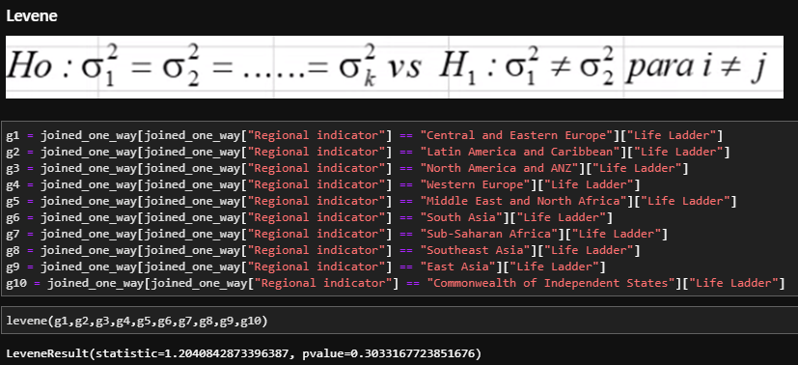
Jordan | 4.094 | 0.779 | Middle East and North Africa
Kazakhstan | 6.168 | 0.872 | Commonwealth of Independent States
Kenya | 4.547 | 0.702 | Sub-Saharan Africa
Kosovo | 6.294 | 0.88 | Central and Eastern Europe
Kyrgyzstan | 6.25 | 0.935 | Commonwealth of Independent States
Laos | 5.284 | 0.915 | Southeast Asia
Latvia | 6.229 | 0.82 | Central and Eastern Europe
Lithuania | 6.391 | 0.824 | Central and Eastern Europe
Malta | 6.157 | 0.931 | Western Europe
Mauritius | 6.015 | 0.843 | Sub-Saharan Africa
Mexico | 5.964 | 0.873 | Latin America and Caribbean
Moldova | 5.812 | 0.859 | Commonwealth of Independent States
Mongolia | 6.011 | 0.718 | East Asia
Montenegro | 5.722 | 0.802 | Central and Eastern Europe
Morocco | 4.803 | 0.819 | Middle East and North Africa
Myanmar | 4.431 | 0.825 | Southeast Asia
Namibia | 4.451 | 0.666 | Sub-Saharan Africa
Netherlands | 7.504 | 0.935 | Western Europe
New Zealand | 7.257 | 0.918 | North America and ANZ
Nigeria | 5.503 | 0.713 | Sub-Saharan Africa
North Macedonia | 5.054 | 0.787 | Central and Eastern Europe
Norway | 7.29 | 0.965 | Western Europe
Philippines | 5.08 | 0.932 | Southeast Asia | Grupo | Media | N | CMR | 0.41443157089 |  |  |  |  |  |  | Grupo | Media | N | CMR | 0.0079352859372
Poland | 6.139 | 0.767 | Central and Eastern Europe | Central and Eastern Europe | 6.077 | 16 | k | 10 |  |  |  |  |  |  | Central and Eastern Europe | 0.826 | 16 | k | 10
Portugal | 5.768 | 0.913 | Western Europe | Latin America and Caribbean | 5.660 | 11 | n | 95 |  |  |  |  |  |  | Latin America and Caribbean | 0.826 | 11 | n | 94
Russia | 5.495 | 0.714 | Commonwealth of Independent States | North America and ANZ | 7.112 | 4 | alpha | 0.05 |  |  |  |  |  |  | North America and ANZ | 0.890 | 4 | alpha | 0.05
Saudi Arabia | 6.56 | 0.884 | Middle East and North Africa | Western Europe | 6.919 | 19 |  |  |  |  |  |  |  |  | Western Europe | 0.864 | 19
Serbia | 6.042 | 0.843 | Central and Eastern Europe | Middle East and North Africa | 5.363 | 11 |  |  |  |  |  |  |  |  | Middle East and North Africa | 0.768 | 11
Slovakia | 6.519 | 0.762 | Central and Eastern Europe | South Asia | 4.752 | 2 |  |  |  |  |  |  |  |  | South Asia | 0.841 | 2
Slovenia | 6.462 | 0.958 | Central and Eastern Europe | Sub-Saharan Africa | 4.762 | 14 |  |  |  |  |  |  |  |  | Sub-Saharan Africa | 0.744 | 14
South Africa | 4.947 | 0.757 | Sub-Saharan Africa | Southeast Asia | 5.011 | 5 |  |  |  |  |  |  |  |  | Southeast Asia | 0.895 | 5
South Korea | 5.793 | 0.711 | East Asia | East Asia | 5.956 | 6 |  |  |  |  |  |  |  |  | East Asia | 0.772 | 6
Spain | 6.502 | 0.783 | Western Europe | Commonwealth of Independent States | 5.642 | 7 |  |  |  |  |  |  |  |  | Commonwealth of Independent States | 0.821 | 6
Sweden | 7.314 | 0.951 | Western Europe
Switzerland | 7.508 | 0.917 | Western Europe | SCHEFFÉ AD HOC |  |  |  |  |  |  |  |  |  |  | SCHEFFÉ AD HOC
Taiwan Province of China | 6.751 | 0.799 | East Asia | Region A | Region B | Media A | Media B | Dif Medias | NA | NB | EE Diferencia | Est. Scheffé | Umbral | Conclusion | Region A | Region B | Media A | Media B | Dif Medias | NA | NB | EE Diferencia | Est. Scheffé | Umbral | Conclusion
Tajikistan | 5.373 |  | Commonwealth of Independent States | Central and Eastern Europe | Latin America and Caribbean | 6.0766875 | 5.6601818182 | 0.41650568182 | 16 | 11 | 0.25 | 1.65 | 4.2341 | No rechazar H0 | Central and Eastern Europe | Latin America and Caribbean | 0.8264375 | 0.82618181818 | 0.00025568181818 | 16 | 11 | 0.03 | 0.01 | 4.2355 | No rechazar H0
Tanzania | 3.786 | 0.83 | Sub-Saharan Africa | Central and Eastern Europe | North America and ANZ | 6.0766875 | 7.11175 | -1.0350625 | 16 | 4 | 0.36 | -2.88 | 4.2341 | No rechazar H0 | Central and Eastern Europe | North America and ANZ | 0.8264375 | 0.89 | -0.0635625 | 16 | 4 | 0.05 | -1.28 | 4.2355 | No rechazar H0
Thailand | 5.885 | 0.84 | Southeast Asia | Central and Eastern Europe | Western Europe | 6.0766875 | 6.9194210526 | -0.84273355263 | 16 | 19 | 0.22 | -3.86 | 4.2341 | No rechazar H0 | Central and Eastern Europe | Western Europe | 0.8264375 | 0.86436842105 | -0.037930921053 | 16 | 19 | 0.03 | -1.25 | 4.2355 | No rechazar H0
Tunisia | 4.731 | 0.668 | Middle East and North Africa | Central and Eastern Europe | Middle East and North Africa | 6.0766875 | 5.3634545455 | 0.71323295455 | 16 | 11 | 0.25 | 2.83 | 4.2341 | No rechazar H0 | Central and Eastern Europe | Middle East and North Africa | 0.8264375 | 0.768 | 0.0584375 | 16 | 11 | 0.03 | 1.67 | 4.2355 | No rechazar H0
Turkey | 4.862 | 0.51 | Middle East and North Africa | Central and Eastern Europe | South Asia | 6.0766875 | 4.7525 | 1.3241875 | 16 | 2 | 0.48 | 2.74 | 4.2341 | No rechazar H0 | Central and Eastern Europe | South Asia | 0.8264375 | 0.8415 | -0.0150625 | 16 | 2 | 0.07 | -0.23 | 4.2355 | No rechazar H0
Uganda | 4.641 | 0.687 | Sub-Saharan Africa | Central and Eastern Europe | Sub-Saharan Africa | 6.0766875 | 4.7615714286 | 1.3151160714 | 16 | 14 | 0.24 | 5.58 | 4.2341 | Rechazar H0 | Central and Eastern Europe | Sub-Saharan Africa | 0.8264375 | 0.74371428571 | 0.082723214286 | 16 | 14 | 0.03 | 2.54 | 4.2355 | No rechazar H0
Ukraine | 5.27 | 0.784 | Commonwealth of Independent States | Central and Eastern Europe | Southeast Asia | 6.0766875 | 5.0114 | 1.0652875 | 16 | 5 | 0.33 | 3.23 | 4.2341 | No rechazar H0 | Central and Eastern Europe | Southeast Asia | 0.8264375 | 0.895 | -0.0685625 | 16 | 5 | 0.05 | -1.50 | 4.2355 | No rechazar H0
United Arab Emirates | 6.458 | 0.942 | Middle East and North Africa | Central and Eastern Europe | East Asia | 6.0766875 | 5.9565 | 0.1201875 | 16 | 6 | 0.31 | 0.39 | 4.2341 | No rechazar H0 | Central and Eastern Europe | East Asia | 0.8264375 | 0.77166666667 | 0.054770833333 | 16 | 6 | 0.04 | 1.28 | 4.2355 | No rechazar H0
United Kingdom | 6.798 | 0.885 | Western Europe | Central and Eastern Europe | Commonwealth of Independent States | 6.0766875 | 5.6415714286 | 0.43511607143 | 16 | 7 | 0.29 | 1.49 | 4.2341 | No rechazar H0 | Central and Eastern Europe | Commonwealth of Independent States | 0.8264375 | 0.82133333333 | 0.0051041666667 | 16 | 6 | 0.04 | 0.12 | 4.2355 | No rechazar H0
United States | 7.028 | 0.85 | North America and ANZ | Latin America and Caribbean | North America and ANZ | 5.6601818182 | 7.11175 | -1.4515681818 | 11 | 4 | 0.38 | -3.86 | 4.2341 | No rechazar H0 | Latin America and Caribbean | North America and ANZ | 0.82618181818 | 0.89 | -0.063818181818 | 11 | 4 | 0.05 | -1.23 | 4.2355 | No rechazar H0
Uruguay | 6.31 | 0.908 | Latin America and Caribbean | Latin America and Caribbean | Western Europe | 5.6601818182 | 6.9194210526 | -1.2592392344 | 11 | 19 | 0.24 | -5.16 | 4.2341 | Rechazar H0 | Latin America and Caribbean | Western Europe | 0.82618181818 | 0.86436842105 | -0.038186602871 | 11 | 19 | 0.03 | -1.13 | 4.2355 | No rechazar H0
Venezuela | 4.574 | 0.612 | Latin America and Caribbean | Latin America and Caribbean | Middle East and North Africa | 5.6601818182 | 5.3634545455 | 0.29672727273 | 11 | 11 | 0.27 | 1.08 | 4.2341 | No rechazar H0 | Latin America and Caribbean | Middle East and North Africa | 0.82618181818 | 0.768 | 0.058181818182 | 11 | 11 | 0.04 | 1.53 | 4.2355 | No rechazar H0
Zambia | 4.838 | 0.75 | Sub-Saharan Africa | Latin America and Caribbean | South Asia | 5.6601818182 | 4.7525 | 0.90768181818 | 11 | 2 | 0.49 | 1.83 | 4.2341 | No rechazar H0 | Latin America and Caribbean | South Asia | 0.82618181818 | 0.8415 | -0.015318181818 | 11 | 2 | 0.07 | -0.22 | 4.2355 | No rechazar H0
Zimbabwe | 3.16 | 0.643 | Sub-Saharan Africa | Latin America and Caribbean | Sub-Saharan Africa | 5.6601818182 | 4.7615714286 | 0.89861038961 | 11 | 14 | 0.26 | 3.46 | 4.2341 | No rechazar H0 | Latin America and Caribbean | Sub-Saharan Africa | 0.82618181818 | 0.74371428571 | 0.082467532468 | 11 | 14 | 0.04 | 2.30 | 4.2355 | No rechazar H0
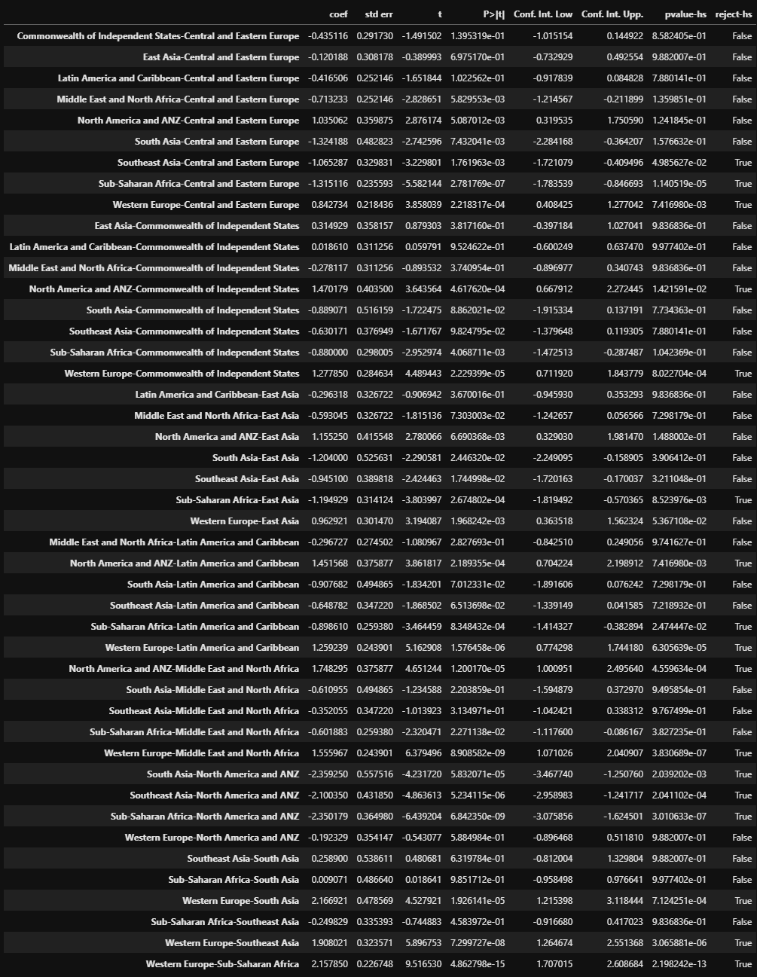
 |  |  |  | Latin America and Caribbean | Southeast Asia | 5.6601818182 | 5.0114 | 0.64878181818 | 11 | 5 | 0.35 | 1.87 | 4.2341 | No rechazar H0 | Latin America and Caribbean | Southeast Asia | 0.82618181818 | 0.895 | -0.068818181818 | 11 | 5 | 0.05 | -1.43 | 4.2355 | No rechazar H0
 |  |  |  | Latin America and Caribbean | East Asia | 5.6601818182 | 5.9565 | -0.29631818182 | 11 | 6 | 0.33 | -0.91 | 4.2341 | No rechazar H0 | Latin America and Caribbean | East Asia | 0.82618181818 | 0.77166666667 | 0.054515151515 | 11 | 6 | 0.05 | 1.21 | 4.2355 | No rechazar H0
 |  |  |  | Latin America and Caribbean | Commonwealth of Independent States | 5.6601818182 | 5.6415714286 | 0.01861038961 | 11 | 7 | 0.31 | 0.06 | 4.2341 | No rechazar H0 | Latin America and Caribbean | Commonwealth of Independent States | 0.82618181818 | 0.82133333333 | 0.0048484848485 | 11 | 6 | 0.05 | 0.11 | 4.2355 | No rechazar H0
 |  |  |  | North America and ANZ | Western Europe | 7.11175 | 6.9194210526 | 0.19232894737 | 4 | 19 | 0.35 | 0.54 | 4.2341 | No rechazar H0 | North America and ANZ | Western Europe | 0.89 | 0.86436842105 | 0.025631578947 | 4 | 19 | 0.05 | 0.52 | 4.2355 | No rechazar H0
 |  |  |  | North America and ANZ | Middle East and North Africa | 7.11175 | 5.3634545455 | 1.7482954545 | 4 | 11 | 0.38 | 4.65 | 4.2341 | Rechazar H0 | North America and ANZ | Middle East and North Africa | 0.89 | 0.768 | 0.122 | 4 | 11 | 0.05 | 2.35 | 4.2355 | No rechazar H0
 |  |  |  | North America and ANZ | South Asia | 7.11175 | 4.7525 | 2.35925 | 4 | 2 | 0.56 | 4.23 | 4.2341 | No rechazar H0 | North America and ANZ | South Asia | 0.89 | 0.8415 | 0.0485 | 4 | 2 | 0.08 | 0.63 | 4.2355 | No rechazar H0
 |  |  |  | North America and ANZ | Sub-Saharan Africa | 7.11175 | 4.7615714286 | 2.3501785714 | 4 | 14 | 0.36 | 6.44 | 4.2341 | Rechazar H0 | North America and ANZ | Sub-Saharan Africa | 0.89 | 0.74371428571 | 0.14628571429 | 4 | 14 | 0.05 | 2.90 | 4.2355 | No rechazar H0
 |  |  |  | North America and ANZ | Southeast Asia | 7.11175 | 5.0114 | 2.10035 | 4 | 5 | 0.43 | 4.86 | 4.2341 | Rechazar H0 | North America and ANZ | Southeast Asia | 0.89 | 0.895 | -0.005 | 4 | 5 | 0.06 | -0.08 | 4.2355 | No rechazar H0
 |  |  |  | North America and ANZ | East Asia | 7.11175 | 5.9565 | 1.15525 | 4 | 6 | 0.42 | 2.78 | 4.2341 | No rechazar H0 | North America and ANZ | East Asia | 0.89 | 0.77166666667 | 0.11833333333 | 4 | 6 | 0.06 | 2.06 | 4.2355 | No rechazar H0
 |  |  |  | North America and ANZ | Commonwealth of Independent States | 7.11175 | 5.6415714286 | 1.4701785714 | 4 | 7 | 0.40 | 3.64 | 4.2341 | No rechazar H0 | North America and ANZ | Commonwealth of Independent States | 0.89 | 0.82133333333 | 0.068666666667 | 4 | 6 | 0.06 | 1.19 | 4.2355 | No rechazar H0
 |  |  |  | Western Europe | Middle East and North Africa | 6.9194210526 | 5.3634545455 | 1.5559665072 | 19 | 11 | 0.24 | 6.38 | 4.2341 | Rechazar H0 | Western Europe | Middle East and North Africa | 0.86436842105 | 0.768 | 0.096368421053 | 19 | 11 | 0.03 | 2.86 | 4.2355 | No rechazar H0
 |  |  |  | Western Europe | South Asia | 6.9194210526 | 4.7525 | 2.1669210526 | 19 | 2 | 0.48 | 4.53 | 4.2341 | Rechazar H0 | Western Europe | South Asia | 0.86436842105 | 0.8415 | 0.022868421053 | 19 | 2 | 0.07 | 0.35 | 4.2355 | No rechazar H0
 |  |  |  | Western Europe | Sub-Saharan Africa | 6.9194210526 | 4.7615714286 | 2.1578496241 | 19 | 14 | 0.23 | 9.52 | 4.2341 | Rechazar H0 | Western Europe | Sub-Saharan Africa | 0.86436842105 | 0.74371428571 | 0.12065413534 | 19 | 14 | 0.03 | 3.85 | 4.2355 | No rechazar H0
 |  |  |  | Western Europe | Southeast Asia | 6.9194210526 | 5.0114 | 1.9080210526 | 19 | 5 | 0.32 | 5.90 | 4.2341 | Rechazar H0 | Western Europe | Southeast Asia | 0.86436842105 | 0.895 | -0.030631578947 | 19 | 5 | 0.04 | -0.68 | 4.2355 | No rechazar H0
 |  |  |  | Western Europe | East Asia | 6.9194210526 | 5.9565 | 0.96292105263 | 19 | 6 | 0.30 | 3.19 | 4.2341 | No rechazar H0 | Western Europe | East Asia | 0.86436842105 | 0.77166666667 | 0.092701754386 | 19 | 6 | 0.04 | 2.22 | 4.2355 | No rechazar H0
 |  |  |  | Western Europe | Commonwealth of Independent States | 6.9194210526 | 5.6415714286 | 1.2778496241 | 19 | 7 | 0.28 | 4.49 | 4.2341 | Rechazar H0 | Western Europe | Commonwealth of Independent States | 0.86436842105 | 0.82133333333 | 0.043035087719 | 19 | 6 | 0.04 | 1.03 | 4.2355 | No rechazar H0
 |  |  |  | Middle East and North Africa | South Asia | 5.3634545455 | 4.7525 | 0.61095454545 | 11 | 2 | 0.49 | 1.23 | 4.2341 | No rechazar H0 | Middle East and North Africa | South Asia | 0.768 | 0.8415 | -0.0735 | 11 | 2 | 0.07 | -1.07 | 4.2355 | No rechazar H0
 |  |  |  | Middle East and North Africa | Sub-Saharan Africa | 5.3634545455 | 4.7615714286 | 0.60188311688 | 11 | 14 | 0.26 | 2.32 | 4.2341 | No rechazar H0 | Middle East and North Africa | Sub-Saharan Africa | 0.768 | 0.74371428571 | 0.024285714286 | 11 | 14 | 0.04 | 0.68 | 4.2355 | No rechazar H0
 |  |  |  | Middle East and North Africa | Southeast Asia | 5.3634545455 | 5.0114 | 0.35205454545 | 11 | 5 | 0.35 | 1.01 | 4.2341 | No rechazar H0 | Middle East and North Africa | Southeast Asia | 0.768 | 0.895 | -0.127 | 11 | 5 | 0.05 | -2.64 | 4.2355 | No rechazar H0
 |  |  |  | Middle East and North Africa | East Asia | 5.3634545455 | 5.9565 | -0.59304545455 | 11 | 6 | 0.33 | -1.82 | 4.2341 | No rechazar H0 | Middle East and North Africa | East Asia | 0.768 | 0.77166666667 | -0.0036666666667 | 11 | 6 | 0.05 | -0.08 | 4.2355 | No rechazar H0
 |  |  |  | Middle East and North Africa | Commonwealth of Independent States | 5.3634545455 | 5.6415714286 | -0.27811688312 | 11 | 7 | 0.31 | -0.89 | 4.2341 | No rechazar H0 | Middle East and North Africa | Commonwealth of Independent States | 0.768 | 0.82133333333 | -0.053333333333 | 11 | 6 | 0.05 | -1.18 | 4.2355 | No rechazar H0
 |  |  |  | South Asia | Sub-Saharan Africa | 4.7525 | 4.7615714286 | -0.0090714285714 | 2 | 14 | 0.49 | -0.02 | 4.2341 | No rechazar H0 | South Asia | Sub-Saharan Africa | 0.8415 | 0.74371428571 | 0.097785714286 | 2 | 14 | 0.07 | 1.45 | 4.2355 | No rechazar H0
 |  |  |  | South Asia | Southeast Asia | 4.7525 | 5.0114 | -0.2589 | 2 | 5 | 0.54 | -0.48 | 4.2341 | No rechazar H0 | South Asia | Southeast Asia | 0.8415 | 0.895 | -0.0535 | 2 | 5 | 0.07 | -0.72 | 4.2355 | No rechazar H0
 |  |  |  | South Asia | East Asia | 4.7525 | 5.9565 | -1.204 | 2 | 6 | 0.53 | -2.29 | 4.2341 | No rechazar H0 | South Asia | East Asia | 0.8415 | 0.77166666667 | 0.069833333333 | 2 | 6 | 0.07 | 0.96 | 4.2355 | No rechazar H0
 |  |  |  | South Asia | Commonwealth of Independent States | 4.7525 | 5.6415714286 | -0.88907142857 | 2 | 7 | 0.52 | -1.72 | 4.2341 | No rechazar H0 | South Asia | Commonwealth of Independent States | 0.8415 | 0.82133333333 | 0.020166666667 | 2 | 6 | 0.07 | 0.28 | 4.2355 | No rechazar H0
 |  |  |  | Sub-Saharan Africa | Southeast Asia | 4.7615714286 | 5.0114 | -0.24982857143 | 14 | 5 | 0.34 | -0.74 | 4.2341 | No rechazar H0 | Sub-Saharan Africa | Southeast Asia | 0.74371428571 | 0.895 | -0.15128571429 | 14 | 5 | 0.05 | -3.26 | 4.2355 | No rechazar H0
 |  |  |  | Sub-Saharan Africa | East Asia | 4.7615714286 | 5.9565 | -1.1949285714 | 14 | 6 | 0.31 | -3.80 | 4.2341 | No rechazar H0 | Sub-Saharan Africa | East Asia | 0.74371428571 | 0.77166666667 | -0.027952380952 | 14 | 6 | 0.04 | -0.64 | 4.2355 | No rechazar H0
 |  |  |  | Sub-Saharan Africa | Commonwealth of Independent States | 4.7615714286 | 5.6415714286 | -0.88 | 14 | 7 | 0.30 | -2.95 | 4.2341 | No rechazar H0 | Sub-Saharan Africa | Commonwealth of Independent States | 0.74371428571 | 0.82133333333 | -0.077619047619 | 14 | 6 | 0.04 | -1.79 | 4.2355 | No rechazar H0
 |  |  |  | Southeast Asia | East Asia | 5.0114 | 5.9565 | -0.9451 | 5 | 6 | 0.39 | -2.42 | 4.2341 | No rechazar H0 | Southeast Asia | East Asia | 0.895 | 0.77166666667 | 0.12333333333 | 5 | 6 | 0.05 | 2.29 | 4.2355 | No rechazar H0
 |  |  |  | Southeast Asia | Commonwealth of Independent States | 5.0114 | 5.6415714286 | -0.63017142857 | 5 | 7 | 0.38 | -1.67 | 4.2341 | No rechazar H0 | Southeast Asia | Commonwealth of Independent States | 0.895 | 0.82133333333 | 0.073666666667 | 5 | 6 | 0.05 | 1.37 | 4.2355 | No rechazar H0
 |  |  |  | East Asia | Commonwealth of Independent States | 5.9565 | 5.6415714286 | 0.31492857143 | 6 | 7 | 0.36 | 0.88 | 4.2341 | No rechazar H0 | East Asia | Commonwealth of Independent States | 0.77166666667 | 0.82133333333 | -0.049666666667 | 6 | 6 | 0.05 | -0.97 | 4.2355 | No rechazar H0

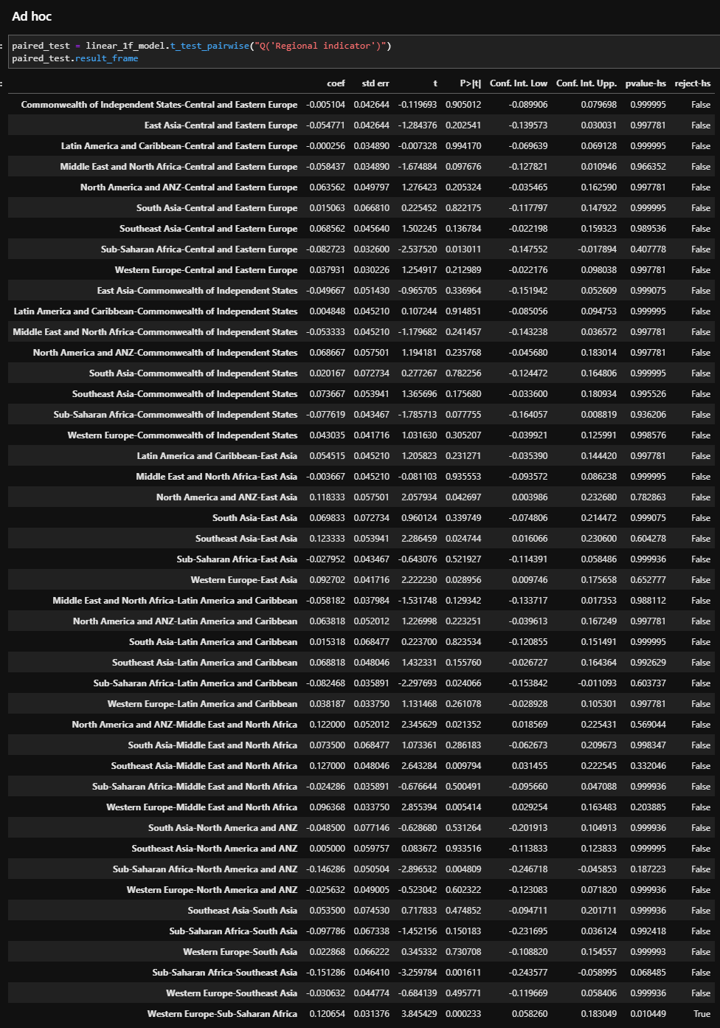
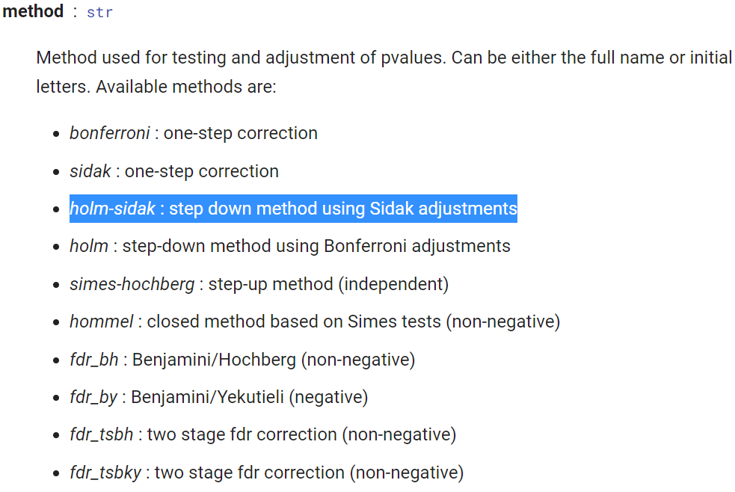

 |  |  |  | Central and Eastern Europe |  | South Asia
 |  |  |  | Latin America and Caribbean |  | Central and Eastern Europe
 |  |  |  | North America and ANZ |  | Latin America and Caribbean
 |  |  |  | Western Europe |  | North America and ANZ
 |  |  |  | Middle East and North Africa |  | Middle East and North Africa
 |  |  |  | South Asia |  | Sub-Saharan Africa
 |  |  |  | Southeast Asia |  | Southeast Asia
 |  |  |  | East Asia |  | East Asia
 |  |  |  | Commonwealth of Independent States |  | Commonwealth of Independent States

 |  |  |  | Latin America and Caribbean |  | Sub-Saharan Africa
Central and Eastern Europe |  |  |  | Central and Eastern Europe |  | Latin America and Caribbean
Albania |  |  |  | Middle East and North Africa |  | Middle East and North Africa
Bosnia and Herzegovina |  |  |  | South Asia |  | South Asia
Bulgaria |  |  |  | Sub-Saharan Africa |  | Southeast Asia
Croatia |  |  |  | Southeast Asia |  | East Asia
Czech Republic |  |  |  | East Asia |  | Commonwealth of Independent States
Estonia |  |  |  | Commonwealth of Independent States
Hungary |  |  |  | North America and ANZ
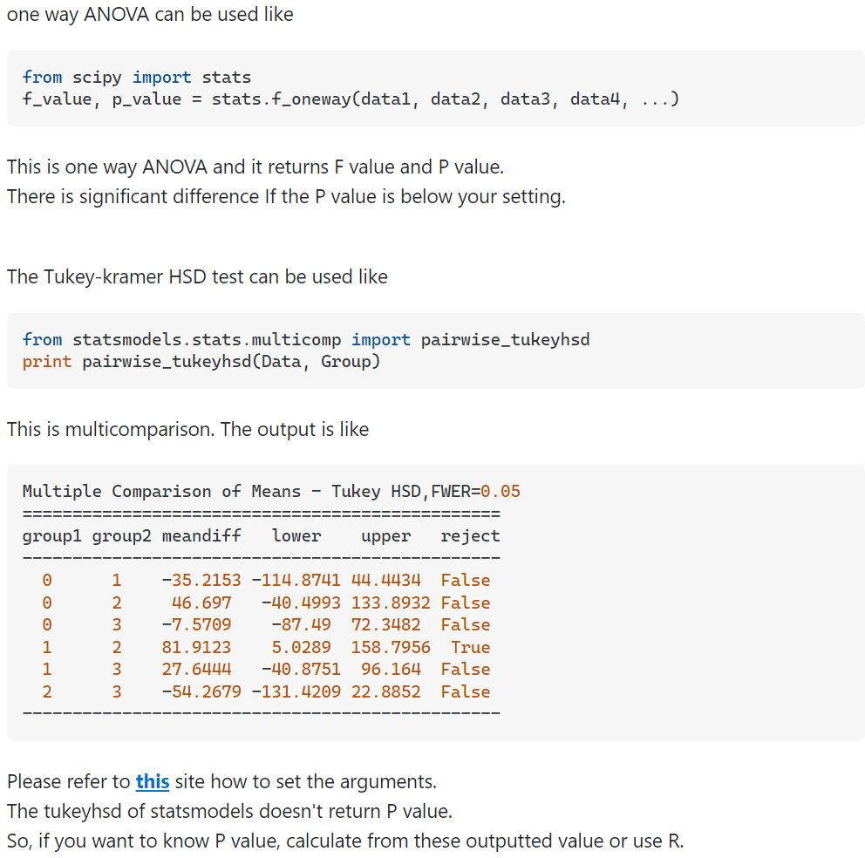
Kosovo
Latvia |  |  |  | North America and ANZ |  | Southeast Asia
Lithuania |  |  |  | Central and Eastern Europe |  | Central and Eastern Europe
Montenegro |  |  |  | Latin America and Caribbean |  | Latin America and Caribbean
North Macedonia |  |  |  | South Asia |  | Middle East and North Africa
Poland |  |  |  | East Asia |  | East Asia
Serbia |  |  |  | Commonwealth of Independent States |  | Commonwealth of Independent States
Slovakia |  |  |  |  |  | South Asia
Slovenia |  |  |  | Western Europe |  | Sub-Saharan Africa
Commonwealth of Independent States |  |  |  | Central and Eastern Europe
Georgia |  |  |  | North America and ANZ
Kazakhstan |  |  |  | East Asia |  | East Asia
Kyrgyzstan |  |  |  |  |  | Commonwealth of Independent States
Moldova |  |  |  | Middle East and North Africa |  | Sub-Saharan Africa
Russia |  |  |  | Central and Eastern Europe |  | South Asia
Tajikistan |  |  |  | Latin America and Caribbean |  | Middle East and North Africa
Ukraine |  |  |  | South Asia |  | Western Europe
East Asia |  |  |  | Sub-Saharan Africa |  | North America and ANZ
China |  |  |  | Southeast Asia |  | Latin America and Caribbean
Hong Kong S.A.R. of China |  |  |  | East Asia |  | Central and Eastern Europe
Japan |  |  |  | Commonwealth of Independent States
Mongolia
South Korea
Taiwan Province of China |  |  |  | Commonwealth of Independent States
Latin America and Caribbean |  |  |  | Southeast Asia
Argentina |  |  |  | East Asia
Bolivia |  |  |  | Sub-Saharan Africa
Brazil |  |  |  | South Asia
Chile |  |  |  | Middle East and North Africa
Colombia |  |  |  | North America and ANZ
Dominican Republic |  |  |  | Latin America and Caribbean
Ecuador |  |  |  | Central and Eastern Europe
El Salvador
Mexico
Uruguay
Venezuela
Middle East and North Africa
Bahrain
Egypt
Iran
Iraq
Israel
Jordan
Morocco
Saudi Arabia
Tunisia
Turkey
United Arab Emirates |  | https://www.idealista.com/news/inmobiliario/internacional/2021/06/30/791189-imagen-del-dia-los-paises-mas-felices-e-infelices-del-mundo-en-2021#:~:text=Los%20pa%C3%ADses%20m%C3%A1s%20infelices%20del,del%20coronavirus%20en%20el%20pa%C3%ADs.
North America and ANZ
Australia
Canada
New Zealand
United States
South Asia
Bangladesh
India
Southeast Asia
Cambodia
Laos
Myanmar
Philippines
Thailand
Sub-Saharan Africa
Benin
Cameroon
Ethiopia
Ghana
Ivory Coast
Kenya
Mauritius
Namibia
Nigeria
South Africa
Tanzania
Uganda
Zambia
Zimbabwe
Western Europe
Austria
Belgium
Cyprus
Denmark
Finland
France
Germany
Greece
Iceland
Ireland
Italy
Malta
Netherlands
Norway
Portugal
Spain
Sweden
Switzerland
United Kingdom

