Changelog
FiveCrux - Fixes & Changes
Development log - 13 Jul 2026 to 26 Aug 2026 | 85 commits | Tebex removed, PayPal live, chargeback blocking, admin-managed pricing
72 items - 17 areas - 7 with screenshots - every item verified before it was called done
No | Category | Item | What was wrong / what it is | Fix / What was built | Why | Files changed | Verified | Status | Before | After
1 | Payments | PayPal foundation (client + webhook verification) | All FiveCrux revenue ran through Tebex. @paypal/checkout-server-sdk sat in package.json unused and is deprecated by PayPal. | Added lib/paypal.ts: supported @paypal/paypal-server-sdk client, EUR currency, and hand-rolled webhook signature verification (the SDK ships none). Certificate host is pinned to paypal.com. | Client has an approved PayPal business account; Tebex is being removed entirely. | lib/paypal.ts, package.json, scripts/check-paypal.mjs | tsc + build clean; check-paypal.mjs probe green | Done | - | -
2 | Payments | Order / capture / webhook routes | No payment rail existed outside Tebex for the cart (ad slots, featured slots, subscriptions, props). | POST /api/paypal/order prices the cart SERVER-side and returns only an order id; /api/paypal/capture captures then provisions; /api/paypal/webhook handles capture, refund, denied and reversed events. | The buyer must never be able to send an amount - price and coupon are re-validated on the server. | app/api/paypal/{order,capture,webhook}/route.ts | End-to-end tested locally on PGlite with a seeded cart | Done | - | -
3 | Payments | Provisioning extracted, not rewritten | The 687-line Tebex webhook held all the logic that grants what people pay for and reverses it on refund. Duplicating it for PayPal would let the two drift apart. | Extracted verbatim into lib/provisioning.ts (Tebex webhook 688 -> 538 lines). PayPal calls the same functions. | What a buyer receives must not depend on which payment provider was used. | lib/provisioning.ts, app/api/tebex/webhook/route.ts | tsc clean; both webhooks exercised locally | Done | - | -
4 | Payments | Cart moved to PayPal buttons | Checkout redirected to a Tebex hosted basket. | Cart renders PayPal buttons. createOrder asks our server, which prices the cart and re-validates the coupon or creator code, and returns only an order id. | Removes Tebex from the platform's own checkout. | componentss/cart/cart-checkout-panel.tsx, componentss/cart/paypal-checkout-button.tsx | Verified in browser: 2-item cart totals EUR 335, PayPal + card buttons render | Done | - | 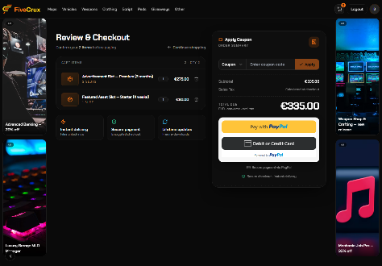
5 | Payments | Side banners moved to PayPal | Side-banner purchase went through Tebex baskets. | Rewritten onto PayPal Orders v2. The DB reservation lock (stops two buyers taking the same position) and release-on-failure are unchanged. Duration validation now comes from the price table. | A failed payment must not hold a scarce slot hostage. | app/api/side-banners/*/route.ts | Reservation and release paths tested locally | Done | - | -
6 | Payments | Tebex removed from every payment path | Tebex was both the payment rail AND the price database for platform placements. | Nothing new is paid for through Tebex. Seller assets still redirect to the seller's own store, so seller money never passes through FiveCrux. | Client instruction: remove Tebex completely. | 14 files across cart, side banners and script detail | grep confirms no Tebex call on any platform payment path | Done | - | -
7 | Payments | Refund webhook looked up the wrong record | On a refund event resource.id is the REFUND id, never the capture id - so the lookup could fail to find its order and silently skip revoking the entitlement AND blocking the account. | Read the capture from the rel="up" link first, then supplementary_data.related_ids.capture_id. resource.id is used only for DENIED and REVERSED, which really are capture-shaped events. | This defeated the entire chargeback-blocking feature on the exact event that triggers it. | app/api/paypal/webhook/route.ts | Found by reading PayPal's payload docs; checked against their refund example | Done | - | -
8 | Payments | Sandbox credentials could reach production | Nothing stopped a sandbox PayPal key being deployed live - payments would silently not be real. | assertNotSandboxInProduction() throws at request time unless PAYPAL_ENVIRONMENT=live. Deliberately not at module scope, which broke next build (Next imports every route with NODE_ENV=production). | A store taking fake payments looks identical to one taking real ones until reconciliation. | lib/paypal.ts | Build verified clean after moving the guard off module scope | Done | - | -
9 | Fraud & Security | Chargeback accounts are now blocked | Buyers were paying, filing a chargeback (money back, goods kept), then coming straight back to repeat it. Revoking the entitlement was all that happened - nothing stopped the next attempt. | A chargeback webhook now blocks the account. A block is READ-ONLY, not a ban: they can still sign in and browse, but cannot buy, submit or enter anything. | Reported by the client as an ongoing, repeating loss. | lib/provisioning.ts, lib/api-auth.ts, middleware.ts, auth.ts, lib/db/schema.ts, drizzle/0020 | Verified: blocked account can browse; every mutating route returns 403 | Done | - | -
10 | Fraud & Security | Block enforcement is layered | The codebase has no single write chokepoint - only 9 API routes use requireUser while 61 call getServerSession directly, and 62 routes have mutating handlers. | The middleware matcher was widened from /api/admin/* to /api/* and refuses every mutating request from a blocked user (auth routes exempt), plus assertNotBlocked() fresh DB reads on the money paths. | A single-point check would have missed 53 routes. | middleware.ts, lib/api-auth.ts | Route-by-route probe: no mutating route reachable while blocked | Done | - | -
11 | Fraud & Security | Blacklist tab in the admin panel | The blocking API existed but nothing surfaced it - staff had to call the endpoint by hand. | Admin > Blacklist shows who is blocked, why, when, and whether the block was automatic (chargeback, badged red) or manual, with one-click unblock and a manual block form. | Client asked for chargebackers to be visible in the admin panel. | componentss/admin/blocked-users.tsx, app/api/admin/blocked-users/route.ts | Verified in browser as admin | Done | - | 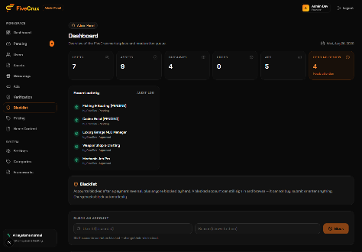
12 | Pricing | Platform prices moved off Tebex | Ad slot, featured slot and side banner prices were read live from the Tebex store - Tebex was the price database, not just the payment rail. | All 27 prices were read from the live store before the switch and captured exactly in lib/platform-pricing.ts (ads 40-1350, featured 20-400, banners 49.99-149.99). | Nothing changed for a buyer during the migration. | lib/platform-pricing.ts, lib/ad-pricing.ts | Compared against live /api/advertise/pricing output before cut-over | Done | - | -
13 | Pricing | Admin-editable pricing | Once hardcoded, changing any price needed a code deploy. | Admin > Pricing: DB-backed prices with pill switching between Ad slots / Featured slots / Side banners, unsaved-change dots, per-row reset-to-default and a sticky save bar. Applies to the next checkout, no deploy. | Client asked for all prices to be admin-managed, with PayPal used only as the payment rail. | componentss/admin/pricing-manager.tsx, app/api/admin/pricing/route.ts, lib/platform-pricing.ts, drizzle/0021 | Verified: price changed in admin, new value quoted on the public page | Done | - | 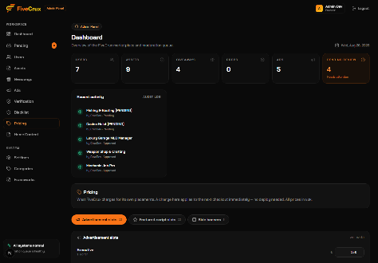
14 | Pricing | Price fallback fails expensive, not cheap | If the price table could not be read, a naive fallback would have priced paid placements at zero. | loadPrices() never throws: on any DB error the built-in defaults stand. | A database outage must never make a paid placement free. | lib/platform-pricing.ts | Tested with the table unavailable locally - defaults served, nothing free | Done | - | -
15 | Pricing | Admin price change did not reach the website | Reported: a price changed in admin showed there, but the site kept quoting the old one. Three cache layers, all left over from the slow Tebex call: revalidate=60, a hardcoded Cache-Control: s-maxage=60 stale-while-revalidate=300, and plain client fetches. | All three removed. The response header was the dangerous one - removing only revalidate looked fixed locally because dev has no CDN in front of it. | On Vercel the edge would still have served the old price to real buyers. | app/api/advertise/pricing/route.ts, app/api/side-banners/packages/route.ts, componentss/advertise/advertise-panel.tsx | Verified by asserting on the response headers, not just the rendered page | Done | - | -
16 | Pricing | Validation on price input | Nothing stopped a slipped decimal turning EUR 40 into EUR 4000, a negative price, or a junk package key. | PATCH rejects unknown keys, non-finite or negative amounts, and anything over 100,000. Founder/admin only. | This is money, and a moderator has no business setting what things cost. | app/api/admin/pricing/route.ts | Probed with bad payloads: all rejected with 400 | Done | - | -
17 | Seller portal | Expiry warnings for paid placements | Nothing on FiveCrux renews itself - an ad slot, featured slot or side banner simply stops. The first sign was the placement quietly vanishing, which reads as a bug, and by then the seller has lost days they paid for. | The profile now shows what is running out, how long is left (hours under a day, days above), and a Renew button that goes straight to buying the same thing again. Covers all three paid products. | Client asked for an in-portal expiry notice with a buy-again path. | componentss/profile/expiring-notice.tsx, app/api/user/expiring/route.ts | Verified in browser with seeded near-expiry placements | Done | - | 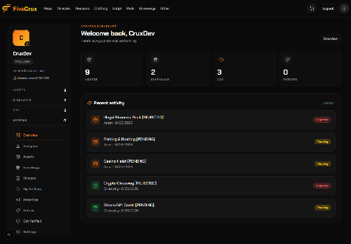
18 | Seller portal | Auto-renew deliberately NOT built | Auto-charging would need PayPal billing plans, which cannot carry coupons or a multi-item cart - both of which work today. | Chose expiry warnings plus one-click re-buy instead, and recorded the trade-off. | Discussed with the client; warnings preserve existing discount and cart behaviour. | n/a (decision, not code) | n/a | Decision | - | -
19 | Advertising | All paid advertiser flows switched off | The payment gateway rejected the advertising business. Without a gateway the platform could not process payments at all, which would also have killed asset sales. | Advertising disabled across 18 audited surfaces - paid API routes refuse with 410; side rails, Advertise CTA, home hero promo and ad cards hidden. Everything COMMENTED OUT, not deleted, tagged ADS-DISABLED 2026-08-16 so restore is a straight uncomment. | Client instruction: comment out, never delete. | 29 files (grep ADS-DISABLED) | Automated check-ads-disabled.mjs probe over every disabled surface | Done | - | -
20 | Advertising | /advertise returned 200, not 404 | notFound() inside a still-registered route streams a 200 with the 404 UI painted inside it - so the page was technically still live. | Renamed the route to a private folder (_advertise.disabled) so Next.js never registers it and the router 404s before rendering. | A 200 on a disabled page is indexable and reads as available. | app/(app)/_advertise.disabled/ | curl confirms a real 404 status code | Done | - | -
21 | Advertising | The app had no 404 page at all | app/not-found.tsx did not exist, so notFound() had nothing to render anywhere on the site. | Created it. Black-on-orange text (7.06:1 contrast) rather than white (2.80:1, below AA). | Found while disabling routes; deliberately kept even after the ads restore. | app/not-found.tsx | Contrast measured, not eyeballed | Done | - | -
22 | Advertising | Advertising and props restored | Client asked for both back once the PayPal account was approved - the compliance blocker was gone. | Done as git reverts of the two disabling commits rather than hand-uncommenting ~30 files, so the restored code is byte-identical to the original rather than an approximation. not-found.tsx and two unrelated fixes were deliberately kept. | Hand-uncommenting 30 files invites silent drift. | 39 files | tsc and build clean; site re-verified after restore | Done | - | -
23 | Home page | Side rails were the page's only side margin | Reducing SideAdsFrame to just {children} when ads were disabled welded content to both screen edges and clipped the rightmost cards off-screen on wide viewports. | The frame is now a real centered container with padding and a max width, so all 10 pages that mount it are fixed without touching any call site. | A layout regression only visible on the live page, not in any test. | componentss/ads/side-banners.tsx | Checked at 1440px and wider | Done | - | -
24 | Home page | Empty hero after ads were disabled | The hero is fed ONLY by paid featured slots, so disabling ads left the homepage opening straight onto a card grid with no hero. | A first attempt filled it with ordinary listings - reverted on client instruction, because that gives away the exact thing being sold. A brand banner was used instead, which holds nothing sellable. | Client: the hero is the advertising product; filling it free undercuts it when it returns. | componentss/home/home-client.tsx | Visually verified | Done | - | -
25 | Home page | Two heroes were stacking | The paid Featured Spotlight and the brand/search banner both rendered, one above the other. | Kept the paid hero, commented out the banner with the trade-off noted next to it: if no featured slots are sold the page opens on the chip row with no hero, one uncomment away from being covered again. | Client asked to keep only the first hero. | componentss/home/home-client.tsx | Verified in browser | Done | 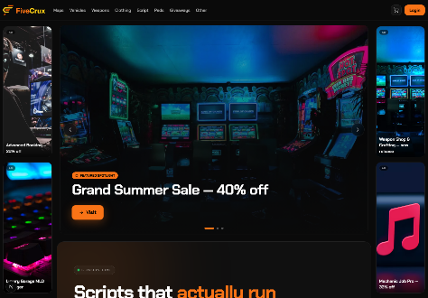 | 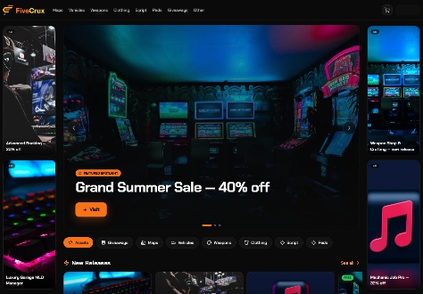
26 | Home page | Featured rows showed non-featured assets | The Featured row and the hero spotlight both fell back to the entire catalogue when no paid featured slots were active, so ordinary assets appeared labelled FEATURED. Expired slots also lingered because expiry relied on a lazy client-triggered job. | Both bound strictly to real featured items, plus a live end-date guard (featuredEndDate IS NULL OR > now()). The same leak was found and fixed on the giveaways hero and on ads. | Mislabelling ordinary listings as paid placements devalues the paid product. | lib/database-new.ts, home-client.tsx, giveaways-client.tsx | Verified with and without active featured slots | Done | - | -
27 | UI / Typography | Switched from Inter to Chakra Petch | Inter is the most-used UI font on the web and the default an AI reaches for - it read as generic SaaS and said nothing about FiveM. | Chakra Petch site-wide. It ships no weight above 700, and the codebase uses font-extrabold/font-black in ~78 places across 23 files, which the browser would synthesise and render muddy at display sizes. Both utilities are capped to the real 700 in one CSS rule instead of 78 edits. | Client picked it from four rendered options. | app/globals.css, app/layout.tsx | Rendered comparison of all four candidates before the choice | Done | - | -
28 | Performance | Cover images stopped loading on the live site | Vercel's image optimizer returned 402 OPTIMIZED_IMAGE_REQUEST_PAYMENT_REQUIRED - the plan's source-image quota was spent. Covers that still appeared were coming from browser cache, which is why the failures looked random. | Self-hosted optimizer at /api/img with a custom next/image loader (sharp). images.unoptimized was rejected: the live catalogue is 154 covers, 193 MB, 1.28 MB average, so a 12-card grid would have shipped 8.2 MB of originals. | Tebex's CDN ignores resize parameters (?w=, ?width=, ?format= all return the same 5.3 MB file), so there was nothing upstream to lean on. | app/api/img/route.ts, lib/image-loader.ts, next.config.js | Measured: 8.2 MB -> 140 KB per grid | Done | - | -
29 | Admin panel | Moderator panel never finished loading | The 8-second loading guard depended on [isFetching] and cleared its timer on cleanup, so any query that flapped - a retrying 403, for instance - reset the timer before it could fire. The guarantee never held. | Made the timeout absolute, started once on mount. | A moderator could not use the admin panel at all. | app/(admin)/admin/page.tsx | Measured: never loaded -> 4.4s | Done | 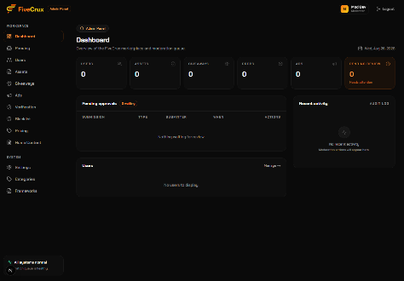 | 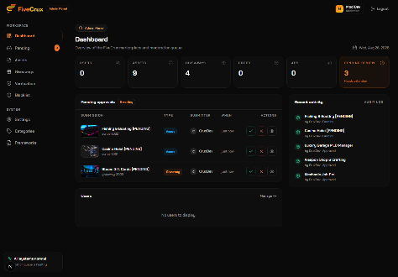
30 | Admin panel | Moderators were locked out of their own queues | /api/admin/scripts and /api/admin/giveaways hand-rolled admin||founder, shutting moderators out of the exact content queues the role exists for. | Both now accept moderator, with the error text corrected to "Forbidden: Staff access required". | A moderation role that cannot moderate is not a role. | app/api/admin/scripts/route.ts, app/api/admin/giveaways/route.ts | 14/14 API assertions: moderator allowed on content, still refused on users/pricing/site-content | Done | - | -
31 | Admin panel | Tabs rendered permanently empty | Even with the APIs fixed, the client hooks for scripts and giveaways still gated on admin||founder, so a moderator's Pending / Assets / Giveaways tabs showed nothing. | Client hooks aligned with the API role lists. | The API fix on its own was invisible to the user. | hooks/use-admin-queries.tsx | Verified in browser: all three tabs now carry content | Done
32 | Admin panel | Ads tab 403'd in a retry loop | useAdminAds allowed moderators, but its endpoint is /api/admin/advertisements, which is admin/founder only. (/api/admin/ads exists and does allow moderator, but nothing calls it.) | Ads is a paid placement, so the tab now follows Users / Pricing / Home Content and is admin-only. | The retry loop was the remaining cause of the slow moderator load. | hooks/use-admin-queries.tsx, app/(admin)/admin/page.tsx | Zero 4xx on /api/admin/* for both roles after the fix | Done | - | -
33 | Admin panel | A dead props query held the dashboard open | useAdminProps queried /api/admin/props, which returns 410 while the props feature is off. Retrying a dead endpoint kept the loading gate open. | Query disabled, with a marker comment so it flips back on restore. | Admin load was 16.3s, almost all of it this. | hooks/use-admin-queries.tsx | Measured: 16.3s -> 2.6s | Done | - | -
34 | Admin panel | Pricing tab shown to moderators who cannot open it | gated: true does not mean what it looks like - its filter is !gated || isModerator || isFounder, so a gated item still shows to moderators. It cannot express "founder/admin only" at all. | Added an explicit adminOnly flag honoured in the filter. The gate is admin OR founder, matching requireRole(["admin","founder"]) on the endpoint - isFounder alone would have hidden the screen from a plain admin who is allowed to use it. | Clicking the tab did nothing. | app/(admin)/admin/page.tsx | Verified per role: moderator 7 tabs, admin 11 | Done | - | -
35 | Admin panel | Leftover debug logging | console.log("Admin Dashboard - Ads:") ran on every render, and /api/admin/advertisements logged every caller's roles. | Removed. | Noise in the production console, and roles are needless detail in server logs. | app/(admin)/admin/page.tsx, app/api/admin/advertisements/route.ts | tsc clean | Done | - | -
36 | Security | Stored XSS in structured data | JSON-LD on asset, prop and giveaway detail pages injected user-supplied title and description via JSON.stringify, which does not escape "<" - a "</script>" in a title was a breakout. | Added lib/json-ld.ts safeJsonLd() and routed all three pages through it. | Found in a happy-path plus unhappy-path UAT sweep. | lib/json-ld.ts and three detail pages | Payload probe: breakout no longer possible | Done | - | -
37 | Security | Public endpoints leaked login emails | /api/scripts, /api/scripts/[id], /api/giveaways and /api/giveaways/[id] returned seller emails, creator emails and embedded winner emails to anyone. | Stripped from public responses; owner and staff still see them on detail. | PII exposure on unauthenticated read endpoints. | 4 route files | Responses re-checked as anonymous, owner and staff | Done | - | -
38 | Data integrity | Listing validation checked presence, not value | Asset submit and edit validated that fields EXISTED, so a negative price went live, a non-numeric price 500'd, and an empty title or unknown category slug (orphan listing) were all accepted. | Shared lib/validate-listing.ts used by both POST /api/scripts and PATCH. | Same class as the props NaN price and the creator-code missing cap, all fixed together. | lib/validate-listing.ts, app/api/scripts/route.ts | Bad-input probes all rejected | Done | - | -
39 | Data integrity | Creator codes charged full price silently | Checkout applied creator codes with applyCoupon (the wrong endpoint), best-effort - so an unapplied code charged the buyer full price while the order and creator commission were booked against a discount that never happened. | Switched to the creator-code endpoint, reject checkout if it is rejected, and recompute payable and discount from the real basket total. | The recorded order must match what the buyer was actually charged. | lib/tebex-checkout-flow.ts | Order and redemption totals reconciled | Done | - | -
40 | Data integrity | Creator-code edit had no percentage cap | The CREATE route capped the discount percentage; the EDIT route did not, so a 150% discount could be saved and take an order total to zero. | Cap added to edit. | Found sweeping for the same drift class as the side-banner duration bug. | creator-codes route | 150% payload now rejected | Done | - | -
41 | Data integrity | Approved giveaways could not be entered | approveGiveaway left status at 'pending', so the entry endpoint 400'd every entry - nobody could enter an approved giveaway. | Sets status 'active'. | Found in a full backend audit. | lib/database-new.ts | Entry flow tested end to end | Done | - | -
42 | Data integrity | Editing a live asset took it offline | After auto-approve was introduced, editing a LIVE asset re-queued it to pending - an unmonitored queue - so the asset disappeared from the site. | Edits now update in place; only rejected assets need re-approval. | Silent removal of a seller's live listing. | lib/database-new.ts, app/api/scripts/[id]/route.ts | Edit-while-live verified | Done | - | -
43 | Data integrity | Duplicate-PK 500s on add-to-cart | The integer PK generator used floor(Date.now()/1000) + rand(0..9999), which collided for two adds in the same second. | Full 32-bit random. The same fix was applied to the checkout id generator. | An intermittent 500 that looked random to the user. | app/api/cart/add/route.ts, lib/tebex-checkout-flow.ts | Repeated same-second adds no longer collide | Done | - | -
44 | Data integrity | Giveaway max-entries cap never applied | The cap was read as snake_case while the value was camelCase maxEntries, so it was always undefined. | Read the correct key. | A cap that silently does nothing is worse than no cap. | lib/database-new.ts | Cap enforced in test | Done | - | -
45 | Data integrity | Side-banner 4-week package rejected | Checkout validated durationWeeks against a hardcoded [1,2,3] while the live packages were 1/2/4 weeks - buying the 4-week banner failed with "Invalid duration". | Dropped the stale list; the real validation is resolving the duration to a real package. Adding a duration now needs no code change. | First instance of the hardcoded-vs-live drift class that was then swept app-wide. | lib/database-new.ts, side-banner routes | 4-week purchase completes | Done | - | -
46 | Data integrity | Ad category validated against a stale list | Both the client form and the admin route validated ad category against hardcoded [scripts, giveaways, props], rejecting real categories (Maps, Vehicles and so on) that the dropdown itself offered. | Validated against the live category list. | Same drift class as above. | componentss/admin/ads-form.tsx, advertise-panel.tsx, admin route | Every dropdown value now accepted | Done | - | -
47 | Data freshness | Edits and new items did not appear | Home, marketplace, category, script-detail, giveaway-detail, props and giveaways clients all reused the ISR SSR seed and skipped the client refetch, so the list showed old data while the API already returned the new data. | All refetch live after mount; detail pages refresh in the background with no spinner and keep the seed on failure. | Reported repeatedly as "my change isn't showing". | 7 client components | Verified by editing an item and reloading | Done | - | -
48 | Data freshness | The CDN served stale catalogue data | /api/scripts, /api/giveaways, /api/props, /api/featured-scripts, /api/categories and /api/frameworks carried s-maxage=60 on mutable data. Client-side no-store did not bypass the shared CDN copy. | Dropped the CDN cache on mutable endpoints; props, categories and frameworks made force-dynamic. | This was the real fix - the client-side change alone only looked like one. | 6 route files | Response headers asserted | Done | - | -
49 | Data freshness | Category pages showed 0 assets | /scripts filters entirely client-side but only had the SSR seed (newest ~24) to filter, so a category whose items were not in that seed showed "0 assets" even though the API returned them. | Always fetch the full catalogue after mount; SSR seed raised from 24 to 100. | Whole categories looked empty. | scripts-client.tsx, category-client.tsx | Every category page checked for content | Done | - | -
50 | Checkout (Tebex era) | Buy Now failed with "Could not start checkout" | Tebex Headless requires complete_url and cancel_url on basket creation; the seller and platform routes passed whatever the client sent, usually nothing. | Defaulted both to the app origin. | Superseded later by the PayPal migration, but it unblocked sales at the time. | 2 route files | Buy Now completed | Done | - | -
51 | Checkout (Tebex era) | 422 "User must login before adding packages" | FiveM stores require the buyer to authenticate WITH THE STORE before a package can be added - not with the FiveCrux login. | Probe getBasketAuthUrl after creating the basket and redirect the buyer to Tebex auth when the store needs it. | Surfaced to the user only as "Could not start checkout". | 3 route files, script-detail-client.tsx | Tested against a store requiring auth | Done | - | -
52 | Checkout (Tebex era) | 400 on disable_quantity packages | addPackageToBasket always sent quantity, but packages configured with disable_quantity: true reject it with "One of the options provided is invalid". | Only send quantity for genuine multi-quantity adds. | This was the real cause of Buy Now failing after the store login step. | lib/tebex.ts | Buy Now completed on a disable_quantity package | Done | - | -
53 | Checkout (Tebex era) | Buy Now moved to the seller's own store | Model B means each seller sells on their OWN webstore, which handles login, required package options and payment. The on-site basket could not satisfy such options. | Buy Now links to the package on the seller store; the import stores that URL, with a live resolve as fallback for older imports. | Keeps FiveCrux out of merchant-of-record for seller sales. | 4 files | Verified against a real seller store | Done | - | -
54 | Catalog & Nav | The "Other" category never existed | The navbar linked to /scripts?category=other as a catch-all but no such row existed, so sellers could never pick it and the link showed an empty page since launch. | Removed the hardcoded entry; the real DB category now flows through the same list the navbar renders. A duplicate "Other" filter chip was removed with it. | Confirmed: 0 assets had category='other'. | navbar.tsx, scripts-client.tsx | Link now resolves to real content | Done | - | -
55 | Catalog & Nav | Marketplace filters matched nothing | Category chips were a hardcoded list with singular slugs ("vehicle", "weapon") that never matched the DB's plural slugs. | Fetched from /api/categories like every other page. The asset-edit category dropdown had the same stale list and was fixed with it. | Filters that silently return nothing read as an empty catalogue. | marketplace-client.tsx, profile edit page | Every chip returns results | Done | - | -
56 | Catalog & Nav | One shared browse row site-wide | Each page hand-rolled its own chip row, so home showed "Peds" while scripts showed "Other", with different styling. | Extracted BrowseNav and used it on home, assets, props and giveaways. Category selection is URL-driven. | Design direction: an identical chip row everywhere. | browse-nav.tsx plus 4 pages | Compared side by side | Done | - | -
57 | Catalog & Nav | The props category filter was fake | The props page had category chips copied from scripts, but props have no category field anywhere in the data model - only the "Props" chip ever matched; the other four always returned zero. | Removed rather than reused. | A filter that cannot work should not be shown. | props-client.tsx | Confirmed against the schema and the API | Done | - | -
58 | Catalog & Nav | "Trending This Week" was a duplicate row | trending and newReleases both did liveScripts.slice(0,12) - same items, same order. There is no per-week view tracking, so "This Week" was never a real claim. | Renamed to "Most Viewed" and sorted by actual view_count. | The row was a copy of the one above it. | home-client.tsx, product-card.tsx | Rows now differ | Done | - | -
59 | Catalog & Nav | Footer categories were hardcoded | The footer listed 4 fixed categories regardless of what the site actually had. | Reads the home-flagged categories from context, the same set and order as the nav. | Stays in sync as categories change. | footer.tsx | Verified after adding a category | Done | - | -
60 | Catalog & Nav | "Script" renamed to "Asset" site-wide | The marketplace sells maps, vehicles, clothing and peds, not only scripts. | Every user-visible label renamed across 27 files. Routes, API paths, type names, query keys and category slugs deliberately unchanged so nothing breaks. MLOs were also relabelled to "Maps" with the slug preserved. | Client request; display-only by design. | 27 files | Build clean; all existing links still resolve | Done | - | -
61 | Giveaways | Per-prize Discord delivery contact | One giveaway can have several prizes handled by different people, but the delivery contact was stored once for the whole giveaway. | Stored and shown per prize. The top-level field was later removed entirely on request. | Client request. | lib/db/schema.ts, lib/database-new.ts, create/edit/detail pages | Create, edit and detail flows verified | Done | - | -
62 | Giveaways | Per-prize requirements | Entry requirements could only belong to the whole giveaway. | giveaway_requirements gains a nullable prize_id (NULL = legacy giveaway-level task); each prize card has its own requirements editor and the detail page groups tasks under their prize. | Client request; legacy giveaway-level tasks keep working. | lib/db/schema.ts, lib/database-new.ts, 3 pages, drizzle/0017 | Legacy and new giveaways both render correctly | Done | - | -
63 | Giveaways | Misleading per-prize "Winners" count | One prize equals one place equals one winner, and the draw already picks one per prize - but the form let a creator type 5 and expect 5. | Removed the field; number_of_winners stays 1. | The input promised something the draw would never do. | create and edit pages | Draw behaviour unchanged | Done | - | -
64 | Giveaways | Cards reloaded every second | The 1-second countdown tick lived at page level and GiveawayCard was defined inside the component, so every tick re-rendered the page, remounted every card and reloaded all card images. | Moved the tick into its own module-scope Countdown component that owns its state. | Visible flicker, worst on the ended tab. | giveaways-client.tsx | Images no longer reload on tick | Done | - | -
65 | Layout | Grey band above the footer | Pages wrap content in #0a0a0a but the footer's margin sits outside that wrapper, so the lighter body colour showed through as a band. | Set html and body to #0a0a0a. | Root-caused instead of patching each page. | app/globals.css | Gone site-wide | Done | - | -
66 | Layout | Big empty gap beside the catalogue | Catalog grids used fixed 300px auto-fill columns with justify-center and a per-card width cap, so leftover space became large symmetric margins against the side rails. The cart had the same problem from a max-w-6xl cap. | Fluid responsive grid (1fr columns) with the card cap removed; cart main made full width while single-card states stay centered. | Reported as dead space next to the rails. | scripts-client.tsx, props-client.tsx, cart page | Checked at several widths | Done | - | -
67 | Layout | Sidebar clipped its own content | Profile and admin sidebars stuck to the top but had no handling for their own overflow - it was simply cut off. | Capped to viewport height with independent scroll (scrollbar hidden), and the profile page restructured so only the main column scrolls. | Needed lg:min-h-0 on the grid children - CSS Grid ignores height and overflow on items until min-height is reset from its auto default. | profile and admin pages | Tested with overflowing sidebar content | Done | - | -
68 | Layout | Profile was narrower than admin | The profile dashboard was capped at max-w-[1320px] and centered, leaving large empty margins on wide screens, unlike the admin panel. | Removed the centering constraint. | Consistency between the two dashboards. | profile page | Compared side by side | Done | - | -
69 | Build & Tooling | The production build broke on an apostrophe | Next.js runs ESLint's react/no-unescaped-entities during the production build and fails on violations. A literal apostrophe broke the last two Vercel deploys - prod had been silently serving an older deployment. | Escaped it. | A failed deploy is invisible unless you check: the site keeps serving the previous build. | 2 giveaway pages | npm run build completes | Done | - | -
70 | Build & Tooling | The local seed corrupted its own data | scripts/setup-pglite.ts imported from lib/dev-auth.ts, which top-level-imports the live db client, silently opening a second PGlite connection on the same directory (PGlite allows one process per directory). The seed logged success but nothing persisted. | Split DEV_USERS into lib/dev-users.ts with no db import. | Every dev run against a fresh database came up empty. | lib/dev-auth.ts, lib/dev-users.ts, scripts/setup-pglite.ts | Reseed then read-back verified | Done | - | -
71 | Build & Tooling | The navbar logo reloaded on every page | Logo was defined inside NavbarComponent's body, so it got a new identity on every navbar re-render (scroll, cart count, menu toggle) and remounted the image each time. | Hoisted to module scope. | Found auditing for the same bug class as the giveaway card remount. | navbar.tsx | 0 reloads across scroll re-renders | Done | - | -
72 | Build & Tooling | The database guard held throughout | DATABASE_URL points at the production Neon database with real users and orders, and this branch's schema is not compatible with it. | Every migration (0017, 0019, 0020, 0021) was written and handed over for the client to run by hand. No migrate, push or write was ever run from here; scripts/db-guard.mjs blocks non-local targets. | Hard project rule. | drizzle/0017, 0019, 0020, 0021 | Prod verified read-only: 40 tables, 18 users intact after the client applied them | Done | - | -

