对照关系 (2)
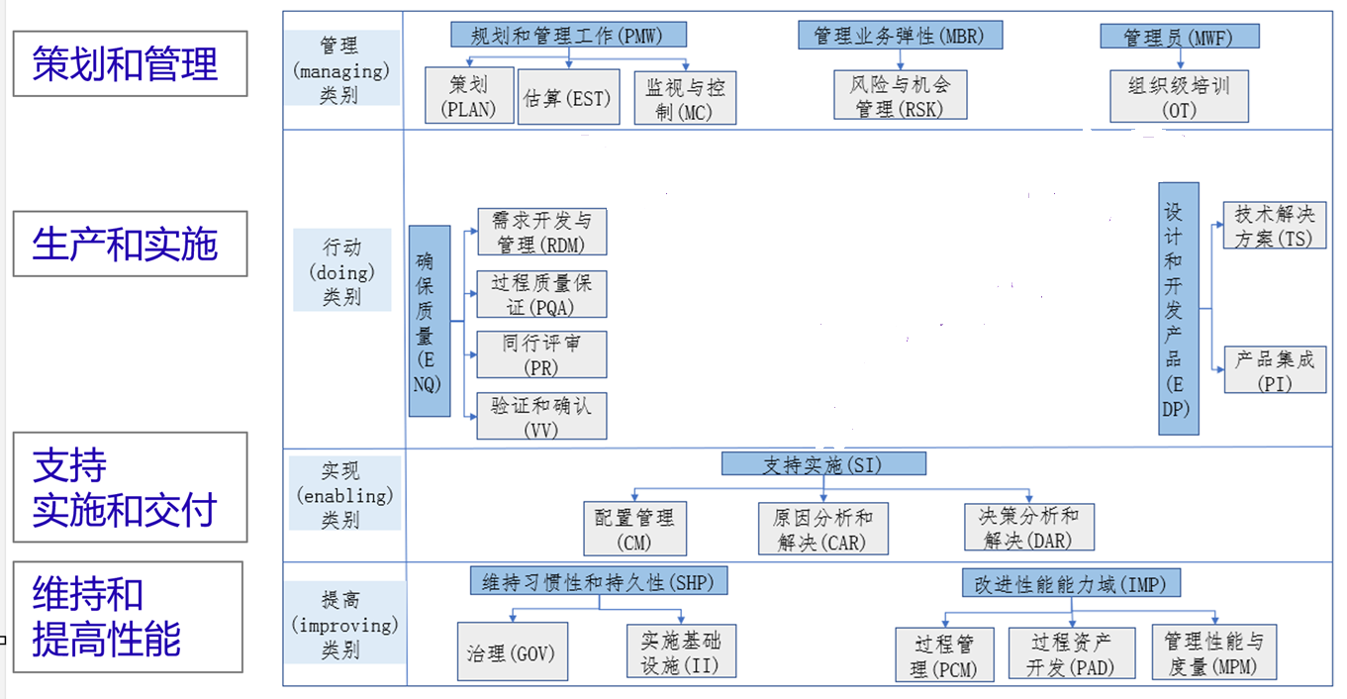
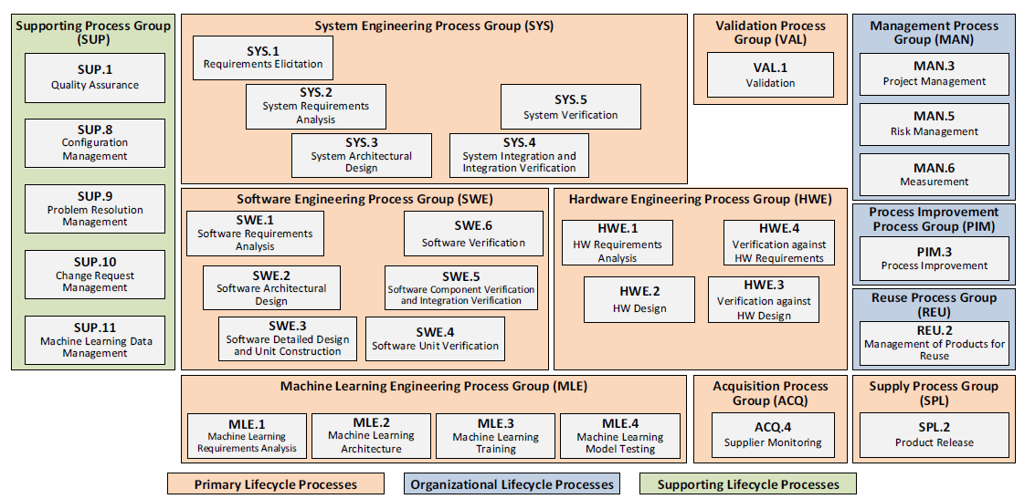
ASPICE过程参考模型
 | CMMI四大类别八大能力域(自己理解画的图)

