fig1
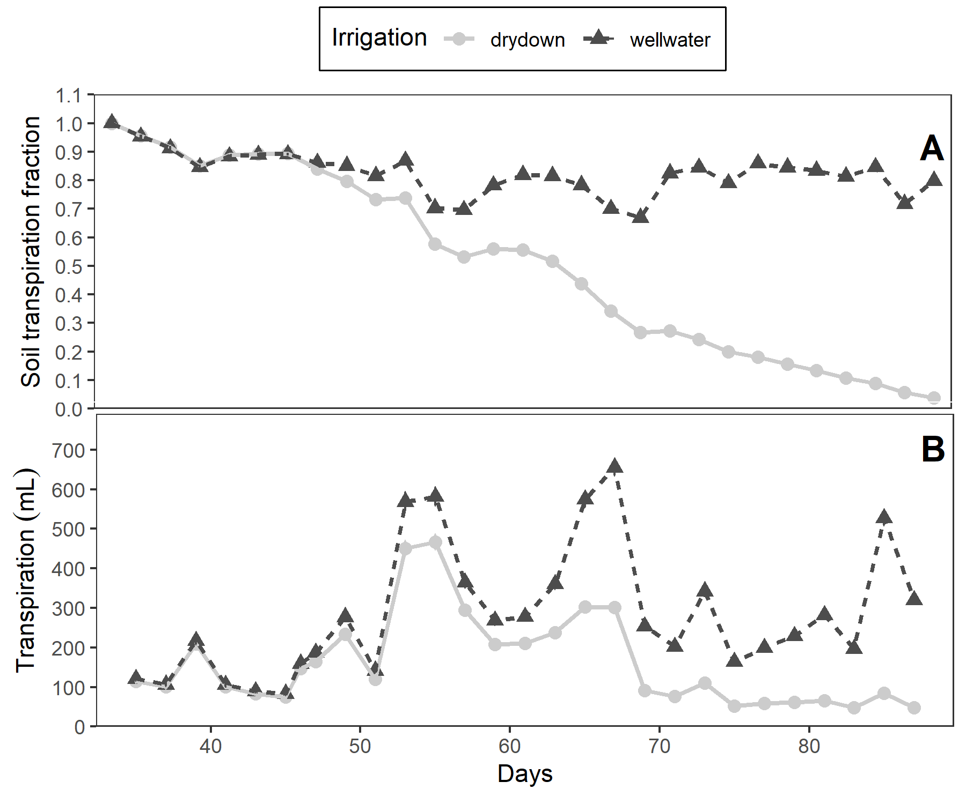
caption | (A) Soil transpiration fraction (ftsw) and (B) Daily transpiration in 15 potato genotypes under well-watered (WW) and water deficit (WD) condition.
notes
path | files/fig_slr.png

fig2
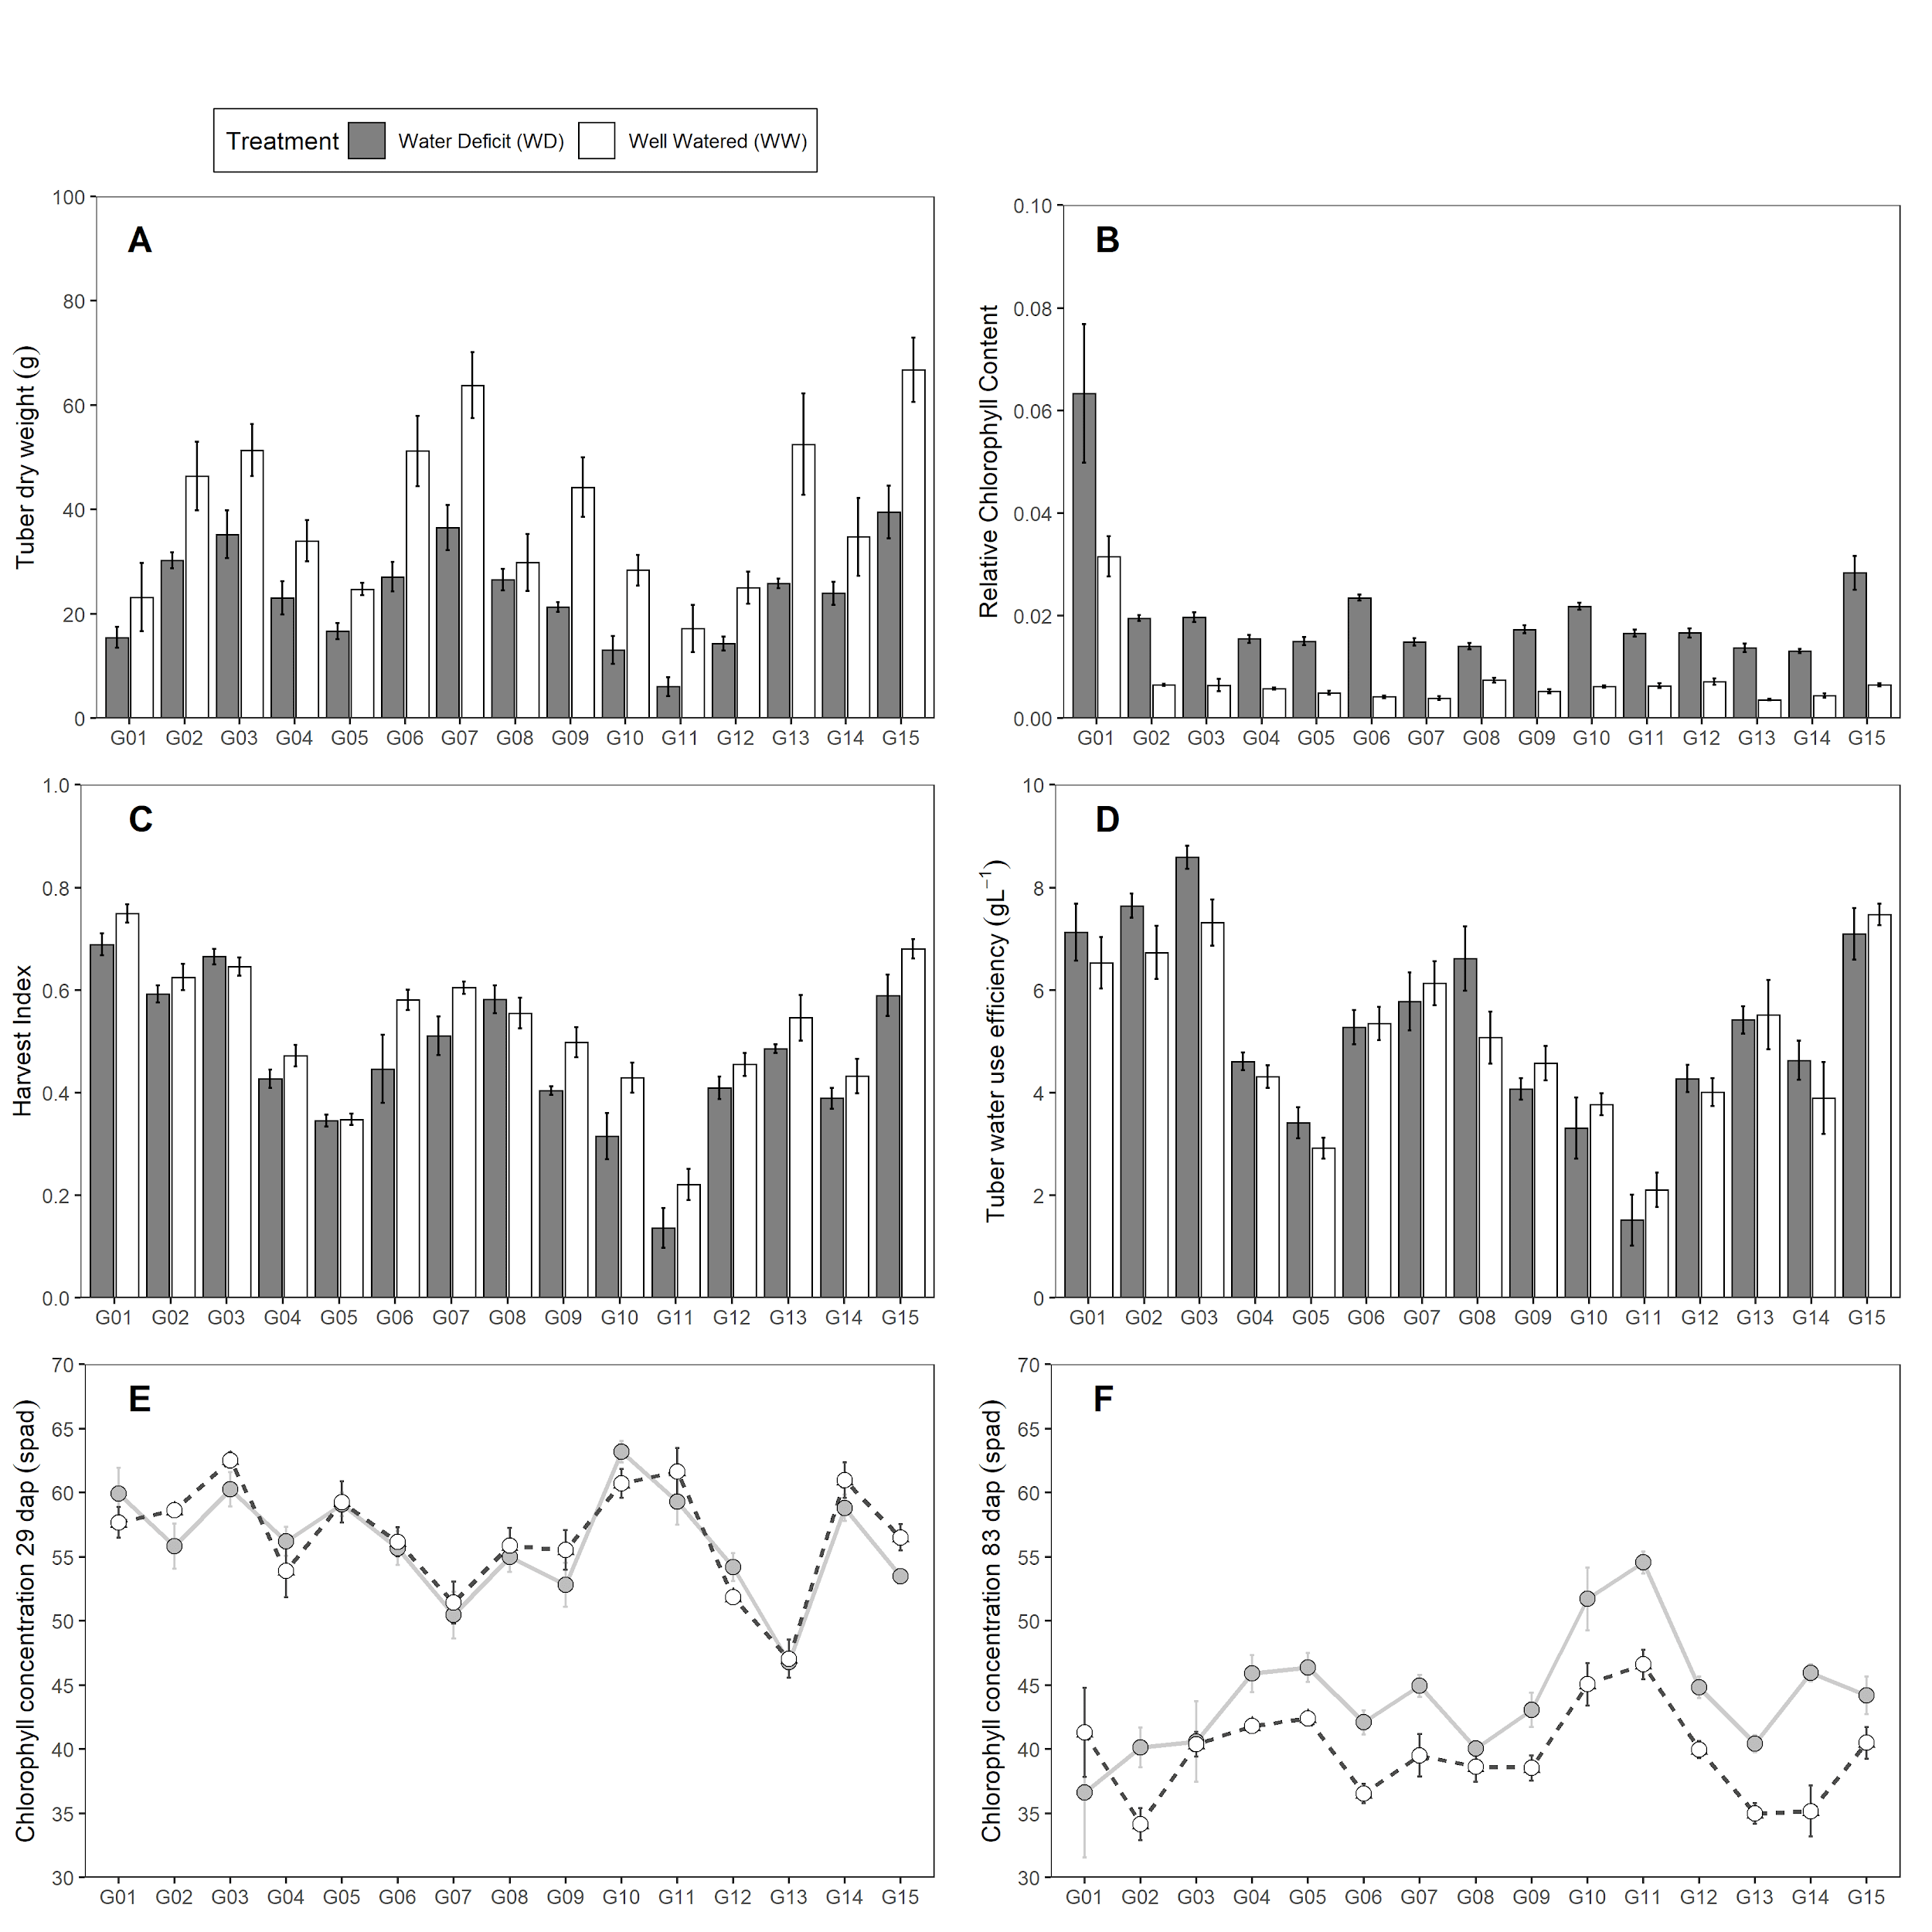
caption | Traits measured in 15 potato genotypes under well-watered (WW) and water deficit (WD) condition. (A) Tuber dry weight (tdw; g). (B) Relative Chlorophyll Content (rcc). (C) Harvest Index (hi). (D) Tuber Water Use Efficiency (wue~t~; gL^-1^). D-E Chlorophyll Concentration (spad). Error bars indicate standard error (n = 5). dap is days after planting.
notes
path | files/fig_mpv.png

fig3
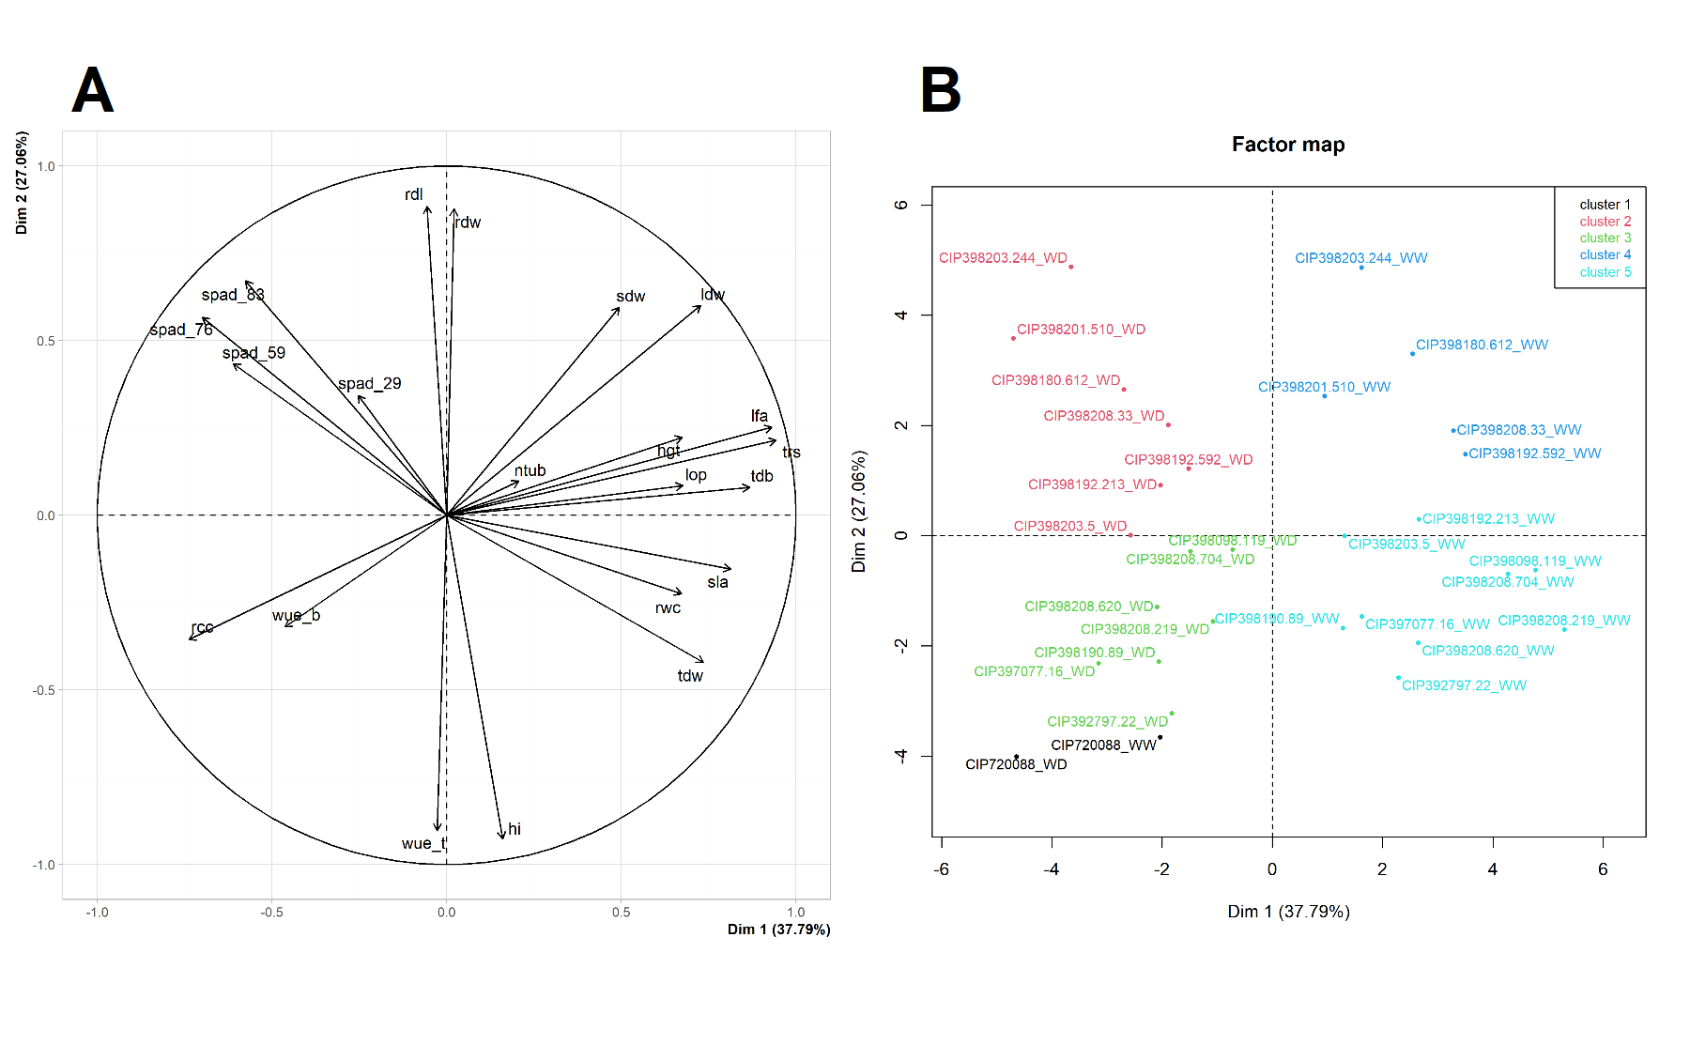
caption | Principal Component Analysis (PCA) from variables measured in 15 potato genotypes under well-watered (WW) and water deficit (WD) condition. (A) PCA for the variables. (B) PCA for the genotypes under WW and WD. Where: Chlorophyll Concentration (spad), Plant height (hgt; cm), Relative water content (rwc; %), Leaf osmotic potential (lop; MPa), Leaf dry weight (ldw; g), Stem dry weight (sdw; g), Root dry weight (rdw; g), Tuber dry weight (tdw; g), Tuber number (ntub; N°), Total transpiration (trs; mL), Leaf area (lfa; cm^2^), Root length (rdl; cm), Total dry biomass (tdb; g), Harvest Index (hi), Specific Leaf Area (sla; cm^2^g^-1^), Relative Chlorophyll Content (rcc), Biomass water use efficiency (wue~b~; gL^-1^), Tuber Water Use Efficiency (wue~t~; gL^-1^).
notes
path | files/fig_mva.png

sfig1
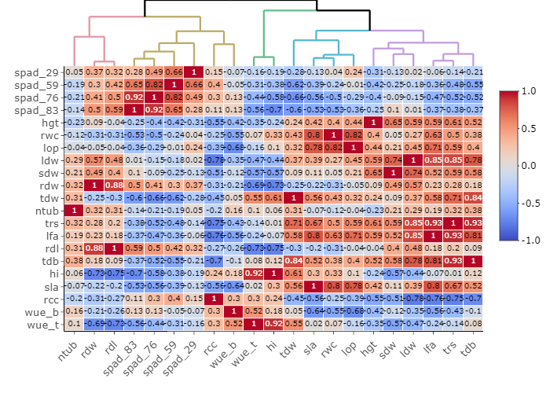
caption | Relationships among agro-morphological traits evaluated in well-watered (WW) and water deficit (WD) condition based on Pearson correlation and Euclidean distance measured in 15 potato genotypes. Where: Chlorophyll Concentration (spad), Plant height (hgt; cm), Relative water content (rwc; %), Leaf osmotic potential (lop; MPa), Leaf dry weight (ldw; g), Stem dry weight (sdw; g), Root dry weight (rdw; g), Tuber dry weight (tdw; g), Tuber number (ntub; N°), Total transpiration (trs; mL), Leaf area (lfa; cm^2^), Root length (rdl; cm), Total dry biomass (tdb; g), Harvest Index (hi), Specific Leaf Area (sla; cm^2^g^-1^), Relative Chlorophyll Content (rcc), Biomass water use efficiency (wue~b~; gL^-1^), Tuber Water Use Efficiency (wue~t~; gL^-1^).
notes | Chlorophyll Concentration (spad), Plant height (hgt; cm), Relative water content (rwc; %), Leaf osmotic potential (lop; MPa), Leaf dry weight (ldw; g), Stem dry weight (sdw; g), Root dry weight (rdw; g), Tuber dry weight (tdw; g), Tuber number (ntub; N°), Total transpiration (trs; mL), Leaf area (lfa; cm2), Root length (rdl; cm), Total dry biomass (tdb; g), Harvest Index (hi), Specific Leaf Area (sla; cm2g-1), Relative Chlorophyll Content (rcc), Biomass water use efficiency (wueb; gL-1), Tuber Water Use Efficiency (wuet; gL-1).
path | files/fig_cor.png

sfig2
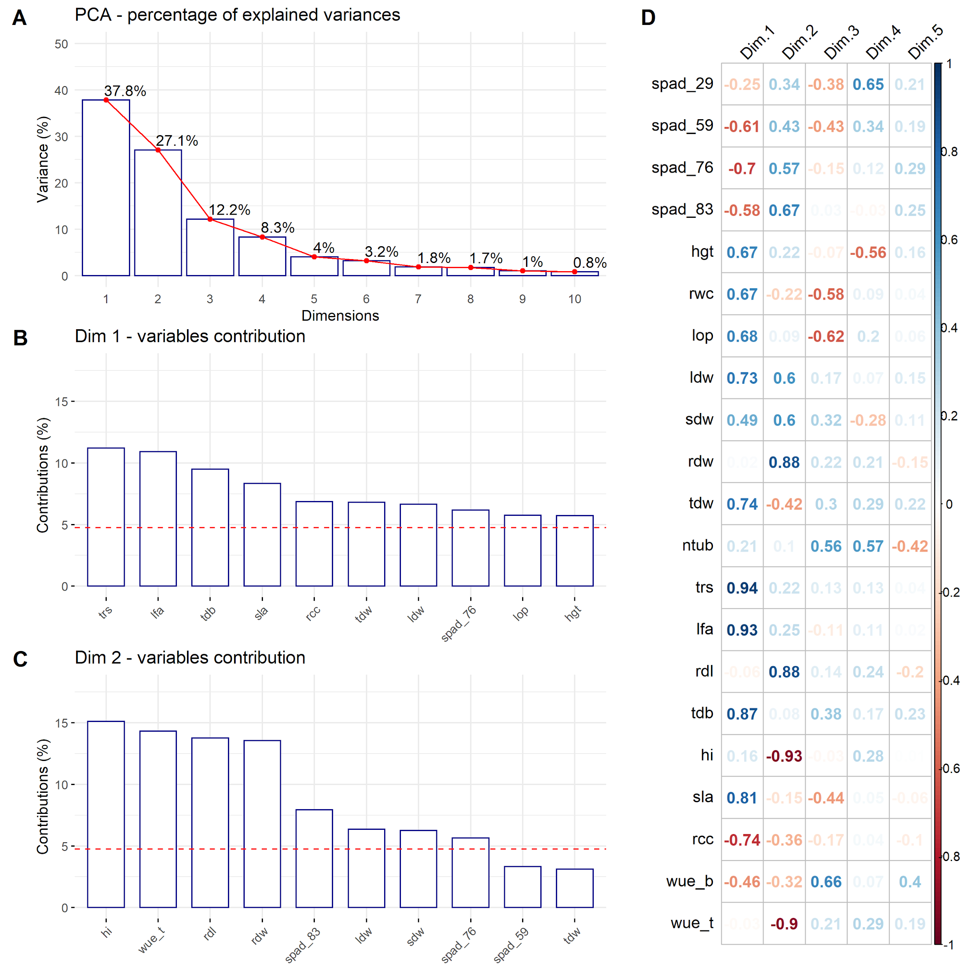
caption | Principal Component Analysis (PCA). (A) Percentage of the explained variance for each dimension. (B) Variance contribution of the first 10 variables in the dimension 1. (C) Variance contribution of the first 10 variables in the dimension 2. (D) Correlation between the studied variables and among the first 5 dimensions. The reference dashed lines on the bar plot corresponds to the expected value if the contribution between the variables where uniform.
notes
path | files/fig_cor.png

sfig3
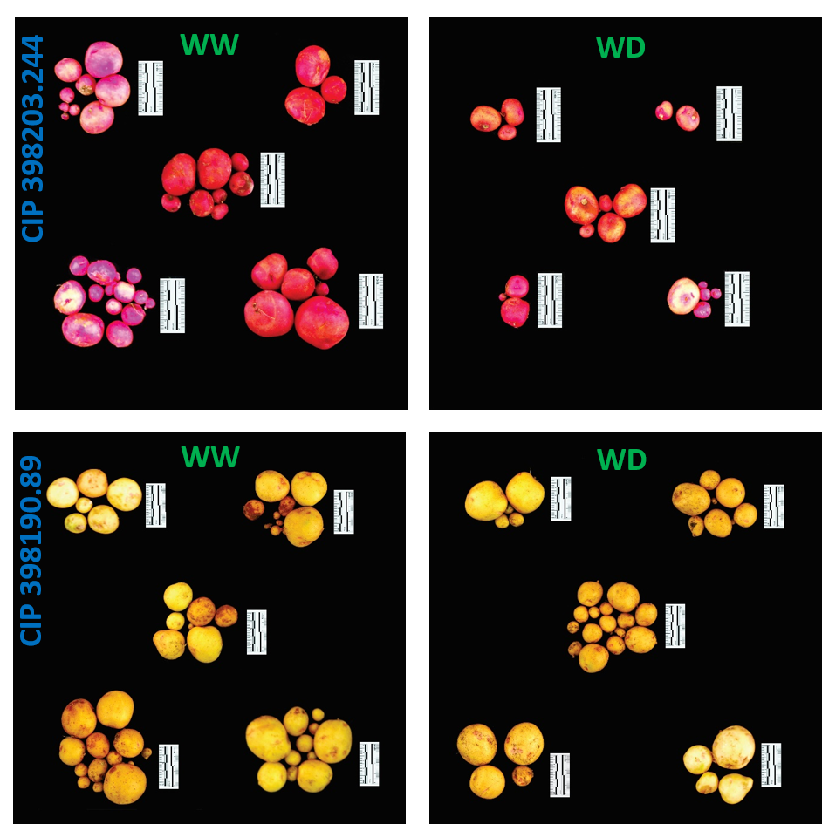
caption | Tuber yield performance from two contrasting potato genotype. Genotype CIP 398203.244 with good performance under well-watered (WW) with reduced yields during water deficit (WD) condition. Genotype CIP 398190.89 with good response under well-watered (WW) and water deficit (WD) treatment. Each group represent one replication (n = 5). Pictures were taken using the 5 cm scale (black/white segment = 1 cm) displayed alongside the tubers.
notes
path | files/fig_potatos.png

