Sheet1
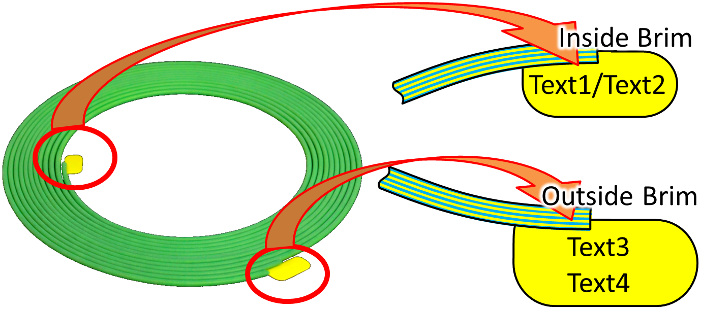
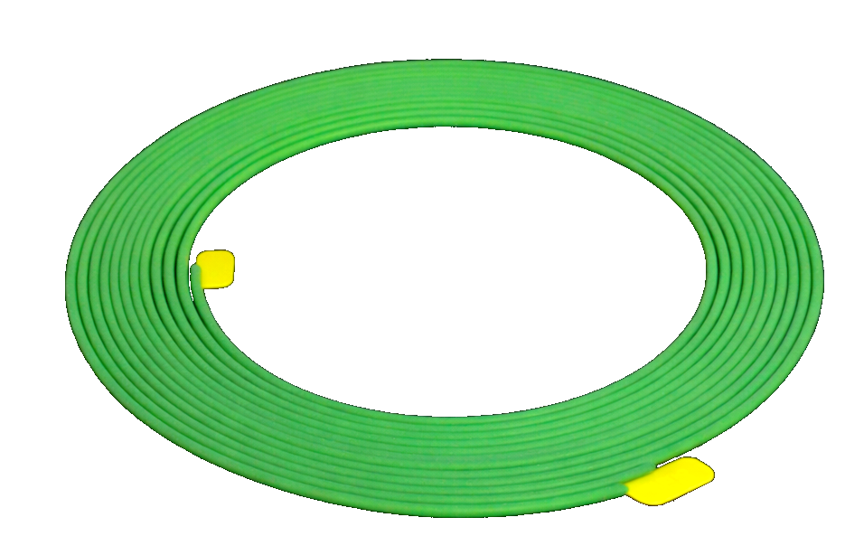
Text1/Text2
Text3 Text4-Text5
Outside Brim
Inside Brim

