0_Overview_procedure
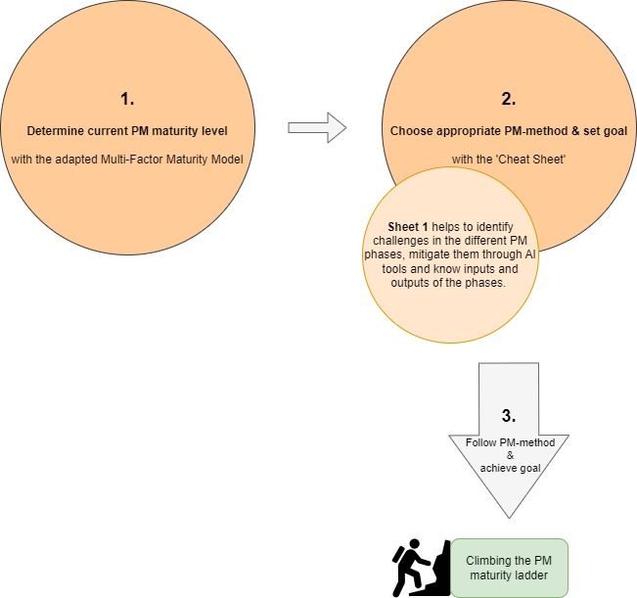
IID-Framework

