Main
 |  |  |  |  | Revision: | 0 | Date: | 3-Mar-25

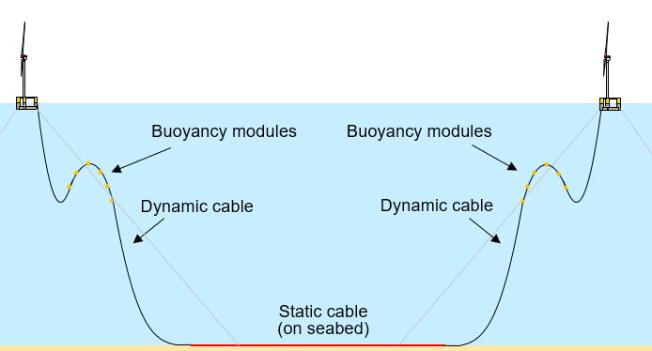
 |  |  |  | Lazy-Wave Cable
Select Case Type of Unit Cell
2

Number of Unit Cells in Array |  | 1

Select Vessel Type for Presetting/Dressing Suction Piles
1 | 0

 |  |  |  | Suspended Cable
Select Vessel Type for Connecting Lines to Hulls
1

Summary of Total |  |  | (Days)
Staging/Mobilization |  |  | 14.1
+ Installation Suction Piles
+ Presetting Mooring Components
Hookup/Connecting Lines to Hull(s) |  |  | 3.3
Total |  |  | 17.3

Estimated Cost |  |  | (USD)
1,920-m of 135-mm R4 Chain |  | $2,367,558.72
16,595-m of 200-mm Polyester |  | $6,102,728.60
x Suction Piles for Marine Clays |  | $3,100,000.00
SubTotal |  | $11,570,287.32

