INFO_contam
chemical | chem_label | family | sub_family_TAG | sub_family_name | logKow | n_C | LOQ_biote
PFPeA | PFPeA | PFAS | PFCAs | PERFLUOROALKYLCARBOXYLIC ACIDS (PFCAs) |  | 5 | 0.39
PFHxA | PFHxA | PFAS | PFCAs | PERFLUOROALKYLCARBOXYLIC ACIDS (PFCAs) |  | 6 | 0.81
PFHpA | PFHpA | PFAS | PFCAs | PERFLUOROALKYLCARBOXYLIC ACIDS (PFCAs) |  | 7 | 0.77
PFOA | PFOA | PFAS | PFCAs | PERFLUOROALKYLCARBOXYLIC ACIDS (PFCAs) |  | 8 | 1.66
PFNA | PFNA | PFAS | PFCAs | PERFLUOROALKYLCARBOXYLIC ACIDS (PFCAs) |  | 9 | 0.06
PFDA | PFDA | PFAS | PFCAs | PERFLUOROALKYLCARBOXYLIC ACIDS (PFCAs) |  | 10 | 0.56 | Thèse Marine p76
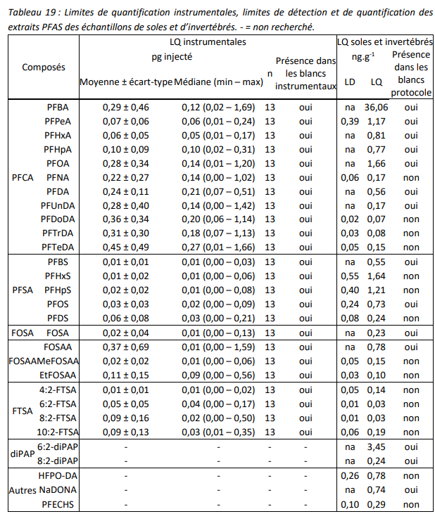
PFUnDA | PFUnDA | PFAS | PFCAs | PERFLUOROALKYLCARBOXYLIC ACIDS (PFCAs) |  | 11 | 0.17
PFDoA | PFDoA | PFAS | PFCAs | PERFLUOROALKYLCARBOXYLIC ACIDS (PFCAs) |  | 12 | 0.02
PFTrDA | PFTrDA | PFAS | PFCAs | PERFLUOROALKYLCARBOXYLIC ACIDS (PFCAs) |  | 13 | 0.03
PFTeDA | PFTeDA | PFAS | PFCAs | PERFLUOROALKYLCARBOXYLIC ACIDS (PFCAs) |  | 14 | 0.05
FOSA | FOSA | PFAS | FOSAs | PERFLUOROOCTANESULFONAMIDES (FOSAs) |  |  | 0.23
MeFOSA | MeFOSA | PFAS | FOSAs | PERFLUOROOCTANESULFONAMIDES (FOSAs)
EtFOSA | EtFOSA | PFAS | FOSAs | PERFLUOROOCTANESULFONAMIDES (FOSAs)
FOSAA | FOSAA | PFAS | FOSAAs | PERFLUOROOCTANESULFONAMIDOACETIC ACIDS (FOSAAs) |  |  | 0.78
MeFOSAA | MeFOSAA | PFAS | FOSAAs | PERFLUOROOCTANESULFONAMIDOACETIC ACIDS (FOSAAs) |  |  | 0.15
EtFOSAA | EtFOSAA | PFAS | FOSAAs | PERFLUOROOCTANESULFONAMIDOACETIC ACIDS (FOSAAs) |  |  | 0.10
PFBS | PFBS | PFAS | PFSAs | PERFLUOROALKYLSULFONATES (PFSAs) |  | 4 | 0.55
PFHxS | PFHxS | PFAS | PFSAs | PERFLUOROALKYLSULFONATES (PFSAs) |  | 6 | 1.64
PFHpS | PFHpS | PFAS | PFSAs | PERFLUOROALKYLSULFONATES (PFSAs) |  | 7 | 1.21
L-PFOS | PFOS(L) | PFAS | PFSAs | PERFLUOROALKYLSULFONATES (PFSAs) |  | 8 | 0.73
Br-PFOS | PFOS(Br) | PFAS | PFSAs | PERFLUOROALKYLSULFONATES (PFSAs) |  | 8 | 0.73
PFDS | PFDS | PFAS | PFSAs | PERFLUOROALKYLSULFONATES (PFSAs) |  | 10 | 0.24
PFECHS | PFECHS | PFAS | other | PERFLUORO-4-ETHYLCYCLOHEXANESULFONATE |  |  | 0.29
4:2 FTSA | 4:2-FTSA | PFAS | FTSAs | TELOMER SULFONATES (FTSs) |  |  | 0.14
6:2 FTSA | 6:2-FTSA | PFAS | FTSAs | TELOMER SULFONATES (FTSs) |  |  | 0.03
8:2 FTSA | 8:2-FTSA | PFAS | FTSAs | TELOMER SULFONATES (FTSs) |  |  | 0.03
10:2 FTSA | 10:2-FTSA | PFAS | FTSAs | TELOMER SULFONATES (FTSs) |  |  | 0.19
6:2 diPAP | 6:2-diPAP | PFAS | di-PAPs | DI-SUBSTITUTED POLYFLUORINATED PHOSPHATE ESTERS |  |  | 3.45
8:2 diPAP | 8:2-diPAP | PFAS | di-PAPs | DI-SUBSTITUTED POLYFLUORINATED PHOSPHATE ESTERS |  |  | 0.24
HFPO-DA | HFPO-DA | PFAS | other | HEXAFLUOROPROPYLENE OXIDE DIMER ACID |  |  | 0.78
NaDONA | NaDONA | PFAS | other | SODIUM DODECAFLUORO-3H-4,8-DIOXANONANOATE |  |  | 0.74
CB28 | CB-028 | PCB |  |  | 5.67
CB31 | CB-031 | PCB |  |  | 5.67
CB44 | CB-044 | PCB |  |  | 5.75
CB49 | CB-049 | PCB |  |  | 5.63
CB52 | CB-052 | PCB |  |  | 5.84
CB101 | CB-101 | PCB |  |  | 6.38
CB105 | CB-105 | PCB |  |  | 6.65
CB110 | CB-110 | PCB |  |  | 6.48
CB118 | CB-118 | PCB |  |  | 6.74
CB128 | CB-128 | PCB |  |  | 6.74
CB132 | CB-132 | PCB |  |  | 6.58
CB138 | CB-138 | PCB |  |  | 6.83
CB149 | CB-149 | PCB |  |  | 6.67
CB153 | CB-153 | PCB |  |  | 6.92
CB156 | CB-156 | PCB |  |  | 7.18
CB170 | CB-170 | PCB |  |  | 7.11
CB180 | CB-180 | PCB |  |  | 7.36
CB187 | CB-187 | PCB |  |  | 7.17
CB194 | CB-194 | PCB |  |  | 7.8
a-HBCDD | alpha-HBCDD | HBCDD |  |  | 5.07 |  | one for each sample value in yellow
b-HBCDD | beta-HBCDD | HBCDD |  |  | 5.12
g-HBCDD | gamma-HBCDD | HBCDD |  |  | 5.47

 |  |  |  |  | logKow PCB from (Hawker & Connell, 1988)
 |  |  |  |  | logKow HBCDD from (Hayward et al., 2006)

