Necleus Spectra
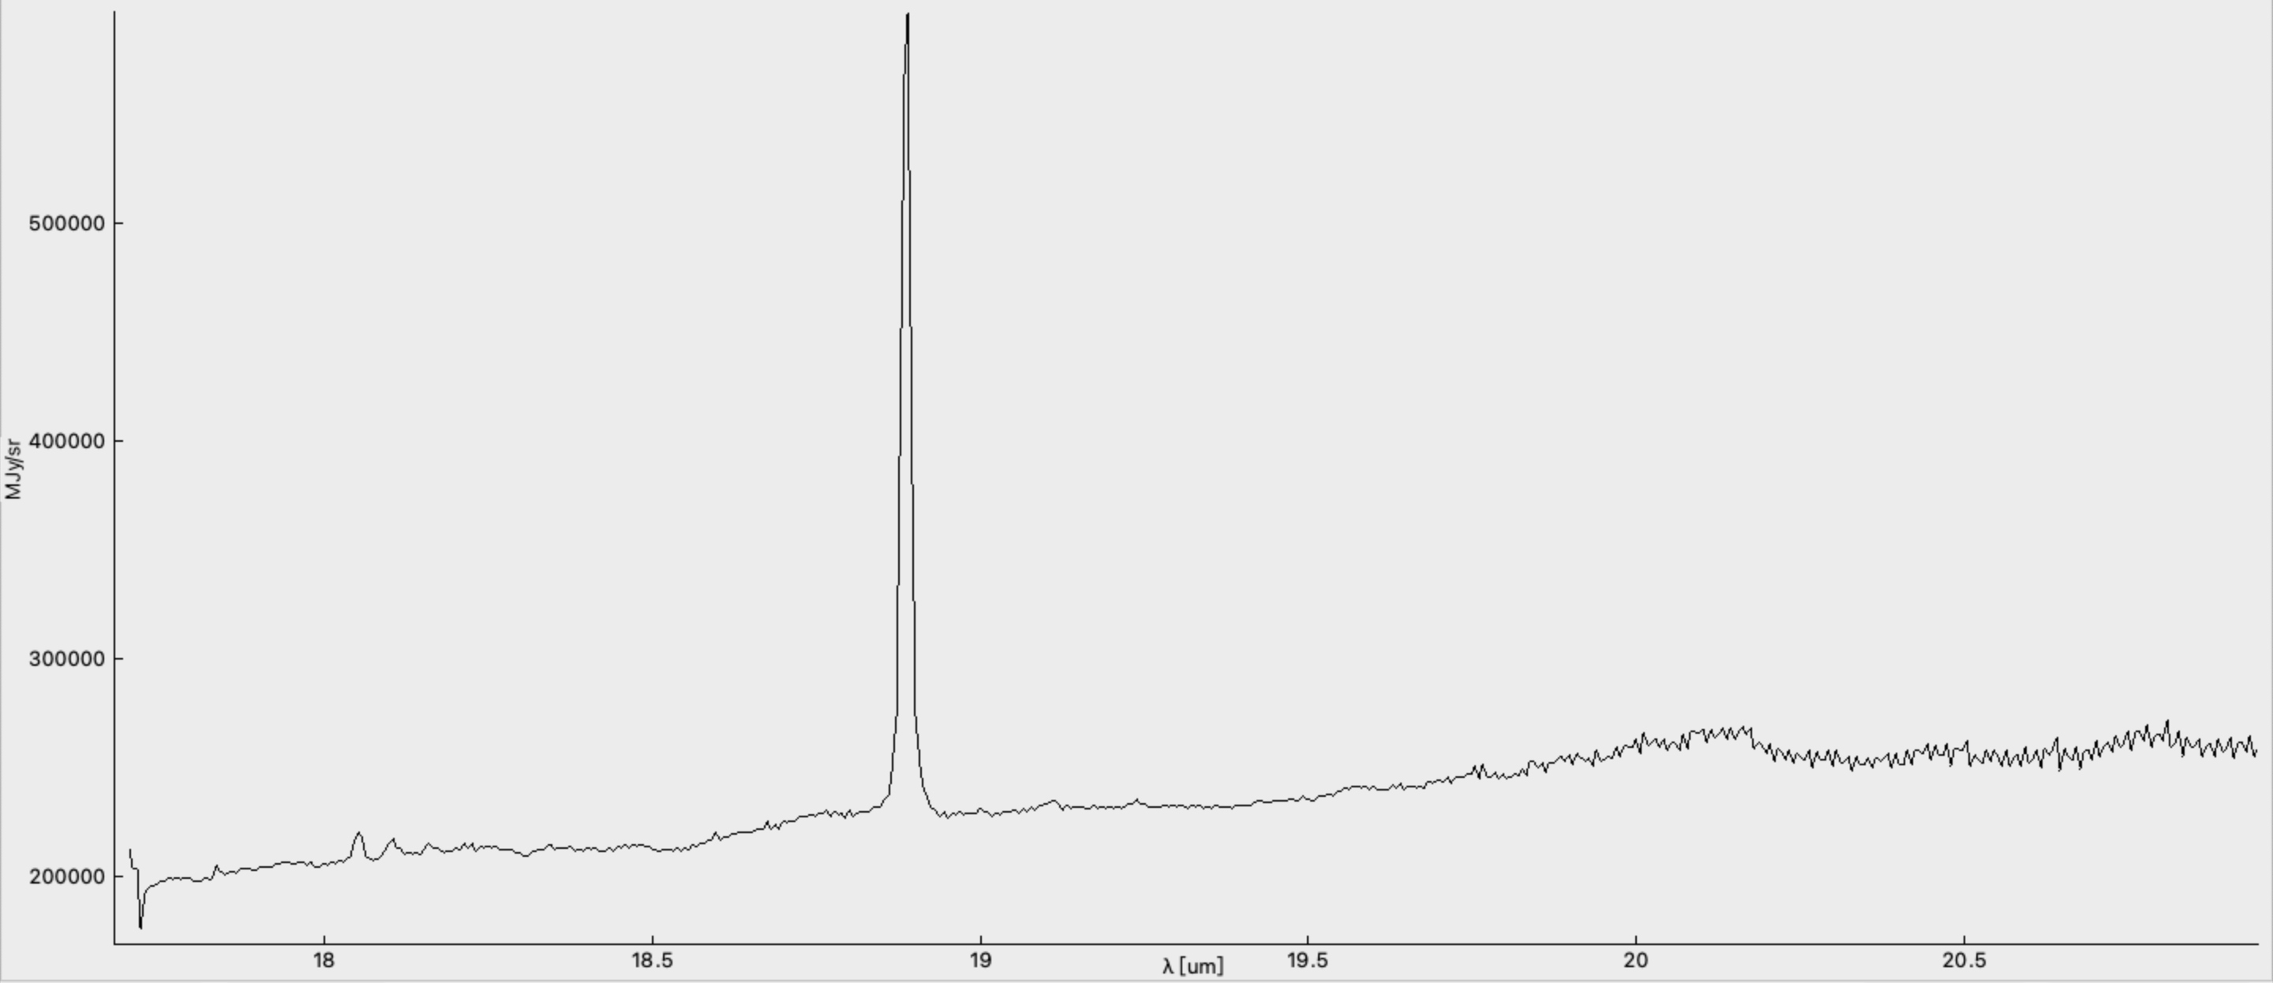
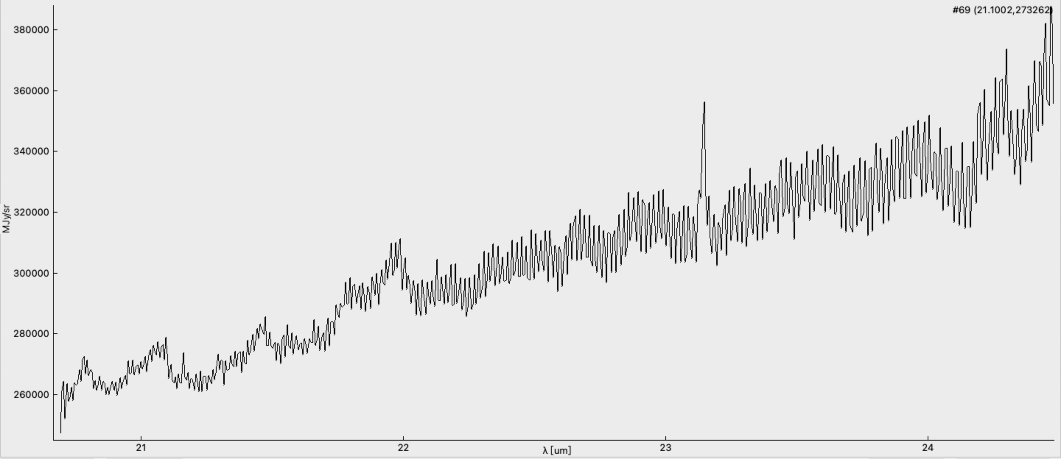
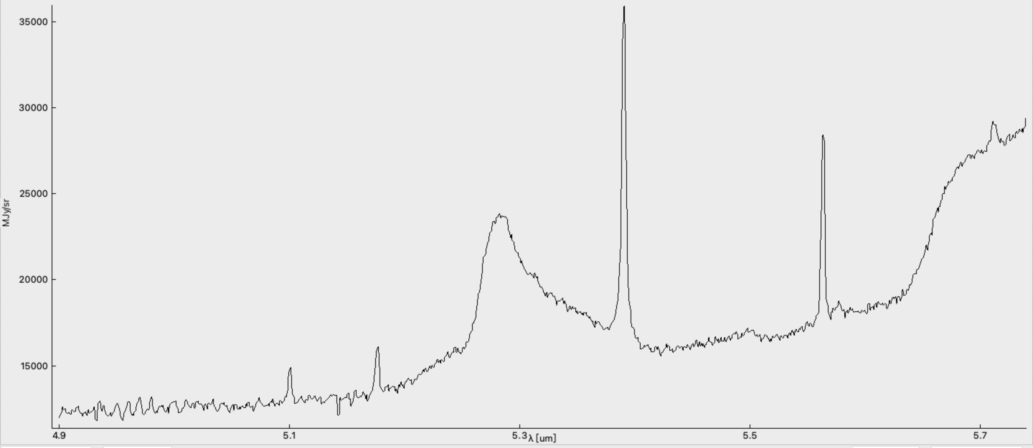
 | Emission Spectrum |  |  |  |  | Missing: | 7.71 | 12.39
Chanel | Wave length |  | Configuration | Flux | Ratio to H2 | Characteristic | Fitted function |  |  |  |  | Deviation
subBack_Level3_ch1-short_s3d.fits | 5.17675 |  | (17, 19) | 11.2295 | 0.083558422811 |  | Type | Flux | Height | Center | FWHM | d_Flux | d_Height | d_Center | d_FWHM
 |  |  |  |  |  |  | a+bx | -110118 | 23871.1 | 18106.3 | 3495.97
 |  |  |  |  |  |  | Gauss | 11.2295 | 2700.74 | 5.17675 | 0.00390613 | 0.673589 | 102.932 | 7.17E-05 | 1.81E-04

subBack_Level3_ch1-short_s3d.fits | 5.284393 |  | (17, 19) | 780.006 | 5.8040047325 | PAH | Type | Flux | Height | Center | FWHM | d_Flux | d_Height | d_Center | d_FWHM
 |  |  |  |  |  |  | a+bx | -199429 | 40427.3 | 12800.7 | 2378.71
 |  |  |  |  |  |  | Lorentz | 780.006 | 9377.65 | 5.284393 | 0.0529522 | 40.2619 | 251.008 | 0.000427917 | 0.00233705

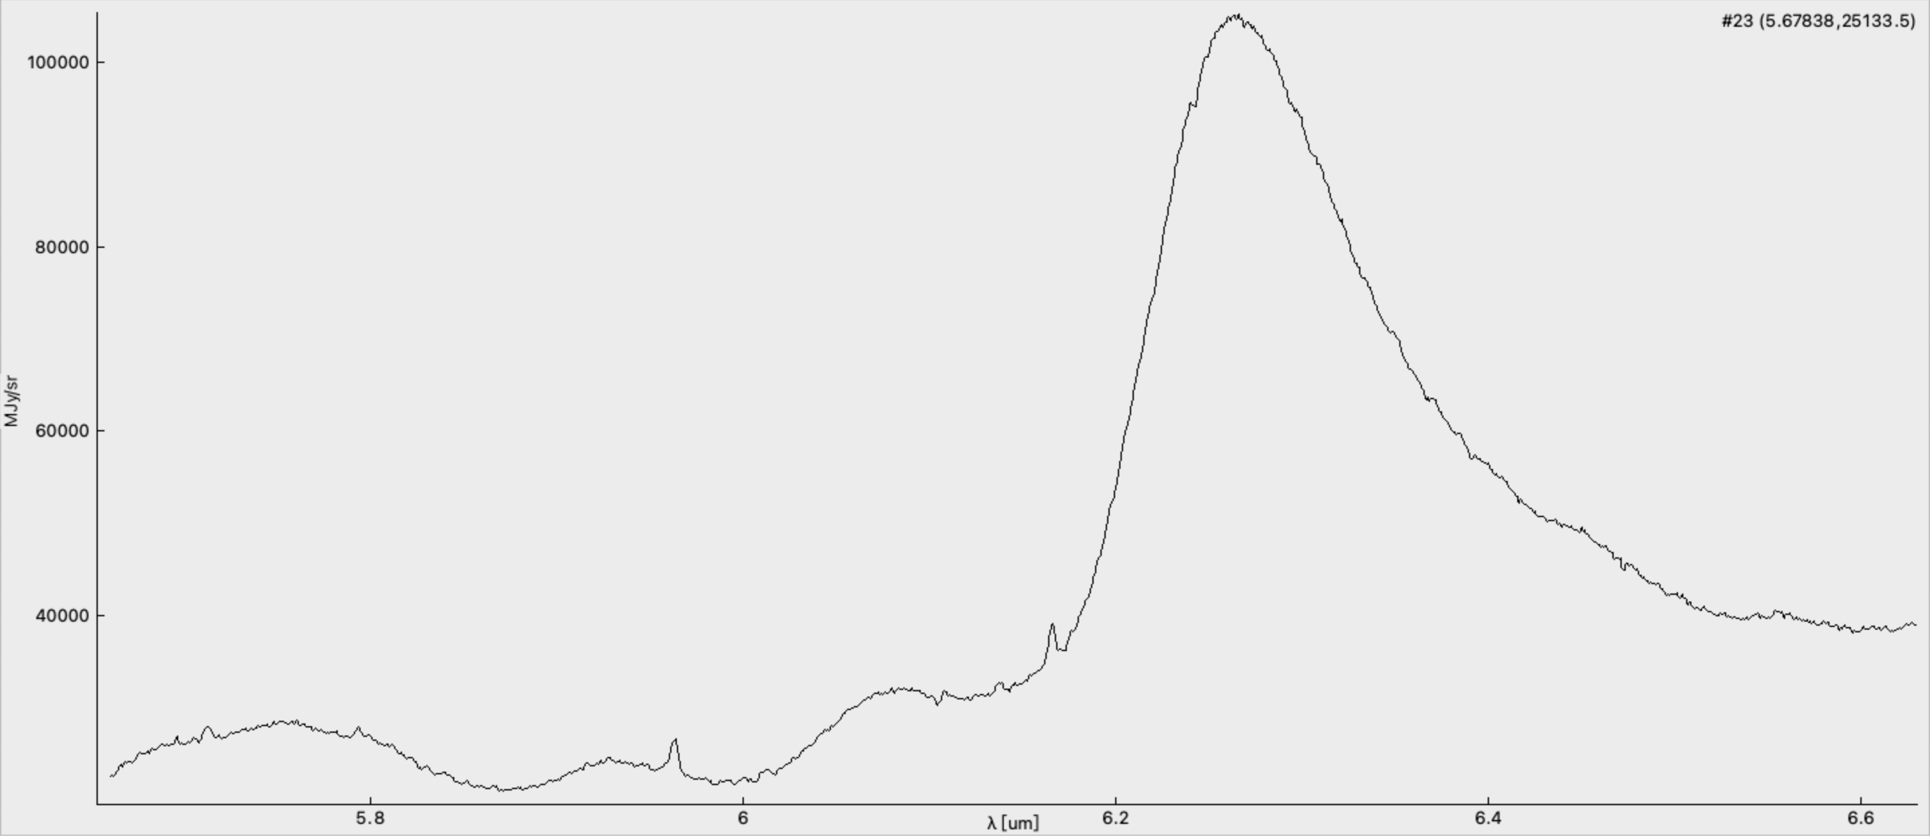
subBack_Level3_ch1-short_s3d.fits | 5.390772 | Fe II | (17, 19) | 89.0308 | 0.66247590985 | excitation | Type | Flux | Height | Center | FWHM | d_Flux | d_Height | d_Center | d_FWHM
 |  |  |  |  |  |  | a+bx | 230317 | -39561.4 | 30495.6 | 5652.62
 |  |  |  |  |  |  | Gauss | 89.0308 | 18567 | 5.390772 | 0.00450471 | 2.50618 | 335.828 | 3.94E-05 | 9.72E-05

subBack_Level3_ch1-short_s3d.fits | 5.563594 | Mg V | (17, 19) | 39.8712 | 0.29668058129 | excitation | Type | Flux | Height | Center | FWHM | d_Flux | d_Height | d_Center | d_FWHM
 |  |  |  |  |  |  | a+bx | -188028 | 37007.7 | 24452.2 | 4393.37
 |  |  |  |  |  |  | Gauss | 39.8712 | 10977.9 | 5.563594 | 0.003412 | 1.03895 | 183.712 | 2.76E-05 | 6.82E-05

subBack_Level3_ch1-medium_s3d.fits | 6.275596 |  | (16,18) | 9248.71 |  | PAH | Type | Flux | Height | Center | FWHM | d_Flux | d_Height | d_Center | d_FWHM
 |  |  |  |  |  |  | a+bx | -340758 | 60174.8 | 13249.2 | 2077.74
 |  |  |  |  |  |  | Gauss | 9248.71 | 65977.6 | 6.275596 | 0.13169 | 138.346 | 571.346 | 0.000545357 | 0.00160621

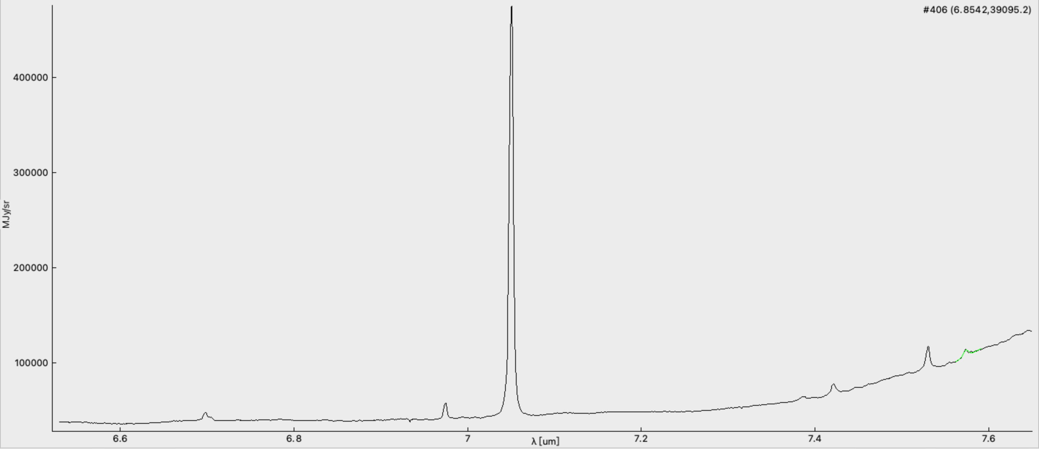
subBack_Level3_ch1-long_s3d | 6.698699 |  | (17, 20) | 89.92927 |  | PAH | Type | Flux | Height | Center | FWHM | d_Flux | d_Height | d_Center | d_FWHM
ArgonII |  |  |  |  |  |  | a+bx | 3609.12 | 5308 | 7147.56 | 1065.87
 |  |  |  |  |  |  | Lorentz | 82.5017 | 8609.73 | 6.698699 | 0.00610033 | 1.82205 | 84.2166 | 3.30E-05 | 0.000120791
 |  |  |  |  |  |  | Gauss | 7.42757 | 2210.16 | 6.705032 | 0.00315712 | 0.576121 | 104.735 | 7.49E-05 | 0.000193867

subBack_Level3_ch1-long_s3d | 6.97446 | H2 S(5) | (17, 20) | 76.558 | 0.56966612348 | excitation | Type | Flux | Height | Center | FWHM | d_Flux | d_Height | d_Center | d_FWHM
 |  |  |  |  |  |  | a+bx | -285810 | 46949.9 | 63090.8 | 9044.45
 |  |  |  |  |  |  | Gauss | 76.558 | 16717.8 | 6.97446 | 0.0043021 | 1.76948 | 244.491 | 3.03E-05 | 7.70E-05

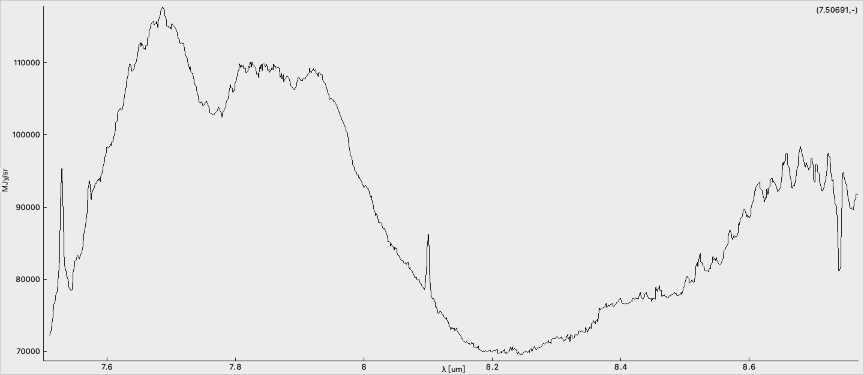
subBack_Level3_ch1-long_s3d | 7.050866 | Ar II | (17, 20) | 2479.04 | 18.44647335 | excitation | Type | Flux | Height | Center | FWHM | d_Flux | d_Height | d_Center | d_FWHM:
 |  |  |  |  |  |  | a+bx | 532637 | -68487.4 | 498278 | 70648.9
 |  |  |  |  |  |  | Gauss | 2479.04 | 423798 | 7.050866 | 0.00549532 | 45.3505 | 4984.56 | 3.13E-05 | 7.70E-05

subBack_Level3_ch1-long_s3d | 7.421283 |  | (17, 20) | 69.3992 |  | excitation | Type | Flux | Height | Center | FWHM | d_Flux | d_Height | d_Center | d_FWHM
 |  |  |  |  |  |  | a+bx | -1.55E+06 | 217574 | 69481 | 9359.55
 |  |  |  |  |  |  | Gauss | 69.3992 | 9908.66 | 7.421283 | 0.00657972 | 2.73198 | 241.403 | 7.73E-05 | 0.000203455

subBack_Level3_ch1-long_s3d | 7.529948 | HI (Pfa) | (17, 20) | 134.391 | 1 | excitation | Type | Flux | Height | Center | FWHM | d_Flux | d_Height | d_Center | d_FWHM
 | 7.4627829534 |  |  |  |  |  | a+bx | -951844 | 139035 | 168288 | 22341.5
 |  |  |  |  |  |  | Gauss | 134.391 | 22382.9 | 7.529948 | 0.00564057 | 4.61494 | 473.881 | 5.75E-05 | 0.000152501

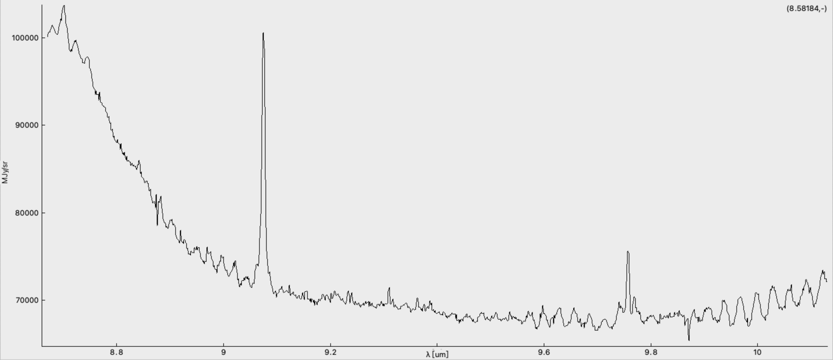
subBack_Level3_ch1-long_s3d | 7.573294 |  | (17, 20) | 50.5904 |  | excitation | Type | Flux | Height | Center | FWHM | d_Flux | d_Height | d_Center | d_FWHM
 |  |  |  |  |  |  | a+bx | -3.40E+06 | 462506 | 104487 | 13782.6
 |  |  |  |  |  |  | Gauss | 50.5904 | 6581.26 | 7.573294 | 0.00722149 | 3.97603 | 310.08 | 0.000161527 | 0.00045426

subBack_Level3_ch2-short_s3d | 7.530103 |  | (17,17) | 112.275 |  | excitation | Type | Flux | Height | Center | FWHM | d_Flux | d_Height | d_Center | d_FWHM
 |  |  |  |  |  |  | a+bx | -1.31E+06 | 184873 | 153227 | 20345.7
 |  |  |  |  |  |  | Gauss | 112.275 | 16520.1 | 7.530103 | 0.00638468 | 9.57434 | 894.118 | 0.00016662 | 0.000420742

subBack_Level3_ch2-short_s3d | 8.100838 |  | (17,17) | 39.63 |  | excitation | Type | Flux | Height | Center | FWHM | d_Flux | d_Height | d_Center | d_FWHM
 |  |  |  |  |  |  | a+bx | 1.08E+06 | -124120 | 63370.7 | 7819.63
 |  |  |  |  |  |  | Gauss | 39.63 | 8315.29 | 8.100838 | 0.00447728 | 1.50854 | 199.029 | 5.15E-05 | 0.000132523

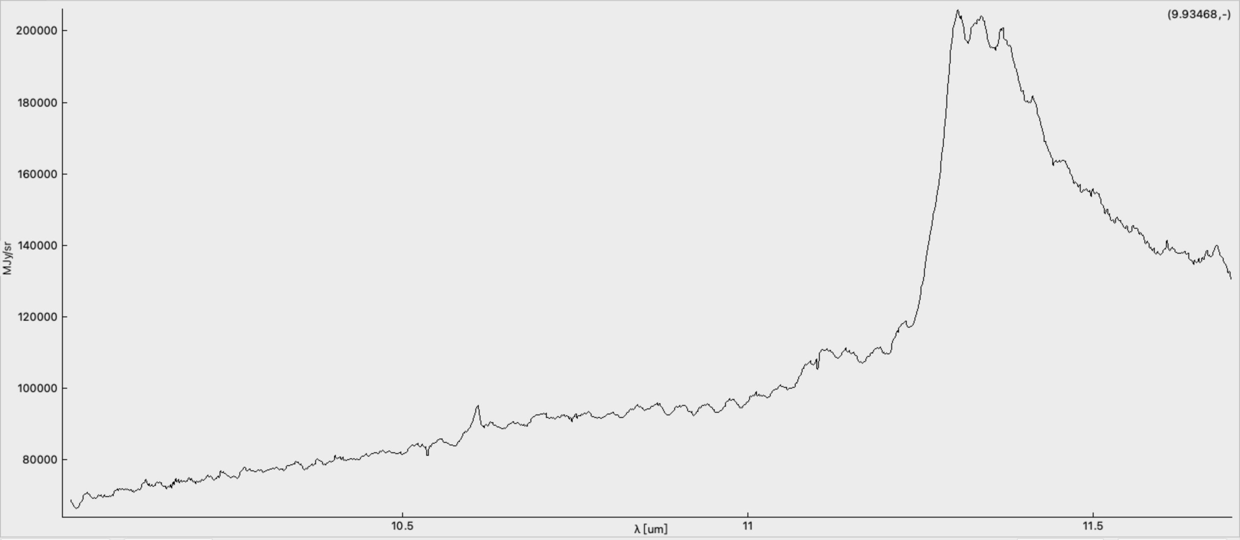
subBack_Level3_ch2-medium_s3d | 9.074918 | Ar III | (17,15) | 222.156 | 1.6530571244 | excitation | Type | Flux | Height | Center | FWHM | d_Flux | d_Height | d_Center | d_FWHM
 |  |  |  |  |  |  | a+bx | 339623 | -29475.9 | 74896.3 | 8252.22
 |  |  |  |  |  |  | Gauss | 222.156 | 27936.1 | 9.074918 | 0.00747067 | 7.17821 | 577.263 | 7.46E-05 | 0.000185575

subBack_Level3_ch2-medium_s3d | 9.75764 |  | (17,15) | 39.5006 |  | excitation | Type | Flux | Height | Center | FWHM | d_Flux | d_Height | d_Center | d_FWHM
 |  |  |  |  |  |  | a+bx | -194312 | 26966.3 | 220710 | 22616.8
 |  |  |  |  |  |  | Gauss | 39.5006 | 7080.79 | 9.75764 | 0.0052407 | 3.51457 | 384.94 | 0.000137802 | 0.000369131

subBack_Level3_ch2-long_s3d | 10.60814 | SIV | (16,15) | 54.1282 |  | excitation | Type | Flux | Height | Center | FWHM | d_Flux | d_Height | d_Center | d_FWHM
 |  |  |  |  |  |  | a+bx | -364598 | 42752.5 | 83162.6 | 7838.35
 |  |  |  |  |  |  | Gauss | 54.1282 | 6212.98 | 10.60814 | 0.00818448 | 3.49567 | 248.346 | 0.000157858 | 0.000415154

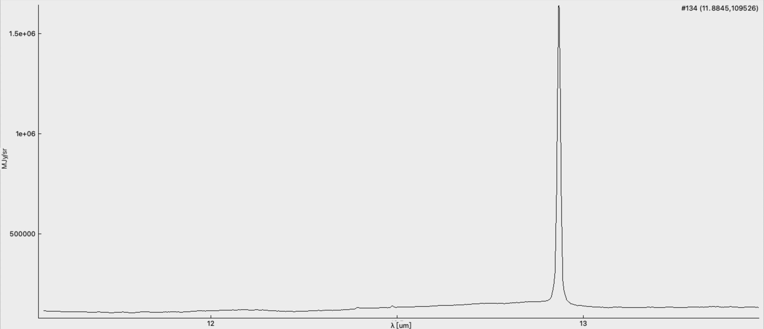
subBack_Level3_ch2-long_s3d | 11.34973 |  | (16,15) | 44172.6 |  | PAH | Type | Flux | Height | Center | FWHM | d_Flux | d_Height | d_Center | d_FWHM
 |  |  |  |  |  |  | a+bx | -806905 | 78616.7 | 189637 | 17588.4
 |  |  |  |  |  |  | Lorentz | 2524.7 | 42162.1 | 11.30075 | 0.0381213 | 255.789 | 2827.15 | 0.000357152 | 0.00289532
 |  |  |  |  |  |  | Lorentz | 20399.8 | 83655.4 | 11.34973 | 0.155243 | 3738.31 | 13033.6 | 0.00191135 | 0.014977
 |  |  |  |  |  |  | Lorentz | 21248.1 | 39454.6 | 11.47158 | 0.342849 | 13384.4 | 19025.9 | 0.0228962 | 0.138949

subBack_Level3_ch3-short_s3d | 12.39357 | H2 S(2) | (22,19) | 142.929 | 1.06353104 | excitation | Type | Flux | Height | Center | FWHM | d_Flux | d_Height | d_Center | d_FWHM
 |  |  |  |  |  |  | a+bx | -4.05E+06 | 348184 | 602024 | 48528.3
 |  |  |  |  |  |  | Gauss | 142.929 | 18457.6 | 12.39357 | 0.00727466 | 10.7435 | 792.726 | 0.000135664 | 0.000448761

 | 12.9356 | Ne II | (22,19) | 17515.2 | 130.33015604 | excitation | Type | Flux | Height | Center | FWHM | d_Flux | d_Height | d_Center | d_FWHM
 |  |  |  |  |  |  | a+bx | 3.65E+06 | -268982 | 1.48E+06 | 114289
 |  |  |  |  |  |  | Gauss | 17515.2 | 1.57E+06 | 12.9356 | 0.0104846 | 372.192 | 21536 | 6.98E-05 | 0.00017011

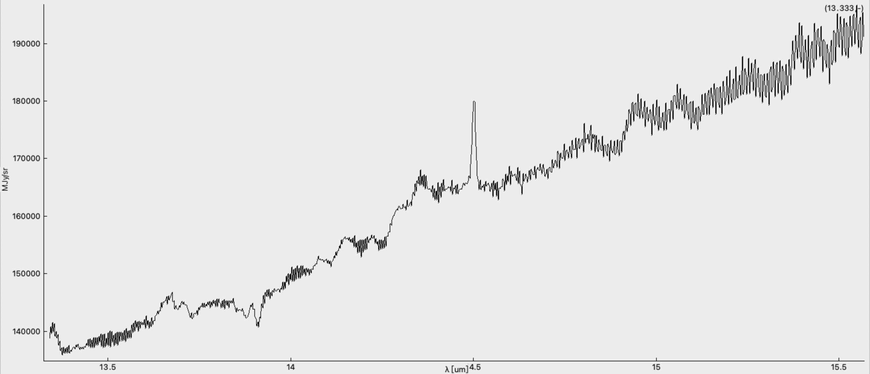
subBack_Level3_ch3-medium_s3d | 14.50187 | NeV/ clorine | (22,19) | 168.57 | 1.2543250664 | excitation | Type | Flux | Height | Center | FWHM | d_Flux | d_Height | d_Center | d_FWHM
Neon 5 |  |  |  |  |  |  | a+bx | 199432 | -2344.87 | 66756.6 | 4601.88
 |  |  |  |  |  |  |  | 168.57 | 14795.4 | 14.50187 | 0.0107034 | 7.41394 | 414.981 | 0.000144847 | 0.000362602

subBack_Level3_ch3-long_s3d | 15.70031 | Ne III | (21, 18) | 1696.12 | 12.620785618 | excitation | Type | Flux | Height | Center | FWHM | d_Flux | d_Height | d_Center | d_FWHM
 |  |  |  |  |  |  | a+bx | -1.15E+06 | 86371.2 | 150141 | 9558.22
 |  |  |  |  |  |  | Gauss | 1696.12 | 108910 | 15.70031 | 0.0146304 | 44.624 | 1842.59 | 0.000119812 | 0.000294776

subBack_Level3_ch3-long_s3d | 16.57112 |  | (21, 18) | 8792.2 |  | PAH | Type | Flux | Height | Center | FWHM | d_Flux | d_Height | d_Center | d_FWHM
 |  |  |  |  |  |  | a+bx | -811578 | 63292.4 | 81696.8 | 4846.96
 |  |  |  |  |  |  | Lorentz | 8792.2 | 30049.4 | 16.57112 | 0.18627 | 840.59 | 1799.83 | 0.00216741 | 0.0138806

 | 17.19613 | H2 S(1) | (21, 18) | 228.802 | 1.7025098407 | excitation | Type | Flux | Height | Center | FWHM | d_Flux | d_Height | d_Center | d_FWHM
 |  |  |  |  |  |  | a+bx | -1.62E+06 | 129225 | 2.53E+06 | 147039
 |  |  |  |  |  |  | Gauss | 228.802 | 33461.5 | 17.19613 | 0.00642365 | 70.8815 | 6577.32 | 0.000608335 | 0.00153813

subBack_Level3_ch4-short_s3d | 18.0517 | Fe II | (12, 12) | 420.064 | 3.1256854998 | excitation | Type | Flux | Height | Center | FWHM | d_Flux | d_Height | d_Center | d_FWHM
 |  |  |  |  |  |  | a+bx | -1.45E+06 | 101564 | 7.42E+05 | 41080.4
 |  |  |  |  |  |  | Gauss | 4.20E+02 | 28810.6 | 1.81E+01 | 0.0136972 | 88.6102 | 3869.95 | 0.00088964 | 0.00222783

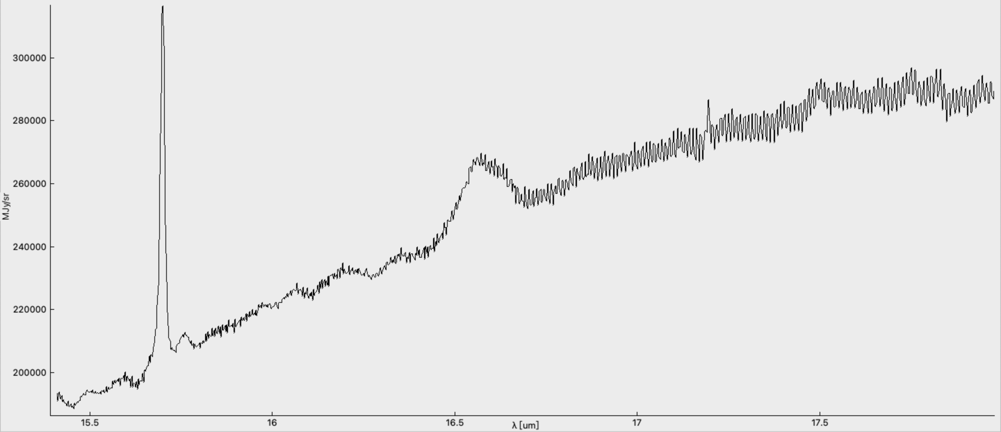
 | 18.88806 | S III | (12, 12) | 6597.17 | 49.089373544 | excitation | Type | Flux | Height | Center | FWHM | d_Flux | d_Height | d_Center | d_FWHM
 |  |  |  |  |  |  | a+bx | 341321 | -5847.55 | 217077 | 11482.2
 |  |  |  |  |  |  | Gauss | 6597.17 | 384364 | 18.88806 | 0.0161244 | 137.691 | 5197.77 | 0.000106009 | 0.00025634

subBack_Level3_ch4-medium_s3d | 23.14436 | Fe III | (12, 12) | 657.46 | 4.8921430751 | excitation | Type | Flux | Height | Center | FWHM | d_Flux | d_Height | d_Center | d_FWHM
 |  |  |  |  |  |  | a+bx | 580885 | -11556.9 | 1.04E+06 | 44703.6
 |  |  |  |  |  |  | Gauss | 657.46 | 44011.7 | 23.14436 | 0.0140336 | 162.137 | 6927.56 | 0.0010628 | 0.00266422

subBack_Level3_ch4-long_s3d |  | Fe II | (12, 13) |  | PyNeb
 |  |  |  |  | plot histogram
 |  |  |  |  | abandance of Ne and Ar

Arm Spectra
 | Emission Spectrum
 | Determining the location of the star-forming region |  |  |  |  |  | ch3_short | 10:27:51.175 | - 43:54:12.02
 |  |  |  |  |  |  | ch2_short | 10:27:51:168 | - 43:54:12.10
 |  |  |  |  |  |  | ch3_long | 10:27:51.176 | - 43:54:12.28

Chanel | Wave length |  | Configuration | Flux |  | Characteristic | Fitted function |  |  |  |  | Deviation
ch1_short | 5.390406 | Fe II | 10:27:51.174 -43:54:12.28 | 41.7843 | 1.1740460804 | Excitation | Type | Flux | Height | Center | FWHM | d_Flux | d_Height | d_Center | d_FWHM
 |  |  |  |  |  |  | a+bx | -134459 | 25185.5 | 52618.3 | 9753.46
 |  |  |  |  |  |  | Gauss | 41.7843 | 11738.5 | 5.390406 | 0.00334401 | 1.70058 | 304.09 | 4.17E-05 | 0.000104968

ch1_short | 5.563721 | Mg V | 10:27:51.172 -43:54:12.17 | 6.93582 | 0.19488114639 | Excitation | Type | Flux | Height | Center | FWHM | d_Flux | d_Height | d_Center | d_FWHM
 |  |  |  |  |  |  | a+bx | -46868.8 | 8723.49 | 41017.7 | 7366.72
 |  |  |  |  |  |  | Gauss | 6.93582 | 2305.57 | 5.563721 | 0.0028261 | 0.923895 | 195.253 | 0.00011496 | 0.000290579

ch1_medium | 5.963773 |  |  | 4.40991 |  | Excitation | Type | Flux | Height | Center | FWHM | d_Flux | d_Height | d_Center | d_FWHM
 |  |  |  |  |  |  | a+bx | 27655.5 | -4186.39 | 38345.2 | 6428.48
 |  |  |  |  |  |  | Gauss | 4.40991 | 1270.75 | 5.963773 | 0.00326015 | 0.559644 | 100.945 | 0.000124721 | 0.000322654

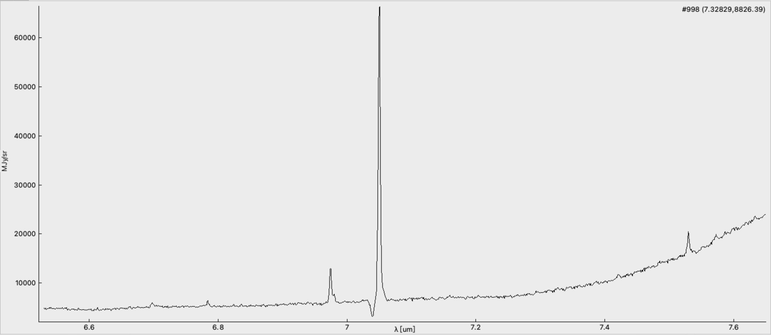
ch1_medium | 6.166353 |  |  | 5.94709 |  | Excitation | Type | Flux | Height | Center | FWHM | d_Flux | d_Height | d_Center | d_FWHM
 |  |  |  |  |  |  | a+bx | -319349 | 52603.1 | 85046.6 | 13782.5
 |  |  |  |  |  |  | Gauss | 5.94709 | 1997.13 | 6.166353 | 0.00279748 | 0.589942 | 116.483 | 7.54E-05 | 0.00022447

ch1_medium | 6.279959 |  |  | 4250.73 |  | PAH | Type | Flux | Height | Center | FWHM | d_Flux | d_Height | d_Center | d_FWHM
 |  |  |  |  |  |  | a+bx | -81245.2 | 13091.1 | 3642.3 | 549.876
 |  |  |  |  |  |  | Lorentz | 4250.73 | 15359.1 | 6.279959 | 0.176189 | 94.7521 | 189.872 | 0.000581599 | 0.00326807

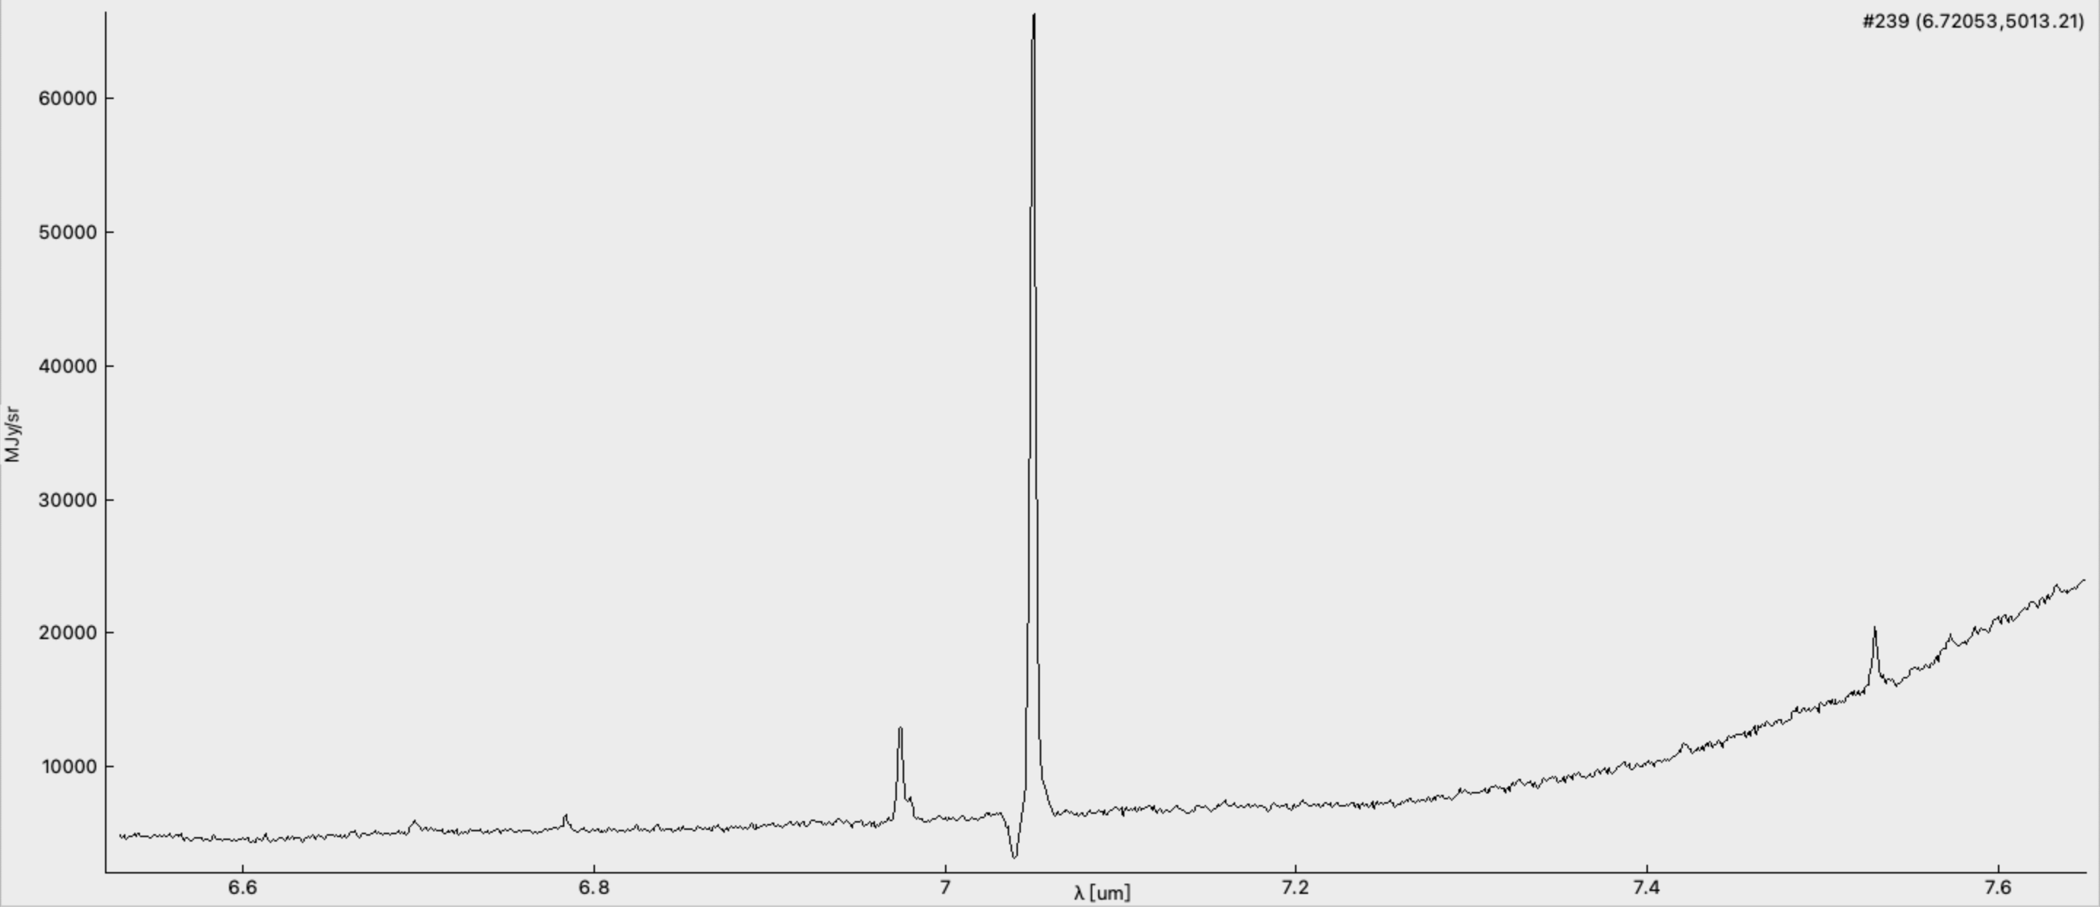
ch1_long | 6.698221 |  | 10:27:51.168 -43:54:12.22 | 3.53613 |  | PAH | Type | Flux | Height | Center | FWHM | d_Flux | d_Height | d_Center | d_FWHM
 |  |  |  |  |  |  | a+bx | -142688 | 22072.1 | 23450.8 | 3500.02
 |  |  |  |  |  |  | Gauss | 3.53613 | 745.992 | 6.698221 | 0.00445309 | 0.46478 | 60.5982 | 0.000174224 | 0.000460141

 | 6.784517 |  |  | 3.43688 |  | Excitation | Type | Flux | Height | Center | FWHM | d_Flux | d_Height | d_Center | d_FWHM
 |  |  |  |  |  |  | a+bx | 120784 | -17016.2 | 96790.7 | 14264.5
 |  |  |  |  |  |  | Gauss | 3.43688 | 1004.89 | 6.784517 | 0.00321303 | 0.628445 | 108.332 | 0.000168346 | 0.000474543

 | 6.974724 | H2 S(5) |  | 23.7155 | 0.66635290812 | Excitation | Type | Flux | Height | Center | FWHM | d_Flux | d_Height | d_Center | d_FWHM
 |  |  |  |  |  |  | a+bx | -287.578 | 962.811 | 125527 | 17983.2
 |  |  |  |  |  |  | Gauss | 23.7155 | 6616.35 | 6.974724 | 0.00336729 | 2.41963 | 423.688 | 0.000102795 | 0.00026746

 | 7.050711 | Ar II |  | 218.424 | 6.1372295589 | Excitation | Type | Flux | Height | Center | FWHM | d_Flux | d_Height | d_Center | d_FWHM
 |  |  |  |  |  |  | a+bx | 408074 | -56701.8 | 435096 | 61677.2
 |  |  |  |  |  |  | Gauss | 218.424 | 58026.1 | 7.050711 | 0.00353626 | 6.1718 | 1016 | 2.96E-05 | 7.84E-05

 | 7.529759 | HI (Pfa) |  | 16.2739 |  | Excitation | Type | Flux | Height | Center | FWHM | d_Flux | d_Height | d_Center | d_FWHM
 |  | should be |  |  |  |  | a+bx | -198731 | 28558.4 | 111965 | 14861.1
 |  | the same line |  |  |  |  | Gauss | 16.2739 | 4082.7 | 7.529759 | 0.00374467 | 1.02622 | 151.828 | 6.56E-05 | 0.000190702

ch2_short | 7.530293 | HI (Pfa) | 10:27:51.168 -43:54:12.27 | 35.5927 | 1.000075864 | Excitation | Type | Flux | Height | Center | FWHM | d_Flux | d_Height | d_Center | d_FWHM
 |  |  |  |  |  |  | a+bx | -280528 | 39326.8 | 31731.6 | 4211.85
 |  |  |  |  |  |  | Gauss | 35.5927 | 8033.48 | 7.530293 | 0.00416222 | 0.95809 | 137.375 | 3.43E-05 | 8.65E-05

 | 7.573165 |  |  | 6.36297 |  | Excitation | Type | Flux | Height | Center | FWHM | d_Flux | d_Height | d_Center | d_FWHM
 |  |  |  |  |  |  | a+bx | -449814 | 61829 | 118046 | 15573
 |  |  |  |  |  |  | Gauss | 6.36297 | 1708.66 | 7.573165 | 0.00349843 | 1.15168 | 180.081 | 0.000164711 | 0.000514786

 | 8.101159 |  |  | 60.9299 |  | Excitation | Type | Flux | Height | Center | FWHM | d_Flux | d_Height | d_Center | d_FWHM
 |  |  |  |  |  |  | a+bx | 37078.9 | -2896.09 | 68157 | 8408.66
 |  |  |  |  |  |  | Gauss | 60.9299 | 12169.4 | 8.101159 | 0.00470358 | 1.28552 | 157.772 | 2.91E-05 | 7.83E-05

ch2_medium | 8.843378 |  | 10:27:51.186 -43:54:12.31 | 3.89775 |  | Excitation | Type | Flux | Height | Center | FWHM | d_Flux | d_Height | d_Center | d_FWHM
 |  |  |  |  |  |  | a+bx | 131345 | -13750 | 37870.6 | 4279.88
 |  |  |  |  |  |  | Gauss | 3.89775 | 660.276 | 8.843378 | 0.0055457 | 0.483637 | 47.1059 | 1.87E-04 | 5.63E-04

 | 9.076588 | Ar III |  | 101.336 | 2.847316662 | Excitation | Type | Flux | Height | Center | FWHM | d_Flux | d_Height | d_Center | d_FWHM
 |  |  |  |  |  |  | a+bx | 70108.1 | -7005.74 | 176971 | 19486.3
 |  |  |  |  |  |  | Gauss | 101.336 | 18615.9 | 9.076588 | 0.00511387 | 3.94129 | 447.794 | 5.87E-05 | 0.000156292

 | 9.759639 |  |  | 117.507 |  | Excitation | Type | Flux | Height | Center | FWHM | d_Flux | d_Height | d_Center | d_FWHM
 |  |  |  |  |  |  | a+bx | -2503.55 | 862.175 | 55570.3 | 5690.97
 |  |  |  |  |  |  | Gauss | 117.507 | 20898 | 9.759639 | 0.00528236 | 1.45386 | 161.757 | 1.96E-05 | 5.10E-05

ch2_long | 10.61069 |  | 10:27:51.175 -43:54:12.15 | 47.1771 |  | Excitation | Type | Flux | Height | Center | FWHM | d_Flux | d_Height | d_Center | d_FWHM
 |  |  |  |  |  |  | a+bx | -120583 | 12109.4 | 47928.8 | 4514.67
 |  |  |  |  |  |  | Gauss | 47.1771 | 6660.06 | 10.61069 | 0.00665458 | 1.30526 | 112.962 | 5.40E-05 | 0.00014546

 | 11.34553 |  |  | 12520.6 |  | PAH | Type | Flux | Height | Center | FWHM | d_Flux | d_Height | d_Center | d_FWHM
 |  |  |  |  |  |  | a+bx | -444410 | 39322.7 | 24008.5 | 2037.96
 |  |  |  |  |  |  | Lorentz | 12520.6 | 31976 | 11.34553 | 0.249276 | 545.74 | 908.26 | 0.00143293 | 0.00824141

Ch3_short | 12.39487 | H2 S(2) | 10:27:51.175 -43:54:12.02 | 154.99 | 4.3548749649 | Excitation | Type | Flux | Height | Center | FWHM | d_Flux | d_Height | d_Center | d_FWHM
 |  |  |  |  |  |  | a+bx | -398214 | 33458.8 | 49141.1 | 3962.57
 |  |  |  |  |  |  | Gauss | 154.99 | 22051.7 | 12.39487 | 0.0066028 | 1.58598 | 141.048 | 2.02E-05 | 5.27E-05

 | 12.48963 |  |  | 25.9141 |  | Excitation | Type | Flux | Height | Center | FWHM | d_Flux | d_Height | d_Center | d_FWHM
 |  |  |  |  |  |  | a+bx | -300781 | 25497.7 | 86547.7 | 6926.41
 |  |  |  |  |  |  | Gauss | 25.9141 | 3693.9 | 12.48963 | 0.00659049 | 1.99272 | 174.156 | 0.000148694 | 0.000400359

 | 12.93754 | Ne II |  | 3398.57 | 95.49227311 | Excitation | Type | Flux | Height | Center | FWHM | d_Flux | d_Height | d_Center | d_FWHM
 |  |  |  |  |  |  | a+bx | 1.16E+06 | -87437 | 614557 | 47465.8
 |  |  |  |  |  |  | Gauss | 3398.57 | 432358 | 12.93754 | 0.00738448 | 50.8623 | 4142.98 | 3.41E-05 | 8.49E-05

Ch3_medium | 14.505 | NeV | 10:27:51.188 -43:54:12.38 | 36.8762 | 1.036139365 | Excitation | Type | Flux | Height | Center | FWHM | d_Flux | d_Height | d_Center | d_FWHM
 |  |  |  |  |  |  | a+bx | 134852 | -8003.02 | 61667.8 | 4248.74
 |  |  |  |  |  |  | Gauss | 36.8762 | 3972.43 | 14.505 | 0.00872082 | 1.54061 | 97.8097 | 0.000101708 | 0.000294338

 | 15.70327 | Ne III | 10:27:51.176 -43:54:12.26 | 562.203 | 15.796656364 | Excitation | Type | Flux | Height | Center | FWHM | d_Flux | d_Height | d_Center | d_FWHM
 |  |  |  |  |  |  | a+bx | 328806 | -19348.7 | 391061 | 24893.2
 |  |  |  |  |  |  | Gauss | 562.203 | 53561.1 | 15.70327 | 0.00986078 | 15.0884 | 881.272 | 7.80E-05 | 0.000209076

 | 16.58278 |  |  | 1652.94 |  | PAH | Type | Flux | Height | Center | FWHM | d_Flux | d_Height | d_Center | d_FWHM
 |  |  |  |  |  |  | a+bx | -96870.9 | 7582.32 | 11966.1 | 712.814
 |  |  |  |  |  |  | Lorentz | 1652.94 | 6251.74 | 16.58278 | 0.16832 | 118.528 | 247.89 | 0.00163714 | 0.0100567

 | 17.19702 | H2 S(1) |  | 433.611 | 12.183506603 | Excitation | Type | Flux | Height | Center | FWHM | d_Flux | d_Height | d_Center | d_FWHM
 |  |  |  |  |  |  | a+bx | -522120 | 32438.2 | 450762 | 26202.7
 |  |  |  |  |  |  | Gauss | 433.611 | 46843 | 17.19702 | 0.00869607 | 13.5454 | 903.011 | 8.05E-05 | 0.000213761

Ch4_short | 18.05405 | Fe II | 10:27:51.178 -43:54:12.02 | 76.7906 | 2.157645406 | Excitation | Type | Flux | Height | Center | FWHM | d_Flux | d_Height | d_Center | d_FWHM
 |  |  |  |  |  |  | a+bx | 131898 | -5579.01 | 113499 | 6284.4
 |  |  |  |  |  |  | Gauss | 76.7906 | 5717.96 | 18.05405 | 0.0126164 | 6.4017 | 285.553 | 0.000299416 | 0.000842173

 | 18.10511 |  |  | 58.7756 |  | Excitation | Type | Flux | Height | Center | FWHM | d_Flux | d_Height | d_Center | d_FWHM
 |  |  |  |  |  |  | a+bx | 26868.4 | -11.3971 | 70132.8 | 3870.08
 |  |  |  |  |  |  | Gauss | 58.7756 | 3499.58 | 18.10511 | 0.0157779 | 4.03624 | 139.663 | 0.000297751 | 0.00088175

 | 18.10511 |  |  | 58.7756 |  | Excitation | Type | Flux | Height | Center | FWHM | d_Flux | d_Height | d_Center | d_FWHM
 |  |  |  |  |  |  | a+bx | 26868.4 | -11.3971 | 70132.8 | 3870.08
 |  |  |  |  |  |  | Gauss | 58.7756 | 3499.58 | 18.10511 | 0.0157779 | 4.03624 | 139.663 | 0.000297751 | 0.00088175

 | 18.89022 | S III |  | 2228.35 | 62.611688677 | Excitation | Type | Flux | Height | Center | FWHM | d_Flux | d_Height | d_Center | d_FWHM
 |  |  |  |  |  |  | a+bx | 138975 | -5673.84 | 355802 | 18820
 |  |  |  |  |  |  | Gauss | 2228.35 | 155612 | 18.89022 | 0.0134526 | 35.414 | 1563.43 | 6.50E-05 | 0.000165653

Ch4_medium | 23.14502 | Fe III | 10:27:51.165 -43:54:12.36 | 245.491 | 6.8977521776 | Excitation | Type | Flux | Height | Center | FWHM | d_Flux | d_Height | d_Center | d_FWHM
 |  |  |  |  |  |  | a+bx | -81587.8 | 5671.91 | 353620 | 15269.9
 |  |  |  |  |  |  | Gauss | 245.491 | 15056.8 | 23.14502 | 0.0153169 | 34.8671 | 1342.86 | 0.000655327 | 0.00169307

Ch4_Long | 26.23204 | Fe II | 10:27:51.194 -43:54:12.34 | 280.718 | 7.8875526833 | Excitation | Type | Flux | Height | Center | FWHM | d_Flux | d_Height | d_Center | d_FWHM
 |  |  |  |  |  |  | a+bx | 201983 | -5262.62 | 260946 | 9942.23
 |  |  |  |  |  |  | Gauss | 280.718 | 16741.8 | 26.23204 | 0.015752 | 35.2828 | 1340.24 | 0.000607498 | 0.0015263

