BOMV1
Thumbnail | Part Name | Description | Print/Buy/Make | QTY | Comment
 | Spacer |  | Buy | 4
 | Carbon Fiber tube 20x20x18 | V300:422mm V400:522mm V500:622mm | Buy | 1
 | Ball Bearing F695 |  | Buy | 8
 | Ball Bearing 695 |  | Buy | 4
 | Shoulder Bolt D5 m4 45mm |  | Buy | 4
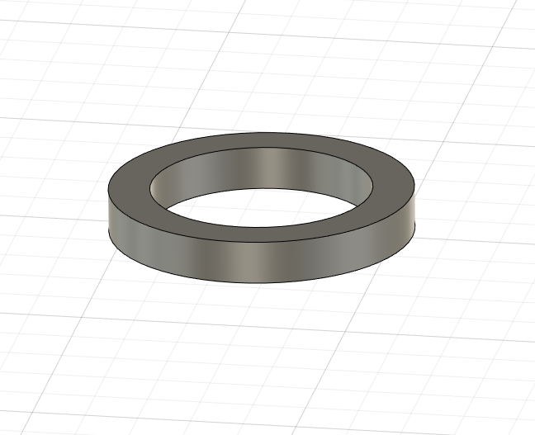 | D5 1mm Shim |  | Buy | 8
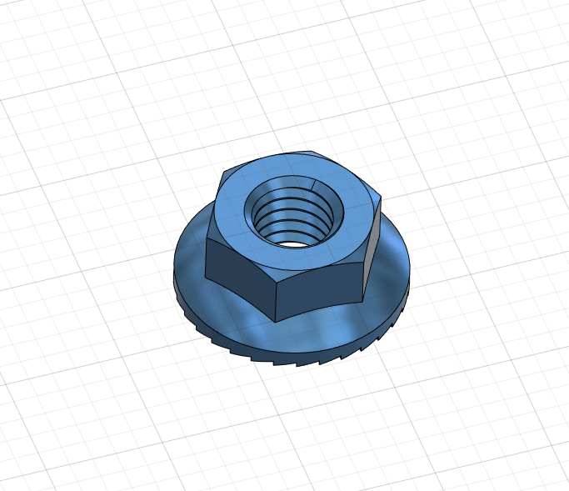 | M5 Flanged Nut | Titanium prefered | Buy | 4
 | MGN9H Rail + Carriage | V300:400mm V400:500mm V500:600mm | Buy | 1
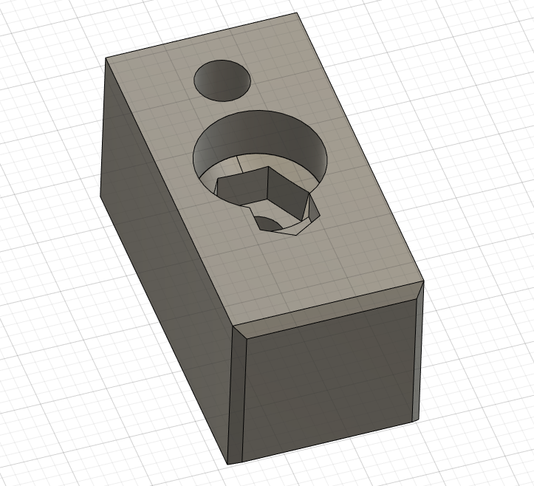 | Clamp | To maintain the CF tube uncrushed, a bit bigger than the tube, you need to sand it a bit to a perfect pressfit | Print | 2 | House a m5 flange nut, print at 100% infill
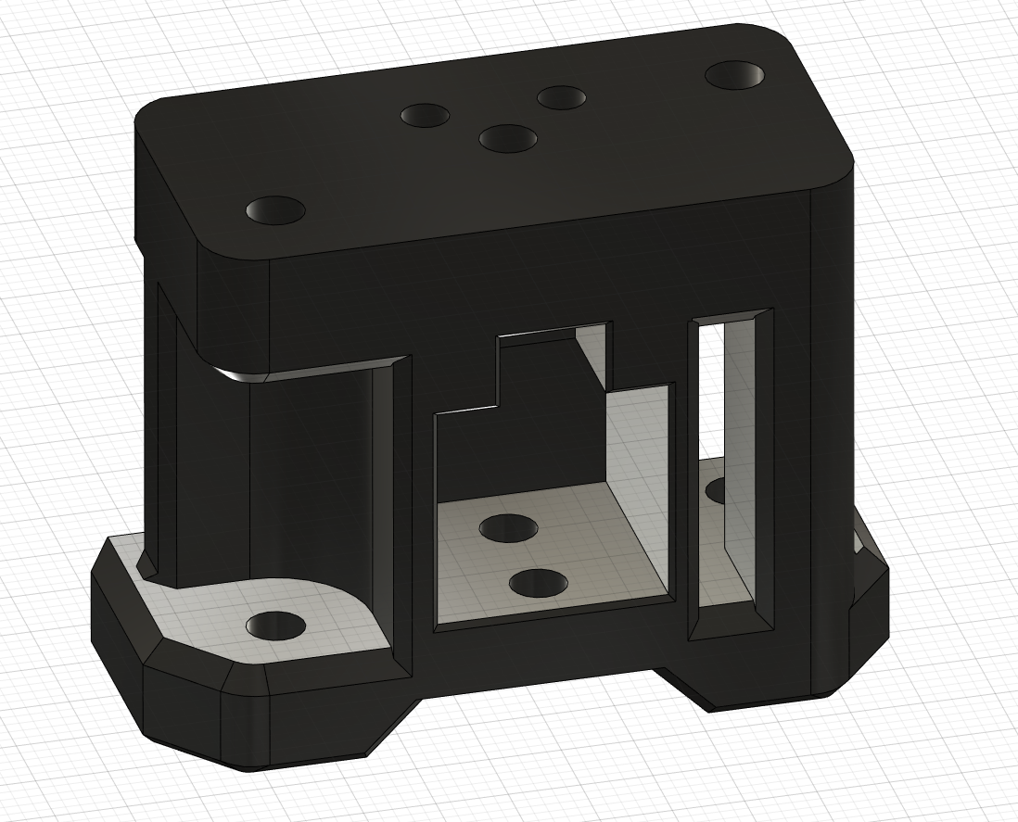 | Left Joiner |  | Print | 1 | Redesigned to raise the rigidity and does not rely on the shoulder bolt to support all the structural tensions
 | Right Joiner |  | print | 1 | Redesigned to raise the rigidity and does not rely on the shoulder bolt to support all the structural tensions
 | M4 Nyloc | Titanium prefered | Buy | 4
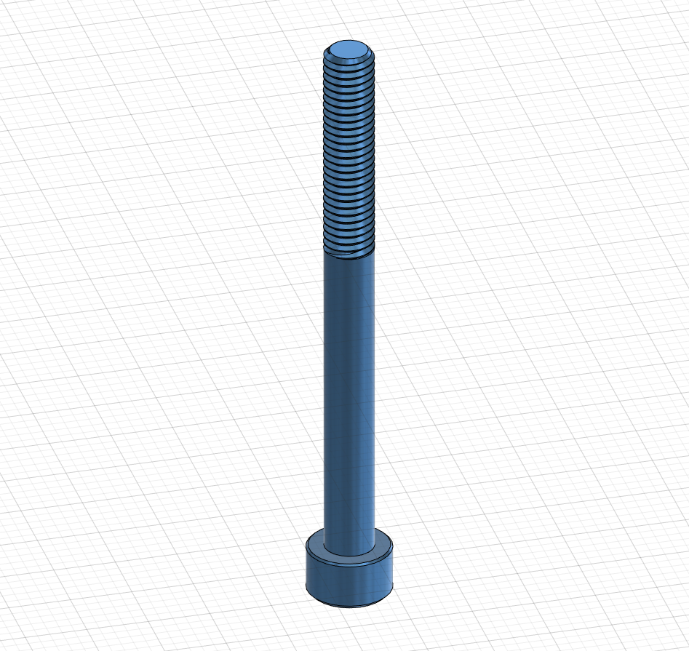 | M5 55mm | Titanium prefered | Buy | 2
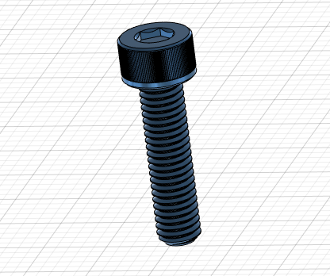 | M50x20 | Titanium prefered | Buy | 2
 | M3x10 | Titanium prefered | Buy | 13
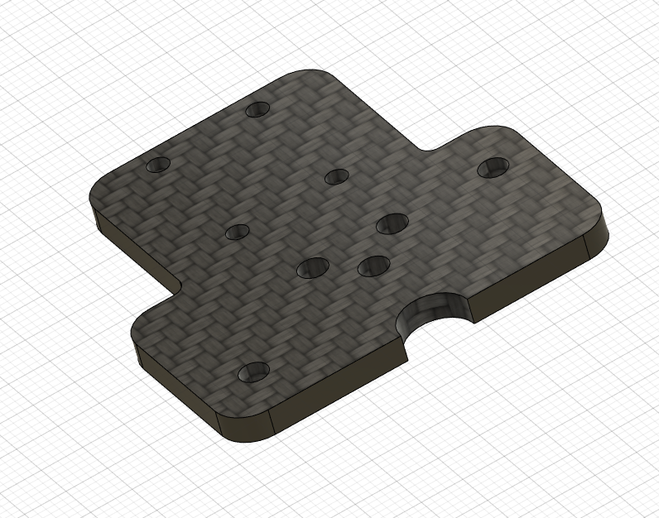 | Plates | Carbon fiber prefered (4mm) | buy/Make | 2 | DXF Included (L and R ARE DIFFERENT)
 | Ruthex Insert M3 |  | buy | 4
 | M3x10 | Titanium prefered | buy | 14
 | M3 nut | Titanium prefered | buy | 14
 | M3 Whasher | Titanium prefered | buy | 14

