BOMV1
Thumbnail | Part Name | Description | Print/Buy/Make | QTY | Comment
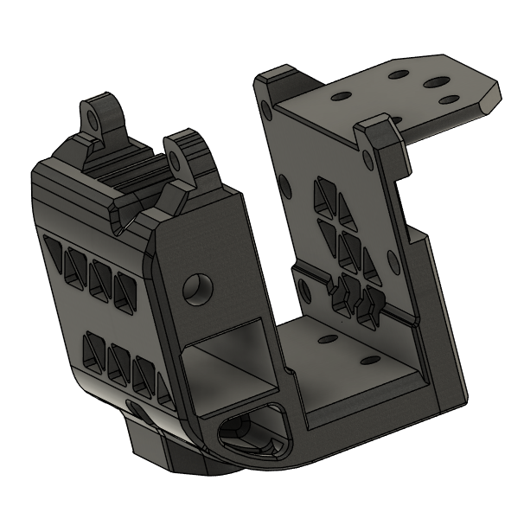 | Main part |  | Print/Buy | 1 | 7 perimeters
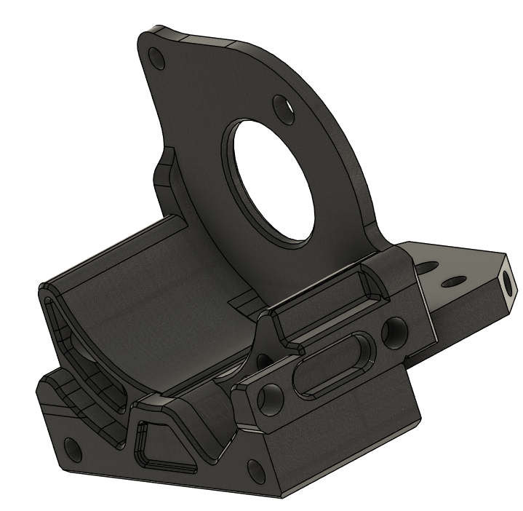 | LGX-Lite Holder | Both 20mm or 17mm motors compatible | Print/Buy | 1 | 7 perimeters
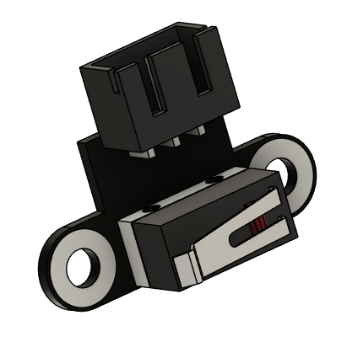 | Lerdge Microswitch |  | Buy/Recycle | 1
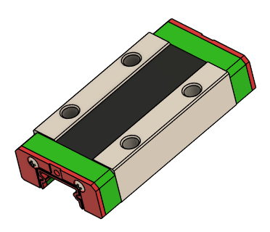 | MGN9H Carriage | Hiwin prefered | Buy | 1
 | Vcore belt graber |  | Print | 2
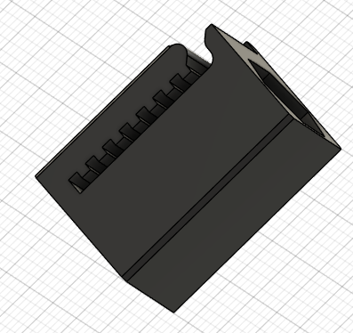 | Vcore Belt tensionner 9mm |  | Print | 2
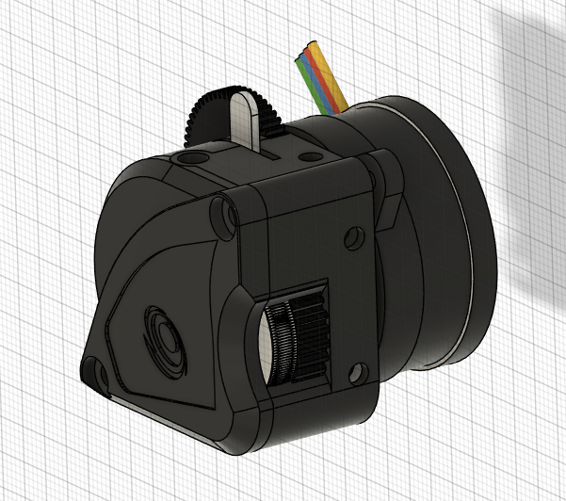 | LGX Lite | Both 20mm or 17mm motors compatible | Buy | 4
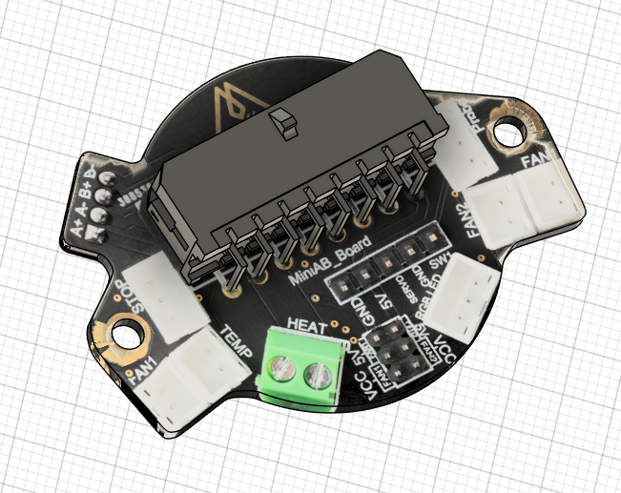 | Mellow MiniAB |  | Buy | 1
 | ADXL345 OR ADXL345 Mellow | (Adafruit version "non compatible") | Buy | 1
 | Dowel pin | 35mm | Buy | 2 | Add rigidity in the main assembly
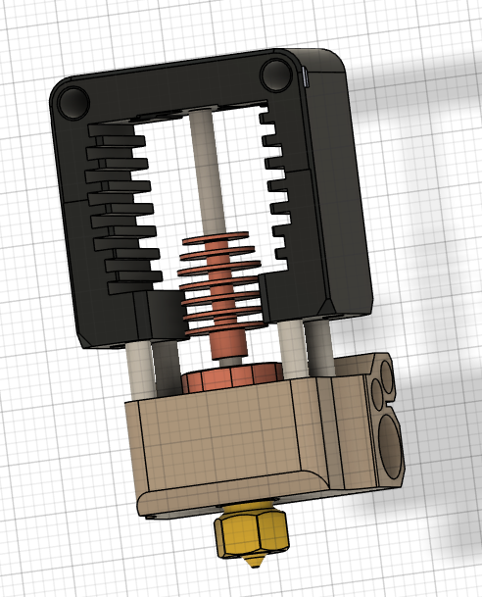 | Mosquito / Magnum / Volcomosq | Volcomosq variation compatible, need a probe adjustment | print | 1
 | M5 Nyloc | Titanium prefered | Buy | 2
 | m3x30 | Titanium prefered |  | 1
 | m3x35 | Titanium prefered |  | 1
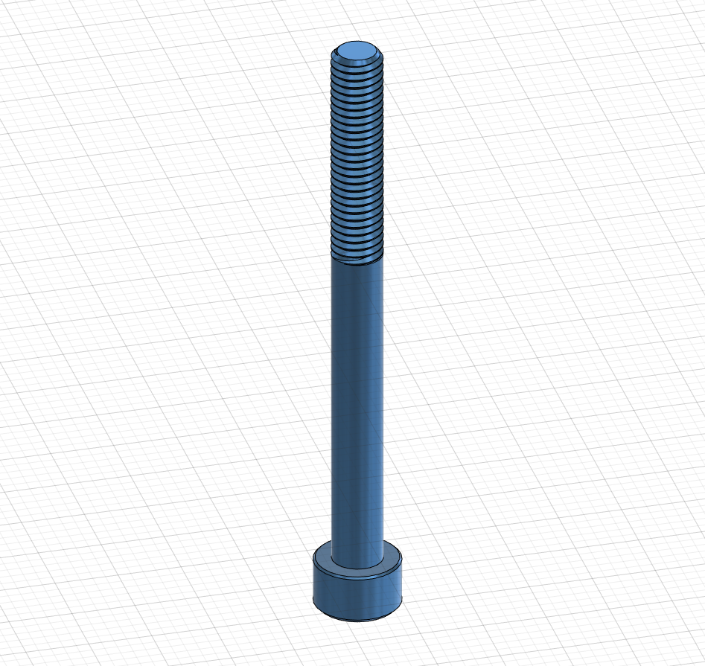 | M5 40mm | Titanium prefered | Buy | 2
 | M2x8 | Titanium prefered | Buy | 6
 | M3x8 | Titanium prefered | Buy | 9
 | Ruthex Insert M2 |  | buy | 6
 | Ruthex Insert M3 |  | buy | 12
 | M3x30 | Titanium prefered | buy | 1
 | M3x10 | Titanium prefered | buy | 14
 | D5x30 Compression spring | Optionnal | buy | 2
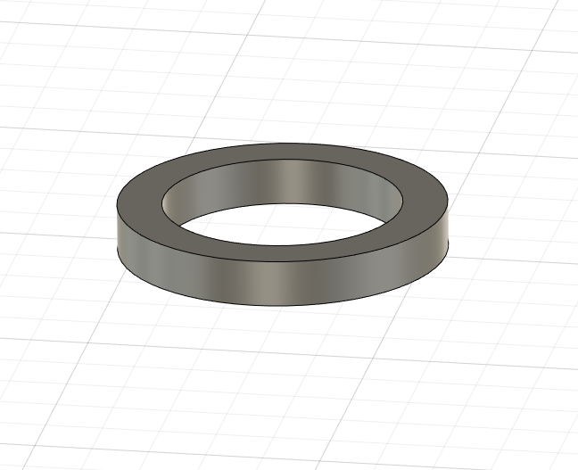 | M3 3mm spacer | can be printed | Print/buy | 2
 | Reinforcer for the Motor | Either for 17 or 20mm motor | print | 1
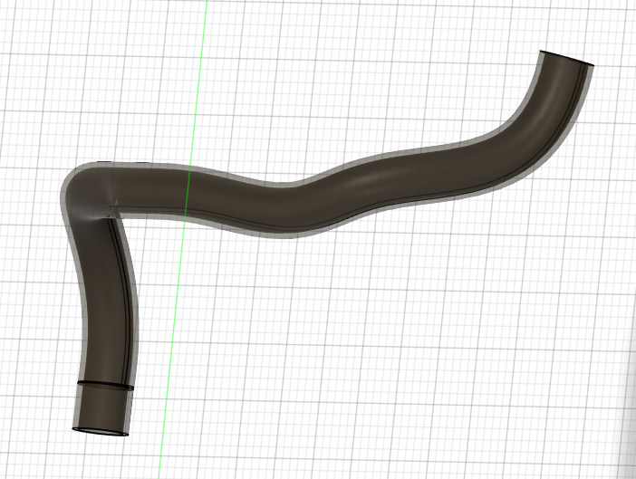 | Durit tube (silicon) 3mm ID 5mm OD |  | Buy | 20cm
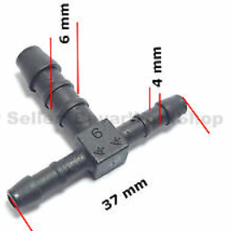 | T spliter 4mm/6mm OD | Can be printed and UV resin coated | Buy | 1
 | SE 25mm fan |  | Buy | 1
 | m3x6 | Titanium prefered | buy | 2
 | EUCLID probe |  | Buy | 1
 | Euclid Dock | for Euclid Only | Print | 1
 | std Geo Shroud | Euclid | Print | 1
 | Inductive Geo shroud | 8mm Inductive | Print | 1
 | Duct ends | Brass 3,5mm ID 4mm OD | Make | 2 | Use the tool in the GIT link to bend it

