From Fusion 360
SubAssy | Category | Item | Thumbnail | Part Name | Part Description | Print/Buy | QTY
 |  |  |  | SFU1204-400 With Nut | For the Vcore-3-300 | Buy | 3
 |  |  |  | SFU1204-500 With Nut | For the Vcore-3-400 | Buy | 3
ZR_V2.5 | Buy | 3 |  | SFU1204-600 With Nut | For the Vcore-3-500 | Buy | 3
ZR_V2.5 | Buy | 4 |  | Ball Bearing 608ZZ | Bearing 608ZZ if not in the BF10 | Buy | 3
 |  |  | 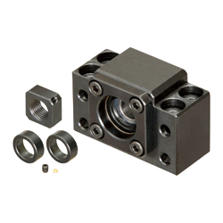 | BK10 + Nut (Angular bearing included) |  | Buy | 3
 |  |  | 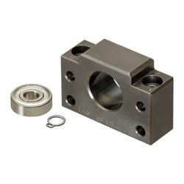 | BF10 + circlip + 608ZZ |  | Buy | 2
 |  |  | 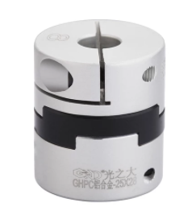 | Oldham Coupler 5,0-8,0 | (Prefered, but spider coupler type works too) | Buy | 3
ZR_V2.5 | Buy | 7 |  | Coupler D20L25-5.0-8.0 | Coupler, Spider - 8 to 5mm | Buy | 3
ZR_V2.5 | Buy | 9 |  | MGN12H_Rail Assy | MGN12H Rail from the RR kit | Buy | 3
ZR_V2.5 | Buy | 12 |  | NEMA17 1.8/0.9 degree Stepper Motors 48 mm | Stepper Motor - NEMA17X48mm | Buy | 3
ZR_V2.5 | Hardware | 13 |  | Ball_Bearing_6mm | Bearing, Ball - 6mm | Buy | 9
ZR_V2.5 | Hardware | 14 |  | Magnet_8X3mm | Magnet, Disc - 8X3mm | Buy | 30
ZR_V2.5 | Hardware | 18 |  | M4_Nut_94150A335 | Nut, Hex - M4 | Buy | 9
ZR_V2.5 | Hardware | 24 |  | M3x35_ButtonHeadScrew_91239A326 | Screw, Button Head - M3x35 | Buy | 11
ZR_V2.5 | Hardware | 25 |  | M6x12_ButtonHeadScrew_97763A820 | Screw, ButtonHead - M6x12mm | Buy | 14
ZR_V2.5 | Hardware | 26 |  | M6x20_ButtonHeadScrew_91239A228 | Screw, ButtonHead - M6x18mm | Buy | 15
 |  |  | 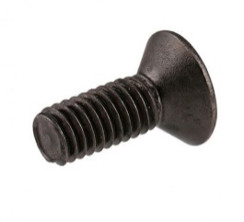 | M3x4(5) Countersink screw |  | Buy | 3
ZR_V2.5 | Hardware | 27 |  | M6X14_ButtonHeadScrew_92095A227 | Screw, ButtonHead - M6X14mm | Buy | 16
ZR_V2.5 | Hardware | 28 |  | M3X10_CapScrew_92290A115 | Screw, Cap - M3X10mm | Buy | 8
ZR_V2.5 | Hardware | 29 |  | M3X12_CapScrew_92290A117 | Screw, Cap - M3X12mm | Buy | 18
ZR_V2.5 | Hardware | 30 |  | M5x40_CapScrew_92290A118 | Screw, Cap - M5X40 | Buy | 4
ZR_V2.5 | Hardware | 33 |  | M4X20_CapScrew_92290A150 | Screw, Cap - M4X20mm | Buy | 9
 |  |  |  | M6x60 CapScrew | Screw, Cap - M6X55 |  | 2
ZR_V2.5 | Hardware | 34 |  | M5X30_CapScrew_90605A257 | Screw, Cap - M5X30 | Buy | 12
ZR_V2.5 | Hardware | 35 |  | M2x8_CapScrew_91290A434 | Screw, CapScrew - M2x8 | Buy | 4
 |  |  | 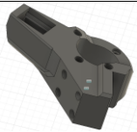 | Arm R |  | Print | 1
 |  |  | 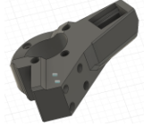 | Arm L |  | Print | 1
 |  |  |  | Arm B |  | Print | 1
 |  |  |  | Retainer R |  | Print | 1
 |  |  |  | Retainter L |  | Print | 1
 |  |  | 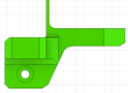 | Retainer B |  | Print | 1
 |  |  | 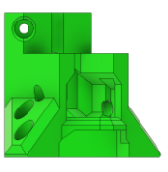 | Bracket R |  | Print | 1
 |  |  | 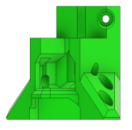 | Bracket L |  | Print | 1
 |  |  |  | Bracket B |  | Print | 1
 |  |  |  | Wing low |  | Print | 3
 |  |  |  | Wing top |  | Print | 2
 |  |  |  | Wing top mirrored |  | Print | 1
 |  |  | 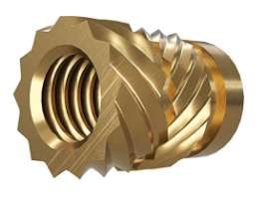 | Ruthex Insert M5 |  | buy | 12
 |  |  |  | Ruthex Insert M3 |  | buy | 16(4)
 |  |  |  | Ruthex Insert M2 |  | buy | 4
 |  |  |  | M6 Washers |  | buy | 20+

