BOMV1
Thumbnail | Part Name | Description | Print/Buy/Make | QTY | Comment
 | Ball Bearing F695 |  | Buy | 12
 | Ball Bearing 625ZZ |  | Buy | 4
 | Shoulder Bolt D5 m4 35mm |  | Buy | 4
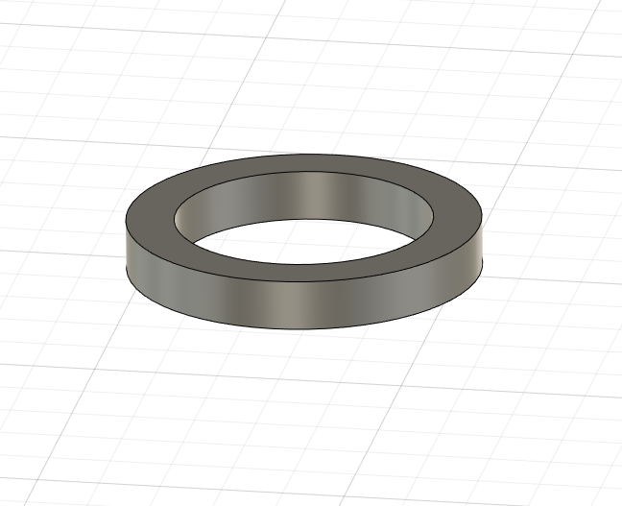 | D5 1mm Shim |  | Buy | 10
 | 695zz Bearing |  | Buy | 6
 | XY Top Left |  | Buy | 1
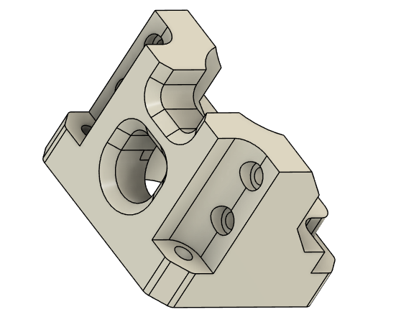 | Motor Clamp |  | Print | 2 | 7 perimeter 25% infill (PACF)
 | Left holder |  | Print | 1
 | Right holder |  | print | 1
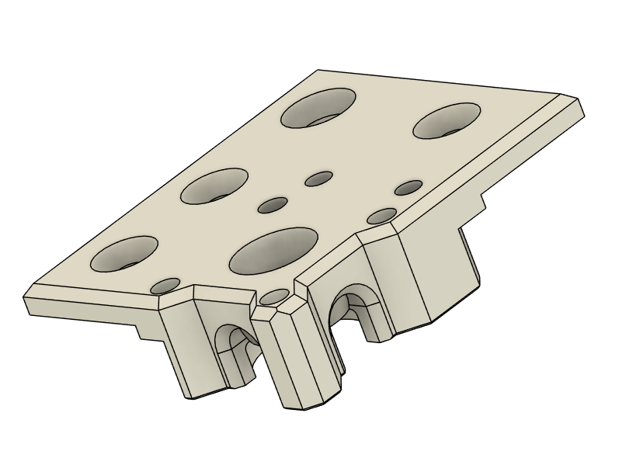 | XY Top Right |  | Buy | 1
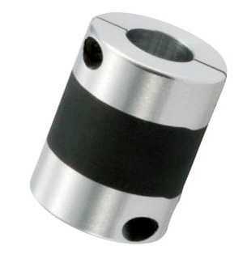 | Rubber Coupler / Disk coupler | 5x5 / FOR MOTION, NOT TORQUE | Buy | 2
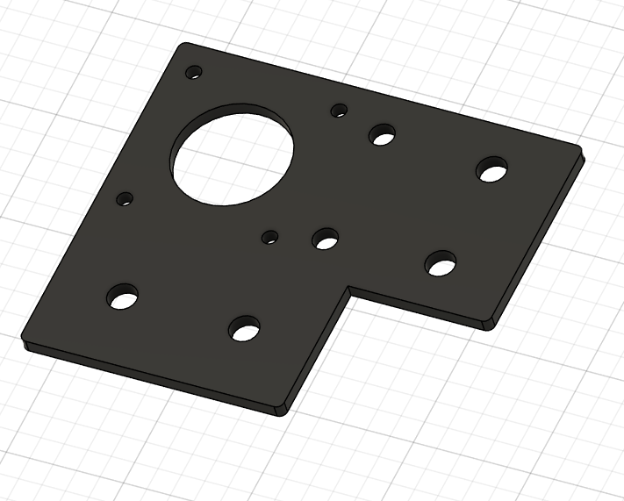 | Stock plates |  | Buy | 2
 | Ruthex Insert M4 |  | buy | 4
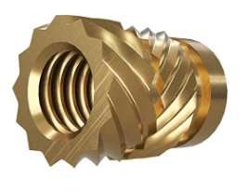 | Ruthex Insert M3 |  | buy | 16
 | M3x30 |  | buy | 8
 | M3x12 |  | buy | 8
 | M3 Whasher |  | buy | 8
 | Axe 5mm +-55mm | take a longer one and cut it to the desired lenght | buy | 2

