Visual
KPI

Revenu vs Coût
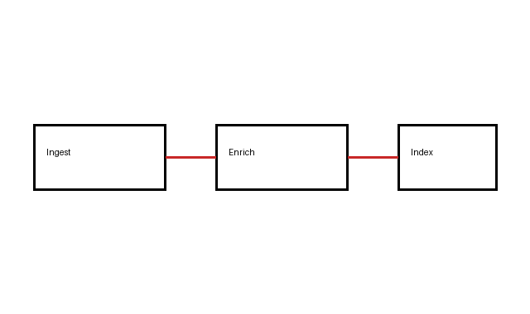

Tendance

