D. MLC
Part D. MLC QA: To ensure proper static positining and dynamic motion of the MLCs.
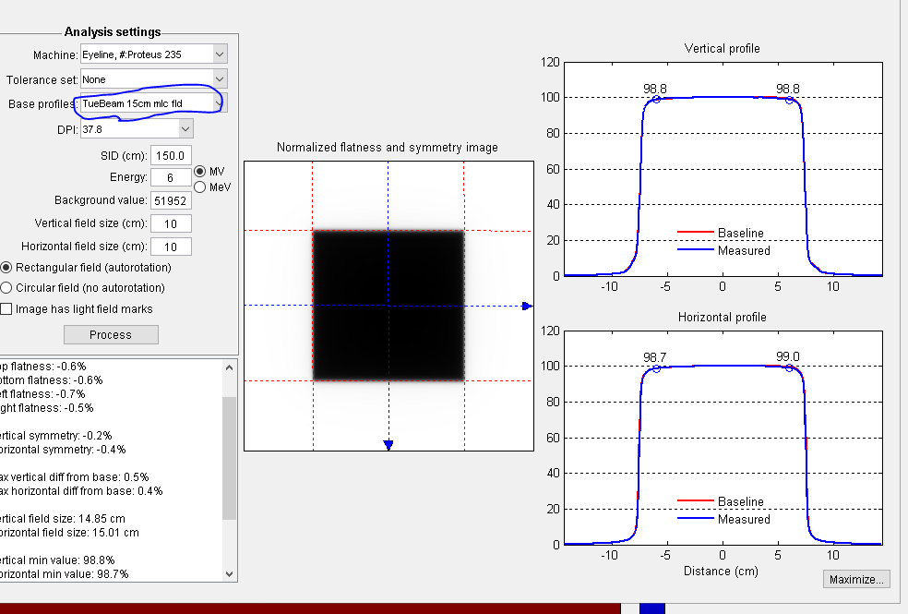
 | DATE:
1. Move couch out, couch position to vert 0, lng, 19 , and lat 0.
2. Select Machine QA from the major mode
3. Open plan per each test. all plans are located at I:/transfer/TDS/H192905/monthlyQA
4. After opening the plan, apply machine override, select all and convert. If warning messages show on the image disply, select each one
and click OK.

 | MLC Field Size: To assess the static positional accuracy of the MLC system, i.e. setting vs radiation field
 | Test Condition: See below. |  |  |  |  | (Tol. ± 1mm)
1. open MLC_Light&Rad.dcm
2. Machine override all fields.
2. Select fld #1 10x10 MLC field or fld#2 15x15 cm MLC field and add image , MV,before, planned,treatment Port
3. save the image by click save icon on the left upper corner and click yes to comfirm you want to save.
4. Calculate image and check if there is any deviation > 1.0mm, file the printed report in the Monthly QA folder.
5. go to the QA computer, go to W:\Varian\Transfer\TDS\H192905\monthlyQA, you will see a folder named as a day and time, (for example 17-03-08_12-06-26, indicate a image take on 3/8/2017 at 12:06) go inside the folder, copy the dicom image to U drive, Truebeam monthlyQA folder, rename it with more meaningful name.
6. use doselab>single image> flatness and sysmmtry> in the Analysis settings, select TrueBeam or TrueBeam 15cm mlc fld as the base profiles , then process
if it is within 1mm of the baseline value. it is a pass. The baseline for 10X10 MLC fld is: vertical 9.88cm and horizotal 9.97cm.The baseline for 15X15 MLC fld is: vertical 14.85cm and horizotal 15.01cm

 |  |  |  | Baseline | Current
 | MLC 10 x 10 | Vertical (cm) |  | 9.88
 |  | Horizontal (cm) |  | 9.97

 | MLC 15 x 15 | Vertical (cm) |  | 14.87
 |  | Horizontal (cm) |  | 15.07

D.2 | Picket Fence Tests: To assess leaf position accuracy for static and rotational fields.
 | Test Condition: See below. |  |  |  |  | (Tol. ± 1%)
1. Open T0.2_Picket Fence Static_HD120.dcm
2. highlight first fld, add imaging, on imaging moniter select MV for modality, during for excution phase, and dosimetry
as Modality Specifics. click OK.
3. then follow the console instruction move the imager to position, and then deliver the beam.
4. highligh the first beam, the image from the first beam will show on the imaging display, click save. click yes to confirm the
save.
5. go to the QA computer, go to W:\Varian\Transfer\TDS\H192905\monthlyQA, you will see a folder named as a day and time,
(for example 17-03-08_12-06-26, indicate a image take on 3/8/2017 at 12:06) go inside the folder, copy the dicom image to
U drive, Truebeam monthlyQA folder, rename it to indicate the gantry angle.
6. repeat steps 1-5 for all 4 flds.
7. use Doselab to do the analysis, single image analysis>machine QA> MLC strip test

a. |  |  |  | Baseline | Current
 | Static | Failing peaks |  | 0
 |  | Max difference |  | 0
 |  | Standard deviation |  | 0
 |  | Interstrip ratio |  | 33
 |  | Iso to strip distance |  | -0.7

b. |  |  |  | Baseline | Current
 | Rotational | Failing peaks
 |  | Max difference
 |  | Standard deviation
 |  | Interstrip ratio
 |  | Iso to strip distance

D.3 | Travel speed test: To assess the leaf speed accuracy.
 | Test Condition: See below. |  |  |  |  | (Tol. 2.5%)
1. Open T3_MLCSpeed_HD120.dcm
2. select the first fld (RDR_GS), Add> add imaging> MV, during, dosimetry, OK.
3. prepare the beam, need to override the couch, deliver the beam. select this fld again after the beam been delivered.
4. on the image display window, click display graticule, zoom in. click Area profile, use mouse drag, a squre box will show,
right click on the corner of the box, select Set ROI Dimensions (pixels)>10X10.move the box to the location indicated in the
table below. right click the Area Profiles widow, select show statistics. write down the mean value to the table.
5. Repeat this for the second fld, OpenBeam

 |  | Location (cm) |  |  |  |  |  | Location (cm)
 |  | -4.5 | -1.5 | 1.5 | 4.5 |  |  | -5 | -1 | 1 | 5
 | R_LS
 | Ropen
 | Rcorr |  |  |  |  |  | Rcorr
 | Δ% |  |  |  |  |  | Δ%
 | Pass/Fail |  |  |  |  |  | Pass/Fail

 | Comments

E. Patient Alignment
Part E. Patient Alignment: To ensure proper positioning accuracy of the systems used for patient alignment

 | DATE:

 | Positioning and Re-positioning test: To assess positional accuracy of the CBCT and kV imaging systems and 6D couch
 | Test Condition: See below. |  |  |  |  |  |  |  |  | (Tol. ± 1mm or ± 1° )
Setup
1. set image QA phantom at H4, put the block on the top stair. align to the isocenter using cross hair.
Then move the block to the middle stair (don't move table here, do not re-align the phatom). so it introduce an intentional 2cm in each direction.
2. open patient: Truebeam, monthlyQA.
kV/kV
3. select the kV/kV pair setup fld. Acquiring setup kV image pair by using default technology, then do a manual 2D-2D match on
imaging screen with DRR, align on the 5 BBs. write down the shift values in table. Do not apply the shift.
CBCT
4. select the CBCT setup fld. Take a CBCT image, do 3D/3D match, auto-match then check the registration of the 5 BBs, domanually match
when necessary. write down the shifts values in the table below. Apply the shift (you may need to go inside the room to use pendant.)
5. go inside the Tx room, check the " + "marker on the phantom is aligned with the crosshair at gantry 0 and 90. if it is
within 1mm , it is a pass. Fill the table with pass or fail.
Perfect Pitch
6. back to the control room, take another CBCT, if by some reason CBCT is not allowed via the CBCT setup fld, then select G0 fld, add
CBCT before, or close the patient and resend it from mosaiq. now we only exam the central BB , write down the shift needed to perfectly
align the central BB. Then Reset the match (0 shift).
7. under manual match, on each plane view, place the mouse outside the red circle, it will allow to rotate.
use mouse drag on each of the 3 planes, to get 3 degree Rtn, ptich and Roll. Check to make sure the shifts in X, Y, Z directions are 0.
Apply the shift. on the control console, it will do both rotioanal and translational move of the table, this is fine.
for couch rotation WATCH FOR COLLISION!!. make sure not to zero the couch.
8. take another CBCT with table with 3 degree Rtn, pitch and Roll, check the central BB only, write down the shifts needed for align the central BB.

 | Step 3 |  |  |  |  | Step 4
 | kV/kV |  | Baseline shift (cm) | Current shift (cm) | Δ (cm) | CBCT |  | Baseline shift (cm) | Current shift (cm) | Δ (cm)
 |  | Vert | 2 |  |  |  | Vert | 2
 |  | Lng | 2 |  |  |  | Lng | 2
 |  | Lat | -2 |  |  |  | Lat | -2
 |  | Rtn | 0 |  |  |  | Rtn | 0
 |  | Pitch | 0 |  |  |  | Pitch | 0
 |  | Roll | 0 |  |  |  | Roll | 0

 | Step 5 | Is the the " + "marker aligned with the crosshair to w/in 1mm?
 |  | Result
 |  | PASS

 | Step 6 |  |  |  |  | Step 7-8
 | CBCT |  | Baseline shift (cm) | Current shift (cm) | Δ (cm) | CBCT |  | Baseline shift (cm) | Current shift (cm) | Δ (cm)
 |  | Vert | 0 |  |  |  | Vert | 0
 |  | Lng | 0 |  |  |  | Lng | 0
 |  | Lat | 0 |  |  |  | Lat | 0

 | Comments

F. Image Quality
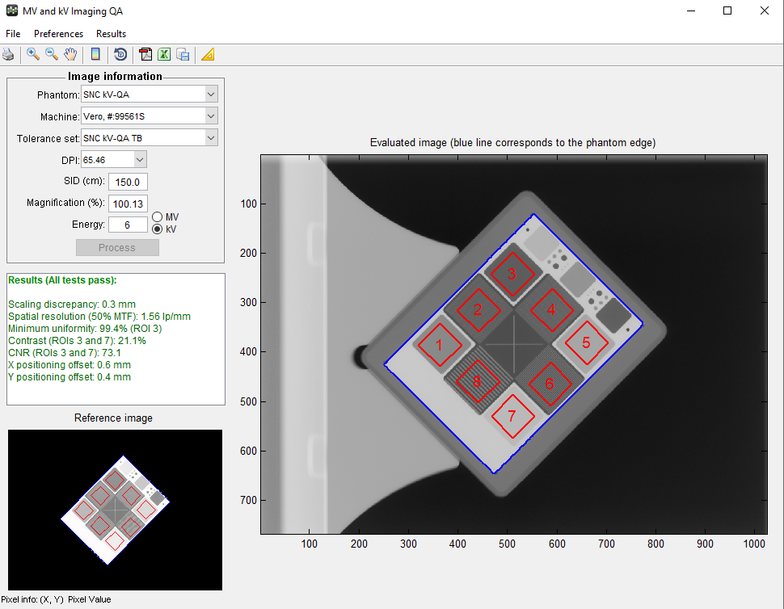
Part F. Imaging Quality: To ensure adequate image quality for systems used for patient positioning
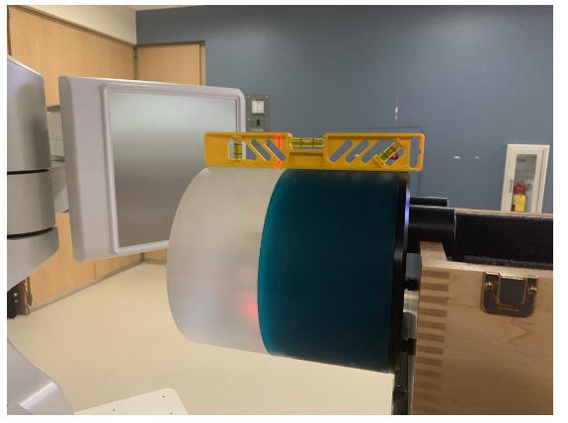
 | DATE: |  |  | Performed by |  | Catphan setup

F.1 | Image quality test: To assess CBCT, MV, and kV image quality in comparsion to baseline values.
 | Test Condition: See below.
Image Acquisition CBCT
1. Ensure couch has no pitch, roll and rotation
2. Align Catphan 604 phantom with the 2nd dot from the superior edge.
3. Double check that after phantom placement couch pitch remains zero, otherwise level couch.
3. From the major mode screen select machine QA mode.
4. File open: I:\monthlyQA\Imaging QA\Imaging monthly, note that this folder can be accessed also from a standard computer here: W:\Varian\Transfer\TDS\H19905\monthlyQA\ImagingQA\Imaging monthly
4. Select the file aMonthly Im.dcm. You will need to apply the machine override to all the fields.
5. Choose the CBCT.5 field and select on of the following options (either Head or Pelvis depending on the month).
6. Acquire the CBCT. No shifts should be applied. The images will automatically be saved to a folder on the I drive.
Image Acquisition MV image
1. Setup MV phantom as shown. The ceiling laser should align with the black marks on the top edge and the light field crosshairs (@ 270 gantry) should aling with the crosshairs on the front of the phantom.
2. Choose the Rt Lat MV port field and acquire the image. Use the default acquisition parameters.
Image Acquisition kV image
1. Setup the kV phantom in a similar fashion using the ceiling lasers and light field crosshair @ 270 gantry.
2. Choose the kV-kV setup pair and use the "Extremity" settings to acquire the Rt lateral kV image.
Image Analysis CBCT
1. Open the DoseLab software and select "CT/CBCT".
2. Select the folder which houses the CBCT to analyze, i.e. W\Varian\Transfer\TDS\H192905\monthlyQA\Imaging QA\Imaging monthly\ "date of acquisition". Or having previously copied the files to another folder, navigate to the desired location.
3. A CBCT acquired using the head protocol should have 93 images. The CBCT acquired using the pelvis protocol should have 88 images.
4. For phantom select the “Catphan 604”. For Machine choose the Vero. Use the tolerance set for the Truebeam (TB) which applies, either pelvis or head. The DPI, slice width, magnification, and energy should auto-populate.
5. The slice for each module will be automatically selected by the software. This should mostly be ok, except for potentially the Low contrast module. You can view the slices of the CBCT and determine which slice represents the middle of the Low contrast module. Look for the anterior BB as highlighted in the figure below.
6. Record the results below.
Image Analysis MV image
1. Next select “Single Image Analysis” from the home screen. Then File → Open image… choose your MV image from either W:\Varian\Transfer\TDS\H192905\monthlyQA\Imaging QA\Imaging monthly\ ”date of acquisition” or the designated folder. The size of the image should be around 3200 KB, and MV will be noted in the details to right of the screen once opened.
2. Next select Machine QA → MV and kV imaging… from the top menu.
3. For phantom select “SNC MV-QA”. For Machine choose the Vero. Use the tolerance set “SNC MV-QA TB”. The DPI, SID, magnification, and energy should auto-populate. You may have to select MV instead of kV using the radio button. If the data doesn’t automatially process hit the process button.
4. Record the results below.
Image Analysis kV image
1. Go back to the Single Image Analysis workspace and select the kV imaging using File → Open image… It should be around 1500 KB.
2. For phantom select “SNC kV-QA”. For Machine choose the Vero. Use the tolerance set “SNC kV-QA TB”. The DPI, SID, magnification, and energy should auto-populate. You may have to select kV instead of MV using the radio button. If the data doesn’t automatially process hit the process button.
3. Record the results below.

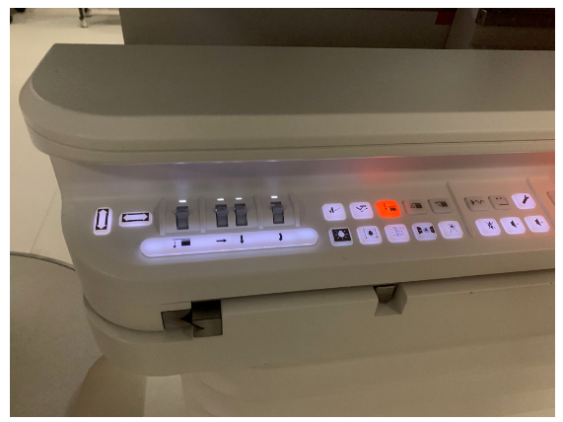

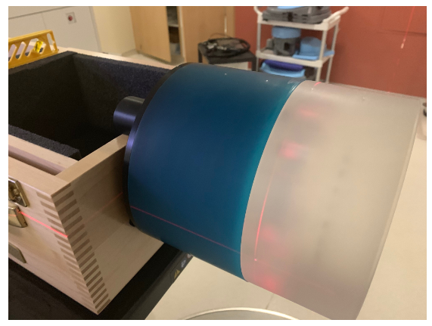

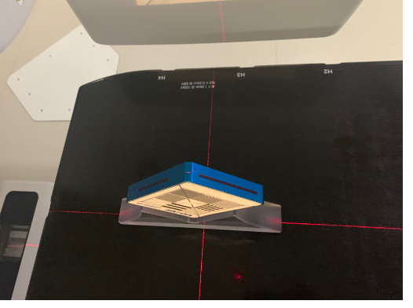
 |  |  |  |  |  | MV setup

a. |  |  | Baseline | Current
 | CBCT Head | Scaling discrepancy (mm) | 0 |  | (Tol. < 1mm)
 |  | Geometric distortion (mm) | 0 |  | (Tol. < 1mm)
 |  | Spatial resolution (lp/mm) | 0.46 |  | (Tol. ± 0.07 lp/mm)
 |  | Overall uniformity (%) | 96 |  | (Tol. ± 2%)
 |  | Minimum uniformity (%) | 96 |  | (Tol. ± 2%)
 |  | Contrast (%) | 1 |  | (Tol. ± 1%)
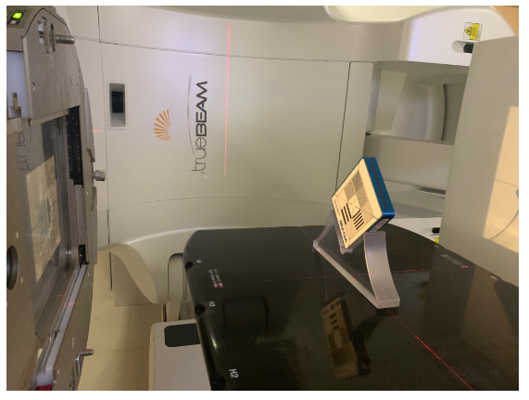
 |  | CNR (arb) | 0.3 |  | (Tol. ± 1)
 |  | Max HU deviation (HU) | 180 |  | (Tol. ± 100HU)
 |  | Slice width discrepancy (mm) | 2 |  | (Tol. < 1mm)

b. |  |  | Baseline | Current
 | CBCT Pelvis | Scaling discrepancy (mm) | 0 |  | (Tol. < 1mm)
 |  | Geometric distortion (mm) | 0 |  | (Tol. < 1mm)
 |  | Spatial resolution (lp/mm) | 0.54 |  | (Tol. ± 0.1 lp/mm)
 |  | Overall uniformity (%) | 98 |  | (Tol. ± 2%)
 |  | Minimum uniformity (%) | 98 |  | (Tol. ± 2%)
 |  | Contrast (%) | 1 |  | (Tol. ± 0.5%)
 |  | CNR (arb) | 2 |  | (Tol. ± 1)
 |  | Max HU deviation (HU) | 0 |  | (Tol. ± 100HU)
 |  | Slice width discrepancy (mm) | 2 |  | (Tol. < 1mm)

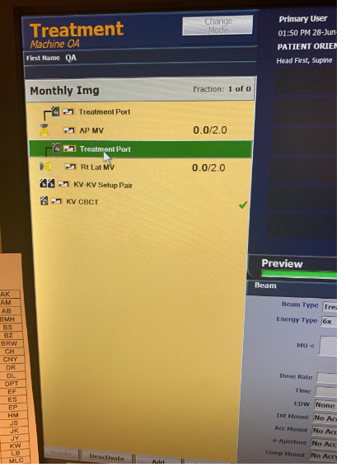
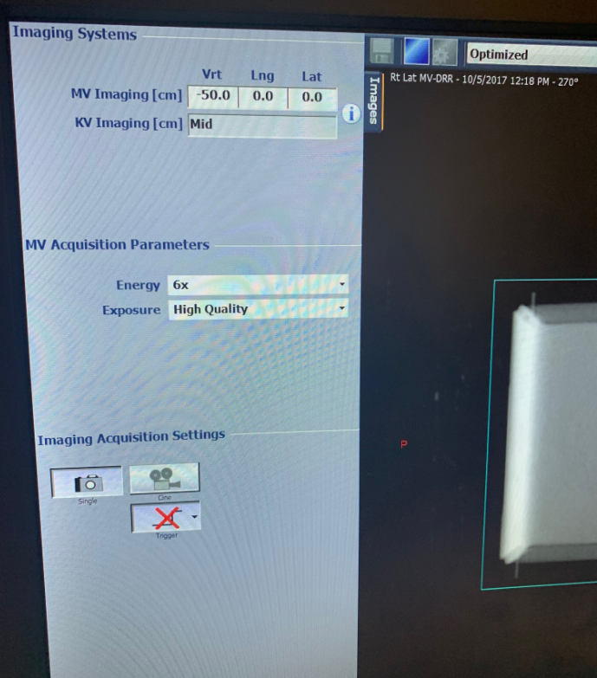
c. |  |  | Baseline | Current
 | MV | Scaling discrepancy (mm) | 3.5 |  | (Tol. < 1mm)
 |  | Spatial resolution (lp/mm) | 0.34 |  | (Tol. ± 0.07 lp/mm) | MV parameters
 |  | Minimum uniformity (%) | 100 |  | (Tol. ± 2%)
 |  | Contrast (%) | 2.6 |  | (Tol. ± 2%)
 |  | CNR (arb) | 52.6 |  | (Tol. ± 5)
 |  | X positioning offset (mm) | 0 |  | (Tol. < 1mm)
 |  | Y positioning offset (mm) | 0 |  | (Tol. < 1mm)

d. |  |  | Baseline | Current
 | kV | Scaling discrepancy (mm) | 0 |  | (Tol. < 1mm)
 |  | Spatial resolution (lp/mm) | 1.25 |  | (Tol. ± 0.07 lp/mm)
 |  | Minimum uniformity (%) | 100 |  | (Tol. ± 2%)
 |  | Contrast (%) | 19 |  | (Tol. ± 3%)
 |  | CNR (arb) | 65 |  | (Tol. ± 50)
 |  | X positioning offset (mm) | 0 |  | (Tol. < 1mm)
 |  | Y positioning offset (mm) | 0 |  | (Tol. < 1mm)

 | Comments

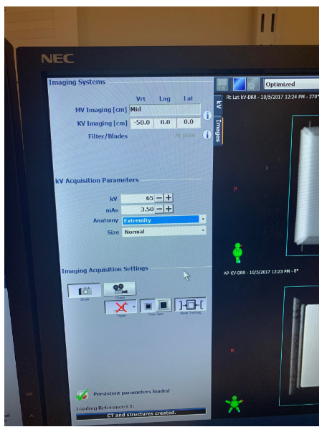
 |  |  |  |  |  | kV parameters

 | CBCT Large Pelvis | Scaling discrepancy (mm) | 0 |  | (Tol. < 1mm)
 |  | Geometric distortion (mm) | 0 |  | (Tol. < 1mm)
 |  | Spatial resolution (lp/mm) | 0.54 |  | (Tol. ± 0.1 lp/mm)
 |  | Overall uniformity (%) | 98 |  | (Tol. ± 2%)
 |  | Minimum uniformity (%) | 98 |  | (Tol. ± 2%)
 |  | Contrast (%) | 1 |  | (Tol. ± 0.5%)
 |  | CNR (arb) | 2 |  | (Tol. ± 1)
 |  | Max HU deviation (HU) | 0 |  | (Tol. ± 100HU)
 |  | Slice width discrepancy (mm) | 2 |  | (Tol. < 1mm)

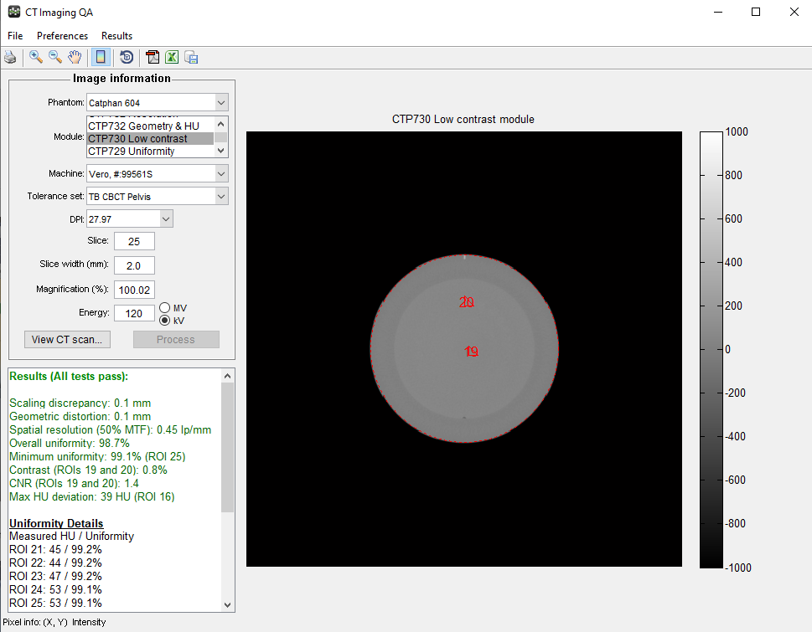
 |  |  |  |  |  | CBCT analysis

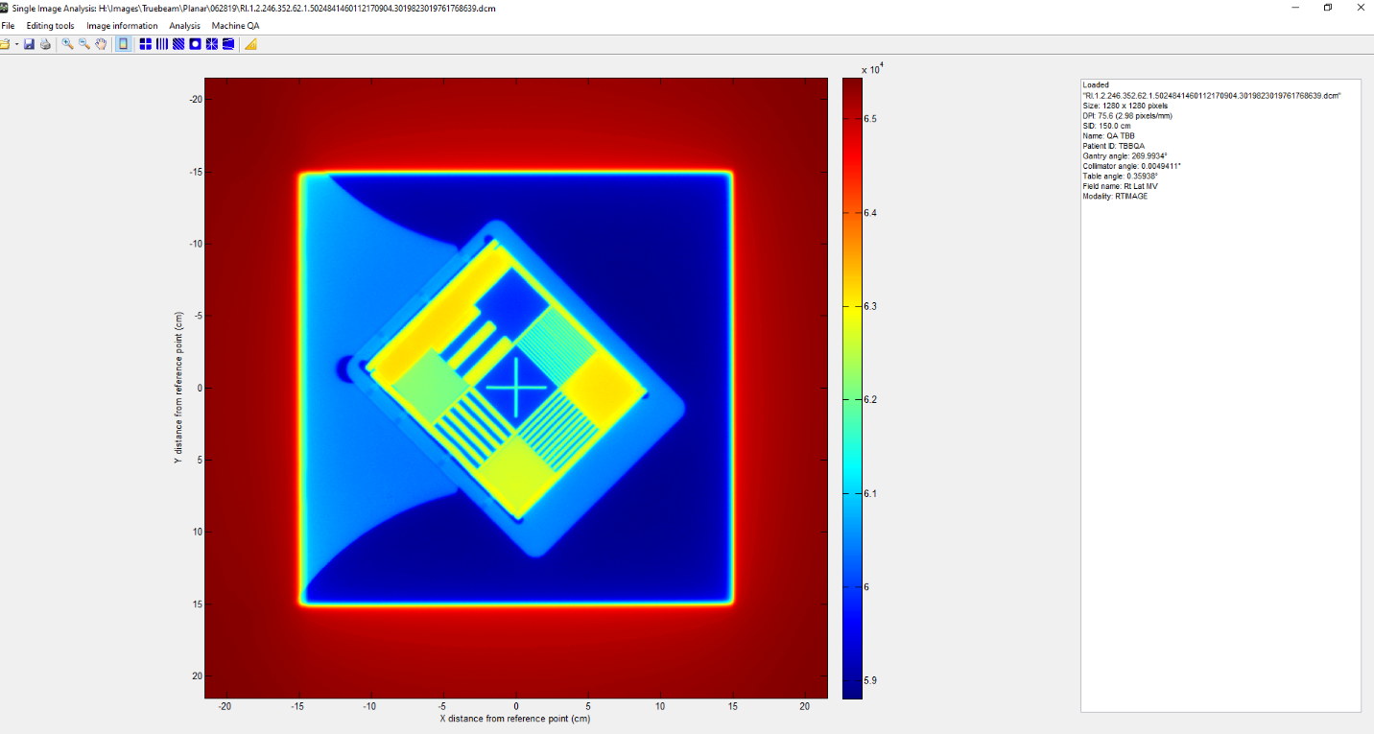

 |  |  |  |  |  | MV analysis

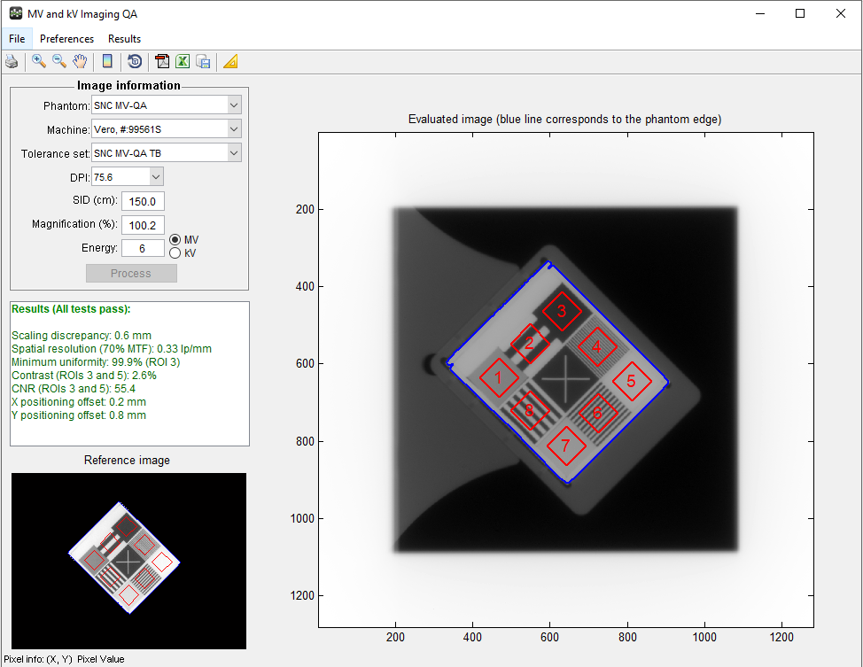

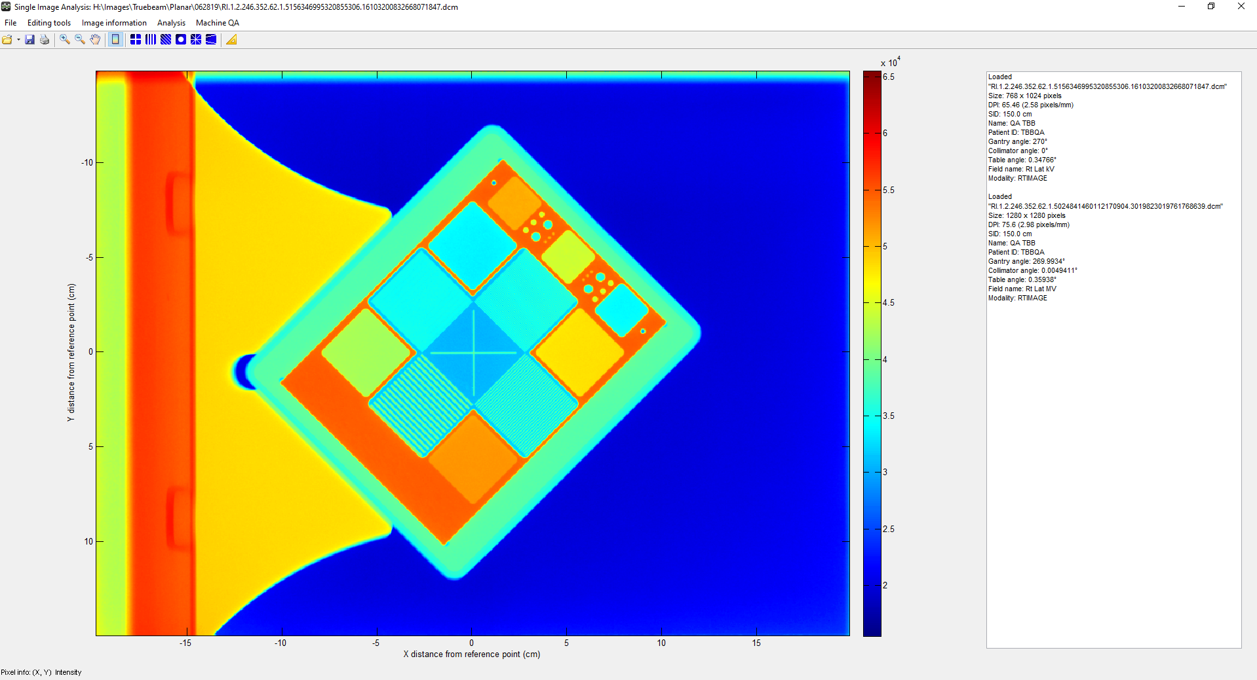
 |  |  |  |  |  | kV analysis

