Mthd_TotalNitrogen
Total Nitrogen Calculation Logic

Updated: <Data when Worksheet was Updated>

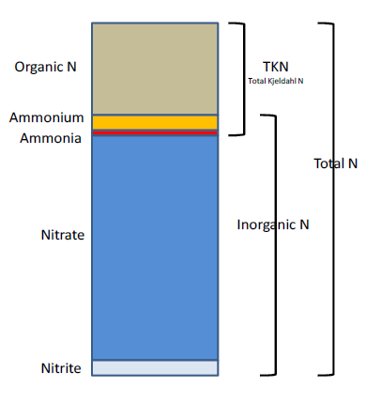
The logic for calculating total nitrogen from individual nitrogen compounds was provided by Kevin O’Donnell and colleagues at FDEP (with the help of Jay Silvanima, Watershed Monitoring Section). The following logic is used, in order, based on the availability of data for the individual total nitrogen components. In the formulas below, TN = total nitrogen, TKN = total kjeldahl nitrogen, NO3O2 = combined measurement of nitrate and nitrite, NO3 = nitrate, NO2 = nitrite, ORGN = organic nitrogen, NH4 = ammonium.
1) TN = TKN + NO3O2;
2) TN = TKN + NO3 + NO2;
3) TN = ORGN + NH4 + NO3O2;
4) TN = ORGN + NH4 + NO2 + NO3;
5) TN = TKN + NO3;
6) TN = ORGN + NH4 + NO3;

Additional Information:
· Rules for use of sample fraction:
 | If both “Total” and “Dissolved” components are reported, only “Total” is used. If the total is not reported, then the dissolved components are used as a best available replacement.
 | An analysis of all SEACAR data showed that 90% of all possible total nitrogen calculations can be done using nitrogen components with the same sample fraction, rather than using nitrogen components with mixed total/dissolved sample fractions. In other words, total nitrogen can be calculated when TKN and NO3O2 are both total sample fractions, or when both are dissolved sample fractions. This is important, because it allowed SEACAR to avoid calculating total nitrogen values based on components with mixed sample fractions.
· Values inserted into data:
o ParameterName = “Total Nitrogen”
o SEACAR_QAQCFlagCode = “1Q”
o SEACAR_QAQC_Description = “Calculated by SEACAR”

