ADP
Pressure
 | CRP | Model
 | 82.705 | 82.705
 | 82.705 | 82.705
 | 326.684 | 326.684
 | 320.151 | 320.151
 | 1120.528 | 1120.528
 | 1120.528 | 1120.528
 | 1058.899 | 1058.899
 | 1058.899
 | 462.389
 | 462.389
 | 462.389 | 458.033
 | 237.732
 | 237.732 | 235.536
 | 227.16 | 224.964
 | 227.16 | 224.96433168
 | Model | CRP
 | 253.03 | 253.03
 | 253.03 | 253.03
 | 400.59 | 401.05
 | 400.59 | 401.05
 | 597.45 | 598.4
 | 597.45 | 598.4
 | 1189.68 | 1199
 |  | 1169.34
 |  | 985.25
 |  | 967.53
 | 963.09 | 967.53
 |  | 836.52
 | 827.65 | 831.49
 | 827.65 | 831.49
 | 827.83574848 | 831.49
Station | Mass flow |  | Temperature |  | Pressure
 | CRP | Model | CRP | Model | CRP | Model
amb |  |  | 253.03 | 253.03 | 82.705 | 82.705
1 | 70.955 | 70.954 | 253.03 | 253.03 | 82.705 | 82.705
2 | 70.955 | 70.954 | 253.03 | 253.03 | 82.705 | 82.705
24 | 70.955 | 70.954 | 401.05 | 400.59 | 326.684 | 326.684
25 | 70.955 | 70.954 | 401.05 | 400.59 | 320.151 | 320.151
3 | 69.749 | 69.19 | 598.4 | 597.45 | 1120.528 | 1120.528
31 | 62.44 | 62.81 | 598.4 | 597.45 | 1120.528 | 1120.528
4 | 63.477 | 63.85 | 1199 | 1189.68 | 1058.899 | 1058.899
41 | 67.024 |  | 1169.34 |  | 1058.899
43 | 67.024 |  | 985.25 |  | 462.389
44 | 70.43 |  | 967.53 |  | 462.389
45 | 70.43 | 70.23 | 967.53 | 963.09 | 462.389 | 458.033
49 | 70.43 |  | 836.52 |  | 237.732
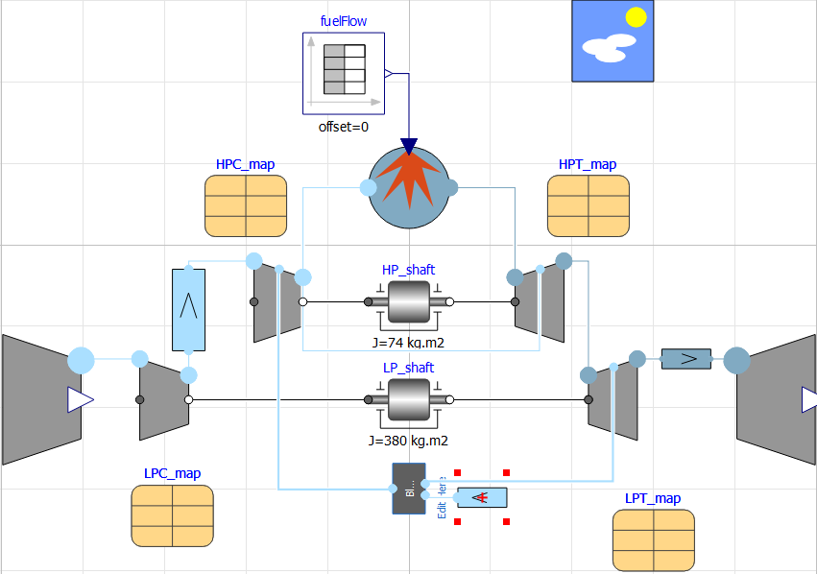
5 | 71.636 | 71.636 | 831.49 | 827.65 | 237.732 | 235.536
 | CRP | Model
 | 70.955 | 70.954
 | 70.955 | 70.954
 | 70.955 | 70.954
 | 70.955 | 70.954
 | 69.749 | 69.19
 | 62.44 | 62.81
 | 63.477 | 63.85
 | 67.024
 | 67.024
 | 70.43
 | 70.43 | 70.23
 | 70.43
 | 71.636 | 71.636
 | 71.636 | 71.636
 | 71.636 | 71.636
6 | 71.636 | 71.636 | 831.49 | 827.65 | 227.16 | 224.964
8 | 71.636 | 71.636 | 831.49 | 827.83574848 | 227.16 | 224.96433168
Bleed | 0.355 |  | 598.4 |  | 1120.527

Thrust |  | SFC
CRP | Model | CRP | Model
46850 | 46289.907518 | 22.1311 | 22.398834986

CASE_1
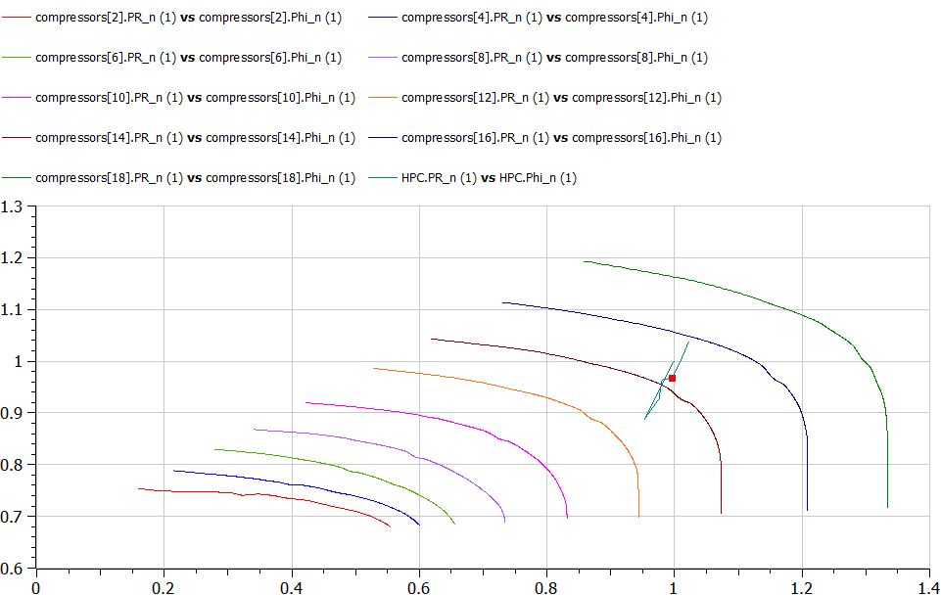
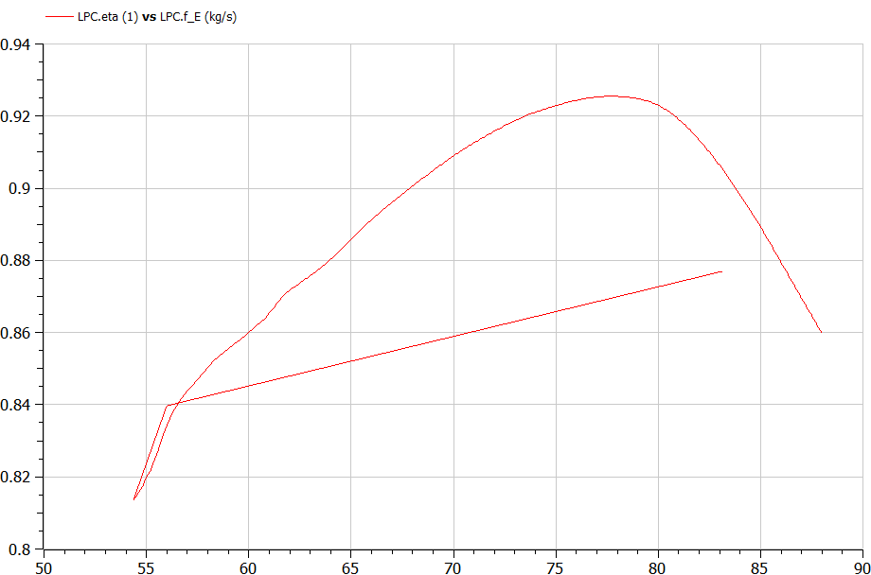
SFC as function of T(net)
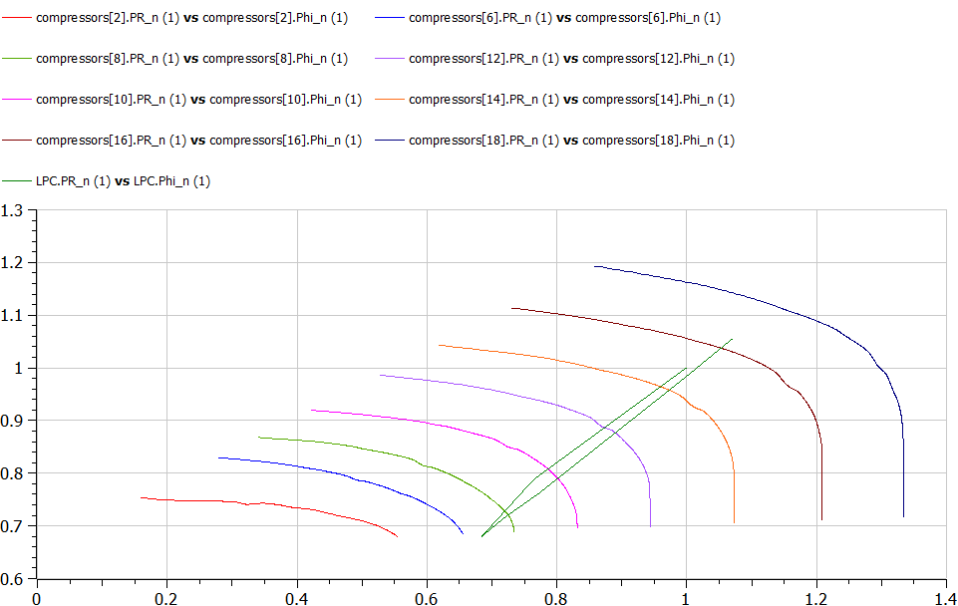
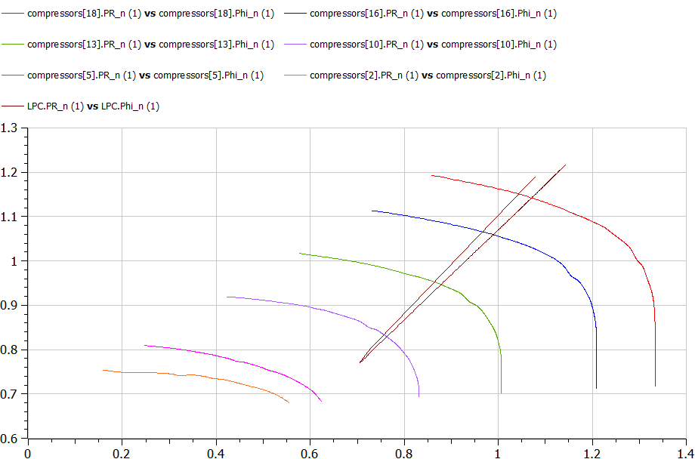
Case 1 |  |  |  | LPC
 | T | SFC
 | 21.75 | 24.595
 | 28.646 | 23.74
 | 42.436 | 22.269
 | 46.7071 | 22.199
 | 52.168 | 22.427

 |  |  | Thurst Steps
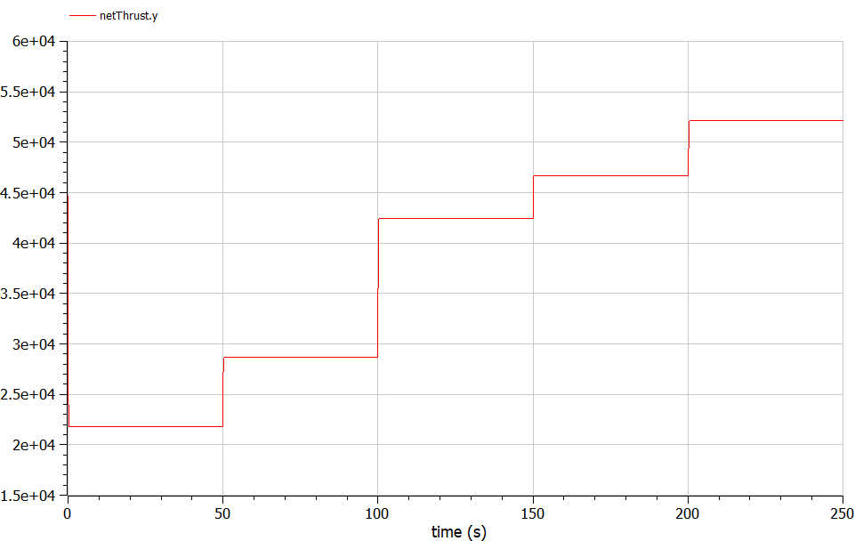

 |  |  |  | HPC

