ADP_static
Cycle Pressure
 | CRP |  | Model
1 | 82.705 | 1 | 82.705
2 | 82.705 | 2 | 82.705
3 | 326.684 | 3 | 326.684
4 | 320.151 | 4 | 320.151
5 | 1120.528 | 5 | 1120.528
6 | 1120.528 | 6 | 1120.528
7 | 1058.899 | 7 | 1058.899
8 | 1058.899 | 11 | 458.033
9 | 462.389 | 13 | 235.536
10 | 462.389 | 14 | 224.964
11 | 462.389 | 15 | 82.705
12 | 237.732
13 | 237.732
14 | 227.16
15 | 227.16
Cycle Temperature
 | CRP |  | Model
1 | 253.03 | 1 | 253.03
2 | 253.03 | 2 | 253.03
3 | 401.05 | 3 | 400.59
4 | 401.05 | 4 | 400.59
5 | 598.4 | 5 | 597.45
6 | 598.4 | 6 | 597.45
7 | 1199 | 7 | 1189.68
8 | 1169.34 | 11 | 963.09
9 | 985.25 | 13 | 827.65
10 | 967.53 | 14 | 827.65
11 | 967.53 | 15 | 638.77
12 | 836.52
13 | 831.49
14 | 831.49
15 | 831.49
Station | Mass flow |  | Temperature |  | Pressure
 | CRP | Model | CRP | Model | CRP | Model
amb |  |  | 253.03 | 253.03 | 82.705 | 82.705 | 0
1 | 70.955 | 70.954 | 253.03 | 253.03 | 82.705 | 82.705 | 1
2 | 70.955 | 70.954 | 253.03 | 253.03 | 82.705 | 82.705 | 2
24 | 70.955 | 70.954 | 401.05 | 400.59 | 326.684 | 326.684 | 3
25 | 70.955 | 70.954 | 401.05 | 400.59 | 320.151 | 320.151 | 4
3 | 69.749 | 69.19 | 598.4 | 597.45 | 1120.528 | 1120.528 | 5
31 | 62.44 | 62.81 | 598.4 | 597.45 | 1120.528 | 1120.528 | 6
4 | 63.477 | 63.85 | 1199 | 1189.68 | 1058.899 | 1058.899 | 7
41 | 67.024 |  | 1169.34 |  | 1058.899 |  | 8
43 | 67.024 |  | 985.25 |  | 462.389 |  | 9
44 | 70.43 |  | 967.53 |  | 462.389 |  | 10
45 | 70.43 | 70.23 | 967.53 | 963.09 | 462.389 | 458.033 | 11
49 | 70.43 |  | 836.52 |  | 237.732 |  | 12
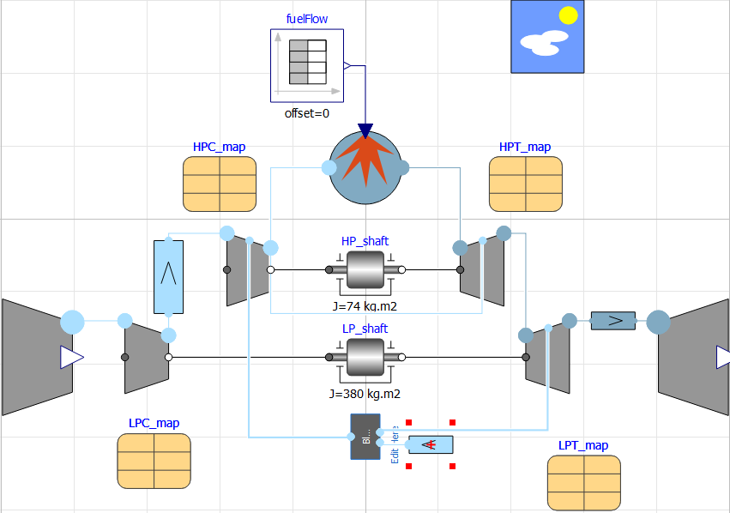
5 | 71.636 | 71.636 | 831.49 | 827.65 | 237.732 | 235.536 | 13
Cycle Mass Flow
 | CRP |  | Model
1 | 70.955 | 1 | 70.954
2 | 70.955 | 2 | 70.954
3 | 70.955 | 3 | 70.954
4 | 70.955 | 4 | 70.954
5 | 69.749 | 5 | 69.19
6 | 62.44 | 6 | 62.81
7 | 63.477 | 7 | 63.85
8 | 67.024 | 11 | 70.23
9 | 67.024 | 13 | 71.636
10 | 70.43 | 14 | 71.636
11 | 70.43 | 15 | 71.636
12 | 70.43
13 | 71.636
14 | 71.636
15 | 71.636
6 | 71.636 | 71.636 | 831.49 | 827.65 | 227.16 | 224.964 | 14
8 | 71.636 | 71.636 | 831.49 | 638.77 | 227.16 | 82.705 | 15
Bleed | 0.355 |  | 598.4 |  | 1120.527

Thrust |  | SFC
CRP | Model | CRP | Model
46850 | 46479 | 22.1311 | 22.3073

ADP_dynamic
Cycle Pressure
 | CRP |  | Model
1 | 82.705 | 1 | 82.705
2 | 82.705 | 2 | 83.963
3 | 326.684 | 3 | 326.684
4 | 320.151 | 4 | 320.151
5 | 1120.528 | 5 | 1120.528
6 | 1120.528 | 6 | 1120.528
7 | 1058.899 | 7 | 1058.899
8 | 1058.899 | 11 | 458.175
9 | 462.389 | 13 | 237.108
10 | 462.389 | 14 | 226.537
11 | 462.389 | 15 | 82.705
12 | 237.732
13 | 237.732
14 | 227.16
15 | 227.16
Cycle Temperature
 | CRP |  | Model
1 | 253.03 | 1 | 253.03
2 | 253.03 | 2 | 254.12
3 | 401.05 | 3 | 400.35
4 | 401.05 | 4 | 400.35
5 | 598.4 | 5 | 597.11
6 | 598.4 | 6 | 597.11
7 | 1199 | 7 | 1189.39
8 | 1169.34 | 11 | 962.89
9 | 985.25 | 13 | 828.62
10 | 967.53 | 14 | 828.8
11 | 967.53 | 15 | 638.37
12 | 836.52
13 | 831.49
14 | 831.49
15 | 831.49
Station | Mass flow |  | Temperature |  | Pressure
 | CRP | Model | CRP | Model | CRP | Model
amb |  |  | 253.03 | 253.03 | 82.705 | 82.705
1 | 70.955 | 70.954 | 253.03 | 253.03 | 82.705 | 82.705
2 | 70.955 | 70.954 | 253.03 | 254.12 | 82.705 | 83.963
24 | 70.955 | 70.954 | 401.05 | 400.35 | 326.684 | 326.684
25 | 70.955 | 70.954 | 401.05 | 400.35 | 320.151 | 320.151
3 | 69.749 | 69.195 | 598.4 | 597.11 | 1120.528 | 1120.528
31 | 62.44 | 62.81 | 598.4 | 597.11 | 1120.528 | 1120.528
4 | 63.477 | 63.847 | 1199 | 1189.39 | 1058.899 | 1058.899
41 | 67.024 |  | 1169.34 |  | 1058.899
43 | 67.024 |  | 985.25 |  | 462.389
44 | 70.43 |  | 967.53 |  | 462.389
45 | 70.43 | 70.23 | 967.53 | 962.89 | 462.389 | 458.175
49 | 70.43 |  | 836.52 |  | 237.732
5 | 71.636 | 71.636 | 831.49 | 828.62 | 237.732 | 237.108
Cycle Mass Flow
 | CRP |  | Model
1 | 70.955 | 1 | 70.954
2 | 70.955 | 2 | 70.954
3 | 70.955 | 3 | 70.954
4 | 70.955 | 4 | 70.954
5 | 69.749 | 5 | 69.195
6 | 62.44 | 6 | 62.81
7 | 63.477 | 7 | 63.847
8 | 67.024 | 11 | 70.23
9 | 67.024 | 13 | 71.636
10 | 70.43 | 14 | 71.636
11 | 70.43 | 15 | 71.636
12 | 70.43
13 | 71.636
14 | 71.636
15 | 71.636
6 | 71.636 | 71.636 | 831.49 | 828.8 | 227.16 | 226.537
8 | 71.636 | 71.636 | 831.49 | 638.37 | 227.16 | 82.705

Thrust |  | SFC
CRP | Model | CRP | Model
46850 | 46649 | 22.1311 | 22.2265

ADP_Nozzle_Included
Pressure
 | CRP | Model
1 | 82.705 | 82.705
2 | 82.705 | 82.705
3 | 326.684 | 326.684
4 | 320.151 | 320.151
5 | 1120.528 | 1120.528
6 | 1120.528 | 1120.528
7 | 1058.899 | 1058.899
8 | 1058.899
9 | 462.389
10 | 462.389
11 | 462.389 | 458.033
12 | 237.732
13 | 237.732 | 235.536
14 | 227.16 | 224.964
15 | 227.16 | 224.96433168
 | Model | CRP
1 | 253.03 | 253.03
2 | 253.03 | 253.03
3 | 400.59 | 401.05
4 | 400.59 | 401.05
5 | 597.45 | 598.4
6 | 597.45 | 598.4
7 | 1189.68 | 1199
8 |  | 1169.34
9 |  | 985.25
10 |  | 967.53
11 | 963.09 | 967.53
12 |  | 836.52
13 | 827.65 | 831.49
14 | 827.65 | 831.49
15 | 827.83574848 | 831.49
Station | Mass flow |  | Temperature |  | Pressure
 | CRP | Model | CRP | Model | CRP | Model
amb |  |  | 253.03 | 253.03 | 82.705 | 82.705 | 0
1 | 70.955 | 70.954 | 253.03 | 253.03 | 82.705 | 82.705 | 1
2 | 70.955 | 70.954 | 253.03 | 253.03 | 82.705 | 82.705 | 2
24 | 70.955 | 70.954 | 401.05 | 400.59 | 326.684 | 326.684 | 3
25 | 70.955 | 70.954 | 401.05 | 400.59 | 320.151 | 320.151 | 4
3 | 69.749 | 69.19 | 598.4 | 597.45 | 1120.528 | 1120.528 | 5
31 | 62.44 | 62.81 | 598.4 | 597.45 | 1120.528 | 1120.528 | 6
4 | 63.477 | 63.85 | 1199 | 1189.68 | 1058.899 | 1058.899 | 7
41 | 67.024 |  | 1169.34 |  | 1058.899 |  | 8
43 | 67.024 |  | 985.25 |  | 462.389 |  | 9
44 | 70.43 |  | 967.53 |  | 462.389 |  | 10
45 | 70.43 | 70.23 | 967.53 | 963.09 | 462.389 | 458.033 | 11
49 | 70.43 |  | 836.52 |  | 237.732 |  | 12
5 | 71.636 | 71.636 | 831.49 | 827.65 | 237.732 | 235.536 | 13
 | CRP | Model
1 | 70.955 | 70.954
2 | 70.955 | 70.954
3 | 70.955 | 70.954
4 | 70.955 | 70.954
5 | 69.749 | 69.19
6 | 62.44 | 62.81
7 | 63.477 | 63.85
8 | 67.024
9 | 67.024
10 | 70.43
11 | 70.43 | 70.23
12 | 70.43
13 | 71.636 | 71.636
14 | 71.636 | 71.636
15 | 71.636 | 71.636
6 | 71.636 | 71.636 | 831.49 | 827.65 | 227.16 | 224.964 | 14
8 | 71.636 | 71.636 | 831.49 | 827.83574848 | 227.16 | 224.96433168 | 15
Bleed | 0.355 |  | 598.4 |  | 1120.527

Thrust |  | SFC
CRP | Model | CRP | Model
46850 | 46289.907518 | 22.1311 | 22.398834986

CASE_1
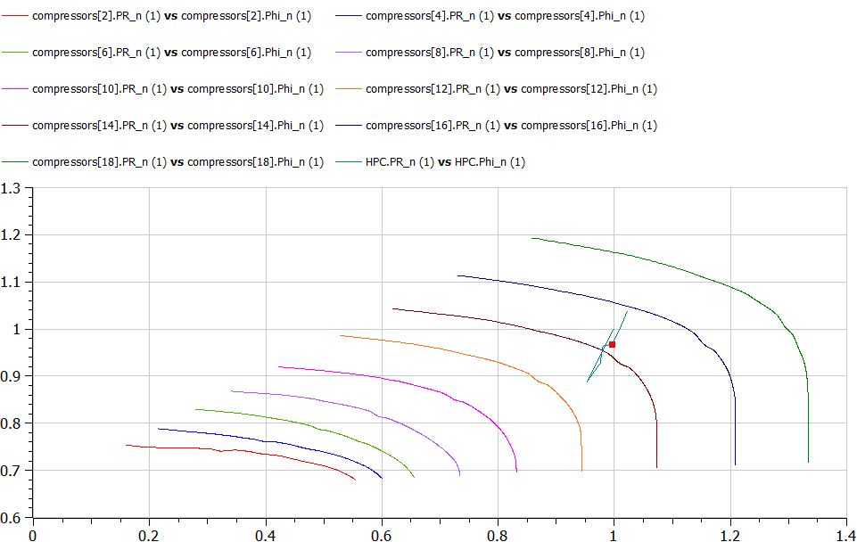
SFC as function of T(net)
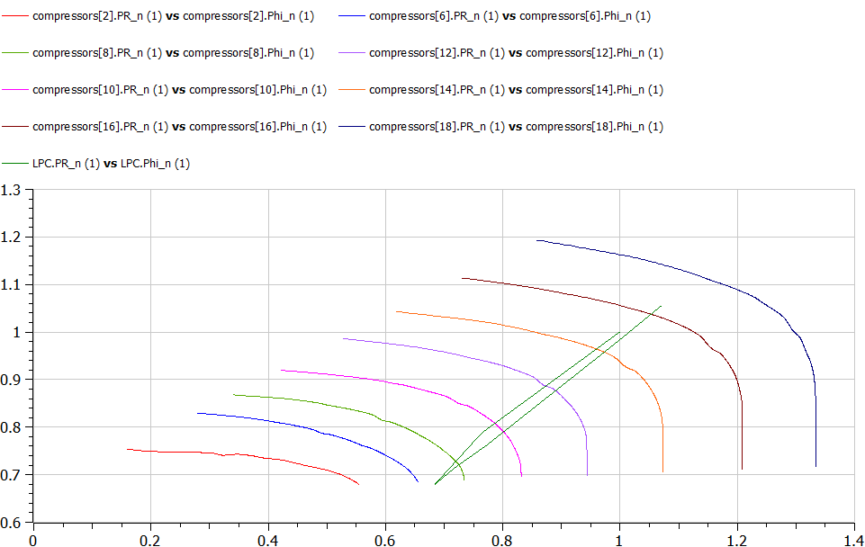
Case 1 |  |  |  | LPC
 | T | SFC
 | 21.75 | 24.595
 | 28.646 | 23.74
 | 42.436 | 22.269
 | 46.7071 | 22.199
 | 52.168 | 22.427

 |  |  | Thurst Steps
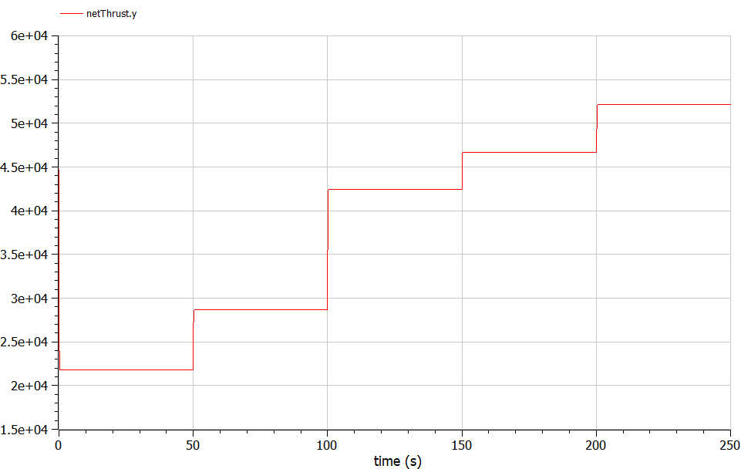

 |  |  |  | HPC

