Calsim_Specific_Notes
Calsim Specific Notes and Assumptions
1- | We assume node 502 is roughly coincident with Highway 99 matching the same reach discretization in the EBMUDSIM model.
2- | For Reference purposes, Reach #1 is equivalent to CalSim-II channel C91, Reach #2 is C502, Reach #3 is C503.
3- | We note that there are two sets of diversions at node D502 and a channel loss term that applies to C91, the schematic has only one diversion arc shown.
4- | We note that there are three sets of diversions at node D503 (whereas the schematic shows only 2: D503A and D503B) as well as a channel loss term that applies to reach C502.
5- | We also provide a diversion that would apply at node 504 (i.e. D504 that is not part of the schematic) which represents riparian and senior appropriator diversions in the reach between Woodbridge Irrigation District’s Dam and the confluence with the Cosumnes as well as an assumed loss rate that applies to reach C503.
6- | Local inflow arc I503 is assumed to be 0cfs for all months over the period of hydrology simulated.

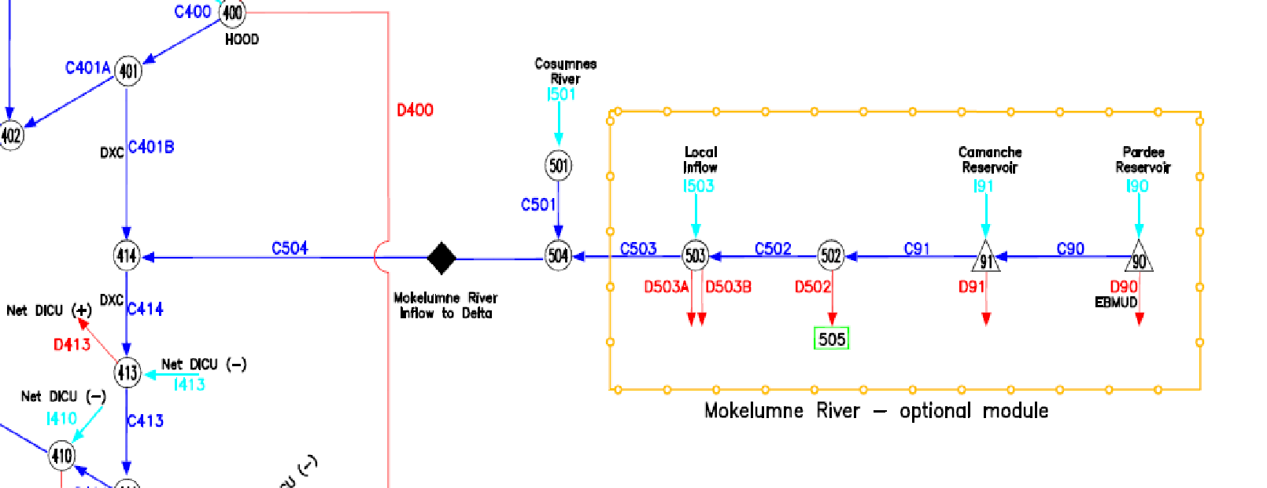

 | Excerpt of Mokelumne River portion of CalSim Flow Node-Arc Network Diagram. Source file: CalSim 2 schematic.pdf

EBMUDSIM_Study_Notes
EBMUDSIM-II Run No. and Header
7418 | CVPIA Data Request. No DPS. Baseline: 7390. 2015 LOD at 190 MGD. New DMP EOS-TSS triggers (325-390-425-500 TAF) and rationing schedule (20-15-10-0). FRWP: First year July start at 110 cfs. JSA, Bayside I , gainshare are active.

Common Assumptions
1- | ACE Flood Control Requirements: Active
2- | JSA In-Stream Flow Requirements: Active
3- | Lodi and North San Joaquin Water Conservation District: Active
4- | Hydrologic Period: 1921-2009
5- | Drought Planning Sequence: Active
6- | Freeport Regional Water Project (FRWP) CVP Supply: Active
7- | Bayside Phase I Supplemental Supply: Active
8- | End of September Total System Storage (EOS-TSS) triggers for rationing are noted below in Table 1.

 | Table 1
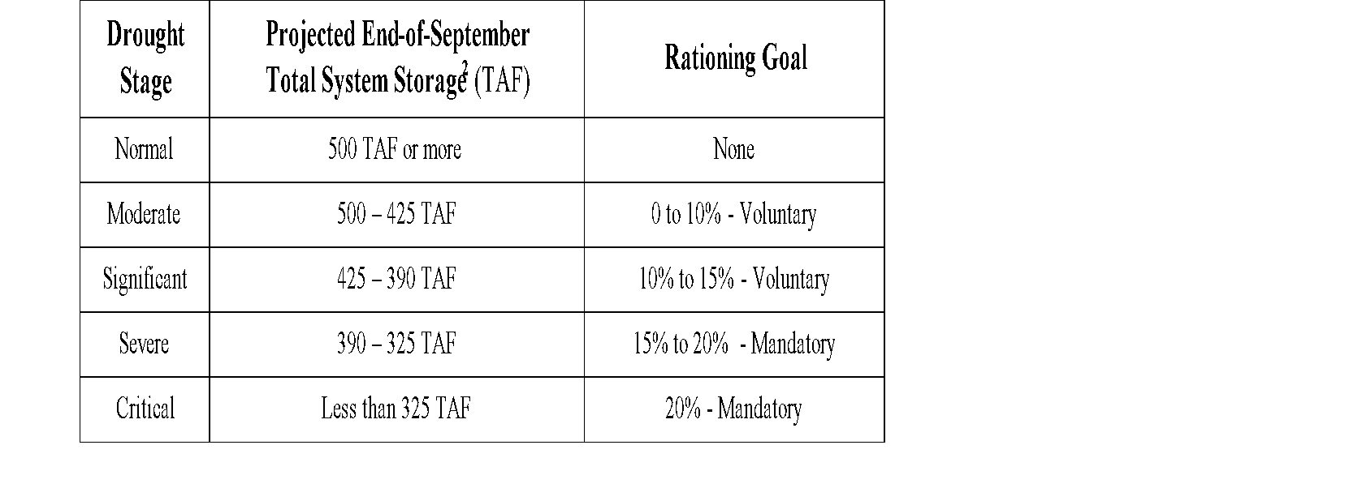

Applied CVP M&I North of Delta Allocations
 | Central Valley Project Municipal & Industrial North of Delta deliveries (CVP M&I NOD DEL) are from CALSIM Study CS3_CVP_PMI_Percent_Deliveries_for EBMUDSIM (Oct 1921 through Sep 2009) provided by DWR Staff December 10, 2012.

