Hoja1
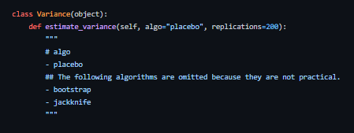
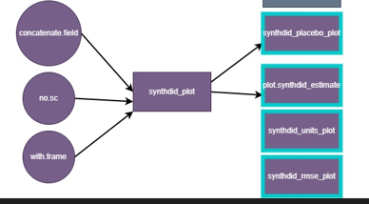
 | R | Python
no | si | si | no
bootstrap_sample | synthdid_estimate | hat_tau
bootstrap_se | did_stimate
jacknife_se | sc_stimate
jacknife | synthdid_plot | plot
synthdid_placebo_plot | vcov.synthdid_estimate | estimate_variance
synthdid_units_plot | summary.synthdid_estimate | estimated_params
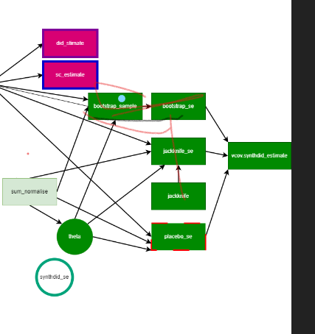
synthdid_rmse_plot | california_prop99 | fetch_CaliforniaSmoking
plot.synthdid_estimate

