Sheet1
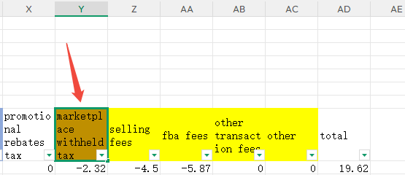
一、核对收入总额
【配送货件表】

计算公式：R到AP列金额合计*I列配送日期当天人民币汇率中间价

二、退款金额核对

1.1【报告库】-Summary结算报告

1.2退款合计-C列筛选选中Refund

1.3计算公式：O到W列金额合计*A列配送日期当天人民币汇率中间价 |  |  | product sales | product sales tax | shipping credits | shipping credits tax | gift wrap credits | giftwrap credits tax | Regulatory Fee | Tax On Regulatory Fee | promotional rebates

三、平台扣费合计

1.1【报告库】-Summary结算报告

1.2费用合计-C列筛选去掉transfer，Z列-AC列（selling fee至other）费用合计*A列配送日期当天人民币汇率中间价 | selling fees/fba fees/other transaction fees/other

1.3平台代扣商品税-Y列"marketplace withheld tax"金额合计*A列日期当天人民币汇率中间价

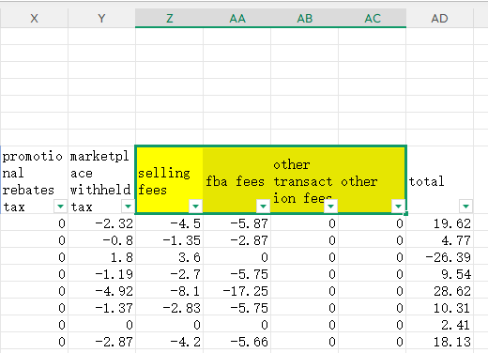
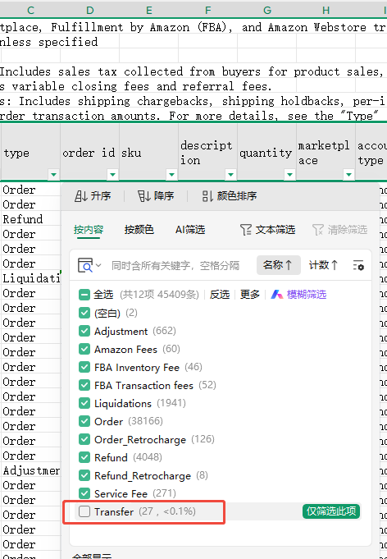
1.1 | 1.2
 |  | 1.3

