Process Ref
BEND

 | SETUP | Loom video link |  |  |  |  |  | Run Types | Lookup Map Status | Results |  |  | Tube Result Codes | Initial | Session | Rerun 1 |  |  | Rerun 2
 | FALSE | Make a copy of the RFR audit Template and name it the appropriate file name in the deployment folder: <PRGMCODE>_RFR_<YYYY_MM_DD>_CDwPHI_WIP |  |  |  |  |  | Initial | Absent | Pos |  |  | 1 | N | N | no rerun |  |  |  |  |  | N N - no rerun
 | FALSE | Copy and paste the raw data into the template. |  |  |  |  |  | Re-run | Initials/First Letters | Neg |  |  | 1.1 | N | N | N | N | N |  |  |  | N - all reruns N (initial miscalled I, audited to N)
 |  |  | Only paste the from the first entry down, preserving the headers in the template |  |  |  |  |  | First Names | Inc |  |  | 2 | I | N | N | N | N |  |  |  | I N - all reruns N
 | FALSE | Update below with the 4 character program label (for run ID generation) |  |  |  |  |  |  | Full Names | Invalid |  |  | 2.1 | I | N | I | N | N |  |  |  | I N - one I
 |  |  |  |  |  |  |  |  | Tube ID's |  |  |  | 2.2 | I | N | I/N/P | I/N/P | I/N/P | N | N | N | I N -1st rerun any, 2nd rerun all N
 |  |  |  |  |  |  |  |  | Results Included |  |  |  | 2.3 | I N N | N | no rerun
 | FOR EACH ROW |  |  |  |  |  |  |  | Tube ID's and Results |  |  |  | 2.4 | I | N | non-triplicate I/N/P rerun
 | FALSE | Open the Run Form Image and eval for combined entries needing splitting |  |  |  |  |  |  |  |  |  |  | 3 | I | I | no rerun |  |  |  |  |  | I I - no rerun
 |  |  | If rerun is mentioned in notes but subsequent runs are not logged, split the run |  |  |  | no interact w new tube code |  |  |  | RFR Misc Audit Code |  | 3.1 | I | I | I/N | I/N | I/N |  |  |  | I I - any mix of I/N
 | FALSE | Eval for any apparent required flags (Invalid Run, Split Run, Is/Has Rerun) |  |  |  | Previous | RFR Exclude Code | Reason |  |  | 1.1 | Gform - Num Samples incorrect or missing | 3.2 | I | I | I/N/P | I/N/P | I/N/P |  |  |  | I I - any P
 | FALSE | Complete Run Form section with information from the image |  |  |  | 0.0 | 1 | Date Not In Range |  |  | 1.2 | RunForm - Num Rxns incl cntrl incorrect or missing | 3.3 | I | I | I/N/P | I/N/P | I/N/P | I/N/P | I/N/P | I/N/P | I I - any 2 reruns
 | FALSE |  | If Tube IDs written in RForm Notes, then check to see if it exists in APS and matches date |  |  | 0.1 | 2 | Note Indicates Test |  |  | 1.3 | Gform - Incorrect Date or missing | 4 | I | P | I/N/P | I/N/P | I/N/P |  |  |  | I P - any
 | FALSE |  | If it's not then enter it in Tube Result Table Draft and assign Tube ID Source Code 2.2 |  |  | 0.2 | 3 | Email Indicates Test |  |  | 1.4 | RunForm - Incorrect Date or missing | 4.1 | I | P | I/N/P | I/N/P | I/N/P | I/N/P | I/N/P | I/N/P | I P - any 2 reruns
 | FALSE | Open the Results Image and fill in the Results section |  |  |  | 0.3 | 4 | Duplicate Entry |  |  | 1.5 | Extra pink rxn in image, conclude empty | 5 | P | N | N | N | N |  |  |  | P N - all N
 |  |  | If the calculated results from the inc run calls is a non integer, or is marked as needing correction, rectify using results image |  |  |  | 5 | Development Run |  |  | 1.6 | Tubes from GForm or RunForm not in Appivo | 6 | P | I | I/N/P | I/N/P | I/N/P |  |  |  | P I - any
 | FALSE | Eval for any apparent required flags (RFR Misc Correct Code, RFR Results Correct Code, RFR Correct Notes) |  |  |  |  | 6 | Contrived Positive / Validation Run |  |  | 1.7 | Number of control rxns not definitive | 6.1 | P | I | I/N/P | I/N/P | I/N/P | I/N/P | I/N/P | I/N/P | P I - any 2 reruns
 | FALSE | Eval for needed splits |  |  |  |  | 7 | Non standard run (add note) |  |  | 1.8 | Combination of multiple, use RFR Correct Notes | 7 | P | P | no rerun |  |  |  |  |  | P P - no rerun
 |  |  | Extra reactions off to side are a red flag for a combined entry |  |  |  | 8 | Invalid run from control fail (add note) |  |  | 1.9 | No Run Form Photo or no Result Photo | 7.1 | P | P | P | P | P |  |  |  | P P - all P
 |  |  | Situations with improper reruns are common, use best judgement to asess what took place |  |  |  | 9 | Other (add note) |  |  | 1.X | add for any others | 7.15 | P | P | non-3 replicates all P
 | FALSE |  | Assign Run Code based on info from Run Form Image and Results Image (and accompanying initial/rerun, if applicable) |  |  |  |  |  |  |  | RFR Results Audit Code |  | 7.2 | P | P | P | P | I |  |  |  | P P - one I
 | FALSE | Open the Lookup map if not absent, mark as "Complete" if completely filled in with tube ID's, otherwise mark as "Incomplete" |  |  |  |  |  |  |  |  | 2.1 | GForm InitIncl I -> N | 7.3 | P | P | P | P | N |  |  |  | P P - one N
 | FALSE | Refer below for Data Table creation instructions |  |  |  |  |  |  |  |  | 2.2 | GForm InitIncl I -> P | 7.4 | P | P | I/N/P | I/N/P | I/N/P |  |  |  | P P - any other
 |  |  |  |  |  |  |  |  |  |  | 2.3 | GForm InitIncl N -> I | 7.5 | Trip P | P | no rerun
 | SPLITTING A RUN |  |  |  |  |  |  |  |  |  | 2.4 | GForm InitIncl P -> I | 7.6 | P | N | non-triplicate I/N/P rerun
 | FALSE | Insert a row below and copy/paste its parent row |  |  |  |  | RFR Run Code | Definition (Auditied unless says otherwise) |  |  | 2.5 | GForm InitIncl N -> P | 8 | OTHER
 | FALSE | Fix Images, Note, Initial inconclusives, and Number of Samples |  |  |  |  | 0 | All Neg |  |  | 2.6 | GForm InitIncl P -> N
 | FALSE | Mark as a split run, select Run Type = Re-run (if case) |  |  |  |  | 1 | Initial Inconcl, No rerun |  |  | 3.1 | Notes ...
 | FALSE | Audit each row as a separate run, splitting according to the available information and your best judgement (Increment rerun time by 1 hour) |  |  |  |  | 1.1 | Initial Inconcl, All rerun rxn are neg |  |  | 4.1 | Both ...
 | FALSE | Verify that parent and child rows have independent, correct data |  |  |  |  | 1.2 | Initial Inconcl, one or more rerun rxn inconcl but no pos |  |  | 5 | Invalid - Control Fail
 |  |  |  |  | 2 |  | 1.3 | Initial Inconcl, one or more rerun rxn pos |  |  | 5.1 | Invalid - specify in RFR Audit Notes
 | TUBE RESULT TABLE DRAFT CREATION (add to table with each row in RFR audit) |  |  |  |  |  | 1.4 | Only initial run in triplicate, 1 I 2N |  |  | 6 | Other - enter notes |  | Tube ID Source Code
 | FALSE | Add one entry for each tube that matches the criteria for inclusion in the Reaction Table Draft (for more detailed criteria see Data Notes) |  |  |  |  | 2 | Inconclusive session call |  |  | RFR Audit Code Notes (a col used for both) |  |  | 1 | APS
 | FALSE | Enter Tube ID, Initial Run ID, Tube ID Source Code, Tube Result Code, Num Rxns (for that tube in that session), Tube Result Notes |  |  |  |  | 4 | Positive run call (anywhere in session) |  |  |  |  |  | 2.1 | RForm LUM
 |  |  |  |  |  |  | 5 | Invalid |  |  |  |  |  | 2.2 | RForm Notes
 | REACTION TABLE DRAFT CREATION (either with each row or after RFR audit is complete) |  |  |  |  |  | Highest non 5 (invalid) code is assigned |  |  |  |  |  |  | 2.3 | GForm Notes
 | FALSE | Add one entry for each reaction for which anywhere in the re-run chain exists a valid positive or inconclusive result by the original call or audit call (for more detailed criteria see Data Notes) |  |  |  |  |  | Give all Code Types unique names |  |  |  |  |  | 3 | RTR
 |  |  |  |  |  |  | PREVIOUS |  |  |  |  |  |  | 4 | Unknown - assigned
 | FALSE | Copy and paste the Run ID |  |  |  |  | Run Code (only assign for initial run) all audited |  |  |  | Rxn Table Code | Definition
 |  |  | Reaction ID is generated automatically, Run Type is matched from RFR |  |  |  | 0 | All Negative |  |  | 0 | no rxns added to rxn table for that run
 | FALSE | Enter or verify the Audit Reaction Result, Audit Run Call Result, and Audit Session Call Result as follows: |  |  |  |  | 1 | Initial Inconclusive, Negative after rerun(s) |  |  | 1 | is/has rerun, no corrected call
 |  |  | Reaction Result is made on the individual-tube basis and is judged from the final color of the reaction in that tube |  |  |  | 1.1 | one or more rerun rxn inconcl but no pos
 |  |  | Run Call Result for a reaction = Run Call Result for its respective tube in that run - This value is auto-generated and should be verified |  |  |  | 1.2 | Incorrect date |  |  | 2 | initial run (with no rerun) call that is pos, inconcl, invalid (not corrected)
 |  |  | Session Call Result for a reaction = Session Call Result for its respective tube in that session |  |  |  | 2 | Inconclusive run call |  |  | 3 | has corrected call - have corrected code
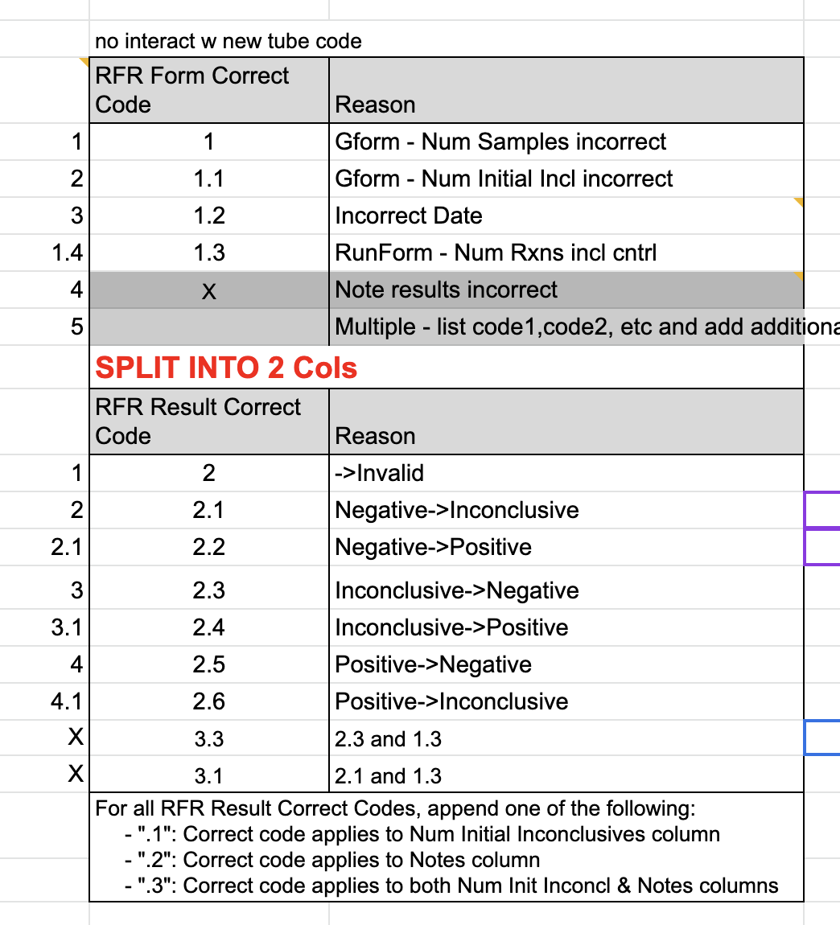
 | FALSE | For any runs with Enter Tube ID from LUM? = TRUE, read the file and add the Tube IDs to their respective reactions |  |  |  |  | 3 | Positive call in any individual reaction but no positive run call
 |  |  | If LUM is incomplete, use Note field to add whatever identifying information is avalible |  |  |  | 4 | Positive run call, audited
 | FALSE | For Unknown Tube IDs w reruns, apply the same Unknown Tube ID to rerun rxns as initial rxns by referencing the rerun rxn cells in “Index Unknown Tube ID” |  |  |  |  | 5 | Invalid |  |  | OLD VERSION _ KEEP FOR BIT FOR REF

 | CREATE CD RFR, MOVE COPY TO MAIN > DATA
 | FALSE | Duplicate the "Corrected RFR Data - preDel" tab, name as "Corrected RFR Data - postDel", delete marked rows
 | FALSE | Copy/paste column data AS VALUES from the "Corrected RFR Data - postDel" tab to the respective columns of the "CD RFR" tab
 | FALSE | De-identify any PHI from the Notes columns using the DeID Key from the APS/APT CD files from the same deployment
 | FALSE | Check Notes Collumns for PII, Replace with Person ID from the APS DEID key. For "Johns family", us "Person ID Family"
 | FALSE | Move a copy of the CD RFR tab to a new Gsheet in the deployment's deidentified Data folder
 | FALSE | Copy/paste the Reaction Table Draft into a second tab of the CD RFR file in the Data folder - paste AS VALUES

 | RFR Back Propogation v2 from v1
 | Setup
 | FALSE | Make a new copy of the template and add “-V2” at the end of the copy as you move it next to the old version.
 | FALSE | Copy and paste the only data in segments that are unseperated by new or deleted columns
 | FALSE | Paste the run code into the run code header (Even though it’s ben redefined)
 | FALSE | Paste the old correction codes into the correction notes, where you can extract and re assign them later.
 | FALSE | Set the timestamps of all the rows as pale blue

 | Per Row
 | FALSE | Assign new correction codes and notes from old codes located in the notes field
 | FALSE | Assign the new run code according to the updated definitions
 | FALSE | Determine and assign the # of Tubes added to Tube Result Table for each row with “Audit” in that column
 | FALSE | Create the required Tube Result Table rows
 | FALSE | Mark the row as pale green once complete.
 | FALSE | Add initials and date to far right column

 | RUN COUNT RECONCILE CODES: |  |  | OLD Codes (copied from Combate)

0 | ALL 3 COUNTS SAME meaning APS Collect = APS Result = RFR |  |  | 0 Same Audit RFR: APS Collect = APS Result = RFR
0.1 | ALL 3 COUNTS SAME after Null called Neg |  |  | 0.1 same as above except Null > Neg
0.2 | ALL 3 COUNTS SAME with APS Collect on previous days |  |  | 0.2 All same with APS Collect on previous days
0.3 | ALL 3 COUNTS SAME after Null called Neg with APS Collect on previous days |  |  | 0.3 same as above except Null > Neg and Pos
0.4 | ALL 3 COUNTS SAME but GFORM Num of Samples is different |  |  | 1 Same Audit RFR: APS Collect = RFR (disregard Result Count)
1 | Use APS Collect = RFR (diff APS Result count but nets out) |  |  | 1.1 same as above except Null > Neg
1.1 | Use APS Collect = RFR (diff APS Result count but nets out) after Null called Neg |  |  | 2 Same Audit RFR: Extra tubes in RFR not in Appivo
1.4 | Use APS Collect = RFR Audit (ignore APS Result and GFORM Num samples is different)
2 | Use Audit RFR count (extra tubes in RFR not in Appivo) |  |  | 2.1 same as above except Null > Neg
2.1 | Use Audit RFR count (extra tubes in RFR not in Appivo) after Null called Neg |  |  | 3 Same Audit RFR : Delete Null Tube
3 | ALL 3 COUNTS SAME after Null deleted |  |  | 4 Same Audit RFR: extra tube in Appivo not in LUM marked for delete
3.1 | Use APS Collect = RFR (diff APS Result count but nets out) after Null deleted |  |  | 4.5 Run with No RFR
3.4 | Add Run from APS with no RFR (assume run on same day as Collect, ignore Result day) |  |  | 4.6 RFR Raw Num Samples Gform = APS Collect
3.5 | Add Run from APS with no RFR (extra APS tube and conclude done in sep run with no RFR)
3.6 | RFR Raw Num Samples Gform = APS Collect |  |  | 4.9 Tube(s) in RFR not in Appivo - Run ID assignment Auto
4 | Same Audit RFR: extra tube in Appivo not in LUM marked for delete

 | BELOW CODES HAVE MANUAL RUN ASSIGNMENT IN PASS2 |  |  | BELOW CODES HAVE MANUAL RUN ASSIGNMENT IN PASS2

4.8 | RFR Raw Num Samples Gform = APS Collect sum of different days so need Manual Run assign |  |  | 5 Multiple Initial runs on same day - final count is sum of RFR Audit = APS Collect
4.9 | Use GFORM Raw Num of Samples because nets out with surrounding days |  |  | 5.1 same as above except NULL is deleted
5 | Multiple Initial runs on same day - final count is sum of RFR Audit = APS Collect |  |  | 6 Same Audit RFR - nets out with next or prev day
5.1 | Multiple Initial runs on same day - final count is sum of RFR Audit = APS Collect (NULL is deleted) |  |  | 7 Same Audit RFR - all tubes assigned to 2nd initial run of day
6 | Use Audit RFR - nets out with next or prev day |  |  | 7.1 same as above but with Extra tubes in RFR not in Appivo
6.1 | No Run - APS Collect run next day |  |  | 8 Tube(s) in Appivo not in RFR
6.2 | No Run - APS Collect run 2 or more days later |  |  | 9 Tube(s) in RFR not in Appivo
7 | Use Audit RFR - all tubes assigned to 2nd initial run of day
7.1 | Use Audit RFR - all tubes assigned to 2nd initial run of day but with Extra tubes in RFR not in Appivo |  |  | highlighting shows which rows need entries in delta col
8 | Use Audit RFR count (tube in Appivo not in RFR) |  |  | blue gets + num
8.1 | Use APS Collect count != RFR Audit |  |  | red gets - num
8.2 | Use APS Collect count != RFR Audit (with different Collect days) |  |  | green gets +/- num depending
9 | Entire run in RFR not in Appivo
9.4 | Tube was in Appivo but not RFR and concluded never run so delete in APS preDel with code 9.4
10 | see Notes for reason

 | highlighting shows which rows need entries in delta col
 | blue gets + num
 | red gets - num
 | green gets +/- num depending

 | =IF(ISBLANK($P664), IF($Q664,INDEX('Run Reconcile'!A$2:A,MATCH($B664+1,'Run Reconcile'!B$2:B,0),1),IF($R664,INDEX('RFR Data - preExcl'!$BF$2:$BG,MATCH($B664,'RFR Data - preExcl'!$BF$2:$BF,0)+1,2),VLOOKUP($B664,'RFR Data - preExcl'!$BF$2:$BG,2,FALSE))),IFERROR(0/0))
 | =IF(ISBLANK($P372), IF($Q372,VLOOKUP($B372+1,'RFR Data - preExcl'!$BF$2:$BG,2,FALSE),IF($R372,INDEX('RFR Data - preExcl'!$BF$2:$BG,MATCH($B372,'RFR Data - preExcl'!$BF$2:$BF,0)+1,2),VLOOKUP($B372,'RFR Data - preExcl'!$BF$2:$BG,2,FALSE))),IFERROR(0/0))

