Givens
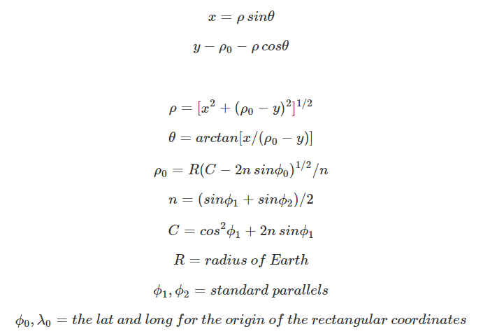
Variable | Pronunciation | Explanation | Value (if constant) | Variable | CorrespondingWord | Explanation | Value
OriginalX |  | The original x coordinates, to be projected |  | OriginalX | x | original x | x
OriginalY |  | The original y coordinates, to be projected |  | OriginalY | y | original y | y-(-4,000,000)
yADJ | y adjusted | We must shift the y coordinates by 4,000,000 (add 4 million to all y) |  | y adjusted | y adjusted | shift by +4mil | y-(-4,000,000)
λ0 | lamba naught ("not") | The central meridian of your projection | -120 | λ0 | lamba naught | Central meridian
φ0 | phi naught ("fee not") | The x intercept at central meridian |  | φ0 | phi naught | x intercept at central meridian
φ1 | phi 1 ("fee" 1) | Parallel 1 |  | φ1 | phi 1 | Parallel 1
φ2 | phi 2 ("fee" 2) | Parallel 2 |  | φ2 | phi 2 | Parallel 2
φ0 (rad) | phi naught radians | Convert the x intercept to radians |  | φ0 (rad) | phi naught radians | x int in radians
φ1 (rad) | phi 1 radians | Convert phi 1 to radians |  | φ1 (rad) | phi 1 radians | Par1 in radians
φ2 (rad) | phi 2 radians | Convert phi 2 to radians |  | φ2 (rad) | phi 2 radians | Par2 in radians
R | Radius | Radius of the earth |  | R | earth radius |  | 4,000,000
θ | Theta |  |  | θ | theta
C | C | A calculated constant |  | C | C | calculated constant
n | n | A calculated constant |  | n | n | calculated constant
ρ0 | rho naught ("ro not") |  |  | ρ0 | rho naught
ρ | rho ("ro") |  |  | ρ | rho
λ | lamba | final longitude |  | λ | lamba | final longitude
φ | phi ("fee") | final latitude |  | φ | phi | final latitude

 |  |  |  | https://pubs.usgs.gov/pp/1395/report.pdf

